FSH-SERUM
2.398 | 0.107 | 0.284 | 0.13 | 0.315
1.523 | 0.323 | 0.605 | 0.225 | 0.13
0.869 | 0.115 | 0.606 | 0.139 | 0.411
0.497 | 0.117 | 0.379 | 0.141 | 0.765
0.249 | 0.259 | 0.133 | 2.07 | 0.193
0.138 | 1.294 | 0.11 | 0.219 | 0.133
0.077 | 0.473 | 0.103 | 0.164 | 0.102
FSH
0.135 | 0.172 | 0.133 | 0.221 | 0.137

 | abs | abs-blank | expected | result
std1 | 2.398 | 2.321 | 200 | 199.10
std2 | 1.523 | 1.446 | 100 | 102.95
std3 | 0.869 | 0.792 | 50 | 48.30
std4 | 0.497 | 0.42 | 25 | 23.77
std5 | 0.249 | 0.172 | 12.5 | 10.07
std6 | 0.138 | 0.061 | 3.13 | 4.62
blank | 0.077 | 0 | 0 | 1.81

 |  |  |  |  | concentratıon (ng/ml)

Numune | absorbans | blank | abs-blank | result
1 | 0.135 | 0.077 | 0.058 | 4.48
2 | 0.107 | 0.077 | 0.03 | 3.18
3 | 0.323 | 0.077 | 0.246 | 13.94
3 | 0.115 | 0.077 | 0.038 | 3.55
6 | 0.117 | 0.077 | 0.04 | 3.64
7 | 0.259 | 0.077 | 0.182 | 10.58
8 | 1.294 | 0.077 | 1.217 | 82.14
9 | 0.473 | 0.077 | 0.396 | 22.35
10 | 0.172 | 0.077 | 0.095 | 6.25
14 | 0.284 | 0.077 | 0.207 | 11.88
15 | 0.605 | 0.077 | 0.528 | 30.40
16 | 0.606 | 0.077 | 0.529 | 30.46
22 | 0.379 | 0.077 | 0.302 | 16.99
23 | 0.133 | 0.077 | 0.056 | 4.39
24 | 0.11 | 0.077 | 0.033 | 3.32
25 | 0.103 | 0.077 | 0.026 | 2.99
26 | 0.133 | 0.077 | 0.056 | 4.39
27 | 0.13 | 0.077 | 0.053 | 4.25
28 | 0.225 | 0.077 | 0.148 | 8.86
29 | 0.139 | 0.077 | 0.062 | 4.67
30 | 0.141 | 0.077 | 0.064 | 4.76
31 | 2.07 | 0.077 | 1.993 | 159.97
34 | 0.219 | 0.077 | 0.142 | 8.56
36 | 0.164 | 0.077 | 0.087 | 5.86
37 | 0.221 | 0.077 | 0.144 | 8.66
39 | 0.315 | 0.077 | 0.238 | 13.51
40 | 0.13 | 0.077 | 0.053 | 4.25
EK1 | 0.411 | 0.077 | 0.334 | 18.78
EK2 | 0.765 | 0.077 | 0.688 | 40.96
EK3 | 0.193 | 0.077 | 0.116 | 7.27
EK4 | 0.133 | 0.077 | 0.056 | 4.39
isimsiz | 0.102 | 0.077 | 0.025 | 2.95
A5 | 0.137 | 0.077 | 0.06 | 4.58

LH-SERUM
2.423 | 0.192 | 0.176 | 0.181 | 0.172
1.572 | 0.206 | 0.179 | 0.108 | 0.172
0.879 | 0.182 | 0.203 | 0.186 | 0.189
0.488 | 0.186 | 0.27 | 0.177 | 0.173
0.247 | 0.184 | 0.193 | 0.199 | 0.177
0.173 | 0.205 | 0.179 | 0.173 | 0.181
LH
0.071 | 0.23 | 0.177 | 0.185 | 0.209
0.124 | 0.187 | 0.176 | 0.182 | 0.177

 | abs | abs-blank | expected | result
std1 | 2.423 | 2.352 | 100 | 99.30
std2 | 1.572 | 1.501 | 50 | 52.33
std3 | 0.879 | 0.808 | 25 | 23.34
std4 | 0.488 | 0.417 | 12.5 | 10.66
std5 | 0.247 | 0.176 | 3.13 | 4.16
std6 | 0.173 | 0.102 | 1.56 | 2.36
blank | 0.071 | 0 | 0 | 0.04

 |  |  |  |  | concentratıon (mlU/ml)

Numune | absorbans | blank | abs-blank | result
1 | 0.124 | 0.071 | 0.053 | 1.23
2 | 0.192 | 0.071 | 0.121 | 2.81
3 | 0.206 | 0.071 | 0.135 | 3.15
3 | 0.182 | 0.071 | 0.111 | 2.58
6 | 0.186 | 0.071 | 0.115 | 2.67
7 | 0.184 | 0.071 | 0.113 | 2.62
8 | 0.205 | 0.071 | 0.134 | 3.13
9 | 0.23 | 0.071 | 0.159 | 3.74
10 | 0.187 | 0.071 | 0.116 | 2.69
14 | 0.176 | 0.071 | 0.105 | 2.43
15 | 0.179 | 0.071 | 0.108 | 2.50
16 | 0.203 | 0.071 | 0.132 | 3.08
22 | 0.27 | 0.071 | 0.199 | 4.73
23 | 0.193 | 0.071 | 0.122 | 2.84
24 | 0.179 | 0.071 | 0.108 | 2.50
25 | 0.177 | 0.071 | 0.106 | 2.46
26 | 0.176 | 0.071 | 0.105 | 2.43
27 | 0.181 | 0.071 | 0.11 | 2.55
28 | 0.108 | 0.071 | 0.037 | 0.86
29 | 0.186 | 0.071 | 0.115 | 2.67
30 | 0.177 | 0.071 | 0.106 | 2.46
31 | 0.199 | 0.071 | 0.128 | 2.98
34 | 0.173 | 0.071 | 0.102 | 2.36
36 | 0.185 | 0.071 | 0.114 | 2.65
37 | 0.182 | 0.071 | 0.111 | 2.58
39 | 0.172 | 0.071 | 0.101 | 2.34
40 | 0.172 | 0.071 | 0.101 | 2.34
EK1 | 0.189 | 0.071 | 0.118 | 2.74
EK2 | 0.173 | 0.071 | 0.102 | 2.36
EK3 | 0.177 | 0.071 | 0.106 | 2.46
EK4 | 0.181 | 0.071 | 0.11 | 2.55
isimsiz | 0.209 | 0.071 | 0.138 | 3.22
A5 | 0.177 | 0.071 | 0.106 | 2.46

TESTOSTERONE-SERUM
0.129 | 0.773 | 0.713 | 1.217 | 1.355
0.586 | 0.973 | 1.04 | 0.181 | 0.786
0.844 | 0.466 | 1.308 | 0.724 | 1.197
1.087 | 0.337 | 0.886 | 0.515 | 1.087
1.226 | 1.118 | 1.128 | 1.337 | 0.892
1.328 | 1.227 | 1.096 | 0.986 | 0.742
1.918 | 0.888 | 0.399 | 0.657 | 0.607
TESTOSTERONE
1.069 | 0.91 | 0.275 | 0.873 | 0.403

 | abs | expected | result
std1 | 0.129 | 20 | 20.05
std2 | 0.586 | 10 | 9.68
std3 | 0.844 | 5 | 5.42
std4 | 1.087 | 2.5 | 2.46
std5 | 1.226 | 1.25 | 1.22
std6 | 1.328 | 0.62 | 0.52
blank | 1.918 | 0 | 0.02

 |  |  |  |  | concentratıon (ng/ml)

Numune | absorbans | result
1 | 1.069 | 2.64
2 | 0.773 | 6.48
3 | 0.973 | 3.72
3 | 0.466 | 12.06
6 | 0.337 | 14.88
7 | 1.118 | 2.15
8 | 1.227 | 1.21
9 | 0.888 | 4.81
10 | 0.91 | 4.51
14 | 0.713 | 7.44
15 | 1.04 | 2.95
16 | 1.308 | 0.65
22 | 0.886 | 4.83
23 | 1.128 | 2.06
24 | 1.096 | 2.37
25 | 0.399 | 13.49
26 | 0.275 | 16.35
27 | 1.217 | 1.29
28 | 0.181 | 18.69
29 | 0.724 | 7.26
30 | 0.515 | 11.06
31 | 1.337 | 0.47
34 | 0.986 | 3.56
36 | 0.657 | 8.39
37 | 0.873 | 5.01
39 | 1.355 | 0.37
40 | 0.786 | 6.28
EK1 | 1.197 | 1.45
EK2 | 1.087 | 2.46
EK3 | 0.892 | 4.75
EK4 | 0.742 | 6.97
isimsiz | 0.607 | 9.29
A5 | 0.403 | 13.40

IL-6-DOKU
2.425 | 1.708 | 2.159 | 2.554 | 0.516 | 0.387
1.477 | 2.756 | 1.4 | 2.298 | 0.289 | 0.33
0.92 | 2.108 | 1.908 | 1.999 | 0.339 | 0.393
0.486 | 2.373 | 2.523 | 1.942 | 0.343 | 0.307
0.279 | 2.667 | 2.248 | 0.353 | 0.335 | 0.309
0.178 | 2.116 | 1.827 | 0.294 | 0.353 | 0.335
IL-6
0.131 | 1.395 | 1.582 | 0.312 | 0.358 | 0.369
0.058 | 2.241 | 2.866 | 0.283 | 0.316 | 0.339

 | abs | abs-blank | expected | result
std1 | 2.425 | 2.367 | 800 | 800.61
std2 | 1.477 | 1.419 | 400 | 395.24
std3 | 0.92 | 0.862 | 200 | 210.24
std4 | 0.486 | 0.428 | 100 | 93.37
std5 | 0.279 | 0.221 | 50 | 46.05
std6 | 0.178 | 0.12 | 25 | 24.93
std7 | 0.131 | 0.073 | 12.5 | 15.54
blank | 0.058 | 0 | 0 | 1.52

 |  |  |  |  |  | concentratıon (pg/ml)

Numune | absorbans | blank | abs-blank | result
KALP
RAT-6 | 1.708 | 0.058 | 1.65 | 483.51
RAT-7 | 2.756 | 0.058 | 2.698 | 968.99
RAT-8 | 2.108 | 0.058 | 2.05 | 652.37
RAT-9 | 2.373 | 0.058 | 2.315 | 775.42
RAT-10 | 2.667 | 0.058 | 2.609 | 922.35
RAT-11 | 2.116 | 0.058 | 2.058 | 655.96
RAT-12 | 1.395 | 0.058 | 1.337 | 365.54
RAT-14 | 2.241 | 0.058 | 2.183 | 713.01
RAT-15 | 2.159 | 0.058 | 2.101 | 675.36
RAT-16 | 1.4 | 0.058 | 1.342 | 367.32
RAT-26 | 1.908 | 0.058 | 1.85 | 565.41
RAT-27 | 2.523 | 0.058 | 2.465 | 849.01
RAT-28 | 2.248 | 0.058 | 2.19 | 716.27
RAT-30 | 1.827 | 0.058 | 1.769 | 531.63
RAT-31 | 1.582 | 0.058 | 1.524 | 434.53
RAT-35 | 2.866 | 0.058 | 2.808 | 1028.03
RAT-36 | 2.554 | 0.058 | 2.496 | 864.58
RAT-37 | 2.298 | 0.058 | 2.24 | 739.69
RAT-39 | 1.999 | 0.058 | 1.941 | 604.35
RAT-40 | 1.942 | 0.058 | 1.884 | 579.83
TESTİS
RAT-6 | 0.353 | 0.058 | 0.295 | 62.34
RAT-7 | 0.294 | 0.058 | 0.236 | 49.30
RAT-8 | 0.312 | 0.058 | 0.254 | 53.23
RAT-9 | 0.283 | 0.058 | 0.225 | 46.91
RAT-10 | 0.516 | 0.058 | 0.458 | 100.68
RAT-11 | 0.289 | 0.058 | 0.231 | 48.21
RAT-12 | 0.339 | 0.058 | 0.281 | 59.21
RAT-14 | 0.343 | 0.058 | 0.285 | 60.10
RAT-15 | 0.335 | 0.058 | 0.277 | 58.32
RAT-16 | 0.353 | 0.058 | 0.295 | 62.34
RAT-26 | 0.358 | 0.058 | 0.3 | 63.47
RAT-27 | 0.316 | 0.058 | 0.258 | 54.11
RAT-28 | 0.387 | 0.058 | 0.329 | 70.06
RAT-30 | 0.33 | 0.058 | 0.272 | 57.20
RAT-31 | 0.393 | 0.058 | 0.335 | 71.44
RAT-35 | 0.307 | 0.058 | 0.249 | 52.13
RAT-36 | 0.309 | 0.058 | 0.251 | 52.57
RAT-37 | 0.335 | 0.058 | 0.277 | 58.32
RAT-39 | 0.369 | 0.058 | 0.311 | 65.96
RAT-40 | 0.339 | 0.058 | 0.281 | 59.21

IL-1B-DOKU
2.47 | 2.239 | 2.404 | 2.902 | 0.311 | 0.406
1.485 | 2.356 | 1.66 | 2.582 | 0.257 | 0.32
0.916 | 2.459 | 2.095 | 2.274 | 0.306 | 0.316
0.493 | 2.606 | 2.804 | 2.331 | 0.305 | 0.282
0.278 | 2.944 | 2.499 | 0.341 | 0.325 | 0.308
0.178 | 2.464 | 2.26 | 0.294 | 0.35 | 0.334
0.132 | 1.722 | 2.043 | 0.292 | 0.348 | 0.36
IL-1B
0.078 | 2.585 | 2.057 | 0.254 | 0.32 | 0.302

 | abs | abs-blank | expected | result
std1 | 2.47 | 2.392 | 500 | 500.47
std2 | 1.485 | 1.407 | 250 | 246.79
std3 | 0.916 | 0.838 | 125 | 131.14
std4 | 0.493 | 0.415 | 62.5 | 59.81
std5 | 0.278 | 0.2 | 31.25 | 28.35
std6 | 0.178 | 0.1 | 15.63 | 14.82
std7 | 0.132 | 0.054 | 7.81 | 8.83
blank | 0.078 | 0 | 0 | 1.99

 |  |  |  |  |  | concentratıon (pg/ml)

Numune | absorbans | blank | abs-blank | result
KALP
RAT-6 | 2.239 | 0.078 | 2.161 | 434.89
RAT-7 | 2.356 | 0.078 | 2.278 | 467.64
RAT-8 | 2.459 | 0.078 | 2.381 | 497.26
RAT-9 | 2.606 | 0.078 | 2.528 | 540.82
RAT-10 | 2.944 | 0.078 | 2.866 | 646.70
RAT-11 | 2.464 | 0.078 | 2.386 | 498.72
RAT-12 | 1.722 | 0.078 | 1.644 | 301.64
RAT-14 | 2.585 | 0.078 | 2.507 | 534.51
RAT-15 | 2.404 | 0.078 | 2.326 | 481.35
RAT-16 | 1.66 | 0.078 | 1.582 | 286.91
RAT-26 | 2.095 | 0.078 | 2.017 | 395.90
RAT-27 | 2.804 | 0.078 | 2.726 | 601.88
RAT-28 | 2.499 | 0.078 | 2.421 | 508.97
RAT-30 | 2.26 | 0.078 | 2.182 | 440.70
RAT-31 | 2.043 | 0.078 | 1.965 | 382.18
RAT-35 | 2.057 | 0.078 | 1.979 | 385.85
RAT-36 | 2.902 | 0.078 | 2.824 | 633.11
RAT-37 | 2.582 | 0.078 | 2.504 | 533.61
RAT-39 | 2.274 | 0.078 | 2.196 | 444.59
RAT-40 | 2.331 | 0.078 | 2.253 | 460.56
TESTİS
RAT-6 | 0.341 | 0.078 | 0.263 | 37.24
RAT-7 | 0.294 | 0.078 | 0.216 | 30.58
RAT-8 | 0.292 | 0.078 | 0.214 | 30.30
RAT-9 | 0.254 | 0.078 | 0.176 | 25.04
RAT-10 | 0.311 | 0.078 | 0.233 | 32.97
RAT-11 | 0.257 | 0.078 | 0.179 | 25.45
RAT-12 | 0.306 | 0.078 | 0.228 | 32.27
RAT-14 | 0.305 | 0.078 | 0.227 | 32.13
RAT-15 | 0.325 | 0.078 | 0.247 | 34.96
RAT-16 | 0.35 | 0.078 | 0.272 | 38.53
RAT-26 | 0.348 | 0.078 | 0.27 | 38.24
RAT-27 | 0.32 | 0.078 | 0.242 | 34.25
RAT-28 | 0.406 | 0.078 | 0.328 | 46.69
RAT-30 | 0.32 | 0.078 | 0.242 | 34.25
RAT-31 | 0.316 | 0.078 | 0.238 | 33.68
RAT-35 | 0.282 | 0.078 | 0.204 | 28.91
RAT-36 | 0.308 | 0.078 | 0.23 | 32.55
RAT-37 | 0.334 | 0.078 | 0.256 | 36.24
RAT-39 | 0.36 | 0.078 | 0.282 | 39.97
RAT-40 | 0.302 | 0.078 | 0.224 | 31.71

TNF-ALFA-DOKU
2.4 | 2.075 | 2.322 | 2.505 | 0.313 | 0.283
1.468 | 2.671 | 1.468 | 2.276 | 0.234 | 0.259
0.902 | 2.088 | 1.887 | 2.033 | 0.291 | 0.26
0.486 | 2.329 | 2.483 | 1.995 | 0.285 | 0.23
0.268 | 2.749 | 2.199 | 0.25 | 0.256 | 0.253
0.176 | 2.392 | 1.815 | 0.221 | 0.266 | 0.284
0.119 | 1.634 | 1.703 | 0.236 | 0.254 | 0.382
TNF-A
0.067 | 2.691 | 2.789 | 0.229 | 0.297 | 0.384

 | abs | abs-blank | expected | result
std1 | 2.4 | 2.333 | 500 | 500.10
std2 | 1.468 | 1.401 | 250 | 248.37
std3 | 0.902 | 0.835 | 125 | 129.83
std4 | 0.486 | 0.419 | 62.5 | 59.26
std5 | 0.268 | 0.201 | 31.25 | 27.87
std6 | 0.176 | 0.109 | 15.63 | 15.78
std7 | 0.119 | 0.052 | 7.81 | 8.63
blank | 0.067 | 0 | 0 | 2.34

 |  |  |  |  |  | concentratıon (pg/ml)

Numune | absorbans | blank | abs-blank | result
KALP
RAT-6 | 2.075 | 0.067 | 2.008 | 404.33
RAT-7 | 2.671 | 0.067 | 2.604 | 586.50
RAT-8 | 2.088 | 0.067 | 2.021 | 407.99
RAT-9 | 2.329 | 0.067 | 2.262 | 478.45
RAT-10 | 2.749 | 0.067 | 2.682 | 612.47
RAT-11 | 2.392 | 0.067 | 2.325 | 497.64
RAT-12 | 1.634 | 0.067 | 1.567 | 288.05
RAT-14 | 2.691 | 0.067 | 2.624 | 593.11
RAT-15 | 2.322 | 0.067 | 2.255 | 476.33
RAT-16 | 1.468 | 0.067 | 1.401 | 248.37
RAT-26 | 1.887 | 0.067 | 1.82 | 352.83
RAT-27 | 2.483 | 0.067 | 2.416 | 525.93
RAT-28 | 2.199 | 0.067 | 2.132 | 439.86
RAT-30 | 1.815 | 0.067 | 1.748 | 333.87
RAT-31 | 1.703 | 0.067 | 1.636 | 305.21
RAT-35 | 2.789 | 0.067 | 2.722 | 625.98
RAT-36 | 2.505 | 0.067 | 2.438 | 532.87
RAT-37 | 2.276 | 0.067 | 2.209 | 462.55
RAT-39 | 2.033 | 0.067 | 1.966 | 392.57
RAT-40 | 1.995 | 0.067 | 1.928 | 382.06
TESTİS
RAT-6 | 0.25 | 0.067 | 0.183 | 25.45
RAT-7 | 0.221 | 0.067 | 0.154 | 21.61
RAT-8 | 0.236 | 0.067 | 0.169 | 23.59
RAT-9 | 0.229 | 0.067 | 0.162 | 22.66
RAT-10 | 0.313 | 0.067 | 0.246 | 34.04
RAT-11 | 0.234 | 0.067 | 0.167 | 23.32
RAT-12 | 0.291 | 0.067 | 0.224 | 31.00
RAT-14 | 0.285 | 0.067 | 0.218 | 30.18
RAT-15 | 0.256 | 0.067 | 0.189 | 26.26
RAT-16 | 0.266 | 0.067 | 0.199 | 27.60
RAT-26 | 0.254 | 0.067 | 0.187 | 25.99
RAT-27 | 0.297 | 0.067 | 0.23 | 31.83
RAT-28 | 0.283 | 0.067 | 0.216 | 29.91
RAT-30 | 0.259 | 0.067 | 0.192 | 26.66
RAT-31 | 0.26 | 0.067 | 0.193 | 26.79
RAT-35 | 0.23 | 0.067 | 0.163 | 22.80
RAT-36 | 0.253 | 0.067 | 0.186 | 25.85
RAT-37 | 0.284 | 0.067 | 0.217 | 30.04
RAT-39 | 0.382 | 0.067 | 0.315 | 43.80
RAT-40 | 0.384 | 0.067 | 0.317 | 44.09

Materyal-metod
KİT ADI | TÜR | MARKA | CAT. NO | Yöntem
TAS(Total Antioxidant Status) | Universal | REL ASSAY | RL0017 | Kolorimetrik
TOS(Total Oxidant Status) | Universal | REL ASSAY | RL0024 | Kolorimetrik
SOD: Super Oxıde Dismutase | Universal | REL ASSAY | RLD0123 | Kolorimetrik
CAT: Catalase | Universal | REL ASSAY | RL0253 | Kolorimetrik
GPx: Glutathione Peroxidase | Universal | REL ASSAY | RLD3465 | Kolorimetrik
FSH(Follıcle Stimulating Hormone) | Rat | Elabscience | E-EL-R0391 | Elisa
LH(Luteinizing Hormone) | Rat | Elabscience | E-EL-R0026 | Elisa
T(Testosterone) | Universal | Elabscıence | E-EL-0155 | Elisa
IL-6(Interleukin 6) | Rat | Elabscience | E-EL-R0015 | Elisa
IL-1B(Interleukin 1 Beta) | Human | Elabscience | E-EL-H0149 | Elisa
TNF-A(TNF -Alfa) | Human | Elabscience | E-EL-H0109 | Elisa
Centrifuge: HETTICH Mıcro 200-R
Microplate Reader: BIO-TEK EL X 800
Auto Strip Washer: BIO-TEK EL X 50
MINDRAY BS-400 Tam Otomatik Analizör
NOT: Dokular 1/9 oranında( 0,1 gr doku: 0,9ml 140 mmol. lık KCl) Potasyum Klorür tamponu ile homojenize edildikten sonra 7000 rpm + 4' de 5 dk santrifüj edildi.
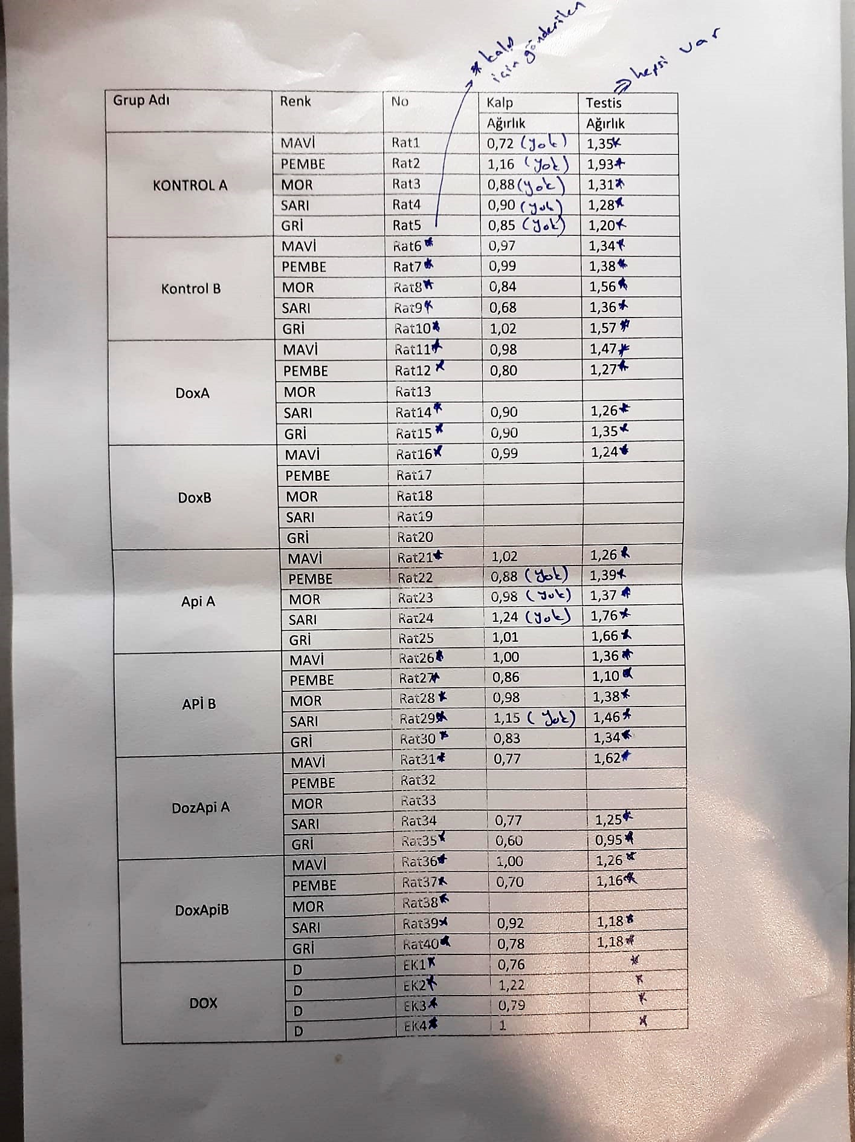
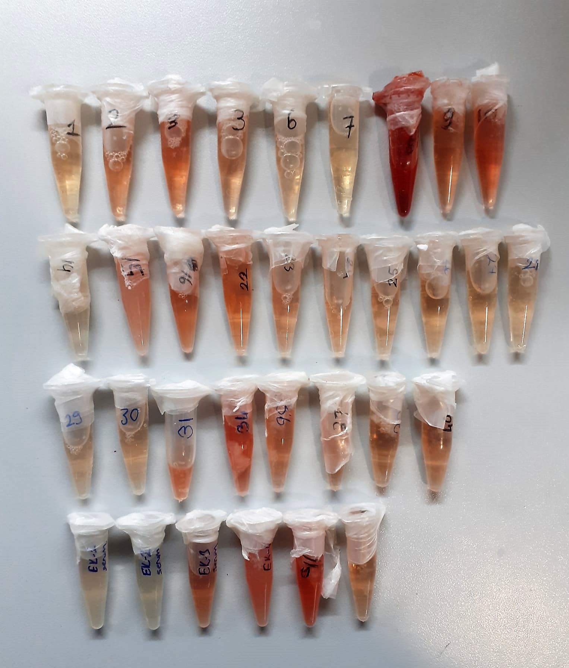

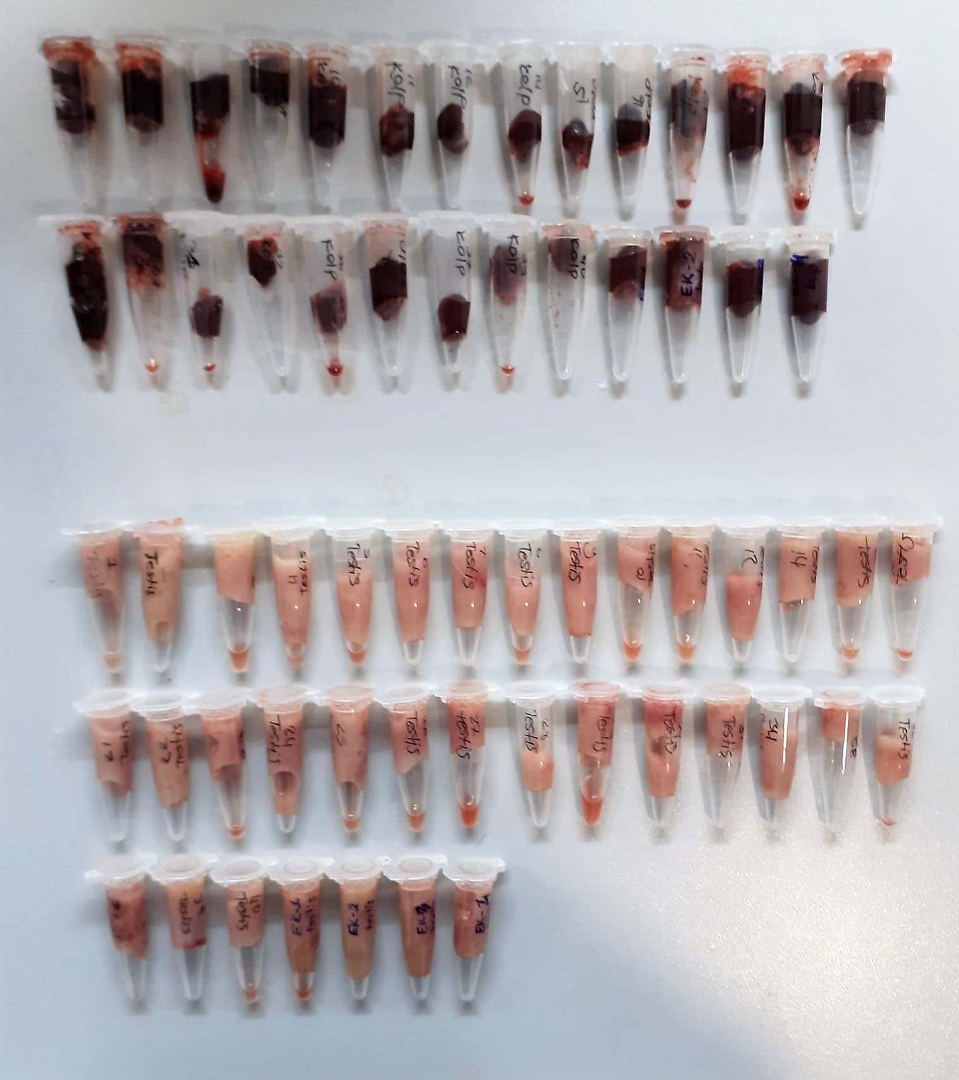
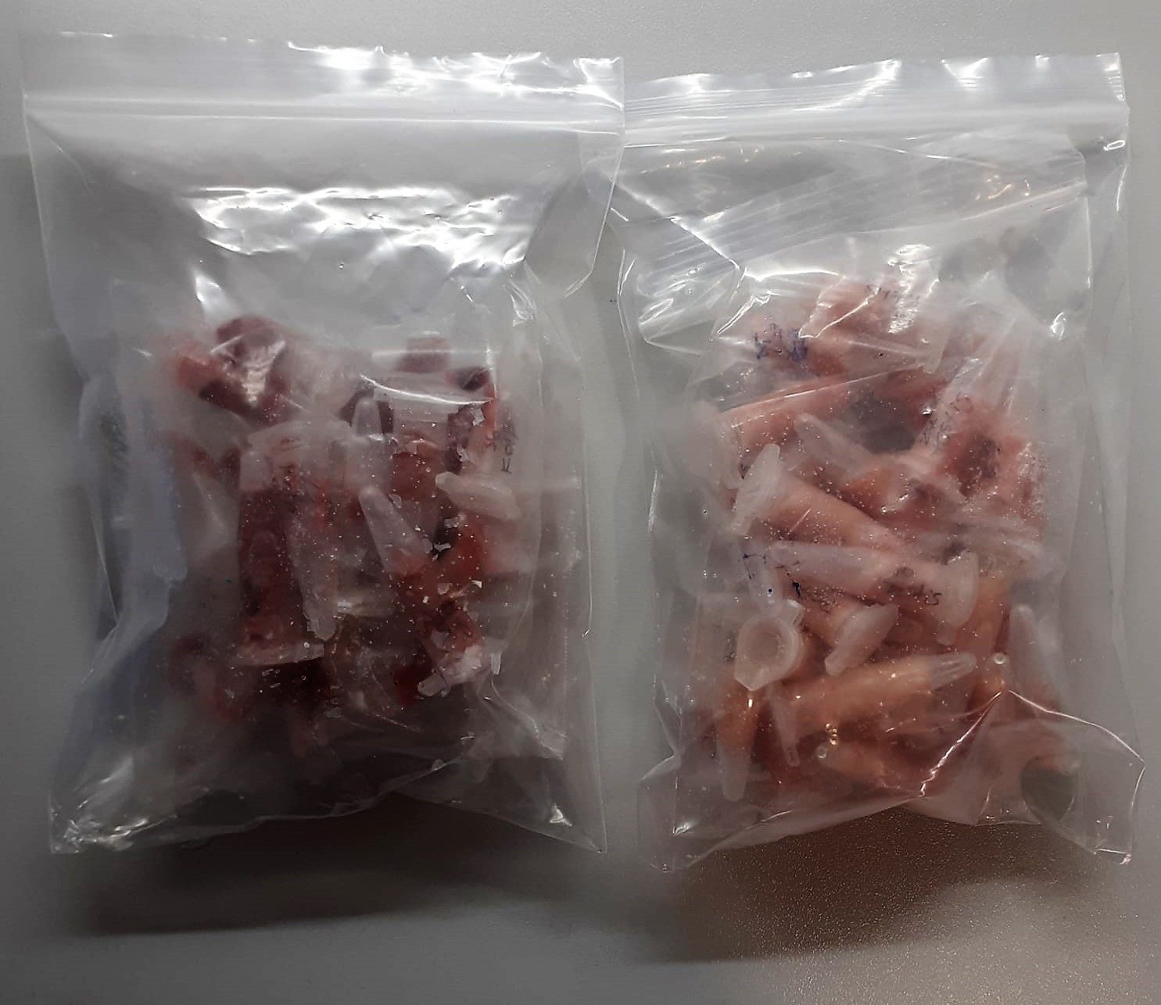

TOTAL ANTIOXDANT STATUS (TAS) (mmol/L)
TAS levels were measured using commercially available kits (Relassay, Turkey). The novel
automated method is based on the bleaching of characteristic color of a more stable ABTS
(2,2 ′ - Azino-bis(3-ethylbenzothiazoline-6-sulfonic acid)) radical cation by antioxidants. The
assay has excellent precision values, which are lower than 3%. The results were expressed as
mmol Trolox equivalent/L (Erel O. A novel automated direct measurement method for total
antioxidant capacity using a new generation, more stable ABTS radicalcation. Clin Biochem
2004;37:277-85.)
(Relassay,Turkey)

TOTAL OXIDANT STATUS (TOS) (µmol/L)
TOS levels were measured using commercially available kits (Relassay, Turkey. In the new
method, oxidants present in the sample oxidized the ferrous ion-o-dianisidine complex to
ferric ion. The oxidation reaction was enhanced by glycerol molecules abundantly present in
the reaction medium. The ferric ion produced a colored complex with xylenol orange in an
acidic medium. The color intensity, which could be measured spectrophotometrically, was
related to the total amount of oxidant molecules present in the sample. The assay was
calibrated with hydrogen peroxide and the results were expressed in terms of
micromolar hydrogen peroxide equivalent per liter (μmol H2O2 equivalent/L). ( Erel O. A
new automated colorimetric method for measuringtotal oxidant status. Clin Biochem
2005;38:1103-11. ).
(Relassay,Turkey)

OXIDATIVE STRESS INDEX (OSI)
The ratio of TOS to TAS was accepted as the oxidative stress index (OSI). For calculation, the
resulting unit of TAS was converted to μmol/L, and the OSI value was calculated according to
the following Formula : OSI (arbitrary unit) =
TOS (μmol H2O2 equivalent/L) / TAC (μmol Trolox equivalent/L). (1-3).
1. Yumru M, Savas HA, Kalenderoglu A, Bulut M, Celik H, Erel O. Oxidative imbalance in
bipolar disorder subtypes: a comparative study. Prog Neuropsychopharmacol Biol Psychiatry.
2009 Aug 31;33(6):1070-4.
2. Kosecik M, Erel O, Sevinc E, Selek S. Increased oxidative stress in children exposed to
passive smoking. Int J Cardiol 2005;100:61–4.
3. (Harma M, Harma M, Erel O (2003) Increased oxidative stress in patients with
hydatidiform mole. Swiss Med Wkly 133:563-536).

Super Oxide Dismutase (SOD) U/ml
The role of speroxide dismutase is to accelerate the dismutation of the toxic radical, produced
during oxidative energy processes to hydrogen peroxide and molecular oxygen. This method
employs xanthine and xanthine oxidase to generate superoxide radicals which react with 2-(4-
iodophenyl)-3-(4-nitrophenol)-5-phenyltetrazolium chloride to form a red formazan dye.. the
superoxide dismutase activity is then measured by the degree of inhibiton of this reaction
(Relassay, Turkey)

Catalase (CAT) U/L
This colorimetric assay involves two steps. Sample is first incubated with a known amount of
hydrogen peroxide. Sample converts hydrogen peroxide to water and oxygen. The ratio is
proportional to the concentration of catalase. The enzyme is stopped and the remaining
hydrogen peroxide, following a fixed incubation period, is determined using a chromogen.
The resulting absorbance is measured at 405 nm and the obtained results are expressed as U/L.
(Relassay, Turkey)

GPx (U/L)
This method is based on that of Paglia and Valentine. Glutathione Peroxidase (GPx) catalses of the
oxidation of glutathione by cumene hydroperoxide. In the presence of glutathione (GSSG) is
immediately converted to the reduced form with a concomitant oxidation of NADPH to NADP. The decrease in absorbance at 340 nm is measured
Referanslar
Paglia, D.E. and Valentine, W.N., J. Lab. Clin. Med., 1967; 70: 158.
Prohaska, J.R., Oh, S.H., Hoekstra, W.G. & Ganther,
H.E. Biochem. & Biophys. Res. Comm. 1977; 74: 64.
Kraus, R.J. & Ganther, H. E. Biochem. & Biophys. Res. Comm 1980; 96: 1116.
(Relassay, Turkey)

FSH Test Principle
This ELISA kit uses the Sandwich-ELISA principle. The micro ELISA plate provided in this kit has been pre-coated with an antibody specific to Rat FSH.
Standards or samples are added to the micro ELISA plate wells and combined with the specific antibody.
Then a biotinylated detection antibody specific for Rat FSH and Avidin-Horseradish Peroxidase (HRP) conjugate are added successively to each micro plate well and incubated. Free components are washed away
The substrate solution is added to each well. Only those wells that contain Rat FSH, biotinylated detection antibody and Avidin-HRP conjugate will appear blue in color. The enzyme-substrate reaction is terminated by the addition of stop solution and the color turns yellow
The optical density (OD) is measured spectrophotometrically at a wavelength of 450 nm ± 2 nm. The OD value is proportional to the concentration of Rat FSH. You can calculate the concentration of Rat FSH in the samples by comparing the OD of the samples to the standard curve.

LH Test Principle
This ELISA kit uses the Sandwich-ELISA principle. The micro ELISA plate provided in this kit has been pre-coated with an antibody specific to Rat LH.
Standards or samples are added to the micro ELISA plate wells and combined with the specific antibody.
Then a biotinylated detection antibody specific for Rat LH and Avidin-Horseradish Peroxidase (HRP) conjugate are added successively to each micro plate well and incubated. Free components are washed away.
The substrate solution is added to each well. Only those wells that contain Rat LH, biotinylated detection antibody and Avidin-HRP conjugate will appear blue in color. The enzyme-substrate reaction is terminated by the addition of stop solution and the color turns yellow.
he optical density (OD) is measured spectrophotometrically at a wavelength of 450 nm ± 2 nm. The OD value is proportional to the concentration of Rat LH. You can calculate the concentration of Rat LH in the samples by comparing the OD of the samples to the standard curve.

Testosterone Test Principle
This ELISA kit uses the Competitive-ELISA principle. The micro ELISA plate provided in this kit has been pre-coated with T.
During the reaction, T in the sample or standard competes with a fixed amount of T on the solid phase supporter for sites on the Biotinylated Detection Ab specific to T.
Excess conjugate and unbound sample or standard are washed from the plate, and Avidin conjugated to Horseradish Peroxidase (HRP) are added to each microplate well and incubated. Then a TMB substrate solution is added to each well.
The enzyme-substrate reaction is terminated by the addition of stop solution and the color change is measured spectrophotometrically at a wavelength of 450 nm ± 2 nm.
The concentration of T in the samples is then determined by comparing the OD of the samples to the standard curve.

TNF-ALFA Test Principle
This ELISA kit uses the Sandwich-ELISA principle. The micro ELISA plate provided in this kit has been pre-coated with an antibody specific to Human TNF-α.
Samples (or Standards) are added to the micro ELISA plate wells and combined with the specific antibody.
Then a biotinylated detection antibody specific for Human TNF-α and Avidin-Horseradish Peroxidase (HRP) conjugate are added successively to each micro plate well and incubated.
Free components are washed away. The substrate solution is added to each well. Only those wells that contain Human TNF-α, biotinylated detection antibody and Avidin-HRP conjugate will appear blue in color.
The enzyme-substrate reaction is terminated by the addition of stop solution and the color turns yellow. The optical density (OD) is measured spectrophotometrically at a wavelength of 450 nm ± 2 nm.
The OD value is proportional to the concentration of Human TNF-α. You can calculate the concentration of Human TNF-α in the samples by comparing the OD of the samples to the standard curve.

IL-6 Test Principle
This ELISA kit uses the Sandwich-ELISA principle. The micro ELISA plate provided in this kit has been pre-coated with an antibody specific to Rat IL-6. Standards or samples are added to the micro ELISA plate wells and combined with the specific antibody
Then a biotinylated detection antibody specific for Rat IL-6 and Avidin-Horseradish Peroxidase (HRP) conjugate are added successively to each micro plate well and incubated. Free components are washed away
The substrate solution is added to each well. Only those wells that contain Rat IL-6, biotinylated detection antibody and Avidin-HRP conjugate will appear blue in color
The enzyme-substrate reaction is terminated by the addition of stop solution and the color turns yellow. The optical density (OD) is measured spectrophotometrically at a wavelength of 450 nm ± 2 nm. The OD value is proportional to the concentration of Rat IL-6.
The OD value is proportional to the concentration of Rat IL-6. You can calculate the concentration of Rat IL-6 in the samples by comparing the OD of the samples to the standard curve.

IL-1BETA Assay Principle
This ELISA kit uses the Sandwich-ELISA principle. The micro ELISA plate provided in this kit has been pre-coated with an antibody specific to Human IL-1β.
Samples (or Standards) are added to the micro ELISA plate wells and combined with the specific antibody.
Then a biotinylated detection antibody specific for Human IL-1β and Avidin--Horseradish Peroxidase (HRP) conjugate are added successively to each micro plate well and incubated. Free components are washed away. The substrate solution is added to each well.
Only those wells that contain Human IL-1β, biotinylated detection antibody and Avidin-HRP conjugate will appear blue in color. The enzyme-substrate reaction is terminated by the addition of stop solution and the color turns yellow.
The optical density (OD) is measured spectrophotometrically at a wavelength of 450 nm ± 2 nm. The OD value is proportional to the concentration of Human IL-1β.
You can calculate the concentration of Human IL-1β in the samples by comparing the OD of the samples to the standard curve.

