Materyal-metod
KİT ADI | TÜR | MARKA | CAT. NO | Yöntem | Kullanılan Cihaz
TTL(Total Thıol) | Universal | REL ASSAY | RL0185 | Kolorimetrik | MINDRAY-BS400
NTL(Natıve Thıol) | Universal | REL ASSAY | RL0185 | Kolorimetrik | MINDRAY-BS400
LDH: Laktat dehidrogenaz | Universal | Otto Scientific | OttoBC129 | Kolorimetrik | MINDRAY-BS400
CK: Creatinine Kinase | Universal | Otto Scientific | OttoBC136 | Kolorimetrik | MINDRAY-BS400
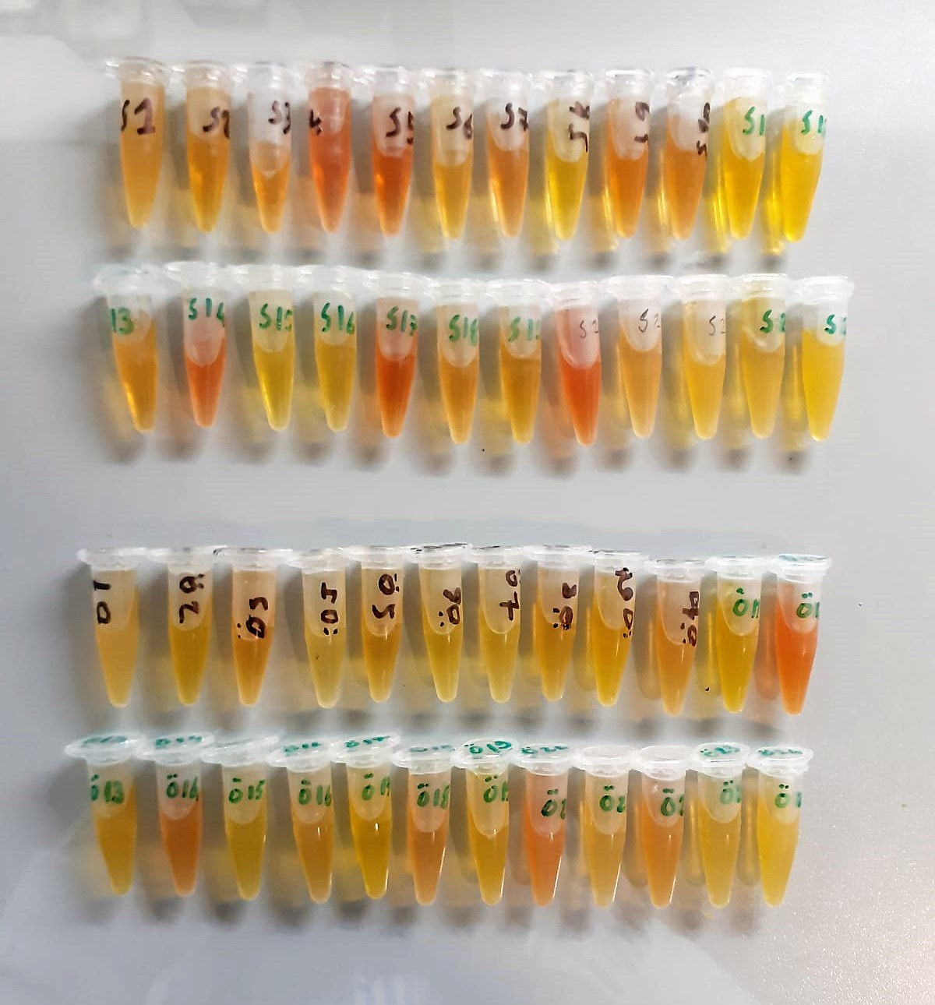

Thiol/Disulfide Homeostasis (µmol/L)
Tests were measured using a novel automatic and spectrophotometric method developed by Erel and Neselioglu*
which is avaliable commercially (Rel Assay Diagnostics, Turkey) In this method, dynamic and reducible disulfide bonds
in the samples were reduced to free functional thiol groups by using sodium borohydride. In order to prevent the reduction
of unused reduced sodium borohydride to dithionite-2 nitrobenzoic (DTNB), NaBH4 was removed with formaldehyde. Native thiol (NT) and total thiol (TT)
levels were determined after reaction with DTNB and their levels were measured ultimately. Half of the difference of the result obtained
by the subtraction of native thiol amount from total thiol content indicated the disulfide (DS) level.
(Relassay, Turkey)

LDH
Pyruvat + NADH + H+ ⎯⎯ D-Lactate+ NAD+
The enzyme alanine aminotransferase (EC 2.6.1.2; L-Alanine:2-Oxoglutarate Aminotransferase,
ALT or A1aAT; Glutamate Pyruvate Transaminase, GPT) catalyzes the tran- saminase reaction between L-Alanine and 2-Oxoglutarate.
The pyruvate formed, is reduced to lactate in the presence of LDH. As the reactions proceed,
NADH is oxidized to NAD+. The disappearance of NADH per unit time is followed by measuring the decrease in absorbance at 340 nm.
(Otto Scientific)

Creatine Kinase
UV Test
• Sample and addition of R1
• Addition of R2 and start of reaction: CK Creatine phosphate + ADP Creatine + ATP HK ATP + glucose Glucose-6-phosphate + ADP G6PDH Glucose-6-P + NADP Gluconate-6-P + NADPH+H+
Equimolar quantities of NADPH and creatine are formed at the same rate. The photometrically measured rate of formation of NADPH is proportional to the CK activity.

