Secretoneurin
2.927 | 1.745 | 1.113 | 0.934 | 1.075 | 1.039 | 1.699 | 0.928 | 0.632 | 0.821 | 0.781
1.805 | 0.957 | 0.827 | 0.931 | 1.581 | 1.747 | 0.788 | 0.817 | 0.75 | 1.038 | 0.755
1.081 | 1.096 | 0.98 | 1.002 | 0.947 | 0.784 | 0.867 | 0.797 | 0.76 | 0.786 | 0.673
0.58 | 0.762 | 1.518 | 0.717 | 0.941 | 0.697 | 0.746 | 0.641 | 0.743 | 0.625 | 1.447
0.255 | 0.926 | 0.881 | 0.957 | 0.857 | 1.753 | 1.136 | 0.776 | 0.704 | 0.691 | 0.719
0.064 | 1.141 | 0.903 | 0.969 | 1.249 | 1.604 | 0.716 | 0.646 | 0.778 | 1.357 | 0.833
 | 0.87 | 1.002 | 1.044 | 0.723 | 1.956 | 0.686 | 0.72 | 0.601 | 0.655 | 0.662
 | 0.969 | 0.996 | 1.087 | 1.011 | 1.044 | 0.856 | 0.785 | 0.776 | 0.753 | 1.608

Secretoneurin

 | abs | abs-blank | expected | result
std1 | 2.927 | 2.863 | 48 | 47.96
std2 | 1.805 | 1.741 | 24 | 24.04
std3 | 1.081 | 1.017 | 12 | 12.27
std4 | 0.58 | 0.516 | 6 | 5.80
std5 | 0.255 | 0.191 | 3 | 2.35
blank | 0.064 | 0 | 0 | 0.59

 |  |  |  |  |  |  |  |  | concentration (pmol/L)

Numune | absorbans | blank | abs-blank | result(pmol/L)
Osman Deniz | 1.745 | 0.064 | 1.681 | 22.95
Recep Yalçın | 0.957 | 0.064 | 0.893 | 10.54
Satı Kılıçarslan | 1.096 | 0.064 | 1.032 | 12.48
Rıza Öztürk | 0.762 | 0.064 | 0.698 | 7.99
Fatih Han | 0.926 | 0.064 | 0.862 | 10.12
Kemal Öztürk | 1.141 | 0.064 | 1.077 | 13.13
Vahidettin Şanlı | 0.87 | 0.064 | 0.806 | 9.38
Mustafa Avcı | 0.969 | 0.064 | 0.905 | 10.70
Oktay Ali Helvacı | 1.113 | 0.064 | 1.049 | 12.73
Ahmet Yekeler | 0.827 | 0.064 | 0.763 | 8.82
Kadir Erol | 0.98 | 0.064 | 0.916 | 10.85
Halil Yalçınkaya | 1.518 | 0.064 | 1.454 | 19.03
Fatih Aydaş | 0.881 | 0.064 | 0.817 | 9.52
Ahmet Sarıtaş | 0.903 | 0.064 | 0.839 | 9.81
Zekeriya Yanar | 1.002 | 0.064 | 0.938 | 11.16
Zülfü Kayanç | 0.996 | 0.064 | 0.932 | 11.07
Şahin Çuhadaroğlu | 0.934 | 0.064 | 0.87 | 10.23
İsmail Baran | 0.931 | 0.064 | 0.867 | 10.19
Seniye Ayvalı | 1.002 | 0.064 | 0.938 | 11.16
Bülent Talun | 0.717 | 0.064 | 0.653 | 7.43
Tolga Şahsuvaroğlu | 0.957 | 0.064 | 0.893 | 10.54
Yaşar Yaman | 0.969 | 0.064 | 0.905 | 10.70
Hüseyin Yılmaz | 1.044 | 0.064 | 0.98 | 11.74
Ali Kaya | 1.087 | 0.064 | 1.023 | 12.35
Rüstem Yücel | 1.075 | 0.064 | 1.011 | 12.18
Deniz Aydıner | 1.581 | 0.064 | 1.517 | 20.09
İsmail Duran | 0.947 | 0.064 | 0.883 | 10.40
Fatma Uysal | 0.941 | 0.064 | 0.877 | 10.32
Sinan Çavuş | 0.857 | 0.064 | 0.793 | 9.21
Atilla Orhan | 1.249 | 0.064 | 1.185 | 14.74
Hamza Özdemir | 0.723 | 0.064 | 0.659 | 7.51
Bekir Aydın | 1.011 | 0.064 | 0.947 | 11.28
Satılmış Aktaş | 1.039 | 0.064 | 0.975 | 11.67
Bölük Çelebi | 1.747 | 0.064 | 1.683 | 22.99
Baki Gözükara | 0.784 | 0.064 | 0.72 | 8.27
Güllü Dokumacı | 0.697 | 0.064 | 0.633 | 7.19
Halil İbrahim Sarıkaya | 1.753 | 0.064 | 1.689 | 23.10
Bekir Köksal | 1.604 | 0.064 | 1.54 | 20.48
Mehmet Ali Fenni | 1.956 | 0.064 | 1.892 | 26.86
Kadir Hayıroğlu | 1.044 | 0.064 | 0.98 | 11.74
Nejla Ülger | 1.699 | 0.064 | 1.635 | 22.13
Nedim Kaygusuz | 0.788 | 0.064 | 0.724 | 8.32
Muharrem Ünal | 0.867 | 0.064 | 0.803 | 9.34
Adalat Mosunlu | 0.746 | 0.064 | 0.682 | 7.79
Yaşar Pektaş | 1.136 | 0.064 | 1.072 | 13.06
Fatma Seren | 0.716 | 0.064 | 0.652 | 7.42
Fatma Sağlam | 0.686 | 0.064 | 0.622 | 7.06
Hasan Narmanlı | 0.856 | 0.064 | 0.792 | 9.19
Celal Akbulut | 0.928 | 0.064 | 0.864 | 10.15
Eyüp İbiş | 0.817 | 0.064 | 0.753 | 8.69
Hüseyin Bal | 0.797 | 0.064 | 0.733 | 8.43
Alper Geçgel | 0.641 | 0.064 | 0.577 | 6.52
Yılmaz Erkoç | 0.776 | 0.064 | 0.712 | 8.17
Ali Rıza Boduryeri | 0.646 | 0.064 | 0.582 | 6.58
Mustafa Özdemir | 0.72 | 0.064 | 0.656 | 7.47
Musa Bakır | 0.785 | 0.064 | 0.721 | 8.28
Döndü Ürün | 0.632 | 0.064 | 0.568 | 6.41
Ali İhsan Bal | 0.75 | 0.064 | 0.686 | 7.84
Mustafa Duray | 0.76 | 0.064 | 0.696 | 7.97
Ahmet Gökkaya | 0.743 | 0.064 | 0.679 | 7.75
Meryem Yılmaz | 0.704 | 0.064 | 0.64 | 7.27
Tekin Mehder | 0.778 | 0.064 | 0.714 | 8.19
Şahsiyet Tengilimoğlu | 0.601 | 0.064 | 0.537 | 6.05
Ahmet Temiz | 0.776 | 0.064 | 0.712 | 8.17
Hüseyin Avni Acar | 0.821 | 0.064 | 0.757 | 8.74
Fahri Özcan | 1.038 | 0.064 | 0.974 | 11.66
Ali Şıray | 0.786 | 0.064 | 0.722 | 8.29
Şerafettin Sevim | 0.625 | 0.064 | 0.561 | 6.33
Bektaş Aydemir | 0.691 | 0.064 | 0.627 | 7.12
Muzaffer Öz | 1.357 | 0.064 | 1.293 | 16.41
Mehmet Güdücü | 0.655 | 0.064 | 0.591 | 6.68
Cuma Ali Aydın | 0.753 | 0.064 | 0.689 | 7.88
Ahmet Sağlıcı | 0.781 | 0.064 | 0.717 | 8.23
Dilber Yaman | 0.755 | 0.064 | 0.691 | 7.90
Orhan Kahriman | 0.673 | 0.064 | 0.609 | 6.90
Yusuf | 1.447 | 0.064 | 1.383 | 17.86
Niyazi Türkyılmaz | 0.719 | 0.064 | 0.655 | 7.46
Bekir Yaıcı | 0.833 | 0.064 | 0.769 | 8.89
Nuray Polat | 0.662 | 0.064 | 0.598 | 6.77
Hacı Mehmet Dündaroğlu | 1.608 | 0.064 | 1.544 | 20.55

Materyal-metod
KİT ADI | TÜR | MARKA | CAT. NO | Yöntem | Kullanılan Cihaz
Secretoneurin | Human | BT-lab | E7544Hu | ELİSA | Mıcroplate reader: BIO-TEK EL X 800-Aotu strıp washer:BIO TEK EL X 50

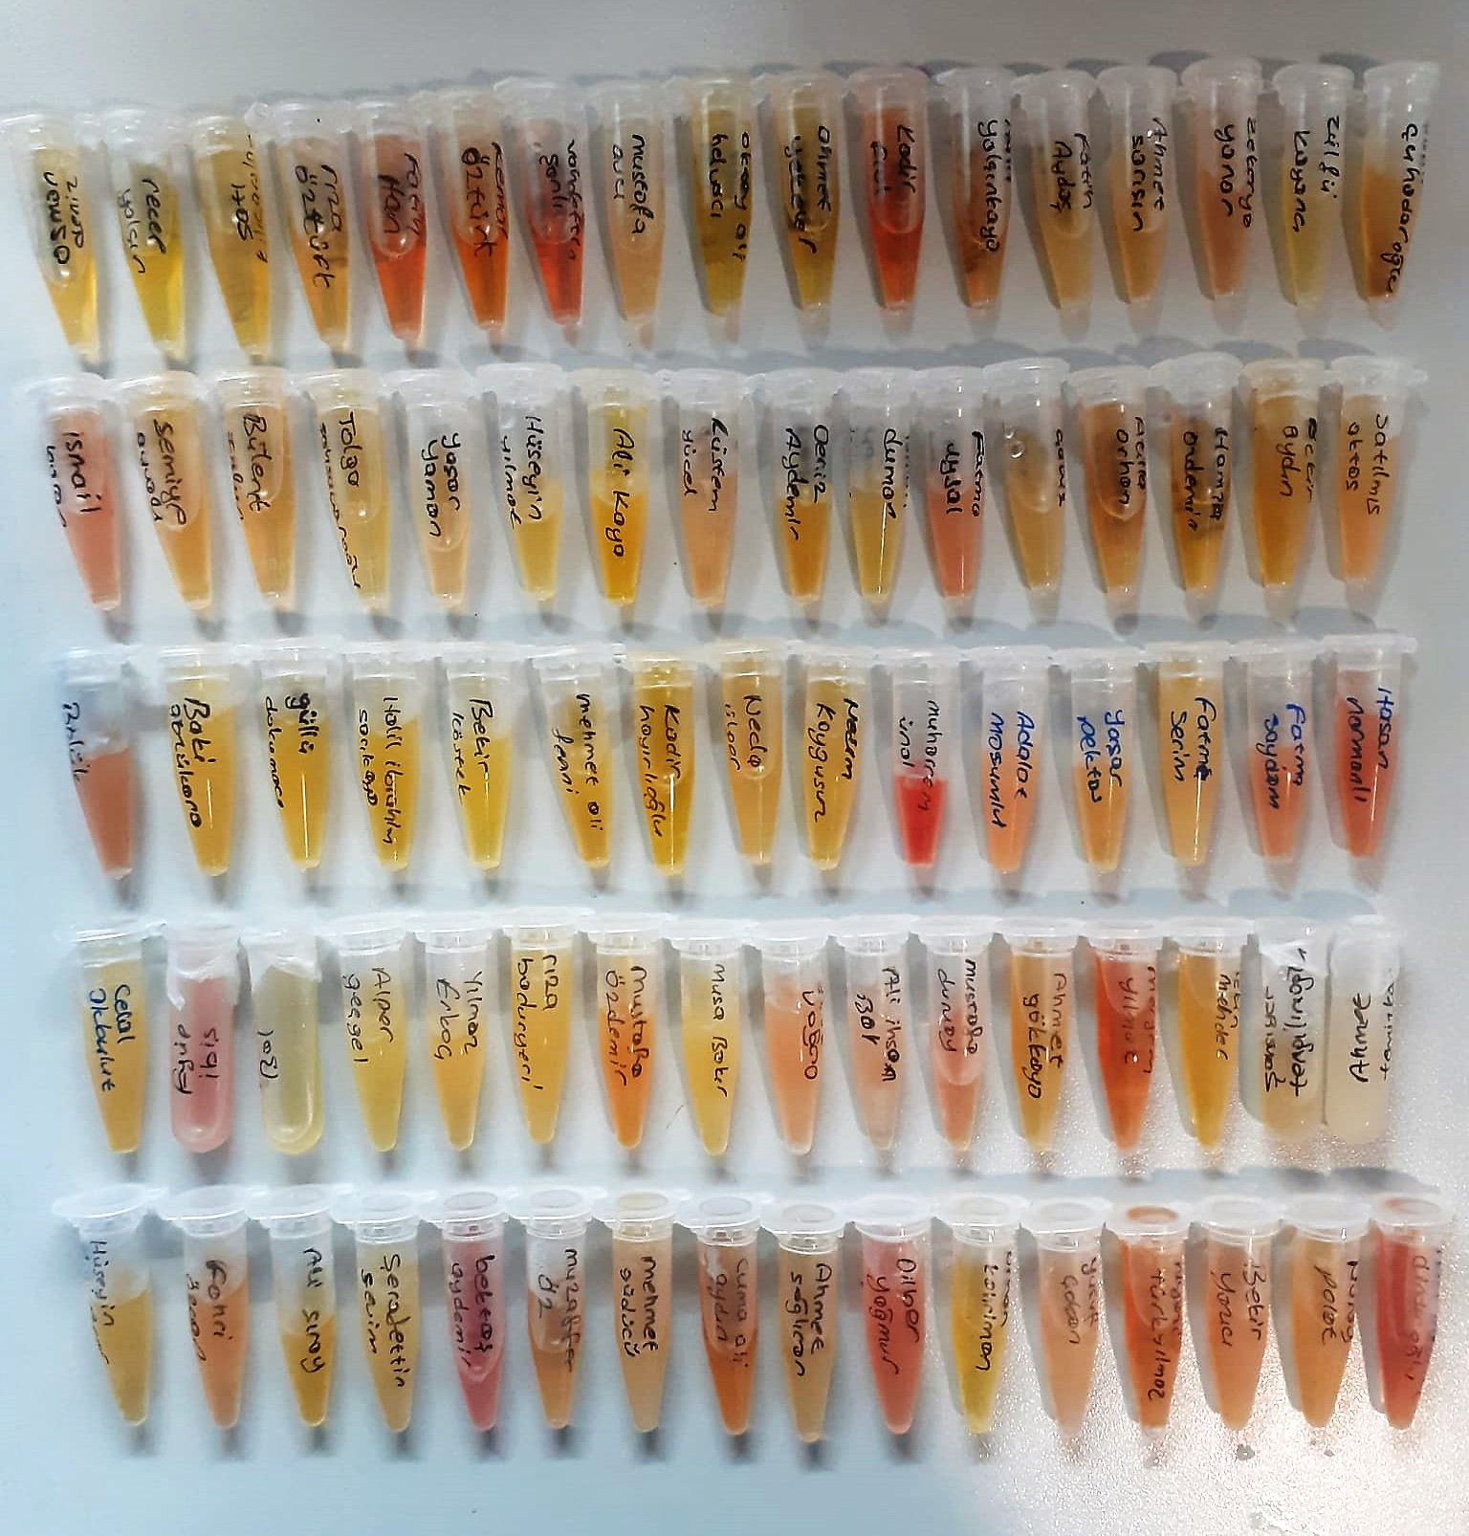

Human SN Assay Principle
This kit is an Enzyme-Linked Immunosorbent Assay (ELISA). The plate has been pre-coated with Human SN antibody. Human SN present in the sample is added and binds to antibodies coated on the wells.
And then biotinylated Human SN Antibody is added and binds to Human SN in the sample. Then Streptavidin-HRP is added and binds to the Biotinylated Human SN antibody.
After incubation unbound Streptavidin-HRP is washed away during a washing step. Substrate solution is then added and color develops in proportion to the amount of Human SN.
The reaction is terminated by addition of acidic stop solution and absorbance is measured at 450 nm.

