MDA
MDA
2.481 | 100
1.673 | 50
0.994 | 25
0.513 | 12.5
0.288 | 6.25
0.122 | 3.125
0 | 0
 | absorbans | abs-blank | expected | result
std1 | 2.511 | 2.481 | 100 | 99.11
std2 | 1.703 | 1.673 | 50 | 52.40
std3 | 1.024 | 0.994 | 25 | 24.30
std4 | 0.543 | 0.513 | 12.5 | 10.55
std5 | 0.318 | 0.288 | 6.25 | 5.87
std6 | 0.152 | 0.122 | 3.125 | 3.14
blank | 0.03 | 0 | 0 | 1.51

 |  |  |  |  | concentratıon (nmol/L)

Numune | absorbans | blank | abs-blank | result(nmol/L)
Sample-1 | 0.377 | 0.03 | 0.347 | 6.99
Sample-2 | 0.498 | 0.03 | 0.468 | 9.52
Sample-3 | 0.491 | 0.03 | 0.461 | 9.37
Sample-4 | 0.313 | 0.03 | 0.283 | 5.78
Sample-5 | 0.206 | 0.03 | 0.176 | 3.96
Sample-6 | 0.307 | 0.03 | 0.277 | 5.67
Sample-7 | 0.264 | 0.03 | 0.234 | 4.91
Sample-8 | 0.14 | 0.03 | 0.11 | 2.96
Sample-9 | 0.232 | 0.03 | 0.202 | 4.38
Sample-10 | 0.255 | 0.03 | 0.225 | 4.76
Sample-11 | 0.207 | 0.03 | 0.177 | 3.97
Sample-12 | 0.875 | 0.03 | 0.845 | 19.49
Sample-13 | 0.468 | 0.03 | 0.438 | 8.86
Sample-14 | 0.217 | 0.03 | 0.187 | 4.13
Sample-15 | 0.334 | 0.03 | 0.304 | 6.17
Sample-16 | 0.198 | 0.03 | 0.168 | 3.83
Sample-17 | 0.246 | 0.03 | 0.216 | 4.61
Sample-18 | 0.189 | 0.03 | 0.159 | 3.69
Sample-19 | 0.297 | 0.03 | 0.267 | 5.49
Sample-20 | 1.359 | 0.03 | 1.329 | 36.89
Sample-21 | 0.501 | 0.03 | 0.471 | 9.59
Sample-22 | 0.386 | 0.03 | 0.356 | 7.17
Sample-23 | 0.282 | 0.03 | 0.252 | 5.23
Sample-24 | 0.516 | 0.03 | 0.486 | 9.93
Sample-25 | 0.233 | 0.03 | 0.203 | 4.39
Sample-26 | 0.468 | 0.03 | 0.438 | 8.86
Sample-27 | 0.405 | 0.03 | 0.375 | 7.55
Sample-28 | 0.925 | 0.03 | 0.895 | 21.05
Sample-29 | 0.65 | 0.03 | 0.62 | 13.16
Sample-30 | 0.36 | 0.03 | 0.33 | 6.66
Sample-31 | 0.349 | 0.03 | 0.319 | 6.45
Sample-32 | 0.427 | 0.03 | 0.397 | 8.00
Sample-33 | 0.37 | 0.03 | 0.34 | 6.85
Sample-34 | 0.367 | 0.03 | 0.337 | 6.79
Sample-35 | 0.26 | 0.03 | 0.23 | 4.85
Sample-36 | 0.178 | 0.03 | 0.148 | 3.52
Sample-37 | 0.412 | 0.03 | 0.382 | 7.69
Sample-38 | 0.344 | 0.03 | 0.314 | 6.35
Sample-39 | 0.185 | 0.03 | 0.155 | 3.63
Sample-40 | 0.61 | 0.03 | 0.58 | 12.16
Sample-41 | 0.765 | 0.03 | 0.735 | 16.26
Sample-42 | 0.733 | 0.03 | 0.703 | 15.37
Sample-43 | 0.442 | 0.03 | 0.412 | 8.31
Sample-44 | 0.444 | 0.03 | 0.414 | 8.35
Sample-45 | 0.346 | 0.03 | 0.316 | 6.39
Sample-46 | 0.631 | 0.03 | 0.601 | 12.68
Sample-47 | 0.22 | 0.03 | 0.19 | 4.18
Sample-48 | 0.633 | 0.03 | 0.603 | 12.73

8-OHdG
0.115 | 0.264 | 0.248 | 0.294 | 0.165 | 0.289 | 0.332
0.627 | 0.194 | 0.13 | 0.295 | 0.243 | 0.295 | 0.208
0.914 | 0.265 | 0.277 | 0.279 | 0.211 | 0.29 | 0.302
1.202 | 0.2 | 0.156 | 0.158 | 0.147 | 0.172 | 0.253
1.463 | 0.157 | 0.318 | 0.297 | 0.114 | 0.269 | 0.239
1.703 | 0.269 | 0.094 | 0.252 | 0.204 | 0.24 | 0.281
2.024 | 0.221 | 0.299 | 0.29 | 0.264 | 0.268 | 0.262
2.312 | 0.297 | 0.258 | 0.256 | 0.283 | 0.305 | 0.254

8-0HdG

 | abs. | expected | result
std1 | 0.115 | 100 | 99.85
std2 | 0.627 | 50 | 48.57
std3 | 0.914 | 25 | 27.94
std4 | 1.202 | 12.5 | 13.10
std5 | 1.463 | 6.25 | 4.71
std6 | 1.703 | 3.13 | 1.26
std7 | 2.024 | 1.56 | 3.02

 |  |  |  |  |  |  | concentration (ng/ml)

Numune | absorbans | result(ng/ml)
Sample-1 | 0.264 | 83.01
Sample-2 | 0.194 | 90.73
Sample-3 | 0.265 | 82.91
Sample-4 | 0.2 | 90.05
Sample-5 | 0.157 | 94.95
Sample-6 | 0.269 | 82.48
Sample-7 | 0.221 | 87.71
Sample-8 | 0.297 | 79.50
Sample-9 | 0.248 | 84.75
Sample-10 | 0.13 | 98.08
Sample-11 | 0.277 | 81.62
Sample-12 | 0.156 | 95.06
Sample-13 | 0.318 | 77.30
Sample-14 | 0.094 | 102.35
Sample-15 | 0.299 | 79.29
Sample-16 | 0.258 | 83.66
Sample-17 | 0.294 | 79.81
Sample-18 | 0.295 | 79.71
Sample-19 | 0.279 | 81.41
Sample-20 | 0.158 | 94.83
Sample-21 | 0.297 | 79.50
Sample-22 | 0.252 | 84.31
Sample-23 | 0.29 | 80.24
Sample-24 | 0.256 | 83.88
Sample-25 | 0.165 | 94.03
Sample-26 | 0.243 | 85.29
Sample-27 | 0.211 | 88.82
Sample-28 | 0.147 | 96.10
Sample-29 | 0.114 | 99.97
Sample-30 | 0.204 | 89.60
Sample-31 | 0.264 | 83.01
Sample-32 | 0.283 | 80.98
Sample-33 | 0.289 | 80.34
Sample-34 | 0.295 | 79.71
Sample-35 | 0.29 | 80.24
Sample-36 | 0.172 | 93.22
Sample-37 | 0.269 | 82.48
Sample-38 | 0.24 | 85.62
Sample-39 | 0.268 | 82.58
Sample-40 | 0.305 | 78.66
Sample-41 | 0.332 | 75.85
Sample-42 | 0.208 | 89.16
Sample-43 | 0.302 | 78.97
Sample-44 | 0.253 | 84.20
Sample-45 | 0.239 | 85.73
Sample-46 | 0.281 | 81.19
Sample-47 | 0.262 | 83.23
Sample-48 | 0.254 | 84.09

INS
2.643 | 0.187 | 0.22 | 0.183 | 0.173 | 0.177 | 0.178
1.738 | 0.185 | 0.198 | 0.206 | 0.211 | 0.2 | 0.192
1.038 | 0.181 | 0.183 | 0.203 | 0.194 | 0.202 | 0.196
0.576 | 0.174 | 0.179 | 0.183 | 0.185 | 0.181 | 0.176
0.354 | 0.183 | 0.203 | 0.191 | 0.183 | 0.19 | 0.175
0.257 | 0.182 | 0.181 | 0.177 | 0.186 | 0.173 | 0.178
0.189 | 0.354 | 0.183 | 0.201 | 0.194 | 0.175 | 0.174
0.068 | 0.179 | 0.178 | 0.189 | 0.324 | 0.189 | 0.18

INS

 | abs | abs-blank | expected | result
std1 | 2.643 | 2.575 | 20 | 19.89
std2 | 1.738 | 1.67 | 10 | 10.34
std3 | 1.038 | 0.97 | 5 | 4.87
std4 | 0.576 | 0.508 | 2.5 | 2.18
std5 | 0.354 | 0.286 | 1.25 | 1.14
std6 | 0.257 | 0.189 | 0.63 | 0.74
std7 | 0.189 | 0.121 | 0.31 | 0.48
blank | 0.068 | 0 | 0 | 0.05

 |  |  |  |  |  |  | concentratıon (ng/ml)

Numune | absorbans | blank | abs-blank | Result(ng/ml)
Sample-1 | 0.187 | 0.068 | 0.119 | 0.47
Sample-2 | 0.185 | 0.068 | 0.117 | 0.46
Sample-3 | 0.181 | 0.068 | 0.113 | 0.45
Sample-4 | 0.174 | 0.068 | 0.106 | 0.42
Sample-5 | 0.183 | 0.068 | 0.115 | 0.46
Sample-6 | 0.182 | 0.068 | 0.114 | 0.45
Sample-7 | 0.354 | 0.068 | 0.286 | 1.14
Sample-8 | 0.179 | 0.068 | 0.111 | 0.44
Sample-9 | 0.22 | 0.068 | 0.152 | 0.60
Sample-10 | 0.198 | 0.068 | 0.13 | 0.51
Sample-11 | 0.183 | 0.068 | 0.115 | 0.46
Sample-12 | 0.179 | 0.068 | 0.111 | 0.44
Sample-13 | 0.203 | 0.068 | 0.135 | 0.53
Sample-14 | 0.181 | 0.068 | 0.113 | 0.45
Sample-15 | 0.183 | 0.068 | 0.115 | 0.46
Sample-16 | 0.178 | 0.068 | 0.11 | 0.44
Sample-17 | 0.183 | 0.068 | 0.115 | 0.46
Sample-18 | 0.206 | 0.068 | 0.138 | 0.54
Sample-19 | 0.203 | 0.068 | 0.135 | 0.53
Sample-20 | 0.183 | 0.068 | 0.115 | 0.46
Sample-21 | 0.191 | 0.068 | 0.123 | 0.49
Sample-22 | 0.177 | 0.068 | 0.109 | 0.44
Sample-23 | 0.201 | 0.068 | 0.133 | 0.52
Sample-24 | 0.189 | 0.068 | 0.121 | 0.48
Sample-25 | 0.173 | 0.068 | 0.105 | 0.42
Sample-26 | 0.211 | 0.068 | 0.143 | 0.56
Sample-27 | 0.194 | 0.068 | 0.126 | 0.50
Sample-28 | 0.185 | 0.068 | 0.117 | 0.46
Sample-29 | 0.183 | 0.068 | 0.115 | 0.46
Sample-30 | 0.186 | 0.068 | 0.118 | 0.47
Sample-31 | 0.194 | 0.068 | 0.126 | 0.50
Sample-32 | 0.324 | 0.068 | 0.256 | 1.01
Sample-33 | 0.177 | 0.068 | 0.109 | 0.44
Sample-34 | 0.2 | 0.068 | 0.132 | 0.52
Sample-35 | 0.202 | 0.068 | 0.134 | 0.53
Sample-36 | 0.181 | 0.068 | 0.113 | 0.45
Sample-37 | 0.19 | 0.068 | 0.122 | 0.48
Sample-38 | 0.173 | 0.068 | 0.105 | 0.42
Sample-39 | 0.175 | 0.068 | 0.107 | 0.43
Sample-40 | 0.189 | 0.068 | 0.121 | 0.48
Sample-41 | 0.178 | 0.068 | 0.11 | 0.44
Sample-42 | 0.192 | 0.068 | 0.124 | 0.49
Sample-43 | 0.196 | 0.068 | 0.128 | 0.51
Sample-44 | 0.176 | 0.068 | 0.108 | 0.43
Sample-45 | 0.175 | 0.068 | 0.107 | 0.43
Sample-46 | 0.178 | 0.068 | 0.11 | 0.44
Sample-47 | 0.174 | 0.068 | 0.106 | 0.42
Sample-48 | 0.18 | 0.068 | 0.112 | 0.45

TNF-A
2.841 | 1.289 | 0.865 | 1.118 | 0.897 | 0.997 | 1.166
1.841 | 1.044 | 1.167 | 0.995 | 0.881 | 0.939 | 0.762
1.174 | 1.042 | 0.853 | 1.004 | 0.766 | 0.939 | 0.959
0.748 | 1.194 | 0.865 | 0.846 | 0.757 | 0.953 | 0.97
0.419 | 1.137 | 0.896 | 0.967 | 0.756 | 1.088 | 0.925
0.092 | 1.17 | 0.753 | 0.913 | 0.78 | 0.944 | 0.74
 | 1.085 | 0.881 | 0.907 | 0.889 | 0.81 | 0.795
 | 1.093 | 0.833 | 0.844 | 0.771 | 0.812 | 1.086

TNF-A

 | abs.ort. | abs-blank | expected | result
std1 | 2.841 | 2.749 | 640 | 640.40
std2 | 1.841 | 1.749 | 320 | 318.46
std3 | 1.174 | 1.082 | 160 | 160.49
std4 | 0.748 | 0.656 | 80 | 83.36
std5 | 0.419 | 0.327 | 40 | 36.47
blank | 0.092 | 0 | 0 | 0.82

 |  |  |  |  |  |  | concentratıon (ng/L)

Numune | absorbans | blank | abs-blank | result(ng/L)
Sample-1 | 1.289 | 0.092 | 1.197 | 184.48
Sample-2 | 1.044 | 0.092 | 0.952 | 134.98
Sample-3 | 1.042 | 0.092 | 0.95 | 134.61
Sample-4 | 1.194 | 0.092 | 1.102 | 164.56
Sample-5 | 1.137 | 0.092 | 1.045 | 153.05
Sample-6 | 1.17 | 0.092 | 1.078 | 159.67
Sample-7 | 1.085 | 0.092 | 0.993 | 142.84
Sample-8 | 1.093 | 0.092 | 1.001 | 144.39
Sample-9 | 0.865 | 0.092 | 0.773 | 102.69
Sample-10 | 1.167 | 0.092 | 1.075 | 159.07
Sample-11 | 0.853 | 0.092 | 0.761 | 100.65
Sample-12 | 0.865 | 0.092 | 0.773 | 102.69
Sample-13 | 0.896 | 0.092 | 0.804 | 108.05
Sample-14 | 0.753 | 0.092 | 0.661 | 84.15
Sample-15 | 0.881 | 0.092 | 0.789 | 105.45
Sample-16 | 0.833 | 0.092 | 0.741 | 97.27
Sample-17 | 1.118 | 0.092 | 1.026 | 149.29
Sample-18 | 0.995 | 0.092 | 0.903 | 125.82
Sample-19 | 1.004 | 0.092 | 0.912 | 127.48
Sample-20 | 0.846 | 0.092 | 0.754 | 99.46
Sample-21 | 0.967 | 0.092 | 0.875 | 120.69
Sample-22 | 0.913 | 0.092 | 0.821 | 111.03
Sample-23 | 0.907 | 0.092 | 0.815 | 109.98
Sample-24 | 0.844 | 0.092 | 0.752 | 99.12
Sample-25 | 0.897 | 0.092 | 0.805 | 108.23
Sample-26 | 0.881 | 0.092 | 0.789 | 105.45
Sample-27 | 0.766 | 0.092 | 0.674 | 86.24
Sample-28 | 0.757 | 0.092 | 0.665 | 84.79
Sample-29 | 0.756 | 0.092 | 0.664 | 84.63
Sample-30 | 0.78 | 0.092 | 0.688 | 88.51
Sample-31 | 0.889 | 0.092 | 0.797 | 106.83
Sample-32 | 0.771 | 0.092 | 0.679 | 87.05
Sample-33 | 0.997 | 0.092 | 0.905 | 126.19
Sample-34 | 0.939 | 0.092 | 0.847 | 115.65
Sample-35 | 0.939 | 0.092 | 0.847 | 115.65
Sample-36 | 0.953 | 0.092 | 0.861 | 118.16
Sample-37 | 1.088 | 0.092 | 0.996 | 143.42
Sample-38 | 0.944 | 0.092 | 0.852 | 116.54
Sample-39 | 0.81 | 0.092 | 0.718 | 93.43
Sample-40 | 0.812 | 0.092 | 0.72 | 93.76
Sample-41 | 1.166 | 0.092 | 1.074 | 158.87
Sample-42 | 0.762 | 0.092 | 0.67 | 85.60
Sample-43 | 0.959 | 0.092 | 0.867 | 119.24
Sample-44 | 0.97 | 0.092 | 0.878 | 121.24
Sample-45 | 0.925 | 0.092 | 0.833 | 113.15
Sample-46 | 0.74 | 0.092 | 0.648 | 82.09
Sample-47 | 0.795 | 0.092 | 0.703 | 90.96
Sample-48 | 1.086 | 0.092 | 0.994 | 143.03

IL-4
2.791 | 0.558 | 0.671 | 0.722 | 0.507 | 0.754 | 0.682
1.59 | 0.602 | 0.722 | 0.591 | 0.401 | 0.676 | 0.572
0.816 | 0.547 | 0.678 | 0.86 | 0.519 | 0.664 | 0.526
0.423 | 0.649 | 0.643 | 0.688 | 0.498 | 0.787 | 0.479
0.324 | 0.633 | 0.48 | 0.597 | 0.687 | 0.535 | 0.718
0.078 | 0.508 | 0.493 | 0.569 | 0.437 | 0.601 | 0.376
0.344 | 0.38 | 0.483 | 0.258 | 0.549 | 0.321 | 0.088
0.348 | 0.418 | 0.336 | 0.519 | 0.641 | 0.566 | 0.078

IL-4

 | abs.ort. | abs-blank | expected | result
std1 | 2.791 | 2.713 | 240 | 239.36
std2 | 1.59 | 1.512 | 120 | 122.87
std3 | 0.816 | 0.738 | 60 | 56.96
std4 | 0.423 | 0.345 | 30 | 26.23
std5 | 0.324 | 0.246 | 15 | 18.79
blank | 0.078 | 0 | 0 | 0.79

 |  |  |  |  |  |  | concentratıon (ng/L)

Numune | absorbans | blank | abs-blank | result(ng/L)
Sample-1 | 0.344 | 0.078 | 0.266 | 20.28
Sample-2 | 0.348 | 0.078 | 0.27 | 20.58
Sample-3 | 0.558 | 0.078 | 0.48 | 36.58
Sample-4 | 0.602 | 0.078 | 0.524 | 40.00
Sample-5 | 0.547 | 0.078 | 0.469 | 35.73
Sample-6 | 0.649 | 0.078 | 0.571 | 43.67
Sample-7 | 0.633 | 0.078 | 0.555 | 42.42
Sample-8 | 0.508 | 0.078 | 0.43 | 32.72
Sample-9 | 0.38 | 0.078 | 0.302 | 22.98
Sample-10 | 0.418 | 0.078 | 0.34 | 25.85
Sample-11 | 0.671 | 0.078 | 0.593 | 45.41
Sample-12 | 0.722 | 0.078 | 0.644 | 49.44
Sample-13 | 0.678 | 0.078 | 0.6 | 45.96
Sample-14 | 0.643 | 0.078 | 0.565 | 43.20
Sample-15 | 0.48 | 0.078 | 0.402 | 30.57
Sample-16 | 0.493 | 0.078 | 0.415 | 31.57
Sample-17 | 0.483 | 0.078 | 0.405 | 30.80
Sample-18 | 0.336 | 0.078 | 0.258 | 19.68
Sample-19 | 0.722 | 0.078 | 0.644 | 49.44
Sample-20 | 0.591 | 0.078 | 0.513 | 39.14
Sample-21 | 0.86 | 0.078 | 0.782 | 60.51
Sample-22 | 0.688 | 0.078 | 0.61 | 46.75
Sample-23 | 0.597 | 0.078 | 0.519 | 39.61
Sample-24 | 0.569 | 0.078 | 0.491 | 37.43
Sample-25 | 0.258 | 0.078 | 0.18 | 13.89
Sample-26 | 0.519 | 0.078 | 0.441 | 33.57
Sample-27 | 0.507 | 0.078 | 0.429 | 32.64
Sample-28 | 0.401 | 0.078 | 0.323 | 24.57
Sample-29 | 0.519 | 0.078 | 0.441 | 33.57
Sample-30 | 0.498 | 0.078 | 0.42 | 31.95
Sample-31 | 0.687 | 0.078 | 0.609 | 46.67
Sample-32 | 0.437 | 0.078 | 0.359 | 27.30
Sample-33 | 0.549 | 0.078 | 0.471 | 35.88
Sample-34 | 0.641 | 0.078 | 0.563 | 43.05
Sample-35 | 0.754 | 0.078 | 0.676 | 51.99
Sample-36 | 0.676 | 0.078 | 0.598 | 45.80
Sample-37 | 0.664 | 0.078 | 0.586 | 44.85
Sample-38 | 0.787 | 0.078 | 0.709 | 54.63
Sample-39 | 0.535 | 0.078 | 0.457 | 34.80
Sample-40 | 0.601 | 0.078 | 0.523 | 39.92
Sample-41 | 0.321 | 0.078 | 0.243 | 18.56
Sample-42 | 0.566 | 0.078 | 0.488 | 37.20
Sample-43 | 0.682 | 0.078 | 0.604 | 46.27
Sample-44 | 0.572 | 0.078 | 0.494 | 37.66
Sample-45 | 0.526 | 0.078 | 0.448 | 34.11
Sample-46 | 0.479 | 0.078 | 0.401 | 30.50
Sample-47 | 0.718 | 0.078 | 0.64 | 49.12
Sample-48 | 0.376 | 0.078 | 0.298 | 22.68

IL-10
1.548 | 0.354 | 0.193 | 0.258 | 0.275 | 0.311 | 0.229
0.973 | 0.354 | 0.189 | 0.278 | 0.242 | 0.272 | 0.323
0.569 | 0.326 | 0.234 | 0.291 | 0.231 | 0.263 | 0.31
0.375 | 0.303 | 0.22 | 0.249 | 0.226 | 0.305 | 0.381
0.253 | 0.28 | 0.234 | 0.242 | 0.214 | 0.288 | 0.208
0.116 | 0.278 | 0.166 | 0.288 | 0.209 | 0.301 | 0.266
0.036 | 0.252 | 0.238 | 0.287 | 0.228 | 0.334 | 0.308
IL-10
0.033 | 0.304 | 0.296 | 0.294 | 0.224 | 0.354 | 0.257

 | abs | abs-blank | expected | result
std1 | 1.548 | 1.432 | 480 | 478.95
std2 | 0.973 | 0.857 | 240 | 244.55
std3 | 0.569 | 0.453 | 120 | 113.82
std4 | 0.375 | 0.259 | 60 | 61.01
std5 | 0.253 | 0.137 | 30 | 31.11
blank | 0.116 | 0 | 0 | 0.58

 |  |  |  |  |  |  | concentratıon (pg/ml)

Numune | absorbans | blank | abs-blank | result(pg/ml)
Sample-1 | 0.354 | 0.116 | 0.238 | 55.68
Sample-2 | 0.354 | 0.116 | 0.238 | 55.68
Sample-3 | 0.326 | 0.116 | 0.21 | 48.69
Sample-4 | 0.303 | 0.116 | 0.187 | 43.05
Sample-5 | 0.28 | 0.116 | 0.164 | 37.50
Sample-6 | 0.278 | 0.116 | 0.162 | 37.03
Sample-7 | 0.252 | 0.116 | 0.136 | 30.87
Sample-8 | 0.304 | 0.116 | 0.188 | 43.29
Sample-9 | 0.193 | 0.116 | 0.077 | 17.34
Sample-10 | 0.189 | 0.116 | 0.073 | 16.44
Sample-11 | 0.234 | 0.116 | 0.118 | 26.68
Sample-12 | 0.22 | 0.116 | 0.104 | 23.46
Sample-13 | 0.234 | 0.116 | 0.118 | 26.68
Sample-14 | 0.166 | 0.116 | 0.05 | 11.35
Sample-15 | 0.238 | 0.116 | 0.122 | 27.61
Sample-16 | 0.296 | 0.116 | 0.18 | 41.35
Sample-17 | 0.258 | 0.116 | 0.142 | 32.28
Sample-18 | 0.278 | 0.116 | 0.162 | 37.03
Sample-19 | 0.291 | 0.116 | 0.175 | 40.15
Sample-20 | 0.249 | 0.116 | 0.133 | 30.17
Sample-21 | 0.242 | 0.116 | 0.126 | 28.54
Sample-22 | 0.288 | 0.116 | 0.172 | 39.42
Sample-23 | 0.287 | 0.116 | 0.171 | 39.18
Sample-24 | 0.294 | 0.116 | 0.178 | 40.87
Sample-25 | 0.275 | 0.116 | 0.159 | 36.31
Sample-26 | 0.242 | 0.116 | 0.126 | 28.54
Sample-27 | 0.231 | 0.116 | 0.115 | 25.99
Sample-28 | 0.226 | 0.116 | 0.11 | 24.83
Sample-29 | 0.214 | 0.116 | 0.098 | 22.09
Sample-30 | 0.209 | 0.116 | 0.093 | 20.95
Sample-31 | 0.228 | 0.116 | 0.112 | 25.29
Sample-32 | 0.224 | 0.116 | 0.108 | 24.37
Sample-33 | 0.311 | 0.116 | 0.195 | 45.00
Sample-34 | 0.272 | 0.116 | 0.156 | 35.60
Sample-35 | 0.263 | 0.116 | 0.147 | 33.46
Sample-36 | 0.305 | 0.116 | 0.189 | 43.54
Sample-37 | 0.288 | 0.116 | 0.172 | 39.42
Sample-38 | 0.301 | 0.116 | 0.185 | 42.57
Sample-39 | 0.334 | 0.116 | 0.218 | 50.67
Sample-40 | 0.354 | 0.116 | 0.238 | 55.68
Sample-41 | 0.229 | 0.116 | 0.113 | 25.53
Sample-42 | 0.323 | 0.116 | 0.207 | 47.95
Sample-43 | 0.31 | 0.116 | 0.194 | 44.76
Sample-44 | 0.381 | 0.116 | 0.265 | 62.54
Sample-45 | 0.208 | 0.116 | 0.092 | 20.72
Sample-46 | 0.266 | 0.116 | 0.15 | 34.17
Sample-47 | 0.308 | 0.116 | 0.192 | 44.27
Sample-48 | 0.257 | 0.116 | 0.141 | 32.05

Materyal-metod
KİT ADI | TÜR | Numune Türü | MARKA | CAT. NO | Yöntem | Kullanılan Cihaz
AST( Aspartat Aminotransferaz) | Universal | Serum | Otto Scientific | OttoBC127 | Kolorimetrik | MINDRAY-BS400
ALT(Alanin aminotransferaz) | Universal | Serum | Otto Scientific | OttoBC128 | Kolorimetrik | MINDRAY-BS400
CHOL( Total Cholesterol) | Universal | Serum | Otto Scientific | OttoBC135 | Kolorimetrik | MINDRAY-BS400
TG( Triglycerides) | Universal | Serum | Otto Scientific | OttoBC155 | Kolorimetrik | MINDRAY-BS400
TAS(Total Antioxidant Status) | Universal | Serum | REL ASSAY | RL0017 | Kolorimetrik | MINDRAY-BS400
TOS(Total Oxidant Status) | Universal | Serum | REL ASSAY | RL0024 | Kolorimetrik | MINDRAY-BS400
MDA( Malondialdehyde) | Universal | Serum | Otto Scientific | Otto1001 | Kolorimetrik | REL BIOCHEM-REL ASSAY
GLU( Glucose) | Universal | Serum | Otto Scientific | OttoBC142 | Kolorimetrik | MINDRAY-BS400
Tumor necrosis factor-alfa | Rat | Serum | BT | E0764Ra | ELİSA | Mıcroplate reader: BIO-TEK EL X 800-Aotu strıp washer:BIO TEK EL X 50
Interleukin 10 | Rat | Serum | BT | E0108Ra | ELİSA | Mıcroplate reader: BIO-TEK EL X 800-Aotu strıp washer:BIO TEK EL X 50
8-Hydroxydeoxyguanosine(8-OHdG) | Universal | Serum | Elabscİence | E-EL-0028 | ELİSA | Mıcroplate reader: BIO-TEK EL X 800-Aotu strıp washer:BIO TEK EL X 50
Interleukin 4 | Rat | Serum | BT | E0133Ra | ELİSA | Mıcroplate reader: BIO-TEK EL X 800-Aotu strıp washer:BIO TEK EL X 50
İnsulin | Rat | Serum | Elabscİence | E-EL-R2466 | ELİSA | Mıcroplate reader: BIO-TEK EL X 800-Aotu strıp washer:BIO TEK EL X 50

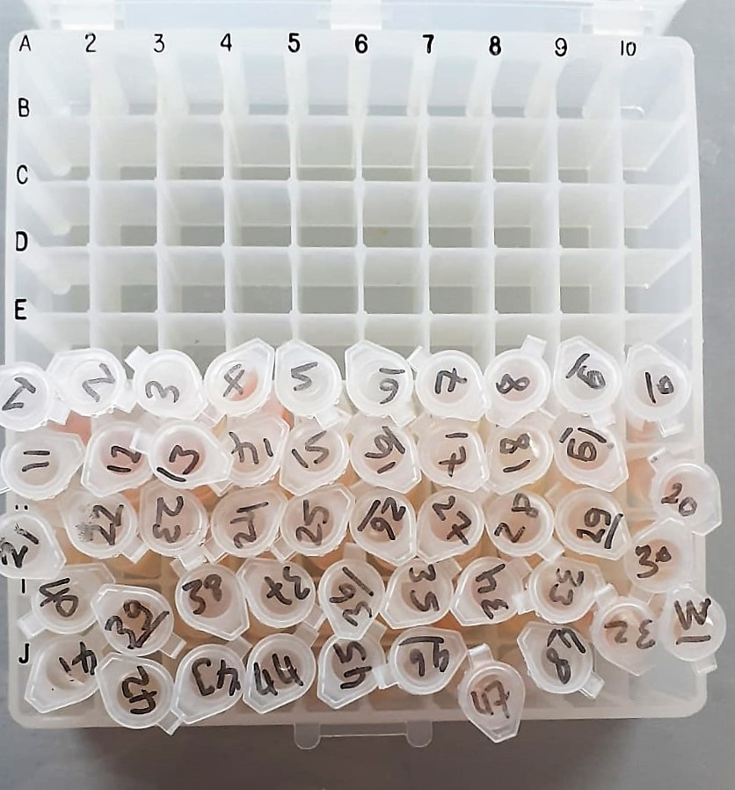
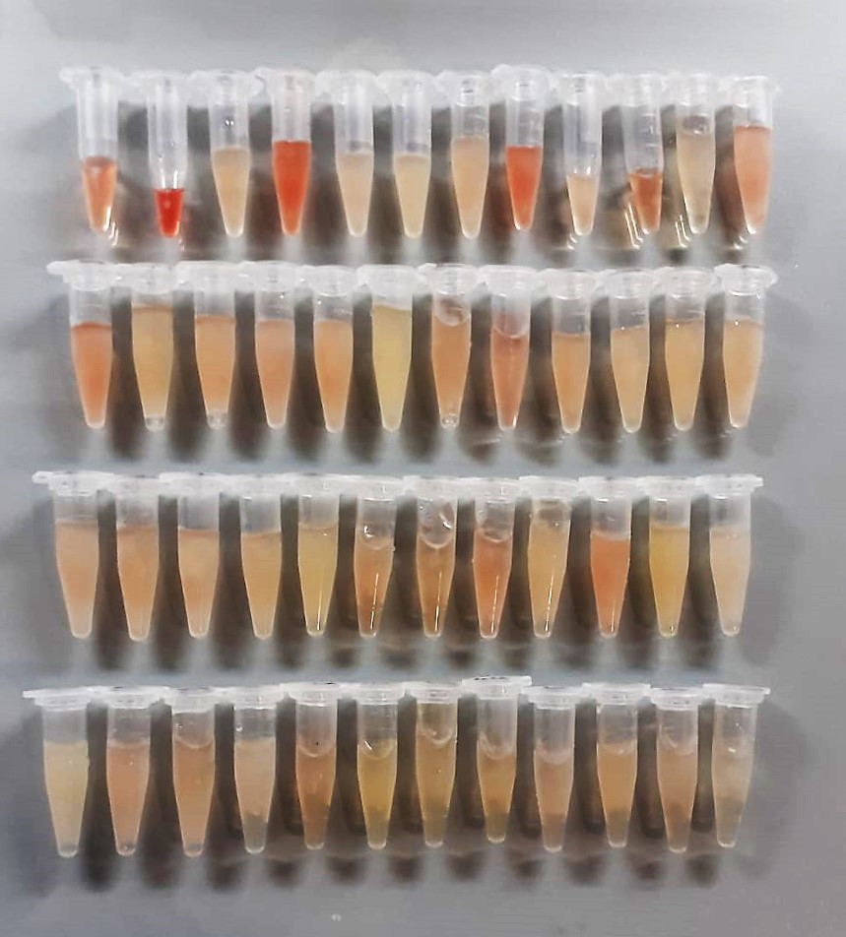

AST U/L
UV test according to a standarrized method
Sample and addition of R1 (buffer)
Addition of R2 and start of reaction: AST
α-ketoglutarate + L-aspartate L- glutamate + oxaloasetate
AST is the enzyme which catalyzes this equilibrium reaction. The oxaloacetate in- crease is measured in a subsequent indicator reaction which is catalyzed by malate dehydrogenase.
MDH
oxalacetate + NADH + H+ L-Malate + NAD+
In the second reaction, NADH is oxidized to NAD. The rate of decrease in NADH
(Measured photometrically) is directly proportional to the rate of formation of
oxaloasetate, and thus the AST activity.

ALT U/L
UV test according to the IFCC method.
ALT
L-Alanin + 2-Oxoglutarate ⎯⎯ L-Glutamate + Pyruvat

Cholesterol Total mg/dl
Cholesterol ester + H2O Cholesterol + fatty acids
Cholesterol esters are ceaved by the action of choesterol esterase to yield free
choesterol and fatty acids Cholesterol oxidase Cholesterol + O2 Cholesten-3-on + H2O2
Peroxidase
2H2O2 + Phenol + 4-Aminoantipyrine Quinoneimine dye + 4 H2O
Cholesterol is converted by oxygen with the aid of cholesterol oxidase to A4- Cholestenone and hydrogen peroxide.
Hydrogen peroxide created forms a red dyestuff by reacting with 4-aminoantipyrine and phenol under the catalytic action of peroxidase.
The color intensity is directly proportional to the concentration of cholesterol and can be determined photometrically.

Triglycerides mg/dl
Triglycerides in the sample originates, by means of the coupled reactions described below, acoloured complex that can be measured by spectrophotometry.
Triglycerides + H2O lipase Glycerol + Fatty acids
Glycerol + ATP glycerol kinase Glycerol – 3 – P + ADP
Glycerol – 3 –P + O2 G-3-P-oxidase Dihidroxyacetone – P +H2O2
2 H2O2 + 4 – Aminoantipyrine + 4 – Chlorophenol G-3-P-oxidas Quinoneimine + 4 H2O

Glucose mg/dl
Enzymatic colorimetric test on basis of Trinder – Reaction:
Glucose oxidase Glucose + O2 Gluconic acid + H2O2
Peroxidase
2H2O2 + Phenol + 4–Aminoantipyrine Red Quinoneimine + 4H2O

TOTAL ANTIOXDANT STATUS (TAS) (mmol/L)
TAS levels were measured using commercially available kits (Relassay, Turkey). The novel
automated method is based on the bleaching of characteristic color of a more stable ABTS
(2,2 ′ - Azino-bis(3-ethylbenzothiazoline-6-sulfonic acid)) radical cation by antioxidants. The
assay has excellent precision values, which are lower than 3%. The results were expressed as
mmol Trolox equivalent/L (Erel O. A novel automated direct measurement method for total
antioxidant capacity using a new generation, more stable ABTS radicalcation. Clin Biochem
2004;37:277-85.)
(Relassay,Turkey)

TOTAL OXIDANT STATUS (TOS) (µmol/L)
TOS levels were measured using commercially available kits (Relassay, Turkey. In the new
method, oxidants present in the sample oxidized the ferrous ion-o-dianisidine complex to
ferric ion. The oxidation reaction was enhanced by glycerol molecules abundantly present in
the reaction medium. The ferric ion produced a colored complex with xylenol orange in an
acidic medium. The color intensity, which could be measured spectrophotometrically, was
related to the total amount of oxidant molecules present in the sample. The assay was
calibrated with hydrogen peroxide and the results were expressed in terms of
micromolar hydrogen peroxide equivalent per liter (μmol H2O2 equivalent/L). ( Erel O. A
new automated colorimetric method for measuringtotal oxidant status. Clin Biochem
2005;38:1103-11. ).
(Relassay,Turkey)

OXIDATIVE STRESS INDEX (OSI)
The ratio of TOS to TAS was accepted as the oxidative stress index (OSI). For calculation, the
resulting unit of TAS was converted to μmol/L, and the OSI value was calculated according to
the following Formula : OSI (arbitrary unit) =
TOS (μmol H2O2 equivalent/L) / TAC (μmol Trolox equivalent/L). (1-3).
1. Yumru M, Savas HA, Kalenderoglu A, Bulut M, Celik H, Erel O. Oxidative imbalance in
bipolar disorder subtypes: a comparative study. Prog Neuropsychopharmacol Biol Psychiatry.
2009 Aug 31;33(6):1070-4.
2. Kosecik M, Erel O, Sevinc E, Selek S. Increased oxidative stress in children exposed to
passive smoking. Int J Cardiol 2005;100:61–4.
3. (Harma M, Harma M, Erel O (2003) Increased oxidative stress in patients with
hydatidiform mole. Swiss Med Wkly 133:563-536).

Malondialdehyde (MDA) nmol/L
The MDA level was determined by a method based
on the reaction with thiobarbituric acid (TBA) at 90–100_C
. In the TBA test reaction, MDA or MDA-like
substances and TBA react with the production of a pink
pigment with a maximum absorption at 532 nm. The
reaction was performed at pH 2–3 at 90_C for 15 min. The
sample was mixed with two volumes of cold 10% (w/v)
trichloroacetic acid for the precipitation of protein. The
precipitate was pelleted by centrifugation, and an aliquot of
the supernatant was reacted with an equal volume of 0.67%
(w/v) TBA in a boiling water bath for 10 min. After
cooling, the absorbance was read at 532 nm.

8-0HdG Test Principle
This ELISA kit uses the Competitive-ELISA principle. The micro ELISA plate provided in this kit has been pre-coated wit 8-OHdG.
During the reaction, 8-OHdG in the sample or standard competes with a fixed amount of 8-OHdG on the solid phase supporter for sites on the Biotinylated Detection Ab specific to 8-OHdG.
Excess conjugate and unbound sample or standard are washed from the plate, and Avidin conjugated to Horseradish Peroxidase (HRP) are added to each microplate well and incubated.
Then a TMB substrate solution is added to each well. The enzyme-substrate reaction is terminated by the addition of stop solution and the color change is measured spectrophotometrically at a wavelength of 450 nm ± 2 nm.
The concentration of 8-OHdG in the samples is then determined by comparing the OD of the samples to the standard curve.

INS Test Principle
This ELISA kit uses the Competitive-ELISA principle. The micro ELISA plate provided in this kit has been pre-coated wit INS.
During the reaction, INS in the sample or standard competes with a fixed amount of INS on the solid phase supporter for sites on the Biotinylated Detection Ab specific to INS.
Excess conjugate and unbound sample or standard are washed from the plate, and Avidin conjugated to Horseradish Peroxidase (HRP) are added to each microplate well and incubated.
Then a TMB substrate solution is added to each well. The enzyme-substrate reaction is terminated by the addition of stop solution and the color change is measured spectrophotometrically at a wavelength of 450 nm ± 2 nm.
The concentration of INS in the samples is then determined by comparing the OD of the samples to the standard curve.

TNF-Alfa Assay Principle
This kit is an Enzyme-Linked Immunosorbent Assay (ELISA). The plate has been pre-coated with Rat TNFA antibody. TNFA present in the sample is added and binds to antibodies coated on the wells.
And then biotinylated Rat TNFA Antibody is added and binds to TNFA in the sample. Then Streptavidin-HRP is added and binds to the Biotinylated TNFA antibody.
After incubation unbound Streptavidin-HRP is washed away during a washing step. Substrate solution is then added and color develops in proportion to the amount of Rat TNFA.
The reaction is terminated by addition of acidic stop solution and absorbance is measured at 450 nm.

IL-10 Assay Principle
This kit is an Enzyme-Linked Immunosorbent Assay (ELISA). The plate has been pre-coated with Rat IL-10 antibody. IL-10 present in the sample is added and binds to antibodies coated on the wells.
And then biotinylated Rat IL-10 Antibody is added and binds to IL-10 in the sample. Then Streptavidin-HRP is added and binds to the Biotinylated IL-10 antibody.
After incubation unbound Streptavidin-HRP is washed away during a washing step. Substrate solution is then added and color develops in proportion to the amount of Rat IL-10 .
The reaction is terminated by addition of acidic stop solution and absorbance is measured at 450 nm.

IL-4 Assay Principle
This kit is an Enzyme-Linked Immunosorbent Assay (ELISA). The plate has been pre-coated with Rat IL-4 antibody. IL-4 present in the sample is added and binds to antibodies coated on the wells.
And then biotinylated Rat IL-4 Antibody is added and binds to IL-4 in the sample. Then Streptavidin-HRP is added and binds to the Biotinylated IL-4 antibody.
After incubation unbound Streptavidin-HRP is washed away during a washing step. Substrate solution is then added and color develops in proportion to the amount of Rat IL-4 .
The reaction is terminated by addition of acidic stop solution and absorbance is measured at 450 nm.

