Materyal-metod
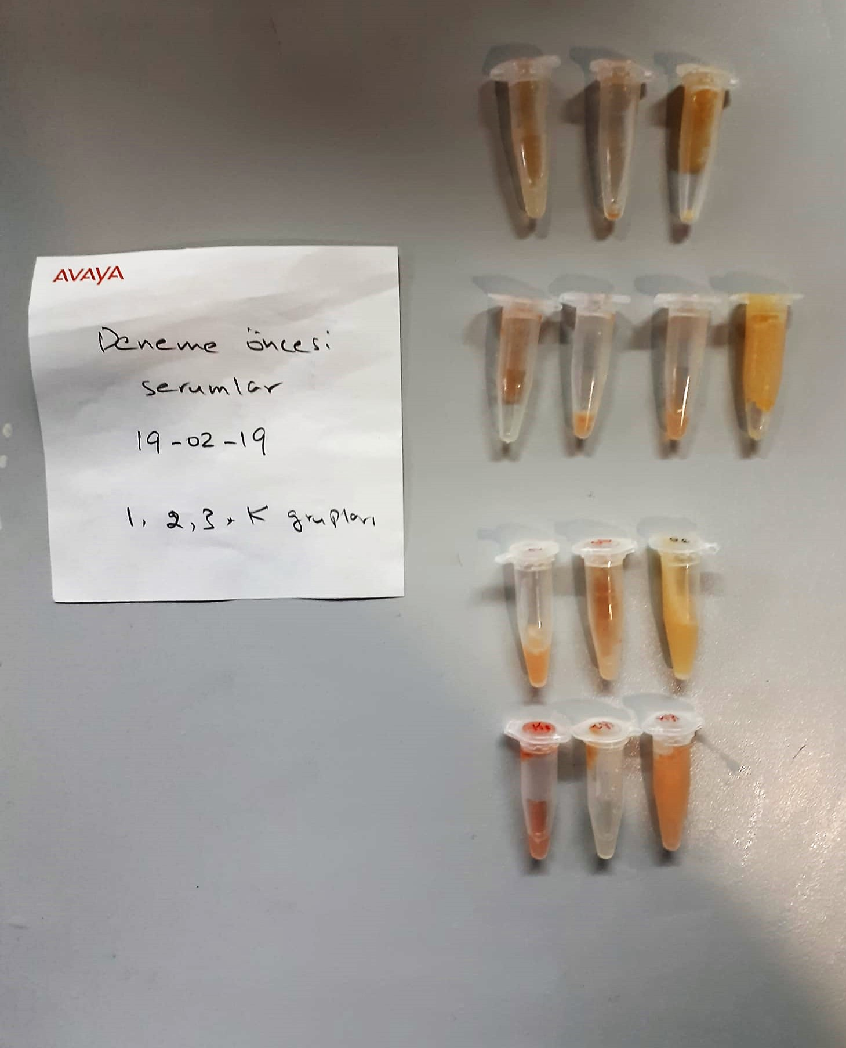
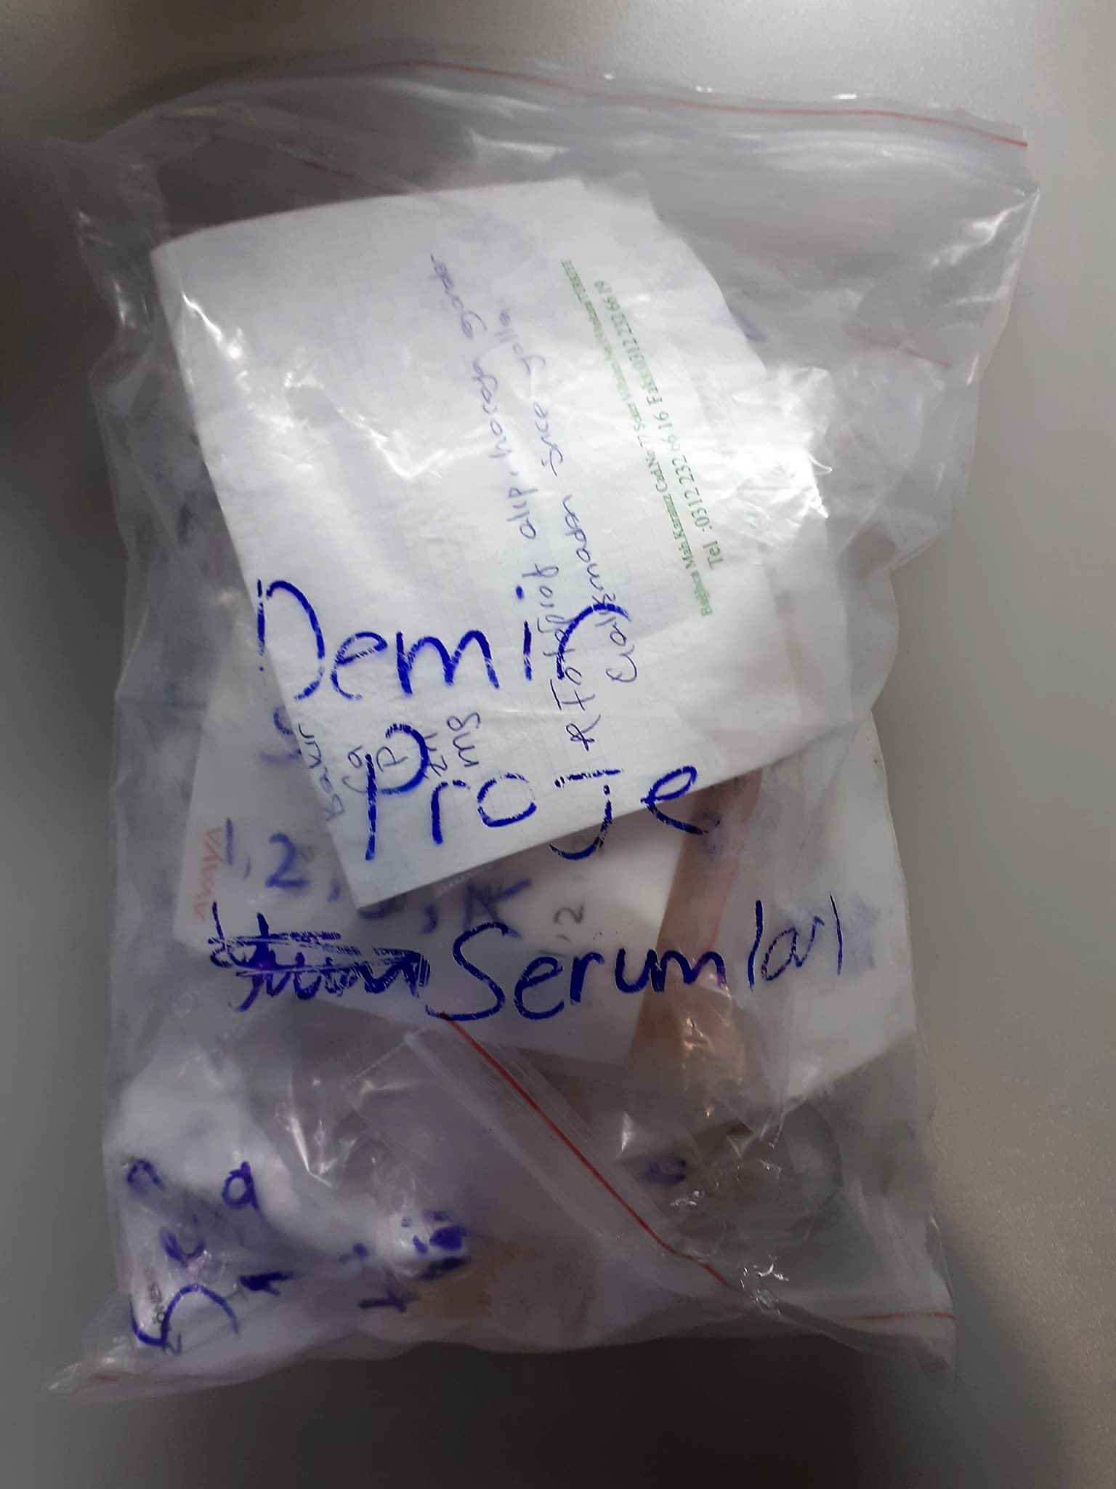
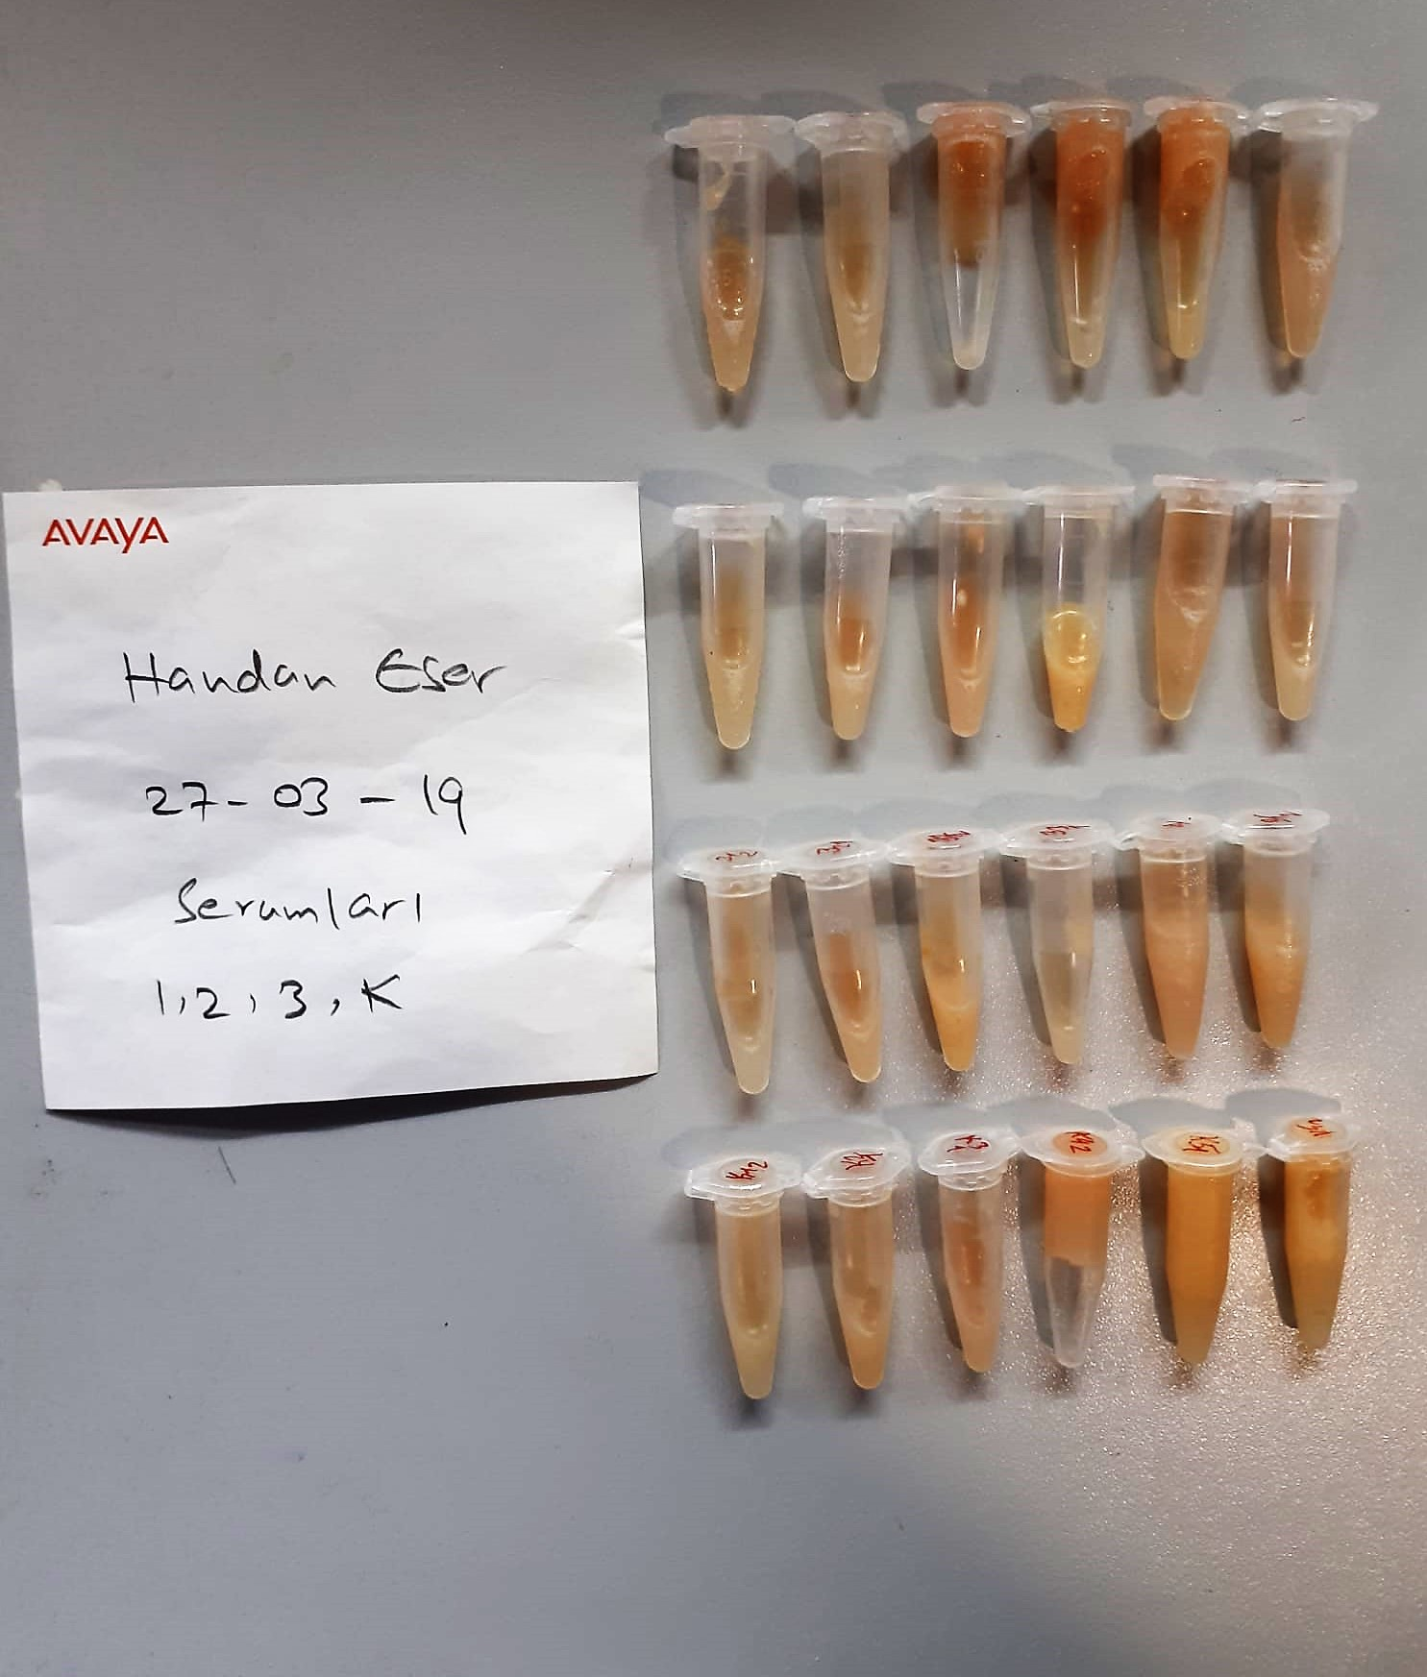
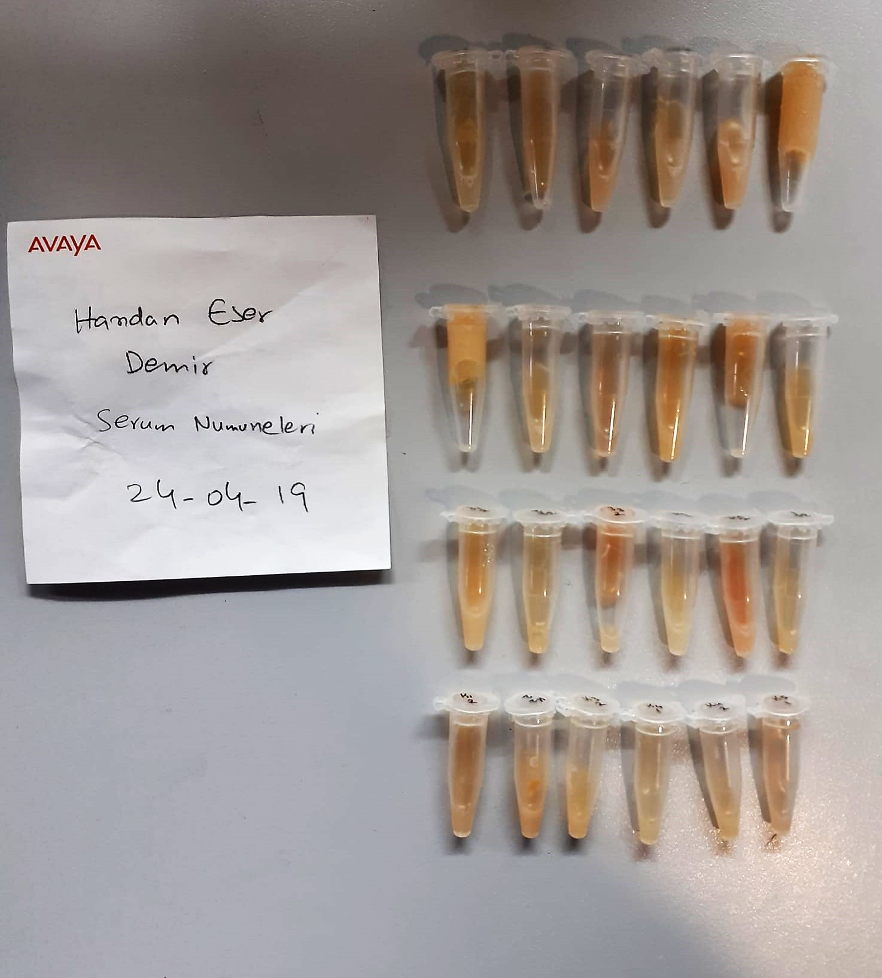
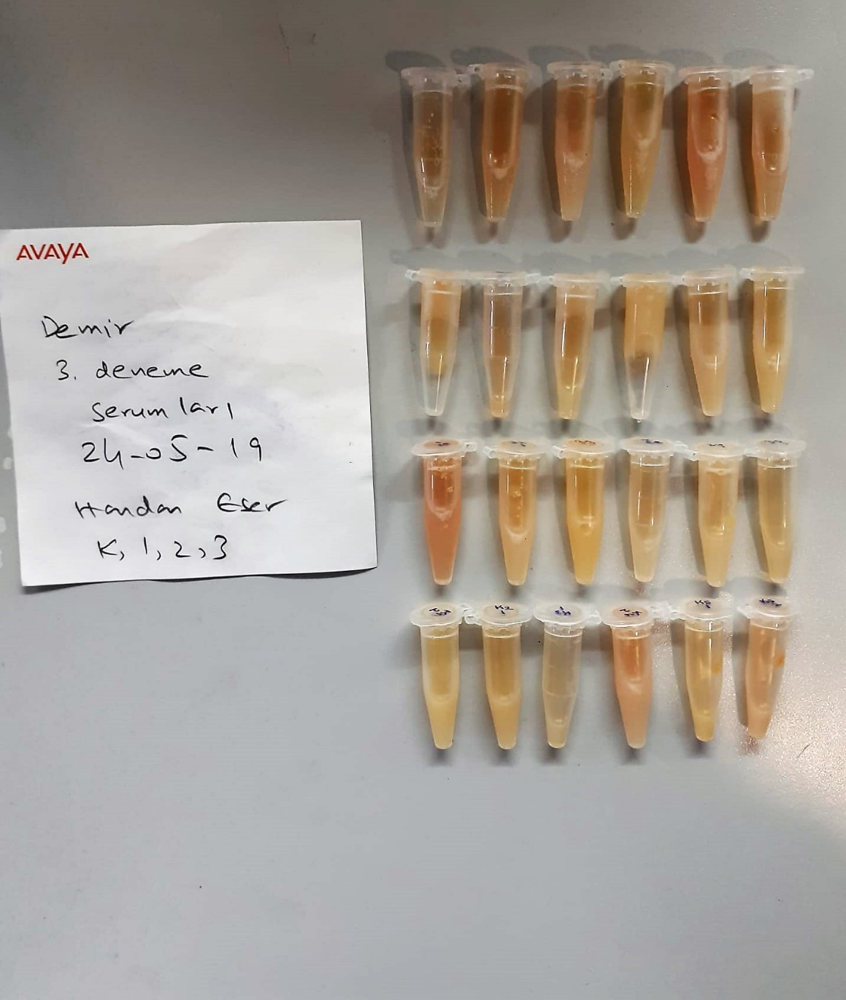
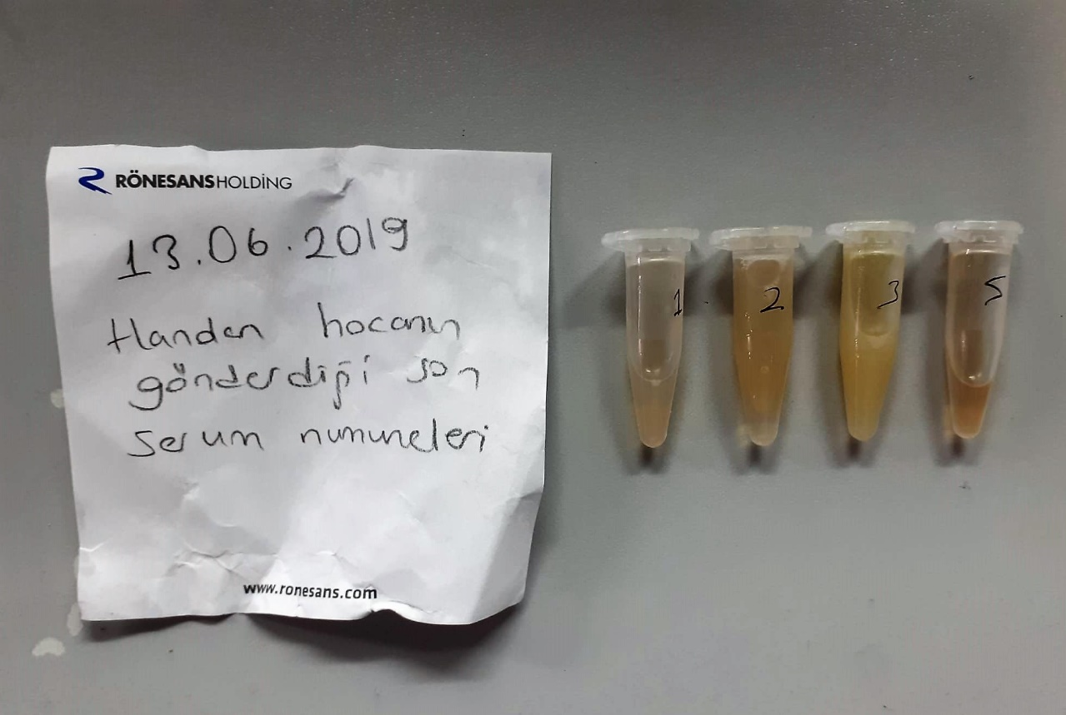
KİT ADI | TÜR | MARKA | Yöntem
TAS(Total Antioxidant Status) | Universal | REL ASSAY | Kolorimetrik
TOS(Total Oxidant Status) | Universal | REL ASSAY | Kolorimetrik
Çinko | Universal | REL ASSAY | Kolorimetrik
Bakır | Universal | REL ASSAY | Kolorimetrik
Calcium | Universal | REL ASSAY | Kolorimetrik
CHOL: Total Cholesterol | Universal | REL ASSAY | Kolorimetrik
Total Protein | Universal | REL ASSAY | Kolorimetrik
Demir | Universal | REL ASSAY | Kolorimetrik
Fosfor | Universal | REL ASSAY | Kolorimetrik
Magnesium | Universal | REL ASSAY | Kolorimetrik
UIBC | Universal | REL ASSAY | Kolorimetrik
Centrifuge: HETTICH Mıcro 200-R
MINDRAY BS-300 Tam Otomatik Analizör

Calcium mg/dl
Calcium in the sample reacts with arsenazo III forming a coloured complex that
can be measured by spectrophotometry.

Clolesterol Total mg/dl
Cholesterol ester + H2O Cholesterol + fatty acids
Cholesterol esters are ceaved by the action of choesterol esterase to yield free
choesterol and fatty acids Cholesterol oxidase Cholesterol + O2 Cholesten-3-on + H2O2
Peroxidase
2H2O2 + Phenol + 4-Aminoantipyrine Quinoneimine dye + 4 H2O
Cholesterol is converted by oxygen with the aid of cholesterol oxidase to A4- Cholestenone and hydrogen peroxide.
Hydrogen peroxide created forms a red dyestuff by reacting with 4-aminoantipyrine and phenol under the catalytic action of peroxidase.
The color intensity is directly proportional to the concentration of cholesterol and can be determined photometrically.

Iron (FE) (μg/dl)
Colorimetric assay pH < 2,0 Transferrin-Fe-complex apotransferrin + Fe3+ ascorbate Fe3+ Fe2+ FerroZine® + Fe2+ colored complex Under acidic conditions,
iron is liberated from transferrin. Lipemic samples are clarified by the detergent. Ascorbate reduces the released Fe3+ ions to Fe'2+ ions which react with
FerroZine to form a colored complex. The color intensity is directly proportional to the iron concentration and can be measured photometrically.

Magnesium mEq/l
Colorimetric endpoint method
Sample and addition Reagent start of reaction:
In alkaline solution, magnesium forms a purple complex with xylidyl blue, a
diazonium salt. The magnesium concentration is measured photometrically via the decrease in the xylidyl blue absorbance.

Phosphorus mg/dl
Inorganic phosphate forms an ammonium phosphomolybdate complex having the formula(NH4)3[PO4(MoO3)12] with ammonium molybdate in the presence of sulfuric acid.
The complex is determined photometrically in the ultraviolet region (340 nm).

Total Protein g/dl
Colorimetric assay, Sample and addition of Reagent start of the reaction:
Divalent copper reacts in alkaline solution with protein peptide bonds to form the characteristic purple-colored biuret complex.
Sodium potassium tartrate prevents the precipitation of copper hydroxide and potassium iodide prevents auto reduction of copper. alkaline protein + Cu2+ solution Cu-protein complex
The color intensity is directly proportional to the protein concentration which can be determined photometrically.

UIBC μg/dl
Photometric test using chromagen ferrozine.
Total Iron-Binding Capacity(TIBC): A known amount of ferrous ions are added to serum at an alkaline pH.
The ferrous ions bind with transferrin at unsaturated iron-binding sites. The additional unbound ferrous ions are measured using the ferrozine reaction.
The difference between the amount of ferrous ions ions added and the unbound ions measured is the unsaturated iron-binding capacity (UIBC). The TIBC is equal to the serum iron concentration plus the UIBC.

TOTAL ANTIOXDANT STATUS (TAS) (mmol/L)
TAS levels were measured using commercially available kits (Relassay, Turkey). The novel
automated method is based on the bleaching of characteristic color of a more stable ABTS
(2,2 ′ - Azino-bis(3-ethylbenzothiazoline-6-sulfonic acid)) radical cation by antioxidants. The
assay has excellent precision values, which are lower than 3%. The results were expressed as
mmol Trolox equivalent/L (Erel O. A novel automated direct measurement method for total
antioxidant capacity using a new generation, more stable ABTS radicalcation. Clin Biochem
2004;37:277-85.)
(Relassay,Turkey)

TOTAL OXIDANT STATUS (TOS) (µmol/L)
TOS levels were measured using commercially available kits (Relassay, Turkey. In the new
method, oxidants present in the sample oxidized the ferrous ion-o-dianisidine complex to
ferric ion. The oxidation reaction was enhanced by glycerol molecules abundantly present in
the reaction medium. The ferric ion produced a colored complex with xylenol orange in an
acidic medium. The color intensity, which could be measured spectrophotometrically, was
related to the total amount of oxidant molecules present in the sample. The assay was
calibrated with hydrogen peroxide and the results were expressed in terms of
micromolar hydrogen peroxide equivalent per liter (μmol H2O2 equivalent/L). ( Erel O. A
new automated colorimetric method for measuringtotal oxidant status. Clin Biochem
2005;38:1103-11. ).
(Relassay,Turkey)

OXIDATIVE STRESS INDEX (OSI)
The ratio of TOS to TAS was accepted as the oxidative stress index (OSI). For calculation, the
resulting unit of TAS was converted to μmol/L, and the OSI value was calculated according to
the following Formula : OSI (arbitrary unit) =
TOS (μmol H2O2 equivalent/L) / TAC (μmol Trolox equivalent/L). (1-3).
1. Yumru M, Savas HA, Kalenderoglu A, Bulut M, Celik H, Erel O. Oxidative imbalance in
bipolar disorder subtypes: a comparative study. Prog Neuropsychopharmacol Biol Psychiatry.
2009 Aug 31;33(6):1070-4.
2. Kosecik M, Erel O, Sevinc E, Selek S. Increased oxidative stress in children exposed to
passive smoking. Int J Cardiol 2005;100:61–4.
3. (Harma M, Harma M, Erel O (2003) Increased oxidative stress in patients with
hydatidiform mole. Swiss Med Wkly 133:563-536).

Zinc (ZN) μg/dl
Zinc found in the samples change the red-orange color of 5-Br-PAPS to light pink under alkaline conditions.
The change of absorbance at 548 nm is proportional to total zinc level in the sample.
The assay can be calibrated with zinc sulfate dissolved in deionized water.
(Relassay, Turkey)

Copper (CU) μg/dl
Copper found in the samples change the red-orange color of DiBr-PAESA to violet under acidic conditions.
The change of absorbance at 572 nm is proportional to total copper concentration in the sample.
The assay can be calibrated with copper sulfate dissolved in deionized water.
(Relassay, Turkey)

