TNF-ALFA
1.018 | 0.199 | 0.162 | 0.244 | 0.243 | 0.206 | 0.428 | 0.201 | 0.23 | 0.236 | 0.207
0.629 | 0.175 | 0.25 | 0.264 | 0.462 | 0.233 | 0.23 | 0.16 | 0.222 | 0.293 | 0.216
0.4 | 0.204 | 0.239 | 0.46 | 0.276 | 0.258 | 0.237 | 0.234 | 0.241 | 0.286 | 0.254
0.249 | 0.181 | 0.2 | 0.601 | 0.219 | 0.196 | 0.261 | 0.212 | 0.245 | 0.217 | 0.245
0.172 | 0.208 | 0.226 | 0.251 | 0.255 | 0.228 | 0.237 | 0.225 | 0.262 | 0.303 | 0.293
0.09 | 0.216 | 0.176 | 0.227 | 0.24 | 0.224 | 0.255 | 0.242 | 0.63 | 0.251 | 0.247
 | 0.235 | 0.199 | 0.245 | 0.228 | 0.252 | 0.208 | 0.187 | 0.25 | 0.256
 | 0.186 | 0.256 | 0.673 | 0.216 | 0.221 | 0.199 | 0.188 | 0.401 | 0.193

TNF-A

 | abs | abs-blank | expected | result
std1 | 1.018 | 0.928 | 480 | 480.33
std2 | 0.629 | 0.539 | 240 | 238.08
std3 | 0.4 | 0.31 | 120 | 123.20
std4 | 0.249 | 0.159 | 60 | 58.70
std5 | 0.172 | 0.082 | 30 | 29.25
blank | 0.09 | 0 | 0 | 0.44

 |  |  |  |  |  |  |  |  | concentration (ng/L)

Numune | absorbans | blank | abs-blank | result(ng/L)
1a | 0.199 | 0.09 | 0.109 | 39.31
2a | 0.175 | 0.09 | 0.085 | 30.35
3a | 0.204 | 0.09 | 0.114 | 41.20
4a | 0.181 | 0.09 | 0.091 | 32.57
5a | 0.208 | 0.09 | 0.118 | 42.73
6a | 0.216 | 0.09 | 0.126 | 45.79
7a | 0.235 | 0.09 | 0.145 | 53.17
8a | 0.186 | 0.09 | 0.096 | 34.43
9a | 0.162 | 0.09 | 0.072 | 25.59
10a | 0.25 | 0.09 | 0.16 | 59.10
11a | 0.239 | 0.09 | 0.149 | 54.74
12a | 0.2 | 0.09 | 0.11 | 39.69
13a | 0.226 | 0.09 | 0.136 | 49.66
14a | 0.176 | 0.09 | 0.086 | 30.72
15a | 0.199 | 0.09 | 0.109 | 39.31
16a | 0.256 | 0.09 | 0.166 | 61.49
17a | 0.244 | 0.09 | 0.154 | 56.72
18a | 0.264 | 0.09 | 0.174 | 64.71
19a | 0.46 | 0.09 | 0.37 | 151.31
20a | 0.601 | 0.09 | 0.511 | 222.93
21a | 0.251 | 0.09 | 0.161 | 59.49
22a | 0.227 | 0.09 | 0.137 | 50.05
23a | 0.245 | 0.09 | 0.155 | 57.11
24a | 0.673 | 0.09 | 0.583 | 262.51
25a | 0.243 | 0.09 | 0.153 | 56.32
26a | 0.462 | 0.09 | 0.372 | 152.28
27a | 0.276 | 0.09 | 0.186 | 69.58
28a | 0.219 | 0.09 | 0.129 | 46.95
29a | 0.255 | 0.09 | 0.165 | 61.09
30a | 0.24 | 0.09 | 0.15 | 55.14
31a | 0.228 | 0.09 | 0.138 | 50.44
32a | 0.216 | 0.09 | 0.126 | 45.79
33a | 0.206 | 0.09 | 0.116 | 41.96
34a | 0.233 | 0.09 | 0.143 | 52.39
35a | 0.258 | 0.09 | 0.168 | 62.29
36a | 0.196 | 0.09 | 0.106 | 38.18
37a | 0.228 | 0.09 | 0.138 | 50.44
38a | 0.224 | 0.09 | 0.134 | 48.88
39a | 0.252 | 0.09 | 0.162 | 59.89
40a | 0.221 | 0.09 | 0.131 | 47.72
41a | 0.428 | 0.09 | 0.338 | 136.15
42a | 0.23 | 0.09 | 0.14 | 51.22
43a | 0.237 | 0.09 | 0.147 | 53.96
44a | 0.261 | 0.09 | 0.171 | 63.50
45a | 0.237 | 0.09 | 0.147 | 53.96
46a | 0.255 | 0.09 | 0.165 | 61.09
47a | 0.208 | 0.09 | 0.118 | 42.73
1b | 0.199 | 0.09 | 0.109 | 39.31
2b | 0.201 | 0.09 | 0.111 | 40.07
3b | 0.16 | 0.09 | 0.07 | 24.87
4b | 0.234 | 0.09 | 0.144 | 52.78
5b | 0.212 | 0.09 | 0.122 | 44.26
6b | 0.225 | 0.09 | 0.135 | 49.27
7b | 0.242 | 0.09 | 0.152 | 55.93
8b | 0.187 | 0.09 | 0.097 | 34.80
9b | 0.188 | 0.09 | 0.098 | 35.17
10b | 0.23 | 0.09 | 0.14 | 51.22
11b | 0.222 | 0.09 | 0.132 | 48.11
12b | 0.241 | 0.09 | 0.151 | 55.53
13b | 0.245 | 0.09 | 0.155 | 57.11
15b | 0.262 | 0.09 | 0.172 | 63.90
24b | 0.63 | 0.09 | 0.54 | 238.63
25b | 0.25 | 0.09 | 0.16 | 59.10
26b | 0.401 | 0.09 | 0.311 | 123.66
27b | 0.236 | 0.09 | 0.146 | 53.56
28b | 0.293 | 0.09 | 0.203 | 76.57
29b | 0.286 | 0.09 | 0.196 | 73.68
30b | 0.217 | 0.09 | 0.127 | 46.18
31b | 0.303 | 0.09 | 0.213 | 80.74
32b | 0.251 | 0.09 | 0.161 | 59.49
33b | 0.256 | 0.09 | 0.166 | 61.49
34b | 0.193 | 0.09 | 0.103 | 37.05
35b | 0.207 | 0.09 | 0.117 | 42.35
36b | 0.216 | 0.09 | 0.126 | 45.79
37b | 0.254 | 0.09 | 0.164 | 60.69
38b | 0.245 | 0.09 | 0.155 | 57.11
39b | 0.293 | 0.09 | 0.203 | 76.57
40b | 0.247 | 0.09 | 0.157 | 57.90

IL-1BETA
2.559 | 0.261 | 0.258 | 0.249 | 0.25 | 0.329 | 0.281 | 0.252 | 0.261 | 0.254 | 0.256
1.687 | 0.256 | 0.251 | 0.377 | 0.249 | 0.255 | 0.25 | 0.616 | 0.255 | 0.26 | 0.257
1.128 | 0.399 | 0.268 | 0.256 | 0.253 | 0.253 | 0.264 | 0.355 | 0.352 | 0.265 | 0.259
0.666 | 0.285 | 0.256 | 0.322 | 0.258 | 0.278 | 0.258 | 0.336 | 0.251 | 0.274 | 0.26
0.401 | 0.253 | 0.245 | 0.252 | 0.258 | 0.25 | 0.262 | 0.251 | 0.388 | 0.254 | 0.272
0.27 | 0.319 | 0.247 | 0.247 | 0.254 | 0.318 | 0.271 | 0.259 | 0.253 | 0.284 | 0.295
0.15 | 0.255 | 0.646 | 0.583 | 0.254 | 0.253 | 0.254 | 0.349 | 0.258 | 0.275
0.053 | 0.249 | 0.256 | 0.248 | 0.329 | 0.253 | 0.253 | 0.254 | 0.252 | 0.259

IL-1BETA

 | abs | abs-blank | expected | result
std1 | 2.559 | 2.506 | 500 | 500.192
std2 | 1.687 | 1.634 | 250 | 247.823
std3 | 1.128 | 1.075 | 125 | 130.247
std4 | 0.666 | 0.613 | 62.5 | 59.140
std5 | 0.401 | 0.348 | 31.25 | 29.000
std6 | 0.27 | 0.217 | 15.63 | 16.967
std7 | 0.15 | 0.097 | 7.81 | 7.609
blank | 0.053 | 0 | 0 | 1.208

 |  |  |  |  |  |  |  |  | concentration (pg/ml)

Numune | absorbans | blank | abs-blank | result(pg/ml)
1a | 0.261 | 0.053 | 0.208 | 16.210
2a | 0.256 | 0.053 | 0.203 | 15.793
3a | 0.399 | 0.053 | 0.346 | 28.802
4a | 0.285 | 0.053 | 0.232 | 18.249
5a | 0.253 | 0.053 | 0.2 | 15.545
6a | 0.319 | 0.053 | 0.266 | 21.246
7a | 0.255 | 0.053 | 0.202 | 15.710
8a | 0.249 | 0.053 | 0.196 | 15.215
9a | 0.258 | 0.053 | 0.205 | 15.960
10a | 0.251 | 0.053 | 0.198 | 15.379
11a | 0.268 | 0.053 | 0.215 | 16.798
12a | 0.256 | 0.053 | 0.203 | 15.793
13a | 0.245 | 0.053 | 0.192 | 14.886
14a | 0.247 | 0.053 | 0.194 | 15.050
15a | 0.646 | 0.053 | 0.593 | 56.594
16a | 0.256 | 0.053 | 0.203 | 15.793
17a | 0.249 | 0.053 | 0.196 | 15.215
18a | 0.377 | 0.053 | 0.324 | 26.653
19a | 0.256 | 0.053 | 0.203 | 15.793
20a | 0.322 | 0.053 | 0.269 | 21.516
21a | 0.252 | 0.053 | 0.199 | 15.462
22a | 0.247 | 0.053 | 0.194 | 15.050
23a | 0.583 | 0.053 | 0.53 | 48.865
24a | 0.248 | 0.053 | 0.195 | 15.132
25a | 0.25 | 0.053 | 0.197 | 15.297
26a | 0.249 | 0.053 | 0.196 | 15.215
27a | 0.253 | 0.053 | 0.2 | 15.545
28a | 0.258 | 0.053 | 0.205 | 15.960
29a | 0.258 | 0.053 | 0.205 | 15.960
30a | 0.254 | 0.053 | 0.201 | 15.627
31a | 0.254 | 0.053 | 0.201 | 15.627
32a | 0.329 | 0.053 | 0.276 | 22.152
33a | 0.329 | 0.053 | 0.276 | 22.152
34a | 0.255 | 0.053 | 0.202 | 15.710
35a | 0.253 | 0.053 | 0.2 | 15.545
36a | 0.278 | 0.053 | 0.225 | 17.647
37a | 0.25 | 0.053 | 0.197 | 15.297
38a | 0.318 | 0.053 | 0.265 | 21.156
39a | 0.253 | 0.053 | 0.2 | 15.545
40a | 0.253 | 0.053 | 0.2 | 15.545
41a | 0.281 | 0.053 | 0.228 | 17.904
42a | 0.25 | 0.053 | 0.197 | 15.297
43a | 0.264 | 0.053 | 0.211 | 16.461
44a | 0.258 | 0.053 | 0.205 | 15.960
45a | 0.262 | 0.053 | 0.209 | 16.294
46a | 0.271 | 0.053 | 0.218 | 17.052
47a | 0.254 | 0.053 | 0.201 | 15.627
1b | 0.253 | 0.053 | 0.2 | 15.545
2b | 0.252 | 0.053 | 0.199 | 15.462
3b | 0.616 | 0.053 | 0.563 | 52.859
4b | 0.355 | 0.053 | 0.302 | 24.558
5b | 0.336 | 0.053 | 0.283 | 22.792
6b | 0.251 | 0.053 | 0.198 | 15.379
7b | 0.259 | 0.053 | 0.206 | 16.043
8b | 0.349 | 0.053 | 0.296 | 23.996
9b | 0.254 | 0.053 | 0.201 | 15.627
10b | 0.261 | 0.053 | 0.208 | 16.210
11b | 0.255 | 0.053 | 0.202 | 15.710
12b | 0.352 | 0.053 | 0.299 | 24.277
13b | 0.251 | 0.053 | 0.198 | 15.379
15b | 0.388 | 0.053 | 0.335 | 27.721
24b | 0.253 | 0.053 | 0.2 | 15.545
25b | 0.258 | 0.053 | 0.205 | 15.960
26b | 0.252 | 0.053 | 0.199 | 15.462
27b | 0.254 | 0.053 | 0.201 | 15.627
28b | 0.26 | 0.053 | 0.207 | 16.126
29b | 0.265 | 0.053 | 0.212 | 16.545
30b | 0.274 | 0.053 | 0.221 | 17.306
31b | 0.254 | 0.053 | 0.201 | 15.627
32b | 0.284 | 0.053 | 0.231 | 18.162
33b | 0.275 | 0.053 | 0.222 | 17.391
34b | 0.259 | 0.053 | 0.206 | 16.043
35b | 0.256 | 0.053 | 0.203 | 15.793
36b | 0.257 | 0.053 | 0.204 | 15.876
37b | 0.259 | 0.053 | 0.206 | 16.043
38b | 0.26 | 0.053 | 0.207 | 16.126
39b | 0.272 | 0.053 | 0.219 | 17.136
40b | 0.295 | 0.053 | 0.242 | 19.117

IL-6
2.492 | 1.547 | 0.35 | 0.096 | 0.466 | 0.91 | 0.144 | 1.602 | 0.389 | 0.269 | 0.143
1.689 | 0.726 | 0.168 | 0.205 | 0.743 | 1.141 | 0.181 | 0.668 | 0.738 | 0.831 | 0.411
0.991 | 0.277 | 0.738 | 0.117 | 0.388 | 0.175 | 0.107 | 0.328 | 0.267 | 0.981 | 0.73
0.656 | 0.812 | 0.459 | 0.11 | 1.452 | 0.1 | 0.159 | 0.159 | 0.195 | 0.741 | 0.187
0.462 | 0.24 | 0.119 | 0.128 | 1.364 | 0.303 | 0.172 | 0.504 | 0.178 | 0.231 | 0.33
0.309 | 2.22 | 0.838 | 0.173 | 0.775 | 0.245 | 0.214 | 1.191 | 0.206 | 0.245 | 0.501
0.148 | 0.911 | 0.469 | 0.198 | 0.659 | 1.257 | 0.655 | 0.248 | 0.293 | 0.24 | 0.187
0.067 | 0.437 | 0.104 | 0.634 | 0.153 | 0.889 | 0.732 | 0.07 | 0.314 | 0.748 | 0.155

IL-6

 | abs | abs-blank | expected | result
std1 | 2.492 | 2.425 | 500 | 497.133
std2 | 1.689 | 1.622 | 250 | 260.334
std3 | 0.991 | 0.924 | 125 | 112.455
std4 | 0.656 | 0.589 | 62.5 | 60.625
std5 | 0.462 | 0.395 | 31.25 | 36.288
std6 | 0.309 | 0.242 | 15.63 | 20.031
std7 | 0.148 | 0.081 | 7.81 | 5.720
blank | 0.067 | 0 | 0 | -0.396

 |  |  |  |  |  |  |  |  | concentration (pg/ml)

Numune | absorbans | blank | abs-blank | result(pg/ml)
1a | 1.547 | 0.067 | 1.48 | 225.882
2a | 0.726 | 0.067 | 0.659 | 70.429
3a | 0.277 | 0.067 | 0.21 | 16.958
4a | 0.812 | 0.067 | 0.745 | 83.216
5a | 0.24 | 0.067 | 0.173 | 13.546
6a | 2.22 | 0.067 | 2.153 | 408.932
7a | 0.911 | 0.067 | 0.844 | 98.949
8a | 0.437 | 0.067 | 0.37 | 33.454
9a | 0.35 | 0.067 | 0.283 | 24.133
10a | 0.168 | 0.067 | 0.101 | 7.342
11a | 0.738 | 0.067 | 0.671 | 72.164
12a | 0.459 | 0.067 | 0.392 | 35.944
13a | 0.119 | 0.067 | 0.052 | 3.447
14a | 0.838 | 0.067 | 0.771 | 87.243
15a | 0.469 | 0.067 | 0.402 | 37.094
16a | 0.104 | 0.067 | 0.037 | 2.308
17a | 0.096 | 0.067 | 0.029 | 1.711
18a | 0.205 | 0.067 | 0.138 | 10.458
19a | 0.117 | 0.067 | 0.05 | 3.294
20a | 0.11 | 0.067 | 0.043 | 2.761
21a | 0.128 | 0.067 | 0.061 | 4.142
22a | 0.173 | 0.067 | 0.106 | 7.754
23a | 0.198 | 0.067 | 0.131 | 9.857
24a | 0.634 | 0.067 | 0.567 | 57.656
25a | 0.466 | 0.067 | 0.399 | 36.748
26a | 0.743 | 0.067 | 0.676 | 72.892
27a | 0.388 | 0.067 | 0.321 | 28.101
28a | 1.452 | 0.067 | 1.385 | 204.079
29a | 1.364 | 0.067 | 1.297 | 184.773
30a | 0.775 | 0.067 | 0.708 | 77.615
31a | 0.659 | 0.067 | 0.592 | 61.034
32a | 0.153 | 0.067 | 0.086 | 6.121
33a | 0.91 | 0.067 | 0.843 | 98.785
34a | 1.141 | 0.067 | 1.074 | 139.687
35a | 0.175 | 0.067 | 0.108 | 7.920
36a | 0.1 | 0.067 | 0.033 | 2.008
37a | 0.303 | 0.067 | 0.236 | 19.446
38a | 0.245 | 0.067 | 0.178 | 13.998
39a | 1.257 | 0.067 | 1.19 | 162.453
40a | 0.889 | 0.067 | 0.822 | 95.359
41a | 0.144 | 0.067 | 0.077 | 5.401
42a | 0.181 | 0.067 | 0.114 | 8.419
43a | 0.107 | 0.067 | 0.04 | 2.534
44a | 0.159 | 0.067 | 0.092 | 6.606
45a | 0.172 | 0.067 | 0.105 | 7.671
46a | 0.214 | 0.067 | 0.147 | 11.240
47a | 0.655 | 0.067 | 0.588 | 60.489
1b | 0.732 | 0.067 | 0.665 | 71.295
2b | 1.602 | 0.067 | 1.535 | 238.961
3b | 0.668 | 0.067 | 0.601 | 62.268
4b | 0.328 | 0.067 | 0.261 | 21.909
5b | 0.159 | 0.067 | 0.092 | 6.606
6b | 0.504 | 0.067 | 0.437 | 41.204
7b | 1.191 | 0.067 | 1.124 | 149.317
8b | 0.248 | 0.067 | 0.181 | 14.271
9b | 0.07 | 0.067 | 0.003 | -0.182
10b | 0.389 | 0.067 | 0.322 | 28.208
11b | 0.738 | 0.067 | 0.671 | 72.164
12b | 0.267 | 0.067 | 0.2 | 16.021
13b | 0.195 | 0.067 | 0.128 | 9.601
15b | 0.178 | 0.067 | 0.111 | 8.169
24b | 0.206 | 0.067 | 0.139 | 10.545
25b | 0.293 | 0.067 | 0.226 | 18.480
26b | 0.314 | 0.067 | 0.247 | 20.521
27b | 0.269 | 0.067 | 0.202 | 16.207
28b | 0.831 | 0.067 | 0.764 | 86.152
29b | 0.981 | 0.067 | 0.914 | 110.728
30b | 0.741 | 0.067 | 0.674 | 72.601
31b | 0.231 | 0.067 | 0.164 | 12.739
32b | 0.245 | 0.067 | 0.178 | 13.998
33b | 0.24 | 0.067 | 0.173 | 13.546
34b | 0.748 | 0.067 | 0.681 | 73.623
35b | 0.143 | 0.067 | 0.076 | 5.321
36b | 0.411 | 0.067 | 0.344 | 30.581
37b | 0.73 | 0.067 | 0.663 | 71.006
38b | 0.187 | 0.067 | 0.12 | 8.923
39b | 0.33 | 0.067 | 0.263 | 22.109
40b | 0.501 | 0.067 | 0.434 | 40.846

Materyal-metod
KİT ADI | TÜR | MARKA | Numune Türü | CAT. NO | Yöntem | Kullanılan Cihaz
Interleukin 1 Beta | Human | Elabscience | Serum | E-EL-H0149 | ELİSA | Mıcroplate reader: BIO-TEK EL X 800-Aotu strip washer:BIO TEK EL X 50
Interleukin 6 | Human | Elabscience | Serum | E-EL-H0102 | ELİSA | Microplate reader: BIO-TEK EL X 800-Aotu strip washer:BIO TEK EL X 50
Tumor necrosis alpha | Human | BT-lab | Serum | E0082Hu | ELİSA | Microplate reader: BIO-TEK EL X 800-Aotu strip washer:BIO TEK EL X 50
Hs-CRP | Human | Otto Scientific | Serum | Otto3049 | Kolorimetrik | MINDRAY BS-400

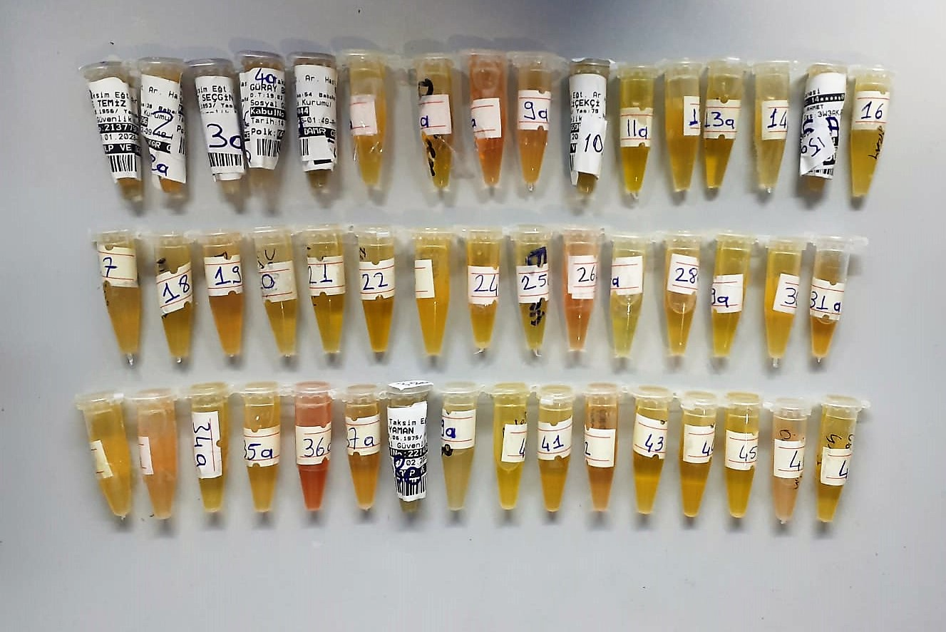

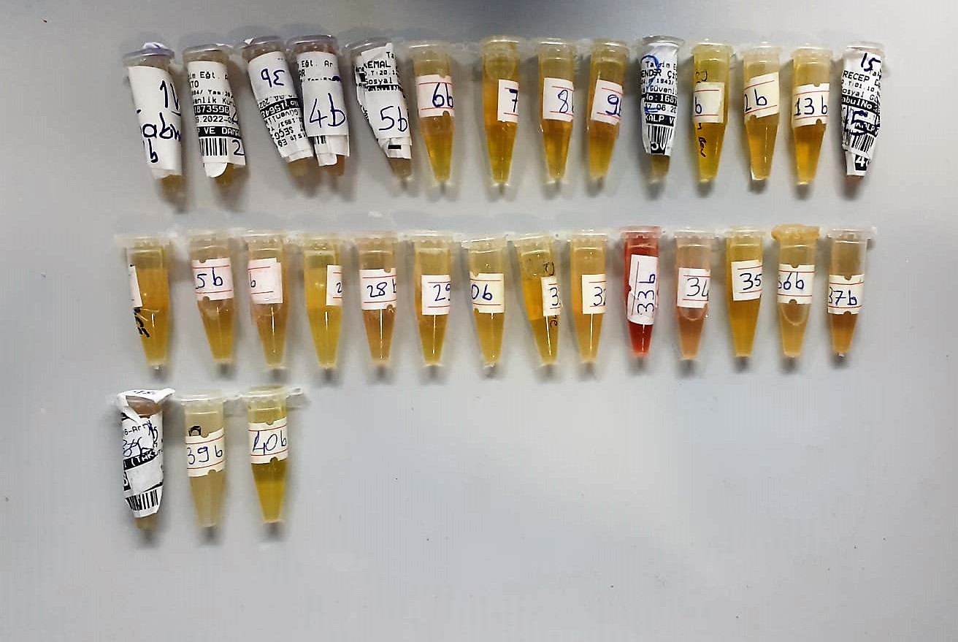

IL-1BETA Assay Principle
This ELISA kit uses the Sandwich-ELISA principle. The micro ELISA plate provided in this kit has been pre-coated with an antibody specific to Human IL-1β.
Samples (or Standards) are added to the micro ELISA plate wells and combined with the specific antibody.
Then a biotinylated detection antibody specific for Human IL-1β and Avidin--Horseradish Peroxidase (HRP) conjugate are added successively to each micro plate well and incubated. Free components are washed away. The substrate solution is added to each well.
Only those wells that contain Human IL-1β, biotinylated detection antibody and Avidin-HRP conjugate will appear blue in color. The enzyme-substrate reaction is terminated by the addition of stop solution and the color turns yellow.
The optical density (OD) is measured spectrophotometrically at a wavelength of 450 nm ± 2 nm. The OD value is proportional to the concentration of Human IL-1β.
You can calculate the concentration of Human IL-1β in the samples by comparing the OD of the samples to the standard curve.

IL-6 Assay Principle
This ELISA kit uses the Sandwich-ELISA principle. The micro ELISA plate provided in this kit has been pre-coated with an antibody specific to Human IL-6.
Samples (or Standards) are added to the micro ELISA plate wells and combined with the specific antibody.
Then a biotinylated detection antibody specific for Human IL-6 and Avidin--Horseradish Peroxidase (HRP) conjugate are added successively to each micro plate well and incubated. Free components are washed away. The substrate solution is added to each well.
Only those wells that contain Human IL-6, biotinylated detection antibody and Avidin-HRP conjugate will appear blue in color. The enzyme-substrate reaction is terminated by the addition of stop solution and the color turns yellow.
The optical density (OD) is measured spectrophotometrically at a wavelength of 450 nm ± 2 nm. The OD value is proportional to the concentration of Human IL-6.
You can calculate the concentration of Human IL-6 in the samples by comparing the OD of the samples to the standard curve.

TNF-Alfa Assay Principle
This kit is an Enzyme-Linked Immunosorbent Assay (ELISA). The plate has been pre-coated with Human TNFA antibody. TNFA present in the sample is added and binds to antibodies coated on the wells.
And then biotinylated Human TNFA Antibody is added and binds to TNFA in the sample. Then Streptavidin-HRP is added and binds to the Biotinylated TNFA antibody.
After incubation unbound Streptavidin-HRP is washed away during a washing step. Substrate solution is then added and color develops in proportion to the amount of Human TNFA.
The reaction is terminated by addition of acidic stop solution and absorbance is measured at 450 nm.

Hs-CRP Assay Principle
Serum C-reaktive protein causes agglutination of the latex particles coated with anti-human C-reaktive protein.
The agglutination of the latex particles is proportional tp the CRP concentration and can be measured by turbidimetry.

