Materyal-metod
KİT ADI | TÜR | Numune Türü | MARKA | CAT. NO | Yöntem | Kullanılan Cihaz
TAS(Total Antioxidant Status) | Universal | Serum | REL ASSAY | RL0017 | Kolorimetrik | MINDRAY-BS400
TOS(Total Oxidant Status) | Universal | Serum | REL ASSAY | RL0024 | Kolorimetrik | MINDRAY-BS400
IMA(Ischemia Modified Albumin) | Universal | Serum | REL ASSAY | RL0307 | Kolorimetrik | MINDRAY-BS400
Çinko | Universal | Serum | REL ASSAY | RL0901 | Kolorimetrik | MINDRAY-BS400
TTL(Total Thıol) | Universal | Serum | REL ASSAY | RL0185 | Kolorimetrik | MINDRAY-BS400
NTL(Natıve Thıol) | Universal | Serum | REL ASSAY | RL0185 | Kolorimetrik | MINDRAY-BS400
ARES: Arylesterase | Universal | Serum | REL ASSAY | RL0055 | Kolorimetrik | MINDRAY-BS400
PON-1: Paraoxanase-1 | Universal | Serum | REL ASSAY | RL0031 | Kolorimetrik | MINDRAY-BS400
AST( Aspartat Aminotransferaz) | Universal | Serum | Otto Scientific | OttoBC127 | Kolorimetrik | MINDRAY-BS400
ALT( Alanin aminotransferaz) | Universal | Serum | Otto Scientific | OttoBC128 | Kolorimetrik | MINDRAY-BS400
CREA( Creatinine) | Universal | Serum | Otto Scientific | OttoBC139 | Kolorimetrik | MINDRAY-BS400
UREA( Üre) | Universal | Serum | Otto Scientific | OttoBC157 | Kolorimetrik | MINDRAY-BS400
CHOL( Total Cholesterol) | Universal | Serum | Otto Scientific | OttoBC135 | Kolorimetrik | MINDRAY-BS400
TG (Triglycerides) | Universal | Serum | Otto Scientific | OttoBC155 | Kolorimetrik | MINDRAY-BS400
HDL( HDL Cholesterol) | Universal | Serum | Otto Scientific | OttoBC144 | Kolorimetrik | MINDRAY-BS400
CRP( C- Reactive Protein) | Universal | Serum | Otto Scientific | OttoBC138 | Kolorimetrik | MINDRAY-BS400
GLU( Glucose) | Universal | Serum | Otto Scientific | OttoBC142 | Kolorimetrik | MINDRAY-BS400

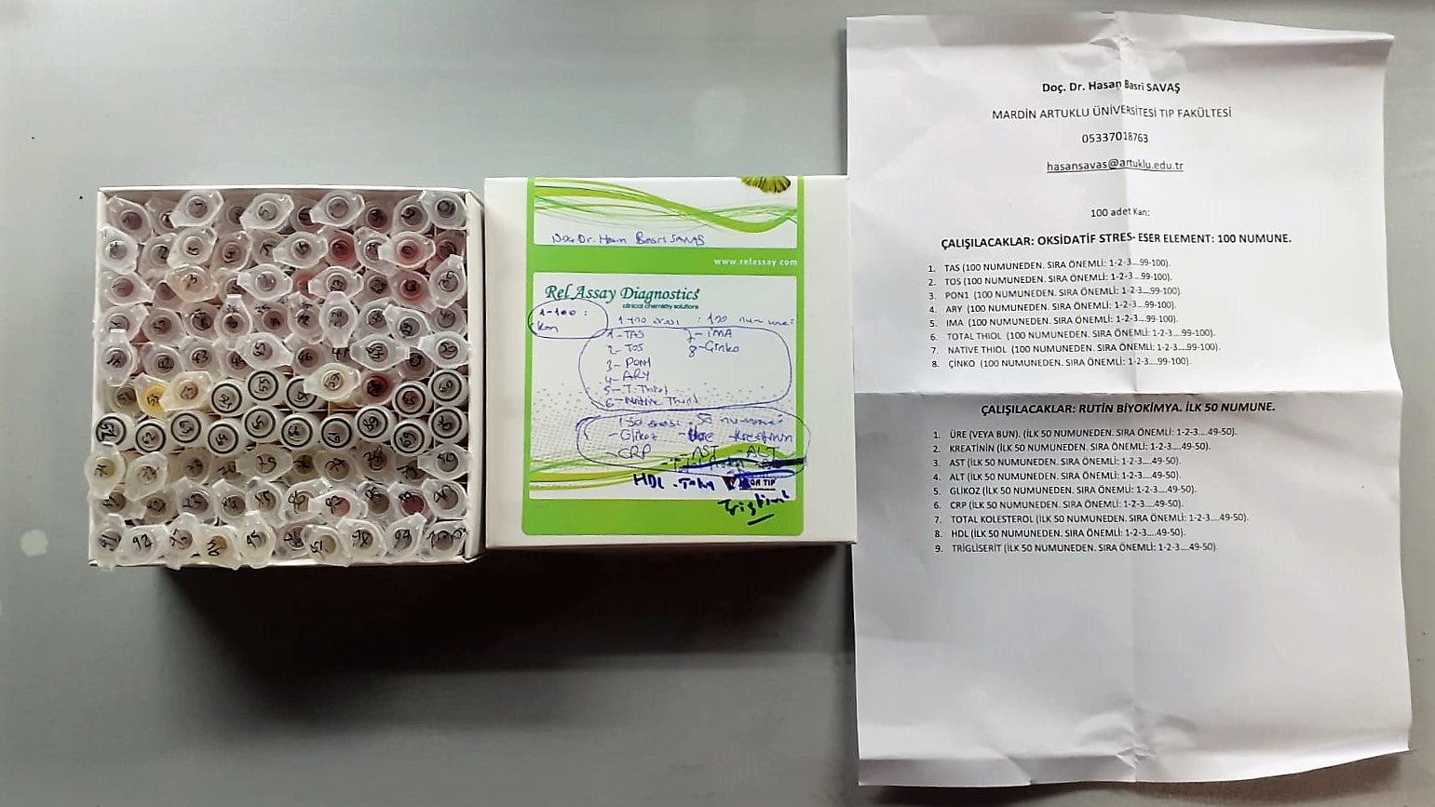

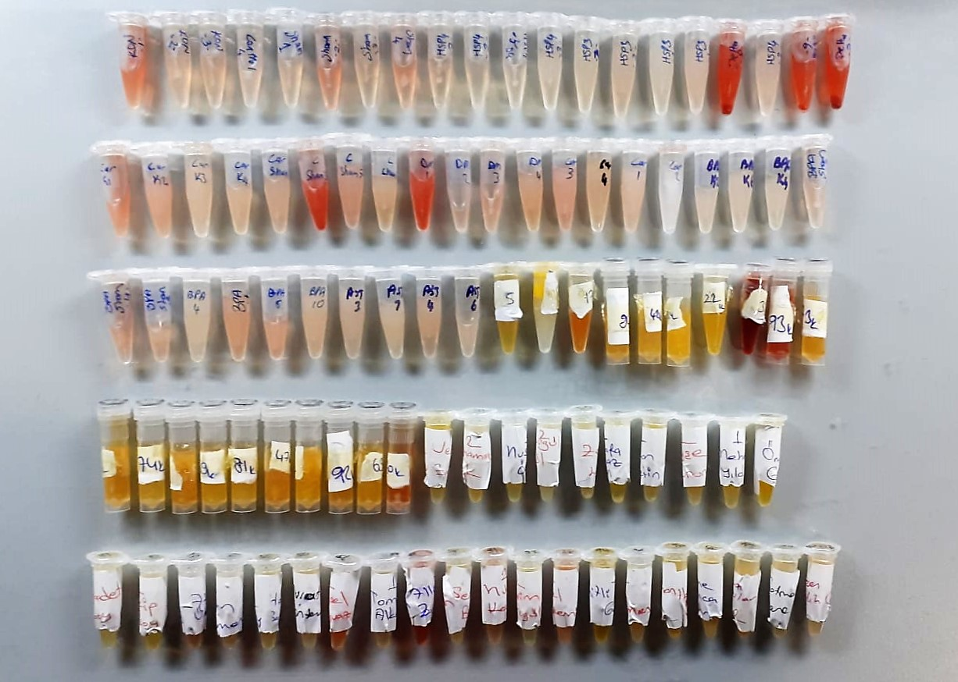

TOTAL ANTIOXDANT STATUS (TAS) (mmol/L)
TAS levels were measured using commercially available kits (Relassay, Turkey). The novel
automated method is based on the bleaching of characteristic color of a more stable ABTS
(2,2 ′ - Azino-bis(3-ethylbenzothiazoline-6-sulfonic acid)) radical cation by antioxidants. The
assay has excellent precision values, which are lower than 3%. The results were expressed as
mmol Trolox equivalent/L (Erel O. A novel automated direct measurement method for total
antioxidant capacity using a new generation, more stable ABTS radicalcation. Clin Biochem
2004;37:277-85.)
(Relassay,Turkey)

TOTAL OXIDANT STATUS (TOS) (µmol/L)
TOS levels were measured using commercially available kits (Relassay, Turkey. In the new
method, oxidants present in the sample oxidized the ferrous ion-o-dianisidine complex to
ferric ion. The oxidation reaction was enhanced by glycerol molecules abundantly present in
the reaction medium. The ferric ion produced a colored complex with xylenol orange in an
acidic medium. The color intensity, which could be measured spectrophotometrically, was
related to the total amount of oxidant molecules present in the sample. The assay was
calibrated with hydrogen peroxide and the results were expressed in terms of
micromolar hydrogen peroxide equivalent per liter (μmol H2O2 equivalent/L). ( Erel O. A
new automated colorimetric method for measuringtotal oxidant status. Clin Biochem
2005;38:1103-11. ).
(Relassay,Turkey)

OXIDATIVE STRESS INDEX (OSI)
The ratio of TOS to TAS was accepted as the oxidative stress index (OSI). For calculation, the
resulting unit of TAS was converted to μmol/L, and the OSI value was calculated according to
the following Formula : OSI (arbitrary unit) =
TOS (μmol H2O2 equivalent/L) / TAC (μmol Trolox equivalent/L). (1-3).
1. Yumru M, Savas HA, Kalenderoglu A, Bulut M, Celik H, Erel O. Oxidative imbalance in
bipolar disorder subtypes: a comparative study. Prog Neuropsychopharmacol Biol Psychiatry.
2009 Aug 31;33(6):1070-4.
2. Kosecik M, Erel O, Sevinc E, Selek S. Increased oxidative stress in children exposed to
passive smoking. Int J Cardiol 2005;100:61–4.
3. (Harma M, Harma M, Erel O (2003) Increased oxidative stress in patients with
hydatidiform mole. Swiss Med Wkly 133:563-536).

Ischemia Modified Albumin (IMA)
The colorimetric assay format quantitatively measures
unbound cobalt remaining after cobalt-albumin binding
has occurred. Thus, with reduced cobalt-albumin binding,
there is more free, unbound cobalt detected, resulting
in elevated assay levels.

Paraoxonase and Arylesterase activities;
Paraoxonase and arylesterase activities were measured using
commercially available kits (Relassay, Turkey).
The rate of paraoxon hydrolysis (diethylpnitrophenylphosphate)
was measured by monitoring the increase of
absorption at 412 nm at 37 °C. The amount of generated p-nitrophenol
was calculated from the molar absorption coefficient at pH 8.5, which
was 18.290 M−1 cm−1 Paraoxonase activity was expressed as U/L
serum. Phenylacetate was used as a substrate to measure the
arylesterase activity. Enzymatic activity was calculated from the molar
absorption coefficient of the produced phenol, 1310 M−1 cm−1. One unit
of arylesterase activity was defined as 1 μmol phenol generated per
minute under the above conditions and expressed as U/L
(Relassay, Turkey)

Paraoxonase-1 PON-1) U/L
Measurement of paraoxonase activity;
Paraoxonase activity was measured using
commercially available kits (Relassay, Turkey).
The rate of paraoxon hydrolysis (diethylpnitrophenylphosphate)
was measured by monitoring the increase of
absorption at 412 nm at 37 °C. The amount of generated p-nitrophenol
was calculated from the molar absorption coefficient at pH 8.5, which
was 18.290 M−1 cm−1 Paraoxonase activity was expressed as U/L serum
(Relassay, Turkey)

Zinc (ZN) μg/dl
Zinc found in the samples change the red-orange color of 5-Br-PAPS to light pink under alkaline conditions.
The change of absorbance at 548 nm is proportional to total zinc level in the sample.
The assay can be calibrated with zinc sulfate dissolved in deionized water.
(Relassay, Turkey)

Thiol/Disulfide Homeostasis
Tests were measured using a novel automatic and spectrophotometric method developed by Erel and Neselioglu*
which is avaliable commercially (Rel Assay Diagnostics, Turkey) In this method, dynamic and reducible disulfide bonds
in the samples were reduced to free functional thiol groups by using sodium borohydride. In order to prevent the reduction
of unused reduced sodium borohydride to dithionite-2 nitrobenzoic (DTNB), NaBH4 was removed with formaldehyde. Native thiol (NT) and total thiol (TT)
levels were determined after reaction with DTNB and their levels were measured ultimately. Half of the difference of the result obtained
by the subtraction of native thiol amount from total thiol content indicated the disulfide (DS) level.

Cholesterol Total mg/dl
Cholesterol ester + H2O Cholesterol + fatty acids
Cholesterol esters are ceaved by the action of choesterol esterase to yield free
choesterol and fatty acids Cholesterol oxidase Cholesterol + O2 Cholesten-3-on + H2O2
Peroxidase
2H2O2 + Phenol + 4-Aminoantipyrine Quinoneimine dye + 4 H2O
Cholesterol is converted by oxygen with the aid of cholesterol oxidase to A4- Cholestenone and hydrogen peroxide.
Hydrogen peroxide created forms a red dyestuff by reacting with 4-aminoantipyrine and phenol under the catalytic action of peroxidase.
The color intensity is directly proportional to the concentration of cholesterol and can be determined photometrically.

Triglycerides mg/dl
Triglycerides in the sample originates, by means of the coupled reactions described below, acoloured complex that can be measured by spectrophotometry.
Triglycerides + H2O lipase Glycerol + Fatty acids
Glycerol + ATP glycerol kinase Glycerol – 3 – P + ADP
Glycerol – 3 –P + O2 G-3-P-oxidase Dihidroxyacetone – P +H2O2
2 H2O2 + 4 – Aminoantipyrine + 4 – Chlorophenol G-3-P-oxidas Quinoneimine + 4 H2O

Creatinine mg/L
Immunoturbidimetric assay
Anti-CRP antibodies react with antigen in the sample to form an ntigen/antibody complex. Following agglutination, this is measured turbidimetrically.
Addition of PEG allows the reaction to progress rapidly to the end point,increases sensitivity, and reduces the risk of samples containing excess antigen
producing false negative results.

Urea (BUN) mg/dl
Urea is hydrolysed in presence of urease to produce ammonia and CO2. The ammonia produced combines with 2 – oxoglutarate and NADH in presence of GLDH to yield glutamate and NAD.
urease
Urea+H2O+2H+ 2 NH4+ + 2+ CO2
GLDH
2 NH4+ + 2-Oxoglutarate + 2 NADH H2O + 2 NAD+ + Gl utamate The decrease in absorbance due to consumption of NADH is measured kinetically.

AST U/L
UV test according to a standarrized method
Sample and addition of R1 (buffer)
Addition of R2 and start of reaction: AST
α-ketoglutarate + L-aspartate L- glutamate + oxaloasetate
AST is the enzyme which catalyzes this equilibrium reaction. The oxaloacetate in- crease is measured in a subsequent indicator reaction which is catalyzed by malate dehydrogenase.
MDH
oxalacetate + NADH + H+ L-Malate + NAD+
In the second reaction, NADH is oxidized to NAD. The rate of decrease in NADH
(Measured photometrically) is directly proportional to the rate of formation of
oxaloasetate, and thus the AST activity.

ALT U/L
UV test according to the IFCC method.
ALT
L-Alanin + 2-Oxoglutarate ⎯⎯ L-Glutamate + Pyruvat

CRP (C-Reactive Protein) mg/L
Immunoturbidimetric assay
Anti-CRP antibodies react with antigen in the sample to form an ntigen/antibody complex. Following agglutination, this is measured turbidimetrically.
Addition of PEG allows the reaction to progress rapidly to the end point,increases sensitivity, and reduces the risk of samples containing excess antigen producing false negative results.

HDL Cholesterol mg/dl
Enzymatic colorimetric test
• Sample and addition of R1
• Addition of R2 and start of reaction
In the first step LDL, VLDL and Chylomicrons are eliminated and transformed to
non reactive compounds and specific condition for the reaction. By the second
reagent only the HDL-Cholesterol is subject to color reaction
Cholesterol Esterase
Cholesterol ester + H2O Cholesterol + fatty acid
Cholesterol Oxidase
Cholesterol + O2 Cholesten-3-on + H2O2
Peroxidase
H2O2 + phenol + 4-aminoantipyrine quinoneimine dye+4 H2O

Glucose mg/dl
Enzymatic colorimetric test on basis of Trinder – Reaction:
Glucose oxidase Glucose + O2 Gluconic acid + H2O2
Peroxidase
2H2O2 + Phenol + 4–Aminoantipyrine Red Quinoneimine + 4H2O

