Materyal-metod
KİT ADI | TÜR | MARKA | CAT. NO | Yöntem | Kullanılan Cihaz
HbA1C(Hemoglobin A1C) | Universal | Otto Scientific | OttoBC143 | Kolorimetrik | MINDRAY-BS400
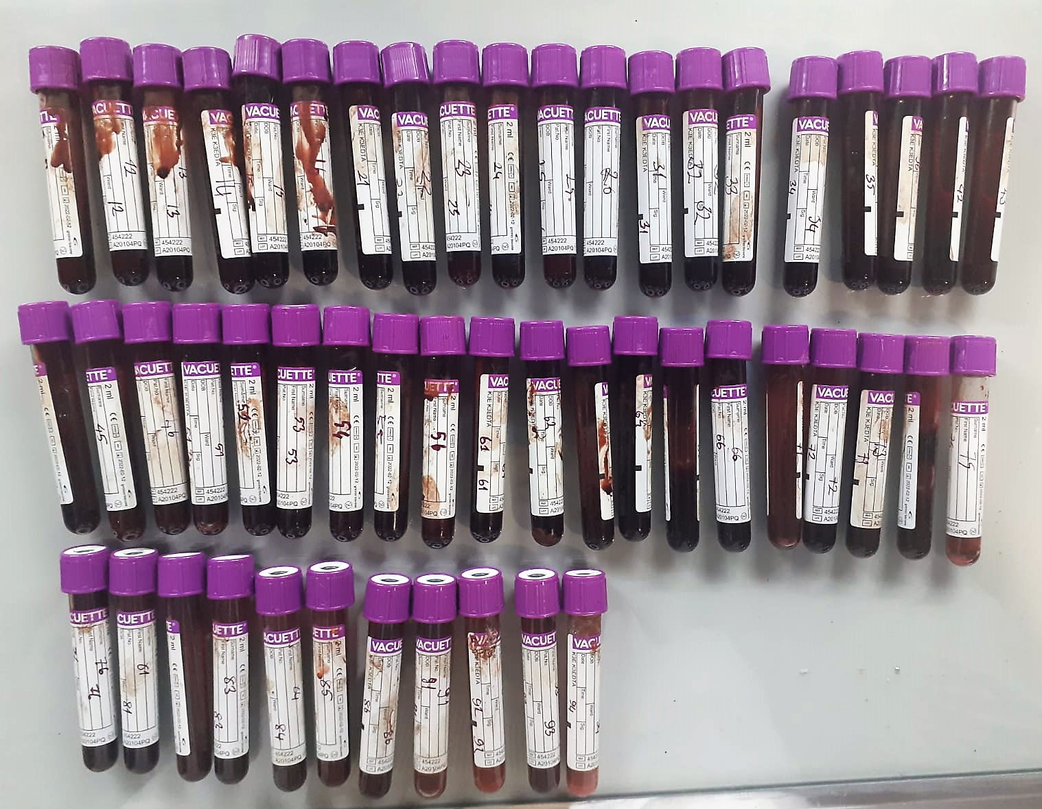

HbA1C Test Principle
The principle of the test is latex agglutination method that measures the ratio of hemoglobin A1C that occupy in total hemoglobin in the whole blood.
The sample is added to the swnsitized latex particles, and the surface of the latex adsorbs total hemoglobin in the sample.
Anti-human HbA1C Mouse monoclonal antibody complex agglutination by anti-mouse IgG antibody.
At this time, the amount of agglutination caused depends on the amount of HbA1C that adsorbs the surface of the latex, this agglutination is measured as a turbidity.
The concentration of HbA1C(%) in the sample is determined by referring to the calibration curve obtained by the same test of diluted standard solutions.

