TNF-A
2.086 | 0.268 | 0.379 | 0.316 | 0.341 | 0.295 | 0.366 | 0.361 | 0.38 | 0.348 | 0.316 | 0.338
1.259 | 0.073 | 0.344 | 0.382 | 0.33 | 0.387 | 0.436 | 0.355 | 0.33 | 0.358 | 0.338 | 0.365
0.75 | 0.087 | 0.365 | 0.356 | 0.391 | 0.401 | 0.412 | 0.502 | 0.372 | 0.362 | 0.445 | 0.383
0.417 | 0.079 | 0.195 | 0.281 | 0.311 | 0.311 | 0.39 | 0.435 | 0.368 | 0.329 | 0.335 | 0.362

TNF-ALFA
 | abs | abs-blank | expected | result
std1 | 2.086 | 2.013 | 640 | 639.98
std2 | 1.259 | 1.186 | 320 | 319.58
std3 | 0.75 | 0.677 | 160 | 162.37
std4 | 0.417 | 0.344 | 80 | 76.01
std5 | 0.268 | 0.195 | 40 | 41.58
blank | 0.073 | 0 | 0 | 0.48

 |  |  |  |  |  |  |  | concentratıon (ng/L)

Numune | absorbans | blank | abs-blank | result(ng/L)
K-1 | 0.379 | 0.073 | 0.306 | 66.98
K-2 | 0.344 | 0.073 | 0.271 | 58.82
K-3 | 0.365 | 0.073 | 0.292 | 63.70
K-4 | 0.195 | 0.073 | 0.122 | 25.67
K-5 | 0.316 | 0.073 | 0.243 | 52.39
K-6 | 0.382 | 0.073 | 0.309 | 67.69
A-1 | 0.356 | 0.073 | 0.283 | 61.60
A-2 | 0.281 | 0.073 | 0.208 | 44.48
A-3 | 0.341 | 0.073 | 0.268 | 58.12
A-4 | 0.33 | 0.073 | 0.257 | 55.59
A-5 | 0.391 | 0.073 | 0.318 | 69.81
A-6 | 0.311 | 0.073 | 0.238 | 51.25
A-7 | 0.295 | 0.073 | 0.222 | 47.63
A-8 | 0.387 | 0.073 | 0.314 | 68.87
A-9 | 0.401 | 0.073 | 0.328 | 72.18
A-10 | 0.311 | 0.073 | 0.238 | 51.25
B-1 | 0.366 | 0.073 | 0.293 | 63.93
B-2 | 0.436 | 0.073 | 0.363 | 80.58
B-3 | 0.412 | 0.073 | 0.339 | 74.81
B-4 | 0.39 | 0.073 | 0.317 | 69.57
B-5 | 0.361 | 0.073 | 0.288 | 62.76
B-6 | 0.355 | 0.073 | 0.282 | 61.37
C-1 | 0.502 | 0.073 | 0.429 | 96.81
C-2 | 0.435 | 0.073 | 0.362 | 80.34
C-3 | 0.38 | 0.073 | 0.307 | 67.21
C-4 | 0.33 | 0.073 | 0.257 | 55.59
C-5 | 0.372 | 0.073 | 0.299 | 65.33
C-6 | 0.368 | 0.073 | 0.295 | 64.40
D-1 | 0.348 | 0.073 | 0.275 | 59.74
D-2 | 0.358 | 0.073 | 0.285 | 62.06
D-3 | 0.362 | 0.073 | 0.289 | 63.00
D-4 | 0.329 | 0.073 | 0.256 | 55.36
D-5 | 0.316 | 0.073 | 0.243 | 52.39
D-6 | 0.338 | 0.073 | 0.265 | 57.43
E-1 | 0.445 | 0.073 | 0.372 | 82.77
E-2 | 0.335 | 0.073 | 0.262 | 56.74
E-3 | 0.338 | 0.073 | 0.265 | 57.43
E-4 | 0.365 | 0.073 | 0.292 | 63.70
E-5 | 0.383 | 0.073 | 0.31 | 67.92
E-6 | 0.362 | 0.073 | 0.289 | 63.00

NFKB
2.255 | 0.346 | 0.37 | 0.322 | 0.33 | 0.266 | 0.286 | 0.275 | 0.232 | 0.253 | 0.239 | 0.214
1.403 | 0.078 | 0.368 | 0.404 | 0.34 | 0.331 | 0.312 | 0.339 | 0.368 | 0.303 | 0.26 | 0.282
0.814 | 0.084 | 0.371 | 0.339 | 0.35 | 0.303 | 0.303 | 0.306 | 0.296 | 0.322 | 0.284 | 0.271
0.483 | 0.07 | 0.259 | 0.28 | 0.319 | 0.313 | 0.3 | 0.296 | 0.307 | 0.275 | 0.272 | 0.263

NFKB

 | abs | abs-blank | expected | result
std1 | 2.255 | 2.177 | 12 | 11.98
std2 | 1.403 | 1.325 | 6 | 6.07
std3 | 0.814 | 0.736 | 3 | 2.89
std4 | 0.483 | 0.405 | 1.5 | 1.43
std5 | 0.346 | 0.268 | 0.75 | 0.90
blank | 0.078 | 0 | 0 | -0.04

 |  |  |  |  |  |  |  |  |  | concentratıon (ng/ml)

Numune | absorbans | blank | abs-blank | result(ng/ml)
K-1 | 0.37 | 0.078 | 0.292 | 0.99
K-2 | 0.368 | 0.078 | 0.29 | 0.98
K-3 | 0.371 | 0.078 | 0.293 | 0.99
K-4 | 0.259 | 0.078 | 0.181 | 0.58
K-5 | 0.322 | 0.078 | 0.244 | 0.81
K-6 | 0.404 | 0.078 | 0.326 | 1.12
A-1 | 0.339 | 0.078 | 0.261 | 0.87
A-2 | 0.28 | 0.078 | 0.202 | 0.65
A-3 | 0.33 | 0.078 | 0.252 | 0.84
A-4 | 0.34 | 0.078 | 0.262 | 0.88
A-5 | 0.35 | 0.078 | 0.272 | 0.91
A-6 | 0.319 | 0.078 | 0.241 | 0.80
A-7 | 0.266 | 0.078 | 0.188 | 0.60
A-8 | 0.331 | 0.078 | 0.253 | 0.84
A-9 | 0.303 | 0.078 | 0.225 | 0.74
A-10 | 0.313 | 0.078 | 0.235 | 0.77
B-1 | 0.286 | 0.078 | 0.208 | 0.68
B-2 | 0.312 | 0.078 | 0.234 | 0.77
B-3 | 0.303 | 0.078 | 0.225 | 0.74
B-4 | 0.3 | 0.078 | 0.222 | 0.73
B-5 | 0.275 | 0.078 | 0.197 | 0.64
B-6 | 0.339 | 0.078 | 0.261 | 0.87
C-1 | 0.306 | 0.078 | 0.228 | 0.75
C-2 | 0.296 | 0.078 | 0.218 | 0.71
C-3 | 0.232 | 0.078 | 0.154 | 0.48
C-4 | 0.368 | 0.078 | 0.29 | 0.98
C-5 | 0.296 | 0.078 | 0.218 | 0.71
C-6 | 0.307 | 0.078 | 0.229 | 0.75
D-1 | 0.253 | 0.078 | 0.175 | 0.56
D-2 | 0.303 | 0.078 | 0.225 | 0.74
D-3 | 0.322 | 0.078 | 0.244 | 0.81
D-4 | 0.275 | 0.078 | 0.197 | 0.64
D-5 | 0.239 | 0.078 | 0.161 | 0.51
D-6 | 0.26 | 0.078 | 0.182 | 0.58
E-1 | 0.284 | 0.078 | 0.206 | 0.67
E-2 | 0.272 | 0.078 | 0.194 | 0.62
E-3 | 0.214 | 0.078 | 0.136 | 0.42
E-4 | 0.282 | 0.078 | 0.204 | 0.66
E-5 | 0.271 | 0.078 | 0.193 | 0.62
E-6 | 0.263 | 0.078 | 0.185 | 0.59

Materyal-metod
KİT ADI | TÜR | MARKA | CAT. NO | Yöntem | Kullanılan Cihaz
Tumor necrosis factor-alfa | Rat | BT | E0764Ra | ELİSA | Mıcroplate reader: BIO-TEK EL X 800-Aotu strıp washer:BIO TEK EL X 50
Nuclear factor-kappa B | Rat | BT | E0287Ra | ELİSA | Mıcroplate reader: BIO-TEK EL X 800-Aotu strıp washer:BIO TEK EL X 50

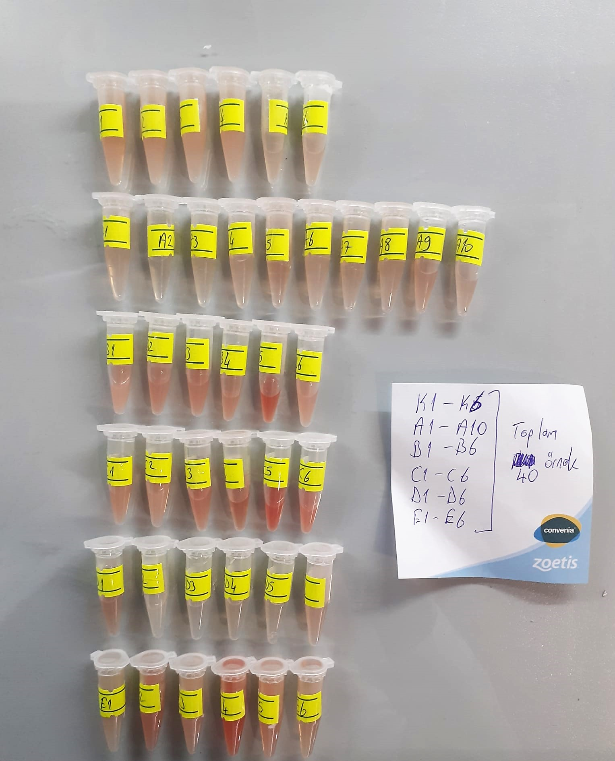

Rat TNF-Alfa Assay Principle
This kit is an Enzyme-Linked Immunosorbent Assay (ELISA). The plate has been pre-coated with Rat TNFA antibody. TNFA present in the sample is added and binds to antibodies coated on the wells.
And then biotinylated Rat TNFA Antibody is added and binds to TNFA in the sample. Then Streptavidin-HRP is added and binds to the Biotinylated TNFA antibody.
After incubation unbound Streptavidin-HRP is washed away during a washing step. Substrate solution is then added and color develops in proportion to the amount of Rat TNFA.
The reaction is terminated by addition of acidic stop solution and absorbance is measured at 450 nm.

Ra NF-KB Assay Principle
This kit is an Enzyme-Linked Immunosorbent Assay (ELISA). The plate has been pre-coated with Rat NF-KB antibody. NF-KB present in the sample is added and binds to antibodies coated on the wells.
And then biotinylated Rat NF-KB Antibody is added and binds to NF-KB in the sample. Then Streptavidin-HRP is added and binds to the Biotinylated NF-KB antibody.
After incubation unbound Streptavidin-HRP is washed away during a washing step. Substrate solution is then added and color develops in proportion to the amount of Rat NF-KB.
The reaction is terminated by addition of acidic stop solution and absorbance is measured at 450 nm.

