Sayfa1
0.385 | 0.947 | 0.988 | 1.087 | 1.156 | 1.101
0.527 | 1.06 | 1.038 | 1.015 | 1.177 | 1.052
0.808 | 1.023 | 1.086 | 0.954 | 1.092 | 1.065
1.091 | 0.95 | 1.004 | 0.925 | 1.169 | 1.182
1.292 | 0.909 | 1.005 | 1.156 | 1.195 | 1.056
1.632 | 0.915 | 1.045 | 0.926 | 1.088 | 1.067
1.983 | 1.184 | 0.982 | 0.856 | 1.077
2.198 | 0.817 | 1.194 | 0.986 | 1.282
BNP
 | abs | expected | result
std1 | 0.385 | 2000
std2 | 0.527 | 1000 | 989.88240225
std3 | 0.808 | 500 | 545.026736
std4 | 1.091 | 250 | 245.48390025
std5 | 1.292 | 125 | 123.232836
std6 | 1.632 | 62.5 | 87.550176
std7 | 1.983 | 31.25
blank | 2.198

Numune | absorbans | result (pg/ml)
K-1 | 0.947 | 379.28157225
K-2 | 1.06 | 271.0289
K-3 | 1.023 | 303.85860225
K-4 | 0.95 | 376.100625 |  |  |  | concentration (pg/ml)
K-5 | 0.909 | 421.02290025
K-6 | 0.915 | 414.25355625
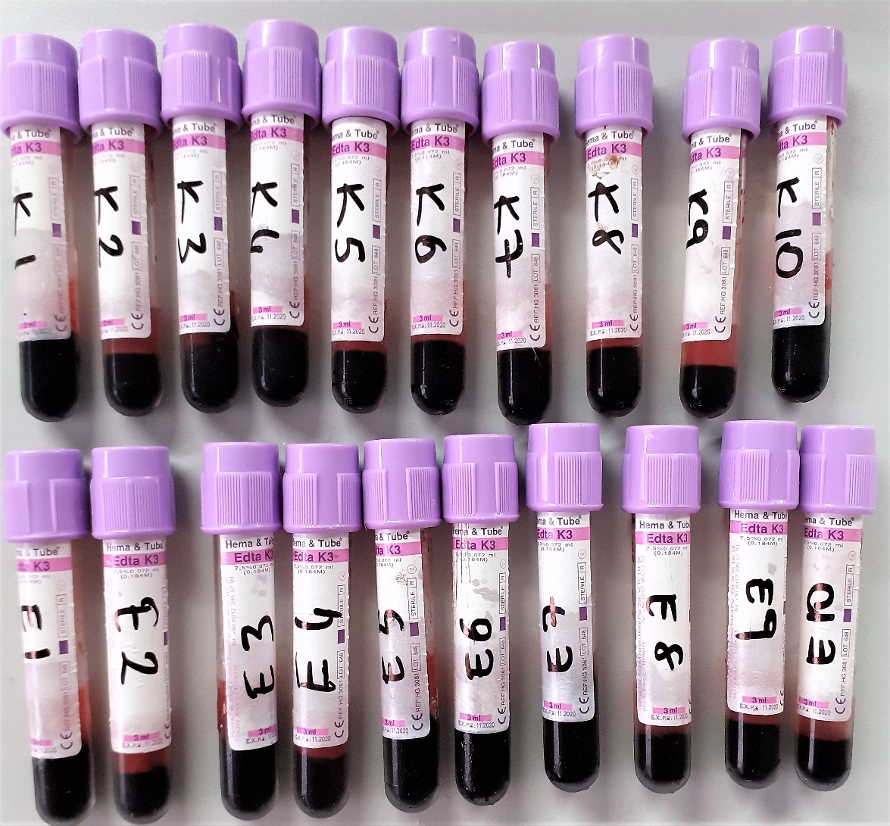
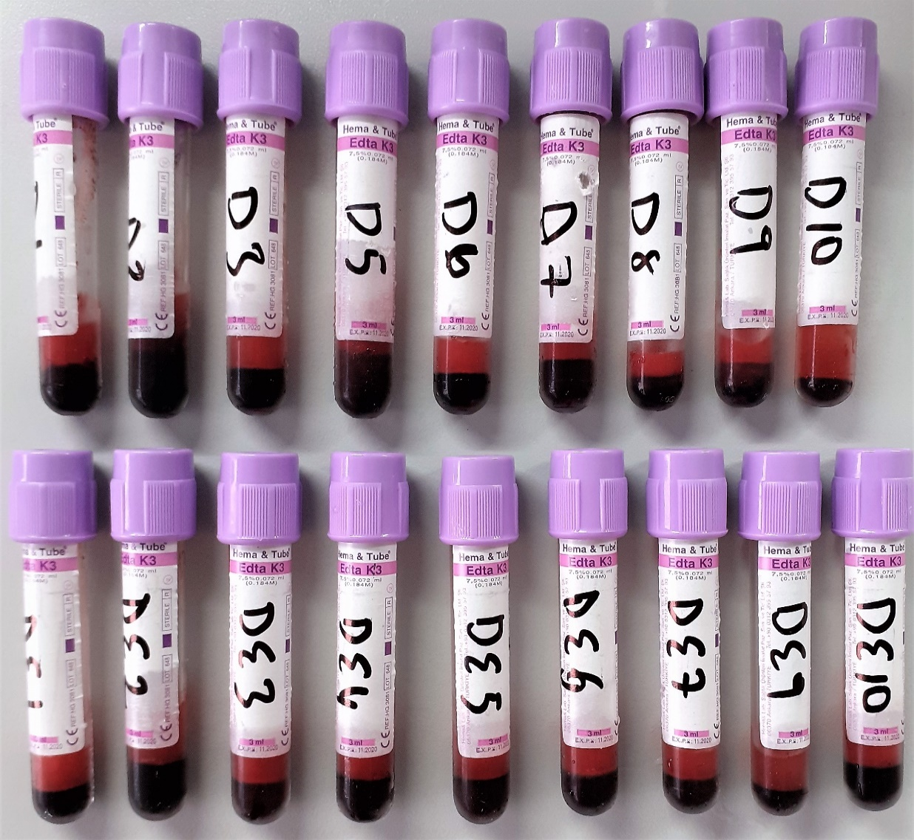
K-7 | 1.184 | 179.576544
K-8 | 0.817 | 533.20664225
K-9 | 0.988 | 337.257956
K-10 | 1.038 | 290.242281
E-1 | 1.086 | 249.483129
E-2 | 1.004 | 321.706884
E-3 | 1.005 | 320.75075625
E-4 | 1.045 | 284.03125625
E-5 | 0.982 | 343.212401
E-6 | 1.194 | 173.447889
E-7 | 1.087 | 248.67956225
E-8 | 1.015 | 311.29180625
E-9 | 0.954 | 371.885409
E-10 | 0.925 | 403.12015625
D-1 | 1.156 | 197.726564
D-2 | 0.926 | 402.017049
D-3 | 0.856 | 483.727664
D-5 | 0.986 | 339.235329
D-6 | 1.156 | 197.726564
D-7 | 1.177 | 183.97730225
D-8 | 1.092 | 244.689636
D-9 | 1.169 | 189.11837025
D-10 | 1.195 | 172.84525625
DE-1 | 1.088 | 247.877856
DE-2 | 1.077 | 256.79895225
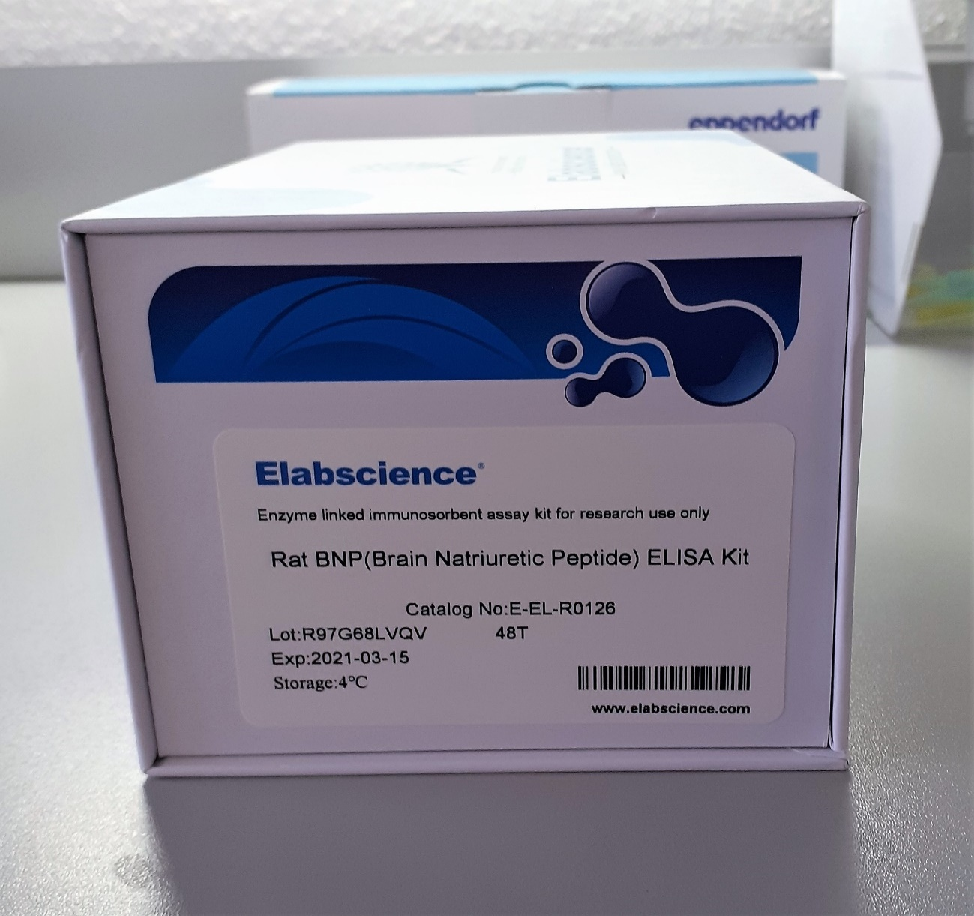
DE-3 | 1.282 | 127.538201
DE-4 | 1.101 | 237.62498025
DE-5 | 1.052 | 277.911396
DE-6 | 1.065 | 266.78780625
DE-7 | 1.182 | 180.824601
DE-9 | 1.056 | 274.455264
DE-10 | 1.067 | 265.10439225

