Materyal&Metot
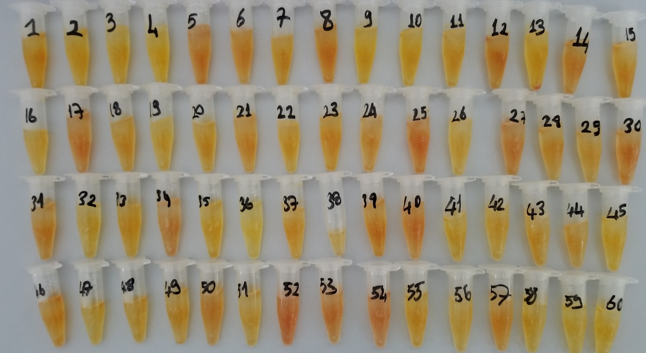
KİT ADI | TÜR | MARKA | CAT. NO | Yöntem | Kullanılan Cihaz
Total Antioxidant Status (TAS) | Universal | Relassay | RL0017 | Kolorimetrik | MINDRAY BS400
Total Oxidant Status (TOS) | Universal | Relassay | RL0024 | Kolorimetrik | MINDRAY BS400
Paraoxanase-1 (PON-1) | Universal | Relassay | RL0031 | Kolorimetrik | MINDRAY BS400
Arylesterase | Universal | Relassay | RL0055 | Kolorimetrik | MINDRAY BS400
IMA(Ischemia Modified Albumin) | Universal | Relassay | RL0307 | Kolorimetrik | MINDRAY-BS400
Çinko | Universal | Relassay |  | Kolorimetrik | MINDRAY-BS400
Bakır | Universal | Relassay |  | Kolorimetrik | MINDRAY-BS400
Catalase (CAT) | Universal | Relassay |  | Kolorimetrik | MINDRAY-BS400
Malondialdehyde (MDA) | Universal | Otto Scientific | Otto1001 | Kolorimetrik | MINDRAY-BS400
Nitric Oxide (NO) | Universal | Otto Scientific | Otto1003 | Kolorimetrik | MINDRAY-BS400
Super Oxide Dismutase (SOD) | Universal | Otto Scientific | Otto1004 | Kolorimetrik | MINDRAY-BS400
Glutathione Peroxidase (GPx) | Universal | Otto Scientific | Otto1005 | Kolorimetrik | MINDRAY-BS400

TOTAL ANTIOXDANT STATUS (TAS) (mmol/L)
TAS levels were measured using commercially available kits (Relassay, Turkey). The novel
automated method is based on the bleaching of characteristic color of a more stable ABTS
(2,2 ′ - Azino-bis(3-ethylbenzothiazoline-6-sulfonic acid)) radical cation by antioxidants. The
assay has excellent precision values, which are lower than 3%. The results were expressed as
mmol Trolox equivalent/L (Erel O. A novel automated direct measurement method for total
antioxidant capacity using a new generation, more stable ABTS radicalcation. Clin Biochem
2004;37:277-85.)
(Relassay,Turkey)
Erel O. A novel automated method to measure total antioxidant response against potent free radical reactions. Clin Biochem. 2004 Feb;37(2):112-

TOTAL OXIDANT STATUS (TOS) (µmol/L)
TOS levels were measured using commercially available kits (Relassay, Turkey. In the new
method, oxidants present in the sample oxidized the ferrous ion-o-dianisidine complex to
ferric ion. The oxidation reaction was enhanced by glycerol molecules abundantly present in
the reaction medium. The ferric ion produced a colored complex with xylenol orange in an
acidic medium. The color intensity, which could be measured spectrophotometrically, was
related to the total amount of oxidant molecules present in the sample. The assay was
calibrated with hydrogen peroxide and the results were expressed in terms of
micromolar hydrogen peroxide equivalent per liter (μmol H2O2 equivalent/L). ( Erel O. A
new automated colorimetric method for measuringtotal oxidant status. Clin Biochem
2005;38:1103-11. ).
(Relassay,Turkey)
Erel O. A new automated colorimetric method for measuring total oxidant status. Clin Biochem. 2005 Dec;38(12):1103-11.

OXIDATIVE STRESS INDEX (OSI)
The ratio of TOS to TAS was accepted as the oxidative stress index (OSI). For calculation, the
resulting unit of TAS was converted to μmol/L, and the OSI value was calculated according to
the following Formula : OSI (arbitrary unit) =
TOS (μmol H2O2 equivalent/L) / TAC (μmol Trolox equivalent/L). (1-3).
1. Yumru M, Savas HA, Kalenderoglu A, Bulut M, Celik H, Erel O. Oxidative imbalance in
bipolar disorder subtypes: a comparative study. Prog Neuropsychopharmacol Biol Psychiatry.
2009 Aug 31;33(6):1070-4.
2. Kosecik M, Erel O, Sevinc E, Selek S. Increased oxidative stress in children exposed to
passive smoking. Int J Cardiol 2005;100:61–4.
3. (Harma M, Harma M, Erel O (2003) Increased oxidative stress in patients with
hydatidiform mole. Swiss Med Wkly 133:563-536).

Malondialdehyde (MDA) nmol/L RL0057
The MDA level was determined by a method based
on the reaction with thiobarbituric acid (TBA) at 90–100_C
. In the TBA test reaction, MDA or MDA-like
substances and TBA react with the production of a pink
pigment with a maximum absorption at 532 nm. The
reaction was performed at pH 2–3 at 90_C for 15 min. The
sample was mixed with two volumes of cold 10% (w/v)
trichloroacetic acid for the precipitation of protein. The
precipitate was pelleted by centrifugation, and an aliquot of
the supernatant was reacted with an equal volume of 0.67%
(w/v) TBA in a boiling water bath for 10 min. After
cooling, the absorbance was read at 532 nm.
Janero, D.R. Malondialdehyde and thiobarbituric acid-reactivity as diagnostic
indices of lipid peroxidation and peroxidative tissue injury, Free Rad. Biol. Med.
9:515-540; 1990

Nitric Oxide (NO) (µmol/L)
NO is easily oxidized to form N0² in vivo or in aqueous solution, and a reddish azo compoun is formed with the color developing agent, and the concentratıon of the azo compound is linearly related to the concentration of NO.
The concentration of NO can be calculated indirectly by measuring the OD value at 550 nm.

Super Oxide Dismutase (SOD) U/ml
The role of speroxide dismutase is to accelerate the dismutation of the toxic radical, produced
during oxidative energy processes to hydrogen peroxide and molecular oxygen. This method
employs xanthine and xanthine oxidase to generate superoxide radicals which react with 2-(4-
iodophenyl)-3-(4-nitrophenol)-5-phenyltetrazolium chloride to form a red formazan dye.. the
superoxide dismutase activity is then measured by the degree of inhibiton of this reaction
1. Arthur JR, Boyne R Life Sciences 1985 36: 1569-1575.
2. Suttle NF, The Veterinary Record 1986, 119: 519-522.
3. Suttle NF, McMurray CH Research in Veterinary Science 1983; 35: 47-52.
4. Woolliams JA, Wiener G, Anderson PH, McMurray CH Research in Veterinary Science 1983, 34: 253-256.

Catalase (CAT) U/L
This colorimetric assay involves two steps. Sample is first incubated with a known amount of
hydrogen peroxide. Sample converts hydrogen peroxide to water and oxygen. The ratio is
proportional to the concentration of catalase. The enzyme is stopped and the remaining
hydrogen peroxide, following a fixed incubation period, is determined using a chromogen.
The resulting absorbance is measured at 405 nm and the obtained results are expressed as U/L.
Góth L. A simple method for determination of serum catalase activity and revision of reference range. Clin Chim Acta. 1991 Feb 15;196(2-3):143-151.

Myeloperoxidase (MPO) U/L
MPO posseses various catalytical activities. It exhibits the main catalytical activity by the
production of hypochlorous acid (HClO) from hydrogen peroxide (H2O2) and chloride anion,
Cl- (or halide). MPO also exhibits peroxidase activity that catalyzes oxidation of a number of
substrates by H2O2. These reactions categories have been widely used to assess the
activities of MPO.
The Relassay Myeloperoxidase Chlorination Activity Assay Kit and The Relassay
Myeloperoxidase Peroxidation Activity Assay Kit are quantitative and colorimetric assay kits
for measuring the myeloperoxidase activity within a sample. In the The Relassay
Myeloperoxidase Chlorination Activity Assay Kit, MPO catalyzes the formation of
hypochlorous acid, which reacts with taurine to form taurine chloroamine. Taurine chloroamine reacts with the chromophore TNB, resulting in the formation of the colorless
product DTNB. One unit of MPO activity is defined as the amount of enzyme that hydrolyzes
the substrate and generates taurine chloramine to consume 1.0 μmole of TNB per minute.In
the The Relassay Myeloperoxidase Peroxidation Activity Assay Kit, MPO catalyzes odianisidine
to colored o-dianisidyl radical using H2O2. The increasing absorbance is
monitored at 412 nm and the activity is measured kinetically. This kit can be used manually
and easily adapted to automated analyzers.
(Relassay, Turkey)

1- Kusuma KS*, Vasudha KC, Vanitha Gowda MN. A Comparative Study of Serum Myeloperoxidase Activity in Type 2 Diabetes and Diabetic Nephropathy. Biomedical Research (2009) Volume 20, Issue 3: 198-204
2- Krueger AJ, Yang JJ, Roy TA, Robbins DJ, Mackerer CR. An Automated Myeloperoxidase Assay. Clin Chem 1990;36:158
3- Worthington Enzyme Manual. Freehold, NJ: Worthington Biochemical Corp;1972.43-55.

Zinc (ZN) μg/dl
Zinc found in the samples change the red-orange color of 5-Br-PAPS to light pink under alkaline conditions.
The change of absorbance at 548 nm is proportional to total zinc level in the sample.
The assay can be calibrated with zinc sulfate dissolved in deionized water.
(Relassay, Turkey)

Copper (CU) μg/dl
Copper found in the samples change the red-orange color of DiBr-PAESA to violet under acidic conditions.
The change of absorbance at 572 nm is proportional to total copper concentration in the sample.
The assay can be calibrated with copper sulfate dissolved in deionized water.
(Relassay, Turkey)

Paraoxonase and Arylesterase activities;
Paraoxonase and arylesterase activities were measured using
commercially available kits (Relassay, Turkey).
The rate of paraoxon hydrolysis (diethylpnitrophenylphosphate)
was measured by monitoring the increase of
absorption at 412 nm at 37 °C. The amount of generated p-nitrophenol
was calculated from the molar absorption coefficient at pH 8.5, which
was 18.290 M−1 cm−1 Paraoxonase activity was expressed as U/L
serum. Phenylacetate was used as a substrate to measure the
arylesterase activity. Enzymatic activity was calculated from the molar
absorption coefficient of the produced phenol, 1310 M−1 cm−1. One unit
of arylesterase activity was defined as 1 μmol phenol generated per
minute under the above conditions and expressed as U/L
(Relassay, Turkey)

GPx (U/L)
This method is based on that of Paglia and Valentine. Glutathione Peroxidase (GPx) catalses of the
oxidation of glutathione by cumene hydroperoxide. In the presence of glutathione (GSSG) is
immediately converted to the reduced form with a concomitant oxidation of NADPH to NADP. The decrease in absorbance at 340 nm is measured
Referanslar
Paglia, D.E. and Valentine, W.N., J. Lab. Clin. Med., 1967; 70: 158.
Prohaska, J.R., Oh, S.H., Hoekstra, W.G. & Ganther,
H.E. Biochem. & Biophys. Res. Comm. 1977; 74: 64.
Kraus, R.J. & Ganther, H. E. Biochem. & Biophys. Res. Comm 1980; 96: 1116.

Ischemia Modified Albumin (IMA)
The colorimetric assay format quantitatively measures
unbound cobalt remaining after cobalt-albumin binding
has occurred. Thus, with reduced cobalt-albumin binding,
there is more free, unbound cobalt detected, resulting
in elevated assay levels.

