Melatonin-1
0.087 | 0.915 | 0.968 | 1.84 | 1.263 | 1.075 | 0.997 | 1.767 | 1.343 | 1.875 | 1.847 | 1.755
0.582 | 1.032 | 1.266 | 1.625 | 0.747 | 1.077 | 1.264 | 0.997 | 1.639 | 1.622 | 2.02 | 1.373
0.958 | 1.242 | 1.265 | 2.075 | 1.621 | 0.901 | 0.958 | 1.138 | 0.906 | 1.255 | 0.821 | 1.711
1.248 | 0.584 | 0.598 | 1.592 | 1.823 | 1.174 | 1.561 | 1.519 | 1.107 | 0.884 | 1.392 | 0.75
1.451 | 0.887 | 0.588 | 1.44 | 1.467 | 2.178 | 1.992 | 1.249 | 1.204 | 1.007 | 0.842 | 0.973
1.546 | 1.901 | 1.422 | 1.13 | 0.868 | 1.694 | 0.988 | 1.591 | 0.989 | 1.106 | 1.351 | 2.007
1.962 | 2.032 | 2.011 | 2.09 | 1.346 | 1.305 | 0.77 | 0.645 | 1.934 | 1.273 | 0.494 | 0.921
 | 1.997 | 1.045 | 1.695 | 2.297 | 1.142 | 1.587 | 1.677 | 1.225 | 1.735 | 1.409 | 1.412

Melatonin

 | absorbans | expected | result
std1 | 0.087 | 1000 | 992.914
std2 | 0.582 | 500 | 513.925
std3 | 0.958 | 250 | 254.870
std4 | 1.248 | 125 | 116.862
std5 | 1.451 | 62.5 | 52.276
std6 | 1.546 | 31.25 | 31.109
blank | 1.962 | 0 | 6.434

 |  |  |  |  |  |  |  | concentratıon (pg/ml)

Numune | absorbans | result
1.zaman-1 | 0.915 | 279.915
1.zaman-2 | 1.032 | 214.540
1.zaman-4 | 1.242 | 119.172
1.zaman-5 | 0.584 | 512.308
1.zaman-6 | 0.887 | 296.859
1.zaman-7 | 1.901 | 3.124
1.zaman-8 | 2.032 | 13.167
1.zaman-9 | 1.997 | 9.409
1.zaman-10 | 0.968 | 249.215
1.zaman-11 | 1.266 | 110.070
1.zaman-12 | 1.265 | 110.441
1.zaman-14 | 0.598 | 501.059
1.zaman-16 | 0.588 | 509.081
1.zaman-18 | 1.422 | 59.888
1.zaman-19 | 2.011 | 10.818
1.zaman-20 | 1.045 | 207.817
1.zaman-21 | 1.84 | 2.195
1.zaman-22 | 1.625 | 17.905
1.zaman-23 | 2.075 | 18.857
1.zaman-24 | 1.592 | 22.935
1.zaman-25 | 1.44 | 55.100
1.zaman-26 | 1.13 | 166.523
1.zaman-27 | 2.09 | 21.121
1.zaman-28 | 1.695 | 9.543
1.zaman-29 | 1.263 | 111.187
1.zaman-30 | 0.747 | 389.105
1.zaman-31 | 1.621 | 18.478
1.zaman-32 | 1.823 | 2.360
1.zaman-33 | 1.467 | 48.307
1.zaman-37 | 0.868 | 308.642
1.zaman-38 | 1.346 | 82.390
1.zaman-39 | 2.297 | 67.058
1.zaman-40 | 1.075 | 192.715
1.zaman-41 | 1.077 | 191.728
1.zaman-42 | 0.901 | 288.324
1.zaman-43 | 1.174 | 146.964
1.zaman-44 | 2.178 | 37.299
1.zaman-45 | 1.694 | 9.640
1.zaman-46 | 1.305 | 96.064
1.zaman-48 | 1.142 | 161.066
1.zaman-49 | 0.997 | 233.178
1.zaman-50 | 1.264 | 110.814
1.zaman-51 | 0.958 | 254.870
1.zaman-52 | 1.561 | 28.295
1.zaman-53 | 1.992 | 8.936
1.zaman-54 | 0.988 | 238.098
1.zaman-55 | 0.77 | 373.089
1.zaman-57 | 1.587 | 23.758
1.zaman-62 | 1.767 | 4.212
1.zaman-63 | 0.997 | 233.178
1.zaman-64 | 1.138 | 162.875
1.zaman-65 | 1.519 | 36.538
1.zaman-66 | 1.249 | 116.479
1.zaman-67 | 1.591 | 23.099
1.zaman-68 | 0.645 | 464.211
1.zaman-71 | 1.677 | 11.394
1.zaman-72 | 1.343 | 83.354
1.zaman-75 | 1.639 | 15.982
1.zaman-76 | 0.906 | 285.306
1.zaman-77 | 1.107 | 177.241
1.zaman-78 | 1.204 | 134.338
1.zaman-80 | 0.989 | 237.549
1.zaman-81 | 1.934 | 4.619
1.zaman-82 | 1.225 | 125.842
1.zaman-83 | 1.875 | 2.437
1.zaman-87 | 1.622 | 18.334
2.zaman-1 | 1.255 | 114.196
2.zaman-2 | 0.884 | 298.704
2.zaman-4 | 1.007 | 227.773
2.zaman-5 | 1.106 | 177.714
2.zaman-6 | 1.273 | 107.484
2.zaman-7 | 1.735 | 6.172
2.zaman-8 | 1.847 | 2.180
2.zaman-9 | 2.02 | 11.790
2.zaman-10 | 0.821 | 338.784
2.zaman-11 | 1.392 | 68.329
2.zaman-12 | 0.842 | 325.142
2.zaman-14 | 1.351 | 80.796
2.zaman-16 | 0.494 | 587.620
2.zaman-18 | 1.409 | 63.475
2.zaman-19 | 1.755 | 4.870
2.zaman-20 | 1.373 | 73.973
2.zaman-21 | 1.711 | 8.072
2.zaman-22 | 0.75 | 386.997
2.zaman-23 | 0.973 | 246.412
2.zaman-24 | 2.007 | 10.402
2.zaman-25 | 0.921 | 276.349
2.zaman-26 | 1.412 | 62.638

Melatonin-2
0.081 | 1.352 | 1.284 | 1.515 | 1.415 | 0.684 | 1.822 | 1.115 | 0.641 | 1.18 | 1.435 | 0.805
0.581 | 1.737 | 2.232 | 1.667 | 1.557 | 1.209 | 1.096 | 0.898 | 1.408 | 1.417 | 0.745 | 1.161
0.955 | 1.687 | 0.975 | 1.594 | 0.517 | 1.521 | 1.99 | 1.318 | 0.918 | 1.061 | 0.63 | 0.896
1.258 | 0.912 | 1.478 | 1.383 | 1.569 | 1.921 | 1.771 | 0.889 | 0.731 | 1.703 | 1.42 | 0.783
1.445 | 1.725 | 0.756 | 1.831 | 0.777 | 1.527 | 0.954 | 0.462 | 1.438 | 1.172 | 0.323 | 1.013
1.549 | 2.407 | 0.893 | 1.368 | 0.338 | 1.714 | 0.59 | 0.728 | 0.959 | 0.749 | 0.813 | 0.824
1.631 | 1.564 | 1.335 | 1.892 | 0.844 | 1.24 | 0.854 | 0.394 | 0.945 | 1.96 | 0.715 | 1.145
2.01 | 0.826 | 1.206 | 1.671 | 1.491 | 0.434 | 0.765 | 0.818 | 1.322 | 1.1 | 0.684 | 2.014

Melatonin
0.081 | 1000
0.581 | 500
0.955 | 250
1.258 | 125
1.445 | 62.5
1.549 | 31.25
1.631 | 15.63
2.01 | 0
 | absorbans | expected | result
std1 | 0.081 | 1000 | 992.762
std2 | 0.581 | 500 | 513.603
std3 | 0.955 | 250 | 257.392
std4 | 1.258 | 125 | 113.957
std5 | 1.445 | 62.5 | 54.083
std6 | 1.549 | 31.25 | 30.247
std7 | 1.631 | 15.63 | 16.222
blank | 2.01 | 0 | 6.025

 |  |  |  |  |  |  |  | concentratıon (pg/ml)

Numune | absorbans | result
2.zaman-27 | 1.352 | 81.127
2.zaman-28 | 1.737 | 4.322
2.zaman-29 | 1.687 | 9.060
2.zaman-30 | 0.912 | 282.399
2.zaman-31 | 1.725 | 5.316
2.zaman-32 | 2.407 | 91.665
2.zaman-33 | 1.564 | 27.367
2.zaman-37 | 0.826 | 335.883
2.zaman-38 | 1.284 | 104.324
2.zaman-39 | 2.232 | 41.767
2.zaman-40 | 0.975 | 246.155
2.zaman-41 | 1.478 | 45.787
2.zaman-42 | 0.756 | 382.830
2.zaman-43 | 0.893 | 293.818
2.zaman-44 | 1.335 | 86.655
2.zaman-45 | 1.206 | 134.492
2.zaman-46 | 1.515 | 37.296
2.zaman-48 | 1.667 | 11.392
2.zaman-49 | 1.594 | 22.030
2.zaman-50 | 1.383 | 71.511
2.zaman-51 | 1.831 | -0.353
2.zaman-52 | 1.368 | 76.089
2.zaman-53 | 1.892 | -0.430
2.zaman-54 | 1.671 | 10.906
2.zaman-55 | 1.415 | 62.216
2.zaman-57 | 1.557 | 28.694
2.zaman-62 | 0.517 | 566.210
2.zaman-63 | 1.569 | 26.438
2.zaman-64 | 0.777 | 368.424
2.zaman-65 | 0.338 | 726.948
2.zaman-66 | 0.844 | 324.306
2.zaman-67 | 1.491 | 42.706
2.zaman-68 | 0.684 | 434.315
2.zaman-71 | 1.209 | 133.261
2.zaman-72 | 1.521 | 35.999
2.zaman-75 | 1.921 | 0.349
2.zaman-76 | 1.527 | 34.725
2.zaman-77 | 1.714 | 6.307
2.zaman-78 | 1.24 | 120.874
2.zaman-80 | 0.434 | 638.251
2.zaman-81 | 1.822 | -0.144
2.zaman-82 | 1.096 | 183.503
2.zaman-83 | 1.99 | 4.318
2.zaman-87 | 1.771 | 1.993
3.zaman-1 | 0.954 | 257.961
3.zaman-2 | 0.59 | 506.410
3.zaman-4 | 0.854 | 317.962
3.zaman-5 | 0.765 | 376.622
3.zaman-6 | 1.115 | 174.497
3.zaman-7 | 0.898 | 290.791
3.zaman-8 | 1.318 | 92.364
3.zaman-9 | 0.889 | 296.250
3.zaman-10 | 0.462 | 613.467
3.zaman-11 | 0.728 | 402.466
3.zaman-12 | 0.394 | 674.508
3.zaman-14 | 0.818 | 341.093
3.zaman-16 | 0.641 | 466.609
3.zaman-18 | 1.408 | 64.195
3.zaman-19 | 0.918 | 278.841
3.zaman-20 | 0.731 | 400.339
3.zaman-21 | 1.438 | 55.931
3.zaman-22 | 0.959 | 255.125
3.zaman-23 | 0.945 | 263.105
3.zaman-24 | 1.322 | 91.004
3.zaman-25 | 1.18 | 145.394
3.zaman-26 | 1.417 | 61.656
3.zaman-27 | 1.061 | 200.685
3.zaman-28 | 1.703 | 7.373
3.zaman-29 | 1.172 | 148.833
3.zaman-30 | 0.749 | 387.693
3.zaman-31 | 1.96 | 2.227
3.zaman-32 | 1.1 | 181.589
3.zaman-33 | 1.435 | 56.732
3.zaman-37 | 0.745 | 390.486
3.zaman-38 | 0.63 | 475.056
3.zaman-39 | 1.42 | 60.822
3.zaman-40 | 0.323 | 741.328
3.zaman-41 | 0.813 | 344.370
3.zaman-42 | 0.715 | 411.750
3.zaman-43 | 0.684 | 434.315
3.zaman-44 | 0.805 | 349.645
3.zaman-45 | 1.161 | 153.628
3.zaman-46 | 0.896 | 292.000
3.zaman-48 | 0.783 | 364.359
3.zaman-49 | 1.013 | 225.493
3.zaman-50 | 0.824 | 337.181
3.zaman-51 | 1.145 | 160.737
3.zaman-52 | 2.014 | 6.396

Melatonin-3
0.084 | 0.71 | 1.482 | 0.954 | 1.409 | 0.687 | 0.729 | 1.136 | 0.691 | 0.801 | 0.808 | 0.872
0.583 | 1.078 | 0.553 | 0.416 | 0.694 | 0.574 | 1.632 | 0.882 | 0.935 | 1.562 | 1.278 | 1.376
0.946 | 1.579 | 0.568 | 1.373 | 1.009 | 0.74 | 0.996 | 0.897 | 0.641 | 1.262 | 0.907 | 0.522
1.254 | 0.703 | 0.741 | 0.715 | 1.464 | 0.46 | 0.709 | 0.781 | 1.088 | 1.008 | 0.93 | 0.516
1.455 | 1.021 | 0.41 | 0.754 | 1.306 | 1.176 | 1.379 | 0.469 | 0.453 | 0.54 | 0.357 | 1.199
1.543 | 1.041 | 1.193 | 1.137 | 1.202 | 0.707 | 1.497 | 0.94 | 0.655 | 0.548 | 0.891 | 0.802
1.611 | 0.78 | 1.286 | 0.718 | 0.33 | 0.832 | 1.122 | 0.458 | 1.096 | 1.069 | 0.665 | 1.771
2.001 | 0.77 | 1.086 | 0.361 | 0.551 | 0.268 | 0.984 | 0.731 | 1.227 | 0.981 | 1.057 | 1.106

Melatonin
0.084 | 1000
0.583 | 500
0.946 | 250
1.254 | 125
1.455 | 62.5
1.543 | 31.25
1.611 | 15.63
2.001 | 0

 | absorbans | expected | result
std1 | 0.084 | 1000 | 992.870
std2 | 0.583 | 500 | 511.691
std3 | 0.946 | 250 | 260.880
std4 | 1.254 | 125 | 113.607
std5 | 1.455 | 62.5 | 49.941
std6 | 1.543 | 31.25 | 30.132
std7 | 1.611 | 15.63 | 18.188
blank | 2.001 | 0 | 6.333

 |  |  |  |  |  |  |  | concentratıon (pg/ml)

Numune | absorbans | result
3.zaman-53 | 0.71 | 414.437
3.zaman-54 | 1.078 | 190.396
3.zaman-55 | 1.579 | 23.443
3.zaman-57 | 0.703 | 419.531
3.zaman-62 | 1.021 | 219.477
3.zaman-63 | 1.041 | 209.038
3.zaman-64 | 0.78 | 365.206
3.zaman-65 | 0.77 | 372.049
3.zaman-66 | 1.482 | 43.341
3.zaman-67 | 0.553 | 536.158
3.zaman-68 | 0.568 | 523.853
3.zaman-71 | 0.741 | 392.251
3.zaman-72 | 0.41 | 660.628
3.zaman-75 | 1.193 | 137.997
3.zaman-76 | 1.286 | 101.756
3.zaman-77 | 1.086 | 186.479
3.zaman-78 | 0.954 | 256.294
3.zaman-80 | 0.416 | 655.145
3.zaman-81 | 1.373 | 72.820
3.zaman-82 | 0.715 | 410.818
3.zaman-83 | 0.754 | 383.129
3.zaman-87 | 1.137 | 162.465
4.zaman-1 | 0.718 | 408.653
4.zaman-2 | 0.361 | 706.262
4.zaman-4 | 1.409 | 62.250
4.zaman-5 | 0.694 | 426.126
4.zaman-6 | 1.009 | 225.861
4.zaman-7 | 1.464 | 47.689
4.zaman-8 | 1.306 | 94.679
4.zaman-9 | 1.202 | 134.250
4.zaman-10 | 0.33 | 735.919
4.zaman-11 | 0.551 | 537.809
4.zaman-12 | 0.687 | 431.291
4.zaman-14 | 0.574 | 518.971
4.zaman-16 | 0.74 | 392.957
4.zaman-18 | 0.46 | 615.632
4.zaman-19 | 1.176 | 145.215
4.zaman-20 | 0.707 | 416.617
4.zaman-21 | 0.832 | 330.646
4.zaman-22 | 0.268 | 797.062
4.zaman-23 | 0.729 | 400.767
4.zaman-24 | 1.632 | 15.093
4.zaman-25 | 0.996 | 232.881
4.zaman-26 | 0.709 | 415.163
4.zaman-27 | 1.379 | 71.001
4.zaman-28 | 1.497 | 39.874
4.zaman-29 | 1.122 | 169.357
4.zaman-30 | 0.984 | 239.456
4.zaman-31 | 1.136 | 162.920
4.zaman-32 | 0.882 | 299.032
4.zaman-33 | 0.897 | 289.857
4.zaman-37 | 0.781 | 364.525
4.zaman-38 | 0.469 | 607.702
4.zaman-39 | 0.94 | 264.346
4.zaman-40 | 0.458 | 617.402
4.zaman-41 | 0.731 | 399.341
4.zaman-42 | 0.691 | 428.336
4.zaman-43 | 0.935 | 267.252
4.zaman-44 | 0.641 | 466.007
4.zaman-45 | 1.088 | 185.507
4.zaman-46 | 0.453 | 621.836
4.zaman-48 | 0.655 | 455.299
4.zaman-49 | 1.096 | 181.641
4.zaman-50 | 1.227 | 124.112
4.zaman-51 | 0.801 | 351.042
4.zaman-52 | 1.562 | 26.499
4.zaman-53 | 1.262 | 110.584
4.zaman-54 | 1.008 | 226.398
4.zaman-55 | 0.54 | 546.937
4.zaman-57 | 0.548 | 540.291
4.zaman-62 | 1.069 | 194.851
4.zaman-63 | 0.981 | 241.114
4.zaman-64 | 0.808 | 346.383
4.zaman-65 | 1.278 | 104.658
4.zaman-66 | 0.907 | 283.820
4.zaman-67 | 0.93 | 270.174
4.zaman-68 | 0.357 | 710.055
4.zaman-71 | 0.891 | 293.510
4.zaman-72 | 0.665 | 447.727
4.zaman-75 | 1.057 | 200.870
4.zaman-76 | 0.872 | 305.228
4.zaman-77 | 1.376 | 71.908
4.zaman-78 | 0.522 | 562.040
4.zaman-80 | 0.516 | 567.120
4.zaman-81 | 1.199 | 135.493
4.zaman-82 | 0.802 | 350.375
4.zaman-83 | 1.771 | 1.655
4.zaman-87 | 1.106 | 176.866

Materyal-Metod
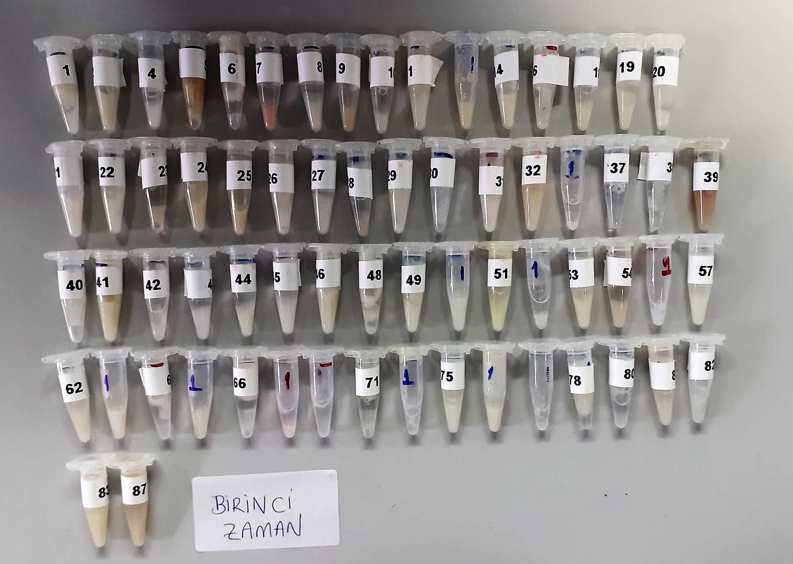
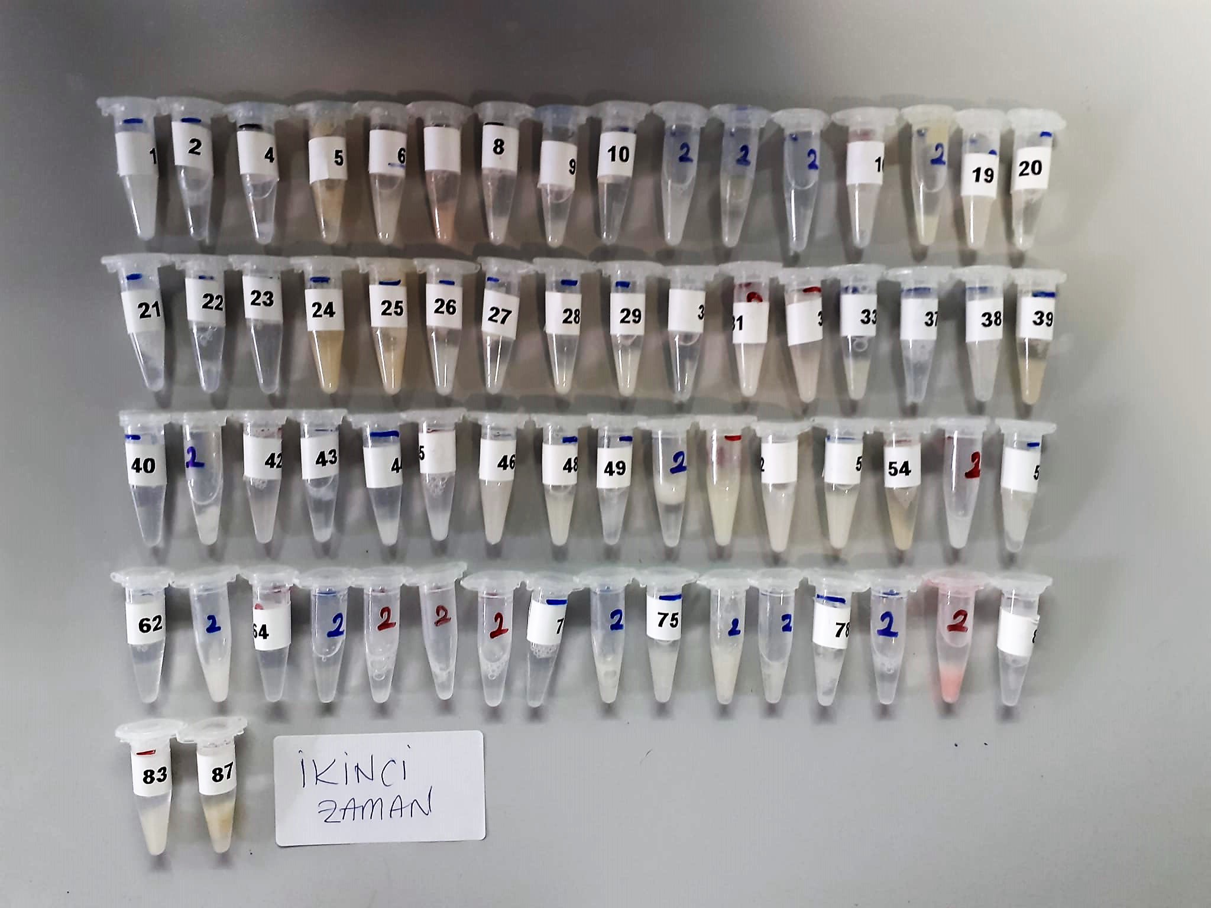
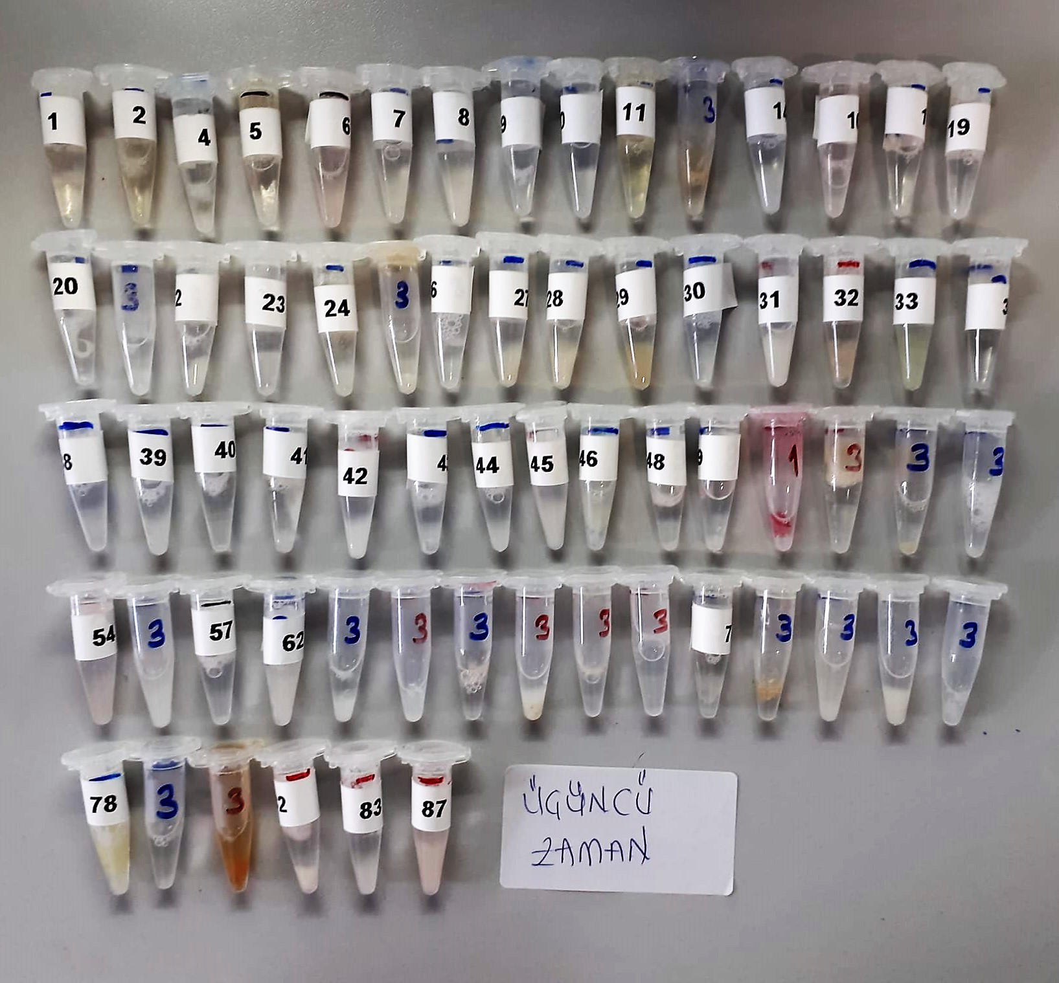
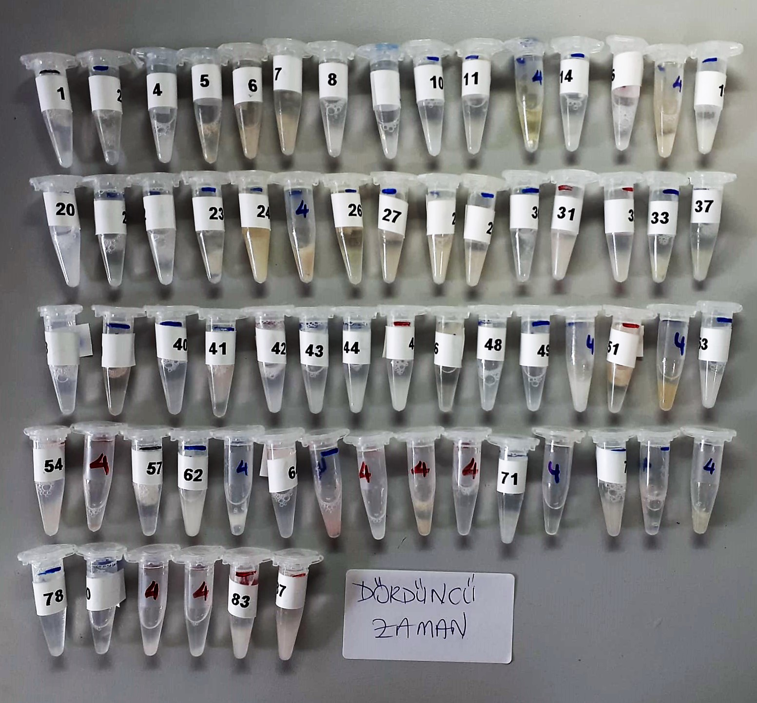
KİT ADI | TÜR | MARKA | LOT | CAT. NO
MT (Melatonin) | Human | ELABSCIENCE | P2EMV5IZKF | E-EL-H2016

Centrifuge: HETTICH Mıcro 200-R
Microplate Reader: BIO-TEK EL X 800
Auto Strip Washer: BIO-TEK EL X 50

Test Principle
This ELISA kit uses the Competitive-ELISA principle. The micro ELISA plate provided in this kit has been pre-coated with MT. During the reaction,
MT in the sample or standard competes with a fixed amount of MT on the solid phase supporter for sites on the Biotinylated Detection Ab specific to MT.
Excess conjugate and unbound sample or standard are washed away, and Avidin-Horseradish Peroxidase (HRP) conjugate are added to each micro plate well and incubated.
Then a TMB substrate solution is added to each well. The enzyme-substrate reaction is terminated by the addition of stop solution and the color turns from blue to yellow.
The optical density (OD) is measured spectrophotometrically at a wavelength of 450 nm ± 2 nm. The concentration of MT in tested samples can be calculated by comparing the OD of the samples to the standard curve.

