Materyal-metod
KİT ADI | TÜR | Numune Türü | MARKA | CAT. NO | Yöntem | Kullanılan Cihaz
AST( Aspartat Aminotransferaz) | Universal | Serum | Otto Scientific | OttoBC127 | Kolorimetrik | MINDRAY-BS400
ALT( Alanin aminotransferaz) | Universal | Serum | Otto Scientific | OttoBC128 | Kolorimetrik | MINDRAY-BS400
TP(Total protein) | Universal | Serum | Otto Scientific | OttoBC154 | Kolorimetrik | MINDRAY-BS400
ALB( Albumin) | Universal | Serum | Otto Scientific | OttoBC123 | Kolorimetrik | MINDRAY-BS400
CREA( Creatinine) | Universal | Serum | Otto Scientific | OttoBC139 | Kolorimetrik | MINDRAY-BS400
UREA( Üre) | Universal | Serum | Otto Scientific | OttoBC157 | Kolorimetrik | MINDRAY-BS400
ALP( Alkaline Phosphatase) | Universal | Serum | Otto Scientific | OttoBC124 | Kolorimetrik | MINDRAY-BS400
HDL(HDL Cholesterol) | Universal | Serum | Otto Scientific | OttoBC144 | Kolorimetrik | MINDRAY-BS400
CHOL(Total Cholesterol) | Universal | Serum | Otto Scientific | OttoBC135 | Kolorimetrik | MINDRAY-BS400
TG(Triglycerides) | Universal | Serum | Otto Scientific | OttoBC155 | Kolorimetrik | MINDRAY-BS400
LDL(LDL Cholesterol) | Universal | Serum | Otto Scientific | OttoBC145 | Kolorimetrik | MINDRAY-BS400
Calcium | Universal | Serum | Otto Scientific | OttoBC133 | Kolorimetrik | MINDRAY-BS400
CK( Creatinine Kinase) | Universal | Serum | Otto Scientific | OttoBC136 | Kolorimetrik | MINDRAY-BS400
Magnesium | Universal | Serum | Otto Scientific | OttoBC151 | Kolorimetrik | MINDRAY-BS400
GLU( Glucose) | Universal | Serum | Otto Scientific | OttoBC142 | Kolorimetrik | MINDRAY-BS400
Çinko | Universal | Serum | REL ASSAY | RL0901 | Kolorimetrik | MINDRAY-BS400
Bakır | Universal | Serum | REL ASSAY | RL0918 | Kolorimetrik | MINDRAY-BS400
TBLB(Total Bilirubin) | Universal | Serum | Otto Scientific | OttoBC132 | Kolorimetrik | MINDRAY-BS400
Demir | Universal | Serum | Otto Scientific | OttoBC140 | Kolorimetrik | MINDRAY-BS400
Fosfor | Universal | Serum | Otto Scientific | OttoBC152 | Kolorimetrik | MINDRAY-BS400

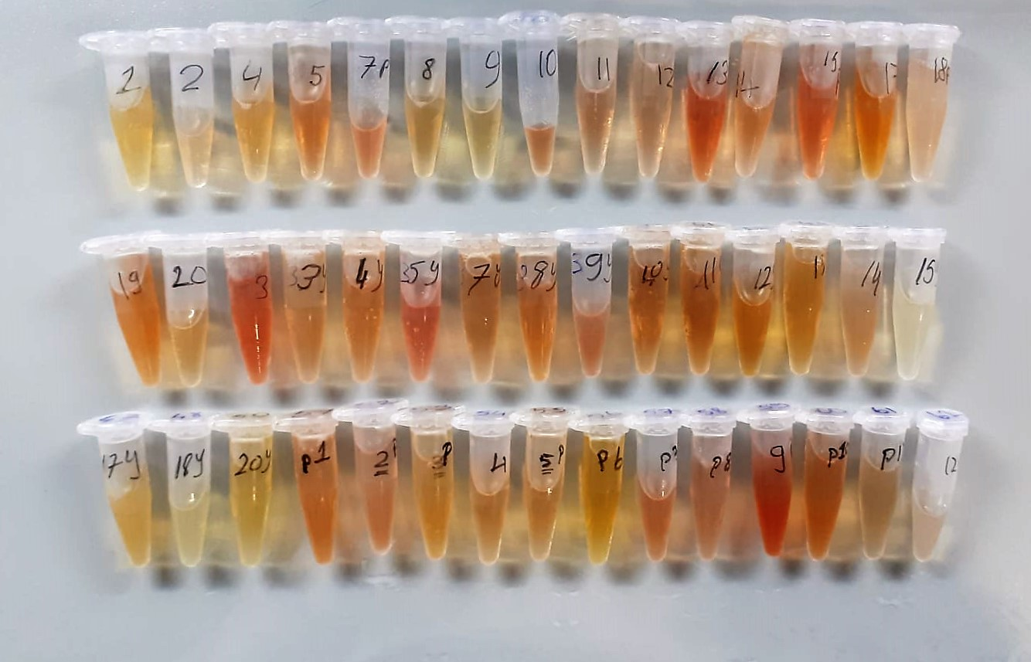

Total Protein g/dl
Colorimetric assay, Sample and addition of Reagent start of the reaction:
Divalent copper reacts in alkaline solution with protein peptide bonds to form the characteristic purple-colored biuret complex.
Sodium potassium tartrate prevents the precipitation of copper hydroxide and potassium iodide prevents auto reduction of copper. alkaline protein + Cu2+ solution Cu-protein complex
The color intensity is directly proportional to the protein concentration which can be determined photometrically.

Albumin g/dl
Colorimetric assay, endpoint method
• Sample and addition of R1
• Start of the reaction:
At a pH value of 4.1 albumin displays a sufficiently cationic character to be able to bind with bromocresol green (BCG), any anionic dyestuff, to form a blue-green complex.
pH 4.1 albumin + BCG albumin BCG- complex
The color intensity of the blue-green color is directly proportional to the albumin concentration and can be determined photometrical

AST U/L
UV test according to a standarrized method
Sample and addition of R1 (buffer)
Addition of R2 and start of reaction: AST
α-ketoglutarate + L-aspartate L- glutamate + oxaloasetate
AST is the enzyme which catalyzes this equilibrium reaction. The oxaloacetate in- crease is measured in a subsequent indicator reaction which is catalyzed by malate dehydrogenase.
MDH
oxalacetate + NADH + H+ L-Malate + NAD+
In the second reaction, NADH is oxidized to NAD. The rate of decrease in NADH
(Measured photometrically) is directly proportional to the rate of formation of
oxaloasetate, and thus the AST activity.

ALT U/L
UV test according to the IFCC method.
ALT
L-Alanin + 2-Oxoglutarate ⎯⎯ L-Glutamate + Pyruvat

Creatinine mg/L
Immunoturbidimetric assay
Anti-CRP antibodies react with antigen in the sample to form an ntigen/antibody complex. Following agglutination, this is measured turbidimetrically.
Addition of PEG allows the reaction to progress rapidly to the end point,increases sensitivity, and reduces the risk of samples containing excess antigen
producing false negative results.

Urea (BUN) mg/dl
Urea is hydrolysed in presence of urease to produce ammonia and CO2. The ammonia produced combines with 2 – oxoglutarate and NADH in presence of GLDH to yield glutamate and NAD.
urease
Urea+H2O+2H+ 2 NH4+ + 2+ CO2
GLDH
2 NH4+ + 2-Oxoglutarate + 2 NADH H2O + 2 NAD+ + Gl utamate The decrease in absorbance due to consumption of NADH is measured kinetically.

Alkaline Phosphatase (ALP) U/L
Colorimetric assay in accordance with a standardized method.
ALP, Mg2
p - Nitrophenylphosphate+ H2O Phosphate + p - Nitrophenol
In the presence of magnesium and zinc ions, p-nitrophenyl phosphate is hydrolyzed by phosphatases to form phosphate and p-nitrophenol.
In this process AMP serves as transient phosphate acceptor. The release of coloured p-nitrophenol is proportional to the ALP activity and can be measured photometrically.

HDL Cholesterol mg/dl
Enzymatic colorimetric test
• Sample and addition of R1
• Addition of R2 and start of reaction
In the first step LDL, VLDL and Chylomicrons are eliminated and transformed to
non reactive compounds and specific condition for the reaction. By the second
reagent only the HDL-Cholesterol is subject to color reaction
Cholesterol Esterase
Cholesterol ester + H2O Cholesterol + fatty acid
Cholesterol Oxidase
Cholesterol + O2 Cholesten-3-on + H2O2
Peroxidase
H2O2 + phenol + 4-aminoantipyrine quinoneimine dye+4 H2O

Cholesterol Total mg/dl
Cholesterol ester + H2O Cholesterol + fatty acids
Cholesterol esters are ceaved by the action of choesterol esterase to yield free
choesterol and fatty acids Cholesterol oxidase Cholesterol + O2 Cholesten-3-on + H2O2
Peroxidase
2H2O2 + Phenol + 4-Aminoantipyrine Quinoneimine dye + 4 H2O
Cholesterol is converted by oxygen with the aid of cholesterol oxidase to A4- Cholestenone and hydrogen peroxide.
Hydrogen peroxide created forms a red dyestuff by reacting with 4-aminoantipyrine and phenol under the catalytic action of peroxidase.
The color intensity is directly proportional to the concentration of cholesterol and can be determined photometrically.

Triglycerides mg/dl
Triglycerides in the sample originates, by means of the coupled reactions described below, acoloured complex that can be measured by spectrophotometry.
Triglycerides + H2O lipase Glycerol + Fatty acids
Glycerol + ATP glycerol kinase Glycerol – 3 – P + ADP
Glycerol – 3 –P + O2 G-3-P-oxidase Dihidroxyacetone – P +H2O2
2 H2O2 + 4 – Aminoantipyrine + 4 – Chlorophenol G-3-P-oxidas Quinoneimine + 4 H2O

LDL Cholesterol mg/dl
İlk adımda, HDL, VLDL ve Şilomikronlar elimine edilir ve reaksiyon için özel koşulda reaktif olmayan bileşiklere dönüştürülür. İkinci reaktif sadece LDL-kolesterol renk reaksiyonudur.
Kolesterol esteraz
Kolesterol ester + H2O kolesterol + yağ asidi
Kolesterol Oksidaz
Kolesterol + O2 kolesten-3-on + H2O2
peroksidaz
H2O2 + fenol + 4- aminoantipirin kinon boyası +4 H2O

Calcium mg/dl
Calcium in the sample reacts with arsenazo III forming a coloured complex that
can be measured by spectrophotometry.

Creatine Kinase Range: 5-2500U/l
UV Test
• Sample and addition of R1
• Addition of R2 and start of reaction: CK Creatine phosphate + ADP Creatine + ATP HK ATP + glucose Glucose-6-phosphate + ADP G6PDH Glucose-6-P + NADP Gluconate-6-P + NADPH+H+
Equimolar quantities of NADPH and creatine are formed at the same rate. The photometrically measured rate of formation of NADPH is proportional to the CK activity.

Magnesium mEq/l
Colorimetric endpoint method
Sample and addition Reagent start of reaction:
In alkaline solution, magnesium forms a purple complex with xylidyl blue, a
diazonium salt. The magnesium concentration is measured photometrically via the decrease in the xylidyl blue absorbance.

Glucose mg/dl
Enzymatic colorimetric test on basis of Trinder – Reaction:
Glucose oxidase Glucose + O2 Gluconic acid + H2O2
Peroxidase
2H2O2 + Phenol + 4–Aminoantipyrine Red Quinoneimine + 4H2O

Iron (FE) (μg/dl)
Colorimetric assay pH < 2,0 Transferrin-Fe-complex apotransferrin + Fe3+ ascorbate Fe3+ Fe2+ FerroZine® + Fe2+ colored complex Under acidic conditions,
iron is liberated from transferrin. Lipemic samples are clarified by the detergent. Ascorbate reduces the released Fe3+ ions to Fe'2+ ions which react with
FerroZine to form a colored complex. The color intensity is directly proportional to the iron concentration and can be measured photometrically.

Phosphorus mg/dl
Inorganic phosphate forms an ammonium phosphomolybdate complex having the formula(NH4)3[PO4(MoO3)12] with ammonium molybdate in the presence of sulfuric acid.
The complex is determined photometrically in the ultraviolet region (340 nm).

Zinc (ZN) μg/dl
Zinc found in the samples change the red-orange color of 5-Br-PAPS to light pink under alkaline conditions.
The change of absorbance at 548 nm is proportional to total zinc level in the sample.
The assay can be calibrated with zinc sulfate dissolved in deionized water.
(Relassay, Turkey)

Copper (CU) μg/dl
Copper found in the samples change the red-orange color of DiBr-PAESA to violet under acidic conditions.
The change of absorbance at 572 nm is proportional to total copper concentration in the sample.
The assay can be calibrated with copper sulfate dissolved in deionized water.
(Relassay, Turkey)

Bilirubin Total mg/dl
Jendrassik-Gróf method
In the presence of caffeine accelerator, total bilirubin couples with sulfanilic acid to form a red azobilirubin dye,
the color intensity which is proportional to the bilirubin concentration. Determination of direct bilirubin is performed without caffeine additive.
The addition of alkaline tartrate causes a transformation from the red azobilirubin dye to a blue dye and the absorbance maximum from 546nm to 578nm.
HCl
Sulfanilic acid+NaNO2 diazotized Sulfanic acid
HCl
Bilirubin + diazotized Sulfanic acid azobilirubin

