Materyal-metod
KİT ADI | TÜR | MARKA | CAT. NO | Yöntem | Kullanılan Cihaz
GLU: Glucose | Universal | Otto Scientific | OttoBC142 | Kolorimetrik | MINDRAY-BS400
CHOL: Total Cholesterol | Universal | Otto Scientific | OttoBC135 | Kolorimetrik | MINDRAY-BS400
TG: Triglycerides | Universal | Otto Scientific | OttoBC155 | Kolorimetrik | MINDRAY-BS400

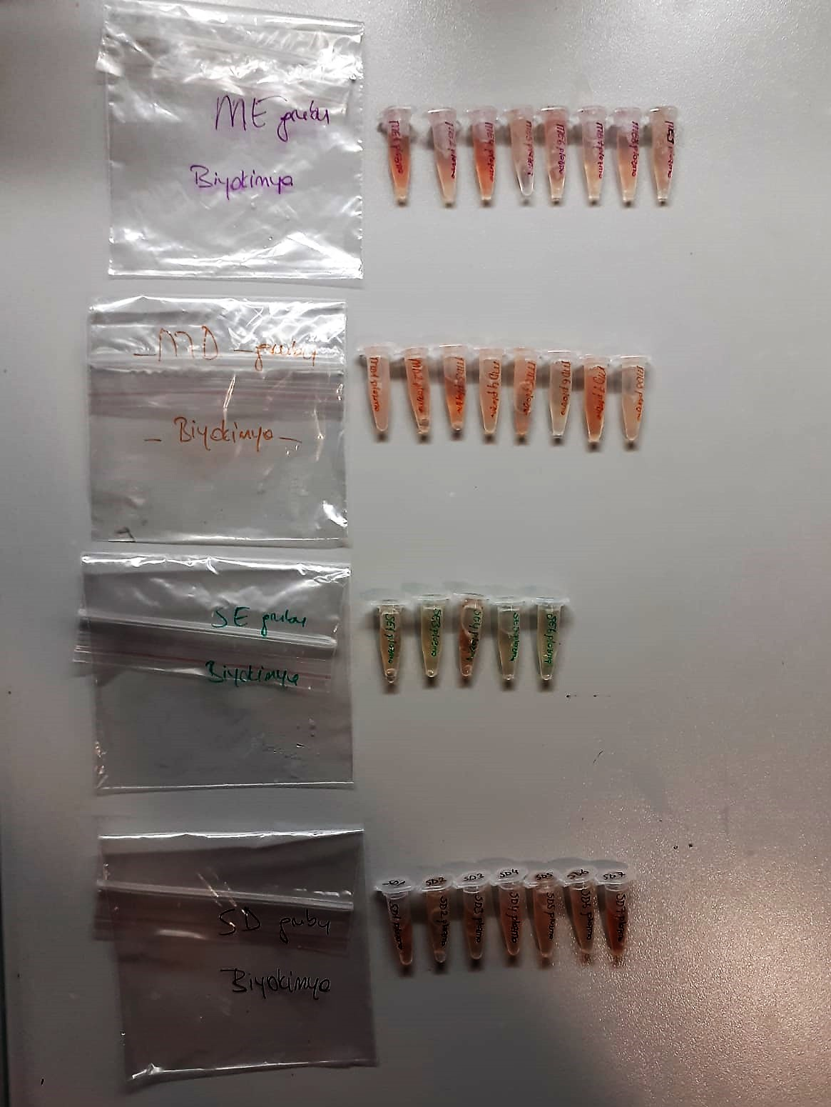

Cholesterol Total mg/dl
Cholesterol ester + H2O Cholesterol + fatty acids
Cholesterol esters are ceaved by the action of choesterol esterase to yield free
choesterol and fatty acids Cholesterol oxidase Cholesterol + O2 Cholesten-3-on + H2O2
Peroxidase
2H2O2 + Phenol + 4-Aminoantipyrine Quinoneimine dye + 4 H2O
Cholesterol is converted by oxygen with the aid of cholesterol oxidase to A4- Cholestenone and hydrogen peroxide.
Hydrogen peroxide created forms a red dyestuff by reacting with 4-aminoantipyrine and phenol under the catalytic action of peroxidase.
The color intensity is directly proportional to the concentration of cholesterol and can be determined photometrically.

Triglycerides mg/dl
Triglycerides in the sample originates, by means of the coupled reactions described below, acoloured complex that can be measured by spectrophotometry.
Triglycerides + H2O lipase Glycerol + Fatty acids
Glycerol + ATP glycerol kinase Glycerol – 3 – P + ADP
Glycerol – 3 –P + O2 G-3-P-oxidase Dihidroxyacetone – P +H2O2
2 H2O2 + 4 – Aminoantipyrine + 4 – Chlorophenol G-3-P-oxidas Quinoneimine + 4 H2O

Glucose mg/dl
Enzymatic colorimetric test on basis of Trinder – Reaction:
Glucose oxidase Glucose + O2 Gluconic acid + H2O2
Peroxidase
2H2O2 + Phenol + 4–Aminoantipyrine Red Quinoneimine + 4H2O

