TNF-A
2.205 | 0.443 | 0.541 | 0.599 | 0.536 | 0.53 | 0.471 | 0.585 | 0.587 | 0.555 | 0.553 | 0.558
1.216 | 0.49 | 0.485 | 0.454 | 0.552 | 0.486 | 0.511 | 0.651 | 0.559 | 0.527 | 0.518 | 0.573
0.967 | 0.424 | 0.431 | 0.427 | 0.435 | 0.487 | 0.42 | 0.521 | 0.516 | 0.508 | 0.532 | 0.464
0.652 | 0.443 | 0.48 | 0.611 | 0.419 | 0.432 | 0.442 | 0.517 | 0.505 | 0.503 | 0.483 | 0.529
0.369 | 0.688 | 0.484 | 0.499 | 0.455 | 0.485 | 0.513 | 0.591 | 0.505 | 0.49 | 0.498 | 0.514
0.228 | 0.379 | 0.415 | 0.439 | 0.448 | 0.449 | 0.444 | 0.651 | 0.456 | 0.477 | 0.471 | 0.505
0.113 | 0.458 | 0.493 | 0.576 | 0.434 | 0.667 | 0.586 | 0.572 | 0.454 | 0.492 | 0.559 | 0.523
0.409 | 0.474 | 0.5 | 0.689 | 0.531 | 0.515 | 0.574 | 0.601 | 0.488 | 0.537 | 0.569 | 0.344

TNF-ALFA

 | abs | abs-blank | expected | result
std1 | 2.205 | 2.092 | 235 | 235.32
std2 | 1.216 | 1.103 | 90 | 87.68
std3 | 0.967 | 0.854 | 60 | 60.90
std4 | 0.652 | 0.539 | 30 | 33.02
std5 | 0.369 | 0.256 | 15 | 13.68
std6 | 0.228 | 0.115 | 7.5 | 6.06
blank | 0.113 | 0 | 0 | 0.84

 |  |  |  |  |  |  |  |  | concentratıon (pg/ml)

Numune | absorbans | blank | abs-blank | Result(pg/ml)
1 | 0.409 | 0.113 | 0.296 | 16.09
2 | 0.443 | 0.113 | 0.33 | 18.22
3 | 0.49 | 0.113 | 0.377 | 21.29
4 | 0.424 | 0.113 | 0.311 | 17.02
5 | 0.443 | 0.113 | 0.33 | 18.22
6 | 0.688 | 0.113 | 0.575 | 35.87
7 | 0.379 | 0.113 | 0.266 | 14.27
8 | 0.458 | 0.113 | 0.345 | 19.18
9 | 0.474 | 0.113 | 0.361 | 20.23
10 | 0.541 | 0.113 | 0.428 | 24.79
11 | 0.485 | 0.113 | 0.372 | 20.96
12 | 0.431 | 0.113 | 0.318 | 17.46
13 | 0.48 | 0.113 | 0.367 | 20.62
14 | 0.484 | 0.113 | 0.371 | 20.89
15 | 0.415 | 0.113 | 0.302 | 16.46
16 | 0.493 | 0.113 | 0.38 | 21.49
17 | 0.5 | 0.113 | 0.387 | 21.96
18 | 0.599 | 0.113 | 0.486 | 28.99
19 | 0.454 | 0.113 | 0.341 | 18.92
20 | 0.427 | 0.113 | 0.314 | 17.20
21 | 0.611 | 0.113 | 0.498 | 29.88
22 | 0.499 | 0.113 | 0.386 | 21.89
23 | 0.439 | 0.113 | 0.326 | 17.96
24 | 0.576 | 0.113 | 0.463 | 27.30
25 | 0.689 | 0.113 | 0.576 | 35.95
26 | 0.536 | 0.113 | 0.423 | 24.44
27 | 0.552 | 0.113 | 0.439 | 25.57
28 | 0.435 | 0.113 | 0.322 | 17.71
29 | 0.419 | 0.113 | 0.306 | 16.71
30 | 0.455 | 0.113 | 0.342 | 18.99
31 | 0.448 | 0.113 | 0.335 | 18.54
32 | 0.434 | 0.113 | 0.321 | 17.65
33 | 0.531 | 0.113 | 0.418 | 24.09
34 | 0.53 | 0.113 | 0.417 | 24.02
35 | 0.486 | 0.113 | 0.373 | 21.02
36 | 0.487 | 0.113 | 0.374 | 21.09
37 | 0.432 | 0.113 | 0.319 | 17.52
38 | 0.485 | 0.113 | 0.372 | 20.96
39 | 0.449 | 0.113 | 0.336 | 18.60
40 | 0.667 | 0.113 | 0.554 | 34.20
41 | 0.515 | 0.113 | 0.402 | 22.98
42 | 0.471 | 0.113 | 0.358 | 20.03
43 | 0.511 | 0.113 | 0.398 | 22.71
44 | 0.42 | 0.113 | 0.307 | 16.77
45 | 0.442 | 0.113 | 0.329 | 18.15
46 | 0.513 | 0.113 | 0.4 | 22.85
47 | 0.444 | 0.113 | 0.331 | 18.28
48 | 0.586 | 0.113 | 0.473 | 28.03
49 | 0.574 | 0.113 | 0.461 | 27.15
50 | 0.585 | 0.113 | 0.472 | 27.95
51 | 0.651 | 0.113 | 0.538 | 32.94
52 | 0.521 | 0.113 | 0.408 | 23.40
53 | 0.517 | 0.113 | 0.404 | 23.12
54 | 0.591 | 0.113 | 0.478 | 28.40
55 | 0.651 | 0.113 | 0.538 | 32.94
56 | 0.572 | 0.113 | 0.459 | 27.01
57 | 0.601 | 0.113 | 0.488 | 29.14
58 | 0.587 | 0.113 | 0.474 | 28.10
59 | 0.559 | 0.113 | 0.446 | 26.07
60 | 0.516 | 0.113 | 0.403 | 23.05
61 | 0.505 | 0.113 | 0.392 | 22.30
62 | 0.505 | 0.113 | 0.392 | 22.30
63 | 0.456 | 0.113 | 0.343 | 19.05
64 | 0.454 | 0.113 | 0.341 | 18.92
65 | 0.488 | 0.113 | 0.375 | 21.16
66 | 0.555 | 0.113 | 0.442 | 25.78
67 | 0.527 | 0.113 | 0.414 | 23.81
68 | 0.508 | 0.113 | 0.395 | 22.51
69 | 0.503 | 0.113 | 0.39 | 22.17
70 | 0.49 | 0.113 | 0.377 | 21.29
71 | 0.477 | 0.113 | 0.364 | 20.42
72 | 0.492 | 0.113 | 0.379 | 21.42
73 | 0.537 | 0.113 | 0.424 | 24.51
74 | 0.553 | 0.113 | 0.44 | 25.64
75 | 0.518 | 0.113 | 0.405 | 23.19
76 | 0.532 | 0.113 | 0.419 | 24.16
77 | 0.483 | 0.113 | 0.37 | 20.82
78 | 0.498 | 0.113 | 0.385 | 21.83
79 | 0.471 | 0.113 | 0.358 | 20.03
80 | 0.559 | 0.113 | 0.446 | 26.07
81 | 0.569 | 0.113 | 0.456 | 26.79
82 | 0.558 | 0.113 | 0.445 | 26.00
83 | 0.573 | 0.113 | 0.46 | 27.08
84 | 0.464 | 0.113 | 0.351 | 19.57
85 | 0.529 | 0.113 | 0.416 | 23.95
86 | 0.514 | 0.113 | 0.401 | 22.92
87 | 0.505 | 0.113 | 0.392 | 22.30
88 | 0.523 | 0.113 | 0.41 | 23.54
89 | 0.344 | 0.113 | 0.231 | 12.23

IL-1
1.592 | 0.289 | 0.396 | 0.488 | 0.415 | 0.384 | 0.415 | 0.453 | 0.509 | 0.515 | 0.492 | 0.47
1.092 | 0.378 | 0.36 | 0.355 | 0.369 | 0.355 | 0.367 | 0.58 | 0.424 | 0.387 | 0.413 | 0.419
0.804 | 0.365 | 0.35 | 0.373 | 0.397 | 0.445 | 0.386 | 0.514 | 0.45 | 0.431 | 0.429 | 0.432
0.444 | 0.326 | 0.382 | 0.517 | 0.358 | 0.357 | 0.387 | 0.424 | 0.404 | 0.423 | 0.417 | 0.457
0.281 | 0.533 | 0.377 | 0.396 | 0.402 | 0.372 | 0.449 | 0.47 | 0.414 | 0.441 | 0.445 | 0.432
0.201 | 0.304 | 0.347 | 0.353 | 0.348 | 0.396 | 0.391 | 0.612 | 0.413 | 0.423 | 0.397 | 0.461
0.113 | 0.362 | 0.332 | 0.43 | 0.344 | 0.546 | 0.486 | 0.474 | 0.386 | 0.452 | 0.488 | 0.449
0.327 | 0.362 | 0.393 | 0.596 | 0.411 | 0.411 | 0.44 | 0.472 | 0.384 | 0.367 | 0.41 | 0.416

IL-1

 | abs | abs-blank | expected | result
std1 | 1.592 | 1.479 | 4500 | 4510.63
std2 | 1.092 | 0.979 | 3000 | 2946.61
std3 | 0.804 | 0.691 | 2000 | 2063.70
std4 | 0.444 | 0.331 | 1000 | 978.55
std5 | 0.281 | 0.168 | 500 | 493.96
std6 | 0.201 | 0.088 | 250 | 257.67
blank | 0.113 | 0 | 0 | -1.09

 |  |  |  |  |  |  |  |  |  | concentratıon (pg/ml)

Numune | absorbans | blank | abs-blank | Result(pg/ml)
1 | 0.327 | 0.113 | 0.214 | 630.29
2 | 0.289 | 0.113 | 0.176 | 517.65
3 | 0.378 | 0.113 | 0.265 | 781.83
4 | 0.365 | 0.113 | 0.252 | 743.16
5 | 0.326 | 0.113 | 0.213 | 627.32
6 | 0.533 | 0.113 | 0.42 | 1244.91
7 | 0.304 | 0.113 | 0.191 | 562.08
8 | 0.362 | 0.113 | 0.249 | 734.24
9 | 0.362 | 0.113 | 0.249 | 734.24
10 | 0.396 | 0.113 | 0.283 | 835.41
11 | 0.36 | 0.113 | 0.247 | 728.30
12 | 0.35 | 0.113 | 0.237 | 698.58
13 | 0.382 | 0.113 | 0.269 | 793.73
14 | 0.377 | 0.113 | 0.264 | 778.85
15 | 0.347 | 0.113 | 0.234 | 689.67
16 | 0.332 | 0.113 | 0.219 | 645.13
17 | 0.393 | 0.113 | 0.28 | 826.47
18 | 0.488 | 0.113 | 0.375 | 1110.07
19 | 0.355 | 0.113 | 0.242 | 713.43
20 | 0.373 | 0.113 | 0.26 | 766.95
21 | 0.517 | 0.113 | 0.404 | 1196.93
22 | 0.396 | 0.113 | 0.283 | 835.41
23 | 0.353 | 0.113 | 0.24 | 707.49
24 | 0.43 | 0.113 | 0.317 | 936.76
25 | 0.596 | 0.113 | 0.483 | 1434.22
26 | 0.415 | 0.113 | 0.302 | 892.02
27 | 0.369 | 0.113 | 0.256 | 755.05
28 | 0.397 | 0.113 | 0.284 | 838.39
29 | 0.358 | 0.113 | 0.245 | 722.35
30 | 0.402 | 0.113 | 0.289 | 853.28
31 | 0.348 | 0.113 | 0.235 | 692.64
32 | 0.344 | 0.113 | 0.231 | 680.76
33 | 0.411 | 0.113 | 0.298 | 880.10
34 | 0.384 | 0.113 | 0.271 | 799.68
35 | 0.355 | 0.113 | 0.242 | 713.43
36 | 0.445 | 0.113 | 0.332 | 981.53
37 | 0.357 | 0.113 | 0.244 | 719.38
38 | 0.372 | 0.113 | 0.259 | 763.98
39 | 0.396 | 0.113 | 0.283 | 835.41
40 | 0.546 | 0.113 | 0.433 | 1283.92
41 | 0.411 | 0.113 | 0.298 | 880.10
42 | 0.415 | 0.113 | 0.302 | 892.02
43 | 0.367 | 0.113 | 0.254 | 749.11
44 | 0.386 | 0.113 | 0.273 | 805.63
45 | 0.387 | 0.113 | 0.274 | 808.61
46 | 0.449 | 0.113 | 0.336 | 993.48
47 | 0.391 | 0.113 | 0.278 | 820.52
48 | 0.486 | 0.113 | 0.373 | 1104.09
49 | 0.44 | 0.113 | 0.327 | 966.60
50 | 0.453 | 0.113 | 0.34 | 1005.42
51 | 0.58 | 0.113 | 0.467 | 1386.08
52 | 0.514 | 0.113 | 0.401 | 1187.94
53 | 0.424 | 0.113 | 0.311 | 918.86
54 | 0.47 | 0.113 | 0.357 | 1056.23
55 | 0.612 | 0.113 | 0.499 | 1482.40
56 | 0.474 | 0.113 | 0.361 | 1068.19
57 | 0.472 | 0.113 | 0.359 | 1062.21
58 | 0.509 | 0.113 | 0.396 | 1172.96
59 | 0.424 | 0.113 | 0.311 | 918.86
60 | 0.45 | 0.113 | 0.337 | 996.46
61 | 0.404 | 0.113 | 0.291 | 859.24
62 | 0.414 | 0.113 | 0.301 | 889.04
63 | 0.413 | 0.113 | 0.3 | 886.06
64 | 0.386 | 0.113 | 0.273 | 805.63
65 | 0.384 | 0.113 | 0.271 | 799.68
66 | 0.515 | 0.113 | 0.402 | 1190.94
67 | 0.387 | 0.113 | 0.274 | 808.61
68 | 0.431 | 0.113 | 0.318 | 939.74
69 | 0.423 | 0.113 | 0.31 | 915.88
70 | 0.441 | 0.113 | 0.328 | 969.59
71 | 0.423 | 0.113 | 0.31 | 915.88
72 | 0.452 | 0.113 | 0.339 | 1002.44
73 | 0.367 | 0.113 | 0.254 | 749.11
74 | 0.492 | 0.113 | 0.379 | 1122.05
75 | 0.413 | 0.113 | 0.3 | 886.06
76 | 0.429 | 0.113 | 0.316 | 933.78
77 | 0.417 | 0.113 | 0.304 | 897.99
78 | 0.445 | 0.113 | 0.332 | 981.53
79 | 0.397 | 0.113 | 0.284 | 838.39
80 | 0.488 | 0.113 | 0.375 | 1110.07
81 | 0.41 | 0.113 | 0.297 | 877.12
82 | 0.47 | 0.113 | 0.357 | 1056.23
83 | 0.419 | 0.113 | 0.306 | 903.95
84 | 0.432 | 0.113 | 0.319 | 942.73
85 | 0.457 | 0.113 | 0.344 | 1017.37
86 | 0.432 | 0.113 | 0.319 | 942.73
87 | 0.461 | 0.113 | 0.348 | 1029.33
88 | 0.449 | 0.113 | 0.336 | 993.48
89 | 0.416 | 0.113 | 0.303 | 895.00

IL-6
1.712 | 0.428 | 0.535 | 0.562 | 0.497 | 0.449 | 0.488 | 0.568 | 0.581 | 0.553 | 0.585 | 0.607
1.338 | 0.535 | 0.487 | 0.481 | 0.461 | 0.438 | 0.455 | 0.677 | 0.587 | 0.511 | 0.555 | 0.561
1.011 | 0.439 | 0.43 | 0.452 | 0.465 | 0.516 | 0.452 | 0.548 | 0.495 | 0.507 | 0.495 | 0.529
0.615 | 0.395 | 0.448 | 0.582 | 0.428 | 0.414 | 0.432 | 0.567 | 0.48 | 0.519 | 0.495 | 0.476
0.389 | 0.534 | 0.436 | 0.467 | 0.492 | 0.403 | 0.503 | 0.762 | 0.659 | 0.517 | 0.558 | 0.593
0.289 | 0.401 | 0.395 | 0.438 | 0.415 | 0.466 | 0.488 | 0.525 | 0.456 | 0.504 | 0.579 | 0.552
0.107 | 0.547 | 0.443 | 0.539 | 0.437 | 0.584 | 0.583 | 0.582 | 0.499 | 0.512 | 0.53 | 0.46
0.509 | 0.432 | 0.413 | 0.633 | 0.488 | 0.481 | 0.539 | 0.538 | 0.535 | 0.504 | 0.545 | 0.513

IL-6

 | abs | abs-blank | expected | result
std1 | 1.712 | 1.605 | 540 | 537.01
std2 | 1.338 | 1.231 | 360 | 366.22
std3 | 1.011 | 0.904 | 240 | 239.61
std4 | 0.615 | 0.508 | 120 | 114.69
std5 | 0.389 | 0.282 | 60 | 57.33
std6 | 0.289 | 0.182 | 30 | 35.18
blank | 0.107 | 0 | 0 | -0.04

 |  |  |  |  |  |  |  |  |  | concentratıon (pg/ml)

Numune | absorbans | blank | abs-blank | Result(pg/ml)
1 | 0.509 | 0.107 | 0.402 | 86.52
2 | 0.428 | 0.107 | 0.321 | 66.50
3 | 0.535 | 0.107 | 0.428 | 93.22
4 | 0.439 | 0.107 | 0.332 | 69.14
5 | 0.395 | 0.107 | 0.288 | 58.72
6 | 0.534 | 0.107 | 0.427 | 92.96
7 | 0.401 | 0.107 | 0.294 | 60.12
8 | 0.547 | 0.107 | 0.44 | 96.36
9 | 0.432 | 0.107 | 0.325 | 67.46
10 | 0.535 | 0.107 | 0.428 | 93.22
11 | 0.487 | 0.107 | 0.38 | 80.96
12 | 0.43 | 0.107 | 0.323 | 66.98
13 | 0.448 | 0.107 | 0.341 | 71.32
14 | 0.436 | 0.107 | 0.329 | 68.42
15 | 0.395 | 0.107 | 0.288 | 58.72
16 | 0.443 | 0.107 | 0.336 | 70.11
17 | 0.413 | 0.107 | 0.306 | 62.94
18 | 0.562 | 0.107 | 0.455 | 100.33
19 | 0.481 | 0.107 | 0.374 | 79.45
20 | 0.452 | 0.107 | 0.345 | 72.30
21 | 0.582 | 0.107 | 0.475 | 105.68
22 | 0.467 | 0.107 | 0.36 | 75.98
23 | 0.438 | 0.107 | 0.331 | 68.90
24 | 0.539 | 0.107 | 0.432 | 94.27
25 | 0.633 | 0.107 | 0.526 | 119.69
26 | 0.497 | 0.107 | 0.39 | 83.47
27 | 0.461 | 0.107 | 0.354 | 74.50
28 | 0.465 | 0.107 | 0.358 | 75.49
29 | 0.428 | 0.107 | 0.321 | 66.50
30 | 0.492 | 0.107 | 0.385 | 82.21
31 | 0.415 | 0.107 | 0.308 | 63.41
32 | 0.437 | 0.107 | 0.33 | 68.66
33 | 0.488 | 0.107 | 0.381 | 81.21
34 | 0.449 | 0.107 | 0.342 | 71.57
35 | 0.438 | 0.107 | 0.331 | 68.90
36 | 0.516 | 0.107 | 0.409 | 88.31
37 | 0.414 | 0.107 | 0.307 | 63.17
38 | 0.403 | 0.107 | 0.296 | 60.59
39 | 0.466 | 0.107 | 0.359 | 75.73
40 | 0.584 | 0.107 | 0.477 | 106.22
41 | 0.481 | 0.107 | 0.374 | 79.45
42 | 0.488 | 0.107 | 0.381 | 81.21
43 | 0.455 | 0.107 | 0.348 | 73.03
44 | 0.452 | 0.107 | 0.345 | 72.30
45 | 0.432 | 0.107 | 0.325 | 67.46
46 | 0.503 | 0.107 | 0.396 | 84.99
47 | 0.488 | 0.107 | 0.381 | 81.21
48 | 0.583 | 0.107 | 0.476 | 105.95
49 | 0.539 | 0.107 | 0.432 | 94.27
50 | 0.568 | 0.107 | 0.461 | 101.92
51 | 0.677 | 0.107 | 0.57 | 132.19
52 | 0.548 | 0.107 | 0.441 | 96.62
53 | 0.567 | 0.107 | 0.46 | 101.66
54 | 0.762 | 0.107 | 0.655 | 157.43
55 | 0.525 | 0.107 | 0.418 | 90.63
56 | 0.582 | 0.107 | 0.475 | 105.68
57 | 0.538 | 0.107 | 0.431 | 94.01
58 | 0.581 | 0.107 | 0.474 | 105.41
59 | 0.587 | 0.107 | 0.48 | 107.03
60 | 0.495 | 0.107 | 0.388 | 82.97
61 | 0.48 | 0.107 | 0.373 | 79.21
62 | 0.659 | 0.107 | 0.552 | 127.03
63 | 0.456 | 0.107 | 0.349 | 73.28
64 | 0.499 | 0.107 | 0.392 | 83.98
65 | 0.535 | 0.107 | 0.428 | 93.22
66 | 0.553 | 0.107 | 0.446 | 97.94
67 | 0.511 | 0.107 | 0.404 | 87.03
68 | 0.507 | 0.107 | 0.4 | 86.01
69 | 0.519 | 0.107 | 0.412 | 89.08
70 | 0.517 | 0.107 | 0.41 | 88.57
71 | 0.504 | 0.107 | 0.397 | 85.25
72 | 0.512 | 0.107 | 0.405 | 87.29
73 | 0.504 | 0.107 | 0.397 | 85.25
74 | 0.585 | 0.107 | 0.478 | 106.49
75 | 0.555 | 0.107 | 0.448 | 98.47
76 | 0.495 | 0.107 | 0.388 | 82.97
77 | 0.495 | 0.107 | 0.388 | 82.97
78 | 0.558 | 0.107 | 0.451 | 99.26
79 | 0.579 | 0.107 | 0.472 | 104.87
80 | 0.53 | 0.107 | 0.423 | 91.92
81 | 0.545 | 0.107 | 0.438 | 95.84
82 | 0.607 | 0.107 | 0.5 | 112.48
83 | 0.561 | 0.107 | 0.454 | 100.06
84 | 0.529 | 0.107 | 0.422 | 91.67
85 | 0.476 | 0.107 | 0.369 | 78.21
86 | 0.593 | 0.107 | 0.486 | 108.66
87 | 0.552 | 0.107 | 0.445 | 97.68
88 | 0.46 | 0.107 | 0.353 | 74.26
89 | 0.513 | 0.107 | 0.406 | 87.54

CP
1.803 | 0.409 | 0.474 | 0.512 | 0.506 | 0.48 | 0.453 | 0.508 | 0.539 | 0.553 | 0.517 | 0.549
1.257 | 0.504 | 0.488 | 0.473 | 0.437 | 0.437 | 0.443 | 0.531 | 0.481 | 0.455 | 0.5 | 0.519
0.942 | 0.431 | 0.494 | 0.563 | 0.439 | 0.659 | 0.457 | 0.667 | 0.532 | 0.523 | 0.501 | 0.505
0.486 | 0.425 | 0.508 | 0.659 | 0.429 | 0.439 | 0.494 | 0.503 | 0.515 | 0.497 | 0.501 | 0.551
0.322 | 0.687 | 0.469 | 0.481 | 0.469 | 0.447 | 0.514 | 0.557 | 0.532 | 0.544 | 0.529 | 0.525
0.22 | 0.422 | 0.441 | 0.431 | 0.443 | 0.415 | 0.446 | 0.6 | 0.486 | 0.494 | 0.478 | 0.523
0.11 | 0.455 | 0.475 | 0.541 | 0.434 | 0.638 | 0.535 | 0.517 | 0.466 | 0.548 | 0.593 | 0.52
0.424 | 0.459 | 0.455 | 0.706 | 0.505 | 0.45 | 0.5 | 0.553 | 0.491 | 0.537 | 0.547 | 0.498

CP

 | abs | abs-blank | expected | result
std1 | 1.803 | 1.693 | 2250 | 2253.09
std2 | 1.257 | 1.147 | 1500 | 1473.05
std3 | 0.942 | 0.832 | 1000 | 1046.49
std4 | 0.486 | 0.376 | 500 | 459.43
std5 | 0.322 | 0.212 | 250 | 257.09
std6 | 0.22 | 0.11 | 125 | 133.59
blank | 0.11 | 0 | 0 | 2.42

 |  |  |  |  |  |  |  |  |  | concentratıon (ng/ml)

Numune | absorbans | blank | abs-blank | Result(ng/ml)
1 | 0.424 | 0.11 | 0.314 | 382.39
2 | 0.409 | 0.11 | 0.299 | 363.85
3 | 0.504 | 0.11 | 0.394 | 481.92
4 | 0.431 | 0.11 | 0.321 | 391.05
5 | 0.425 | 0.11 | 0.315 | 383.62
6 | 0.687 | 0.11 | 0.577 | 713.77
7 | 0.422 | 0.11 | 0.312 | 379.91
8 | 0.455 | 0.11 | 0.345 | 420.82
9 | 0.459 | 0.11 | 0.349 | 425.80
10 | 0.474 | 0.11 | 0.364 | 444.46
11 | 0.488 | 0.11 | 0.378 | 461.92
12 | 0.494 | 0.11 | 0.384 | 469.42
13 | 0.508 | 0.11 | 0.398 | 486.93
14 | 0.469 | 0.11 | 0.359 | 438.24
15 | 0.441 | 0.11 | 0.331 | 403.44
16 | 0.475 | 0.11 | 0.365 | 445.71
17 | 0.455 | 0.11 | 0.345 | 420.82
18 | 0.512 | 0.11 | 0.402 | 491.93
19 | 0.473 | 0.11 | 0.363 | 443.22
20 | 0.563 | 0.11 | 0.453 | 556.03
21 | 0.659 | 0.11 | 0.549 | 677.92
22 | 0.481 | 0.11 | 0.371 | 453.19
23 | 0.431 | 0.11 | 0.321 | 391.05
24 | 0.541 | 0.11 | 0.431 | 528.33
25 | 0.706 | 0.11 | 0.596 | 738.17
26 | 0.506 | 0.11 | 0.396 | 484.42
27 | 0.437 | 0.11 | 0.327 | 398.49
28 | 0.439 | 0.11 | 0.329 | 400.96
29 | 0.429 | 0.11 | 0.319 | 388.57
30 | 0.469 | 0.11 | 0.359 | 438.24
31 | 0.443 | 0.11 | 0.333 | 405.93
32 | 0.434 | 0.11 | 0.324 | 394.77
33 | 0.505 | 0.11 | 0.395 | 483.17
34 | 0.48 | 0.11 | 0.37 | 451.94
35 | 0.437 | 0.11 | 0.327 | 398.49
36 | 0.659 | 0.11 | 0.549 | 677.92
37 | 0.439 | 0.11 | 0.329 | 400.96
38 | 0.447 | 0.11 | 0.337 | 410.89
39 | 0.415 | 0.11 | 0.305 | 371.26
40 | 0.638 | 0.11 | 0.528 | 651.12
41 | 0.45 | 0.11 | 0.34 | 414.61
42 | 0.453 | 0.11 | 0.343 | 418.34
43 | 0.443 | 0.11 | 0.333 | 405.93
44 | 0.457 | 0.11 | 0.347 | 423.31
45 | 0.494 | 0.11 | 0.384 | 469.42
46 | 0.514 | 0.11 | 0.404 | 494.44
47 | 0.446 | 0.11 | 0.336 | 409.65
48 | 0.535 | 0.11 | 0.425 | 520.79
49 | 0.5 | 0.11 | 0.39 | 476.92
50 | 0.508 | 0.11 | 0.398 | 486.93
51 | 0.531 | 0.11 | 0.421 | 515.76
52 | 0.667 | 0.11 | 0.557 | 688.15
53 | 0.503 | 0.11 | 0.393 | 480.67
54 | 0.557 | 0.11 | 0.447 | 548.47
55 | 0.6 | 0.11 | 0.49 | 602.82
56 | 0.517 | 0.11 | 0.407 | 498.20
57 | 0.553 | 0.11 | 0.443 | 543.43
58 | 0.539 | 0.11 | 0.429 | 525.81
59 | 0.481 | 0.11 | 0.371 | 453.19
60 | 0.532 | 0.11 | 0.422 | 517.02
61 | 0.515 | 0.11 | 0.405 | 495.69
62 | 0.532 | 0.11 | 0.422 | 517.02
63 | 0.486 | 0.11 | 0.376 | 459.43
64 | 0.466 | 0.11 | 0.356 | 434.50
65 | 0.491 | 0.11 | 0.381 | 465.67
66 | 0.553 | 0.11 | 0.443 | 543.43
67 | 0.455 | 0.11 | 0.345 | 420.82
68 | 0.523 | 0.11 | 0.413 | 505.72
69 | 0.497 | 0.11 | 0.387 | 473.17
70 | 0.544 | 0.11 | 0.434 | 532.10
71 | 0.494 | 0.11 | 0.384 | 469.42
72 | 0.548 | 0.11 | 0.438 | 537.13
73 | 0.537 | 0.11 | 0.427 | 523.30
74 | 0.517 | 0.11 | 0.407 | 498.20
75 | 0.5 | 0.11 | 0.39 | 476.92
76 | 0.501 | 0.11 | 0.391 | 478.17
77 | 0.501 | 0.11 | 0.391 | 478.17
78 | 0.529 | 0.11 | 0.419 | 513.25
79 | 0.478 | 0.11 | 0.368 | 449.45
80 | 0.593 | 0.11 | 0.483 | 593.95
81 | 0.547 | 0.11 | 0.437 | 535.88
82 | 0.549 | 0.11 | 0.439 | 538.39
83 | 0.519 | 0.11 | 0.409 | 500.71
84 | 0.505 | 0.11 | 0.395 | 483.17
85 | 0.551 | 0.11 | 0.441 | 540.91
86 | 0.525 | 0.11 | 0.415 | 508.23
87 | 0.523 | 0.11 | 0.413 | 505.72
88 | 0.52 | 0.11 | 0.41 | 501.96
89 | 0.498 | 0.11 | 0.388 | 474.42

IgG
1.853 | 0.463 | 0.509 | 0.569 | 0.524 | 0.514 | 0.497 | 0.576 | 0.575 | 0.572 | 0.58 | 0.606
1.261 | 0.504 | 0.48 | 0.463 | 0.47 | 0.478 | 0.472 | 0.585 | 0.5 | 0.527 | 0.529 | 0.585
0.901 | 0.435 | 0.442 | 0.481 | 0.452 | 0.57 | 0.48 | 0.673 | 0.528 | 0.508 | 0.544 | 0.497
0.521 | 0.42 | 0.487 | 0.638 | 0.468 | 0.439 | 0.476 | 0.557 | 0.508 | 0.547 | 0.516 | 0.601
0.37 | 0.722 | 0.474 | 0.49 | 0.483 | 0.433 | 0.482 | 0.559 | 0.53 | 0.55 | 0.546 | 0.582
0.263 | 0.37 | 0.445 | 0.419 | 0.439 | 0.451 | 0.501 | 0.714 | 0.475 | 0.433 | 0.571 | 0.509
0.109 | 0.462 | 0.484 | 0.541 | 0.452 | 0.723 | 0.566 | 0.539 | 0.472 | 0.539 | 0.512 | 0.519
0.492 | 0.436 | 0.478 | 0.725 | 0.563 | 0.51 | 0.534 | 0.568 | 0.478 | 0.535 | 0.576 | 0.655

IgG

 | abs | abs-blank | expected | result
std1 | 1.853 | 1.744 | 36 | 36.18
std2 | 1.261 | 1.152 | 24 | 23.57
std3 | 0.901 | 0.792 | 16 | 15.94
std4 | 0.521 | 0.412 | 8 | 7.90
std5 | 0.37 | 0.261 | 4 | 4.72
std6 | 0.263 | 0.154 | 2 | 2.46
blank | 0.109 | 0 | 0 | -0.78

 |  |  |  |  |  |  |  |  |  | concentratıon (ug/ml)

Numune | absorbans | blank | abs-blank | Result(ug/ml)
1 | 0.492 | 0.109 | 0.383 | 7.29
2 | 0.463 | 0.109 | 0.354 | 6.68
3 | 0.504 | 0.109 | 0.395 | 7.54
4 | 0.435 | 0.109 | 0.326 | 6.09
5 | 0.42 | 0.109 | 0.311 | 5.77
6 | 0.722 | 0.109 | 0.613 | 12.15
7 | 0.37 | 0.109 | 0.261 | 4.72
8 | 0.462 | 0.109 | 0.353 | 6.66
9 | 0.436 | 0.109 | 0.327 | 6.11
10 | 0.509 | 0.109 | 0.4 | 7.65
11 | 0.48 | 0.109 | 0.371 | 7.04
12 | 0.442 | 0.109 | 0.333 | 6.24
13 | 0.487 | 0.109 | 0.378 | 7.18
14 | 0.474 | 0.109 | 0.365 | 6.91
15 | 0.445 | 0.109 | 0.336 | 6.30
16 | 0.484 | 0.109 | 0.375 | 7.12
17 | 0.478 | 0.109 | 0.369 | 7.00
18 | 0.569 | 0.109 | 0.46 | 8.92
19 | 0.463 | 0.109 | 0.354 | 6.68
20 | 0.481 | 0.109 | 0.372 | 7.06
21 | 0.638 | 0.109 | 0.529 | 10.37
22 | 0.49 | 0.109 | 0.381 | 7.25
23 | 0.419 | 0.109 | 0.31 | 5.75
24 | 0.541 | 0.109 | 0.432 | 8.32
25 | 0.725 | 0.109 | 0.616 | 12.21
26 | 0.524 | 0.109 | 0.415 | 7.97
27 | 0.47 | 0.109 | 0.361 | 6.83
28 | 0.452 | 0.109 | 0.343 | 6.45
29 | 0.468 | 0.109 | 0.359 | 6.78
30 | 0.483 | 0.109 | 0.374 | 7.10
31 | 0.439 | 0.109 | 0.33 | 6.17
32 | 0.452 | 0.109 | 0.343 | 6.45
33 | 0.563 | 0.109 | 0.454 | 8.79
34 | 0.514 | 0.109 | 0.405 | 7.75
35 | 0.478 | 0.109 | 0.369 | 7.00
36 | 0.57 | 0.109 | 0.461 | 8.94
37 | 0.439 | 0.109 | 0.33 | 6.17
38 | 0.433 | 0.109 | 0.324 | 6.05
39 | 0.451 | 0.109 | 0.342 | 6.43
40 | 0.723 | 0.109 | 0.614 | 12.17
41 | 0.51 | 0.109 | 0.401 | 7.67
42 | 0.497 | 0.109 | 0.388 | 7.40
43 | 0.472 | 0.109 | 0.363 | 6.87
44 | 0.48 | 0.109 | 0.371 | 7.04
45 | 0.476 | 0.109 | 0.367 | 6.95
46 | 0.482 | 0.109 | 0.373 | 7.08
47 | 0.501 | 0.109 | 0.392 | 7.48
48 | 0.566 | 0.109 | 0.457 | 8.85
49 | 0.534 | 0.109 | 0.425 | 8.18
50 | 0.576 | 0.109 | 0.467 | 9.06
51 | 0.585 | 0.109 | 0.476 | 9.25
52 | 0.673 | 0.109 | 0.564 | 11.11
53 | 0.557 | 0.109 | 0.448 | 8.66
54 | 0.559 | 0.109 | 0.45 | 8.70
55 | 0.714 | 0.109 | 0.605 | 11.98
56 | 0.539 | 0.109 | 0.43 | 8.28
57 | 0.568 | 0.109 | 0.459 | 8.89
58 | 0.575 | 0.109 | 0.466 | 9.04
59 | 0.5 | 0.109 | 0.391 | 7.46
60 | 0.528 | 0.109 | 0.419 | 8.05
61 | 0.508 | 0.109 | 0.399 | 7.63
62 | 0.53 | 0.109 | 0.421 | 8.09
63 | 0.475 | 0.109 | 0.366 | 6.93
64 | 0.472 | 0.109 | 0.363 | 6.87
65 | 0.478 | 0.109 | 0.369 | 7.00
66 | 0.572 | 0.109 | 0.463 | 8.98
67 | 0.527 | 0.109 | 0.418 | 8.03
68 | 0.508 | 0.109 | 0.399 | 7.63
69 | 0.547 | 0.109 | 0.438 | 8.45
70 | 0.55 | 0.109 | 0.441 | 8.51
71 | 0.433 | 0.109 | 0.324 | 6.05
72 | 0.539 | 0.109 | 0.43 | 8.28
73 | 0.535 | 0.109 | 0.426 | 8.20
74 | 0.58 | 0.109 | 0.471 | 9.15
75 | 0.529 | 0.109 | 0.42 | 8.07
76 | 0.544 | 0.109 | 0.435 | 8.39
77 | 0.516 | 0.109 | 0.407 | 7.80
78 | 0.546 | 0.109 | 0.437 | 8.43
79 | 0.571 | 0.109 | 0.462 | 8.96
80 | 0.512 | 0.109 | 0.403 | 7.71
81 | 0.576 | 0.109 | 0.467 | 9.06
82 | 0.606 | 0.109 | 0.497 | 9.70
83 | 0.585 | 0.109 | 0.476 | 9.25
84 | 0.497 | 0.109 | 0.388 | 7.40
85 | 0.601 | 0.109 | 0.492 | 9.59
86 | 0.582 | 0.109 | 0.473 | 9.19
87 | 0.509 | 0.109 | 0.4 | 7.65
88 | 0.519 | 0.109 | 0.41 | 7.86
89 | 0.655 | 0.109 | 0.546 | 10.73

IgA
1.713 | 0.386 | 0.5 | 0.536 | 0.498 | 0.503 | 0.468 | 0.565 | 0.573 | 0.583 | 0.558 | 0.532
1.223 | 0.45 | 0.431 | 0.447 | 0.44 | 0.428 | 0.446 | 0.523 | 0.48 | 0.472 | 0.479 | 0.5
0.971 | 0.414 | 0.439 | 0.485 | 0.424 | 0.591 | 0.439 | 0.656 | 0.448 | 0.525 | 0.5 | 0.514
0.563 | 0.413 | 0.466 | 0.635 | 0.436 | 0.399 | 0.445 | 0.494 | 0.477 | 0.528 | 0.53 | 0.58
0.373 | 0.643 | 0.454 | 0.458 | 0.449 | 0.429 | 0.461 | 0.516 | 0.516 | 0.531 | 0.512 | 0.517
0.277 | 0.355 | 0.402 | 0.41 | 0.41 | 0.457 | 0.43 | 0.592 | 0.467 | 0.53 | 0.487 | 0.554
0.102 | 0.405 | 0.446 | 0.526 | 0.466 | 0.66 | 0.517 | 0.521 | 0.477 | 0.526 | 0.564 | 0.511
0.428 | 0.416 | 0.434 | 0.658 | 0.491 | 0.467 | 0.485 | 0.533 | 0.456 | 0.496 | 0.504 | 0.51

IgA

 | abs | abs-blank | expected | result
std1 | 1.713 | 1.611 | 13.5 | 13.62
std2 | 1.223 | 1.121 | 9 | 8.58
std3 | 0.971 | 0.869 | 6 | 6.28
std4 | 0.563 | 0.461 | 3 | 2.95
std5 | 0.373 | 0.271 | 1.5 | 1.58
std6 | 0.277 | 0.175 | 0.75 | 0.93
blank | 0.102 | 0 | 0 | -0.19

 |  |  |  |  |  |  |  |  |  | concentratıon (ug/ml)

Numune | absorbans | blank | abs-blank | Result(ug/ml)
1 | 0.428 | 0.102 | 0.326 | 1.97
2 | 0.386 | 0.102 | 0.284 | 1.67
3 | 0.45 | 0.102 | 0.348 | 2.12
4 | 0.414 | 0.102 | 0.312 | 1.87
5 | 0.413 | 0.102 | 0.311 | 1.86
6 | 0.643 | 0.102 | 0.541 | 3.57
7 | 0.355 | 0.102 | 0.253 | 1.45
8 | 0.405 | 0.102 | 0.303 | 1.80
9 | 0.416 | 0.102 | 0.314 | 1.88
10 | 0.5 | 0.102 | 0.398 | 2.49
11 | 0.431 | 0.102 | 0.329 | 1.99
12 | 0.439 | 0.102 | 0.337 | 2.04
13 | 0.466 | 0.102 | 0.364 | 2.24
14 | 0.454 | 0.102 | 0.352 | 2.15
15 | 0.402 | 0.102 | 0.3 | 1.78
16 | 0.446 | 0.102 | 0.344 | 2.09
17 | 0.434 | 0.102 | 0.332 | 2.01
18 | 0.536 | 0.102 | 0.434 | 2.75
19 | 0.447 | 0.102 | 0.345 | 2.10
20 | 0.485 | 0.102 | 0.383 | 2.38
21 | 0.635 | 0.102 | 0.533 | 3.50
22 | 0.458 | 0.102 | 0.356 | 2.18
23 | 0.41 | 0.102 | 0.308 | 1.84
24 | 0.526 | 0.102 | 0.424 | 2.68
25 | 0.658 | 0.102 | 0.556 | 3.68
26 | 0.498 | 0.102 | 0.396 | 2.47
27 | 0.44 | 0.102 | 0.338 | 2.05
28 | 0.424 | 0.102 | 0.322 | 1.94
29 | 0.436 | 0.102 | 0.334 | 2.02
30 | 0.449 | 0.102 | 0.347 | 2.12
31 | 0.41 | 0.102 | 0.308 | 1.84
32 | 0.466 | 0.102 | 0.364 | 2.24
33 | 0.491 | 0.102 | 0.389 | 2.42
34 | 0.503 | 0.102 | 0.401 | 2.51
35 | 0.428 | 0.102 | 0.326 | 1.97
36 | 0.591 | 0.102 | 0.489 | 3.17
37 | 0.399 | 0.102 | 0.297 | 1.76
38 | 0.429 | 0.102 | 0.327 | 1.97
39 | 0.457 | 0.102 | 0.355 | 2.17
40 | 0.66 | 0.102 | 0.558 | 3.70
41 | 0.467 | 0.102 | 0.365 | 2.25
42 | 0.468 | 0.102 | 0.366 | 2.25
43 | 0.446 | 0.102 | 0.344 | 2.09
44 | 0.439 | 0.102 | 0.337 | 2.04
45 | 0.445 | 0.102 | 0.343 | 2.09
46 | 0.461 | 0.102 | 0.359 | 2.20
47 | 0.43 | 0.102 | 0.328 | 1.98
48 | 0.517 | 0.102 | 0.415 | 2.61
49 | 0.485 | 0.102 | 0.383 | 2.38
50 | 0.565 | 0.102 | 0.463 | 2.97
51 | 0.523 | 0.102 | 0.421 | 2.66
52 | 0.656 | 0.102 | 0.554 | 3.67
53 | 0.494 | 0.102 | 0.392 | 2.44
54 | 0.516 | 0.102 | 0.414 | 2.60
55 | 0.592 | 0.102 | 0.49 | 3.17
56 | 0.521 | 0.102 | 0.419 | 2.64
57 | 0.533 | 0.102 | 0.431 | 2.73
58 | 0.573 | 0.102 | 0.471 | 3.03
59 | 0.48 | 0.102 | 0.378 | 2.34
60 | 0.448 | 0.102 | 0.346 | 2.11
61 | 0.477 | 0.102 | 0.375 | 2.32
62 | 0.516 | 0.102 | 0.414 | 2.60
63 | 0.467 | 0.102 | 0.365 | 2.25
64 | 0.477 | 0.102 | 0.375 | 2.32
65 | 0.456 | 0.102 | 0.354 | 2.17
66 | 0.583 | 0.102 | 0.481 | 3.11
67 | 0.472 | 0.102 | 0.37 | 2.28
68 | 0.525 | 0.102 | 0.423 | 2.67
69 | 0.528 | 0.102 | 0.426 | 2.69
70 | 0.531 | 0.102 | 0.429 | 2.72
71 | 0.53 | 0.102 | 0.428 | 2.71
72 | 0.526 | 0.102 | 0.424 | 2.68
73 | 0.496 | 0.102 | 0.394 | 2.46
74 | 0.558 | 0.102 | 0.456 | 2.92
75 | 0.479 | 0.102 | 0.377 | 2.33
76 | 0.5 | 0.102 | 0.398 | 2.49
77 | 0.53 | 0.102 | 0.428 | 2.71
78 | 0.512 | 0.102 | 0.41 | 2.57
79 | 0.487 | 0.102 | 0.385 | 2.39
80 | 0.564 | 0.102 | 0.462 | 2.96
81 | 0.504 | 0.102 | 0.402 | 2.52
82 | 0.532 | 0.102 | 0.43 | 2.72
83 | 0.5 | 0.102 | 0.398 | 2.49
84 | 0.514 | 0.102 | 0.412 | 2.59
85 | 0.58 | 0.102 | 0.478 | 3.08
86 | 0.517 | 0.102 | 0.415 | 2.61
87 | 0.554 | 0.102 | 0.452 | 2.89
88 | 0.511 | 0.102 | 0.409 | 2.57
89 | 0.51 | 0.102 | 0.408 | 2.56

Haptoglobulin
2.721 | 0.962 | 0.86 | 0.737 | 0.75 | 0.704 | 0.741 | 1.049 | 0.602 | 0.614 | 0.57 | 0.721
1.723 | 0.723 | 0.672 | 0.869 | 0.738 | 1.2 | 0.699 | 0.978 | 0.605 | 0.665 | 0.538 | 0.674
1.021 | 0.551 | 0.927 | 1.66 | 0.803 | 0.9 | 0.605 | 0.771 | 0.596 | 0.666 | 0.588 | 0.694
0.632 | 0.615 | 0.7 | 0.829 | 0.671 | 0.727 | 0.71 | 0.913 | 0.548 | 0.655 | 0.643 | 0.667
0.46 | 0.55 | 0.595 | 0.807 | 0.807 | 0.876 | 0.607 | 1.094 | 0.602 | 0.781 | 0.592 | 0.621
0.076 | 0.745 | 0.739 | 1.258 | 0.628 | 1.208 | 0.918 | 0.906 | 0.663 | 0.656 | 0.764 | 0.778
0.939 | 0.897 | 0.701 | 1.212 | 0.978 | 0.951 | 0.835 | 0.884 | 0.686 | 0.745 | 0.731 | 0.688
0.89 | 1.167 | 1.022 | 1.022 | 0.829 | 0.726 | 0.698 | 0.721 | 0.814 | 0.766 | 0.581 | 0.485

Haptoglobulin

 | abs | abs-blank | expected | result
std1 | 2.721 | 2.645 | 320 | 319.91
std2 | 1.723 | 1.647 | 160 | 161.17
std3 | 1.021 | 0.945 | 80 | 76.57
std4 | 0.632 | 0.556 | 40 | 39.32
std5 | 0.46 | 0.384 | 20 | 25.04
blank | 0.076 | 0 | 0 | -2.01

 |  |  |  |  |  |  |  |  | concentratıon (ug/ml)

Numune | absorbans | blank | abs-blank | Result(ug/ml)
1 | 0.939 | 0.076 | 0.863 | 68.15
2 | 0.89 | 0.076 | 0.814 | 63.26
3 | 0.962 | 0.076 | 0.886 | 70.48
4 | 0.723 | 0.076 | 0.647 | 47.42
5 | 0.551 | 0.076 | 0.475 | 32.43
6 | 0.615 | 0.076 | 0.539 | 37.85
7 | 0.55 | 0.076 | 0.474 | 32.34
8 | 0.745 | 0.076 | 0.669 | 49.43
9 | 0.897 | 0.076 | 0.821 | 63.95
10 | 1.167 | 0.076 | 1.091 | 92.33
11 | 0.86 | 0.076 | 0.784 | 60.32
12 | 0.672 | 0.076 | 0.596 | 42.83
13 | 0.927 | 0.076 | 0.851 | 66.94
14 | 0.7 | 0.076 | 0.624 | 45.34
15 | 0.595 | 0.076 | 0.519 | 36.14
16 | 0.739 | 0.076 | 0.663 | 48.88
17 | 0.701 | 0.076 | 0.625 | 45.43
18 | 1.022 | 0.076 | 0.946 | 76.68
19 | 0.737 | 0.076 | 0.661 | 48.70
20 | 0.869 | 0.076 | 0.793 | 61.20
21 | 1.66 | 0.076 | 1.584 | 152.66
22 | 0.829 | 0.076 | 0.753 | 57.33
23 | 0.807 | 0.076 | 0.731 | 55.23
24 | 1.258 | 0.076 | 1.182 | 102.63
25 | 1.212 | 0.076 | 1.136 | 97.38
26 | 1.022 | 0.076 | 0.946 | 76.68
27 | 0.75 | 0.076 | 0.674 | 49.90
28 | 0.738 | 0.076 | 0.662 | 48.79
29 | 0.803 | 0.076 | 0.727 | 54.85
30 | 0.671 | 0.076 | 0.595 | 42.75
31 | 0.807 | 0.076 | 0.731 | 55.23
32 | 0.628 | 0.076 | 0.552 | 38.97
33 | 0.978 | 0.076 | 0.902 | 72.12
34 | 0.829 | 0.076 | 0.753 | 57.33
35 | 0.704 | 0.076 | 0.628 | 45.70
36 | 1.2 | 0.076 | 1.124 | 96.02
37 | 0.9 | 0.076 | 0.824 | 64.25
38 | 0.727 | 0.076 | 0.651 | 47.78
39 | 0.876 | 0.076 | 0.8 | 61.88
40 | 1.208 | 0.076 | 1.132 | 96.92
41 | 0.951 | 0.076 | 0.875 | 69.36
42 | 0.726 | 0.076 | 0.65 | 47.69
43 | 0.741 | 0.076 | 0.665 | 49.07
44 | 0.699 | 0.076 | 0.623 | 45.25
45 | 0.605 | 0.076 | 0.529 | 36.99
46 | 0.71 | 0.076 | 0.634 | 46.24
47 | 0.607 | 0.076 | 0.531 | 37.16
48 | 0.918 | 0.076 | 0.842 | 66.04
49 | 0.835 | 0.076 | 0.759 | 57.90
50 | 0.698 | 0.076 | 0.622 | 45.16
51 | 1.049 | 0.076 | 0.973 | 79.52
52 | 0.978 | 0.076 | 0.902 | 72.12
53 | 0.771 | 0.076 | 0.695 | 51.84
54 | 0.913 | 0.076 | 0.837 | 65.54
55 | 1.094 | 0.076 | 1.018 | 84.33
56 | 0.906 | 0.076 | 0.83 | 64.85
57 | 0.884 | 0.076 | 0.808 | 62.67
58 | 0.721 | 0.076 | 0.645 | 47.24
59 | 0.602 | 0.076 | 0.526 | 36.73
60 | 0.605 | 0.076 | 0.529 | 36.99
61 | 0.596 | 0.076 | 0.52 | 36.22
62 | 0.548 | 0.076 | 0.472 | 32.18
63 | 0.602 | 0.076 | 0.526 | 36.73
64 | 0.663 | 0.076 | 0.587 | 42.04
65 | 0.686 | 0.076 | 0.61 | 44.08
66 | 0.814 | 0.076 | 0.738 | 55.90
67 | 0.614 | 0.076 | 0.538 | 37.76
68 | 0.665 | 0.076 | 0.589 | 42.21
69 | 0.666 | 0.076 | 0.59 | 42.30
70 | 0.655 | 0.076 | 0.579 | 41.33
71 | 0.781 | 0.076 | 0.705 | 52.78
72 | 0.656 | 0.076 | 0.58 | 41.42
73 | 0.745 | 0.076 | 0.669 | 49.43
74 | 0.766 | 0.076 | 0.69 | 51.38
75 | 0.57 | 0.076 | 0.494 | 34.02
76 | 0.538 | 0.076 | 0.462 | 31.35
77 | 0.588 | 0.076 | 0.512 | 35.54
78 | 0.643 | 0.076 | 0.567 | 40.28
79 | 0.592 | 0.076 | 0.516 | 35.88
80 | 0.764 | 0.076 | 0.688 | 51.19
81 | 0.731 | 0.076 | 0.655 | 48.15
82 | 0.581 | 0.076 | 0.505 | 34.95
83 | 0.721 | 0.076 | 0.645 | 47.24
84 | 0.674 | 0.076 | 0.598 | 43.01
85 | 0.694 | 0.076 | 0.618 | 44.80
86 | 0.667 | 0.076 | 0.591 | 42.39
87 | 0.621 | 0.076 | 0.545 | 38.37
88 | 0.778 | 0.076 | 0.702 | 52.50
89 | 0.688 | 0.076 | 0.612 | 44.26

Materyal-metod
KİT ADI | TÜR | MARKA | CAT. NO | Yöntem | Kullanılan Cihaz
Immunoglobulin G | Bovine | SinoGeneClon | SG-60224 | ELİSA | Mıcroplate reader: BIO-TEK EL X 800-Aotu strıp washer:BIO TEK EL X 50
Immunoglobulin A | Bovine | SinoGeneClon | SG-60915 | ELİSA | Mıcroplate reader: BIO-TEK EL X 800-Aotu strıp washer:BIO TEK EL X 50
Ceroloplasmin | Bovine | SinoGeneClon | SG-60039 | ELİSA | Mıcroplate reader: BIO-TEK EL X 800-Aotu strıp washer:BIO TEK EL X 50
Interleukin 6 | Bovine | SinoGeneClon | SG-60134 | ELİSA | Mıcroplate reader: BIO-TEK EL X 800-Aotu strıp washer:BIO TEK EL X 50
Interleukin 1 | Bovine | SinoGeneClon | SG-60114 | ELİSA | Mıcroplate reader: BIO-TEK EL X 800-Aotu strıp washer:BIO TEK EL X 50
Tumor Necrosis Factor Alfa | Bovine | SinoGeneClon | SG-60002 | ELİSA | Mıcroplate reader: BIO-TEK EL X 800-Aotu strıp washer:BIO TEK EL X 50
Haptoglobulin | Bovine | BT | E1117Bo | ELİSA | Mıcroplate reader: BIO-TEK EL X 800-Aotu strıp washer:BIO TEK EL X 50
TAS(Total Antioxidant Status) | Universal | REL ASSAY | RL0017 | Kolorimetrik | MINDRAY-BS400
TOS(Total Oxidant Status) | Universal | REL ASSAY | RL0024 | Kolorimetrik | MINDRAY-BS400
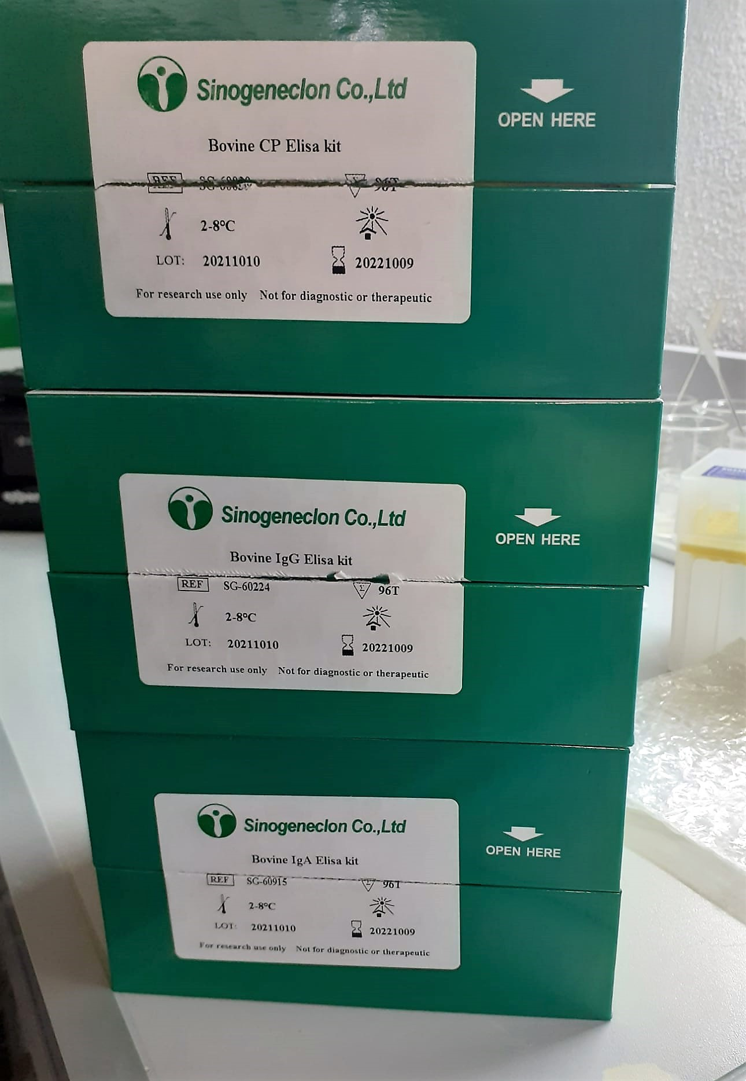
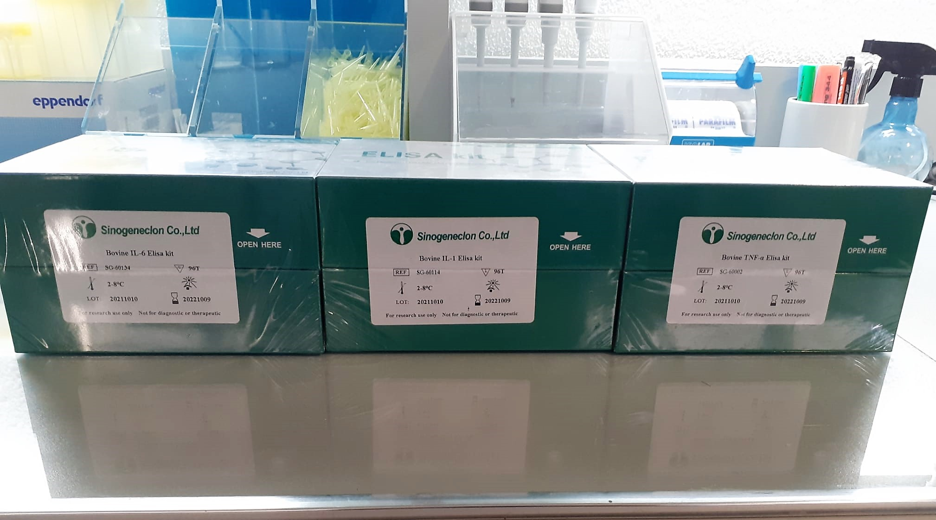

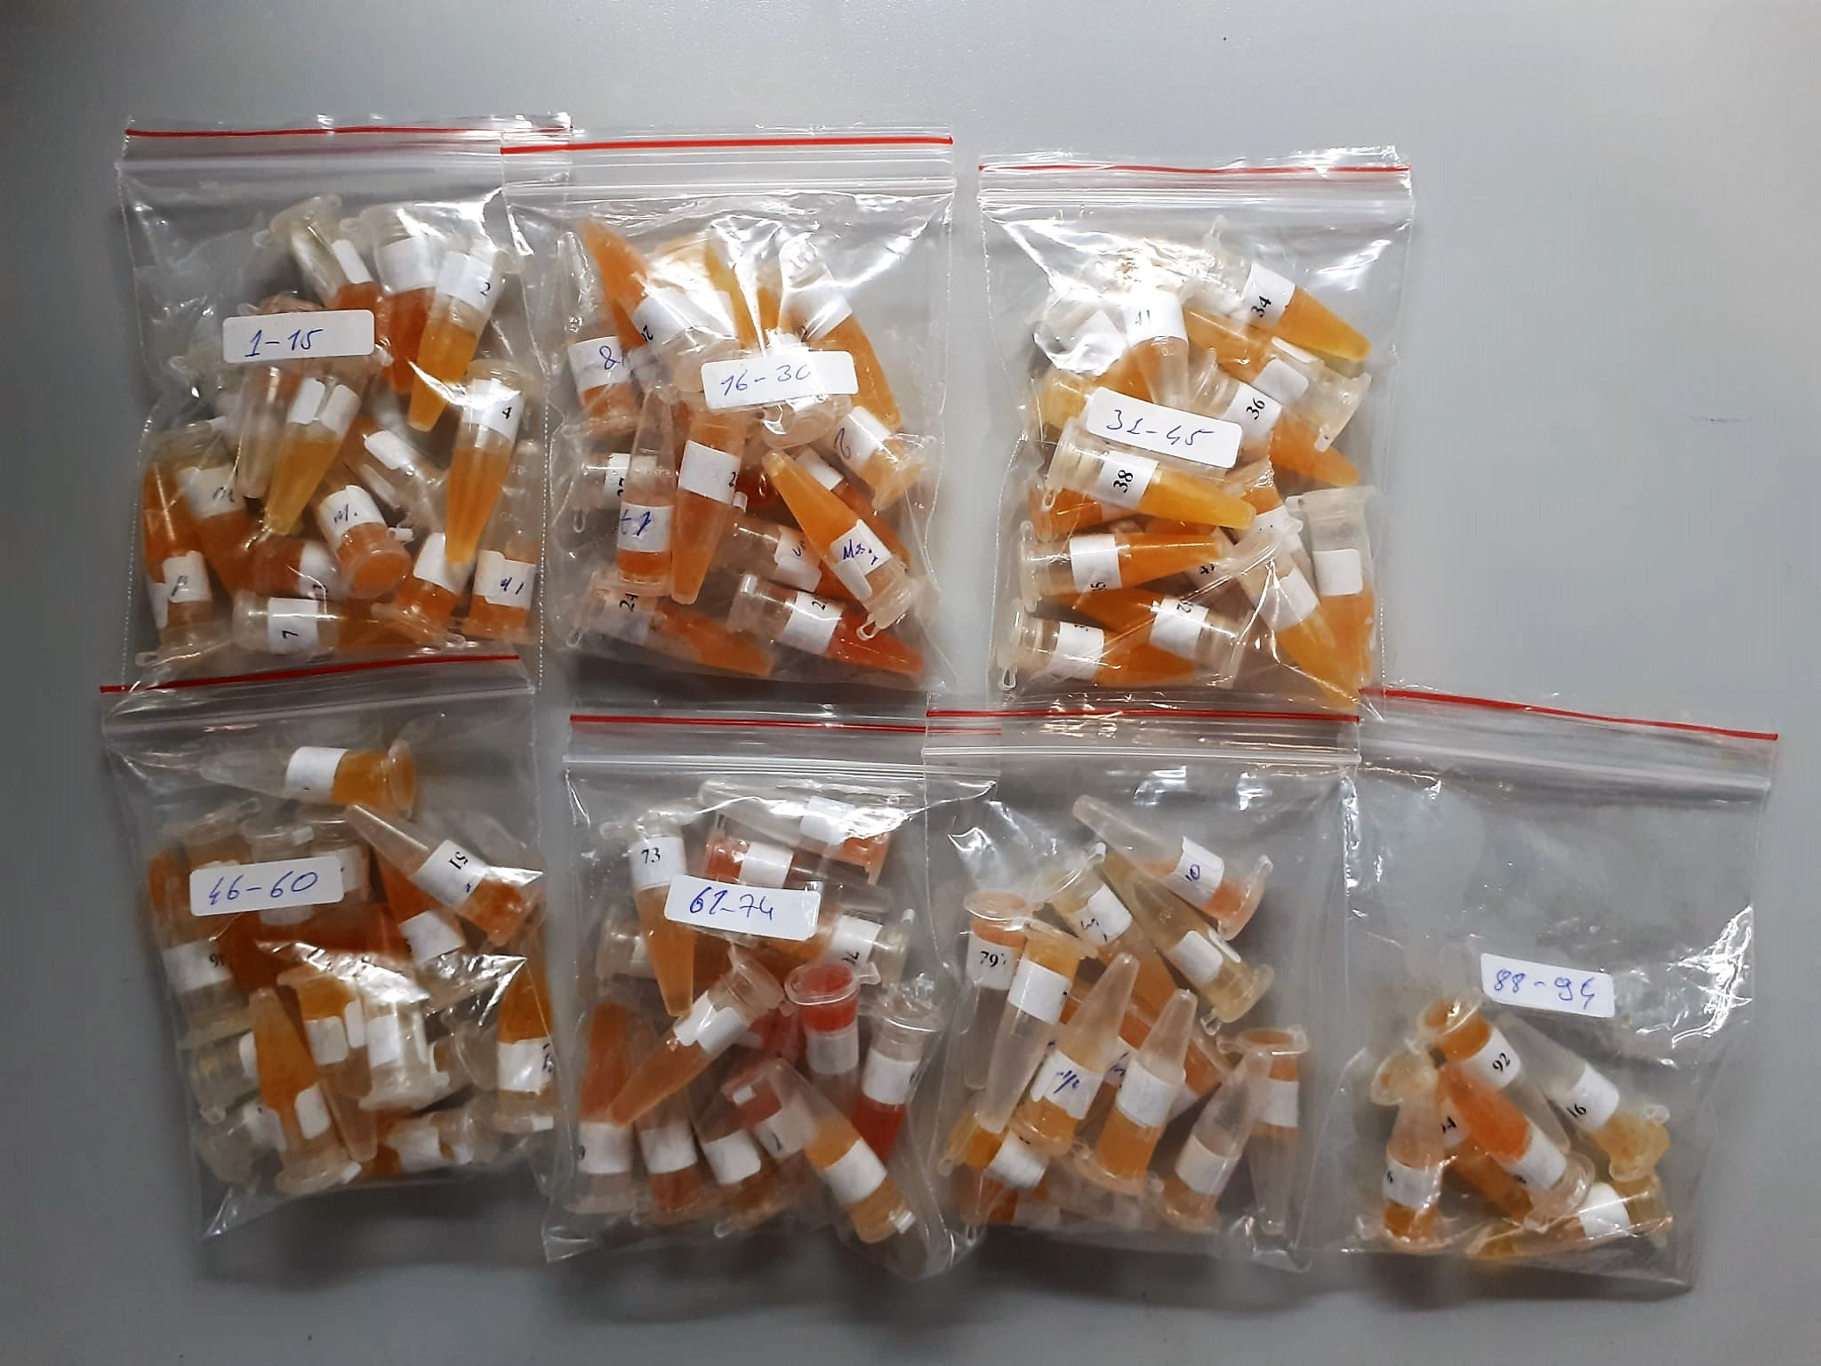

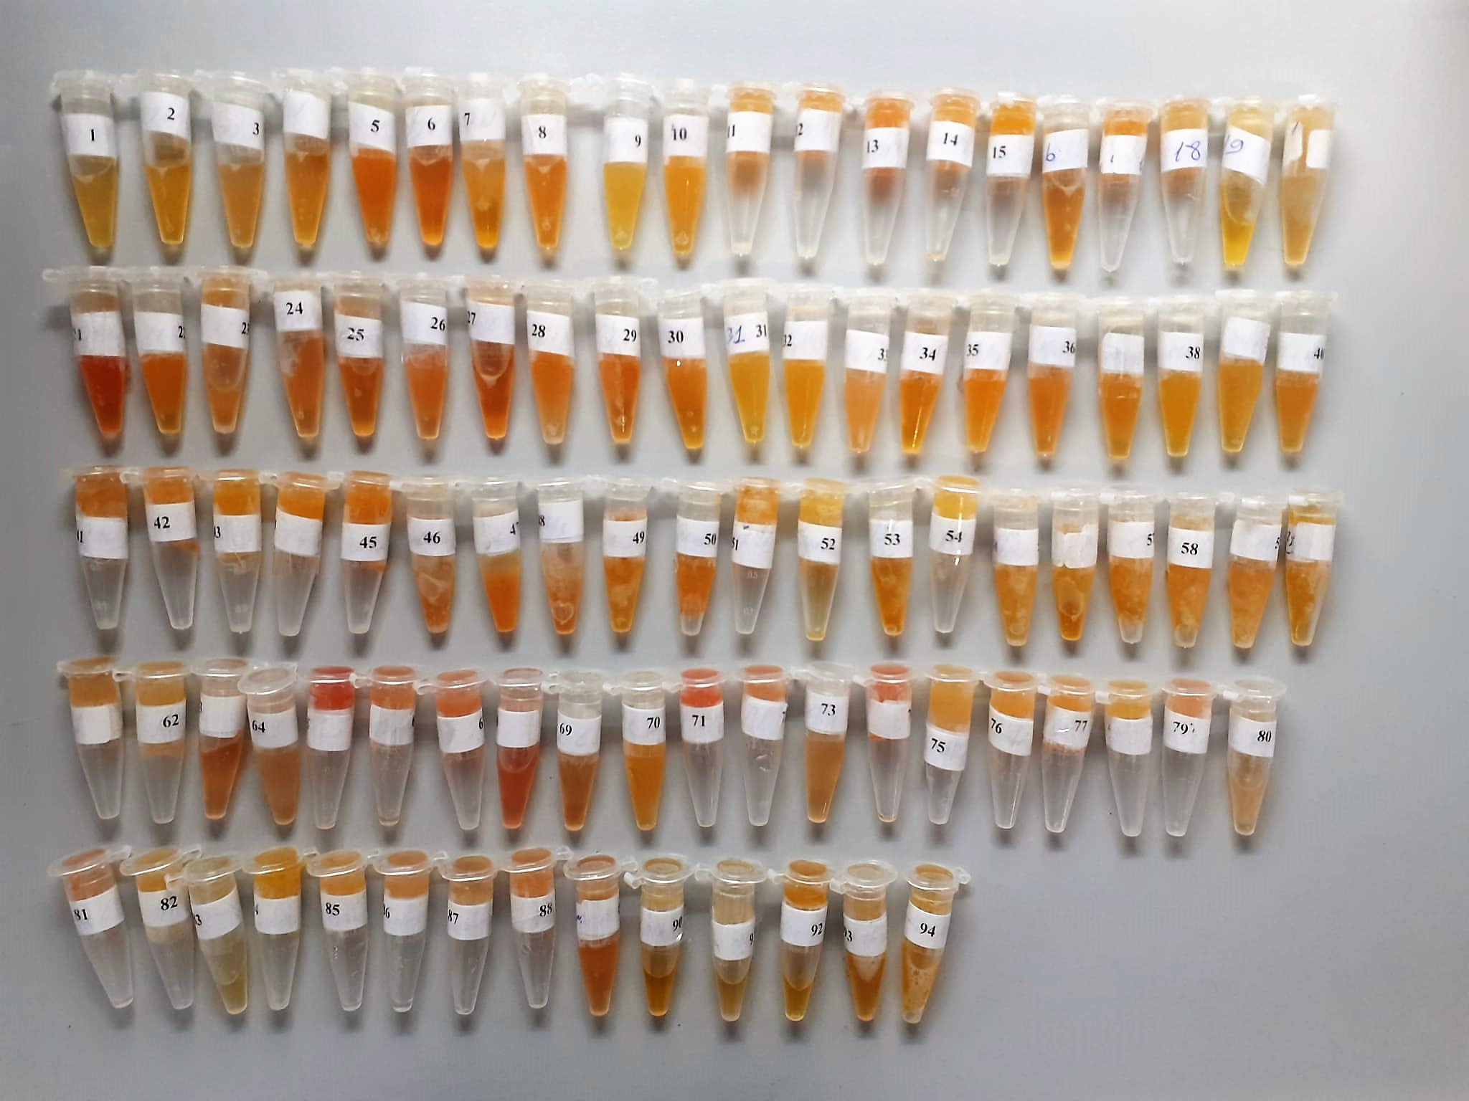

TOTAL ANTIOXDANT STATUS (TAS) (mmol/L)
TAS levels were measured using commercially available kits (Relassay, Turkey). The novel
automated method is based on the bleaching of characteristic color of a more stable ABTS
(2,2 ′ - Azino-bis(3-ethylbenzothiazoline-6-sulfonic acid)) radical cation by antioxidants. The
assay has excellent precision values, which are lower than 3%. The results were expressed as
mmol Trolox equivalent/L (Erel O. A novel automated direct measurement method for total
antioxidant capacity using a new generation, more stable ABTS radicalcation. Clin Biochem
2004;37:277-85.)
(Relassay,Turkey)

TOTAL OXIDANT STATUS (TOS) (µmol/L)
TOS levels were measured using commercially available kits (Relassay, Turkey. In the new
method, oxidants present in the sample oxidized the ferrous ion-o-dianisidine complex to
ferric ion. The oxidation reaction was enhanced by glycerol molecules abundantly present in
the reaction medium. The ferric ion produced a colored complex with xylenol orange in an
acidic medium. The color intensity, which could be measured spectrophotometrically, was
related to the total amount of oxidant molecules present in the sample. The assay was
calibrated with hydrogen peroxide and the results were expressed in terms of
micromolar hydrogen peroxide equivalent per liter (μmol H2O2 equivalent/L). ( Erel O. A
new automated colorimetric method for measuringtotal oxidant status. Clin Biochem
2005;38:1103-11. ).
(Relassay,Turkey)

OXIDATIVE STRESS INDEX (OSI)
The ratio of TOS to TAS was accepted as the oxidative stress index (OSI). For calculation, the
resulting unit of TAS was converted to μmol/L, and the OSI value was calculated according to
the following Formula : OSI (arbitrary unit) =
TOS (μmol H2O2 equivalent/L) / TAC (μmol Trolox equivalent/L). (1-3).
1. Yumru M, Savas HA, Kalenderoglu A, Bulut M, Celik H, Erel O. Oxidative imbalance in
bipolar disorder subtypes: a comparative study. Prog Neuropsychopharmacol Biol Psychiatry.
2009 Aug 31;33(6):1070-4.
2. Kosecik M, Erel O, Sevinc E, Selek S. Increased oxidative stress in children exposed to
passive smoking. Int J Cardiol 2005;100:61–4.
3. (Harma M, Harma M, Erel O (2003) Increased oxidative stress in patients with
hydatidiform mole. Swiss Med Wkly 133:563-536).

Bovine Haptoglobulin Assay Principle
This kit is an Enzyme-Linked Immunosorbent Assay (ELISA). The plate has been pre-coated with Bovine Hpt antibody. Bovine Hpt present in the sample is added and binds to antibodies coated on the wells.
And then biotinylated Bovine Hpt Antibody is added and binds to Bovine Hpt in the sample. Then Streptavidin-HRP is added and binds to the Biotinylated Bovine Hpt antibody.
After incubation unbound Streptavidin-HRP is washed away during a washing step. Substrate solution is then added and color develops in proportion to the amount of Bovine Hpt .
The reaction is terminated by addition of acidic stop solution and absorbance is measured at 450 nm.

Bovine IL-1 Assay Principle
The kit is for the quantitative level of Bovine-IL-1 in the sample, adopt purified IL-1 antibody the coat microtiter plate, make solidphase antibody,the add IL-1 to wells.
Combine IL-1 antibody with labeled HRP to form antibody-antigen-enzyme-antibody complex, after washing completely, add TMB substrate solution, TMB substrate becomes blue color at Hrp enzyme-catalyzed.
Reaction is terminated by addition of a stop solution and the color change is measured at a wavelength of 450 nm.
The concentratıon of IL-1 in the sample is then determined by comparing the O.D of the samples to the standard curve.

Bovine IL-6 Assay Principle
The kit is for the quantitative level of Bovine-IL-6 in the sample, adopt purified IL-6 antibody the coat microtiter plate, make solidphase antibody,the add IL-6 to wells.
Combine IL-6 antibody with labeled HRP to form antibody-antigen-enzyme-antibody complex, after washing completely, add TMB substrate solution, TMB substrate becomes blue color at Hrp enzyme-catalyzed.
Reaction is terminated by addition of a stop solution and the color change is measured at a wavelength of 450 nm.
The concentratıon of IL-6 in the sample is then determined by comparing the O.D of the samples to the standard curve.

Bovine TNF-A Assay Principle
The kit is for the quantitative level of Bovine-TNF-A in the sample, adopt purified TNF-A antibody the coat microtiter plate, make solidphase antibody,the add TNF-A to wells.
CombineTNF-A antibody with labeled HRP to form antibody-antigen-enzyme-antibody complex, after washing completely, add TMB substrate solution, TMB substrate becomes blue color at Hrp enzyme-catalyzed.
Reaction is terminated by addition of a stop solution and the color change is measured at a wavelength of 450 nm.
The concentratıon of TNF-A in the sample is then determined by comparing the O.D of the samples to the standard curve.

Bovine CP Assay Principle
The kit is for the quantitative level of Bovine-CP in the sample, adopt purified CP antibody the coat microtiter plate, make solidphase antibody,the add CP to wells.
Combine CP antibody with labeled HRP to form antibody-antigen-enzyme-antibody complex, after washing completely, add TMB substrate solution, TMB substrate becomes blue color at Hrp enzyme-catalyzed.
Reaction is terminated by addition of a stop solution and the color change is measured at a wavelength of 450 nm.
The concentratıon of CP in the sample is then determined by comparing the O.D of the samples to the standard curve.

Bovine IgG Assay Principle
The kit is for the quantitative level of Bovine-IgG in the sample, adopt purified IgG antibody the coat microtiter plate, make solidphase antibody,the add IgG to wells.
Combine IgG antibody with labeled HRP to form antibody-antigen-enzyme-antibody complex, after washing completely, add TMB substrate solution, TMB substrate becomes blue color at Hrp enzyme-catalyzed.
Reaction is terminated by addition of a stop solution and the color change is measured at a wavelength of 450 nm.
The concentratıon of IgG in the sample is then determined by comparing the O.D of the samples to the standard curve.

Bovine IgA Assay Principle
The kit is for the quantitative level of Bovine-IgA in the sample, adopt purified IgA antibody the coat microtiter plate, make solidphase antibody,the add IgA to wells.
Combine IgA antibody with labeled HRP to form antibody-antigen-enzyme-antibody complex, after washing completely, add TMB substrate solution, TMB substrate becomes blue color at Hrp enzyme-catalyzed.
Reaction is terminated by addition of a stop solution and the color change is measured at a wavelength of 450 nm.
The concentratıon of IgA in the sample is then determined by comparing the O.D of the samples to the standard curve.

