PON-1
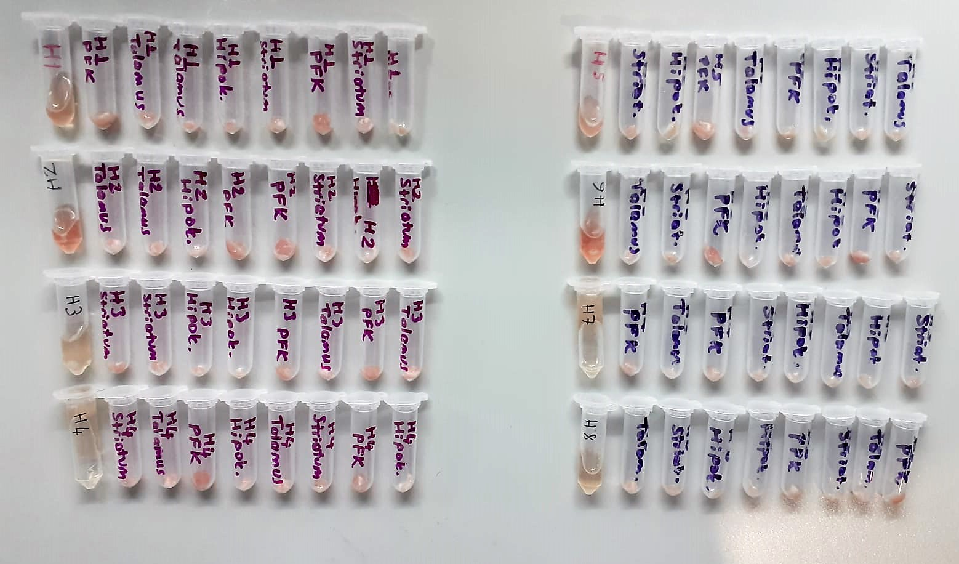
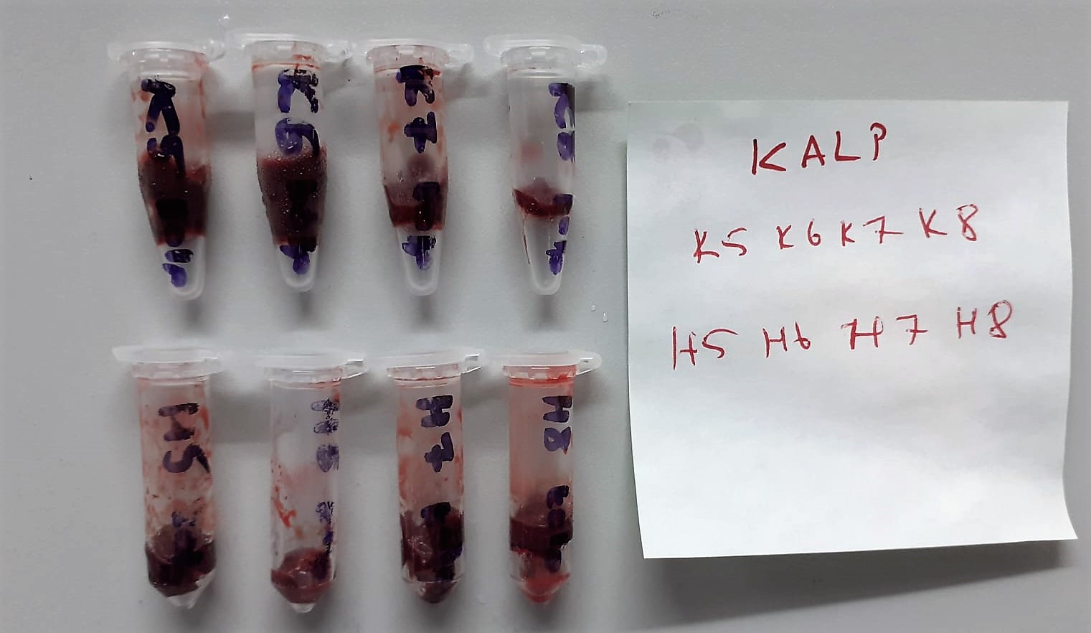
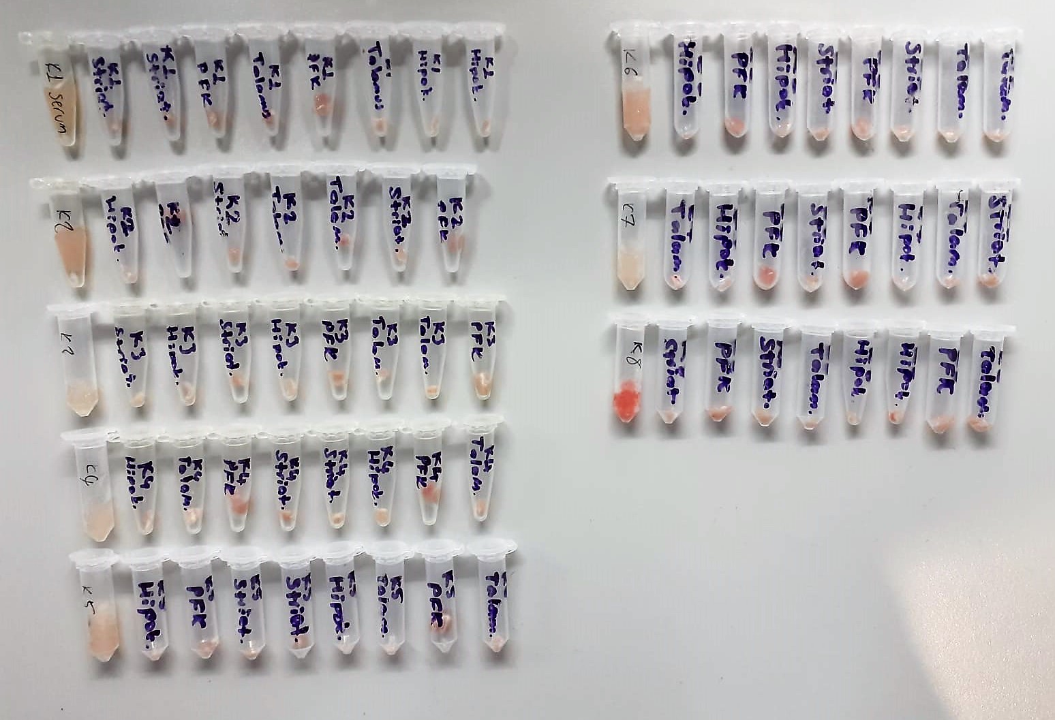
Numune Adı | PON(U/L)
KALP-K5 | 23
KALP-K6 | 24
KALP-K7 | 21
KALP-K8 | 26
KALP-H5 | 21
KALP-H6 | 29
KALP-H7 | 20
KALP-H8 | 22
Serum-K1 | 65
Serum-K2 | 40
Serum-K3 | 341
Serum-K4 | 376
Serum-K5 | 69
Serum-K6 | 51
Serum-K7 | 369
Serum-K8 | 671
Serum-H1 | 74
Serum-H2 | 357
Serum-H3 | 293
Serum-H4 | 405
Serum-H5 | 84
Serum-H6 | 342
Serum-H7 | 269
Serum-H8 | 410

MDA
MDA
2.481 | 100
1.673 | 50
0.994 | 25
0.513 | 12.5
0.288 | 6.25
0.122 | 3.125
0 | 0
 | absorbans | abs-blank | expected | result
std1 | 2.511 | 2.481 | 100 | 99.11157344
std2 | 1.703 | 1.673 | 50 | 52.40258016
std3 | 1.024 | 0.994 | 25 | 24.29762944
std4 | 0.543 | 0.513 | 12.5 | 10.54810976
std5 | 0.318 | 0.288 | 6.25 | 5.87012576
std6 | 0.152 | 0.122 | 3.125 | 3.13537536
blank | 0.03 | 0 | 0 | 1.5134

 |  |  |  |  | concentratıon (mmol/L)

Numune | absorbans | abs-blank | result
Sitriatum-K1 | 2.07 | 2.04 | 71.831
PFK-K1 | 1.28 | 1.25 | 33.698
Thalamus-K1 | 0.87 | 0.84 | 19.340
Hipothalamus-K1 | 0.88 | 0.85 | 19.646
Sitriatum-K2 | 0.89 | 0.86 | 19.954
PFK-K2 | 1.17 | 1.14 | 29.482
Thalamus-K2 | 0.86 | 0.83 | 19.036
Hipothalamus-K2 | 0.73 | 0.7 | 15.287
Sitriatum-K3 | 0.92 | 0.89 | 20.892
PFK-K3 | 0.9 | 0.87 | 20.264
Thalamus-K3 | 0.72 | 0.69 | 15.014
Hipothalamus-K3 | 0.81 | 0.78 | 17.550
Sitriatum-K4 | 0.95 | 0.92 | 21.850
PFK-K4 | 0.92 | 0.89 | 20.892
Thalamus-K4 | 1.09 | 1.06 | 26.583
Hipothalamus-K4 | 1.8 | 1.77 | 57.249
Sitriatum-K5 | 1.3 | 1.27 | 34.494
PFK-K5 | 0.91 | 0.88 | 20.577
Thalamus-K5 | 0.83 | 0.8 | 18.137
Hipothalamus-K5 | 0.96 | 0.93 | 22.174
Sitriatum-K6 | 1.18 | 1.15 | 29.854
PFK-K6 | 0.9 | 0.87 | 20.264
Thalamus-K6 | 1.02 | 0.99 | 24.162
Hipothalamus-K6 | 0.9 | 0.87 | 20.264
Sitriatum-K7 | 0.87 | 0.84 | 19.340
PFK-K7 | 0.84 | 0.81 | 18.435
Thalamus-K7 | 0.64 | 0.61 | 12.910
Hipothalamus-K7 | 0.74 | 0.71 | 15.562
Sitriatum-K8 | 1.31 | 1.28 | 34.895
PFK-K8 | 1.05 | 1.02 | 25.186
Thalamus-K8 | 1.89 | 1.86 | 61.931
Hipothalamus-K8 | 0.72 | 0.69 | 15.014
Sitriatum-H1 | 0.98 | 0.95 | 22.828
PFK-H1 | 0.9 | 0.87 | 20.264
Thalamus-H1 | 0.78 | 0.75 | 16.684
Hipothalamus-H1 | 0.66 | 0.63 | 13.422
Sitriatum-H2 | 1.32 | 1.29 | 35.298
PFK-H2 | 1.01 | 0.98 | 23.825
Thalamus-H2 | 1.02 | 0.99 | 24.162
Hipothalamus-H2 | 0.88 | 0.85 | 19.646
Sitriatum-H3 | 1.3 | 1.27 | 34.494
PFK-H3 | 1.06 | 1.03 | 25.532
Thalamus-H3 | 0.85 | 0.82 | 18.734
Hipothalamus-H3 | 0.86 | 0.83 | 19.036
Sitriatum-H4 | 1.14 | 1.11 | 28.378
PFK-H4 | 1.7 | 1.67 | 52.256
Thalamus-H4 | 1.26 | 1.23 | 32.912
Hipothalamus-H4 | 0.98 | 0.95 | 22.828
Sitriatum-H5 | 1.51 | 1.48 | 43.378
PFK-H5 | 1.43 | 1.4 | 39.879
Thalamus-H5 | 0.94 | 0.91 | 21.528
Hipothalamus-H5 | 0.91 | 0.88 | 20.577
Sitriatum-H6 | 0.64 | 0.61 | 12.910
PFK-H6 | 1.1 | 1.07 | 26.937
Thalamus-H6 | 0.81 | 0.78 | 17.550
Hipothalamus-H6 | 0.82 | 0.79 | 17.842
Sitriatum-H7 | 0.75 | 0.72 | 15.839
PFK-H7 | 1.02 | 0.99 | 24.162
Thalamus-H7 | 1.31 | 1.28 | 34.895
Hipothalamus-H7 | 0.89 | 0.86 | 19.954
Sitriatum-H8 | 2.34 | 2.31 | 88.024
PFK-H8 | 0.92 | 0.89 | 20.892
Thalamus-H8 | 0.68 | 0.65 | 13.944
Hipothalamus-H8 | 0.78 | 0.75 | 16.684

BDNF
2.419 | 0.318 | 0.231 | 1.094 | 0.764 | 0.683 | 0.754 | 0.56 | 0.623 | 0.677 | 0.557
1.534 | 0.29 | 0.184 | 0.6 | 0.506 | 0.56 | 0.593 | 0.507 | 0.48 | 0.48 | 0.483
1.012 | 0.213 | 0.176 | 0.633 | 0.626 | 0.595 | 0.698 | 0.53 | 0.606 | 0.575 | 0.603
0.685 | 0.289 | 0.269 | 0.51 | 0.439 | 0.467 | 0.501 | 0.486 | 0.48 | 0.455 | 0.402
0.426 | 0.256 | 0.238 | 0.518 | 0.586 | 0.552 | 0.591 | 0.447 | 0.447 | 0.606 | 0.535
0.207 | 0.312 | 0.183 | 0.48 | 0.512 | 0.516 | 0.485 | 0.545 | 0.48 | 0.526 | 0.48
0.106 | 0.298 | 0.173 | 0.469 | 0.794 | 0.646 | 0.573 | 0.56 | 0.674 | 0.607 | 0.731
0.076 | 0.111 | 0.203 | 0.611 | 0.573 | 0.528 | 0.478 | 0.51 | 0.474 | 0.513 | 0.558

BDNF
2.343 | 2000
1.458 | 1000
0.936 | 500
0.609 | 250
0.35 | 125
0.131 | 62.5
0.03 | 31.25
 | abs | abs-blank | expected | result
std1 | 2.419 | 2.343 | 2000 | 2012.1583571
std2 | 1.534 | 1.458 | 1000 | 959.2757156
std3 | 1.012 | 0.936 | 500 | 505.6354784
std4 | 0.685 | 0.609 | 250 | 284.7288299
std5 | 0.426 | 0.35 | 125 | 144.34925
std6 | 0.207 | 0.131 | 62.5 | 49.5069419
std7 | 0.106 | 0.03 | 31.25 | 13.13261
blank | 0.076 | 0 | 0 | 3.224

 |  |  |  |  |  |  |  |  | concentratıon (pg/ml)

Numune | absorbans | abs-blank | result
Serum-K1 | 0.318 | 0.242 | 94.846
Serum-K2 | 0.29 | 0.214 | 82.879
Serum-K3 | 0.213 | 0.137 | 51.814
Serum-K4 | 0.289 | 0.213 | 82.458
Serum-K5 | 0.256 | 0.18 | 68.829
Serum-K6 | 0.312 | 0.236 | 92.251
Serum-K7 | 0.298 | 0.222 | 86.262
Serum-K8 | 0.111 | 0.035 | 14.824
Serum-H1 | 0.231 | 0.155 | 58.834
Serum-H2 | 0.184 | 0.108 | 40.815
Serum-H3 | 0.176 | 0.1 | 37.848
Serum-H4 | 0.269 | 0.193 | 74.139
Serum-H5 | 0.238 | 0.162 | 61.604
Serum-H6 | 0.183 | 0.107 | 40.442
Serum-H7 | 0.173 | 0.097 | 36.743
Serum-H8 | 0.203 | 0.127 | 47.978
Sitriatum-K1 | 1.094 | 1.018 | 568.674
PFK-K1 | 0.6 | 0.524 | 235.288
Thalamus-K1 | 0.633 | 0.557 | 254.091
Hipothalamus-K1 | 0.51 | 0.434 | 186.528
Sitriatum-K2 | 0.518 | 0.442 | 190.712
PFK-K2 | 0.48 | 0.404 | 171.095
Thalamus-K2 | 0.469 | 0.393 | 165.539
Hipothalamus-K2 | 0.611 | 0.535 | 241.500
Sitriatum-K3 | 0.764 | 0.688 | 333.633
PFK-K3 | 0.506 | 0.43 | 184.446
Thalamus-K3 | 0.626 | 0.55 | 250.061
Hipothalamus-K3 | 0.439 | 0.363 | 150.667
Sitriatum-K4 | 0.586 | 0.51 | 227.460
PFK-K4 | 0.512 | 0.436 | 187.571
Thalamus-K4 | 0.794 | 0.718 | 352.949
Hipothalamus-K4 | 0.573 | 0.497 | 220.272
Sitriatum-K5 | 0.683 | 0.607 | 283.528
PFK-K5 | 0.56 | 0.484 | 213.161
Thalamus-K5 | 0.595 | 0.519 | 232.482
Hipothalamus-K5 | 0.467 | 0.391 | 164.535
Sitriatum-K6 | 0.552 | 0.476 | 208.823
PFK-K6 | 0.516 | 0.44 | 189.663
Thalamus-K6 | 0.646 | 0.57 | 261.635
Hipothalamus-K6 | 0.528 | 0.452 | 195.984
Sitriatum-K7 | 0.754 | 0.678 | 327.285
PFK-K7 | 0.593 | 0.517 | 231.363
Thalamus-K7 | 0.698 | 0.622 | 292.581
Hipothalamus-K7 | 0.501 | 0.425 | 181.855
Sitriatum-K8 | 0.591 | 0.515 | 230.246
PFK-K8 | 0.485 | 0.409 | 173.638
Thalamus-K8 | 0.573 | 0.497 | 220.272
Hipothalamus-K8 | 0.478 | 0.402 | 170.080
Sitriatum-H1 | 0.56 | 0.484 | 213.161
PFK-H1 | 0.507 | 0.431 | 184.966
Thalamus-H1 | 0.53 | 0.454 | 197.044
Hipothalamus-H1 | 0.486 | 0.41 | 174.148
Sitriatum-H2 | 0.447 | 0.371 | 154.592
PFK-H2 | 0.545 | 0.469 | 205.051
Thalamus-H2 | 0.56 | 0.484 | 213.161
Hipothalamus-H2 | 0.51 | 0.434 | 186.528
Sitriatum-H3 | 0.623 | 0.547 | 248.341
PFK-H3 | 0.48 | 0.404 | 171.095
Thalamus-H3 | 0.606 | 0.53 | 238.670
Hipothalamus-H3 | 0.48 | 0.404 | 171.095
Sitriatum-H4 | 0.447 | 0.371 | 154.592
PFK-H4 | 0.48 | 0.404 | 171.095
Thalamus-H4 | 0.674 | 0.598 | 278.145
Hipothalamus-H4 | 0.474 | 0.398 | 168.057
Sitriatum-H5 | 0.677 | 0.601 | 279.935
PFK-H5 | 0.48 | 0.404 | 171.095
Thalamus-H5 | 0.575 | 0.499 | 221.373
Hipothalamus-H5 | 0.455 | 0.379 | 158.547
Sitriatum-H6 | 0.606 | 0.53 | 238.670
PFK-H6 | 0.526 | 0.45 | 194.926
Thalamus-H6 | 0.607 | 0.531 | 239.235
Hipothalamus-H6 | 0.513 | 0.437 | 188.093
Sitriatum-H7 | 0.557 | 0.481 | 211.531
PFK-H7 | 0.483 | 0.407 | 172.620
Thalamus-H7 | 0.603 | 0.527 | 236.977
Hipothalamus-H7 | 0.402 | 0.326 | 132.889
Sitriatum-H8 | 0.535 | 0.459 | 199.702
PFK-H8 | 0.48 | 0.404 | 171.095
Thalamus-H8 | 0.731 | 0.655 | 312.859
Hipothalamus-H8 | 0.558 | 0.482 | 212.074

TNFA
2.41 | 0.081 | 0.095 | 1.262 | 0.779 | 0.627 | 0.753 | 0.556 | 0.63 | 0.861 | 0.637
1.548 | 0.119 | 0.096 | 0.65 | 0.57 | 0.523 | 0.61 | 0.525 | 0.431 | 0.548 | 0.394
0.955 | 0.086 | 0.079 | 0.769 | 0.666 | 0.658 | 0.706 | 0.671 | 0.679 | 0.776 | 0.683
0.542 | 0.086 | 0.093 | 0.604 | 0.486 | 0.485 | 0.539 | 0.616 | 0.628 | 0.559 | 0.435
0.308 | 0.094 | 0.099 | 0.655 | 0.705 | 0.53 | 0.559 | 0.566 | 0.61 | 0.64 | 0.607
0.188 | 0.144 | 0.12 | 0.543 | 0.589 | 0.525 | 0.533 | 0.54 | 0.57 | 0.461 | 0.516
0.13 | 0.09 | 0.078 | 0.576 | 0.804 | 0.749 | 0.687 | 0.658 | 0.707 | 0.804 | 0.775
0.077 | 0.094 | 0.09 | 0.434 | 0.589 | 0.679 | 0.582 | 0.578 | 0.48 | 0.524 | 0.558

TNF-A
2.333 | 5000
1.471 | 2500
0.878 | 1250
0.465 | 625
0.231 | 312.5
0.111 | 156.25
0.053 | 78.13
 | abs | abs-blank | expected | result
std1 | 2.41 | 2.333 | 5000 | 4993.2697992
std2 | 1.548 | 1.471 | 2500 | 2517.9044305
std3 | 0.955 | 0.878 | 1250 | 1257.5430548
std4 | 0.542 | 0.465 | 625 | 592.84794025
std5 | 0.308 | 0.231 | 312.5 | 293.89154329
std6 | 0.188 | 0.111 | 156.25 | 162.36813769
std7 | 0.13 | 0.053 | 78.13 | 104.09356801
blank | 0.077 | 0 | 0 | 0

 |  |  |  |  |  |  |  |  | concentratıon (pg/ml)

Numune | absorbans | abs-blank | result
Serum-K1 | 0.081 | 0.004 | 57.55068624
Serum-K2 | 0.119 | 0.042 | 93.43077796
Serum-K3 | 0.086 | 0.009 | 62.18712409
Serum-K4 | 0.086 | 0.009 | 62.18712409
Serum-K5 | 0.094 | 0.017 | 69.65876521
Serum-K6 | 0.144 | 0.067 | 117.84390321
Serum-K7 | 0.09 | 0.013 | 65.91473841
Serum-K8 | 0.094 | 0.017 | 69.65876521
Serum-H1 | 0.095 | 0.018 | 70.59733636
Serum-H2 | 0.096 | 0.019 | 71.53693329
Serum-H3 | 0.079 | 0.002 | 55.70329156
Serum-H4 | 0.093 | 0.016 | 68.72121984
Serum-H5 | 0.099 | 0.022 | 74.36187876
Serum-H6 | 0.12 | 0.043 | 94.39499361
Serum-H7 | 0.078 | 0.001 | 54.78113289
Serum-H8 | 0.09 | 0.013 | 65.91473841
Sitriatum-K1 | 1.262 | 1.185 | 1865.0076603
PFK-K1 | 0.65 | 0.573 | 749.77192081
Thalamus-K1 | 0.769 | 0.692 | 936.53359696
Hipothalamus-K1 | 0.604 | 0.527 | 681.47116681
Sitriatum-K2 | 0.655 | 0.578 | 757.32670276
PFK-K2 | 0.543 | 0.466 | 594.24606084
Thalamus-K2 | 0.576 | 0.499 | 640.95950289
Hipothalamus-K2 | 0.434 | 0.357 | 447.88865761
Sitriatum-K3 | 0.779 | 0.702 | 952.88948356
PFK-K3 | 0.57 | 0.493 | 632.38306161
Thalamus-K3 | 0.666 | 0.589 | 774.03749169
Hipothalamus-K3 | 0.486 | 0.409 | 516.19033209
Sitriatum-K4 | 0.705 | 0.628 | 834.28496976
PFK-K4 | 0.589 | 0.512 | 659.66847616
Thalamus-K4 | 0.804 | 0.727 | 994.22797881
Hipothalamus-K4 | 0.589 | 0.512 | 659.66847616
Sitriatum-K5 | 0.627 | 0.55 | 715.350225
PFK-K5 | 0.523 | 0.446 | 566.47854724
Thalamus-K5 | 0.658 | 0.581 | 761.87188129
Hipothalamus-K5 | 0.485 | 0.408 | 514.85068096
Sitriatum-K6 | 0.53 | 0.453 | 576.15050401
PFK-K6 | 0.525 | 0.448 | 569.23683456
Thalamus-K6 | 0.749 | 0.672 | 904.12955776
Hipothalamus-K6 | 0.679 | 0.602 | 793.94662756
Sitriatum-K7 | 0.753 | 0.676 | 910.57754064
PFK-K7 | 0.61 | 0.533 | 690.25686721
Thalamus-K7 | 0.706 | 0.629 | 835.85029249
Hipothalamus-K7 | 0.539 | 0.462 | 588.65973316
Sitriatum-K8 | 0.559 | 0.482 | 616.75549636
PFK-K8 | 0.533 | 0.456 | 580.31101504
Thalamus-K8 | 0.687 | 0.61 | 806.284569
Hipothalamus-K8 | 0.582 | 0.505 | 649.57287225
Sitriatum-H1 | 0.556 | 0.479 | 612.51497449
PFK-H1 | 0.525 | 0.448 | 569.23683456
Thalamus-H1 | 0.671 | 0.594 | 781.67433604
Hipothalamus-H1 | 0.616 | 0.539 | 699.07949569
Sitriatum-H2 | 0.566 | 0.489 | 626.68594969
PFK-H2 | 0.54 | 0.463 | 590.05477641
Thalamus-H2 | 0.658 | 0.581 | 761.87188129
Hipothalamus-H2 | 0.578 | 0.501 | 643.82652289
Sitriatum-H3 | 0.63 | 0.553 | 719.80923801
PFK-H3 | 0.431 | 0.354 | 444.03280324
Thalamus-H3 | 0.679 | 0.602 | 793.94662756
Hipothalamus-H3 | 0.628 | 0.551 | 716.83553689
Sitriatum-H4 | 0.61 | 0.533 | 690.25686721
PFK-H4 | 0.57 | 0.493 | 632.38306161
Thalamus-H4 | 0.707 | 0.63 | 837.416641
Hipothalamus-H4 | 0.48 | 0.403 | 508.16781201
Sitriatum-H5 | 0.861 | 0.784 | 1090.8769958
PFK-H5 | 0.548 | 0.471 | 601.25205049
Thalamus-H5 | 0.776 | 0.699 | 947.97194689
Hipothalamus-H5 | 0.559 | 0.482 | 616.75549636
Sitriatum-H6 | 0.64 | 0.563 | 734.73929041
PFK-H6 | 0.461 | 0.384 | 483.00678784
Thalamus-H6 | 0.804 | 0.727 | 994.22797881
Hipothalamus-H6 | 0.524 | 0.447 | 567.85717801
Sitriatum-H7 | 0.637 | 0.56 | 730.249504
PFK-H7 | 0.394 | 0.317 | 397.23634321
Thalamus-H7 | 0.683 | 0.606 | 800.10739204
Hipothalamus-H7 | 0.435 | 0.358 | 449.17599396
Sitriatum-H8 | 0.607 | 0.53 | 685.859401
PFK-H8 | 0.516 | 0.439 | 556.85685369
Thalamus-H8 | 0.775 | 0.698 | 946.33481956
Hipothalamus-H8 | 0.558 | 0.481 | 615.34096329

IL-1B
2.444 | 0.082 | 0.098 | 1.242 | 0.927 | 0.754 | 0.927 | 0.631 | 0.66 | 0.924 | 0.962
1.511 | 0.083 | 0.096 | 0.681 | 0.598 | 0.603 | 0.739 | 0.537 | 0.555 | 0.742 | 0.643
0.85 | 0.079 | 0.082 | 0.809 | 0.791 | 0.761 | 0.862 | 0.859 | 0.902 | 0.962 | 0.857
0.509 | 0.077 | 0.086 | 0.59 | 0.48 | 0.498 | 0.603 | 0.671 | 0.722 | 0.621 | 0.706
0.253 | 0.071 | 0.095 | 0.652 | 0.712 | 0.626 | 0.788 | 0.698 | 0.651 | 0.837 | 0.8
0.158 | 0.082 | 0.088 | 0.597 | 0.71 | 0.626 | 0.637 | 0.615 | 0.645 | 0.732 | 0.764
0.128 | 0.078 | 0.083 | 0.598 | 0.917 | 0.759 | 0.761 | 0.774 | 0.736 | 0.894 | 1.214
0.065 | 0.081 | 0.086 | 0.511 | 0.635 | 0.682 | 0.607 | 0.628 | 0.639 | 0.637 | 0.796

IL-1B
2.379 | 2000
1.446 | 1000
0.785 | 500
0.444 | 250
0.188 | 125
0.093 | 62.5
0.063 | 31.25
 | abs | abs-blank | expected | result
std1 | 2.444 | 2.379 | 2000 | 1995.8557146
std2 | 1.511 | 1.446 | 1000 | 1016.3316696
std3 | 0.85 | 0.785 | 500 | 481.048185
std4 | 0.509 | 0.444 | 250 | 256.3607616
std5 | 0.253 | 0.188 | 125 | 110.6969664
std6 | 0.158 | 0.093 | 62.5 | 61.6637994
std7 | 0.128 | 0.063 | 31.25 | 46.7443914
blank | 0.065 | 0 | 0 | 0

 |  |  |  |  |  |  |  |  | concentratıon (pg/ml)

Numune | absorbans | abs-blank | result
Serum-K1 | 0.082 | 0.017 | 24.394
Serum-K2 | 0.083 | 0.018 | 24.874
Serum-K3 | 0.079 | 0.014 | 22.959
Serum-K4 | 0.077 | 0.012 | 22.004
Serum-K5 | 0.071 | 0.006 | 19.144
Serum-K6 | 0.082 | 0.017 | 24.394
Serum-K7 | 0.078 | 0.013 | 22.481
Serum-K8 | 0.081 | 0.016 | 23.916
Serum-H1 | 0.098 | 0.033 | 32.096
Serum-H2 | 0.096 | 0.031 | 31.129
Serum-H3 | 0.082 | 0.017 | 24.394
Serum-H4 | 0.086 | 0.021 | 26.313
Serum-H5 | 0.095 | 0.03 | 30.646
Serum-H6 | 0.088 | 0.023 | 27.274
Serum-H7 | 0.083 | 0.018 | 24.874
Serum-H8 | 0.086 | 0.021 | 26.313
Sitriatum-K1 | 1.242 | 1.177 | 782.613
PFK-K1 | 0.681 | 0.616 | 365.315
Thalamus-K1 | 0.809 | 0.744 | 452.181
Hipothalamus-K1 | 0.59 | 0.525 | 306.561
Sitriatum-K2 | 0.652 | 0.587 | 346.320
PFK-K2 | 0.597 | 0.532 | 310.992
Thalamus-K2 | 0.598 | 0.533 | 311.626
Hipothalamus-K2 | 0.511 | 0.446 | 257.576
Sitriatum-K3 | 0.927 | 0.862 | 536.631
PFK-K3 | 0.598 | 0.533 | 311.626
Thalamus-K3 | 0.791 | 0.726 | 439.667
Hipothalamus-K3 | 0.48 | 0.415 | 238.868
Sitriatum-K4 | 0.712 | 0.647 | 385.900
PFK-K4 | 0.71 | 0.645 | 384.563
Thalamus-K4 | 0.917 | 0.852 | 529.312
Hipothalamus-K4 | 0.635 | 0.57 | 335.303
Sitriatum-K5 | 0.754 | 0.689 | 414.251
PFK-K5 | 0.603 | 0.538 | 314.801
Thalamus-K5 | 0.761 | 0.696 | 419.028
Hipothalamus-K5 | 0.498 | 0.433 | 249.696
Sitriatum-K6 | 0.626 | 0.561 | 329.506
PFK-K6 | 0.626 | 0.561 | 329.506
Thalamus-K6 | 0.759 | 0.694 | 417.661
Hipothalamus-K6 | 0.682 | 0.617 | 365.975
Sitriatum-K7 | 0.927 | 0.862 | 536.631
PFK-K7 | 0.739 | 0.674 | 404.065
Thalamus-K7 | 0.862 | 0.797 | 489.593
Hipothalamus-K7 | 0.603 | 0.538 | 314.801
Sitriatum-K8 | 0.788 | 0.723 | 437.591
PFK-K8 | 0.637 | 0.572 | 336.595
Thalamus-K8 | 0.761 | 0.696 | 419.028
Hipothalamus-K8 | 0.607 | 0.542 | 317.347
Sitriatum-H1 | 0.631 | 0.566 | 332.724
PFK-H1 | 0.537 | 0.472 | 273.490
Thalamus-H1 | 0.859 | 0.794 | 487.453
Hipothalamus-H1 | 0.671 | 0.606 | 358.737
Sitriatum-H2 | 0.698 | 0.633 | 376.568
PFK-H2 | 0.615 | 0.55 | 322.454
Thalamus-H2 | 0.774 | 0.709 | 427.938
Hipothalamus-H2 | 0.628 | 0.563 | 330.792
Sitriatum-H3 | 0.66 | 0.595 | 351.535
PFK-H3 | 0.555 | 0.49 | 284.627
Thalamus-H3 | 0.902 | 0.837 | 518.389
Hipothalamus-H3 | 0.722 | 0.657 | 392.602
Sitriatum-H4 | 0.651 | 0.586 | 345.670
PFK-H4 | 0.645 | 0.58 | 341.773
Thalamus-H4 | 0.736 | 0.671 | 402.036
Hipothalamus-H4 | 0.639 | 0.574 | 337.888
Sitriatum-H5 | 0.924 | 0.859 | 534.432
PFK-H5 | 0.742 | 0.677 | 406.096
Thalamus-H5 | 0.962 | 0.897 | 562.487
Hipothalamus-H5 | 0.621 | 0.556 | 326.296
Sitriatum-H6 | 0.837 | 0.772 | 471.840
PFK-H6 | 0.732 | 0.667 | 399.334
Thalamus-H6 | 0.894 | 0.829 | 512.591
Hipothalamus-H6 | 0.637 | 0.572 | 336.595
Sitriatum-H7 | 0.962 | 0.897 | 562.487
PFK-H7 | 0.643 | 0.578 | 340.477
Thalamus-H7 | 0.857 | 0.792 | 486.027
Hipothalamus-H7 | 0.706 | 0.641 | 381.893
Sitriatum-H8 | 0.8 | 0.735 | 445.912
PFK-H8 | 0.764 | 0.699 | 421.079
Thalamus-H8 | 1.214 | 1.149 | 759.537
Hipothalamus-H8 | 0.796 | 0.731 | 443.133

ROS
2.378 | 1.458 | 1.598 | 1.579 | 1.633 | 1.709 | 1.848 | 1.74 | 1.789 | 1.698 | 1.763 | 1.539
1.407 | 1.511 | 1.858 | 1.537 | 1.742 | 1.657 | 1.783 | 1.736 | 1.829 | 1.781 | 1.869 | 1.654
0.769 | 1.807 | 1.837 | 1.826 | 1.783 | 1.83 | 1.718 | 1.802 | 1.814 | 1.999 | 1.648 | 1.733
0.482 | 1.298 | 1.282 | 1.634 | 1.686 | 1.879 | 1.612 | 1.735 | 1.601 | 1.845 | 1.818 | 1.72
0.234 | 2.116 | 2.177 | 1.375 | 1.713 | 1.696 | 1.728 | 1.699 | 1.514 | 1.797 | 1.761
0.097 | 1.909 | 2.717 | 2.124 | 1.898 | 1.807 | 1.765 | 1.747 | 1.885 | 1.516 | 1.754

ROS
2.281 | 640
1.31 | 320
0.672 | 160
0.385 | 80
0.137 | 40
0 | 0
 | abs | abs-blank | expected | result
std1 | 2.378 | 2.281 | 640 | 639.13922015
std2 | 1.407 | 1.31 | 320 | 323.9144346
std3 | 0.769 | 0.672 | 160 | 153.32506822
std4 | 0.482 | 0.385 | 80 | 86.03378485
std5 | 0.234 | 0.137 | 40 | 32.608163634
blank | 0.097 | 0 | 0 | 4.9718

 |  |  |  |  |  |  |  | concentratıon (ng/L)

Numune | absorbans | abs-blank | result
Sitriatum-K1 | 1.458 | 1.361 | 338.801
PFK-K1 | 1.511 | 1.414 | 354.468
Thalamus-K1 | 1.807 | 1.71 | 445.642
Hipothalamus-K1 | 1.298 | 1.201 | 292.718
Sitriatum-K2 | 2.116 | 2.019 | 547.473
PFK-K2 | 1.909 | 1.812 | 478.505
Thalamus-K2 | 1.598 | 1.501 | 380.619
Hipothalamus-K2 | 1.858 | 1.761 | 461.981
Sitriatum-K3 | 1.837 | 1.74 | 455.231
PFK-K3 | 1.282 | 1.185 | 288.210
Thalamus-K3 | 2.177 | 2.08 | 568.379
Hipothalamus-K3 | 2.717 | 2.62 | 764.995
Sitriatum-K4 | 1.579 | 1.482 | 374.862
PFK-K4 | 1.537 | 1.44 | 362.227
Thalamus-K4 | 1.826 | 1.729 | 451.708
Hipothalamus-K4 | 1.634 | 1.537 | 391.598
Sitriatum-K5 | 1.375 | 1.278 | 314.668
PFK-K5 | 2.124 | 2.027 | 550.200
Thalamus-K5 | 1.633 | 1.536 | 391.291
Hipothalamus-K5 | 1.742 | 1.645 | 425.087
Sitriatum-K6 | 1.783 | 1.686 | 438.018
PFK-K6 | 1.686 | 1.589 | 407.618
Thalamus-K6 | 1.713 | 1.616 | 416.013
Hipothalamus-K6 | 1.898 | 1.801 | 474.925
Sitriatum-K7 | 1.709 | 1.612 | 414.766
PFK-K7 | 1.657 | 1.56 | 398.660
Thalamus-K7 | 1.83 | 1.733 | 452.988
Hipothalamus-K7 | 1.879 | 1.782 | 468.763
Sitriatum-K8 | 1.696 | 1.599 | 410.721
PFK-K8 | 1.807 | 1.71 | 445.642
Thalamus-K8 | 1.848 | 1.751 | 458.763
Hipothalamus-K8 | 1.783 | 1.686 | 438.018
Sitriatum-H1 | 1.718 | 1.621 | 417.573
PFK-H1 | 1.612 | 1.515 | 384.877
Thalamus-H1 | 1.728 | 1.631 | 420.699
Hipothalamus-H1 | 1.765 | 1.668 | 432.326
Sitriatum-H2 | 1.74 | 1.643 | 424.459
PFK-H2 | 1.736 | 1.639 | 423.204
Thalamus-H2 | 1.802 | 1.705 | 444.050
Hipothalamus-H2 | 1.735 | 1.638 | 422.891
Sitriatum-H3 | 1.699 | 1.602 | 411.654
PFK-H3 | 1.747 | 1.65 | 426.657
Thalamus-H3 | 1.789 | 1.692 | 439.920
Hipothalamus-H3 | 1.829 | 1.732 | 452.668
Sitriatum-H4 | 1.814 | 1.717 | 447.874
PFK-H4 | 1.601 | 1.504 | 381.530
Thalamus-H4 | 1.514 | 1.417 | 355.361
Hipothalamus-H4 | 1.885 | 1.788 | 470.706
Sitriatum-H5 | 1.698 | 1.601 | 411.343
PFK-H5 | 1.781 | 1.684 | 437.384
Thalamus-H5 | 1.999 | 1.902 | 508.117
Hipothalamus-H5 | 1.845 | 1.748 | 457.799
Sitriatum-H6 | 1.797 | 1.7 | 442.460
PFK-H6 | 1.516 | 1.419 | 355.957
Thalamus-H6 | 1.763 | 1.666 | 431.695
Hipothalamus-H6 | 1.869 | 1.772 | 465.529
Sitriatum-H7 | 1.648 | 1.551 | 395.892
PFK-H7 | 1.818 | 1.721 | 449.151
Thalamus-H7 | 1.761 | 1.664 | 431.064
Hipothalamus-H7 | 1.754 | 1.657 | 428.859
Sitriatum-H8 | 1.539 | 1.442 | 362.826
PFK-H8 | 1.654 | 1.557 | 397.737
Thalamus-H8 | 1.733 | 1.636 | 422.264
Hipothalamus-H8 | 1.72 | 1.623 | 418.197

CORTISOL
0.141 | 0.123 | 0.159 | 2.154 | 1.833 | 1.914 | 2.037 | 1.78 | 1.985 | 1.865 | 1.857
0.698 | 0.143 | 0.156 | 1.882 | 1.643 | 1.733 | 2.141 | 1.636 | 1.748 | 1.505 | 1.676
1.172 | 0.146 | 0.184 | 1.927 | 1.78 | 1.902 | 1.905 | 1.731 | 1.902 | 1.842 | 1.859
1.508 | 0.142 | 0.146 | 1.647 | 1.499 | 1.721 | 1.692 | 1.524 | 1.661 | 1.542 | 1.648
1.922 | 0.134 | 0.192 | 1.691 | 1.704 | 2.13 | 1.698 | 1.591 | 1.618 | 1.684 | 1.707
2.315 | 0.131 | 0.148 | 1.687 | 1.766 | 1.765 | 1.673 | 1.793 | 1.605 | 1.547 | 1.73
2.864 | 0.166 | 0.166 | 1.692 | 2.186 | 1.959 | 1.887 | 1.761 | 1.988 | 1.879 | 2.007
 | 0.607 | 0.15 | 1.487 | 1.961 | 1.981 | 1.783 | 1.798 | 1.78 | 1.745 | 1.792

CORTISOL
0.141 | 400
0.698 | 200
1.172 | 100
1.508 | 50
1.922 | 25
2.315 | 12.5
 | abs | expected | result
std1 | 0.141 | 400 | 395.56991331
std2 | 0.698 | 200 | 209.22229261
std3 | 1.172 | 100 | 99.293274368
std4 | 1.508 | 50 | 48.462979328
std5 | 1.922 | 25 | 16.743690368
std6 | 2.315 | 12.5 | 18.2063672
blank | 2.864 | 0

 |  |  |  |  |  |  |  | concentratıon (ng/ml)

Numune | absorbans | result
Serum-K1 | 0.123 | 402.62
Serum-K2 | 0.143 | 394.79
Serum-K3 | 0.146 | 393.62
Serum-K4 | 0.142 | 395.18
Serum-K5 | 0.134 | 398.30
Serum-K6 | 0.131 | 399.48
Serum-K7 | 0.166 | 385.88
Serum-K8 | 0.607 | 235.45
Serum-H1 | 0.159 | 388.58
Serum-H2 | 0.156 | 389.74
Serum-H3 | 0.184 | 378.98
Serum-H4 | 0.146 | 393.62
Serum-H5 | 0.192 | 375.94
Serum-H6 | 0.148 | 392.84
Serum-H7 | 0.166 | 385.88
Serum-H8 | 0.15 | 392.07
Sitriatum-K1 | 2.154 | 13.89
PFK-K1 | 1.882 | 18.32
Thalamus-K1 | 1.927 | 16.57
Hipothalamus-K1 | 1.647 | 34.01
Sitriatum-K2 | 1.691 | 30.23
PFK-K2 | 1.687 | 30.56
Thalamus-K2 | 1.692 | 30.15
Hipothalamus-K2 | 1.487 | 50.98
Sitriatum-K3 | 1.833 | 20.68
PFK-K3 | 1.643 | 34.37
Thalamus-K3 | 1.78 | 23.78
Hipothalamus-K3 | 1.499 | 49.53
Sitriatum-K4 | 1.704 | 29.19
PFK-K4 | 1.766 | 24.69
Thalamus-K4 | 2.186 | 14.34
Hipothalamus-K4 | 1.961 | 15.51
Sitriatum-K5 | 1.914 | 17.03
PFK-K5 | 1.733 | 26.99
Thalamus-K5 | 1.902 | 17.49
Hipothalamus-K5 | 1.721 | 27.88
Sitriatum-K6 | 2.13 | 13.69
PFK-K6 | 1.765 | 24.76
Thalamus-K6 | 1.959 | 15.57
Hipothalamus-K6 | 1.981 | 15.00
Sitriatum-K7 | 2.037 | 13.99
PFK-K7 | 2.141 | 13.77
Thalamus-K7 | 1.905 | 17.37
Hipothalamus-K7 | 1.692 | 30.15
Sitriatum-K8 | 1.698 | 29.67
PFK-K8 | 1.673 | 31.73
Thalamus-K8 | 1.887 | 18.10
Hipothalamus-K8 | 1.783 | 23.59
Sitriatum-H1 | 1.78 | 23.78
PFK-H1 | 1.636 | 35.01
Thalamus-H1 | 1.731 | 27.14
Hipothalamus-H1 | 1.524 | 46.60
Sitriatum-H2 | 1.591 | 39.37
PFK-H2 | 1.793 | 22.97
Thalamus-H2 | 1.761 | 25.02
Hipothalamus-H2 | 1.798 | 22.66
Sitriatum-H3 | 1.985 | 14.91
PFK-H3 | 1.748 | 25.92
Thalamus-H3 | 1.902 | 17.49
Hipothalamus-H3 | 1.661 | 32.77
Sitriatum-H4 | 1.618 | 36.71
PFK-H4 | 1.605 | 37.97
Thalamus-H4 | 1.988 | 14.84
Hipothalamus-H4 | 1.78 | 23.78
Sitriatum-H5 | 1.865 | 19.09
PFK-H5 | 1.505 | 48.82
Thalamus-H5 | 1.842 | 20.21
Hipothalamus-H5 | 1.542 | 44.57
Sitriatum-H6 | 1.684 | 30.81
PFK-H6 | 1.547 | 44.02
Thalamus-H6 | 1.879 | 18.45
Hipothalamus-H6 | 1.745 | 26.13
Sitriatum-H7 | 1.857 | 19.47
PFK-H7 | 1.676 | 31.48
Thalamus-H7 | 1.859 | 19.37
Hipothalamus-H7 | 1.648 | 33.92
Sitriatum-H8 | 1.707 | 28.96
PFK-H8 | 1.73 | 27.21
Thalamus-H8 | 2.007 | 14.45
Hipothalamus-H8 | 1.792 | 23.03

