ACTH
0.201 | 1.41 | 1.123 | 1.325 | 1.197 | 1.359
0.651 | 1.071 | 1.269 | 1.261 | 1.043 | 1.148
0.991 | 1.113 | 1.23 | 1.473 | 1.212 | 1.124
1.258 | 1.329 | 0.74 | 1.338 | 1.174 | 1.273
1.514 | 1.055 | 1.057 | 1.394 | 1.219 | 1.238
1.869 | 1.531 | 1.091 | 1.091 | 1.216 | 1.146
0.048 | 1.376 | 0.984 | 1.238 | 1.288 | 1.104
ACTH
0.049 | 0.89 | 1.564 | 1.084 | 1.025 | 1.212

 | abs | abs-blank | expected | result
std1 | 0.201 | 0.153 | 96 | 95.49
std2 | 0.651 | 0.603 | 48 | 48.93
std3 | 0.991 | 0.943 | 24 | 24.44
std4 | 1.258 | 1.21 | 12 | 11.66
std5 | 1.514 | 1.466 | 6 | 4.73
std6 | 1.869 | 1.821 | 3 | 3.76
blank | 0.048 | 0 | 0 | 114.99
 |  |  |  |  |  | concentration (ng/L)

Numune | absorbans | blank | abs-blank | result(ng/L)
C-KONTROL-1 | 1.41 | 0.048 | 1.362 | 6.92
C-KONTROL-2 | 1.071 | 0.048 | 1.023 | 20.02
C-KONTROL-3 | 1.113 | 0.048 | 1.065 | 17.90
C-KONTROL-4 | 1.329 | 0.048 | 1.281 | 9.22
DM-KONTROL-1 | 1.055 | 0.048 | 1.007 | 20.86
DM-KONTROL-2 | 1.531 | 0.048 | 1.483 | 4.46
DM-KONTROL-3 | 1.376 | 0.048 | 1.328 | 7.82
DM-KONTROL-4 | 0.89 | 0.048 | 0.842 | 30.75
DM-KONTROL-5 | 1.123 | 0.048 | 1.075 | 17.41
DM-KONTROL-9 | 1.269 | 0.048 | 1.221 | 11.25
LİN-75-1 | 1.23 | 0.048 | 1.182 | 12.73
LİN-75-2 | 0.74 | 0.048 | 0.692 | 41.63
LİN-75-3 | 1.057 | 0.048 | 1.009 | 20.75
LİN-75-4 | 1.091 | 0.048 | 1.043 | 18.99
LİN-75-9 | 0.984 | 0.048 | 0.936 | 24.85
LİN-75-10 | 1.564 | 0.048 | 1.516 | 3.99
LİN-150-2 | 1.325 | 0.048 | 1.277 | 9.34
LİN-150-3 | 1.261 | 0.048 | 1.213 | 11.55
LİN-150-4 | 1.473 | 0.048 | 1.425 | 5.49
LİN-150-5 | 1.338 | 0.048 | 1.29 | 8.94
LİN-150-6 | 1.394 | 0.048 | 1.346 | 7.33
LİN-150-7 | 1.091 | 0.048 | 1.043 | 18.99
Ü-KÖHS-2 | 1.238 | 0.048 | 1.19 | 12.42
Ü-KÖHS-3 | 1.084 | 0.048 | 1.036 | 19.35
Ü-KÖHS-4 | 1.197 | 0.048 | 1.149 | 14.08
Ü-KÖHS-5 | 1.043 | 0.048 | 0.995 | 21.51
Ü-KÖHS-6 | 1.212 | 0.048 | 1.164 | 13.46
Ü-KÖHS-7 | 1.174 | 0.048 | 1.126 | 15.07
Ü-1A-1 | 1.219 | 0.048 | 1.171 | 13.17
Ü-1A-2 | 1.216 | 0.048 | 1.168 | 13.29
Ü-1A-4 | 1.288 | 0.048 | 1.24 | 10.58
Ü-1A-5 | 1.025 | 0.048 | 0.977 | 22.50
Ü-1A-6 | 1.359 | 0.048 | 1.311 | 8.30
Ü-1A-7 | 1.148 | 0.048 | 1.1 | 16.24
Ü-1B-1 | 1.124 | 0.048 | 1.076 | 17.37
Ü-1B-2 | 1.273 | 0.048 | 1.225 | 11.11
Ü-1B-3 | 1.238 | 0.048 | 1.19 | 12.42
Ü-1B-4 | 1.146 | 0.048 | 1.098 | 16.33
Ü-1B-5 | 1.104 | 0.048 | 1.056 | 18.34
Ü-1B-7 | 1.212 | 0.048 | 1.164 | 13.46

IL-6
2.942 | 1.472 | 1.362 | 1.973 | 1.948 | 1.786
1.94 | 1.17 | 1.207 | 1.634 | 1.914 | 1.74
1.289 | 1.194 | 1.279 | 1.63 | 1.727 | 2.104
0.827 | 1.091 | 1.175 | 1.577 | 1.795 | 1.752
0.477 | 1.107 | 1.15 | 1.419 | 1.64 | 1.516
0.111 | 1.131 | 1.119 | 1.262 | 1.589 | 1.578
0.108 | 1.081 | 1.362 | 1.431 | 1.653 | 1.399
0.122 | 1.374 | 1.367 | 1.32 | 1.655 | 1.683

IL-6

 | abs | abs-blank | expected | result
std1 | 2.942 | 2.831 | 24 | 24.03
std2 | 1.94 | 1.829 | 12 | 11.87
std3 | 1.289 | 1.178 | 6 | 6.13
std4 | 0.827 | 0.716 | 3 | 3.08
std5 | 0.477 | 0.366 | 1.5 | 1.34
blank | 0.111 | 0 | 0 | 0.05

 |  |  |  |  |  | concentration (ng/L)

Numune | absorbans | blank | abs-blank | result(ng/L)
C-KONTROL-1 | 1.472 | 0.111 | 1.361 | 7.57
C-KONTROL-2 | 1.17 | 0.111 | 1.059 | 5.26
C-KONTROL-3 | 1.194 | 0.111 | 1.083 | 5.43
C-KONTROL-4 | 1.091 | 0.111 | 0.98 | 4.72
DM-KONTROL-1 | 1.107 | 0.111 | 0.996 | 4.83
DM-KONTROL-2 | 1.131 | 0.111 | 1.02 | 4.99
DM-KONTROL-3 | 1.081 | 0.111 | 0.97 | 4.65
DM-KONTROL-4 | 1.374 | 0.111 | 1.263 | 6.78
DM-KONTROL-5 | 1.362 | 0.111 | 1.251 | 6.69
DM-KONTROL-9 | 1.207 | 0.111 | 1.096 | 5.53
LİN-75-1 | 1.279 | 0.111 | 1.168 | 6.05
LİN-75-2 | 1.175 | 0.111 | 1.064 | 5.30
LİN-75-3 | 1.15 | 0.111 | 1.039 | 5.12
LİN-75-4 | 1.119 | 0.111 | 1.008 | 4.91
LİN-75-9 | 1.362 | 0.111 | 1.251 | 6.69
LİN-75-10 | 1.367 | 0.111 | 1.256 | 6.73
LİN-150-2 | 1.973 | 0.111 | 1.862 | 12.21
LİN-150-3 | 1.634 | 0.111 | 1.523 | 8.96
LİN-150-4 | 1.63 | 0.111 | 1.519 | 8.93
LİN-150-5 | 1.577 | 0.111 | 1.466 | 8.46
LİN-150-6 | 1.419 | 0.111 | 1.308 | 7.14
LİN-150-7 | 1.262 | 0.111 | 1.151 | 5.93
Ü-KÖHS-2 | 1.431 | 0.111 | 1.32 | 7.24
Ü-KÖHS-3 | 1.32 | 0.111 | 1.209 | 6.36
Ü-KÖHS-4 | 1.948 | 0.111 | 1.837 | 11.95
Ü-KÖHS-5 | 1.914 | 0.111 | 1.803 | 11.61
Ü-KÖHS-6 | 1.727 | 0.111 | 1.616 | 9.81
Ü-KÖHS-7 | 1.795 | 0.111 | 1.684 | 10.45
Ü-1A-1 | 1.64 | 0.111 | 1.529 | 9.02
Ü-1A-2 | 1.589 | 0.111 | 1.478 | 8.57
Ü-1A-4 | 1.653 | 0.111 | 1.542 | 9.13
Ü-1A-5 | 1.655 | 0.111 | 1.544 | 9.15
Ü-1A-6 | 1.786 | 0.111 | 1.675 | 10.36
Ü-1A-7 | 1.74 | 0.111 | 1.629 | 9.93
Ü-1B-1 | 2.104 | 0.111 | 1.993 | 13.59
Ü-1B-2 | 1.752 | 0.111 | 1.641 | 10.04
Ü-1B-3 | 1.516 | 0.111 | 1.405 | 7.94
Ü-1B-4 | 1.578 | 0.111 | 1.467 | 8.47
Ü-1B-5 | 1.399 | 0.111 | 1.288 | 6.98
Ü-1B-7 | 1.683 | 0.111 | 1.572 | 9.40

IL-1BETA
2.715 | 1.024 | 1.284 | 1.394 | 1.01 | 0.822
1.688 | 1.004 | 1.215 | 1.248 | 1.051 | 1.075
1.12 | 1.049 | 1.253 | 1.217 | 1.026 | 0.986
0.68 | 0.891 | 1.338 | 1.184 | 1.294 | 0.876
0.4 | 0.951 | 1.299 | 1.411 | 1.257 | 1.21
0.099 | 0.907 | 1.198 | 1.386 | 1.047 | 1.063
0.1 | 0.818 | 1.239 | 1.508 | 1.003 | 0.905
0.099 | 1.078 | 1.327 | 1.481 | 0.893 | 0.991

IL-1BETA

 | abs | abs-blank | expected | result
std1 | 2.715 | 2.616 | 40 | 40.15
std2 | 1.688 | 1.589 | 20 | 19.33
std3 | 1.12 | 1.021 | 10 | 10.59
std4 | 0.68 | 0.581 | 5 | 5.19
std5 | 0.4 | 0.301 | 2.5 | 2.37
blank | 0.099 | 0 | 0 | -0.13

 |  |  |  |  |  | concentration (ng/ml)

Numune | absorbans | blank | abs-blank | result(ng/ml)
C-KONTROL-1 | 1.024 | 0.099 | 0.925 | 9.31
C-KONTROL-2 | 1.004 | 0.099 | 0.905 | 9.05
C-KONTROL-3 | 1.049 | 0.099 | 0.95 | 9.64
C-KONTROL-4 | 0.891 | 0.099 | 0.792 | 7.63
DM-KONTROL-1 | 0.951 | 0.099 | 0.852 | 8.38
DM-KONTROL-2 | 0.907 | 0.099 | 0.808 | 7.83
DM-KONTROL-3 | 0.818 | 0.099 | 0.719 | 6.76
DM-KONTROL-4 | 1.078 | 0.099 | 0.979 | 10.03
DM-KONTROL-5 | 1.284 | 0.099 | 1.185 | 12.91
DM-KONTROL-9 | 1.215 | 0.099 | 1.116 | 11.92
LİN-75-1 | 1.253 | 0.099 | 1.154 | 12.46
LİN-75-2 | 1.338 | 0.099 | 1.239 | 13.71
LİN-75-3 | 1.299 | 0.099 | 1.2 | 13.13
LİN-75-4 | 1.198 | 0.099 | 1.099 | 11.68
LİN-75-9 | 1.239 | 0.099 | 1.14 | 12.26
LİN-75-10 | 1.327 | 0.099 | 1.228 | 13.55
LİN-150-2 | 1.394 | 0.099 | 1.295 | 14.56
LİN-150-3 | 1.248 | 0.099 | 1.149 | 12.39
LİN-150-4 | 1.217 | 0.099 | 1.118 | 11.94
LİN-150-5 | 1.184 | 0.099 | 1.085 | 11.48
LİN-150-6 | 1.411 | 0.099 | 1.312 | 14.82
LİN-150-7 | 1.386 | 0.099 | 1.287 | 14.44
Ü-KÖHS-2 | 1.508 | 0.099 | 1.409 | 16.35
Ü-KÖHS-3 | 1.481 | 0.099 | 1.382 | 15.92
Ü-KÖHS-4 | 1.01 | 0.099 | 0.911 | 9.13
Ü-KÖHS-5 | 1.051 | 0.099 | 0.952 | 9.67
Ü-KÖHS-6 | 1.026 | 0.099 | 0.927 | 9.34
Ü-KÖHS-7 | 1.294 | 0.099 | 1.195 | 13.06
Ü-1A-1 | 1.257 | 0.099 | 1.158 | 12.52
Ü-1A-2 | 1.047 | 0.099 | 0.948 | 9.61
Ü-1A-4 | 1.003 | 0.099 | 0.904 | 9.04
Ü-1A-5 | 0.893 | 0.099 | 0.794 | 7.66
Ü-1A-6 | 0.822 | 0.099 | 0.723 | 6.80
Ü-1A-7 | 1.075 | 0.099 | 0.976 | 9.99
Ü-1B-1 | 0.986 | 0.099 | 0.887 | 8.82
Ü-1B-2 | 0.876 | 0.099 | 0.777 | 7.45
Ü-1B-3 | 1.21 | 0.099 | 1.111 | 11.85
Ü-1B-4 | 1.063 | 0.099 | 0.964 | 9.83
Ü-1B-5 | 0.905 | 0.099 | 0.806 | 7.80
Ü-1B-7 | 0.991 | 0.099 | 0.892 | 8.89

TNF-ALFA
2.613 | 0.478 | 0.477 | 0.516 | 0.39 | 0.405
1.593 | 0.401 | 0.38 | 0.424 | 0.415 | 0.575
0.943 | 0.433 | 0.429 | 0.489 | 0.538 | 0.698
0.581 | 0.46 | 0.438 | 0.564 | 0.666 | 0.662
0.317 | 0.476 | 0.44 | 0.617 | 0.461 | 0.418
0.097 | 0.475 | 0.435 | 0.574 | 0.514 | 0.434
0.101 | 0.453 | 0.425 | 0.659 | 0.48 | 0.404
TNF-ALFA
0.087 | 0.577 | 0.506 | 0.629 | 0.39 | 0.379

 | abs | abs-blank | expected | result
std1 | 2.613 | 2.516 | 640 | 640.16
std2 | 1.593 | 1.496 | 320 | 319.50
std3 | 0.943 | 0.846 | 160 | 158.89
std4 | 0.581 | 0.484 | 80 | 84.20
std5 | 0.317 | 0.22 | 40 | 36.39
blank | 0.097 | 0 | 0 | 0.83
 |  |  |  |  |  | concentration (ng/L)

Numune | absorbans | blank | abs-blank | result(ng/L)
C-KONTROL-1 | 0.478 | 0.097 | 0.381 | 64.88
C-KONTROL-2 | 0.401 | 0.097 | 0.304 | 50.99
C-KONTROL-3 | 0.433 | 0.097 | 0.336 | 56.71
C-KONTROL-4 | 0.46 | 0.097 | 0.363 | 61.59
DM-KONTROL-1 | 0.476 | 0.097 | 0.379 | 64.51
DM-KONTROL-2 | 0.475 | 0.097 | 0.378 | 64.33
DM-KONTROL-3 | 0.453 | 0.097 | 0.356 | 60.32
DM-KONTROL-4 | 0.577 | 0.097 | 0.48 | 83.43
DM-KONTROL-5 | 0.477 | 0.097 | 0.38 | 64.70
DM-KONTROL-9 | 0.38 | 0.097 | 0.283 | 47.29
LİN-75-1 | 0.429 | 0.097 | 0.332 | 55.99
LİN-75-2 | 0.438 | 0.097 | 0.341 | 57.61
LİN-75-3 | 0.44 | 0.097 | 0.343 | 57.97
LİN-75-4 | 0.435 | 0.097 | 0.338 | 57.06
LİN-75-9 | 0.425 | 0.097 | 0.328 | 55.27
LİN-75-10 | 0.506 | 0.097 | 0.409 | 70.05
LİN-150-2 | 0.516 | 0.097 | 0.419 | 71.91
LİN-150-3 | 0.424 | 0.097 | 0.327 | 55.09
LİN-150-4 | 0.489 | 0.097 | 0.392 | 66.90
LİN-150-5 | 0.564 | 0.097 | 0.467 | 80.95
LİN-150-6 | 0.617 | 0.097 | 0.52 | 91.16
LİN-150-7 | 0.574 | 0.097 | 0.477 | 82.86
Ü-KÖHS-2 | 0.659 | 0.097 | 0.562 | 99.40
Ü-KÖHS-3 | 0.629 | 0.097 | 0.532 | 93.50
Ü-KÖHS-4 | 0.39 | 0.097 | 0.293 | 49.05
Ü-KÖHS-5 | 0.415 | 0.097 | 0.318 | 53.48
Ü-KÖHS-6 | 0.538 | 0.097 | 0.441 | 76.03
Ü-KÖHS-7 | 0.666 | 0.097 | 0.569 | 100.79
Ü-1A-1 | 0.461 | 0.097 | 0.364 | 61.77
Ü-1A-2 | 0.514 | 0.097 | 0.417 | 71.53
Ü-1A-4 | 0.48 | 0.097 | 0.383 | 65.25
Ü-1A-5 | 0.39 | 0.097 | 0.293 | 49.05
Ü-1A-6 | 0.405 | 0.097 | 0.308 | 51.70
Ü-1A-7 | 0.575 | 0.097 | 0.478 | 83.05
Ü-1B-1 | 0.698 | 0.097 | 0.601 | 107.19
Ü-1B-2 | 0.662 | 0.097 | 0.565 | 100.00
Ü-1B-3 | 0.418 | 0.097 | 0.321 | 54.02
Ü-1B-4 | 0.434 | 0.097 | 0.337 | 56.88
Ü-1B-5 | 0.404 | 0.097 | 0.307 | 51.52
Ü-1B-7 | 0.379 | 0.097 | 0.282 | 47.11

Materyal-metod
KİT ADI | TÜR | MARKA | CAT. NO | Yöntem | Kullanılan Cihaz
TNF-ALFA | Rat | BT | E0764Ra | ELİSA | Mıcroplate reader: BIO-TEK EL X 800-Aotu strıp washer:BIO TEK EL X 50
Interleukin-1 beta | Rat | BT | E0119Ra | ELİSA | Mıcroplate reader: BIO-TEK EL X 800-Aotu strıp washer:BIO TEK EL X 50
Interleukin-6 | Rat | BT | E0135Ra | ELİSA | Mıcroplate reader: BIO-TEK EL X 800-Aotu strıp washer:BIO TEK EL X 50
Adrenocorticotropic hormone(ACTH) | Rat | BT | EA0017Ra | ELİSA | Mıcroplate reader: BIO-TEK EL X 800-Aotu strıp washer:BIO TEK EL X 50
CRP: C- Reactive Protein | Universal | Otto Scientific | OttoBC138 | Kolorimetrik | MINDRAY-BS400

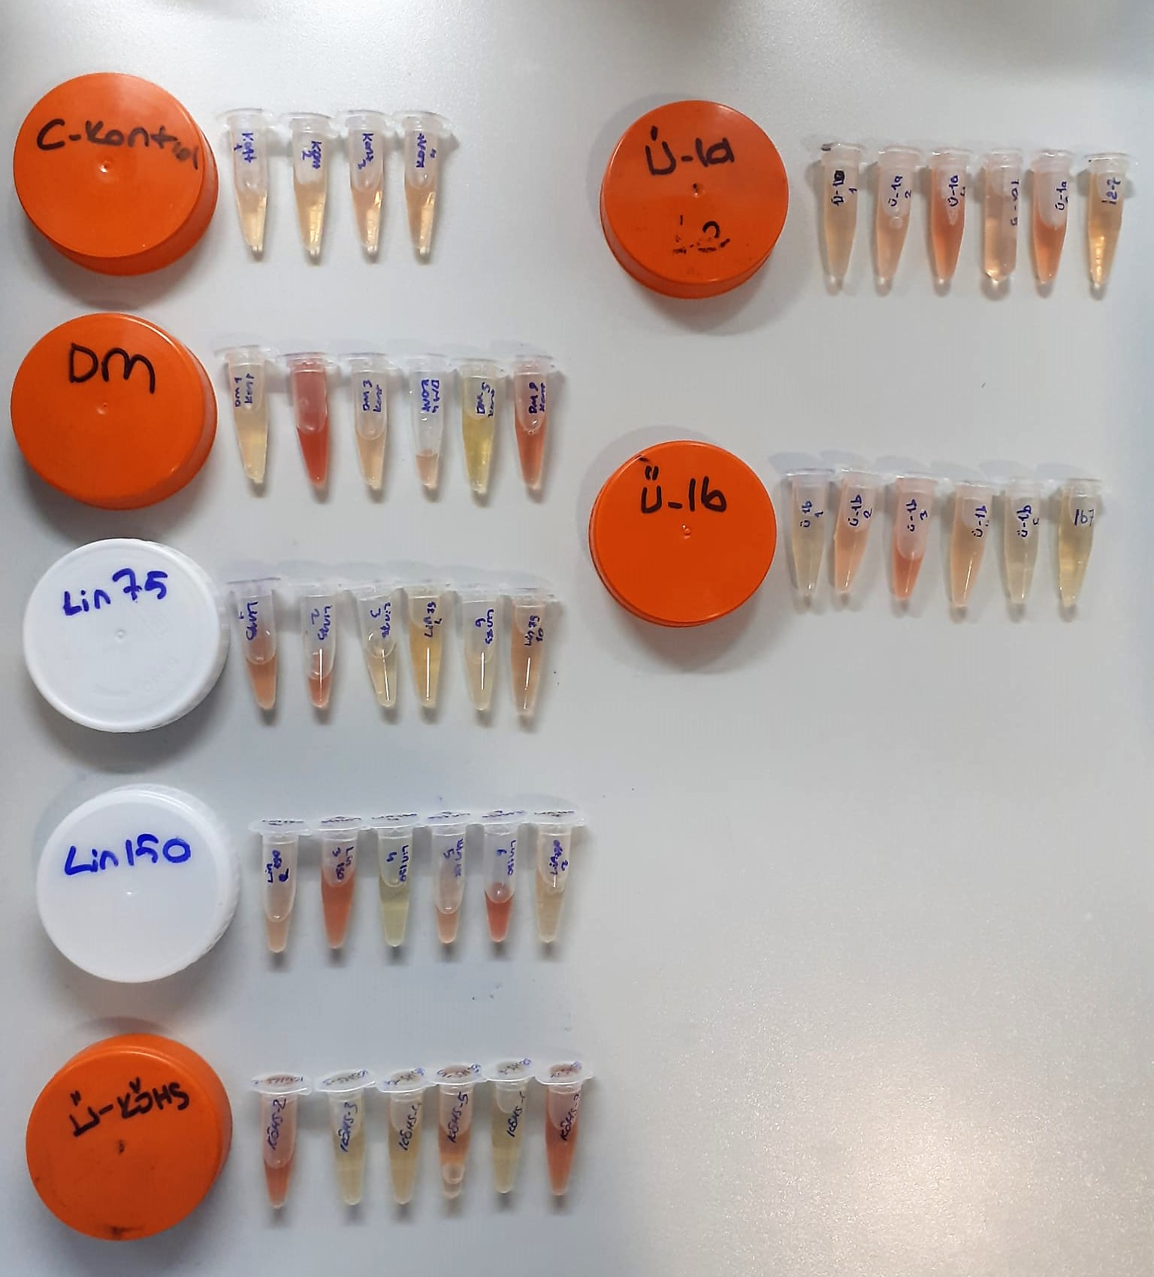

TNF-Alfa Assay Principle
This kit is an Enzyme-Linked Immunosorbent Assay (ELISA). The plate has been pre-coated with Rat TNFA antibody. TNFA present in the sample is added and binds to antibodies coated on the wells.
And then biotinylated Rat TNFA Antibody is added and binds to TNFA in the sample. Then Streptavidin-HRP is added and binds to the Biotinylated TNFA antibody.
After incubation unbound Streptavidin-HRP is washed away during a washing step. Substrate solution is then added and color develops in proportion to the amount of Rat TNFA.
The reaction is terminated by addition of acidic stop solution and absorbance is measured at 450 nm.

IL-1BETA Assay Principle
This kit is an Enzyme-Linked Immunosorbent Assay (ELISA). The plate has been pre-coated with Rat IL-1B antibody. IL-1B present in the sample is added and binds to antibodies coated on the wells.
And then biotinylated Rat IL-1B Antibody is added and binds to IL-1B in the sample. Then Streptavidin-HRP is added and binds to the Biotinylated IL-1B antibody.
After incubation unbound Streptavidin-HRP is washed away during a washing step. Substrate solution is then added and color develops in proportion to the amount of Rat IL-1B.
The reaction is terminated by addition of acidic stop solution and absorbance is measured at 450 nm.

ACTH Assay Principle
This kit is an enzyme -linked ımmunosorbent assay.(elisa).COR standards or samples are added to the wells pre-coated with a monoclonal antibody.
Then biotin-conjugated target antigen are added to the wells. The antigens in the standards or sample compete with the biotin-conjugated antigen to the bind to the capture antibody and incubate.
Unbound antigen is washed away during a washing step.An avidin-HRP is then added and then incubate.Unbound avidin hrp is washed away during a washing step.TMB Subsrate is then added and color develops.
The reaction is stopped by addition of acidic stop solution and color changes into yellow that can be measured at 450 nm. The intensity of the color developed in inversely proportional to the concentration of ACTH in the sample.
The concentratıon of ACTH in the sample is then determined by comparing the O.D of the samples to the standard curve.

IL-6 Assay Principle
This kit is an Enzyme-Linked Immunosorbent Assay (ELISA). The plate has been pre-coated with Rat IL-6 antibody. IL-6 present in the sample is added and binds to antibodies coated on the wells.
And then biotinylated Rat IL-6 Antibody is added and binds to IL-6 in the sample. Then Streptavidin-HRP is added and binds to the Biotinylated IL-6 antibody.
After incubation unbound Streptavidin-HRP is washed away during a washing step. Substrate solution is then added and color develops in proportion to the amount of Rat IL-6.
The reaction is terminated by addition of acidic stop solution and absorbance is measured at 450 nm.

CRP (C-Reactive Protein) mg/L
Immunoturbidimetric assay
Anti-CRP antibodies react with antigen in the sample to form an ntigen/antibody complex. Following agglutination, this is measured turbidimetrically.
Addition of PEG allows the reaction to progress rapidly to the end point,increases sensitivity, and reduces the risk of samples containing excess antigen producing false negative results.

