Materyal-metod
KİT ADI | TÜR | MARKA | CAT. NO | Yöntem | Kullanılan Cihaz
Nitric Oxide NO) | Universal | Relassay | RL00554 | Kolorimetrik | REL BIOCHEM-REL ASSAY (Spektro)
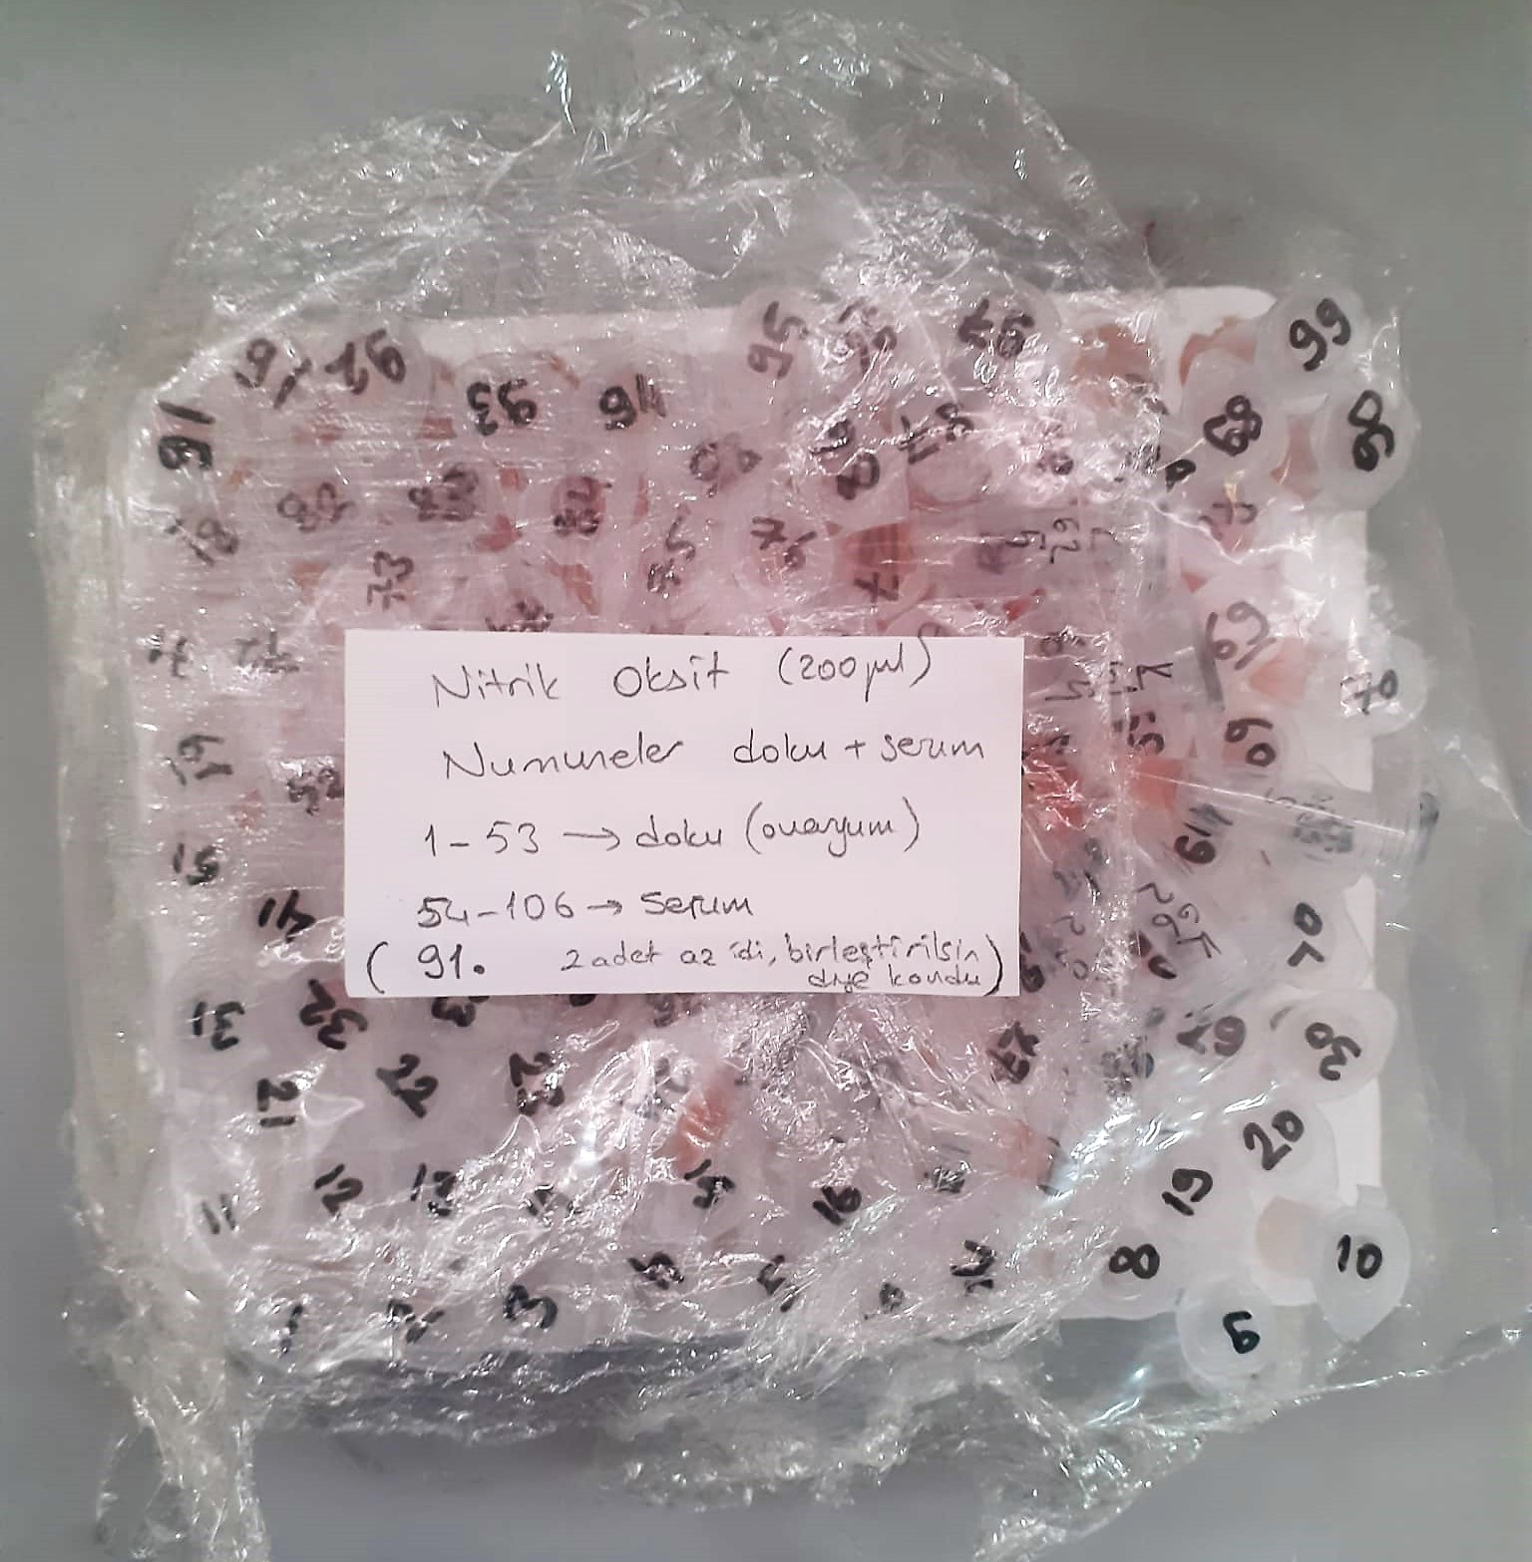
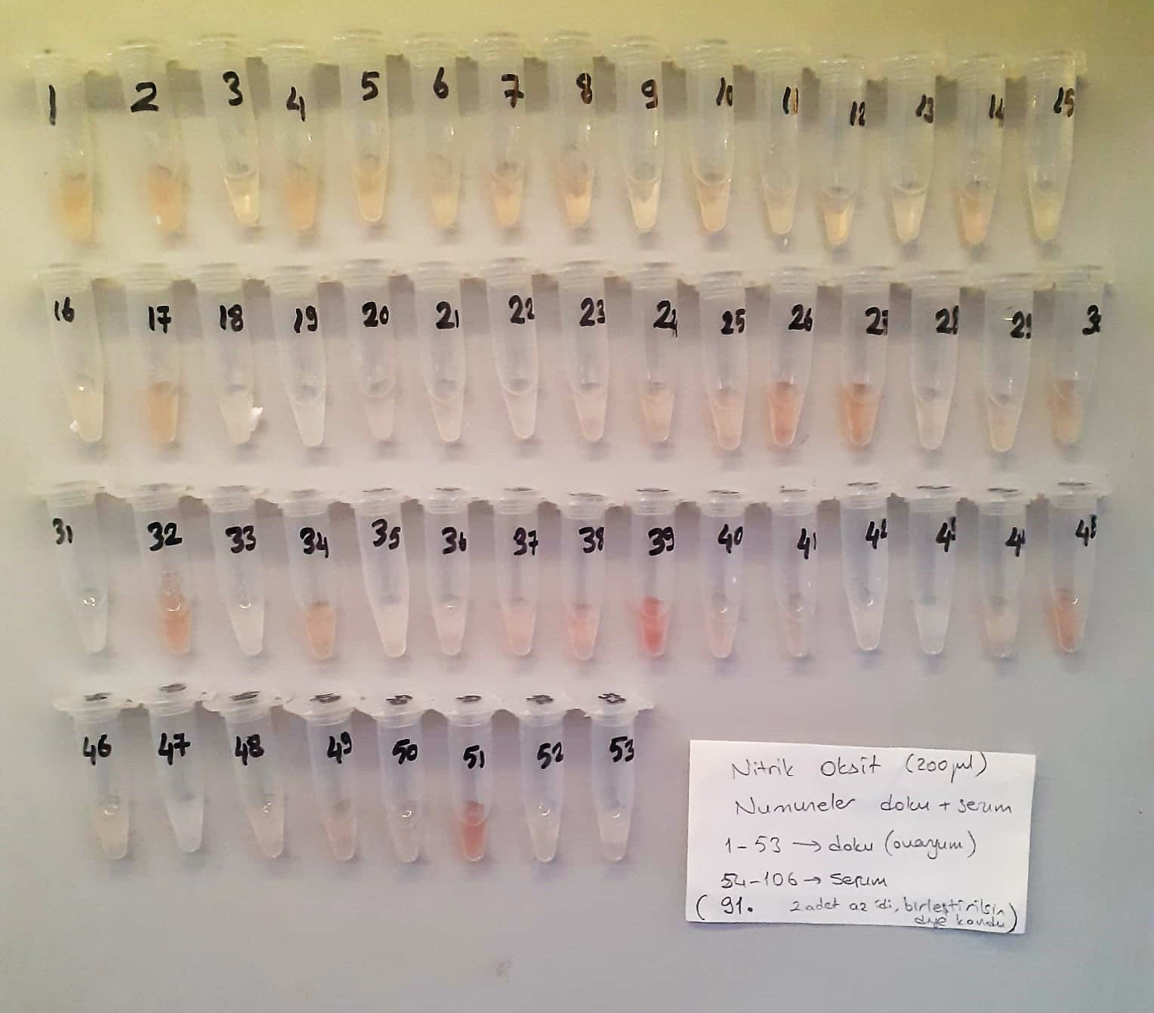

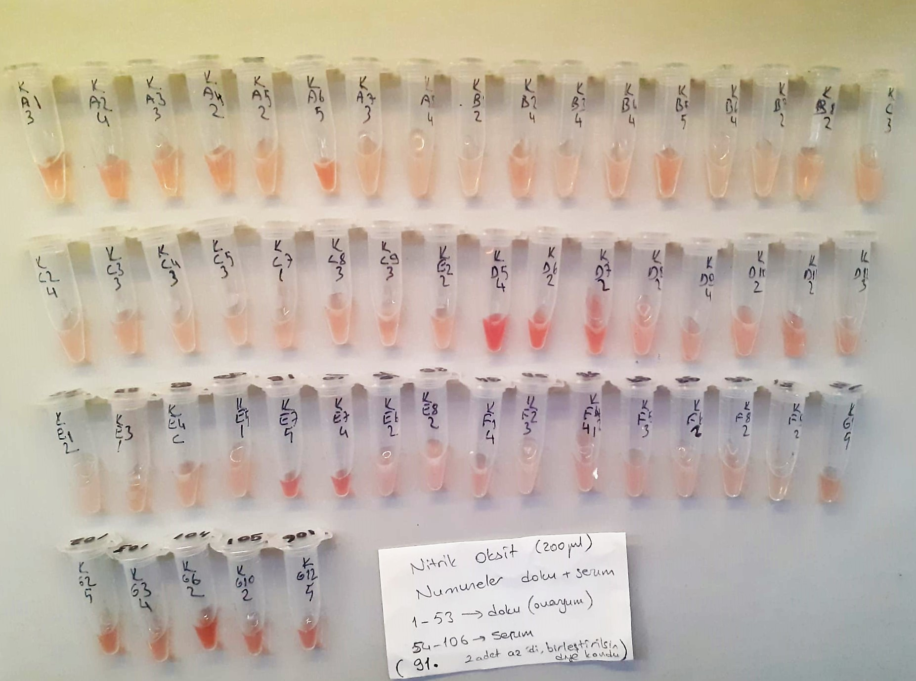

NO Test Principle
NO is easily oxidized to form N0² in vivo or in aqueous solution, and a reddish azo compoun is formed with the color developing agent, and the concentratıon of the azo compound is linearly related to the concentration of NO.
The concentration of NO can be calculated indirectly by measuring the OD value at 550 nm.

