57 NUMUNE-ELİSA INSULIN
2.595 | 0.317 | 0.397 | 0.374 | 0.39 | 0.529 | 0.45 | 0.483 | 0.437
1.705 | 0.445 | 0.416 | 0.446 | 0.512 | 0.478 | 0.428 | 0.487
0.926 | 0.463 | 0.424 | 0.448 | 0.532 | 0.448 | 0.397 | 0.87
0.448 | 0.485 | 0.462 | 0.364 | 0.454 | 0.534 | 0.446 | 0.391
0.201 | 0.394 | 0.423 | 0.417 | 0.42 | 0.469 | 0.443 | 0.406
0.123 | 0.365 | 0.56 | 0.361 | 0.473 | 0.503 | 0.523 | 0.354
0.07 | 0.464 | 0.365 | 0.517 | 0.56 | 0.361 | 0.473 | 0.469
 | 0.304 | 0.428 | 0.445 | 0.558 | 0.547 | 0.395 | 0.503

Chıcken Insulin
2.525 | 96
1.635 | 48
0.856 | 24
0.378 | 12
0.131 | 6
0.053 | 3
0 | 0

 | abs | abs-blank | expected | result
std1 | 2.595 | 2.525 | 96 | 95.027
std2 | 1.705 | 1.635 | 48 | 50.850
std3 | 0.926 | 0.856 | 24 | 22.515
std4 | 0.448 | 0.378 | 12 | 9.902
std5 | 0.201 | 0.131 | 6 | 4.808
std6 | 0.123 | 0.053 | 3 | 3.401
blank | 0.07 | 0 | 0 | 0.000

 |  |  |  |  |  |  |  |  | concentratıon (µ lU/ml)

Numune | absorbans | blank | abs-blank | result
2A-1 | 0.317 | 0.07 | 0.247 | 7.080
2A-1 | 0.445 | 0.07 | 0.375 | 9.835
2A-2 | 0.463 | 0.07 | 0.393 | 10.243
2A-2 | 0.485 | 0.07 | 0.415 | 10.749
2A-3 | 0.394 | 0.07 | 0.324 | 8.706
2A-3 | 0.365 | 0.07 | 0.295 | 8.082
2A-3 | 0.464 | 0.07 | 0.394 | 10.266
2A-4 | 0.304 | 0.07 | 0.234 | 6.814
2A-4 | 0.397 | 0.07 | 0.327 | 8.771
2A-5 | 0.416 | 0.07 | 0.346 | 9.188
2A-5 | 0.424 | 0.07 | 0.354 | 9.365
2A-6 | 0.462 | 0.07 | 0.392 | 10.220
2A-6 | 0.423 | 0.07 | 0.353 | 9.343
2B-1 | 0.56 | 0.07 | 0.49 | 12.532
2B-1 | 0.365 | 0.07 | 0.295 | 8.082
2B-2 | 0.428 | 0.07 | 0.358 | 9.454
2B-2 | 0.374 | 0.07 | 0.304 | 8.274
2B-3 | 0.446 | 0.07 | 0.376 | 9.857
2B-3 | 0.448 | 0.07 | 0.378 | 9.902
2B-4 | 0.364 | 0.07 | 0.294 | 8.061
2B-4 | 0.417 | 0.07 | 0.347 | 9.210
2B-5 | 0.361 | 0.07 | 0.291 | 7.997
2B-5 | 0.517 | 0.07 | 0.447 | 11.499
2B-6 | 0.445 | 0.07 | 0.375 | 9.835
2B-6 | 0.39 | 0.07 | 0.32 | 8.619
2C-1 | 0.512 | 0.07 | 0.442 | 11.380
2C-1 | 0.532 | 0.07 | 0.462 | 11.856
2C-2 | 0.454 | 0.07 | 0.384 | 10.038
2C-2 | 0.42 | 0.07 | 0.35 | 9.276
2C-3 | 0.473 | 0.07 | 0.403 | 10.472
2C-3 | 0.56 | 0.07 | 0.49 | 12.532
2C-4 | 0.558 | 0.07 | 0.488 | 12.483
2C-4 | 0.529 | 0.07 | 0.459 | 11.784
2C-5 | 0.478 | 0.07 | 0.408 | 10.587
2C-5 | 0.448 | 0.07 | 0.378 | 9.902
2C-6 | 0.534 | 0.07 | 0.464 | 11.904
2C-6 | 0.469 | 0.07 | 0.399 | 10.380
3HA-1 | 0.503 | 0.07 | 0.433 | 11.169
3HA-2 | 0.361 | 0.07 | 0.291 | 7.997
3HA-3 | 0.547 | 0.07 | 0.477 | 12.216
3HA-4 | 0.45 | 0.07 | 0.38 | 9.947
3HA-5 | 0.428 | 0.07 | 0.358 | 9.454
3HA-6 | 0.397 | 0.07 | 0.327 | 8.771
3HB-1 | 0.446 | 0.07 | 0.376 | 9.857
3HB-1 | 0.443 | 0.07 | 0.373 | 9.790
3HB-2 | 0.523 | 0.07 | 0.453 | 11.641
3HB-3 | 0.473 | 0.07 | 0.403 | 10.472
3HB-4 | 0.395 | 0.07 | 0.325 | 8.727
3HB-5 | 0.483 | 0.07 | 0.413 | 10.703
3HB-6 | 0.487 | 0.07 | 0.417 | 10.795
3HC-1 | 0.87 | 0.07 | 0.8 | 20.849
3HC-2 | 0.391 | 0.07 | 0.321 | 8.641
3HC-3 | 0.406 | 0.07 | 0.336 | 8.968
3HC-4 | 0.354 | 0.07 | 0.284 | 7.849
3HC-5 | 0.469 | 0.07 | 0.399 | 10.380
3HC-5 | 0.503 | 0.07 | 0.433 | 11.169
3HC-6 | 0.437 | 0.07 | 0.367 | 9.655

Materyal- Metod
KİT ADI | TÜR | MARKA | Yöntem
TAS(Total Antioxidant Status) | Universal | REL ASSAY | Kolorimetrik
TOS(Total Oxidant Status) | Universal | REL ASSAY | Kolorimetrik
PON-1: Paraoxanase-1 | Universal | REL ASSAY | Kolorimetrik
TG: Triglycerides | Universal | REL ASSAY | Kolorimetrik
ALB: Albumin | Universal | REL ASSAY | Kolorimetrik
TP: Total protein | Universal | REL ASSAY | Kolorimetrik
CHOL: Total Cholesterol | Universal | REL ASSAY | Kolorimetrik
GLU: Glucose | Universal | REL ASSAY | Kolorimetrik
Demir | Universal | REL ASSAY | Kolorimetrik
Fosfor | Universal | REL ASSAY | Kolorimetrik
Magnesium | Universal | REL ASSAY | Kolorimetrik
Çinko | Universal | REL ASSAY | Kolorimetrik
Calcium | Universal | REL ASSAY | Kolorimetrik
CREA: Creatinine | Universal | REL ASSAY | Kolorimetrik
UA: Uric Acid | Universal | REL ASSAY | Kolorimetrik
Centrifuge: HETTICH Mıcro 200-R
MINDRAY BS-400 Tam Otomatik Analizör
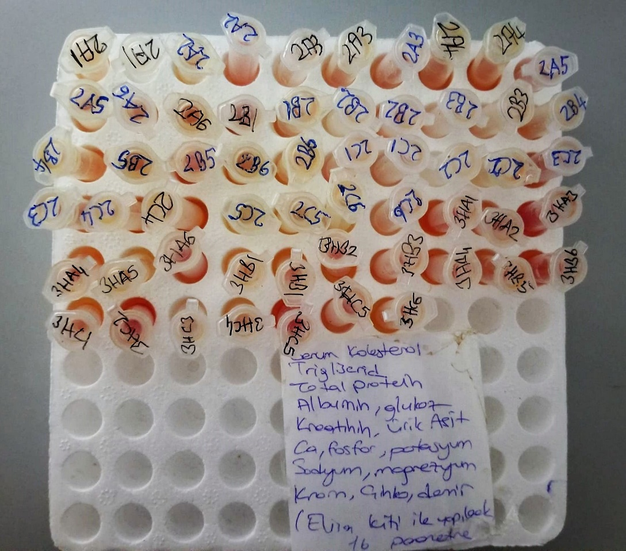
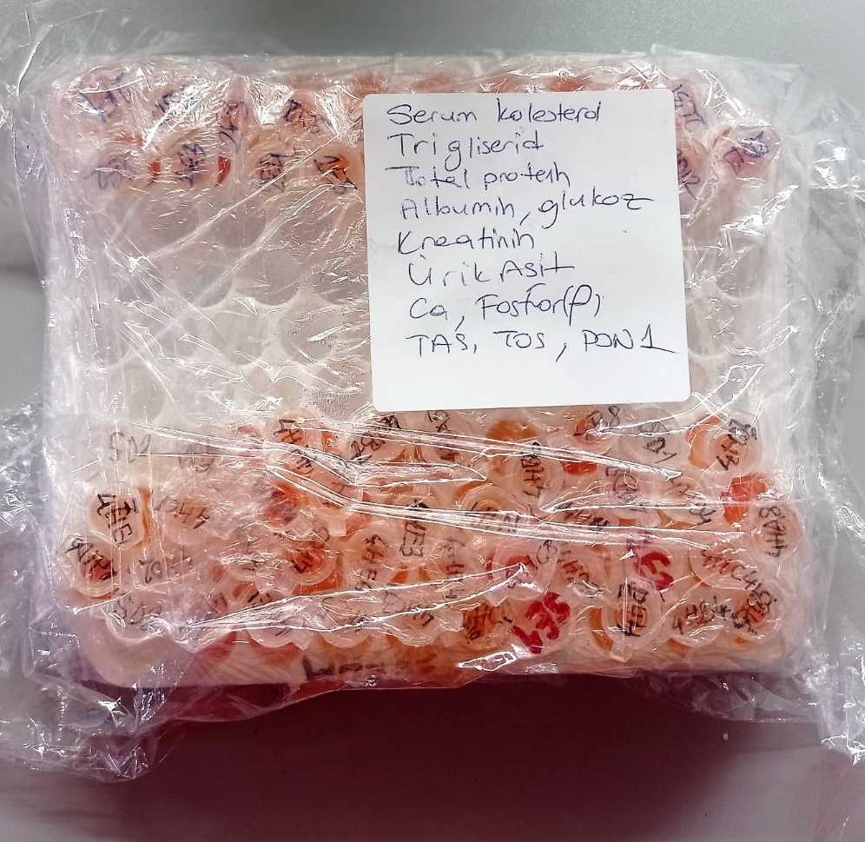
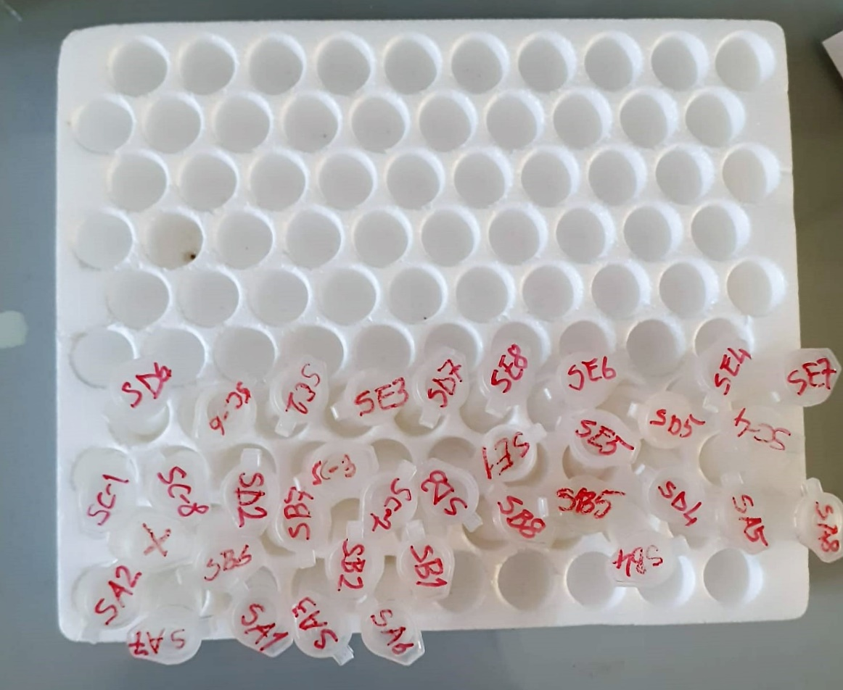

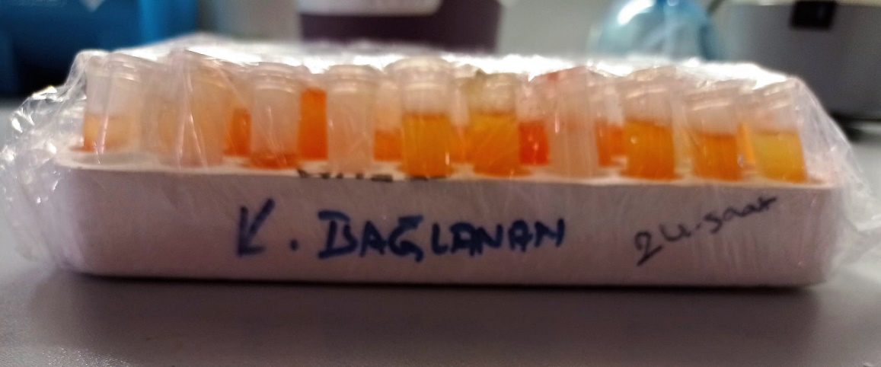
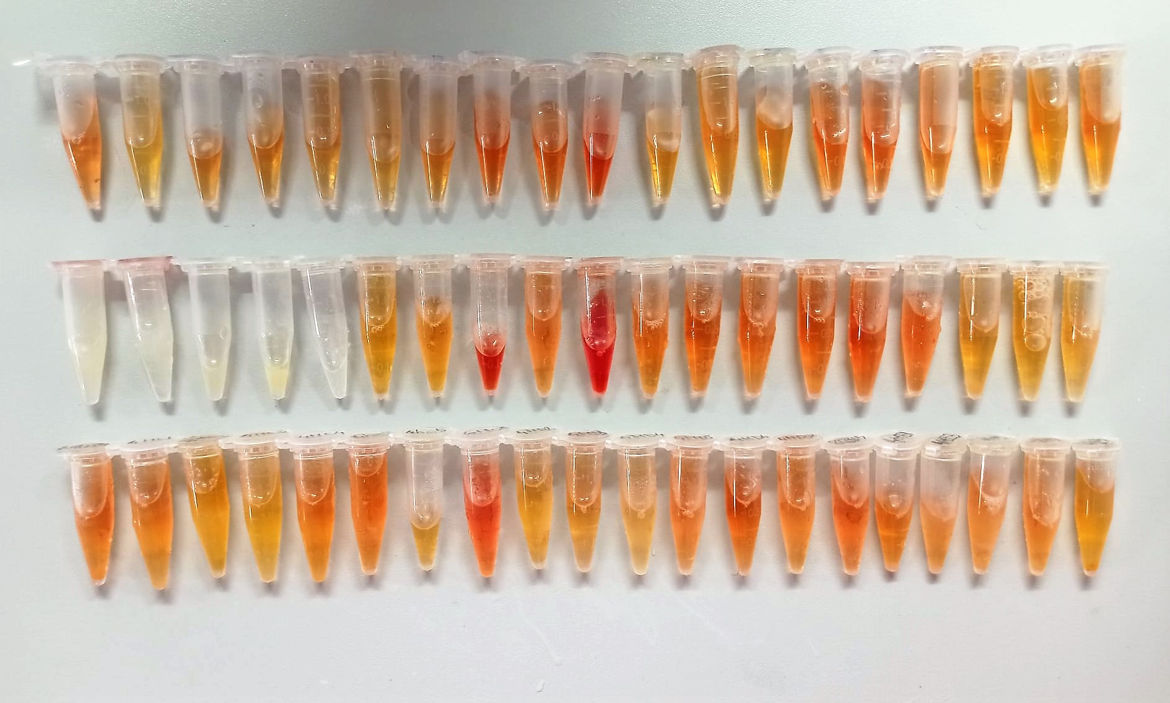

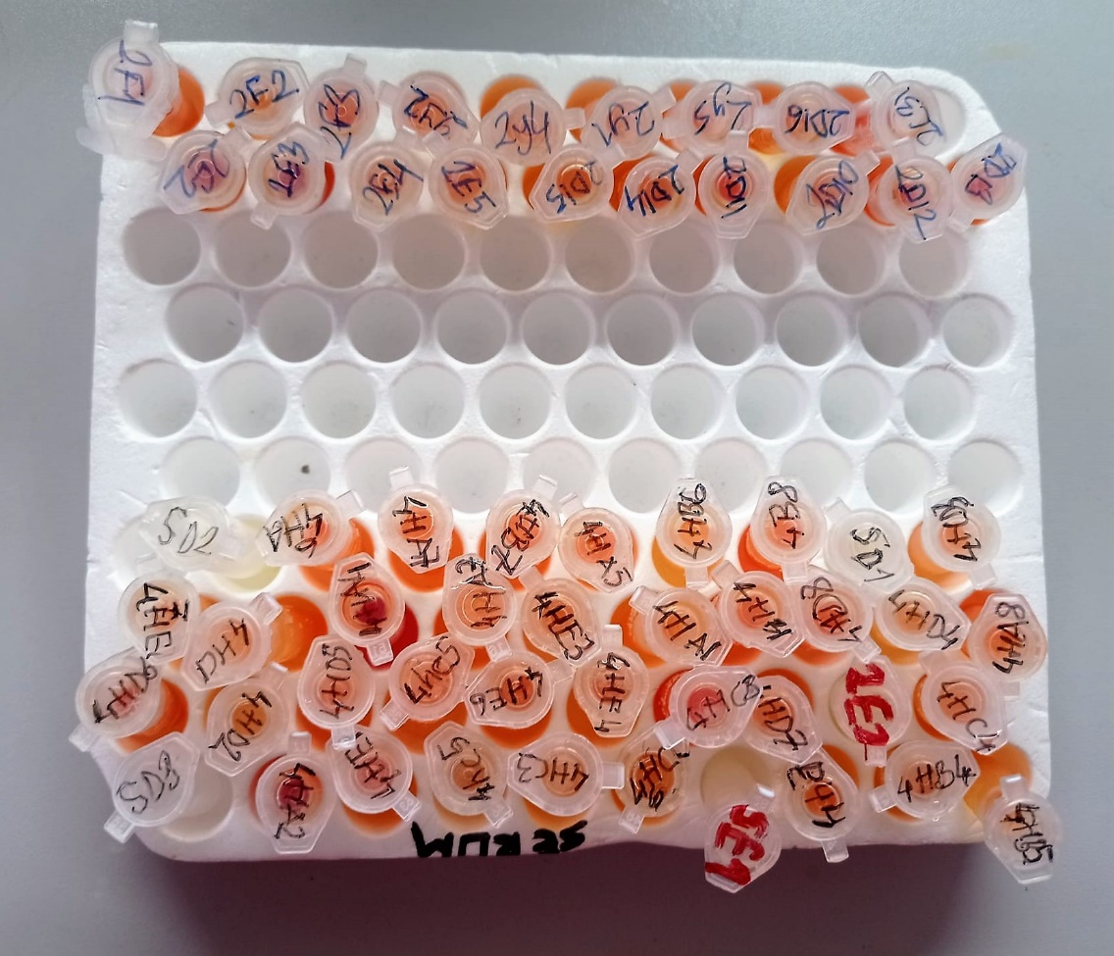

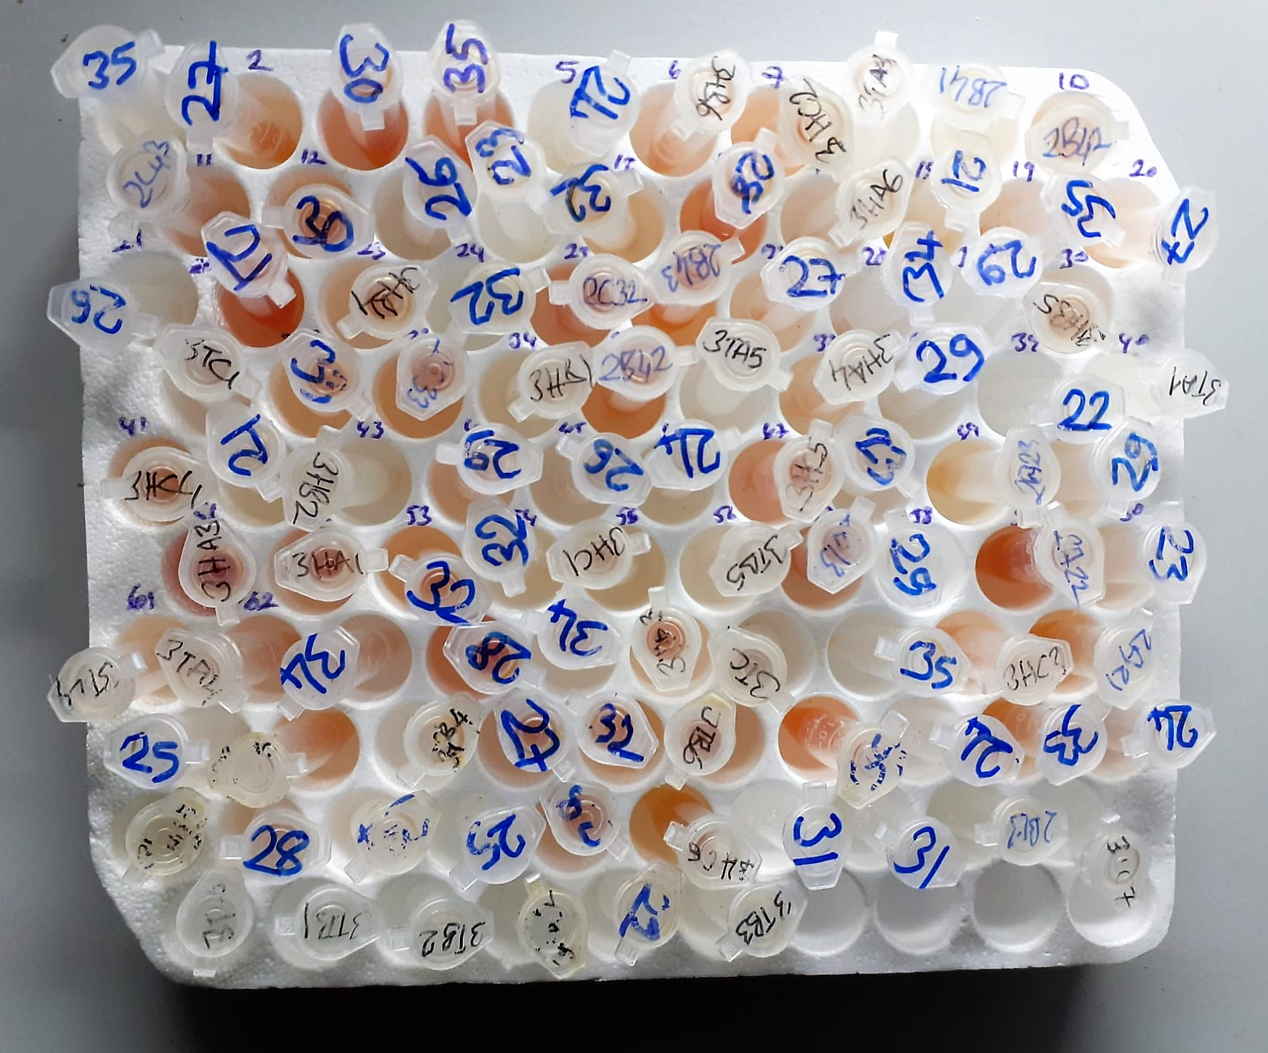

Cholesterol Total mg/dl
Cholesterol ester + H2O Cholesterol + fatty acids
Cholesterol esters are ceaved by the action of choesterol esterase to yield free
choesterol and fatty acids Cholesterol oxidase Cholesterol + O2 Cholesten-3-on + H2O2
Peroxidase
2H2O2 + Phenol + 4-Aminoantipyrine Quinoneimine dye + 4 H2O
Cholesterol is converted by oxygen with the aid of cholesterol oxidase to A4- Cholestenone and hydrogen peroxide.
Hydrogen peroxide created forms a red dyestuff by reacting with 4-aminoantipyrine and phenol under the catalytic action of peroxidase.
The color intensity is directly proportional to the concentration of cholesterol and can be determined photometrically.

Triglycerides mg/dl
Triglycerides in the sample originates, by means of the coupled reactions described below, acoloured complex that can be measured by spectrophotometry.
Triglycerides + H2O lipase Glycerol + Fatty acids
Glycerol + ATP glycerol kinase Glycerol – 3 – P + ADP
Glycerol – 3 –P + O2 G-3-P-oxidase Dihidroxyacetone – P +H2O2
2 H2O2 + 4 – Aminoantipyrine + 4 – Chlorophenol G-3-P-oxidas Quinoneimine + 4 H2O

TOTAL ANTIOXDANT STATUS (TAS) (mmol/L)
TAS levels were measured using commercially available kits (Relassay, Turkey). The novel
automated method is based on the bleaching of characteristic color of a more stable ABTS
(2,2 ′ - Azino-bis(3-ethylbenzothiazoline-6-sulfonic acid)) radical cation by antioxidants. The
assay has excellent precision values, which are lower than 3%. The results were expressed as
mmol Trolox equivalent/L (Erel O. A novel automated direct measurement method for total
antioxidant capacity using a new generation, more stable ABTS radicalcation. Clin Biochem
2004;37:277-85.)
(Relassay,Turkey)

TOTAL OXIDANT STATUS (TOS) (µmol/L)
TOS levels were measured using commercially available kits (Relassay, Turkey. In the new
method, oxidants present in the sample oxidized the ferrous ion-o-dianisidine complex to
ferric ion. The oxidation reaction was enhanced by glycerol molecules abundantly present in
the reaction medium. The ferric ion produced a colored complex with xylenol orange in an
acidic medium. The color intensity, which could be measured spectrophotometrically, was
related to the total amount of oxidant molecules present in the sample. The assay was
calibrated with hydrogen peroxide and the results were expressed in terms of
micromolar hydrogen peroxide equivalent per liter (μmol H2O2 equivalent/L). ( Erel O. A
new automated colorimetric method for measuringtotal oxidant status. Clin Biochem
2005;38:1103-11. ).
(Relassay,Turkey)

OXIDATIVE STRESS INDEX (OSI)
The ratio of TOS to TAS was accepted as the oxidative stress index (OSI). For calculation, the
resulting unit of TAS was converted to μmol/L, and the OSI value was calculated according to
the following Formula : OSI (arbitrary unit) =
TOS (μmol H2O2 equivalent/L) / TAC (μmol Trolox equivalent/L). (1-3).
1. Yumru M, Savas HA, Kalenderoglu A, Bulut M, Celik H, Erel O. Oxidative imbalance in
bipolar disorder subtypes: a comparative study. Prog Neuropsychopharmacol Biol Psychiatry.
2009 Aug 31;33(6):1070-4.
2. Kosecik M, Erel O, Sevinc E, Selek S. Increased oxidative stress in children exposed to
passive smoking. Int J Cardiol 2005;100:61–4.
3. (Harma M, Harma M, Erel O (2003) Increased oxidative stress in patients with
hydatidiform mole. Swiss Med Wkly 133:563-536).

Paraoxonase-1 PON-1) U/L
Measurement of paraoxonase activity;
Paraoxonase activity was measured using
commercially available kits (Relassay, Turkey).
The rate of paraoxon hydrolysis (diethylpnitrophenylphosphate)
was measured by monitoring the increase of
absorption at 412 nm at 37 °C. The amount of generated p-nitrophenol
was calculated from the molar absorption coefficient at pH 8.5, which
was 18.290 M−1 cm−1 Paraoxonase activity was expressed as U/L serum
(Relassay, Turkey)

Glucose mg/dl
Enzymatic colorimetric test on basis of Trinder – Reaction:
Glucose oxidase Glucose + O2 Gluconic acid + H2O2
Peroxidase
2H2O2 + Phenol + 4–Aminoantipyrine Red Quinoneimine + 4H2O

Calcium mg/dl
Calcium in the sample reacts with arsenazo III forming a coloured complex that
can be measured by spectrophotometry.

Iron (FE) (μg/dl)
Colorimetric assay pH < 2,0 Transferrin-Fe-complex apotransferrin + Fe3+ ascorbate Fe3+ Fe2+ FerroZine® + Fe2+ colored complex Under acidic conditions,
iron is liberated from transferrin. Lipemic samples are clarified by the detergent. Ascorbate reduces the released Fe3+ ions to Fe'2+ ions which react with
FerroZine to form a colored complex. The color intensity is directly proportional to the iron concentration and can be measured photometrically.

Magnesium mEq/l
Colorimetric endpoint method
Sample and addition Reagent start of reaction:
In alkaline solution, magnesium forms a purple complex with xylidyl blue, a
diazonium salt. The magnesium concentration is measured photometrically via the decrease in the xylidyl blue absorbance.

Phosphorus mg/dl
Inorganic phosphate forms an ammonium phosphomolybdate complex having the formula(NH4)3[PO4(MoO3)12] with ammonium molybdate in the presence of sulfuric acid.
The complex is determined photometrically in the ultraviolet region (340 nm).

Total Protein g/dl
Colorimetric assay, Sample and addition of Reagent start of the reaction:
Divalent copper reacts in alkaline solution with protein peptide bonds to form the characteristic purple-colored biuret complex.
Sodium potassium tartrate prevents the precipitation of copper hydroxide and potassium iodide prevents auto reduction of copper. alkaline protein + Cu2+ solution Cu-protein complex
The color intensity is directly proportional to the protein concentration which can be determined photometrically.

Zinc (ZN) μg/dl
Zinc found in the samples change the red-orange color of 5-Br-PAPS to light pink under alkaline conditions.
The change of absorbance at 548 nm is proportional to total zinc level in the sample.
The assay can be calibrated with zinc sulfate dissolved in deionized water.
(Relassay, Turkey)

Albumin g/dl
Colorimetric assay, endpoint method
• Sample and addition of R1
• Start of the reaction:
At a pH value of 4.1 albumin displays a sufficiently cationic character to be able to bind with bromocresol green (BCG), any anionic dyestuff, to form a blue-green complex.
pH 4.1 albumin + BCG albumin BCG- complex
The color intensity of the blue-green color is directly proportional to the albumin concentration and can be determined photometrical

Uric Asit mg/dl
Colorimetric endpoint assay
Uricase
Uric acid + 2 H2O + O2 Allantoin + CO 2 + H 2O 2
Uricase cleaves uric acid to form allantoin and hydrogen peroxide.
POD
2H2O2 + 4H+ + phenole + 4-aminoantipyrine quinonimine dye + 4H2O
The increase in absorbance is measured.

Creatinine mg/L
Immunoturbidimetric assay
Anti-CRP antibodies react with antigen in the sample to form an ntigen/antibody complex. Following agglutination, this is measured turbidimetrically.
Addition of PEG allows the reaction to progress rapidly to the end point,increases sensitivity, and reduces the risk of samples containing excess antigen
producing false negative results.

