Materyal-metod
KİT ADI | TÜR | Numune Türü | MARKA | CAT. NO | Yöntem | Kullanılan Cihaz
AST: Aspartat Aminotransferaz | Universal | Serum | Otto Scientific | OttoBC127 | Kolorimetrik | MINDRAY-BS400
ALT: Alanin aminotransferaz | Universal | Serum | Otto Scientific | OttoBC128 | Kolorimetrik | MINDRAY-BS400
CHOL: Total Cholesterol | Universal | Serum | Otto Scientific | OttoBC135 | Kolorimetrik | MINDRAY-BS400
TAS(Total Antioxidant Status) | Universal | Serum | REL ASSAY | RL0017 | Kolorimetrik | MINDRAY-BS400
Gamma GT( GGT) | Universal | Serum | Otto Scientific | OttoBC141 | Kolorimetrik | MINDRAY-BS400
LDL: LDL Cholesterol | Universal | Serum | Otto Scientific | OttoBC145 | Kolorimetrik | MINDRAY BS-400
HDL: HDL Cholesterol | Universal | Serum | Otto Scientific | OttoBC144 | Kolorimetrik | MINDRAY BS-400
Calcium | Universal | Serum | Otto Scientific | OttoBC133 | Kolorimetrik | MINDRAY-BS400
ALB: Albumin | Universal | Serum | Otto Scientific | OttoBC123 | Kolorimetrik | MINDRAY-BS400
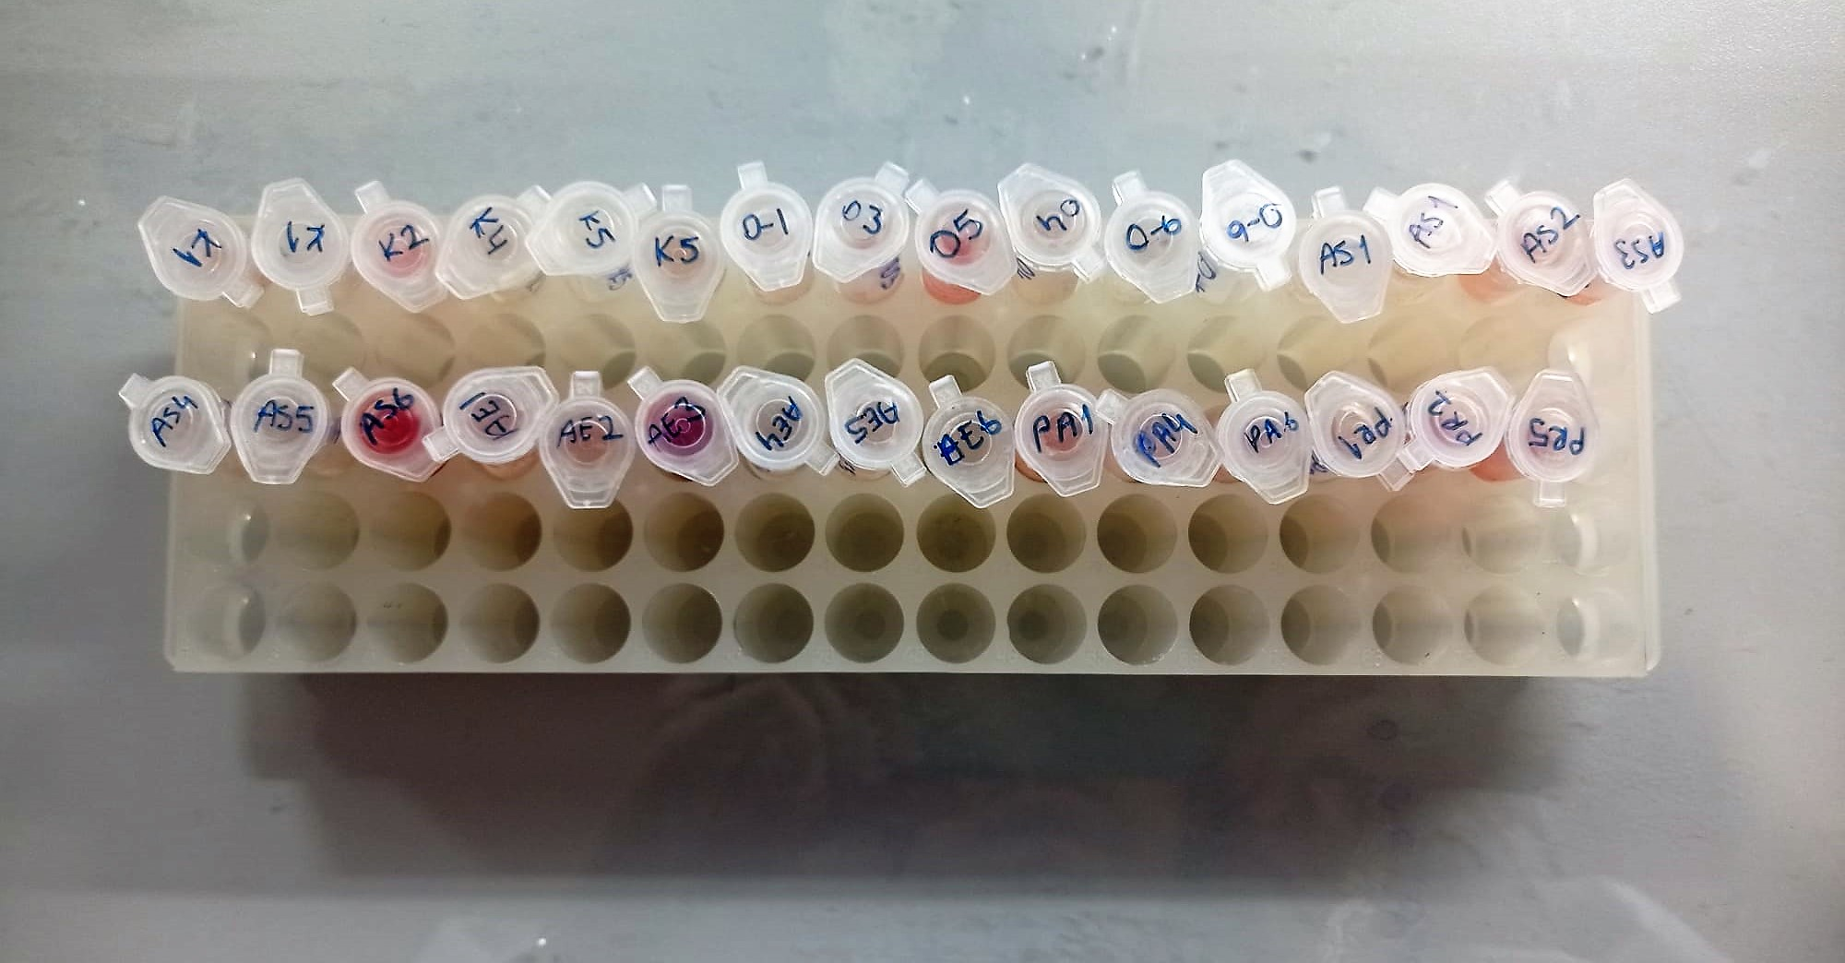

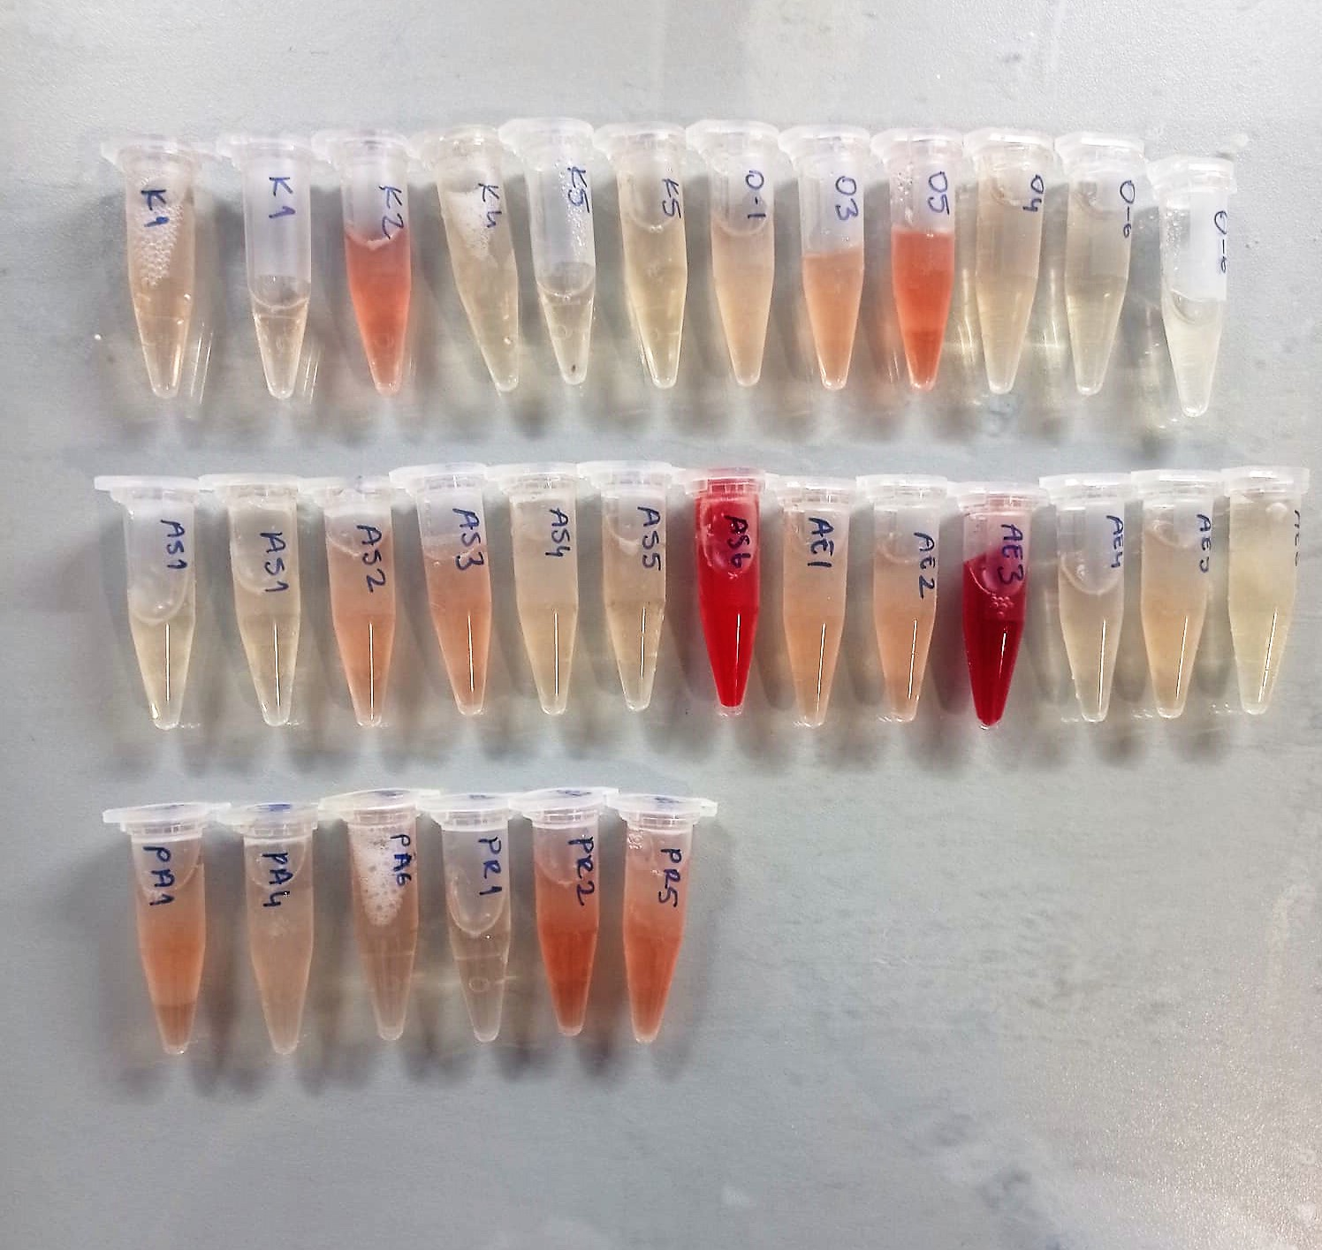

Cholesterol Total mg/dl
Cholesterol ester + H2O Cholesterol + fatty acids
Cholesterol esters are ceaved by the action of choesterol esterase to yield free
choesterol and fatty acids Cholesterol oxidase Cholesterol + O2 Cholesten-3-on + H2O2
Peroxidase
2H2O2 + Phenol + 4-Aminoantipyrine Quinoneimine dye + 4 H2O
Cholesterol is converted by oxygen with the aid of cholesterol oxidase to A4- Cholestenone and hydrogen peroxide.
Hydrogen peroxide created forms a red dyestuff by reacting with 4-aminoantipyrine and phenol under the catalytic action of peroxidase.
The color intensity is directly proportional to the concentration of cholesterol and can be determined photometrically.

AST U/L
UV test according to a standarrized method
Sample and addition of R1 (buffer)
Addition of R2 and start of reaction: AST
α-ketoglutarate + L-aspartate L- glutamate + oxaloasetate
AST is the enzyme which catalyzes this equilibrium reaction. The oxaloacetate in- crease is measured in a subsequent indicator reaction which is catalyzed by malate dehydrogenase.
MDH
oxalacetate + NADH + H+ L-Malate + NAD+
In the second reaction, NADH is oxidized to NAD. The rate of decrease in NADH
(Measured photometrically) is directly proportional to the rate of formation of
oxaloasetate, and thus the AST activity.

ALT U/L
UV test according to the IFCC method.
ALT
L-Alanin + 2-Oxoglutarate ⎯⎯ L-Glutamate + Pyruvat

TOTAL ANTIOXDANT STATUS (TAS) (mmol/L)
TAS levels were measured using commercially available kits (Relassay, Turkey). The novel
automated method is based on the bleaching of characteristic color of a more stable ABTS
(2,2 ′ - Azino-bis(3-ethylbenzothiazoline-6-sulfonic acid)) radical cation by antioxidants. The
assay has excellent precision values, which are lower than 3%. The results were expressed as
mmol Trolox equivalent/L (Erel O. A novel automated direct measurement method for total
antioxidant capacity using a new generation, more stable ABTS radicalcation. Clin Biochem
2004;37:277-85.)
(Relassay,Turkey)

GGT (Gamma GT) U/l
Enzymatic colorimetric assay
• Sample and addition of R1 (Buffer/Glycylglycine)
• Addition of R2 (substrate) and start of reaction Gamma-glutamyltransferase transfers the g-glutamyl group of L-g-glutamyl-3-
carboxy-4-nitroanilide to glycylglycine. The amount of 5-amino-2-nitrobenzo-nate liberated is proportional to the GGT activity and can be determined photo-metrically.
(Otto Scientific)

HDL Cholesterol mg/dl
Enzymatic colorimetric test
• Sample and addition of R1
• Addition of R2 and start of reaction
In the first step LDL, VLDL and Chylomicrons are eliminated and transformed to
non reactive compounds and specific condition for the reaction. By the second
reagent only the HDL-Cholesterol is subject to color reaction
Cholesterol Esterase
Cholesterol ester + H2O Cholesterol + fatty acid
Cholesterol Oxidase
Cholesterol + O2 Cholesten-3-on + H2O2
Peroxidase
H2O2 + phenol + 4-aminoantipyrine quinoneimine dye+4 H2O

LDL Cholesterol mg/dl
İlk adımda, HDL, VLDL ve Şilomikronlar elimine edilir ve reaksiyon için özel koşulda reaktif olmayan bileşiklere dönüştürülür. İkinci reaktif sadece LDL-kolesterol renk reaksiyonudur.
Kolesterol esteraz
Kolesterol ester + H2O kolesterol + yağ asidi
Kolesterol Oksidaz
Kolesterol + O2 kolesten-3-on + H2O2
peroksidaz
H2O2 + fenol + 4- aminoantipirin kinon boyası +4 H2O

Calcium mg/dl
Calcium in the sample reacts with arsenazo III forming a coloured complex that
can be measured by spectrophotometry.

Albumin g/dl
Colorimetric assay, endpoint method
• Sample and addition of R1
• Start of the reaction:
At a pH value of 4.1 albumin displays a sufficiently cationic character to be able to bind with bromocresol green (BCG), any anionic dyestuff, to form a blue-green complex.
pH 4.1 albumin + BCG albumin BCG- complex
The color intensity of the blue-green color is directly proportional to the albumin concentration and can be determined photometrical

