DOKU
Numune Adı | TAS(mmol/L) | TOS (µmol/L) | OSI
EPO-PFK-1 | 0.54 | 26.62 | 4.930
EPO-PFK-2 | 0.77 | 20.46 | 2.657 | TAS: Total Antıoxidant Status
EPO-PFK-3 | 0.52 | 33.6 | 6.462 | TOS: Total Oxıdant Status
EPO-PFK-4 | 0.64 | 24.68 | 3.856 | OSI: Oxidatıve Stress Index
EPO-PFK-5 | 0.54 | 21.42 | 3.967
EPO-PFK-6 | 0.71 | 20.19 | 2.844 | NOT: Dokular 1/9 oranında( 0,1 gr doku: 0,9ml 50 mmol. lık pH:7.40 fosfat tamponu) fosfat tamponu ile homojenize edildikten sonra 7000 rpm + 4' de 5 dk santrifüj edildi.
EPO-PFK-7 | 0.81 | 20.64 | 2.548
EPO-PFK-8 | 0.74 | 13.06 | 1.765
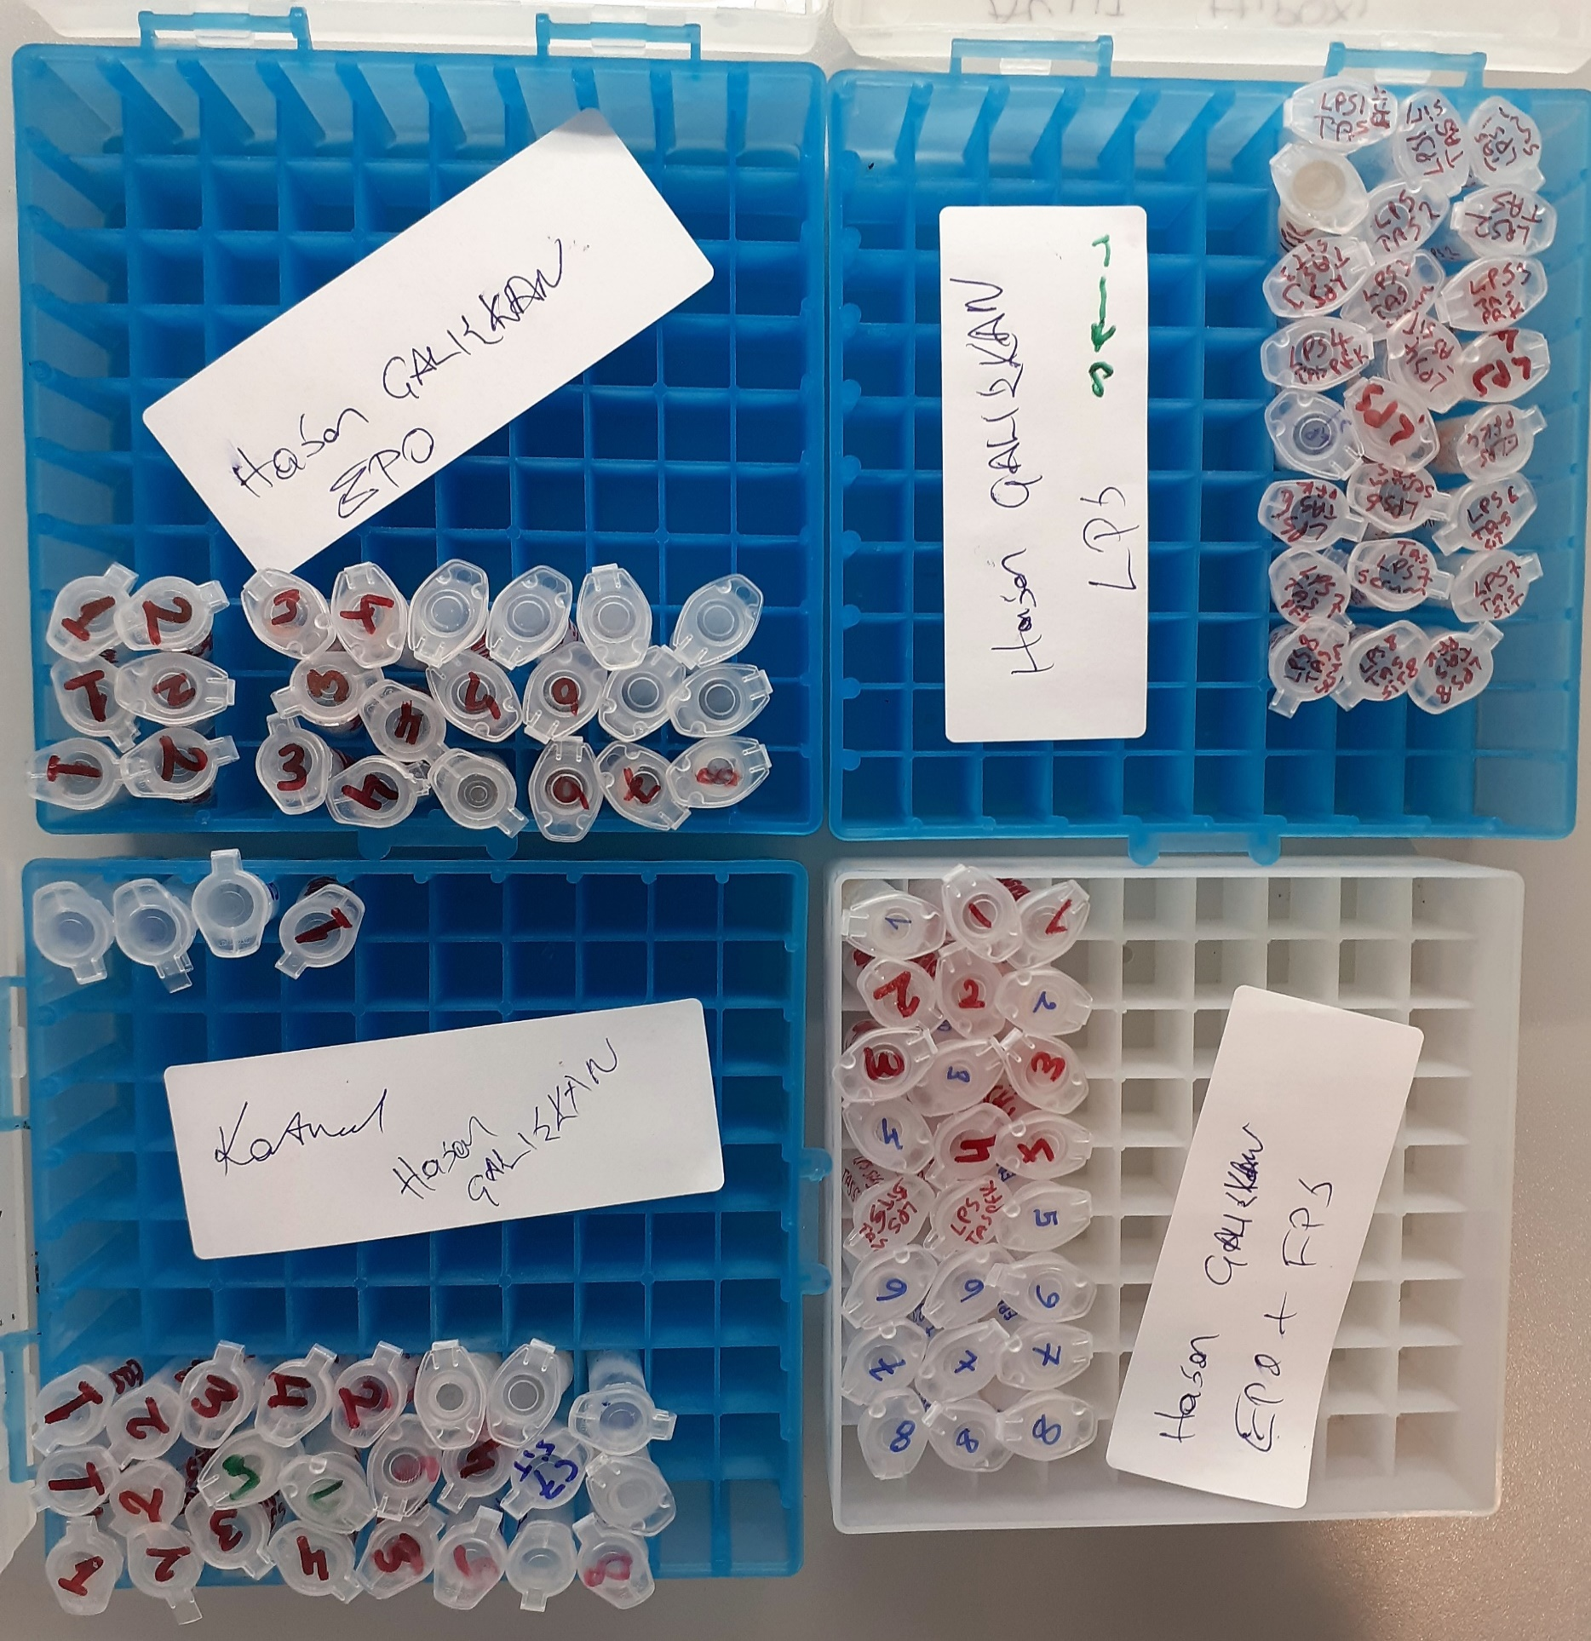
LPS-PFK-1 | 0.74 | 17.88 | 2.416
LPS-PFK-2 | 0.77 | 16.58 | 2.153
LPS-PFK-3 | 0.72 | 14.16 | 1.967
LPS-PFK-4 | 0.96 | 9.08 | 0.946
LPS-PFK-5 | 0.79 | 13.18 | 1.668
LPS-PFK-6 | 0.71 | 17.66 | 2.487
LPS-PFK-7 | 0.71 | 11.47 | 1.615
LPS-PFK-8 | 0.82 | 14.51 | 1.770
EPO+LPS-PFK-1 | 0.88 | 13.15 | 1.494
EPO+LPS-PFK-2 | 0.7 | 17.48 | 2.497
EPO+LPS-PFK-3 | 0.93 | 9.51 | 1.023
EPO+LPS-PFK-4 | 0.89 | 10.77 | 1.210
EPO+LPS-PFK-5 | 0.76 | 14.43 | 1.899
EPO+LPS-PFK-6 | 0.9 | 13.59 | 1.510
EPO+LPS-PFK-7 | 2.15 | 9.56 | 0.445
EPO+LPS-PFK-8 | 0.72 | 11.02 | 1.531
CONTROL-PFK-1 | 0.97 | 7.79 | 0.803
CONTROL-PFK-2 | 0.97 | 7.63 | 0.787
CONTROL-PFK-3 | 0.85 | 11.23 | 1.321
CONTROL-PFK-4 | 0.86 | 7.96 | 0.926
CONTROL-PFK-5 | 0.7 | 18.35 | 2.621
CONTROL-PFK-6 | 1.07 | 11.86 | 1.108
CONTROL-PFK-7 | 0.96 | 10.39 | 1.082
CONTROL-PFK-8 | 1.18 | 10.85 | 0.919
EPO-SİT-1 | 0.68 | 25.57 | 3.760
EPO-SİT-2 | 0.5 | 18.4 | 3.680
EPO-SİT-3 | 0.86 | 18.01 | 2.094
EPO-SİT-4 | 0.71 | 7.93 | 1.117
EPO-SİT-5 | 0.56 | 6.27 | 1.120
EPO-SİT-6 | 0.54 | 8.8 | 1.630
EPO-SİT-7 | 0.48 | 9.79 | 2.040
EPO-SİT-8 | 0.63 | 7.95 | 1.262
LPS-SİT-1 | 0.84 | 9.31 | 1.108
LPS-SİT-2 | 0.7 | 9.08 | 1.297
LPS-SİT-3 | 0.62 | 10.59 | 1.708
LPS-SİT-4 | 0.23 | 13.31 | 5.787
LPS-SİT-5 | 0.69 | 10.57 | 1.532
LPS-SİT-6 | 0.7 | 16.36 | 2.337
LPS-SİT-7 | 0.37 | 13.73 | 3.711
LPS-SİT-8 | 0.52 | 18.04 | 3.469
EPO+LPS-SİT-1 | 0.52 | 12.71 | 2.444
EPO+LPS-SİT-2 | 0.58 | 13.31 | 2.295
EPO+LPS-SİT-3 | 0.59 | 8.21 | 1.392
EPO+LPS-SİT-4 | 0.42 | 12.83 | 3.055
EPO+LPS-SİT-5 | 0.49 | 17.85 | 3.643
EPO+LPS-SİT-6 | 0.58 | 19.67 | 3.391
EPO+LPS-SİT-7 | 0.61 | 9.81 | 1.608
EPO+LPS-SİT-8 | 0.48 | 8.15 | 1.698
CONTROL-SİT-1 | 0.55 | 6.14 | 1.116
CONTROL-SİT-2 | 0.49 | 9.77 | 1.994
CONTROL-SİT-3 | 0.52 | 14.42 | 2.773
CONTROL-SİT-4 | 0.58 | 12.85 | 2.216
CONTROL-SİT-5 | 0.51 | 18.06 | 3.541
CONTROL-SİT-6 | 0.44 | 9.38 | 2.132
CONTROL-SİT-7 | 0.96 | 9.26 | 0.965
CONTROL-SİT-8 | 0.99 | 8.24 | 0.832

