Materyal-metod
KİT ADI | TÜR | MARKA | Yöntem | Kullanılan Cihaz
Coenzyme Q10 | Rat | BT-lab | ELİSA | Mıcroplate reader: BIO-TEK EL X 800-Aotu strıp washer:BIO TEK EL X 50
Alpha Lipoic Acid (ALA) | Rat | BT-lab | ELİSA | Mıcroplate reader: BIO-TEK EL X 800-Aotu strıp washer:BIO TEK EL X 50
Catalase | Rat | BT-lab | ELİSA | Mıcroplate reader: BIO-TEK EL X 800-Aotu strıp washer:BIO TEK EL X 50
MDA: Malondialdehit | Universal | Otto Scientific | Kolorimetrik | REL BIOCHEM-REL ASSAY
SOD: Super Oxıde Dismutase | Universal | REL ASSAY | Kolorimetrik | MINDRAY-BS400
GSH(Glutathione) | Rat | Elabscience | ELİSA | Mıcroplate reader: BIO-TEK EL X 800-Aotu strıp washer:BIO TEK EL X 50
TAS(Total Antioxidant Status) | Universal | REL ASSAY | Kolorimetrik | MINDRAY-BS400
TOS(Total Oxidant Status) | Universal | REL ASSAY | Kolorimetrik | MINDRAY-BS400

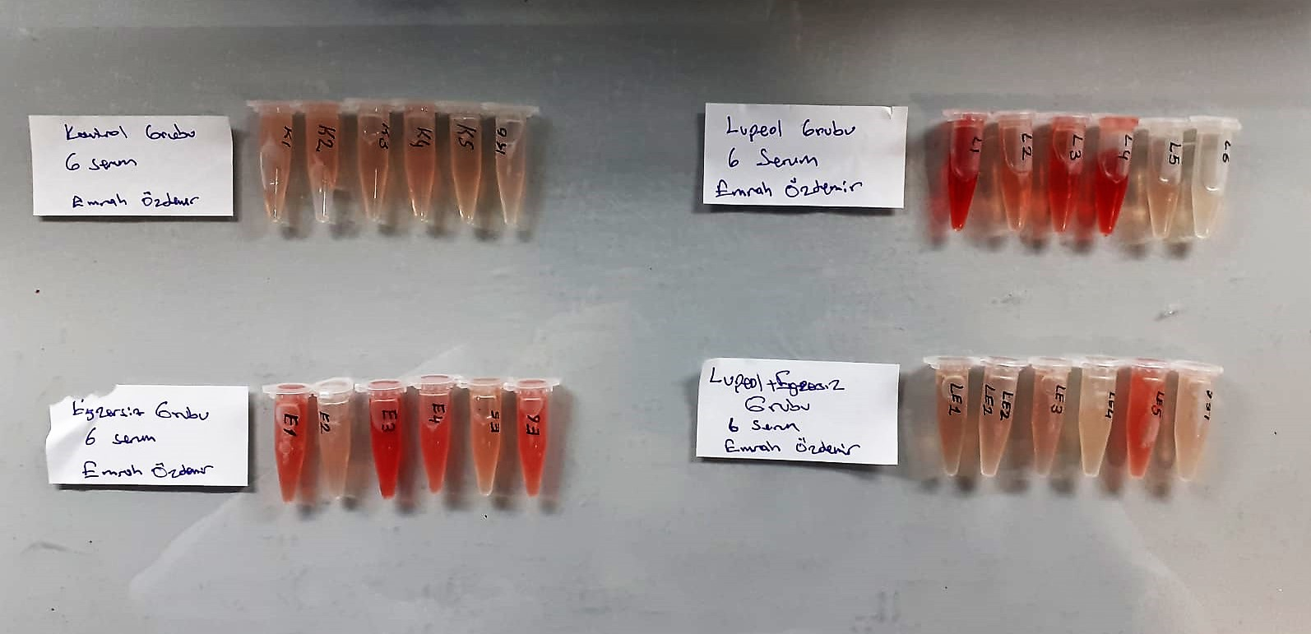

TOTAL ANTIOXDANT STATUS (TAS) (mmol/L)
TAS levels were measured using commercially available kits (Relassay, Turkey). The novel
automated method is based on the bleaching of characteristic color of a more stable ABTS
(2,2 ′ - Azino-bis(3-ethylbenzothiazoline-6-sulfonic acid)) radical cation by antioxidants. The
assay has excellent precision values, which are lower than 3%. The results were expressed as
mmol Trolox equivalent/L (Erel O. A novel automated direct measurement method for total
antioxidant capacity using a new generation, more stable ABTS radicalcation. Clin Biochem
2004;37:277-85.)
(Relassay,Turkey)

TOTAL OXIDANT STATUS (TOS) (µmol/L)
TOS levels were measured using commercially available kits (Relassay, Turkey. In the new
method, oxidants present in the sample oxidized the ferrous ion-o-dianisidine complex to
ferric ion. The oxidation reaction was enhanced by glycerol molecules abundantly present in
the reaction medium. The ferric ion produced a colored complex with xylenol orange in an
acidic medium. The color intensity, which could be measured spectrophotometrically, was
related to the total amount of oxidant molecules present in the sample. The assay was
calibrated with hydrogen peroxide and the results were expressed in terms of
micromolar hydrogen peroxide equivalent per liter (μmol H2O2 equivalent/L). ( Erel O. A
new automated colorimetric method for measuringtotal oxidant status. Clin Biochem
2005;38:1103-11. ).
(Relassay,Turkey)

OXIDATIVE STRESS INDEX (OSI)
The ratio of TOS to TAS was accepted as the oxidative stress index (OSI). For calculation, the
resulting unit of TAS was converted to μmol/L, and the OSI value was calculated according to
the following Formula : OSI (arbitrary unit) =
TOS (μmol H2O2 equivalent/L) / TAC (μmol Trolox equivalent/L). (1-3).
1. Yumru M, Savas HA, Kalenderoglu A, Bulut M, Celik H, Erel O. Oxidative imbalance in
bipolar disorder subtypes: a comparative study. Prog Neuropsychopharmacol Biol Psychiatry.
2009 Aug 31;33(6):1070-4.
2. Kosecik M, Erel O, Sevinc E, Selek S. Increased oxidative stress in children exposed to
passive smoking. Int J Cardiol 2005;100:61–4.
3. (Harma M, Harma M, Erel O (2003) Increased oxidative stress in patients with
hydatidiform mole. Swiss Med Wkly 133:563-536).

Malondialdehyde (MDA) nmol/L
The MDA level was determined by a method based
on the reaction with thiobarbituric acid (TBA) at 90–100_C
. In the TBA test reaction, MDA or MDA-like
substances and TBA react with the production of a pink
pigment with a maximum absorption at 532 nm. The
reaction was performed at pH 2–3 at 90_C for 15 min. The
sample was mixed with two volumes of cold 10% (w/v)
trichloroacetic acid for the precipitation of protein. The
precipitate was pelleted by centrifugation, and an aliquot of
the supernatant was reacted with an equal volume of 0.67%
(w/v) TBA in a boiling water bath for 10 min. After
cooling, the absorbance was read at 532 nm.

Super Oxide Dismutase (SOD) U/ml
The role of speroxide dismutase is to accelerate the dismutation of the toxic radical, produced
during oxidative energy processes to hydrogen peroxide and molecular oxygen. This method
employs xanthine and xanthine oxidase to generate superoxide radicals which react with 2-(4-
iodophenyl)-3-(4-nitrophenol)-5-phenyltetrazolium chloride to form a red formazan dye.. the
superoxide dismutase activity is then measured by the degree of inhibiton of this reaction

GSH Test Principle
This ELISA kit uses the Competitive-ELISA principle. The micro ELISA plate provided in this kit has been pre-coated with GSH.
During the reaction, GSH in samples or Standard competes with a fixed amount of GSH on the solid phase supporter for sites on the Biotinylated Detection Ab specific to GSH.
Excess conjugate and unbound sample or standard are washed from the plate, and Avidin conjugated to Horseradish Peroxidase (HRP) are added to each microplate well and incubated.
Then a TMB substrate solution is added to each well. The enzyme-substrate reaction is terminated by the addition of stop solution and the color change is measured spectrophotometrically at a wavelength of 450±2 nm.
The concentration of GSH in the samples is then determined by comparing the OD of the samples to the standard curve.

CAT Assay Principle
This kit is an Enzyme-Linked Immunosorbent Assay (ELISA). The plate has been pre-coated with Rat CAT antibody. CAT present in the sample is added and binds to antibodies coated on the wells.
And then biotinylated Rat CAT Antibody is added and binds to CAT in the sample. Then Streptavidin-HRP is added and binds to the Biotinylated CAT antibody.
After incubation unbound Streptavidin-HRP is washed away during a washing step. Substrate solution is then added and color develops in proportion to the amount of Rat CAT.
The reaction is terminated by addition of acidic stop solution and absorbance is measured at 450 nm.

ALA Assay Principle
This kit is an Enzyme-Linked Immunosorbent Assay (ELISA). The plate has been pre-coated with Rat ALA antibody. ALA present in the sample is added and binds to antibodies coated on the wells.
And then biotinylated Rat ALA Antibody is added and binds to ALA in the sample. Then Streptavidin-HRP is added and binds to the Biotinylated ALA antibody.
After incubation unbound Streptavidin-HRP is washed away during a washing step. Substrate solution is then added and color develops in proportion to the amount of Rat ALA.
The reaction is terminated by addition of acidic stop solution and absorbance is measured at 450 nm.

CoQ10 Assay Principle
This kit is an Enzyme-Linked Immunosorbent Assay (ELISA). The plate has been pre-coated with Rat CoQ10 antibody. CoQ10 present in the sample is added and binds to antibodies coated on the wells.
And then biotinylated Rat CoQ10 Antibody is added and binds to CoQ10 in the sample. Then Streptavidin-HRP is added and binds to the Biotinylated CoQ10 antibody.
After incubation unbound Streptavidin-HRP is washed away during a washing step. Substrate solution is then added and color develops in proportion to the amount of Rat CoQ10.
The reaction is terminated by addition of acidic stop solution and absorbance is measured at 450 nm.

