GSH
0.124 | 1.144 | 1.119 | 1.105
0.597 | 1.049 | 1.178 | 0.942
0.893 | 0.976 | 1.131 | 0.947
1.188 | 1.082 | 1.011 | 0.983
1.424 | 1.247 | 1.118 | 0.965
GSH
1.754 | 1.058 | 1.047
0.05 | 1.071 | 1.068
0.034 | 1.155 | 1.115

 | abs | abs-blank | expected | result
std1 | 0.124 | 0.074 | 2000 | 2000.25
std2 | 0.597 | 0.547 | 1000 | 983.33
std3 | 0.893 | 0.843 | 500 | 537.36
std4 | 1.188 | 1.138 | 250 | 238.74
std5 | 1.424 | 1.374 | 125 | 104.67
std6 | 1.754 | 1.704 | 62.5 | 73.45
blank | 0.05 | 0 | 0 | 0.00
 |  |  |  |  | concentratıon (mg/L)

Numune | absorbans | blank | abs-blank | result(mg/L)
GRUP1-1 | 1.144 | 0.05 | 1.094 | 274.04
GRUP1-2 | 1.049 | 0.05 | 0.999 | 361.31
GRUP1-3 | 0.976 | 0.05 | 0.926 | 438.62
GRUP1-4 | 1.082 | 0.05 | 1.032 | 329.28
GRUP1-5 | 1.247 | 0.05 | 1.197 | 196.49
GRUP1-6 | 1.058 | 0.05 | 1.008 | 352.39
GRUP2-1 | 1.071 | 0.05 | 1.021 | 339.75
GRUP2-2 | 1.155 | 0.05 | 1.105 | 264.91
GRUP2-3 | 1.119 | 0.05 | 1.069 | 295.54
GRUP2-4 | 1.178 | 0.05 | 1.128 | 246.48
GRUP2-5 | 1.131 | 0.05 | 1.081 | 285.09
GRUP2-6 | 1.011 | 0.05 | 0.961 | 400.44
GRUP3-1 | 1.118 | 0.05 | 1.068 | 296.42
GRUP3-2 | 1.047 | 0.05 | 0.997 | 363.31
GRUP3-3 | 1.068 | 0.05 | 1.018 | 342.65
GRUP3-4 | 1.115 | 0.05 | 1.065 | 299.08
GRUP3-5 | 1.105 | 0.05 | 1.055 | 308.04
GRUP3-6 | 0.942 | 0.05 | 0.892 | 477.68
GRUP4-1 | 0.947 | 0.05 | 0.897 | 471.81
GRUP4-2 | 0.983 | 0.05 | 0.933 | 430.82
GRUP4-3 | 0.965 | 0.05 | 0.915 | 451.05

MDA
MDA
2.481 | 100
1.673 | 50
0.994 | 25
0.513 | 12.5
0.288 | 6.25
0.122 | 3.125
0 | 0
 | absorbans | abs-blank | expected | result
std1 | 2.511 | 2.481 | 100 | 99.11
std2 | 1.703 | 1.673 | 50 | 52.40
std3 | 1.024 | 0.994 | 25 | 24.30
std4 | 0.543 | 0.513 | 12.5 | 10.55
std5 | 0.318 | 0.288 | 6.25 | 5.87
std6 | 0.152 | 0.122 | 3.125 | 3.14
blank | 0.03 | 0 | 0 | 1.51

 |  |  |  |  | concentratıon (nmol/L)

Numune | absorbans | blank | abs-blank | result(nmol/L)
GRUP1-1 | 0.678 | 0.03 | 0.648 | 13.89
GRUP1-2 | 1.282 | 0.03 | 1.252 | 33.78
GRUP1-3 | 1.985 | 0.03 | 1.955 | 67.07
GRUP1-4 | 1.319 | 0.03 | 1.289 | 35.26
GRUP1-5 | 2.333 | 0.03 | 2.303 | 87.58
GRUP1-6 | 2.064 | 0.03 | 2.034 | 71.49
GRUP2-1 | 1.666 | 0.03 | 1.636 | 50.61
GRUP2-2 | 2.147 | 0.03 | 2.117 | 76.29
GRUP2-3 | 0.482 | 0.03 | 0.452 | 9.17
GRUP2-4 | 0.896 | 0.03 | 0.866 | 20.14
GRUP2-5 | 1.027 | 0.03 | 0.997 | 24.40
GRUP2-6 | 1.81 | 0.03 | 1.78 | 57.76
GRUP3-1 | 0.932 | 0.03 | 0.902 | 21.27
GRUP3-2 | 1.817 | 0.03 | 1.787 | 58.12
GRUP3-3 | 1.867 | 0.03 | 1.837 | 60.72
GRUP3-4 | 1.238 | 0.03 | 1.208 | 32.06
GRUP3-5 | 1.48 | 0.03 | 1.45 | 42.05
GRUP3-6 | 1.128 | 0.03 | 1.098 | 27.94
GRUP4-1 | 1.485 | 0.03 | 1.455 | 42.27
GRUP4-2 | 1.169 | 0.03 | 1.139 | 29.44
GRUP4-3 | 0.75 | 0.03 | 0.72 | 15.84

Materyal-metod
KİT ADI | TÜR | MARKA | CAT. NO | Yöntem | Kullanılan Cihaz
MDA: Malondialdehit | Universal | Otto Scientific | Otto1001 | Kolorimetrik | REL BIOCHEM-REL ASSAY
SOD: Super Oxıde Dismutase | Universal | REL ASSAY | RLD0123 | Kolorimetrik | MINDRAY-BS400
CAT: Catalase | Universal | Elabscience | E-BC-K031-S | Kolorimetrik | REL BIOCHEM-REL ASSAY
GSH(Glutathione) | Rat | BT | EA0113Ra | ELİSA | Mıcroplate reader: BIO-TEK EL X 800-Aotu strıp washer:BIO TEK EL X 50

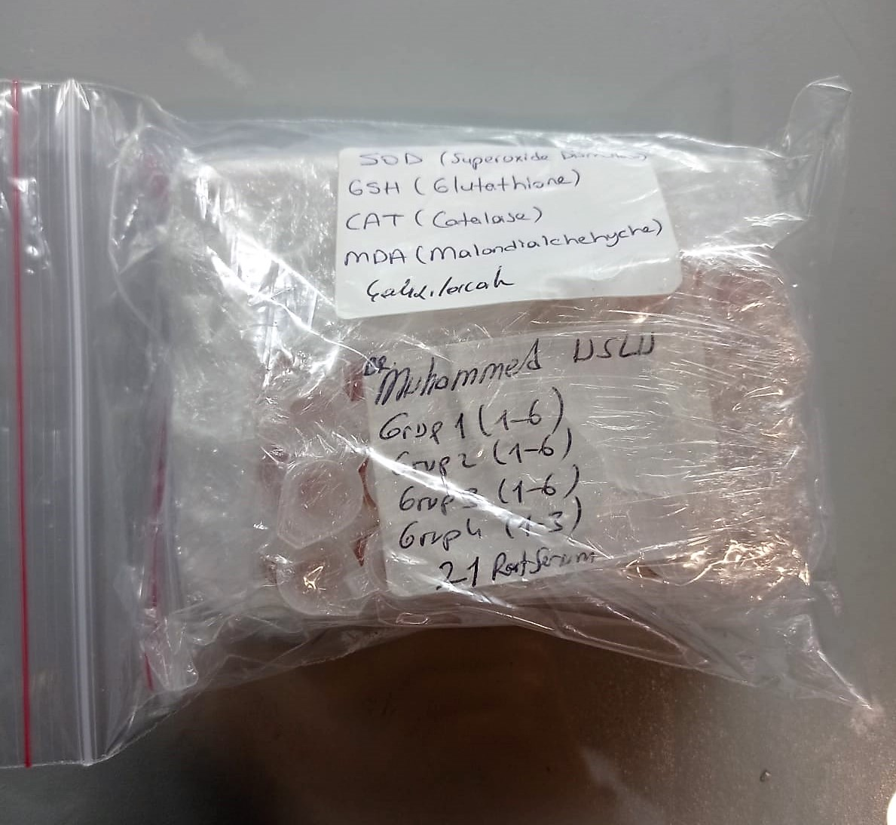
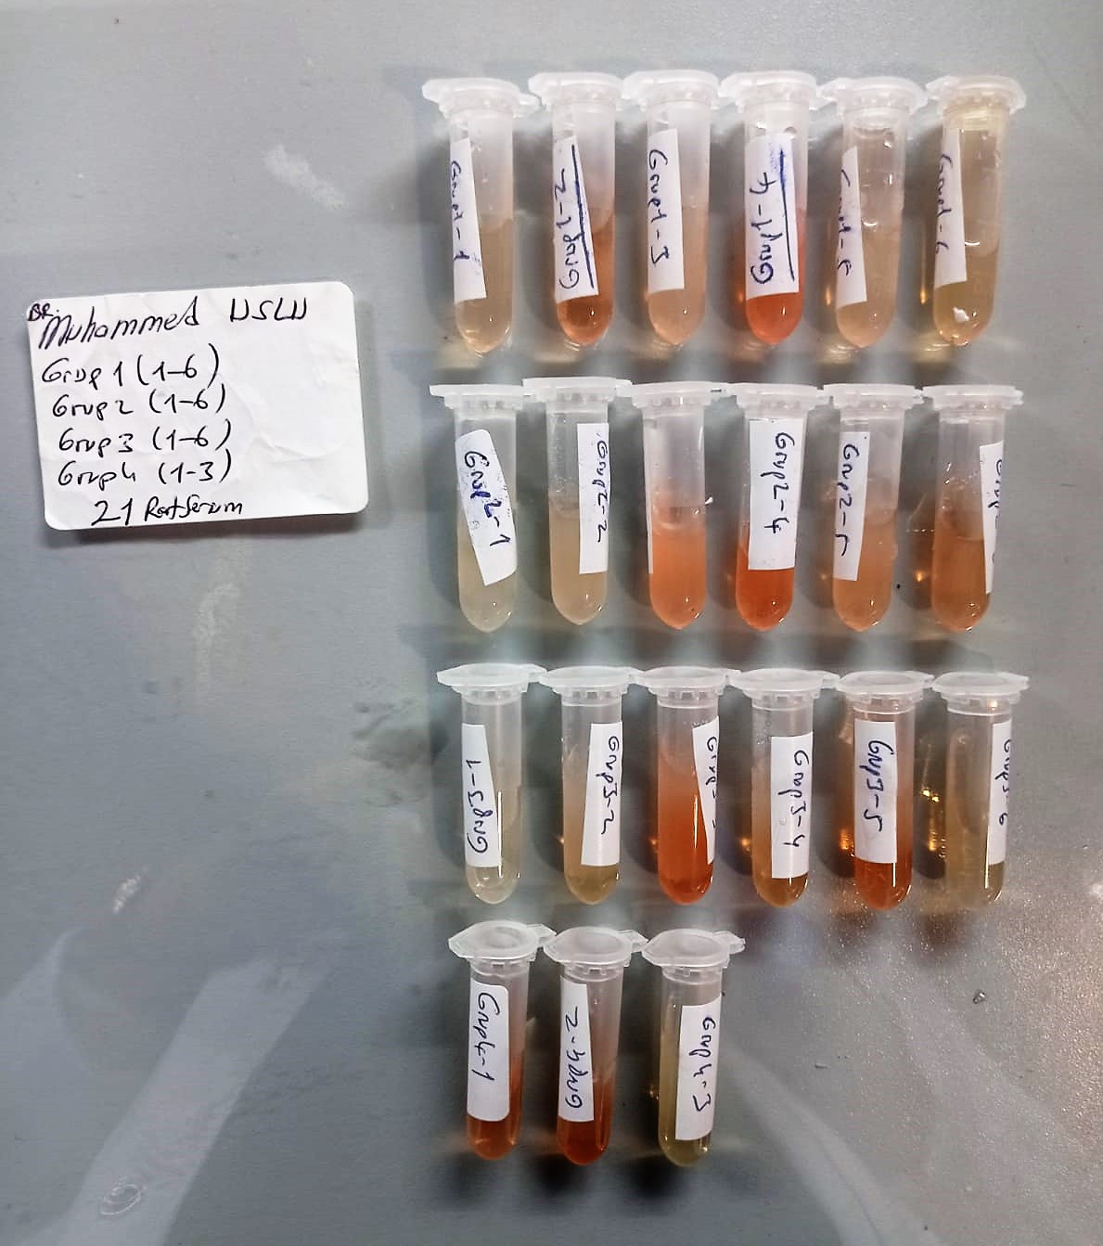

Malondialdehyde (MDA) nmol/L
The MDA level was determined by a method based
on the reaction with thiobarbituric acid (TBA) at 90–100_C
. In the TBA test reaction, MDA or MDA-like
substances and TBA react with the production of a pink
pigment with a maximum absorption at 532 nm. The
reaction was performed at pH 2–3 at 90_C for 15 min. The
sample was mixed with two volumes of cold 10% (w/v)
trichloroacetic acid for the precipitation of protein. The
precipitate was pelleted by centrifugation, and an aliquot of
the supernatant was reacted with an equal volume of 0.67%
(w/v) TBA in a boiling water bath for 10 min. After
cooling, the absorbance was read at 532 nm.

Super Oxide Dismutase (SOD) U/ml
The role of speroxide dismutase is to accelerate the dismutation of the toxic radical, produced
during oxidative energy processes to hydrogen peroxide and molecular oxygen. This method
employs xanthine and xanthine oxidase to generate superoxide radicals which react with 2-(4-
iodophenyl)-3-(4-nitrophenol)-5-phenyltetrazolium chloride to form a red formazan dye.. the
superoxide dismutase activity is then measured by the degree of inhibiton of this reaction

Catalase Assay Principle
The reaction that catalase (CAT) decomposes H2O2 can be quickly stopped by ammonium molybdate. The residual H2O2 reacts with ammonium molybdate to generate a yellowish complex.
CAT activity can be calculated by production of the yellowish complex at 405 nm.

Rat Glutathione Assay Principle
This kit is an enzyme -linked ımmunosorbent assay.(elisa).COR standards or samples are added to the wells pre-coated with a monoclonal antibody.
Then biotin-conjugated target antigen are added to the wells. The antigens in the standards or sample compete with the biotin-conjugated antigen to the bind to the capture antibody and incubate.
Unbound antigen is washed away during a washing step.An avidin-HRP is then added and then incubate.Unbound avidin hrp is washed away during a washing step.TMB Subsrate is then added and color develops.
The reaction is stopped by addition of acidic stop solution and color changes into yellow that can be measured at 450 nm. The intensity of the color developed in inversely proportional to the concentration of GSH in the sample.
The concentratıon of GSH in the sample is then determined by comparing the O.D of the samples to the standard curve.

