IL-18
1.646 | 0.536 | 0.398 | 0.195 | 0.186 | 1.727 | 2.201 | 2.032 | 1.657 | 0.767 | 2.031 | 2.317 | 1.615
1.102 | 0.313 | 0.511 | 0.234 | 0.47 | 2.748 | 2.656 | 2.849 | 2.798 | 0.859 | 0.905 | 1.516 | 1.936
0.621 | 0.364 | 0.349 | 0.318 | 0.438 | 2.188 | 2.451 | 1.948 | 2.919 | 1.029 | 1.67 | 1.057 | 1.072
0.333 | 0.423 | 0.464 | 0.392 | 0.737 | 1.055 | 1.288 | 2.109 | 2.634 | 1.138 | 2.181 | 0.876 | 0.918
0.194 | 0.314 | 0.533 | 0.308 | 0.225 | 1.292 | 2.463 | 2.826 | 2.301 | 0.786 | 1.717 | 1.427 | 1.344
0.112 | 0.495 | 0.42 | 0.264 | 0.352 | 2.028 | 2.903 | 2.742 | 2.613 | 0.771 | 1.018 | 1.482 | 1.139
0.079 | 0.311 | 0.478 | 0.245 | 0.26 | 2.108 | 2.371 | 2.62 | 2.709 | 1.157 | 1.874 | 0.944
0.059 | 0.45 | 0.503 | 0.194 | 2.959 | 2.612 | 2.654 | 2.163 | 1.382 | 1.267 | 2.929 | 2.228

IL-18
 | abs | abs-blank | expected | result
std1 | 1.646 | 1.587 | 1000 | 989.33331484
std2 | 1.102 | 1.043 | 500 | 530.79745564
std3 | 0.621 | 0.562 | 250 | 234.00708384
std4 | 0.333 | 0.274 | 125 | 105.10664736
std5 | 0.194 | 0.135 | 62.5 | 55.973311
std6 | 0.112 | 0.053 | 31.25 | 30.98154124
std7 | 0.079 | 0.02 | 15.63 | 21.760144
BLANK | 0.059 | 0 | 0

 |  |  |  |  |  |  |  |  | concentratıon (pg/ml)

Numune | absorbans | abs-blank | result
Serum(1-1) | 0.536 | 0.477 | 192.16124044
Serum(1-2) | 0.313 | 0.254 | 97.51264576
Serum(1-3) | 0.364 | 0.305 | 117.225739
Serum(1-4) | 0.423 | 0.364 | 141.46121856
Serum(1-5) | 0.314 | 0.255 | 97.888159
Serum(1-6) | 0.495 | 0.436 | 173.11515456
Serum(1-7) | 0.311 | 0.252 | 96.76294144
Serum(1-8) | 0.45 | 0.391 | 153.06370716
Serum(2-1) | 0.398 | 0.339 | 131.00464156
Serum(2-2) | 0.511 | 0.452 | 180.45962944
Serum(2-3) | 0.349 | 0.29 | 111.308776
Serum(2-4) | 0.464 | 0.405 | 159.206299
Serum(2-5) | 0.533 | 0.474 | 190.74250336
Serum(2-6) | 0.42 | 0.361 | 140.19188556
Serum(2-7) | 0.478 | 0.419 | 165.43527196
Serum(2-8) | 0.503 | 0.444 | 176.77328896
Serum(3-1) | 0.195 | 0.136 | 56.29637856
Serum(3-2) | 0.234 | 0.175 | 69.239775
Serum(3-3) | 0.318 | 0.259 | 99.39461916
Serum(3-4) | 0.392 | 0.333 | 128.53605004
Serum(3-5) | 0.308 | 0.249 | 95.64169036
Serum(3-6) | 0.264 | 0.205 | 79.652379
Serum(3-7) | 0.245 | 0.186 | 73.01167456
Serum(3-8) | 0.194 | 0.135 | 55.973311
Serum(4-1) | 0.186 | 0.127 | 53.40463644
Serum(4-2) | 0.47 | 0.411 | 161.86528156
Serum(4-3) | 0.438 | 0.379 | 147.86738076
Serum(4-4) | 0.737 | 0.678 | 296.25226624
Serum(4-5) | 0.225 | 0.166 | 66.19334016
Serum(4-6) | 0.352 | 0.293 | 112.48423564
Serum(4-7) | 0.26 | 0.201 | 78.24111436
Aort(1-1) | 2.959 | 2.9 | 2633.3476
Aort(1-2) | 1.727 | 1.668 | 1068.7636806
Aort(1-3) | 2.748 | 2.689 | 2317.9148296
Aort(1-4) | 2.188 | 2.129 | 1575.8899208
Aort(1-5) | 1.055 | 0.996 | 497.30224576
Aort(1-6) | 1.292 | 1.233 | 676.12643404
Aort(1-7) | 2.028 | 1.969 | 1389.268276
Aort(1-8) | 2.108 | 2.049 | 1481.1687944
Aort(2-1) | 2.612 | 2.553 | 2125.0019412
Aort(2-2) | 2.201 | 2.142 | 1591.548519
Aort(2-3) | 2.656 | 2.597 | 2186.5229172
Aort(2-4) | 2.451 | 2.392 | 1907.164079
Aort(2-5) | 1.288 | 1.229 | 672.90292876
Aort(2-6) | 2.463 | 2.404 | 1923.0064378
Aort(2-7) | 2.903 | 2.844 | 2547.718121
Aort(2-8) | 2.371 | 2.312 | 1803.1702038
Aort(3-1) | 2.654 | 2.595 | 2183.707999
Aort(3-2) | 2.032 | 1.973 | 1393.7963124
Aort(3-3) | 2.849 | 2.79 | 2466.455776
Aort(3-4) | 1.948 | 1.889 | 1300.1883656
Aort(3-5) | 2.109 | 2.05 | 1482.3354
Aort(3-6) | 2.826 | 2.767 | 2432.234294
Aort(3-7) | 2.742 | 2.683 | 2309.232086
Aort(3-8) | 2.62 | 2.561 | 2136.1241096
Aort(4-1) | 2.163 | 2.104 | 1545.9865738
Aort(4-2) | 1.657 | 1.598 | 999.95047744
Aort(4-3) | 2.798 | 2.739 | 2390.8880336
Aort(4-4) | 2.919 | 2.86 | 2572.042656
Aort(4-5) | 2.634 | 2.575 | 2155.655775
Aort(4-6) | 2.301 | 2.242 | 1714.489343
Aort(4-7) | 2.613 | 2.554 | 2126.3906698
Aort(4-8) | 2.709 | 2.65 | 2261.7606
Carotis(1-1) | 1.382 | 1.323 | 750.51954844
Carotis(1-2) | 0.767 | 0.708 | 313.31533504
Carotis(1-3) | 0.859 | 0.8 | 368.1154
Carotis(1-4) | 1.029 | 0.97 | 479.191224
Carotis(1-5) | 1.138 | 1.079 | 557.11179676
Carotis(1-6) | 0.786 | 0.727 | 324.32710044
Carotis(1-7) | 0.771 | 0.712 | 315.62037984
Carotis(1-8) | 1.157 | 1.098 | 571.23019744
Carotis(2-1) | 1.267 | 1.208 | 656.09521504
Carotis(2-2) | 2.031 | 1.972 | 1392.6636422
Carotis(2-3) | 0.905 | 0.846 | 396.91427776
Carotis(2-4) | 1.67 | 1.611 | 1012.5667856
Carotis(2-5) | 2.181 | 2.122 | 1567.4892182
Carotis(2-7) | 1.717 | 1.658 | 1058.801007
Carotis(2-8) | 1.018 | 0.959 | 471.61855516
Carotis(3-1) | 1.874 | 1.815 | 1220.300671
Carotis(3-2) | 2.929 | 2.87 | 2587.302784
Carotis(3-3) | 2.317 | 2.258 | 1734.568863
Carotis(3-4) | 1.516 | 1.457 | 867.89695564
Carotis(3-5) | 1.057 | 0.998 | 498.70774144
Carotis(3-6) | 0.876 | 0.817 | 378.64982604
Carotis(3-7) | 1.427 | 1.368 | 789.05479264
Carotis(3-8) | 1.482 | 1.423 | 837.36540444
Carotis(4-1) | 0.944 | 0.885 | 422.061211
Carotis(4-2) | 2.228 | 2.169 | 1624.308212
Carotis(4-3) | 1.615 | 1.556 | 959.69912896
Carotis(4-4) | 1.936 | 1.877 | 1287.0696564
Carotis(4-5) | 1.072 | 1.013 | 509.30515084
Carotis(4-6) | 0.918 | 0.859 | 405.22210716
Carotis(4-7) | 1.344 | 1.285 | 718.673691
Carotis(4-8) | 1.139 | 1.08 | 557.850904

IL-1BETA
2.153 | 0.062 | 0.059 | 0.054 | 0.053 | 1.367 | 1.49 | 2.934 | 1.449 | 0.575 | 1.618 | 1.119 | 1.035
1.445 | 0.053 | 0.056 | 0.056 | 0.056 | 1.837 | 2.341 | 2.39 | 2.043 | 0.476 | 0.499 | 0.945 | 1.136
0.905 | 0.056 | 0.057 | 0.162 | 0.059 | 1.369 | 2.859 | 1.292 | 2.991 | 0.642 | 1.011 | 0.684 | 0.689
0.546 | 0.058 | 0.06 | 0.056 | 0.056 | 0.595 | 0.649 | 2.962 | 2.899 | 0.704 | 1.49 | 0.554 | 0.733
0.377 | 0.061 | 0.064 | 0.07 | 0.054 | 0.681 | 1.531 | 2.342 | 2.445 | 0.508 | 1.107 | 1.023 | 0.985
0.29 | 0.062 | 0.063 | 0.062 | 0.051 | 1.31 | 1.813 | 2.172 | 2.523 | 0.453 | 0.577 | 1.099 | 1.111
0.149 | 0.056 | 0.061 | 0.058 | 0.059 | 1.267 | 1.447 | 2.063 | 1.894 | 0.691 | 0.983 | 0.666
0.063 | 0.055 | 0.056 | 0.052 | 2.213 | 1.84 | 1.619 | 1.655 | 0.983 | 0.891 | 1.944 | 1.328

IL-1BETA
2.09 | 2000
1.382 | 1000
0.842 | 500
0.483 | 250
0.314 | 125
0.227 | 62.5
0.086 | 31.25
0 | 0

 | abs | abs-blank | expected | result
std1 | 2.153 | 2.09 | 2000 | 1993.363538
std2 | 1.445 | 1.382 | 1000 | 1022.7857655
std3 | 0.905 | 0.842 | 500 | 485.35102472
std4 | 0.546 | 0.483 | 250 | 225.19503322
std5 | 0.377 | 0.314 | 125 | 129.58310408
std6 | 0.29 | 0.227 | 62.5 | 87.06618842
std7 | 0.149 | 0.086 | 31.25 | 27.83536808
blank | 0.063 | 0 | 0

 |  |  |  |  |  |  |  |  | concentratıon (pg/ml)

Numune | absorbans | abs-blank | result
Serum(1-1) | 0.621 | 0.558 | 273.13429672
Serum(1-2) | 0.531 | 0.468 | 216.01350352
Serum(1-3) | 0.562 | 0.499 | 235.13795098
Serum(1-4) | 0.581 | 0.518 | 247.14531752
Serum(1-5) | 0.613 | 0.55 | 267.85945
Serum(1-6) | 0.621 | 0.558 | 273.13429672
Serum(1-7) | 0.561 | 0.498 | 234.51200392
Serum(1-8) | 0.554 | 0.491 | 230.14722938
Serum(2-1) | 0.592 | 0.529 | 254.19627418
Serum(2-2) | 0.561 | 0.498 | 234.51200392
Serum(2-3) | 0.573 | 0.51 | 242.063098
Serum(2-4) | 0.654 | 0.591 | 295.30026538
Serum(2-5) | 0.644 | 0.581 | 288.51407978
Serum(2-6) | 0.631 | 0.568 | 279.78203152
Serum(2-7) | 0.612 | 0.549 | 267.20280298
Serum(2-8) | 0.561 | 0.498 | 234.51200392
Serum(3-1) | 0.542 | 0.479 | 222.73338218
Serum(3-2) | 0.561 | 0.498 | 234.51200392
Serum(3-3) | 0.624 | 0.561 | 275.12229658
Serum(3-4) | 0.562 | 0.499 | 235.13795098
Serum(3-5) | 0.7 | 0.637 | 327.29204362
Serum(3-6) | 0.622 | 0.559 | 273.79636138
Serum(3-7) | 0.584 | 0.521 | 249.06108218
Serum(3-8) | 0.523 | 0.46 | 211.172068
Serum(4-1) | 0.531 | 0.468 | 216.01350352
Serum(4-2) | 0.562 | 0.499 | 235.13795098
Serum(4-3) | 0.592 | 0.529 | 254.19627418
Serum(4-4) | 0.565 | 0.502 | 237.01940392
Serum(4-5) | 0.541 | 0.478 | 222.11947432
Serum(4-6) | 0.514 | 0.451 | 205.77150298
Serum(4-7) | 0.596 | 0.533 | 256.77831722
Aort(1-1) | 2.213 | 2.15 | 2089.48505
Aort(1-2) | 1.367 | 1.304 | 934.31018768
Aort(1-3) | 1.837 | 1.774 | 1522.8848145
Aort(1-4) | 1.369 | 1.306 | 936.53304328
Aort(1-5) | 0.595 | 0.532 | 256.13190352
Aort(1-6) | 0.681 | 0.618 | 313.92364552
Aort(1-7) | 1.31 | 1.247 | 871.97099882
Aort(1-8) | 1.267 | 1.204 | 826.23740368
Aort(2-1) | 1.84 | 1.777 | 1527.0687644
Aort(2-2) | 1.49 | 1.427 | 1075.4952924
Aort(2-3) | 2.341 | 2.278 | 2301.7870583
Aort(2-4) | 2.859 | 2.796 | 3261.6630837
Aort(2-5) | 0.649 | 0.586 | 291.89964808
Aort(2-6) | 1.531 | 1.468 | 1124.5807835
Aort(2-7) | 1.813 | 1.75 | 1489.60825
Aort(2-8) | 1.447 | 1.384 | 1025.1025269
Aort(3-1) | 1.619 | 1.556 | 1233.3517333
Aort(3-2) | 2.934 | 2.871 | 3414.0273582
Aort(3-3) | 2.39 | 2.327 | 2385.6693204
Aort(3-4) | 1.292 | 1.229 | 852.69126218
Aort(3-5) | 2.962 | 2.899 | 3471.778047
Aort(3-6) | 2.342 | 2.279 | 2303.4844942
Aort(3-7) | 2.172 | 2.109 | 2023.5675534
Aort(3-8) | 2.063 | 2 | 1853.2445
Aort(4-1) | 1.655 | 1.592 | 1279.1925147
Aort(4-2) | 1.449 | 1.386 | 1027.4216961
Aort(4-3) | 2.043 | 1.98 | 1822.769092
Aort(4-4) | 2.991 | 2.928 | 3532.0887803
Aort(4-5) | 2.899 | 2.836 | 3342.5026581
Aort(4-6) | 2.445 | 2.382 | 2481.5444855
Aort(4-7) | 2.523 | 2.46 | 2620.635268
Aort(4-8) | 1.894 | 1.831 | 1603.3062798
Carotis(1-1) | 0.983 | 0.92 | 552.134372
Carotis(1-2) | 0.575 | 0.512 | 243.33004112
Carotis(1-3) | 0.476 | 0.413 | 183.50666762
Carotis(1-4) | 0.642 | 0.579 | 287.16406618
Carotis(1-5) | 0.704 | 0.641 | 330.13413338
Carotis(1-6) | 0.508 | 0.445 | 202.1982145
Carotis(1-7) | 0.453 | 0.39 | 170.452858
Carotis(1-8) | 0.691 | 0.628 | 320.93255632
Carotis(2-1) | 0.891 | 0.828 | 473.75193232
Carotis(2-2) | 1.618 | 1.555 | 1232.0895145
Carotis(2-3) | 0.499 | 0.436 | 196.87891408
Carotis(2-4) | 1.011 | 0.948 | 577.00118992
Carotis(2-5) | 1.49 | 1.427 | 1075.4952924
Carotis(2-7) | 1.107 | 1.044 | 665.84171728
Carotis(2-8) | 0.577 | 0.514 | 244.59939208
Carotis(3-1) | 0.983 | 0.92 | 552.134372
Carotis(3-2) | 1.944 | 1.881 | 1675.4616678
Carotis(3-3) | 1.119 | 1.056 | 677.33685328
Carotis(3-4) | 0.945 | 0.882 | 519.14140552
Carotis(3-5) | 0.684 | 0.621 | 316.01999818
Carotis(3-6) | 0.554 | 0.491 | 230.14722938
Carotis(3-7) | 1.023 | 0.96 | 587.802868
Carotis(3-8) | 1.099 | 1.036 | 658.22645008
Carotis(4-1) | 0.666 | 0.603 | 303.52314682
Carotis(4-2) | 1.328 | 1.265 | 891.4457705
Carotis(4-3) | 1.035 | 0.972 | 598.69122832
Carotis(4-4) | 1.136 | 1.073 | 693.77001242
Carotis(4-5) | 0.689 | 0.626 | 319.52595848
Carotis(4-6) | 0.733 | 0.67 | 351.027322
Carotis(4-7) | 0.985 | 0.922 | 553.89492232
Carotis(4-8) | 1.111 | 1.048 | 669.66379792

TAS-TOS-PON1
Numune Adı | TAS(mmol/L) | TOS (µmol/L) | OSI | PON1(U/L)
Serum(1-1) | 1.49 | 5.6 | 0.376 | 429.9 | Bu çalışmada "Relassay" marka kitler kullanılmıştır.
Serum(1-2) | 1.43 | 5.43 | 0.380 | 444.6 | Kullanılan cihaz: Mindray marka BS400 model tam otomatik biyokimya cihazı
Serum(1-3) | 1.42 | 7.24 | 0.510 | 551.9
Serum(1-4) | 1.35 | 7.81 | 0.579 | 563.1 | TAS: Total Antıoxıdant Status
Serum(1-5) | 1.44 | 4.02 | 0.279 | 616.5 | TOS: Total Oxıdant Status
Serum(1-6) | 1.47 | 15.5 | 1.054 | 450.6 | OSI: Oxıdatıve Stress Index
Serum(1-7) | 1.37 | 3.6 | 0.263 | 452.1 | PON1: Paraoxanase1
Serum(1-8) | 1.5 | 4.78 | 0.319 | 502.1
Serum(2-1) | 1.75 | 13.31 | 0.761 | 879.3
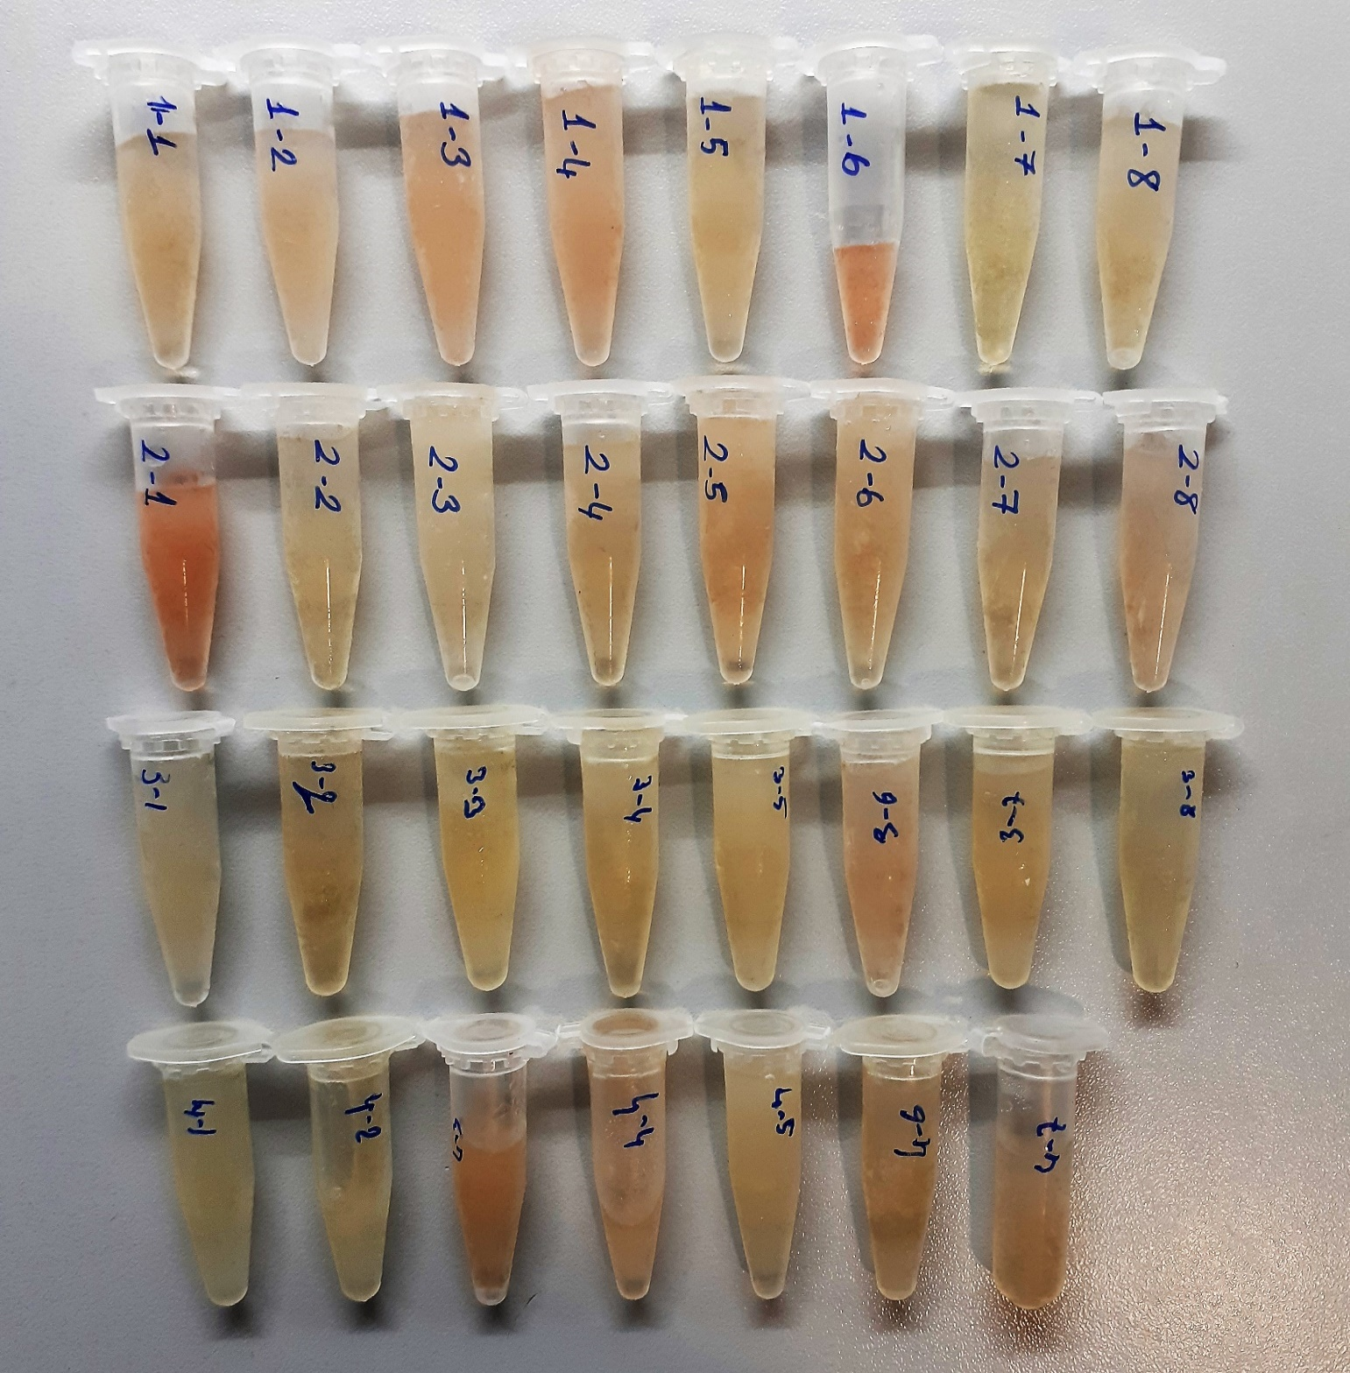
Serum(2-2) | 1.6 | 3.38 | 0.211 | 741.7
Serum(2-3) | 1.66 | 2.6 | 0.157 | 848.5
Serum(2-4) | 1.47 | 4.18 | 0.284 | 624.9
Serum(2-5) | 1.75 | 4.19 | 0.239 | 770.6
Serum(2-6) | 1.33 | 4.44 | 0.334 | 744
Serum(2-7) | 1.54 | 3.92 | 0.255 | 830
Serum(2-8) | 1.51 | 3.83 | 0.254 | 718.3
Serum(3-1) | 1.68 | 1.46 | 0.087 | 632.8
Serum(3-2) | 1.34 | 3.22 | 0.240 | 597.1
Serum(3-3) | 1.45 | 2.58 | 0.178 | 657.5
Serum(3-4) | 1.41 | 2.78 | 0.197 | 390.7
Serum(3-5) | 1.41 | 2.92 | 0.207 | 655.8
Serum(3-6) | 1.29 | 5.13 | 0.398 | 784.3
Serum(3-7) | 1.36 | 3.21 | 0.236 | 665.6
Serum(3-8) | 1.36 | 3.17 | 0.233 | 636.3
Serum(4-1) | 1.32 | 3.2 | 0.242 | 657.6
Serum(4-2) | 1.42 | 1.55 | 0.109 | 700.4
Serum(4-3) | 1.83 | 8.07 | 0.441 | 710
Serum(4-4) | 2.57 | 5.75 | 0.224 | 783.3
Serum(4-5) | 1.39 | 2.55 | 0.183 | 759.7
Serum(4-6) | 1.3 | 4.45 | 0.342 | 726.8
Serum(4-7) | 1.39 | 3.6 | 0.259 | 713.3
Aort(1-1) | 1.28 | 64.75 | 5.059 | 17.71
Aort(1-2) | 1.51 | 101.5 | 6.722 | 12.7
Aort(1-3) | 1.34 | 82.2 | 6.134 | 12.8
Aort(1-4) | 1.14 | 65.4 | 5.737 | 11.6
Aort(1-5) | 1.3 | 92.08 | 7.083 | 10.41
Aort(1-6) | 1.23 | 82.6 | 6.715 | 21.77
Aort(1-7) | 1.21 | 73.07 | 6.039 | 12.8
Aort(1-8) | 0.99 | 48.1 | 4.859 | 19.5
Aort(2-1) | 1.47 | 99.8 | 6.789 | 10.69
Aort(2-2) | 0.99 | 58.4 | 5.899 | 18.7
Aort(2-3) | 1.2 | 67.02 | 5.585 | 16.22
Aort(2-4) | 1.27 | 60.9 | 4.795 | 11.5
Aort(2-5) | 1.36 | 72.6 | 5.338 | 11.1
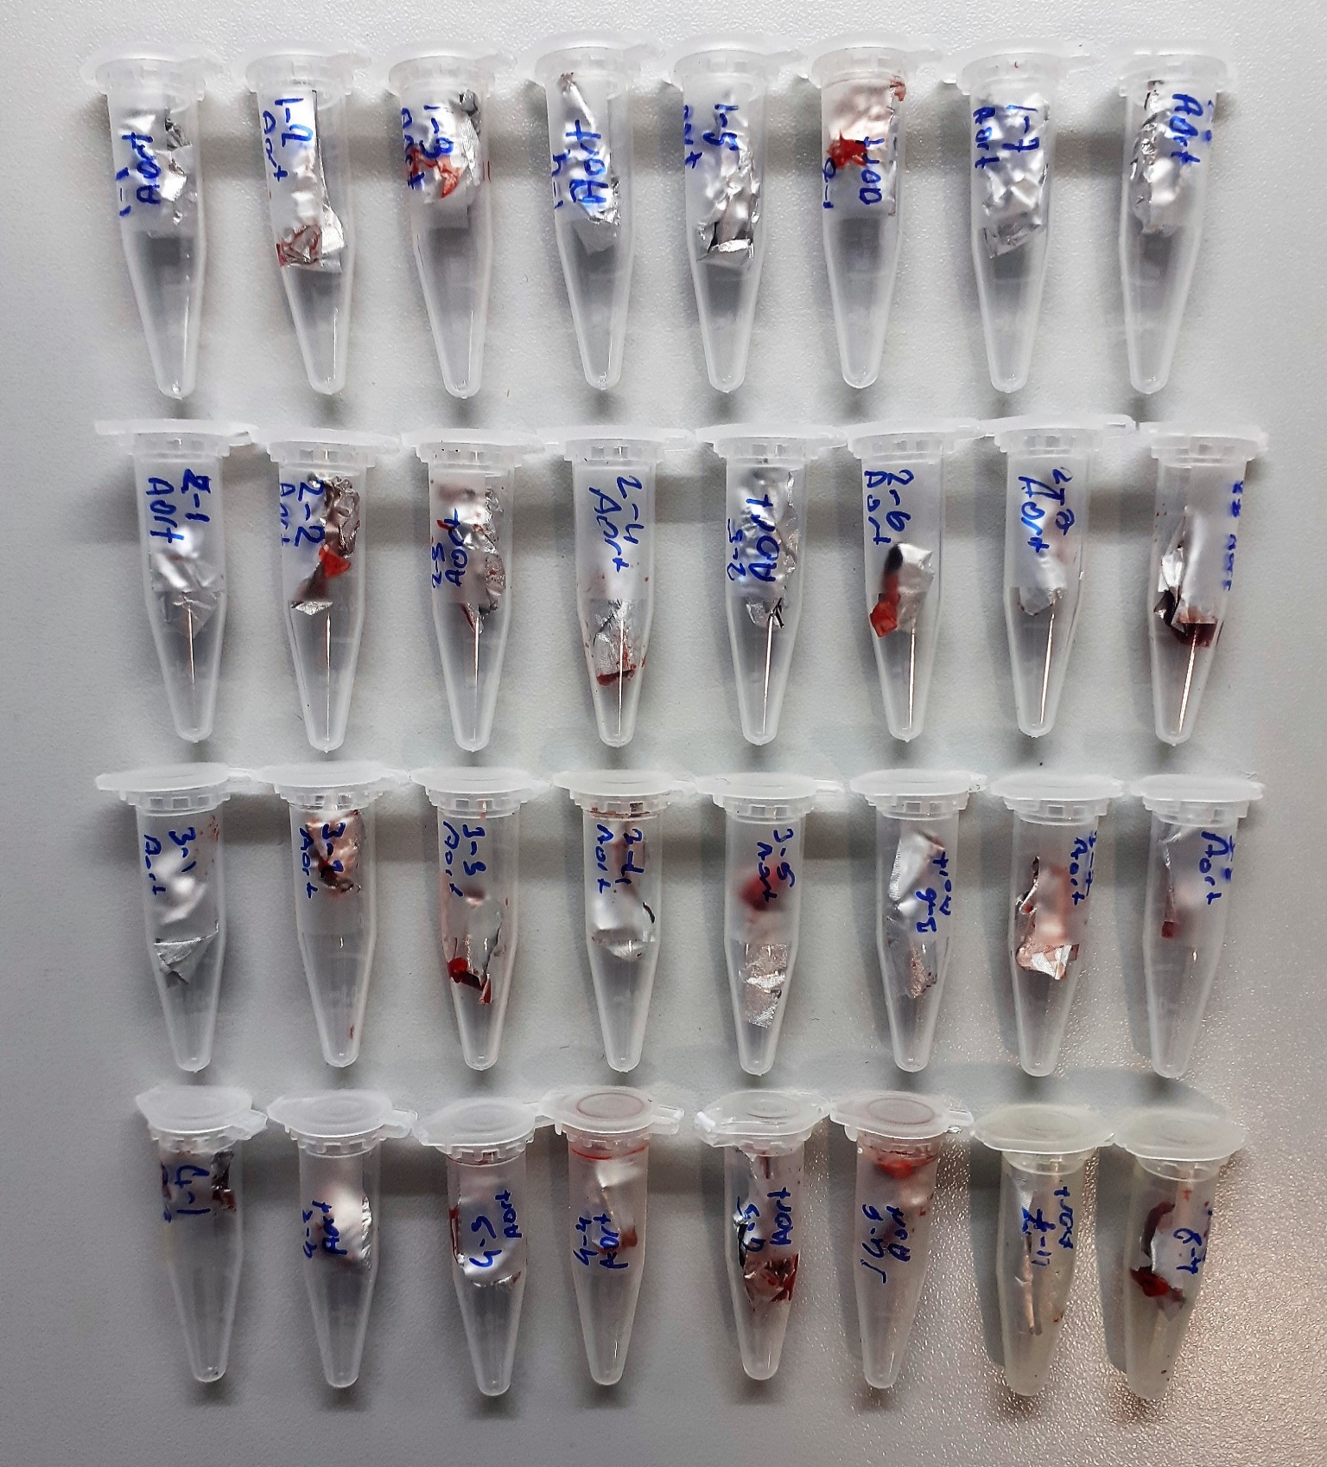
Aort(2-6) | 1.29 | 72.9 | 5.651 | 17.8
Aort(2-7) | 1.37 | 78.3 | 5.715 | 15.8
Aort(2-8) | 1.22 | 80.8 | 6.623 | 12.1
Aort(3-1) | 1.33 | 87.6 | 6.586 | 12.3
Aort(3-2) | 1.17 | 62.5 | 5.342 | 11.62
Aort(3-3) | 1.28 | 82.1 | 6.414 | 10.36
Aort(3-4) | 1.25 | 79.4 | 6.352 | 11.7
Aort(3-5) | 1.21 | 57.8 | 4.777 | 13.4
Aort(3-6) | 1.37 | 91.3 | 6.664 | 10.65
Aort(3-7) | 1.22 | 71.7 | 5.877 | 15.7
Aort(3-8) | 1.15 | 53.8 | 4.678 | 15.2
Aort(4-1) | 1.42 | 104.6 | 7.366 | 11.8
Aort(4-2) | 1.27 | 79.04 | 6.224 | 12.1
Aort(4-3) | 1.43 | 91.6 | 6.406 | 13.7
Aort(4-4) | 1.32 | 72.3 | 5.477 | 12.6
Aort(4-5) | 1.36 | 75.2 | 5.529 | 12.6
Aort(4-6) | 1.18 | 53.5 | 4.534 | 11.9
Aort(4-7) | 1.29 | 77.3 | 5.992 | 13.9
Aort(4-8) | 1.29 | 89.02 | 6.901 | 15.2
Carotis(1-1) | 1.92 | 53.3 | 2.776 | 15.2
Carotis(1-2) | 1.63 | 134 | 8.221 | 19.3
Carotis(1-3) | 1.42 | 103.3 | 7.275 | 13.87
Carotis(1-4) | 1.24 | 90.5 | 7.298 | 25.1
Carotis(1-5) | 1.83 | 61.8 | 3.377 | 15.5
Carotis(1-6) | 1.86 | 65.2 | 3.505 | 25.6
Carotis(1-7) | 1.29 | 84.4 | 6.543 | 11.12
Carotis(1-8) | 1.29 | 84.8 | 6.574 | 33.1
Carotis(2-1) | 1.16 | 59.08 | 5.093 | 26.9
Carotis(2-2) | 1.26 | 75.2 | 5.968 | 19.5
Carotis(2-3) | 1.87 | 56.4 | 3.016 | 12.8
Carotis(2-4) | 1.37 | 101 | 7.372 | 17.2
Carotis(2-5) | 1.21 | 66.3 | 5.479 | 35.9
Carotis(2-7) | 1.9 | 24.5 | 1.289 | 18.5
Carotis(2-8) | 1.22 | 63.9 | 5.238 | 58.3
Carotis(3-1) | 1.18 | 72.8 | 6.169 | 14.46
Carotis(3-2) | 1.98 | 70.4 | 3.556 | 12.16
Carotis(3-3) | 1.08 | 31.08 | 2.878 | 14.9
Carotis(3-4) | 1.96 | 33.5 | 1.709 | 16.5
Carotis(3-5) | 1.9 | 72.1 | 3.795 | 33.6
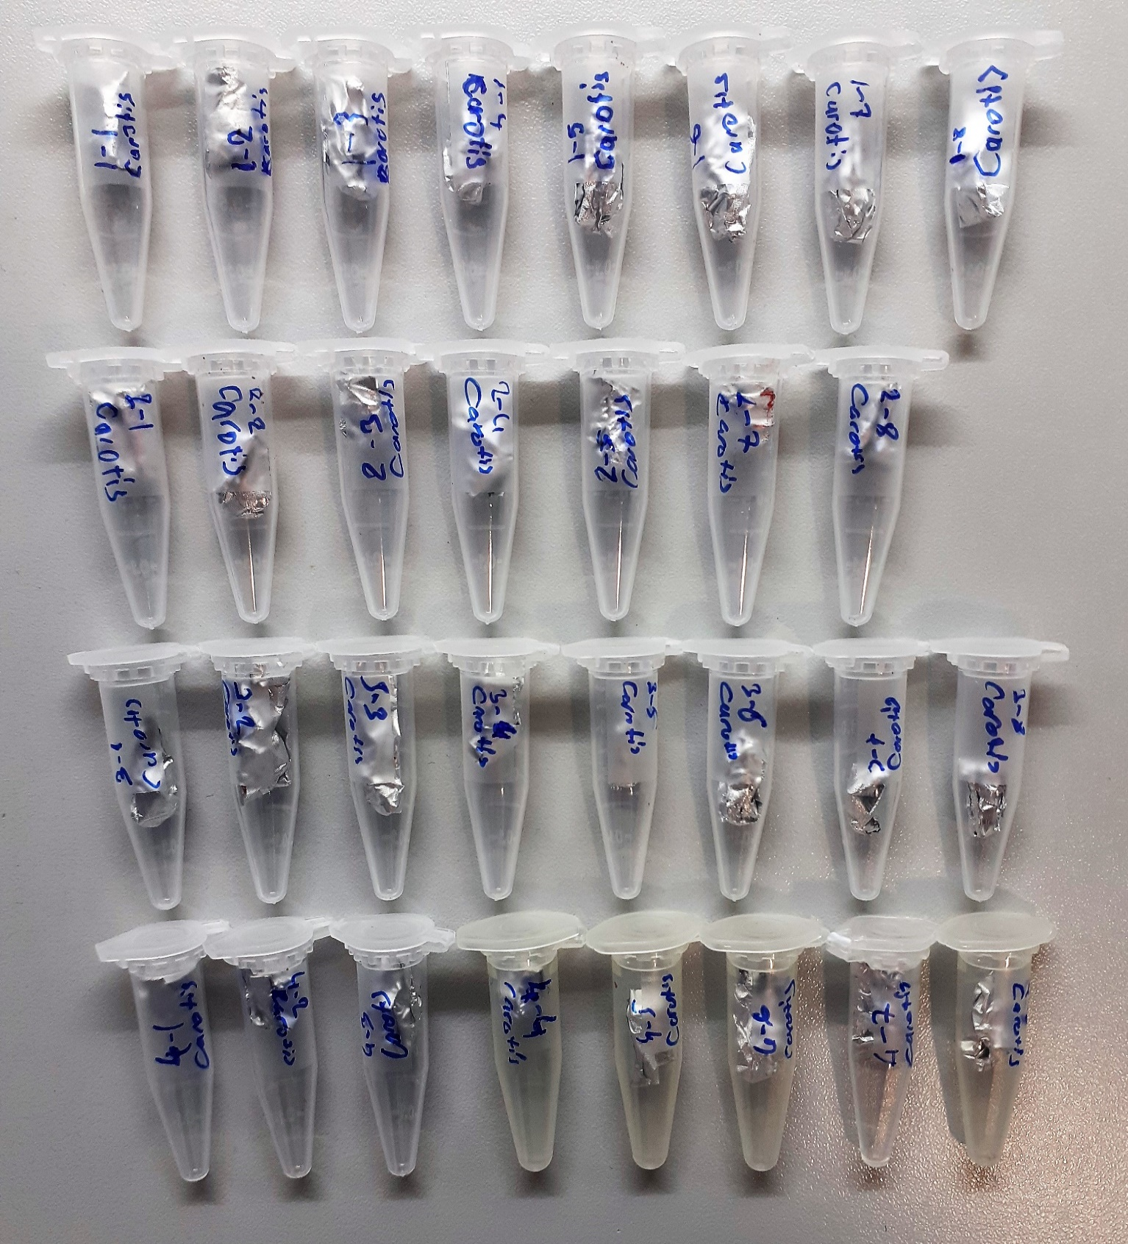
Carotis(3-6) | 0.98 | 27.1 | 2.765 | 12.4
Carotis(3-7) | 1.72 | 31.7 | 1.843 | 19.7
Carotis(3-8) | 1.64 | 52.8 | 3.220 | 18.62
Carotis(4-1) | 1.23 | 86.6 | 7.041 | 32.1
Carotis(4-2) | 1.95 | 62.5 | 3.205 | 25.8
Carotis(4-3) | 1.98 | 52.8 | 2.667 | 19.1
Carotis(4-4) | 1.26 | 76.7 | 6.087 | 16.8
Carotis(4-5) | 1.15 | 37.6 | 3.270 | 16.2
Carotis(4-6) | 1.03 | 47.4 | 4.602 | 14.8
Carotis(4-7) | 1.97 | 65.4 | 3.320 | 29.5
Carotis(4-8) | 1.98 | 72.2 | 3.646 | 15.9

Doku homojenizatları çok fazla hemolizli, TOS testi eritrositlerden etkilenmekte ve değer yukarı çıkmaktadır.

