Materyal-metod
KİT ADI | TÜR | MARKA | CAT. NO | Yöntem | Kullanılan Cihaz
Çinko | Universal | REL ASSAY | RL0901 | Kolorimetrik | MINDRAY-BS400
Bakır | Universal | REL ASSAY | RL0918 | Kolorimetrik | MINDRAY-BS400
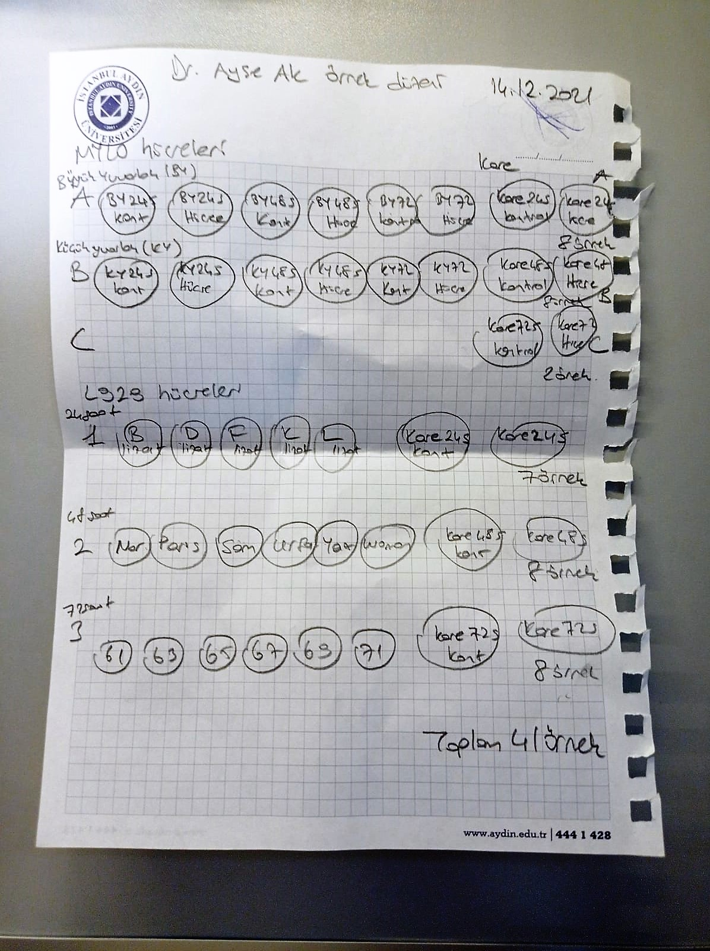
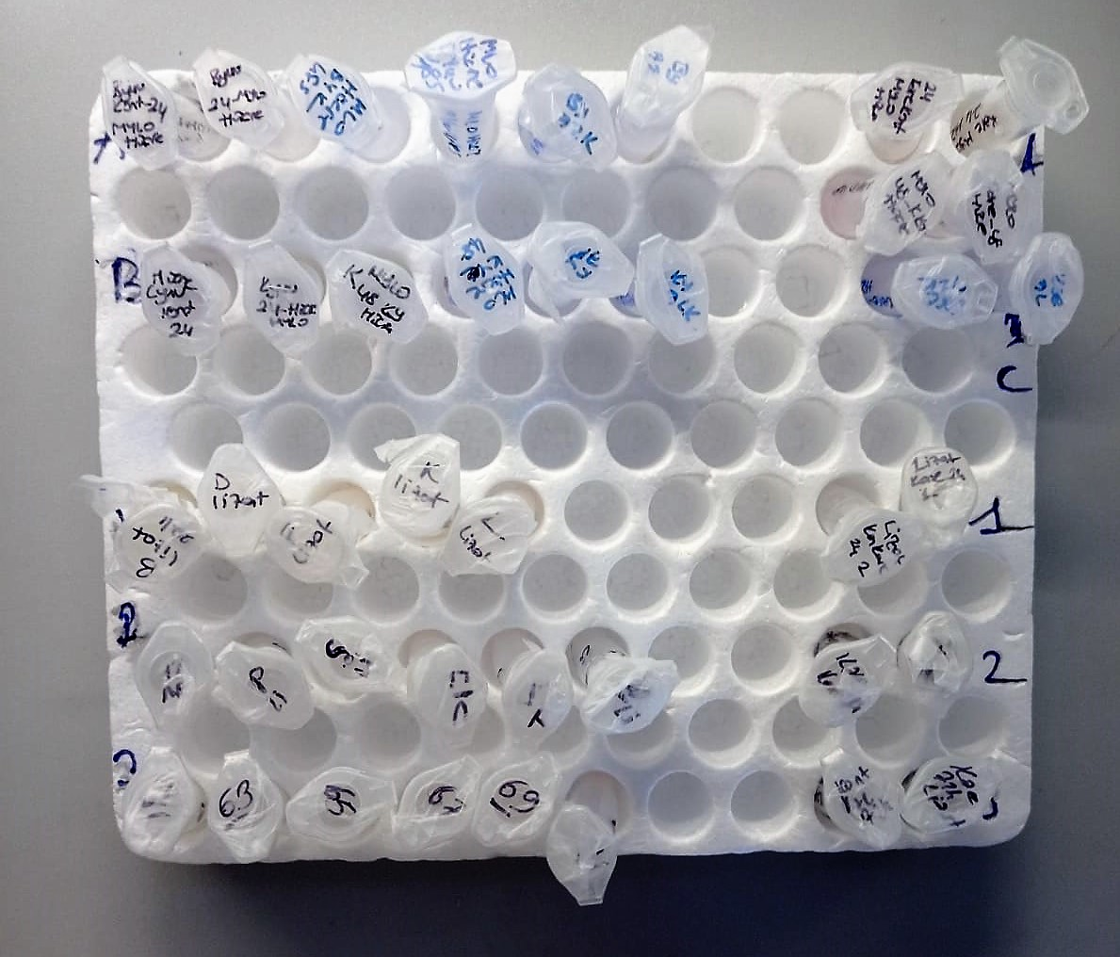

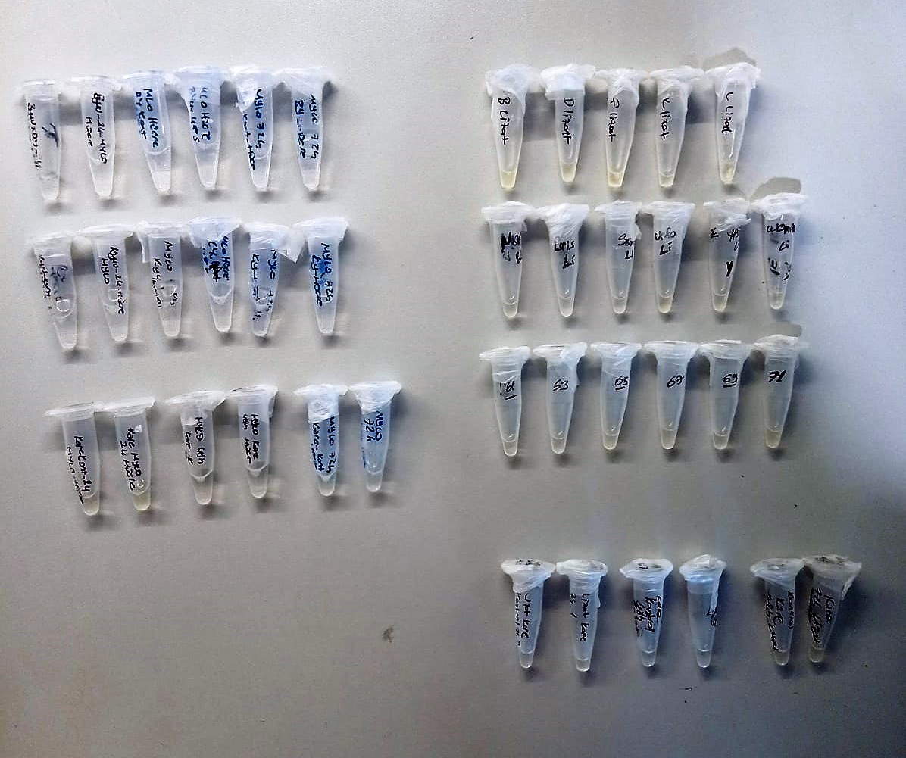

Zinc (ZN) μg/dl
Zinc found in the samples change the red-orange color of 5-Br-PAPS to light pink under alkaline conditions.
The change of absorbance at 548 nm is proportional to total zinc level in the sample.
The assay can be calibrated with zinc sulfate dissolved in deionized water.
(Relassay, Turkey)

Copper (CU) μg/dl
Copper found in the samples change the red-orange color of DiBr-PAESA to violet under acidic conditions.
The change of absorbance at 572 nm is proportional to total copper concentration in the sample.
The assay can be calibrated with copper sulfate dissolved in deionized water.
(Relassay, Turkey)

