S100B
1.359 | 0.292 | 0.261 | 0.582 | 0.378 | 0.404
0.734 | 0.273 | 0.236 | 0.342 | 0.301 | 0.332
0.385 | 0.275 | 0.278 | 0.54 | 0.471 | 0.587
0.233 | 0.325 | 0.242 | 0.352 | 0.42 | 0.481
0.161 | 0.59 | 0.268 | 0.446 | 0.524 | 0.754
0.08 | 0.366 | 0.227 | 0.416 | 0.328 | 0.262
0.292 | 0.273 | 0.221 | 0.528 | 0.713 | 0.297
0.264 | 0.253 | 0.282 | 0.323 | 0.229 | 0.386

S100B

 | abs | abs-blank | expected | result
std1 | 1.359 | 1.279 | 640 | 638.95
std2 | 0.734 | 0.654 | 320 | 325.72
std3 | 0.385 | 0.305 | 160 | 152.69
std4 | 0.233 | 0.153 | 80 | 77.75
std5 | 0.161 | 0.081 | 40 | 42.34
blank | 0.08 | 0 | 0 | 2.57

 |  |  |  |  |  | concentration (ng/L)

Numune | absorbans | blank | abs-blank | result(ng/L)
13-KAN | 0.292 | 0.08 | 0.212 | 106.80
16-KAN | 0.264 | 0.08 | 0.184 | 93.01
17-KAN | 0.292 | 0.08 | 0.212 | 106.80
31-KAN | 0.273 | 0.08 | 0.193 | 97.44
32-KAN | 0.275 | 0.08 | 0.195 | 98.43
34-KAN | 0.325 | 0.08 | 0.245 | 123.07
38-KAN | 0.59 | 0.08 | 0.51 | 254.16
42-KAN | 0.366 | 0.08 | 0.286 | 143.30
46-KAN | 0.273 | 0.08 | 0.193 | 97.44
47-KAN | 0.253 | 0.08 | 0.173 | 87.59
49-KAN | 0.261 | 0.08 | 0.181 | 91.53
54-KAN | 0.236 | 0.08 | 0.156 | 79.22
57-KAN | 0.278 | 0.08 | 0.198 | 99.91
60-KAN | 0.242 | 0.08 | 0.162 | 82.18
63-KAN | 0.268 | 0.08 | 0.188 | 94.98
66-KAN | 0.227 | 0.08 | 0.147 | 74.79
18-LENF | 0.221 | 0.08 | 0.141 | 71.84
19-BEYİN | 0.282 | 0.08 | 0.202 | 101.88
21-LENF | 0.582 | 0.08 | 0.502 | 250.19
25-BEYİN | 0.342 | 0.08 | 0.262 | 131.46
27-LENF | 0.54 | 0.08 | 0.46 | 229.37
28-BEYİN | 0.352 | 0.08 | 0.272 | 136.39
29-LENF | 0.446 | 0.08 | 0.366 | 182.83
30-BEYİN | 0.416 | 0.08 | 0.336 | 168.00
35-LENF | 0.528 | 0.08 | 0.448 | 223.42
36-BEYİN | 0.323 | 0.08 | 0.243 | 122.09
39-BEYİN | 0.378 | 0.08 | 0.298 | 149.23
43-BEYİN | 0.301 | 0.08 | 0.221 | 111.24
44-LENF | 0.471 | 0.08 | 0.391 | 195.20
50-BEYİN | 0.42 | 0.08 | 0.34 | 169.98
51-LENF | 0.524 | 0.08 | 0.444 | 221.44
52-BEYİN | 0.328 | 0.08 | 0.248 | 124.55
55-LENF | 0.713 | 0.08 | 0.633 | 315.27
56-BEYİN | 0.229 | 0.08 | 0.149 | 75.78
58-LENF | 0.404 | 0.08 | 0.324 | 162.07
59-BEYİN | 0.332 | 0.08 | 0.252 | 126.53
61-LENF | 0.587 | 0.08 | 0.507 | 252.67
62-BEYİN | 0.481 | 0.08 | 0.401 | 200.15
64-LENF | 0.754 | 0.08 | 0.674 | 335.67
65-BEYİN | 0.262 | 0.08 | 0.182 | 92.02
67-LENF | 0.297 | 0.08 | 0.217 | 109.27
68-BEYİN | 0.386 | 0.08 | 0.306 | 153.18

NSE
1.85 | 0.307 | 0.167 | 0.61 | 0.329 | 0.371
1.019 | 0.391 | 0.256 | 0.424 | 0.363 | 0.219
0.565 | 0.31 | 0.301 | 0.649 | 0.543 | 0.455
0.319 | 0.285 | 0.242 | 0.406 | 0.39 | 0.375
0.241 | 0.667 | 0.254 | 0.45 | 0.508 | 0.893
0.078 | 0.424 | 0.255 | 0.475 | 0.335 | 0.248
0.524 | 0.357 | 0.287 | 0.859 | 0.814 | 0.23
0.48 | 0.538 | 0.274 | 0.44 | 0.368 | 0.477

NSE

 | abs | abs-blank | expected | result
std1 | 1.85 | 1.772 | 20 | 20.00
std2 | 1.019 | 0.941 | 10 | 10.00
std3 | 0.565 | 0.487 | 5 | 4.96
std4 | 0.319 | 0.241 | 2.5 | 2.35
std5 | 0.241 | 0.163 | 1.25 | 1.55
blank | 0.078 | 0 | 0 | -0.11

 |  |  |  |  |  | concentration (ng/ml)

Numune | absorbans | blank | abs-blank | result(ng/ml)
13-KAN | 0.524 | 0.078 | 0.446 | 4.52
16-KAN | 0.48 | 0.078 | 0.402 | 4.05
17-KAN | 0.307 | 0.078 | 0.229 | 2.23
31-KAN | 0.391 | 0.078 | 0.313 | 3.11
32-KAN | 0.31 | 0.078 | 0.232 | 2.26
34-KAN | 0.285 | 0.078 | 0.207 | 2.00
38-KAN | 0.667 | 0.078 | 0.589 | 6.07
42-KAN | 0.424 | 0.078 | 0.346 | 3.46
46-KAN | 0.357 | 0.078 | 0.279 | 2.75
47-KAN | 0.538 | 0.078 | 0.46 | 4.67
49-KAN | 0.167 | 0.078 | 0.089 | 0.79
54-KAN | 0.256 | 0.078 | 0.178 | 1.70
57-KAN | 0.301 | 0.078 | 0.223 | 2.17
60-KAN | 0.242 | 0.078 | 0.164 | 1.56
63-KAN | 0.254 | 0.078 | 0.176 | 1.68
66-KAN | 0.255 | 0.078 | 0.177 | 1.69
18-LENF | 0.287 | 0.078 | 0.209 | 2.02
19-BEYİN | 0.274 | 0.078 | 0.196 | 1.89
21-LENF | 0.61 | 0.078 | 0.532 | 5.45
25-BEYİN | 0.424 | 0.078 | 0.346 | 3.46
27-LENF | 0.649 | 0.078 | 0.571 | 5.87
28-BEYİN | 0.406 | 0.078 | 0.328 | 3.27
29-LENF | 0.45 | 0.078 | 0.372 | 3.73
30-BEYİN | 0.475 | 0.078 | 0.397 | 4.00
35-LENF | 0.859 | 0.078 | 0.781 | 8.19
36-BEYİN | 0.44 | 0.078 | 0.362 | 3.62
39-BEYİN | 0.329 | 0.078 | 0.251 | 2.46
43-BEYİN | 0.363 | 0.078 | 0.285 | 2.81
44-LENF | 0.543 | 0.078 | 0.465 | 4.72
50-BEYİN | 0.39 | 0.078 | 0.312 | 3.10
51-LENF | 0.508 | 0.078 | 0.43 | 4.35
52-BEYİN | 0.335 | 0.078 | 0.257 | 2.52
55-LENF | 0.814 | 0.078 | 0.736 | 7.69
56-BEYİN | 0.368 | 0.078 | 0.29 | 2.87
58-LENF | 0.371 | 0.078 | 0.293 | 2.90
59-BEYİN | 0.219 | 0.078 | 0.141 | 1.32
61-LENF | 0.455 | 0.078 | 0.377 | 3.78
62-BEYİN | 0.375 | 0.078 | 0.297 | 2.94
64-LENF | 0.893 | 0.078 | 0.815 | 8.57
65-BEYİN | 0.248 | 0.078 | 0.17 | 1.62
67-LENF | 0.23 | 0.078 | 0.152 | 1.43
68-BEYİN | 0.477 | 0.078 | 0.399 | 4.02

Materyal-metod
KİT ADI | TÜR | MARKA | Numune Türü | CAT. NO | Yöntem | Kullanılan Cihaz
S100 calcium binding protein B | Rabbit | BT-lab | Serum-Doku | E0247Rb | ELİSA | Mıcroplate reader: BIO-TEK EL X 800-Aotu strıp washer:BIO TEK EL X 50
Neuron-specific enolase | Rabbit | BT-lab | Serum-Doku | E0130Rb | ELİSA | Mıcroplate reader: BIO-TEK EL X 800-Aotu strıp washer:BIO TEK EL X 50
NOT: Dokular 1/9 oranında( 0,1 gr doku: 0,9ml 140 mmol. lık KCl) Potasyum Klorür tamponu ile homojenize edildikten sonra 7000 rpm + 4' de 5 dk santrifüj edildi.

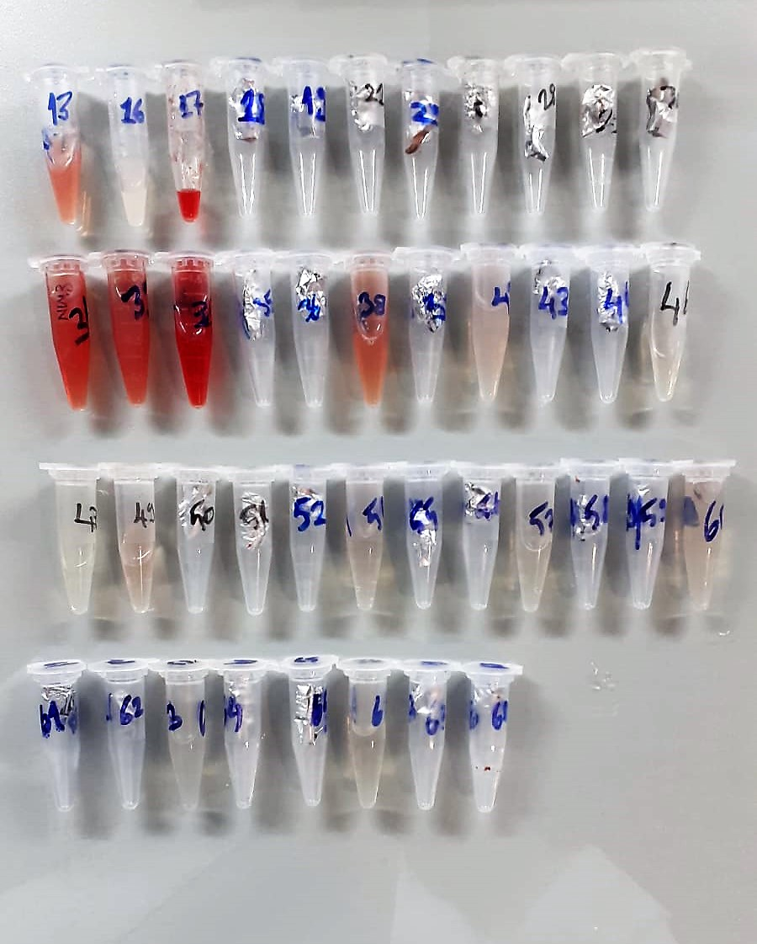

S100B Assay Principle
This ELISA kit uses the Sandwich-ELISA principle. The micro ELISA plate provided in this kit has been pre-coated with an antibody specific to Rabbit S100B.
Samples (or Standards) are added to the micro ELISA plate wells and combined with the specific antibody.
Then a biotinylated detection antibody specific for Rabbit S100B and Avidin-Horseradish Peroxidase (HRP) conjugate are added successively to each micro plate well and incubated. Free components are washed away. The substrate solution is added to each well.
Only those wells that contain Rabbit S100B, biotinylated detection antibody and Avidin-HRP conjugate will appear blue in color. The enzyme-substrate reaction is terminated by the addition of stop solution and the color turns yellow.
The optical density (OD) is measured spectrophotometrically at a wavelength of 450 nm ± 2 nm. The OD value is proportional to the concentration of Rabbit S100B.
You can calculate the concentration of Rabbit S100B in the samples by comparing the OD of the samples to the standard curve.

NSE Assay Principle
This ELISA kit uses the Sandwich-ELISA principle. The micro ELISA plate provided in this kit has been pre-coated with an antibody specific to Rabbit NSE.
Samples (or Standards) are added to the micro ELISA plate wells and combined with the specific antibody.
Then a biotinylated detection antibody specific for Rabbit NSE and Avidin-Horseradish Peroxidase (HRP) conjugate are added successively to each micro plate well and incubated. Free components are washed away. The substrate solution is added to each well.
Only those wells that contain Rabbit NSE, biotinylated detection antibody and Avidin-HRP conjugate will appear blue in color. The enzyme-substrate reaction is terminated by the addition of stop solution and the color turns yellow.
The optical density (OD) is measured spectrophotometrically at a wavelength of 450 nm ± 2 nm. The OD value is proportional to the concentration of Rabbit NSE.
You can calculate the concentration of Rabbit NSE in the samples by comparing the OD of the samples to the standard curve.

