KİM-1
2.43 | 0.656 | 0.781 | 0.674 | 0.664
1.626 | 0.689 | 0.64 | 0.635 | 0.661
0.862 | 0.669 | 0.61 | 0.683 | 0.779
0.513 | 0.663 | 0.658 | 0.666 | 0.787
0.341 | 0.732 | 0.702 | 0.663 | 0.762
0.111 | 0.581 | 0.863 | 0.836 | 0.684
 | 0.726 | 0.721 | 0.755 | 0.835
 | 0.577 | 0.678 | 0.684 | 0.718
Kidney Injury Molecule 1

 | abs | abs-blank | expected | result
std1 | 2.43 | 2.319 | 6.4 | 6.32
std2 | 1.626 | 1.515 | 3.2 | 3.43
std3 | 0.862 | 0.751 | 1.6 | 1.41
std4 | 0.513 | 0.402 | 0.8 | 0.71
std5 | 0.341 | 0.23 | 0.4 | 0.43
blank | 0.111 | 0 | 0 | 0.10

 |  |  |  |  | concentratıon (ng/ml)

Numune | absorbans | blank | abs-blank | sonuç(ng/ml)
Kontrol-1 | 0.656 | 0.111 | 0.545 | 0.98
Kontrol-2 | 0.689 | 0.111 | 0.578 | 1.04
Kontrol-3 | 0.669 | 0.111 | 0.558 | 1.00
Kontrol-4 | 0.663 | 0.111 | 0.552 | 0.99
Kontrol-5 | 0.732 | 0.111 | 0.621 | 1.13
Kontrol-6 | 0.581 | 0.111 | 0.47 | 0.84
Kontrol-7 | 0.726 | 0.111 | 0.615 | 1.12
Kontrol-8 | 0.577 | 0.111 | 0.466 | 0.83
KİT-1 | 0.781 | 0.111 | 0.67 | 1.23
KİT-2 | 0.64 | 0.111 | 0.529 | 0.95
KİT-3 | 0.61 | 0.111 | 0.499 | 0.89
KİT-4 | 0.658 | 0.111 | 0.547 | 0.98
KİT-5 | 0.702 | 0.111 | 0.591 | 1.07
KİT-6 | 0.863 | 0.111 | 0.752 | 1.41
KİT-7 | 0.721 | 0.111 | 0.61 | 1.11
KİT-8 | 0.678 | 0.111 | 0.567 | 1.02
ARS-1 | 0.674 | 0.111 | 0.563 | 1.01
ARS-2 | 0.635 | 0.111 | 0.524 | 0.94
ARS-3 | 0.683 | 0.111 | 0.572 | 1.03
ARS-4 | 0.666 | 0.111 | 0.555 | 1.00
ARS-5 | 0.663 | 0.111 | 0.552 | 0.99
ARS-6 | 0.836 | 0.111 | 0.725 | 1.35
ARS-7 | 0.755 | 0.111 | 0.644 | 1.18
ARS-8 | 0.684 | 0.111 | 0.573 | 1.03
ARS.KİT.-1 | 0.664 | 0.111 | 0.553 | 1.00
ARS.KİT.-2 | 0.661 | 0.111 | 0.55 | 0.99
ARS.KİT.-3 | 0.779 | 0.111 | 0.668 | 1.23
ARS.KİT.-4 | 0.787 | 0.111 | 0.676 | 1.24
ARS.KİT.-5 | 0.762 | 0.111 | 0.651 | 1.19
ARS.KİT.-6 | 0.684 | 0.111 | 0.573 | 1.03
ARS.KİT.-7 | 0.835 | 0.111 | 0.724 | 1.35
ARS.KİT.-8 | 0.718 | 0.111 | 0.607 | 1.10

CYSTATİN-C
2.837 | 0.664 | 0.722 | 0.635 | 0.861
2.006 | 0.612 | 0.575 | 0.592 | 0.808
1.412 | 0.597 | 0.363 | 0.719 | 0.876
1.122 | 0.6 | 0.69 | 0.799 | 0.821
0.712 | 0.735 | 0.655 | 0.68 | 0.885
0.503 | 0.748 | 0.68 | 0.776 | 0.976
0.057 | 0.761 | 0.611 | 0.892 | 0.998
Cystatin C
0.057 | 0.767 | 0.55 | 0.819 | 0.994

 | abs | abs-blank | expected | result
std1 | 2.837 | 2.78 | 128 | 128.33
std2 | 2.006 | 1.949 | 64 | 63.20
std3 | 1.412 | 1.355 | 32 | 30.65
std4 | 1.122 | 1.065 | 16 | 19.00
std5 | 0.712 | 0.655 | 8 | 7.28
std6 | 0.503 | 0.446 | 4 | 3.45
blank | 0.057 | 0 | 0 | 0.10

 |  |  |  |  | concentratıon (ng/ml)

Numune | absorbans | blank | abs-blank | sonuç(ng/ml)
Kontrol-1 | 0.664 | 0.057 | 0.607 | 6.27
Kontrol-2 | 0.612 | 0.057 | 0.555 | 5.26
Kontrol-3 | 0.597 | 0.057 | 0.54 | 4.99
Kontrol-4 | 0.6 | 0.057 | 0.543 | 5.05
Kontrol-5 | 0.735 | 0.057 | 0.678 | 7.79
Kontrol-6 | 0.748 | 0.057 | 0.691 | 8.09
Kontrol-7 | 0.761 | 0.057 | 0.704 | 8.39
Kontrol-8 | 0.767 | 0.057 | 0.71 | 8.53
KİT-1 | 0.722 | 0.057 | 0.665 | 7.50
KİT-2 | 0.575 | 0.057 | 0.518 | 4.60
KİT-3 | 0.363 | 0.057 | 0.306 | 1.68
KİT-4 | 0.69 | 0.057 | 0.633 | 6.81
KİT-5 | 0.655 | 0.057 | 0.598 | 6.09
KİT-6 | 0.68 | 0.057 | 0.623 | 6.60
KİT-7 | 0.611 | 0.057 | 0.554 | 5.25
KİT-8 | 0.55 | 0.057 | 0.493 | 4.18
ARS-1 | 0.635 | 0.057 | 0.578 | 5.70
ARS-2 | 0.592 | 0.057 | 0.535 | 4.90
ARS-3 | 0.719 | 0.057 | 0.662 | 7.43
ARS-4 | 0.799 | 0.057 | 0.742 | 9.30
ARS-5 | 0.68 | 0.057 | 0.623 | 6.60
ARS-6 | 0.776 | 0.057 | 0.719 | 8.74
ARS-7 | 0.892 | 0.057 | 0.835 | 11.74
ARS-8 | 0.819 | 0.057 | 0.762 | 9.80
ARS.KİT.-1 | 0.861 | 0.057 | 0.804 | 10.90
ARS.KİT.-2 | 0.808 | 0.057 | 0.751 | 9.53
ARS.KİT.-3 | 0.876 | 0.057 | 0.819 | 11.30
ARS.KİT.-4 | 0.821 | 0.057 | 0.764 | 9.85
ARS.KİT.-5 | 0.885 | 0.057 | 0.828 | 11.55
ARS.KİT.-6 | 0.976 | 0.057 | 0.919 | 14.19
ARS.KİT.-7 | 0.998 | 0.057 | 0.941 | 14.87
ARS.KİT.-8 | 0.994 | 0.057 | 0.937 | 14.74

NGAL
2.436 | 0.2 | 0.239 | 0.307 | 0.228
1.119 | 0.177 | 0.175 | 0.223 | 0.208
0.666 | 0.159 | 0.124 | 0.174 | 0.253
0.305 | 0.133 | 0.122 | 0.156 | 0.237
0.185 | 0.175 | 0.13 | 0.157 | 0.138
0.14 | 0.204 | 0.196 | 0.224 | 0.18
NGAL
0.058 | 0.283 | 0.235 | 0.264 | 0.198
0.056 | 0.315 | 0.323 | 0.321 | 0.257

 | abs | abs-blank | expected | result
std1 | 2.436 | 2.379 | 96 | 96.19
std2 | 1.119 | 1.062 | 48 | 46.12
std3 | 0.666 | 0.609 | 24 | 26.97
std4 | 0.305 | 0.248 | 12 | 11.00
std5 | 0.185 | 0.128 | 6 | 5.56
std6 | 0.14 | 0.083 | 3 | 3.50
blank | 0.057 | 0 | 0 | -0.33
 |  |  |  |  | concentratıon (ng/ml)

Numune | absorbans | blank | abs-blank | sonuç(ng/ml)
Kontrol-1 | 0.2 | 0.057 | 0.143 | 6.24
Kontrol-2 | 0.177 | 0.057 | 0.12 | 5.19
Kontrol-3 | 0.159 | 0.057 | 0.102 | 4.37
Kontrol-4 | 0.133 | 0.057 | 0.076 | 3.18
Kontrol-5 | 0.175 | 0.057 | 0.118 | 5.10
Kontrol-6 | 0.204 | 0.057 | 0.147 | 6.42
Kontrol-7 | 0.283 | 0.057 | 0.226 | 10.01
Kontrol-8 | 0.315 | 0.057 | 0.258 | 11.45
KİT-1 | 0.239 | 0.057 | 0.182 | 8.02
KİT-2 | 0.175 | 0.057 | 0.118 | 5.10
KİT-3 | 0.124 | 0.057 | 0.067 | 2.76
KİT-4 | 0.122 | 0.057 | 0.065 | 2.67
KİT-5 | 0.13 | 0.057 | 0.073 | 3.04
KİT-6 | 0.196 | 0.057 | 0.139 | 6.06
KİT-7 | 0.235 | 0.057 | 0.178 | 7.83
KİT-8 | 0.323 | 0.057 | 0.266 | 11.81
ARS-1 | 0.307 | 0.057 | 0.25 | 11.09
ARS-2 | 0.223 | 0.057 | 0.166 | 7.29
ARS-3 | 0.174 | 0.057 | 0.117 | 5.05
ARS-4 | 0.156 | 0.057 | 0.099 | 4.23
ARS-5 | 0.157 | 0.057 | 0.1 | 4.28
ARS-6 | 0.224 | 0.057 | 0.167 | 7.33
ARS-7 | 0.264 | 0.057 | 0.207 | 9.15
ARS-8 | 0.321 | 0.057 | 0.264 | 11.72
ARS.KİT.-1 | 0.228 | 0.057 | 0.171 | 7.52
ARS.KİT.-2 | 0.208 | 0.057 | 0.151 | 6.61
ARS.KİT.-3 | 0.253 | 0.057 | 0.196 | 8.65
ARS.KİT.-4 | 0.237 | 0.057 | 0.18 | 7.92
ARS.KİT.-5 | 0.138 | 0.057 | 0.081 | 3.40
ARS.KİT.-6 | 0.18 | 0.057 | 0.123 | 5.33
ARS.KİT.-7 | 0.198 | 0.057 | 0.141 | 6.15
ARS.KİT.-8 | 0.257 | 0.057 | 0.2 | 8.83

Materyal-metod
KİT ADI | TÜR | MARKA | LOT | CAT. NO | Yöntem | Kullanılan Cihaz
Kidney Injury Molecule 1 | Rat | BT | 202104007 | E0549Ra | ELİSA | Mıcroplate reader: BIO-TEK EL X 800-Aotu strıp washer:BIO TEK EL X 50
CYSTATİN C | Rat | BT | 202104007 | E0145Ra | ELİSA | Mıcroplate reader: BIO-TEK EL X 800-Aotu strıp washer:BIO TEK EL X 50
Neutrophil Gelatinase-associated Lipocalin | Rat | BT | 202104007 | E0762Ra | ELİSA | Mıcroplate reader: BIO-TEK EL X 800-Aotu strıp washer:BIO TEK EL X 50

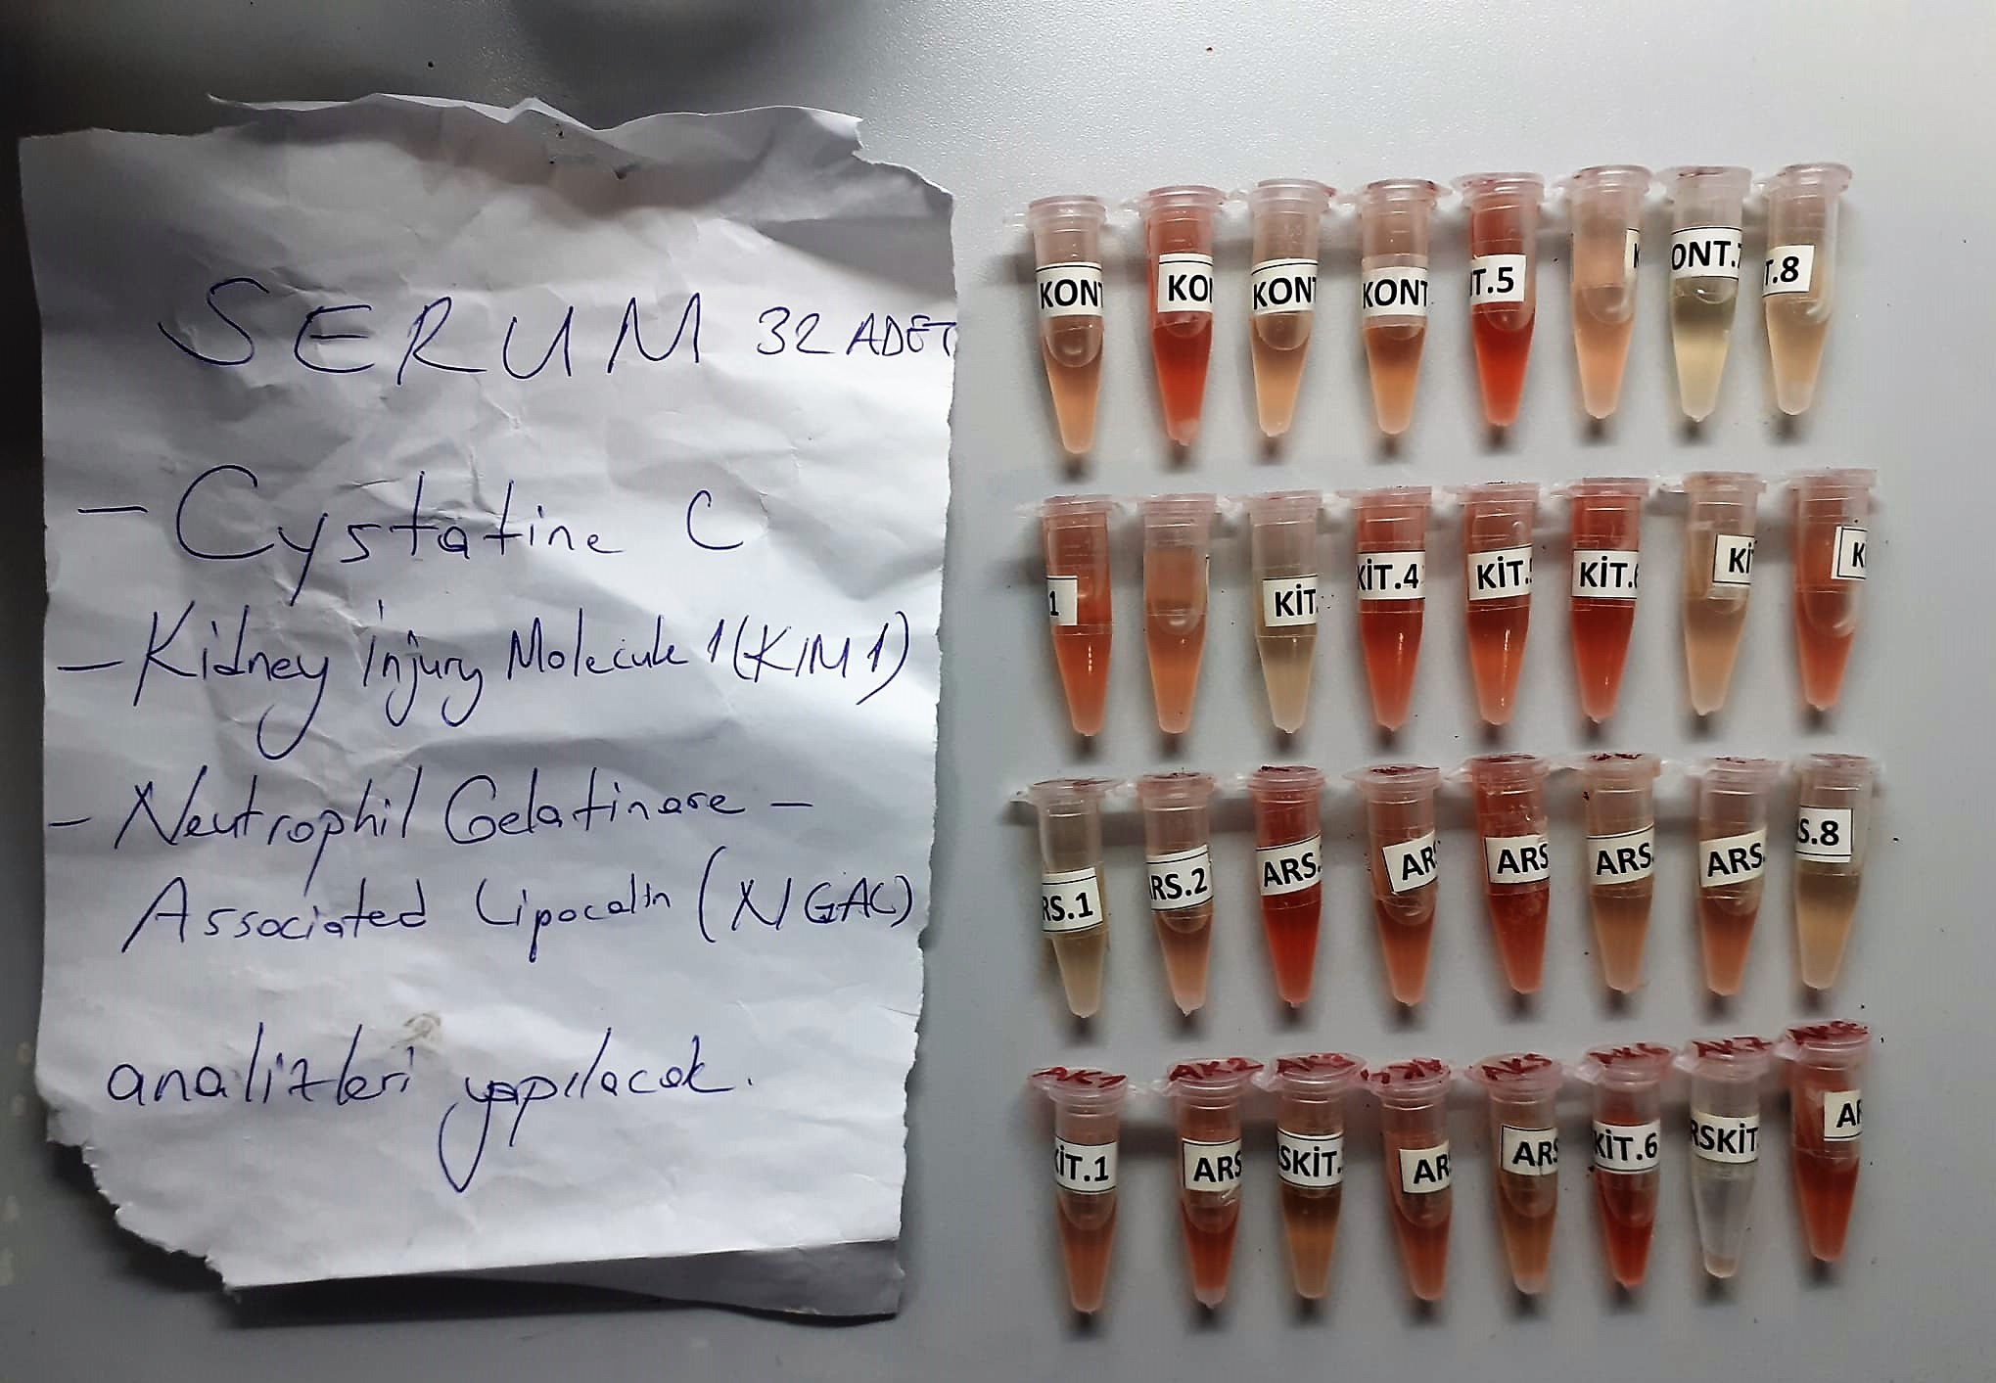

Rat Kidney Injury Molecule 1 Assay Principle
This kit is an Enzyme-Linked Immunosorbent Assay (ELISA). The plate has been pre-coated with Rat KİM-1 antibody. KİM-1 present in the sample is added and binds to antibodies coated on the wells.
And then biotinylated Rat KİM-1 Antibody is added and binds to KİM-1 in the sample. Then Streptavidin-HRP is added and binds to the Biotinylated KİM-1 antibody.
After incubation unbound Streptavidin-HRP is washed away during a washing step. Substrate solution is then added and color develops in proportion to the amount of Rat KİM-1.
The reaction is terminated by addition of acidic stop solution and absorbance is measured at 450 nm.

Rat Cystatin C Assay Principle
This kit is an Enzyme-Linked Immunosorbent Assay (ELISA). The plate has been pre-coated with Rat Cys-C antibody. Cys-C present in the sample is added and binds to antibodies coated on the wells.
And then biotinylated Rat Cys-C Antibody is added and binds to Cys-C in the sample. Then Streptavidin-HRP is added and binds to the Biotinylated Cys-C antibody.
After incubation unbound Streptavidin-HRP is washed away during a washing step. Substrate solution is then added and color develops in proportion to the amount of Rat Cys-C .
The reaction is terminated by addition of acidic stop solution and absorbance is measured at 450 nm.

Rat Neutrophil Gelatinase-associated Lipocalin Assay Principle
This kit is an Enzyme-Linked Immunosorbent Assay (ELISA). The plate has been pre-coated with Rat NGAL antibody. NGAL present in the sample is added and binds to antibodies coated on the wells.
And then biotinylated Rat NGAL Antibody is added and binds to NGAL in the sample. Then Streptavidin-HRP is added and binds to the Biotinylated NGAL antibody.
After incubation unbound Streptavidin-HRP is washed away during a washing step. Substrate solution is then added and color develops in proportion to the amount of Rat NGAL .
The reaction is terminated by addition of acidic stop solution and absorbance is measured at 450 nm.

