Prolactin
1.906 | 0.333 | 0.32 | 0.309 | 0.283 | 0.345 | 0.349 | 0.493 | 0.508 | 0.378 | 0.412 | 0.336
1.147 | 0.401 | 0.348 | 0.297 | 0.322 | 0.341 | 0.327 | 0.378 | 0.465 | 0.319 | 0.37 | 0.371
0.631 | 0.743 | 0.372 | 0.336 | 0.341 | 0.34 | 0.325 | 0.293 | 0.404 | 0.403 | 0.338 | 0.38
0.386 | 0.492 | 0.361 | 0.469 | 0.392 | 0.414 | 0.419 | 0.512 | 0.282 | 0.378 | 0.707 | 0.391
0.243 | 0.38 | 0.393 | 0.339 | 0.389 | 0.375 | 0.401 | 0.43 | 0.53 | 0.406 | 0.385 | 0.351
0.063 | 0.405 | 0.406 | 0.582 | 0.351 | 0.416 | 0.364 | 0.438 | 0.327 | 0.404 | 0.371 | 0.364
0.674 | 0.386 | 0.403 | 0.374 | 0.753 | 0.353 | 0.381 | 0.421 | 0.351 | 0.342 | 0.397 | 0.31
0.456 | 0.233 | 0.363 | 0.279 | 0.282 | 0.3 | 0.359 | 0.332 | 0.245 | 0.279 | 0.236 | 0.243

PRL

 | abs | abs-blank | expected | result
std1 | 1.906 | 1.843 | 640 | 638.94
std2 | 1.147 | 1.084 | 320 | 325.03
std3 | 0.631 | 0.568 | 160 | 152.00
std4 | 0.386 | 0.323 | 80 | 81.29
std5 | 0.243 | 0.18 | 40 | 43.42
blank | 0.063 | 0 | 0 | -0.68

 |  |  |  |  |  |  |  |  | concentration (ng/ml)

Numune | absorbans | blank | abs-blank | result(ng/ml)
K+1 | 0.674 | 0.063 | 0.611 | 165.17
K+2 | 0.456 | 0.063 | 0.393 | 100.74
K+4 | 0.333 | 0.063 | 0.27 | 66.96
K+9 | 0.401 | 0.063 | 0.338 | 85.40
K+10 | 0.743 | 0.063 | 0.68 | 186.78
K+11 | 0.492 | 0.063 | 0.429 | 110.98
K+14 | 0.38 | 0.063 | 0.317 | 79.65
K+15 | 0.405 | 0.063 | 0.342 | 86.51
K-12 | 0.386 | 0.063 | 0.323 | 81.29
K-1 | 0.233 | 0.063 | 0.17 | 40.86
K-2 | 0.32 | 0.063 | 0.257 | 63.50
K-4 | 0.348 | 0.063 | 0.285 | 70.98
K-9 | 0.372 | 0.063 | 0.309 | 77.47
K-10 | 0.361 | 0.063 | 0.298 | 74.48
K-11 | 0.393 | 0.063 | 0.33 | 83.20
K-12 | 0.406 | 0.063 | 0.343 | 86.78
K-14 | 0.403 | 0.063 | 0.34 | 85.95
K-15 | 0.363 | 0.063 | 0.3 | 75.02
H-3 | 0.309 | 0.063 | 0.246 | 60.58
H-5 | 0.297 | 0.063 | 0.234 | 57.42
H-6 | 0.336 | 0.063 | 0.273 | 67.76
H-7 | 0.469 | 0.063 | 0.406 | 104.42
H-8 | 0.339 | 0.063 | 0.276 | 68.56
H-10 | 0.582 | 0.063 | 0.519 | 137.27
H-11 | 0.374 | 0.063 | 0.311 | 78.01
H-12 | 0.279 | 0.063 | 0.216 | 52.71
H-14 | 0.283 | 0.063 | 0.22 | 53.76
S-1 | 0.322 | 0.063 | 0.259 | 64.03
S-2 | 0.341 | 0.063 | 0.278 | 69.10
S-3 | 0.392 | 0.063 | 0.329 | 82.93
S-4 | 0.389 | 0.063 | 0.326 | 82.11
S-5 | 0.351 | 0.063 | 0.288 | 71.78
S-6 | 0.753 | 0.063 | 0.69 | 189.96
S-7 | 0.282 | 0.063 | 0.219 | 53.50
S-8 | 0.345 | 0.063 | 0.282 | 70.17
S-14 | 0.341 | 0.063 | 0.278 | 69.10
M-1 | 0.34 | 0.063 | 0.277 | 68.83
M-2 | 0.414 | 0.063 | 0.351 | 88.99
M-4 | 0.375 | 0.063 | 0.312 | 78.28
M-6 | 0.416 | 0.063 | 0.353 | 89.55
M-7 | 0.353 | 0.063 | 0.29 | 72.32
M-8 | 0.3 | 0.063 | 0.237 | 58.21
M-13 | 0.349 | 0.063 | 0.286 | 71.25
M-14 | 0.327 | 0.063 | 0.264 | 65.36
M-16 | 0.325 | 0.063 | 0.262 | 64.82
P-4 | 0.419 | 0.063 | 0.356 | 90.38
P-5 | 0.401 | 0.063 | 0.338 | 85.40
P-6 | 0.364 | 0.063 | 0.301 | 75.30
P-7 | 0.381 | 0.063 | 0.318 | 79.92
P-8 | 0.359 | 0.063 | 0.296 | 73.94
P-9 | 0.493 | 0.063 | 0.43 | 111.26
P-12 | 0.378 | 0.063 | 0.315 | 79.10
P-13 | 0.293 | 0.063 | 0.23 | 56.37
P-14 | 0.512 | 0.063 | 0.449 | 116.73
P+4 | 0.43 | 0.063 | 0.367 | 93.44
P+5 | 0.438 | 0.063 | 0.375 | 95.68
P+6 | 0.421 | 0.063 | 0.358 | 90.94
P+7 | 0.332 | 0.063 | 0.269 | 66.69
P+8 | 0.508 | 0.063 | 0.445 | 115.58
P+9 | 0.465 | 0.063 | 0.402 | 103.28
P+12 | 0.404 | 0.063 | 0.341 | 86.23
P+13 | 0.282 | 0.063 | 0.219 | 53.50
P+14 | 0.53 | 0.063 | 0.467 | 121.95
10+1 | 0.327 | 0.063 | 0.264 | 65.36
10+2 | 0.351 | 0.063 | 0.288 | 71.78
10+4 | 0.245 | 0.063 | 0.182 | 43.93
10+6 | 0.378 | 0.063 | 0.315 | 79.10
10+7 | 0.319 | 0.063 | 0.256 | 63.23
10+8 | 0.403 | 0.063 | 0.34 | 85.95
10+13 | 0.378 | 0.063 | 0.315 | 79.10
10+14 | 0.406 | 0.063 | 0.343 | 86.78
10+16 | 0.404 | 0.063 | 0.341 | 86.23
20+1 | 0.342 | 0.063 | 0.279 | 69.37
20+2 | 0.279 | 0.063 | 0.216 | 52.71
20+3 | 0.412 | 0.063 | 0.349 | 88.44
20+4 | 0.37 | 0.063 | 0.307 | 76.92
20+5 | 0.338 | 0.063 | 0.275 | 68.29
20+6 | 0.707 | 0.063 | 0.644 | 175.43
20+7 | 0.385 | 0.063 | 0.322 | 81.01
20+8 | 0.371 | 0.063 | 0.308 | 77.19
20+14 | 0.397 | 0.063 | 0.334 | 84.30
K+3 | 0.236 | 0.063 | 0.173 | 41.63
40+5 | 0.336 | 0.063 | 0.273 | 67.76
40+6 | 0.371 | 0.063 | 0.308 | 77.19
40+7 | 0.38 | 0.063 | 0.317 | 79.65
40+8 | 0.391 | 0.063 | 0.328 | 82.65
40+10 | 0.351 | 0.063 | 0.288 | 71.78
40+11 | 0.364 | 0.063 | 0.301 | 75.30
40+12 | 0.31 | 0.063 | 0.247 | 60.85
40+14 | 0.243 | 0.063 | 0.18 | 43.42

Melatonin
2.425 | 0.306 | 0.32 | 0.391 | 0.339 | 0.329 | 0.358 | 0.569 | 0.467 | 0.287 | 0.362 | 0.312
1.497 | 0.423 | 0.363 | 0.241 | 0.316 | 0.367 | 0.285 | 0.449 | 0.615 | 0.287 | 0.397 | 0.355
0.922 | 1.073 | 0.399 | 0.253 | 0.377 | 0.261 | 0.307 | 0.284 | 0.452 | 0.364 | 0.281 | 0.289
0.556 | 0.312 | 0.287 | 0.49 | 0.359 | 0.343 | 0.401 | 0.457 | 0.276 | 0.373 | 0.815 | 0.307
0.339 | 0.34 | 0.362 | 0.307 | 0.389 | 0.545 | 0.363 | 0.488 | 0.463 | 0.322 | 0.293 | 0.379
0.119 | 0.368 | 0.357 | 0.721 | 0.317 | 0.346 | 0.301 | 0.364 | 0.289 | 0.282 | 0.309 | 0.349
0.803 | 0.409 | 0.457 | 0.445 | 1.128 | 0.453 | 0.39 | 0.473 | 0.452 | 0.384 | 0.715 | 0.538
0.701 | 0.378 | 0.382 | 0.308 | 0.257 | 0.363 | 0.43 | 0.315 | 0.305 | 0.245 | 0.296 | 0.395

MT

 | abs | abs-blank | expected | result
std1 | 2.425 | 2.306 | 400 | 400.23
std2 | 1.497 | 1.378 | 200 | 198.87
std3 | 0.922 | 0.803 | 100 | 101.42
std4 | 0.556 | 0.437 | 50 | 50.26
std5 | 0.339 | 0.22 | 25 | 23.93
blank | 0.119 | 0 | 0 | 0.28

 |  |  |  |  |  |  |  |  | concentration (ng/L)

Numune | absorbans | blank | abs-blank | result(ng/L)
K+1 | 0.803 | 0.119 | 0.684 | 83.86
K+2 | 0.701 | 0.119 | 0.582 | 69.52
K+4 | 0.306 | 0.119 | 0.187 | 20.19
K+9 | 0.423 | 0.119 | 0.304 | 33.77
K+10 | 1.073 | 0.119 | 0.954 | 124.99
K+11 | 0.312 | 0.119 | 0.193 | 20.87
K+14 | 0.34 | 0.119 | 0.221 | 24.05
K+15 | 0.368 | 0.119 | 0.249 | 27.28
K-12 | 0.409 | 0.119 | 0.29 | 32.10
K-1 | 0.378 | 0.119 | 0.259 | 28.45
K-2 | 0.32 | 0.119 | 0.201 | 21.77
K-4 | 0.363 | 0.119 | 0.244 | 26.70
K-9 | 0.399 | 0.119 | 0.28 | 30.92
K-10 | 0.287 | 0.119 | 0.168 | 18.07
K-11 | 0.362 | 0.119 | 0.243 | 26.58
K-12 | 0.357 | 0.119 | 0.238 | 26.01
K-14 | 0.457 | 0.119 | 0.338 | 37.88
K-15 | 0.382 | 0.119 | 0.263 | 28.92
H-3 | 0.391 | 0.119 | 0.272 | 29.97
H-5 | 0.241 | 0.119 | 0.122 | 13.02
H-6 | 0.253 | 0.119 | 0.134 | 14.32
H-7 | 0.49 | 0.119 | 0.371 | 41.94
H-8 | 0.307 | 0.119 | 0.188 | 20.30
H-10 | 0.721 | 0.119 | 0.602 | 72.28
H-11 | 0.445 | 0.119 | 0.326 | 36.42
H-12 | 0.308 | 0.119 | 0.189 | 20.42
H-14 | 0.339 | 0.119 | 0.22 | 23.93
S-1 | 0.316 | 0.119 | 0.197 | 21.32
S-2 | 0.377 | 0.119 | 0.258 | 28.33
S-3 | 0.359 | 0.119 | 0.24 | 26.24
S-4 | 0.389 | 0.119 | 0.27 | 29.74
S-5 | 0.317 | 0.119 | 0.198 | 21.43
S-6 | 1.128 | 0.119 | 1.009 | 133.93
S-7 | 0.257 | 0.119 | 0.138 | 14.76
S-8 | 0.329 | 0.119 | 0.21 | 22.79
S-14 | 0.367 | 0.119 | 0.248 | 27.16
M-1 | 0.261 | 0.119 | 0.142 | 15.20
M-2 | 0.343 | 0.119 | 0.224 | 24.39
M-4 | 0.545 | 0.119 | 0.426 | 48.86
M-6 | 0.346 | 0.119 | 0.227 | 24.74
M-7 | 0.453 | 0.119 | 0.334 | 37.40
M-8 | 0.363 | 0.119 | 0.244 | 26.70
M-13 | 0.358 | 0.119 | 0.239 | 26.12
M-14 | 0.285 | 0.119 | 0.166 | 17.84
M-16 | 0.307 | 0.119 | 0.188 | 20.30
P-4 | 0.401 | 0.119 | 0.282 | 31.15
P-5 | 0.363 | 0.119 | 0.244 | 26.70
P-6 | 0.301 | 0.119 | 0.182 | 19.63
P-7 | 0.39 | 0.119 | 0.271 | 29.85
P-8 | 0.43 | 0.119 | 0.311 | 34.61
P-9 | 0.569 | 0.119 | 0.45 | 51.94
P-12 | 0.449 | 0.119 | 0.33 | 36.91
P-13 | 0.284 | 0.119 | 0.165 | 17.73
P-14 | 0.457 | 0.119 | 0.338 | 37.88
P+4 | 0.488 | 0.119 | 0.369 | 41.69
P+5 | 0.364 | 0.119 | 0.245 | 26.82
P+6 | 0.473 | 0.119 | 0.354 | 39.84
P+7 | 0.315 | 0.119 | 0.196 | 21.20
P+8 | 0.467 | 0.119 | 0.348 | 39.11
P+9 | 0.615 | 0.119 | 0.496 | 57.94
P+12 | 0.452 | 0.119 | 0.333 | 37.27
P+13 | 0.276 | 0.119 | 0.157 | 16.85
P+14 | 0.463 | 0.119 | 0.344 | 38.62
10+1 | 0.289 | 0.119 | 0.17 | 18.29
10+2 | 0.452 | 0.119 | 0.333 | 37.27
10+4 | 0.305 | 0.119 | 0.186 | 20.08
10+6 | 0.287 | 0.119 | 0.168 | 18.07
10+7 | 0.287 | 0.119 | 0.168 | 18.07
10+8 | 0.364 | 0.119 | 0.245 | 26.82
10+13 | 0.373 | 0.119 | 0.254 | 27.86
10+14 | 0.322 | 0.119 | 0.203 | 22.00
10+16 | 0.282 | 0.119 | 0.163 | 17.51
20+1 | 0.384 | 0.119 | 0.265 | 29.15
20+2 | 0.245 | 0.119 | 0.126 | 13.45
20+3 | 0.362 | 0.119 | 0.243 | 26.58
20+4 | 0.397 | 0.119 | 0.278 | 30.68
20+5 | 0.281 | 0.119 | 0.162 | 17.40
20+6 | 0.815 | 0.119 | 0.696 | 85.59
20+7 | 0.293 | 0.119 | 0.174 | 18.73
20+8 | 0.309 | 0.119 | 0.19 | 20.53
20+14 | 0.715 | 0.119 | 0.596 | 71.45
K+3 | 0.296 | 0.119 | 0.177 | 19.07
40+5 | 0.312 | 0.119 | 0.193 | 20.87
40+6 | 0.355 | 0.119 | 0.236 | 25.77
40+7 | 0.289 | 0.119 | 0.17 | 18.29
40+8 | 0.307 | 0.119 | 0.188 | 20.30
40+10 | 0.379 | 0.119 | 0.26 | 28.56
40+11 | 0.349 | 0.119 | 0.23 | 25.08
40+12 | 0.538 | 0.119 | 0.419 | 47.97
40+14 | 0.395 | 0.119 | 0.276 | 30.44

Materyal-metod
KİT ADI | TÜR | MARKA | Numune Türü | CAT. NO | Yöntem | Kullanılan Cihaz
Melatonin | Sheep | BT-lab | Serum | E0108Sh | ELİSA | Mıcroplate reader: BIO-TEK EL X 800-Aotu strıp washer:BIO TEK EL X 50
Prolactin | Sheep | BT-lab | Serum | E0022Sh | ELİSA | Mıcroplate reader: BIO-TEK EL X 800-Aotu strıp washer:BIO TEK EL X 50

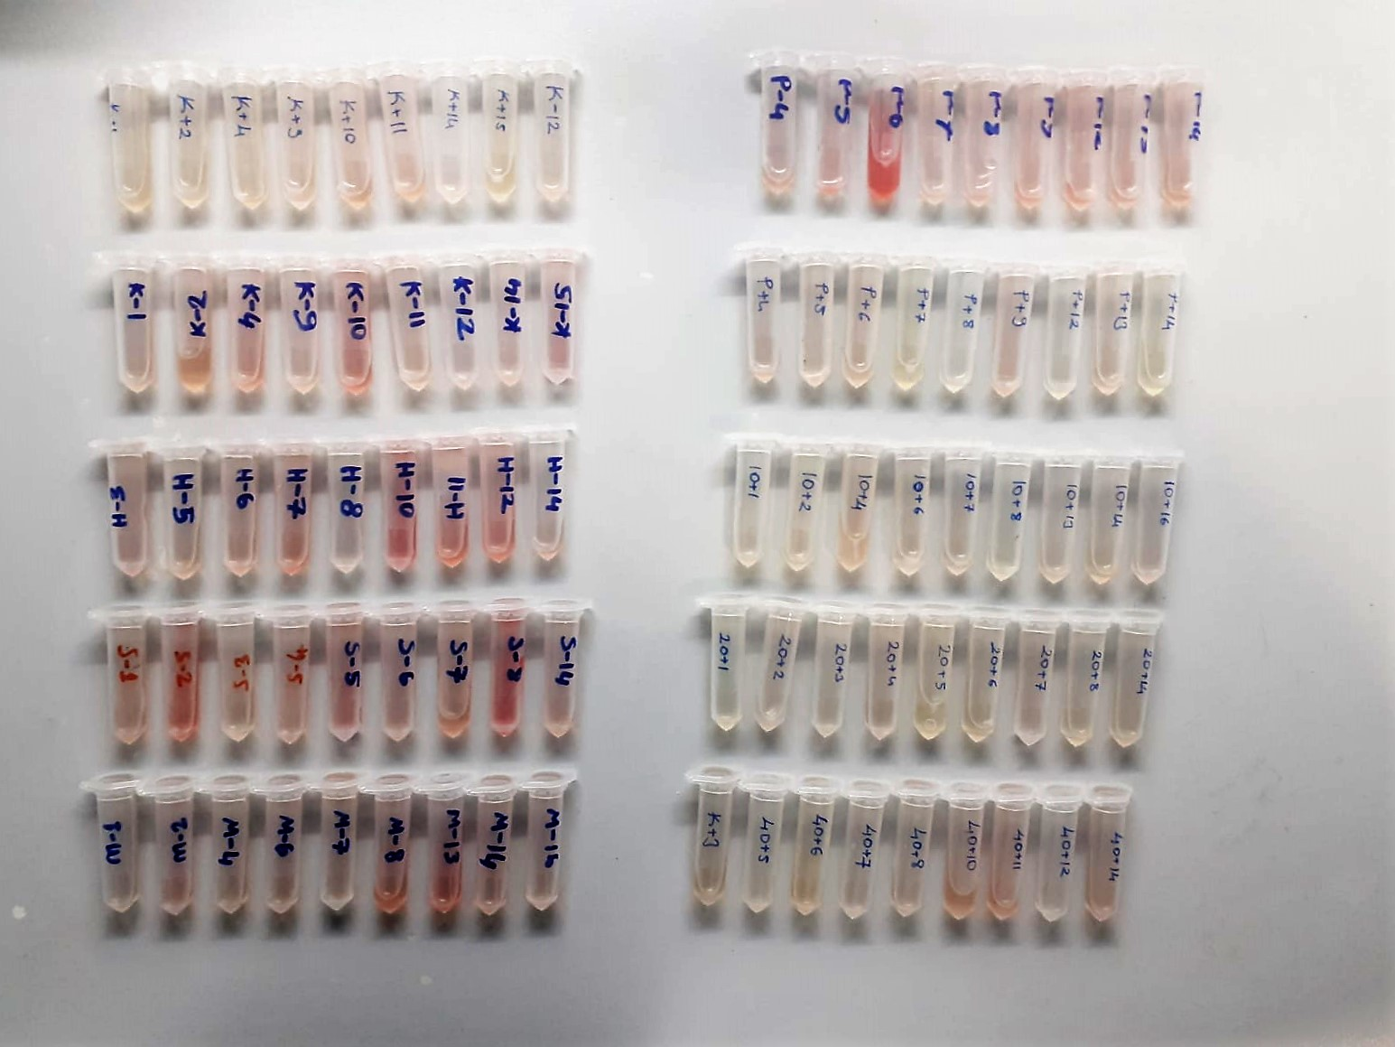

Prolactin Assay Principle
This kit is an Enzyme-Linked Immunosorbent Assay (ELISA). The plate has been pre-coated with Sheep PRL antibody. Sheep PRL present in the sample is added and binds to antibodies coated on the wells.
And then biotinylated Sheep PRL Antibody is added and binds to Sheep PRL in the sample. Then Streptavidin-HRP is added and binds to the Biotinylated Sheep PRL antibody.
After incubation unbound Streptavidin-HRP is washed away during a washing step. Substrate solution is then added and color develops in proportion to the amount of Sheep PRL.
The reaction is terminated by addition of acidic stop solution and absorbance is measured at 450 nm.

Melatonin Assay Principle
This kit is an Enzyme-Linked Immunosorbent Assay (ELISA). The plate has been pre-coated with Sheep MT antibody. Sheep MT present in the sample is added and binds to antibodies coated on the wells.
And then biotinylated Sheep MT Antibody is added and binds to Sheep MT in the sample. Then Streptavidin-HRP is added and binds to the Biotinylated Sheep MT antibody.
After incubation unbound Streptavidin-HRP is washed away during a washing step. Substrate solution is then added and color develops in proportion to the amount of Sheep MT.
The reaction is terminated by addition of acidic stop solution and absorbance is measured at 450 nm.

