IL-6-1.PLATE
2.134 | 0.68 | 0.573 | 0.555 | 0.452 | 0.469 | 0.521 | 0.561 | 0.59 | 0.491 | 0.612 | 0.889
1.518 | 0.744 | 0.753 | 0.711 | 0.578 | 0.356 | 0.51 | 0.744 | 0.49 | 0.466 | 0.825 | 0.645
0.938 | 0.693 | 0.717 | 0.562 | 0.568 | 0.56 | 0.43 | 0.576 | 0.439 | 0.465 | 0.565 | 0.445
0.687 | 0.368 | 0.415 | 0.375 | 0.405 | 0.464 | 0.442 | 0.457 | 0.328 | 0.42 | 0.451 | 0.414
0.388 | 0.581 | 0.516 | 0.555 | 0.34 | 0.5 | 0.42 | 0.492 | 0.473 | 0.437 | 0.449 | 0.437
0.109 | 0.802 | 0.638 | 0.695 | 0.41 | 0.38 | 0.431 | 0.471 | 0.513 | 0.497 | 0.823 | 0.701
0.633 | 0.627 | 0.611 | 0.679 | 0.461 | 0.441 | 0.501 | 0.475 | 0.541 | 0.482 | 0.544 | 0.578
0.66 | 0.68 | 0.523 | 0.609 | 0.4 | 0.336 | 0.39 | 0.533 | 0.578 | 0.438 | 0.64 | 0.58

IL-6

 | abs | abs-blank | expected | result
std1 | 2.134 | 2.025 | 24 | 23.77
std2 | 1.518 | 1.409 | 12 | 12.68
std3 | 0.938 | 0.829 | 6 | 5.38
std4 | 0.687 | 0.578 | 3 | 3.17
std5 | 0.388 | 0.279 | 1.5 | 1.27
blank | 0.109 | 0 | 0 | 0.24

 |  |  |  |  |  |  |  |  | concentration (ng/L)

Numune | absorbans | blank | abs-blank | result(ng/L)
K-1 | 0.633 | 0.109 | 0.524 | 2.76
K-1 | 0.66 | 0.109 | 0.551 | 2.96
K-1 | 0.68 | 0.109 | 0.571 | 3.11
K-2 | 0.744 | 0.109 | 0.635 | 3.62
K-2 | 0.693 | 0.109 | 0.584 | 3.21
K-2 | 0.368 | 0.109 | 0.259 | 1.18
K-3 | 0.581 | 0.109 | 0.472 | 2.40
K-3 | 0.802 | 0.109 | 0.693 | 4.11
K-3 | 0.627 | 0.109 | 0.518 | 2.72
K-4 | 0.68 | 0.109 | 0.571 | 3.11
K-4 | 0.573 | 0.109 | 0.464 | 2.35
K-4 | 0.753 | 0.109 | 0.644 | 3.69
K-5 | 0.717 | 0.109 | 0.608 | 3.40
K-5 | 0.415 | 0.109 | 0.306 | 1.41
K-5 | 0.516 | 0.109 | 0.407 | 1.98
K-6 | 0.638 | 0.109 | 0.529 | 2.80
K-6 | 0.611 | 0.109 | 0.502 | 2.61
K-6 | 0.523 | 0.109 | 0.414 | 2.03
K-7 | 0.555 | 0.109 | 0.446 | 2.23
K-7 | 0.711 | 0.109 | 0.602 | 3.35
K-7 | 0.562 | 0.109 | 0.453 | 2.28
K-8 | 0.375 | 0.109 | 0.266 | 1.21
K-8 | 0.555 | 0.109 | 0.446 | 2.23
K-8 | 0.695 | 0.109 | 0.586 | 3.23
F1-1 | 0.679 | 0.109 | 0.57 | 3.10
F1-1 | 0.609 | 0.109 | 0.5 | 2.59
F1-1 | 0.452 | 0.109 | 0.343 | 1.61
F1-2 | 0.578 | 0.109 | 0.469 | 2.38
F1-2 | 0.568 | 0.109 | 0.459 | 2.32
F1-2 | 0.405 | 0.109 | 0.296 | 1.36
F1-3 | 0.34 | 0.109 | 0.231 | 1.04
F1-3 | 0.41 | 0.109 | 0.301 | 1.38
F1-3 | 0.461 | 0.109 | 0.352 | 1.66
F1-4 | 0.4 | 0.109 | 0.291 | 1.33
F1-4 | 0.469 | 0.109 | 0.36 | 1.71
F1-4 | 0.356 | 0.109 | 0.247 | 1.12
F1-5 | 0.56 | 0.109 | 0.451 | 2.26
F1-5 | 0.464 | 0.109 | 0.355 | 1.68
F1-5 | 0.5 | 0.109 | 0.391 | 1.89
F1-6 | 0.38 | 0.109 | 0.271 | 1.23
F1-6 | 0.441 | 0.109 | 0.332 | 1.55
F1-6 | 0.336 | 0.109 | 0.227 | 1.03
F1-7 | 0.521 | 0.109 | 0.412 | 2.01
F1-7 | 0.51 | 0.109 | 0.401 | 1.95
F1-7 | 0.43 | 0.109 | 0.321 | 1.49
F1-8 | 0.442 | 0.109 | 0.333 | 1.55
F1-8 | 0.42 | 0.109 | 0.311 | 1.44
F1-8 | 0.431 | 0.109 | 0.322 | 1.50
F2-2 | 0.501 | 0.109 | 0.392 | 1.89
F2-2 | 0.39 | 0.109 | 0.281 | 1.28
F2-2 | 0.561 | 0.109 | 0.452 | 2.27
F2-3 | 0.744 | 0.109 | 0.635 | 3.62
F2-3 | 0.576 | 0.109 | 0.467 | 2.37
F2-3 | 0.457 | 0.109 | 0.348 | 1.64
F2-5 | 0.492 | 0.109 | 0.383 | 1.84
F2-5 | 0.471 | 0.109 | 0.362 | 1.72
F2-5 | 0.475 | 0.109 | 0.366 | 1.74
F2-6 | 0.533 | 0.109 | 0.424 | 2.09
F2-6 | 0.59 | 0.109 | 0.481 | 2.46
F2-6 | 0.49 | 0.109 | 0.381 | 1.83
F2-7 | 0.439 | 0.109 | 0.33 | 1.54
F2-7 | 0.328 | 0.109 | 0.219 | 0.99
F2-7 | 0.473 | 0.109 | 0.364 | 1.73
F2-8 | 0.513 | 0.109 | 0.404 | 1.97
F2-8 | 0.541 | 0.109 | 0.432 | 2.14
F2-8 | 0.578 | 0.109 | 0.469 | 2.38
FO2-1 | 0.491 | 0.109 | 0.382 | 1.83
FO2-1 | 0.466 | 0.109 | 0.357 | 1.69
FO2-1 | 0.465 | 0.109 | 0.356 | 1.68
FO2-2 | 0.42 | 0.109 | 0.311 | 1.44
FO2-2 | 0.437 | 0.109 | 0.328 | 1.53
FO2-2 | 0.497 | 0.109 | 0.388 | 1.87
FO2-3 | 0.482 | 0.109 | 0.373 | 1.78
FO2-3 | 0.438 | 0.109 | 0.329 | 1.53
FO2-3 | 0.612 | 0.109 | 0.503 | 2.61
FO2-5 | 0.825 | 0.109 | 0.716 | 4.31
FO2-5 | 0.565 | 0.109 | 0.456 | 2.30
FO2-5 | 0.451 | 0.109 | 0.342 | 1.60
FO2-6 | 0.449 | 0.109 | 0.34 | 1.59
FO2-6 | 0.823 | 0.109 | 0.714 | 4.29
FO2-6 | 0.544 | 0.109 | 0.435 | 2.16
FO2-7 | 0.64 | 0.109 | 0.531 | 2.81
FO2-7 | 0.889 | 0.109 | 0.78 | 4.90
FO2-7 | 0.645 | 0.109 | 0.536 | 2.85
FO2-8 | 0.445 | 0.109 | 0.336 | 1.57
FO2-8 | 0.414 | 0.109 | 0.305 | 1.41
FO2-8 | 0.437 | 0.109 | 0.328 | 1.53
FLT-1 | 0.701 | 0.109 | 0.592 | 3.27
FLT-1 | 0.578 | 0.109 | 0.469 | 2.38
FLT-1 | 0.58 | 0.109 | 0.471 | 2.40

IL-6-2.PLATE
2.232 | 0.431 | 0.393 | 0.336 | 0.343 | 0.474
1.627 | 0.39 | 0.397 | 0.337 | 0.414 | 0.479
0.984 | 0.43 | 0.426 | 0.322 | 0.351 | 0.55
0.619 | 0.4 | 0.39 | 0.322 | 0.485 | 0.576
0.326 | 0.377 | 0.255 | 0.355 | 0.357 | 0.39
0.095 | 0.394 | 0.266 | 0.401 | 0.393 | 0.433
0.334 | 0.421 | 0.257 | 0.432 | 0.411 | 0.437
IL-6
0.296 | 0.37 | 0.333 | 0.364 | 0.354 | 0.341

 | abs | abs-blank | expected | result
std1 | 2.232 | 2.137 | 24 | 23.54
std2 | 1.627 | 1.532 | 12 | 13.14
std3 | 0.984 | 0.889 | 6 | 5.45
std4 | 0.619 | 0.524 | 3 | 2.64
std5 | 0.326 | 0.231 | 1.5 | 1.19
blank | 0.095 | 0 | 0 | 0.55

 |  |  |  |  |  | concentration (ng/L)

Numune | absorbans | blank | abs-blank | result(ng/L)
FLT-2 | 0.431 | 0.095 | 0.336 | 1.62
FLT-2 | 0.39 | 0.095 | 0.295 | 1.44
FLT-2 | 0.43 | 0.095 | 0.335 | 1.62
FLT-3 | 0.4 | 0.095 | 0.305 | 1.48
FLT-3 | 0.377 | 0.095 | 0.282 | 1.39
FLT-3 | 0.394 | 0.095 | 0.299 | 1.46
FLT-4 | 0.421 | 0.095 | 0.326 | 1.58
FLT-4 | 0.37 | 0.095 | 0.275 | 1.36
FLT-4 | 0.393 | 0.095 | 0.298 | 1.45
FLT-5 | 0.397 | 0.095 | 0.302 | 1.47
FLT-5 | 0.426 | 0.095 | 0.331 | 1.60
FLT-5 | 0.39 | 0.095 | 0.295 | 1.44
FLT-6 | 0.255 | 0.095 | 0.16 | 0.94
FLT-6 | 0.266 | 0.095 | 0.171 | 0.98
FLT-6 | 0.257 | 0.095 | 0.162 | 0.95
FLT-7 | 0.333 | 0.095 | 0.238 | 1.21
FLT-7 | 0.336 | 0.095 | 0.241 | 1.22
FLT-7 | 0.337 | 0.095 | 0.242 | 1.23
FLT-8 | 0.322 | 0.095 | 0.227 | 1.17
FLT-8 | 0.322 | 0.095 | 0.227 | 1.17
FLT-8 | 0.355 | 0.095 | 0.26 | 1.30
UC-K1 | 0.401 | 0.095 | 0.306 | 1.49
UC-K1 | 0.432 | 0.095 | 0.337 | 1.63
UC-K1 | 0.364 | 0.095 | 0.269 | 1.33
UC-K2 | 0.343 | 0.095 | 0.248 | 1.25
UC-K2 | 0.414 | 0.095 | 0.319 | 1.55
UC-K2 | 0.351 | 0.095 | 0.256 | 1.28
UC-K3 | 0.485 | 0.095 | 0.39 | 1.88
UC-K3 | 0.357 | 0.095 | 0.262 | 1.31
UC-K3 | 0.393 | 0.095 | 0.298 | 1.45
UC-K4 | 0.411 | 0.095 | 0.316 | 1.53
UC-K4 | 0.354 | 0.095 | 0.259 | 1.29
UC-K4 | 0.474 | 0.095 | 0.379 | 1.83
UC-K5 | 0.479 | 0.095 | 0.384 | 1.85
UC-K5 | 0.55 | 0.095 | 0.455 | 2.23
UC-K5 | 0.576 | 0.095 | 0.481 | 2.38
UC-K7 | 0.39 | 0.095 | 0.295 | 1.44
UC-K7 | 0.433 | 0.095 | 0.338 | 1.63
UC-K7 | 0.437 | 0.095 | 0.342 | 1.65

TNF-A-1.PLATE
1.554 | 1.865 | 1.865 | 0.874 | 1.581 | 0.692 | 0.63 | 1.202 | 0.792 | 0.824 | 0.827 | 0.568
0.985 | 1.974 | 1.654 | 0.89 | 1.429 | 0.781 | 0.782 | 1.17 | 0.874 | 0.805 | 1.094 | 0.672
0.595 | 1.988 | 1.253 | 0.855 | 1.422 | 0.791 | 0.598 | 1.189 | 0.876 | 0.708 | 1.09 | 0.71
0.368 | 1.876 | 1.322 | 2.507 | 1.403 | 0.794 | 1.22 | 1.098 | 0.873 | 1.312 | 0.942 | 0.761
0.264 | 1.892 | 1.211 | 2.16 | 0.894 | 0.782 | 1.19 | 1.017 | 0.904 | 0.934 | 0.62 | 0.768
0.096 | 1.766 | 1.21 | 2.332 | 0.871 | 0.972 | 1.27 | 1.321 | 0.845 | 1.14 | 0.589 | 0.824
1.94 | 1.783 | 1.28 | 1.592 | 0.893 | 0.977 | 1.131 | 1.284 | 0.893 | 0.894 | 0.633 | 0.834
1.912 | 1.806 | 1.213 | 1.674 | 0.763 | 0.939 | 1.165 | 0.816 | 0.843 | 0.828 | 0.632 | 0.832

TNF-A

 | abs | abs-blank | expected | result
std1 | 1.554 | 1.458 | 640 | 639.16
std2 | 0.985 | 0.889 | 320 | 323.66
std3 | 0.595 | 0.499 | 160 | 156.08
std4 | 0.368 | 0.272 | 80 | 76.78
std5 | 0.264 | 0.168 | 40 | 44.92
blank | 0.096 | 0 | 0 | -0.58

 |  |  |  |  |  |  |  |  | concentratıon (ng/L)

Numune | absorbans | blank | abs-blank | result(ng/L)
K-1 | 1.94 | 0.096 | 1.844 | 901.16
K-1 | 1.912 | 0.096 | 1.816 | 880.85
K-1 | 1.865 | 0.096 | 1.769 | 847.22
K-2 | 1.974 | 0.096 | 1.878 | 926.10
K-2 | 1.988 | 0.096 | 1.892 | 936.46
K-2 | 1.876 | 0.096 | 1.78 | 855.04
K-3 | 1.892 | 0.096 | 1.796 | 866.47
K-3 | 1.766 | 0.096 | 1.67 | 778.25
K-3 | 1.783 | 0.096 | 1.687 | 789.92
K-4 | 1.806 | 0.096 | 1.71 | 805.81
K-4 | 1.865 | 0.096 | 1.769 | 847.22
K-4 | 1.654 | 0.096 | 1.558 | 703.31
K-5 | 1.253 | 0.096 | 1.157 | 461.76
K-5 | 1.322 | 0.096 | 1.226 | 500.34
K-5 | 1.211 | 0.096 | 1.115 | 438.88
K-6 | 1.21 | 0.096 | 1.114 | 438.34
K-6 | 1.28 | 0.096 | 1.184 | 476.71
K-6 | 1.213 | 0.096 | 1.117 | 439.96
K-7 | 0.874 | 0.096 | 0.778 | 271.93
K-7 | 0.89 | 0.096 | 0.794 | 279.19
K-7 | 0.855 | 0.096 | 0.759 | 263.40
K-8 | 2.507 | 0.096 | 2.411 | 1356.35
K-8 | 2.16 | 0.096 | 2.064 | 1067.84
K-8 | 2.332 | 0.096 | 2.236 | 1206.94
F1-1 | 1.592 | 0.096 | 1.496 | 663.23
F1-1 | 1.674 | 0.096 | 1.578 | 716.45
F1-1 | 1.581 | 0.096 | 1.485 | 656.22
F1-2 | 1.429 | 0.096 | 1.333 | 562.62
F1-2 | 1.422 | 0.096 | 1.326 | 558.46
F1-2 | 1.403 | 0.096 | 1.307 | 547.21
F1-3 | 0.894 | 0.096 | 0.798 | 281.01
F1-3 | 0.871 | 0.096 | 0.775 | 270.58
F1-3 | 0.893 | 0.096 | 0.797 | 280.56
F1-4 | 0.763 | 0.096 | 0.667 | 223.41
F1-4 | 0.692 | 0.096 | 0.596 | 194.06
F1-4 | 0.781 | 0.096 | 0.685 | 231.06
F1-5 | 0.791 | 0.096 | 0.695 | 235.35
F1-5 | 0.794 | 0.096 | 0.698 | 236.64
F1-5 | 0.782 | 0.096 | 0.686 | 231.49
F1-6 | 0.972 | 0.096 | 0.876 | 317.43
F1-6 | 0.977 | 0.096 | 0.881 | 319.82
F1-6 | 0.939 | 0.096 | 0.843 | 301.83
F1-7 | 0.63 | 0.096 | 0.534 | 169.51
F1-7 | 0.782 | 0.096 | 0.686 | 231.49
F1-7 | 0.598 | 0.096 | 0.502 | 157.22
F1-8 | 1.22 | 0.096 | 1.124 | 443.74
F1-8 | 1.19 | 0.096 | 1.094 | 427.61
F1-8 | 1.27 | 0.096 | 1.174 | 471.15
F2-2 | 1.131 | 0.096 | 1.035 | 396.57
F2-2 | 1.165 | 0.096 | 1.069 | 414.35
F2-2 | 1.202 | 0.096 | 1.106 | 434.04
F2-3 | 1.17 | 0.096 | 1.074 | 416.99
F2-3 | 1.189 | 0.096 | 1.093 | 427.08
F2-3 | 1.098 | 0.096 | 1.002 | 379.61
F2-5 | 1.017 | 0.096 | 0.921 | 339.16
F2-5 | 1.321 | 0.096 | 1.225 | 499.77
F2-5 | 1.284 | 0.096 | 1.188 | 478.94
F2-6 | 0.816 | 0.096 | 0.72 | 246.18
F2-6 | 0.792 | 0.096 | 0.696 | 235.78
F2-6 | 0.874 | 0.096 | 0.778 | 271.93
F2-7 | 0.876 | 0.096 | 0.78 | 272.83
F2-7 | 0.873 | 0.096 | 0.777 | 271.48
F2-7 | 0.904 | 0.096 | 0.808 | 285.59
F2-8 | 0.845 | 0.096 | 0.749 | 258.95
F2-8 | 0.893 | 0.096 | 0.797 | 280.56
F2-8 | 0.843 | 0.096 | 0.747 | 258.06
FO2-1 | 0.824 | 0.096 | 0.728 | 249.68
FO2-1 | 0.805 | 0.096 | 0.709 | 241.40
FO2-1 | 0.708 | 0.096 | 0.612 | 200.56
FO2-2 | 1.312 | 0.096 | 1.216 | 494.67
FO2-2 | 0.934 | 0.096 | 0.838 | 299.49
FO2-2 | 1.14 | 0.096 | 1.044 | 401.25
FO2-3 | 0.894 | 0.096 | 0.798 | 281.01
FO2-3 | 0.828 | 0.096 | 0.732 | 251.44
FO2-3 | 0.827 | 0.096 | 0.731 | 251.00
FO2-5 | 1.094 | 0.096 | 0.998 | 377.57
FO2-5 | 1.09 | 0.096 | 0.994 | 375.53
FO2-5 | 0.942 | 0.096 | 0.846 | 303.24
FO2-6 | 0.62 | 0.096 | 0.524 | 165.64
FO2-6 | 0.589 | 0.096 | 0.493 | 153.82
FO2-6 | 0.633 | 0.096 | 0.537 | 170.67
FO2-7 | 0.632 | 0.096 | 0.536 | 170.28
FO2-7 | 0.568 | 0.096 | 0.472 | 145.95
FO2-7 | 0.672 | 0.096 | 0.576 | 186.03
FO2-8 | 0.71 | 0.096 | 0.614 | 201.38
FO2-8 | 0.761 | 0.096 | 0.665 | 222.57
FO2-8 | 0.768 | 0.096 | 0.672 | 225.53
FLT-1 | 0.824 | 0.096 | 0.728 | 249.68
FLT-1 | 0.834 | 0.096 | 0.738 | 254.08
FLT-1 | 0.832 | 0.096 | 0.736 | 253.20

TNF-A-2.PALTE
1.635 | 0.381 | 0.334 | 0.317 | 0.363 | 0.316
1.006 | 0.364 | 0.325 | 0.327 | 0.359 | 0.322
0.594 | 0.367 | 0.335 | 0.304 | 0.393 | 0.326
0.361 | 0.347 | 0.416 | 0.361 | 0.47 | 0.356
0.224 | 0.386 | 0.372 | 0.351 | 0.371 | 0.566
0.083 | 0.493 | 0.484 | 0.407 | 0.484 | 0.465
0.248 | 0.376 | 0.339 | 0.358 | 0.5 | 0.377
TNF-A
0.251 | 0.32 | 0.31 | 0.26 | 0.336 | 0.219

 | abs | abs-blank | expected | result
std1 | 1.635 | 1.552 | 640 | 639.43
std2 | 1.006 | 0.923 | 320 | 322.32
std3 | 0.594 | 0.511 | 160 | 157.81
std4 | 0.361 | 0.278 | 80 | 79.92
std5 | 0.224 | 0.141 | 40 | 39.23
blank | 0.083 | 0 | 0 | 1.30

 |  |  |  |  |  | concentratıon (ng/L)

Numune | absorbans | blank | abs-blank | result(ng/L)
FLT-2 | 0.381 | 0.083 | 0.298 | 86.18
FLT-2 | 0.364 | 0.083 | 0.281 | 80.85
FLT-2 | 0.367 | 0.083 | 0.284 | 81.79
FLT-3 | 0.347 | 0.083 | 0.264 | 75.59
FLT-3 | 0.386 | 0.083 | 0.303 | 87.75
FLT-3 | 0.493 | 0.083 | 0.41 | 122.71
FLT-4 | 0.376 | 0.083 | 0.293 | 84.61
FLT-4 | 0.32 | 0.083 | 0.237 | 67.35
FLT-4 | 0.334 | 0.083 | 0.251 | 71.60
FLT-5 | 0.325 | 0.083 | 0.242 | 68.86
FLT-5 | 0.335 | 0.083 | 0.252 | 71.91
FLT-5 | 0.416 | 0.083 | 0.333 | 97.32
FLT-6 | 0.372 | 0.083 | 0.289 | 83.35
FLT-6 | 0.484 | 0.083 | 0.401 | 119.68
FLT-6 | 0.339 | 0.083 | 0.256 | 73.13
FLT-7 | 0.31 | 0.083 | 0.227 | 64.33
FLT-7 | 0.317 | 0.083 | 0.234 | 66.44
FLT-7 | 0.327 | 0.083 | 0.244 | 69.47
FLT-8 | 0.304 | 0.083 | 0.221 | 62.53
FLT-8 | 0.361 | 0.083 | 0.278 | 79.92
FLT-8 | 0.351 | 0.083 | 0.268 | 76.82
UC-K1 | 0.407 | 0.083 | 0.324 | 94.43
UC-K1 | 0.358 | 0.083 | 0.275 | 78.99
UC-K1 | 0.26 | 0.083 | 0.177 | 49.55
UC-K2 | 0.363 | 0.083 | 0.28 | 80.54
UC-K2 | 0.359 | 0.083 | 0.276 | 79.30
UC-K2 | 0.393 | 0.083 | 0.31 | 89.97
UC-K3 | 0.47 | 0.083 | 0.387 | 115.00
UC-K3 | 0.371 | 0.083 | 0.288 | 83.04
UC-K3 | 0.484 | 0.083 | 0.401 | 119.68
UC-K4 | 0.5 | 0.083 | 0.417 | 125.07
UC-K4 | 0.336 | 0.083 | 0.253 | 72.21
UC-K4 | 0.316 | 0.083 | 0.233 | 66.14
UC-K5 | 0.322 | 0.083 | 0.239 | 67.95
UC-K5 | 0.326 | 0.083 | 0.243 | 69.17
UC-K5 | 0.356 | 0.083 | 0.273 | 78.37
UC-K7 | 0.566 | 0.083 | 0.483 | 147.87
UC-K7 | 0.465 | 0.083 | 0.382 | 113.34
UC-K7 | 0.377 | 0.083 | 0.294 | 84.92

Materyal-metod
KİT ADI | TÜR | MARKA | CAT. NO | Yöntem | Kullanılan Cihaz
Tumor necrosis factor-alfa | Rat | BT-lab | E0764Ra | ELİSA | Mıcroplate reader: BIO-TEK EL X 800-Aotu strıp washer:BIO TEK EL X 50
Interleukin-6 | Rat | BT-lab | E0135Ra | ELİSA | Mıcroplate reader: BIO-TEK EL X 800-Aotu strıp washer:BIO TEK EL X 50
MPO: Myeloperoxidase | Universal | Ottoscientific | Otto3048 | Kolorimetrik | MINDRAY-BS400
NOT: Dokular 1/9 oranında( 0,1 gr doku: 0,9ml 140 mmol. lık KCl) Potasyum Klorür tamponu ile homojenize edildikten sonra 7000 rpm + 4' de 5 dk santrifüj edildi.

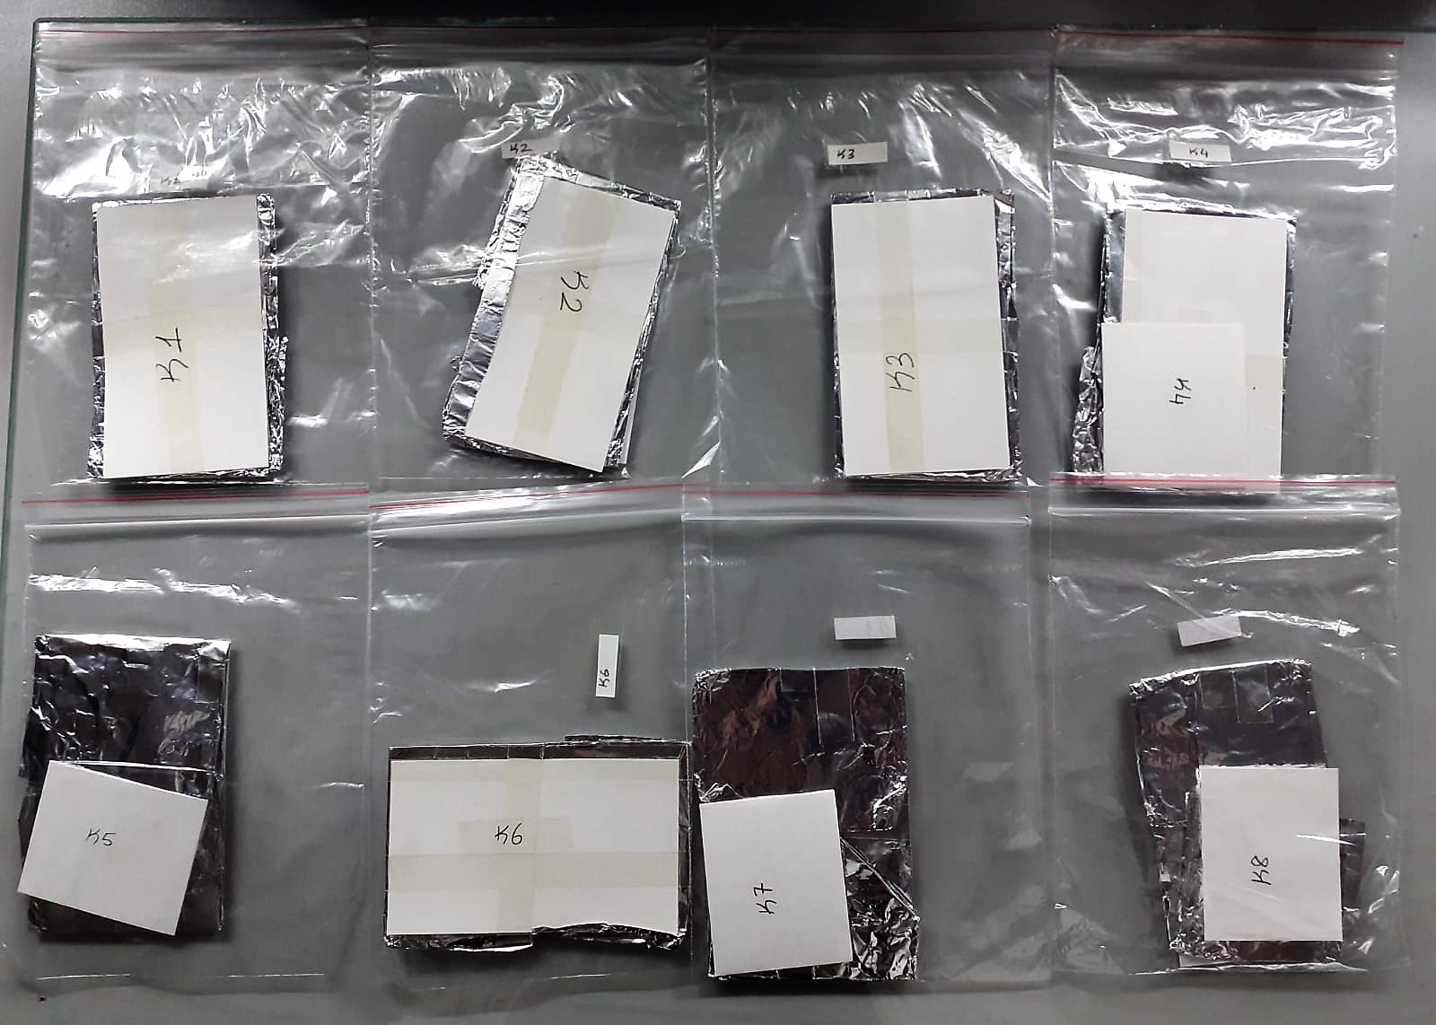

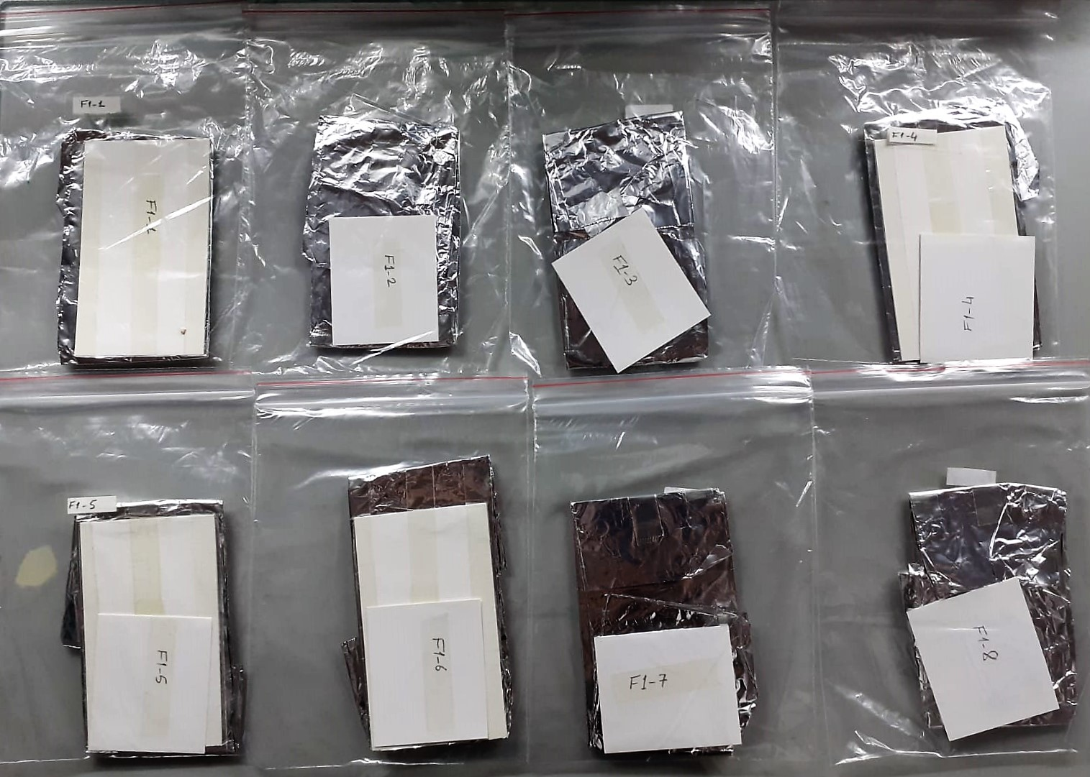

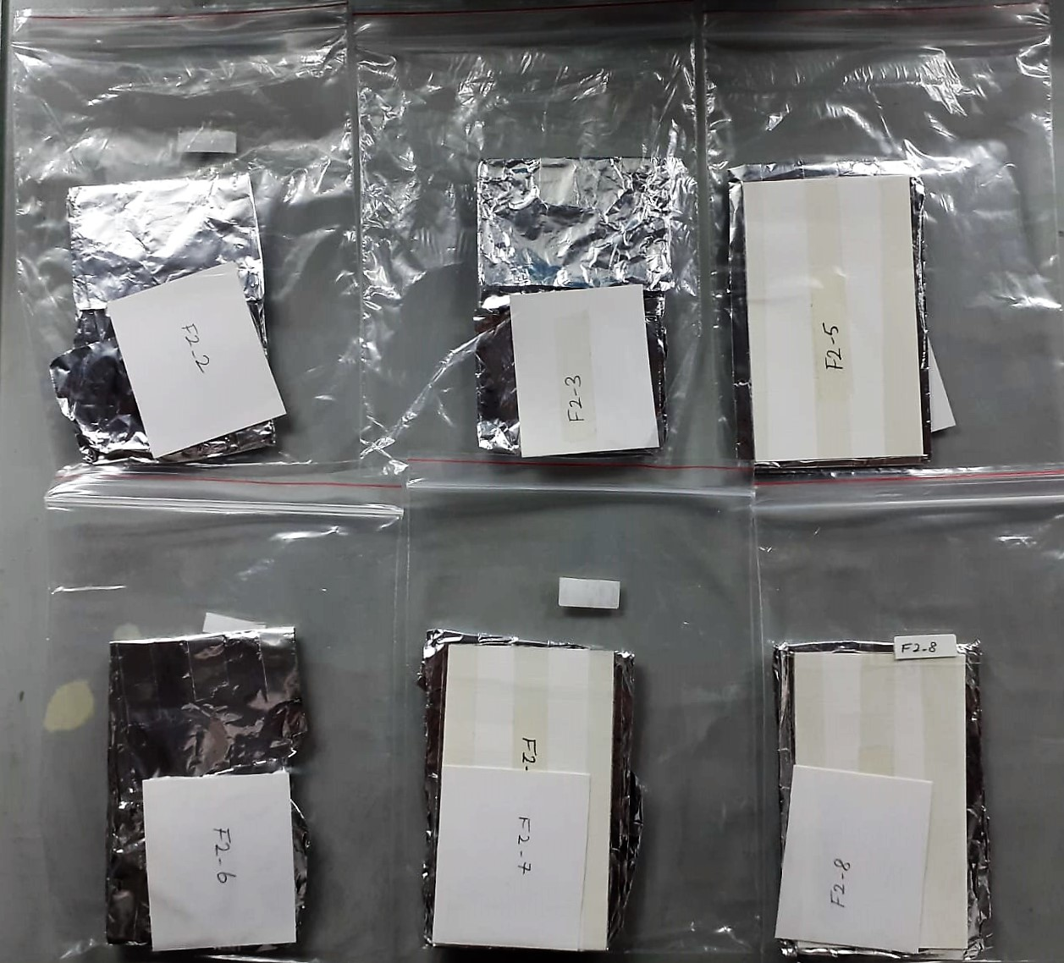

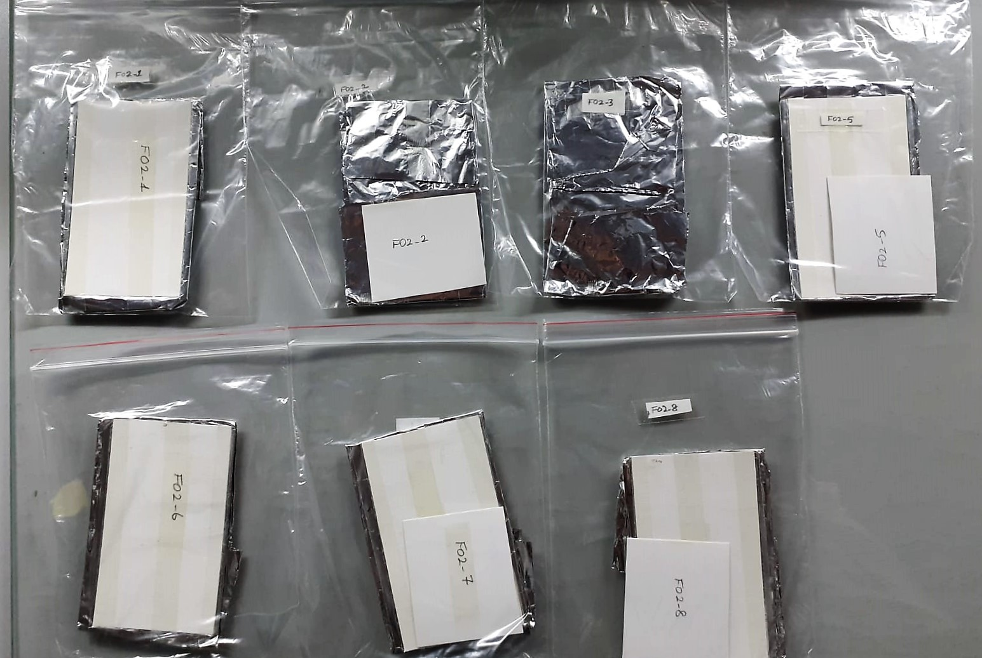

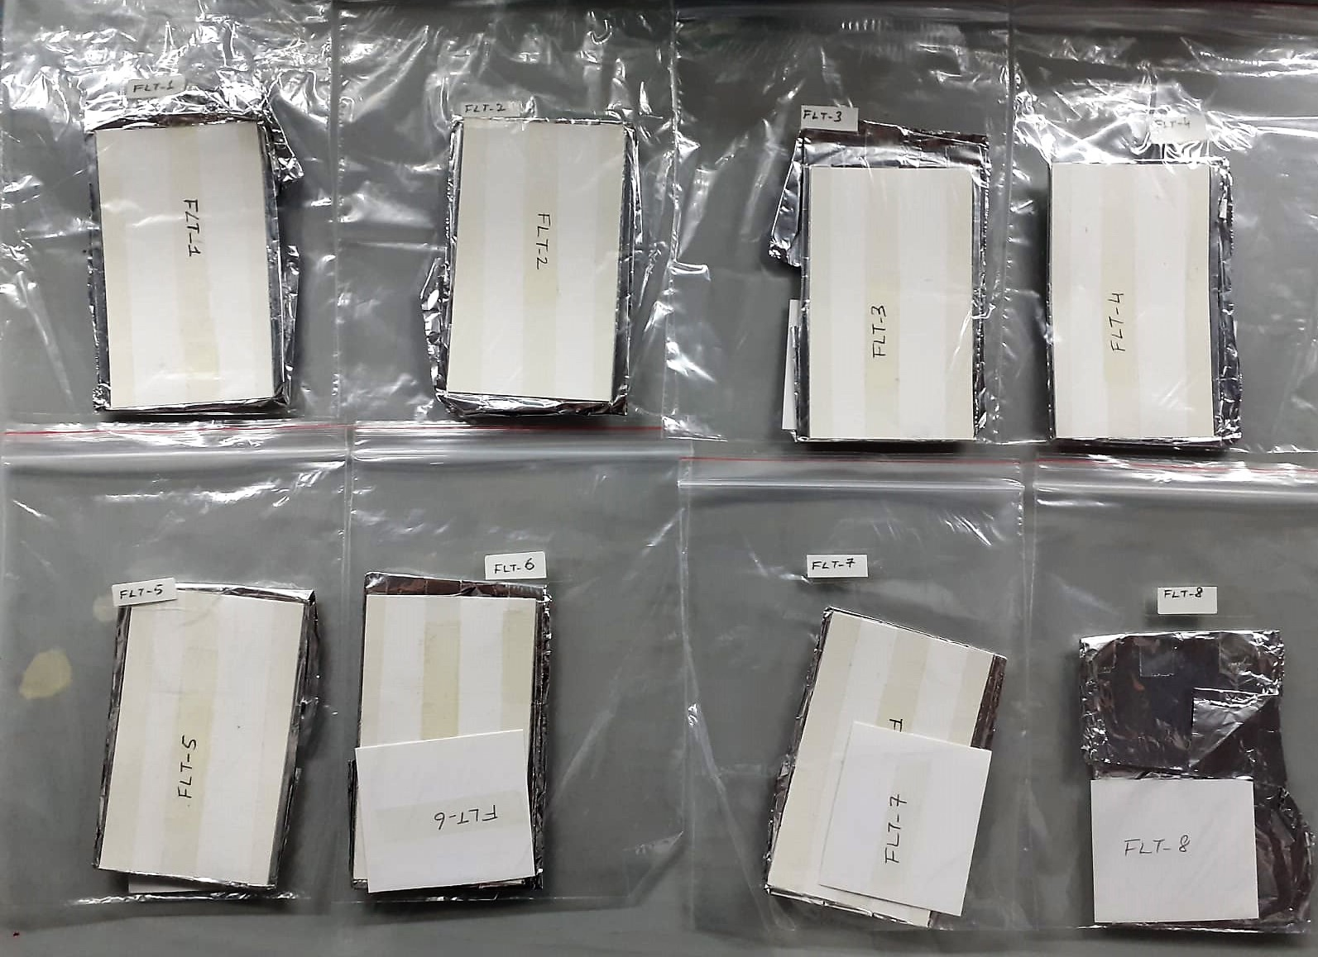

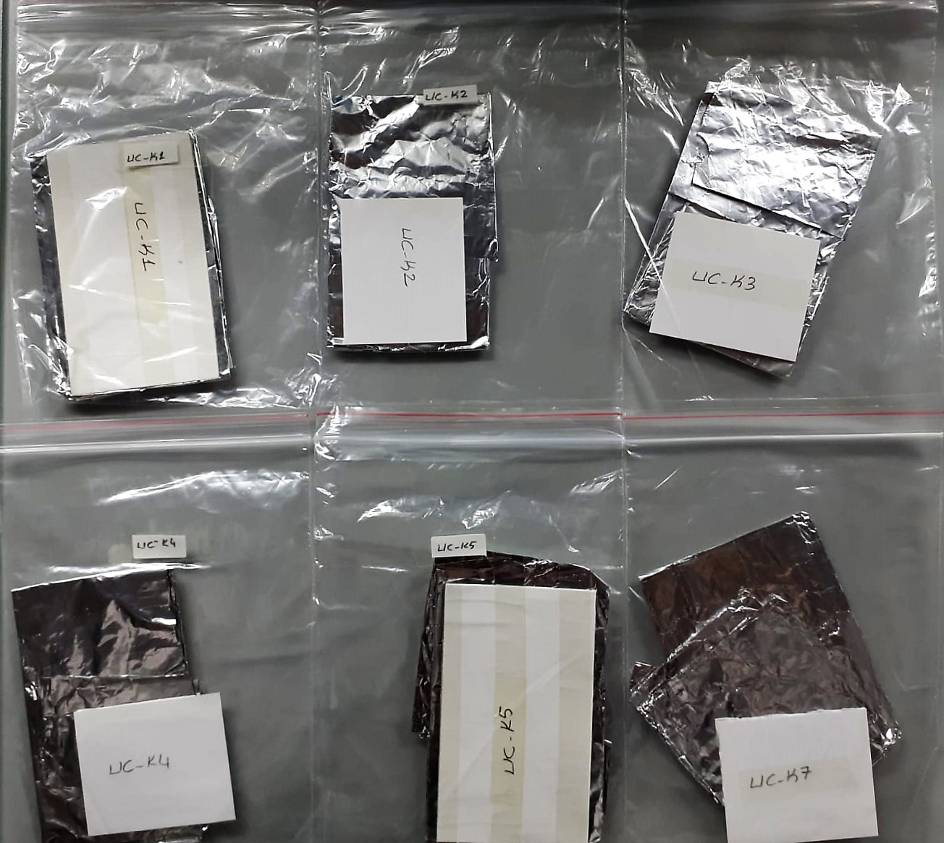

TNF-Alfa Assay Principle
This kit is an Enzyme-Linked Immunosorbent Assay (ELISA). The plate has been pre-coated with Rat TNFA antibody. TNFA present in the sample is added and binds to antibodies coated on the wells.
And then biotinylated Rat TNFA Antibody is added and binds to TNFA in the sample. Then Streptavidin-HRP is added and binds to the Biotinylated TNFA antibody.
After incubation unbound Streptavidin-HRP is washed away during a washing step. Substrate solution is then added and color develops in proportion to the amount of Rat TNFA.
The reaction is terminated by addition of acidic stop solution and absorbance is measured at 450 nm.

IL-6 Assay Principle
This kit is an Enzyme-Linked Immunosorbent Assay (ELISA). The plate has been pre-coated with Rat IL-6 antibody. IL-6 present in the sample is added and binds to antibodies coated on the wells.
And then biotinylated Rat IL-6 Antibody is added and binds to IL-6 in the sample. Then Streptavidin-HRP is added and binds to the Biotinylated IL-6 antibody.
After incubation unbound Streptavidin-HRP is washed away during a washing step. Substrate solution is then added and color develops in proportion to the amount of Rat IL-6.
The reaction is terminated by addition of acidic stop solution and absorbance is measured at 450 nm.

Myeloperoxidase (MPO) U/L
MPO posseses various catalytical activities. It exhibits the main catalytical activity by the
production of hypochlorous acid (HClO) from hydrogen peroxide (H2O2) and chloride anion,
Cl- (or halide). MPO also exhibits peroxidase activity that catalyzes oxidation of a number of
substrates by H2O2. These reactions categories have been widely used to assess the
activities of MPO.
The Relassay Myeloperoxidase Chlorination Activity Assay Kit and The Relassay
Myeloperoxidase Peroxidation Activity Assay Kit are quantitative and colorimetric assay kits
for measuring the myeloperoxidase activity within a sample. In the The Relassay
Myeloperoxidase Chlorination Activity Assay Kit, MPO catalyzes the formation of
hypochlorous acid, which reacts with taurine to form taurine chloroamine. Taurine chloroamine reacts with the chromophore TNB, resulting in the formation of the colorless
product DTNB. One unit of MPO activity is defined as the amount of enzyme that hydrolyzes
the substrate and generates taurine chloramine to consume 1.0 μmole of TNB per minute.In
the The Relassay Myeloperoxidase Peroxidation Activity Assay Kit, MPO catalyzes odianisidine
to colored o-dianisidyl radical using H2O2. The increasing absorbance is
monitored at 412 nm and the activity is measured kinetically. This kit can be used manually
and easily adapted to automated analyzers.

