MDA
MDA
2.481 | 100
1.673 | 50
0.994 | 25
0.513 | 12.5
0.288 | 6.25
0.122 | 3.125
0 | 0
 | absorbans | abs-blank | expected | result
std1 | 2.511 | 2.481 | 100 | 99.11
std2 | 1.703 | 1.673 | 50 | 52.40
std3 | 1.024 | 0.994 | 25 | 24.30
std4 | 0.543 | 0.513 | 12.5 | 10.55
std5 | 0.318 | 0.288 | 6.25 | 5.87
std6 | 0.152 | 0.122 | 3.125 | 3.14
blank | 0.03 | 0 | 0 | 1.51

 |  |  |  |  | concentratıon (mmol/L)

Numune | absorbans | blank | abs-blank | result
0,5 SAR | 1.061 | 0.03 | 1.031 | 25.57
0,5 SAR | 0.227 | 0.03 | 0.197 | 4.30
0,5 SAR | 0.454 | 0.03 | 0.424 | 8.56
0,5 SAR | 1.195 | 0.03 | 1.165 | 30.42
0,5 SAR | 0.91 | 0.03 | 0.88 | 20.58
0,5 SAR | 0.389 | 0.03 | 0.359 | 7.23
0,5 SAR | 1.213 | 0.03 | 1.183 | 31.10
0,5 SAR | 0.466 | 0.03 | 0.436 | 8.82
0,5 SOĞ | 0.927 | 0.03 | 0.897 | 21.11
0,5 SOĞ | 0.212 | 0.03 | 0.182 | 4.05
0,5 SOĞ | 0.345 | 0.03 | 0.315 | 6.37
0,5 SOĞ | 0.73 | 0.03 | 0.7 | 15.29
0,5 SOĞ | 0.785 | 0.03 | 0.755 | 16.83
0,5 SOĞ | 1.035 | 0.03 | 1.005 | 24.67
0,5 SOĞ | 1.116 | 0.03 | 1.086 | 27.51
0,5 SOĞ | 0.142 | 0.03 | 0.112 | 2.99
CON | 0.792 | 0.03 | 0.762 | 17.03
CON | 1.667 | 0.03 | 1.637 | 50.66
CON | 1.112 | 0.03 | 1.082 | 27.37
CON | 1.075 | 0.03 | 1.045 | 26.06
CON | 1.179 | 0.03 | 1.149 | 29.82
CON | 1.117 | 0.03 | 1.087 | 27.55
CON | 1.319 | 0.03 | 1.289 | 35.26
CON | 1.358 | 0.03 | 1.328 | 36.85
1 SAR | 1.387 | 0.03 | 1.357 | 38.06
1 SAR | 1.304 | 0.03 | 1.274 | 34.65
1 SAR | 1.098 | 0.03 | 1.068 | 26.87
1 SAR | 0.473 | 0.03 | 0.443 | 8.97
1 SAR | 1.059 | 0.03 | 1.029 | 25.50
1 SAR | 1.049 | 0.03 | 1.019 | 25.15
1 SAR | 1.128 | 0.03 | 1.098 | 27.94
1 SOĞ | 0.959 | 0.03 | 0.929 | 22.14
1 SOĞ | 0.881 | 0.03 | 0.851 | 19.68
1 SOĞ | 1.159 | 0.03 | 1.129 | 29.07
1 SOĞ | 1.083 | 0.03 | 1.053 | 26.34
1 SOĞ | 1.101 | 0.03 | 1.071 | 26.97
1 SOĞ | 1.043 | 0.03 | 1.013 | 24.95
1 SOĞ | 0.891 | 0.03 | 0.861 | 19.98
1 SOĞ | 0.57 | 0.03 | 0.54 | 11.18
MİX | 1.649 | 0.03 | 1.619 | 49.79
MİX | 1.397 | 0.03 | 1.367 | 38.48
MİX | 0.747 | 0.03 | 0.717 | 15.76
MİX | 0.873 | 0.03 | 0.843 | 19.43
MİX | 0.792 | 0.03 | 0.762 | 17.03
MİX | 0.363 | 0.03 | 0.333 | 6.72
MİX | 0.608 | 0.03 | 0.578 | 12.11
MİX | 0.514 | 0.03 | 0.484 | 9.88

Materyal-metod
KİT ADI | TÜR | MARKA | LOT | CAT. NO | Yöntem | Kullanılan Cihaz
TAS(Total Antioxidant Status) | Universal | REL ASSAY |  | RL0017 | Kolorimetrik | MINDRAY-BS400
Toplam Fenolik Madde Tayini | Universal | Yöntem(Gallik Asit Standard) |  |  | Kolorimetrik | REL BIOCHEM-REL ASSAY
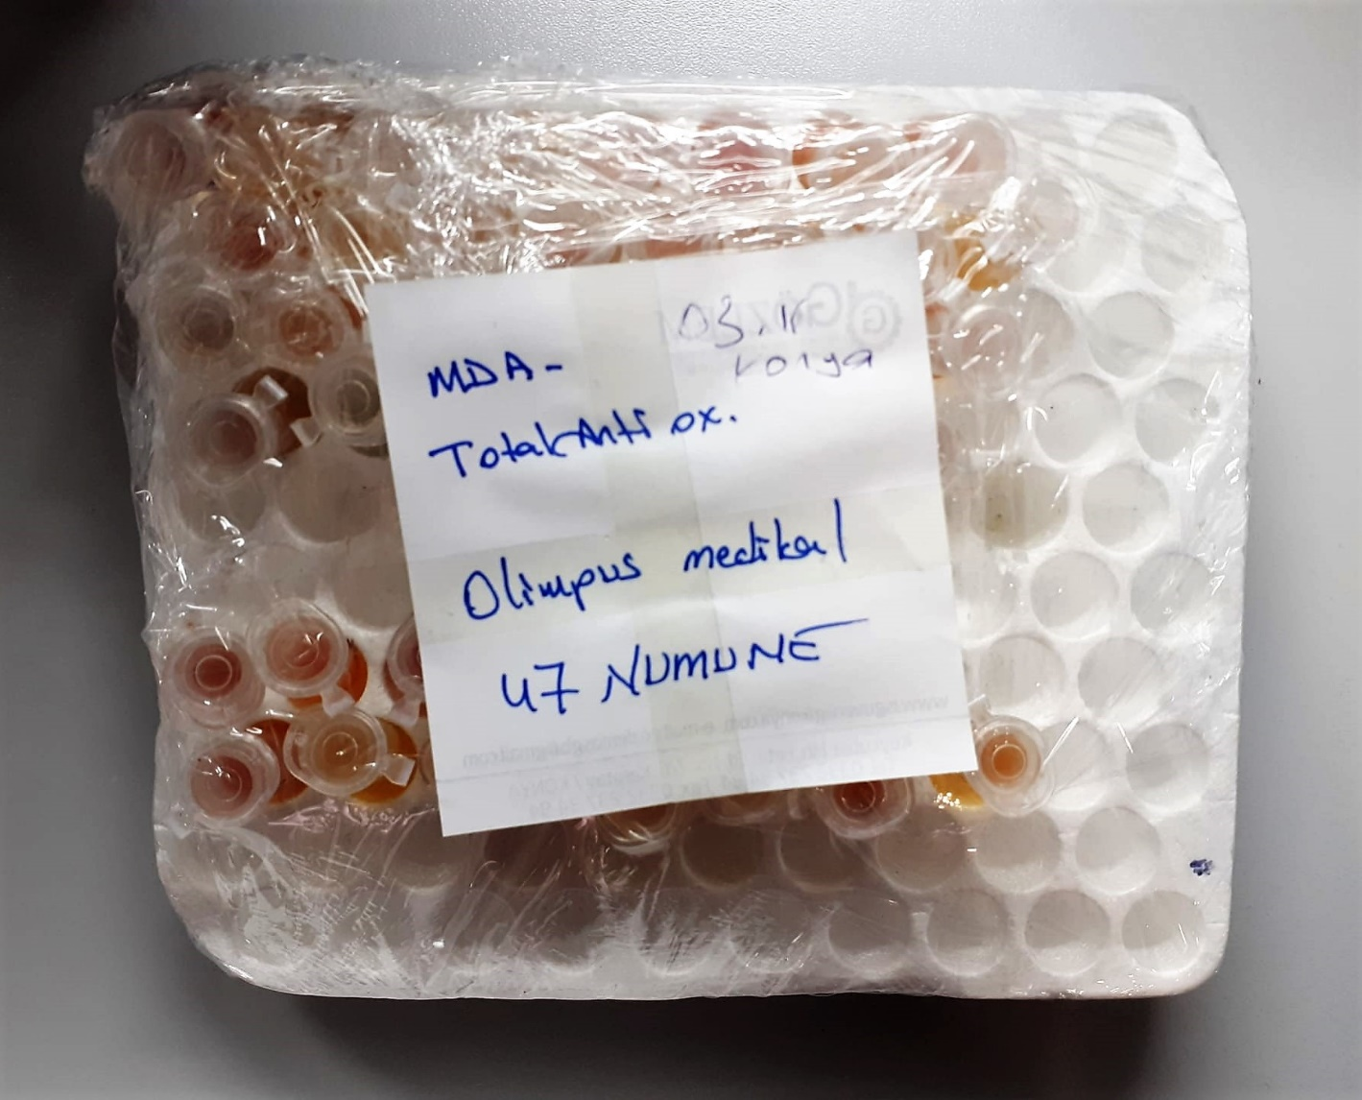
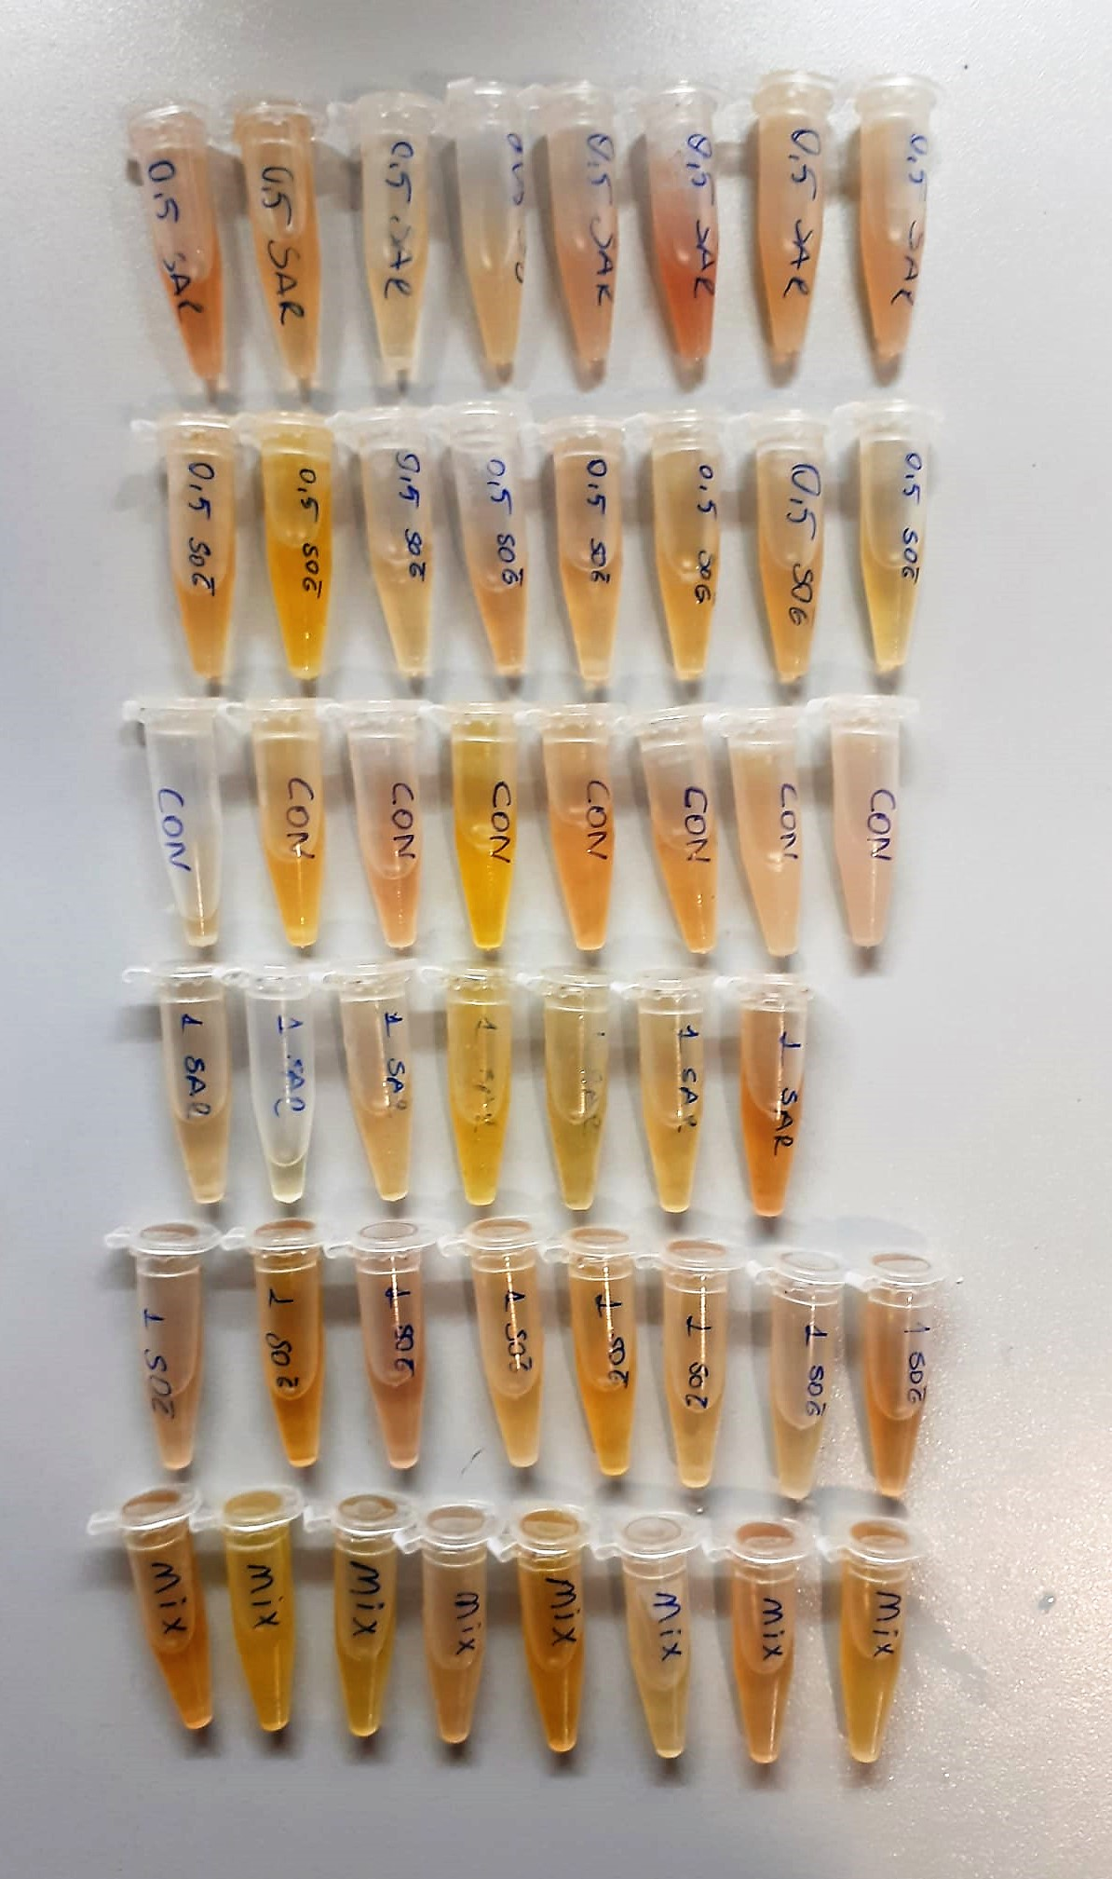

TOTAL ANTIOXDANT STATUS (TAS) (mmol/L)
TAS levels were measured using commercially available kits (Relassay, Turkey). The novel
automated method is based on the bleaching of characteristic color of a more stable ABTS
(2,2 ′ - Azino-bis(3-ethylbenzothiazoline-6-sulfonic acid)) radical cation by antioxidants. The
assay has excellent precision values, which are lower than 3%. The results were expressed as
mmol Trolox equivalent/L (Erel O. A novel automated direct measurement method for total
antioxidant capacity using a new generation, more stable ABTS radicalcation. Clin Biochem
2004;37:277-85.)
(Relassay,Turkey)

Malondialdehyde (MDA) nmol/L
The MDA level was determined by a method based
on the reaction with thiobarbituric acid (TBA) at 90–100_C
. In the TBA test reaction, MDA or MDA-like
substances and TBA react with the production of a pink
pigment with a maximum absorption at 532 nm. The
reaction was performed at pH 2–3 at 90_C for 15 min. The
sample was mixed with two volumes of cold 10% (w/v)
trichloroacetic acid for the precipitation of protein. The
precipitate was pelleted by centrifugation, and an aliquot of
the supernatant was reacted with an equal volume of 0.67%
(w/v) TBA in a boiling water bath for 10 min. After
cooling, the absorbance was read at 532 nm.

