AFM-1
Blank | 1.085 | 2.862 | 2.6 | 2.688 | 2.402 | 2.794 | 2.337 | 2.411 | 2.369 | 2.327 | 2.456 | 2.599
std1 | 0.859 | 2.854 | 2.516 | 2.867 | 2.501 | 2.495 | 2.364 | 2.379 | 2.331 | 2.288 | 2.25 | 2.732
std2 | 0.724 | 2.658 | 2.644 | 2.691 | 2.642 | 2.526 | 1.995 | 2.491 | 2.113 | 2.227 | 2.421 | 2.741
std3 | 0.567 | 2.764 | 2.568 | 2.787 | 2.22 | 1.79 | 2.424 | 2.278 | 2.527 | 2.321 | 2.57 | 2.4
std4 | 0.297 | 2.883 | 2.717 | 2.575 | 2.413 | 2.359 | 2.534 | 2.388 | 2.562 | 2.302 | 2.323 | 2.39
std5 | 0.183 | 2.843 | 2.75 | 2.537 | 2.428 | 2.494 | 2.447 | 2.389 | 2.592 | 1.991 | 2.359 | 2.399
 | 2.864 | 1.524 | 2.444 | 0.955 | 2.511 | 2.085 | 1.838 | 2.055 | 2.192 | 2.12 | 2.326 | 1.861
 | 2.844 | 2.695 | 2.66 | 2.831 | 2.492 | 2.735 | 1.639 | 2.374 | 2.396 | 2.204 | 2.045 | 2.55

AFM-1
absorbance | Blank | absorbance % |  |  |  | absorbance | absorbance % | std. Concentratıon | Result Sample
0.859 | 1.085 | 79.171 |  |  | std1 | 0.859 | 79.171 | 0.05 | 0.079
0.724 | 1.085 | 66.728 |  |  | std2 | 0.724 | 66.728 | 0.15 | 0.150
0.567 | 1.085 | 52.258 |  |  | std3 | 0.567 | 52.258 | 0.45 | 0.307
0.357 | 1.085 | 32.903 |  |  | std4 | 0.357 | 32.903 | 1.35 | 1.546
0.123 | 1.085 | 11.336 |  |  | std5 | 0.123 | 11.436 | 4.05 | 3.972
2.864 | 1.085 | 263.963
2.844 | 1.085 | 262.120
2.862 | 1.085 | 263.779
2.854 | 1.085 | 263.041
2.658 | 1.085 | 244.977 |  |  | Sample | absorbance | absorbance % | Result Sample
2.764 | 1.085 | 254.747 |  |  | SA.S-1 | 2.864 | 263.963 | 45.457
2.883 | 1.085 | 265.714 |  |  | SA.S-2 | 2.844 | 262.120 | 44.600
2.843 | 1.085 | 262.028 |  |  | SA.S-3 | 2.862 | 263.779 | 45.371
1.524 | 1.085 | 140.461 |  |  | SA.S-4 | 2.854 | 263.041 | 45.027 |  |  |  |  | concentratıon (ppb)-ng/ml
2.695 | 1.085 | 248.387 |  |  | SA.S-6 | 2.658 | 244.977 | 37.017
2.6 | 1.085 | 239.631 |  |  | SA.S-7 | 2.764 | 254.747 | 41.252
2.516 | 1.085 | 231.889 |  |  | SA.S-8 | 2.883 | 265.714 | 46.279
2.644 | 1.085 | 243.687 |  |  | SA.S-9 | 2.843 | 262.028 | 44.557
2.568 | 1.085 | 236.682 |  |  | MT.S-1 | 1.524 | 140.461 | 6.046
2.717 | 1.085 | 250.415 |  |  | MT.S-2 | 2.695 | 248.387 | 38.469
2.75 | 1.085 | 253.456 |  |  | MT.S-3 | 2.6 | 239.631 | 34.797
2.444 | 1.085 | 225.253 |  |  | MT.S-4 | 2.516 | 231.889 | 31.703
2.66 | 1.085 | 245.161 |  |  | MT.S-5 | 2.644 | 243.687 | 36.475
2.688 | 1.085 | 247.742 |  |  | MT.S-6 | 2.568 | 236.682 | 33.601
2.867 | 1.085 | 264.240 |  |  | MT.S-7 | 2.717 | 250.415 | 39.346
2.691 | 1.085 | 248.018 |  |  | MT.S-8 | 2.75 | 253.456 | 40.679
2.787 | 1.085 | 256.866 |  |  | OS.S-1 | 2.444 | 225.253 | 29.166
2.575 | 1.085 | 237.327 |  |  | OS.S-2 | 2.66 | 245.161 | 37.095
2.537 | 1.085 | 233.825 |  |  | OS.S-3 | 2.688 | 247.742 | 38.192
0.955 | 1.085 | 88.018 |  |  | OS.S-4 | 2.867 | 264.240 | 45.586
2.831 | 1.085 | 260.922 |  |  | OS.S-5 | 2.691 | 248.018 | 38.311
2.402 | 1.085 | 221.382 |  |  | OS.S-6 | 2.787 | 256.866 | 42.201
2.501 | 1.085 | 230.507 |  |  | OS.S-7 | 2.575 | 237.327 | 33.861
2.642 | 1.085 | 243.502 |  |  | OS.S-8 | 2.537 | 233.825 | 32.463
2.22 | 1.085 | 204.608 |  |  | AK.S-1 | 0.955 | 88.018 | 0.384
2.413 | 1.085 | 222.396 |  |  | AK.S-2 | 2.831 | 260.922 | 44.047
2.428 | 1.085 | 223.779 |  |  | AK.S-3 | 2.402 | 221.382 | 27.734
2.511 | 1.085 | 231.429 |  |  | AK.S-4 | 2.501 | 230.507 | 31.166
2.492 | 1.085 | 229.677 |  |  | AK.S-5 | 2.642 | 243.502 | 36.398
2.794 | 1.085 | 257.512 |  |  | AK.S-6 | 2.22 | 204.608 | 21.947
2.495 | 1.085 | 229.954 |  |  | AK.S-7 | 2.413 | 222.396 | 28.106
2.526 | 1.085 | 232.811 |  |  | AK.S-8 | 2.428 | 223.779 | 28.616
1.79 | 1.085 | 164.977 |  |  | HS.TOX-H-1 | 2.511 | 231.429 | 31.523
2.359 | 1.085 | 217.419 |  |  | HS.TOX-H-2 | 2.492 | 229.677 | 30.845
2.494 | 1.085 | 229.862 |  |  | HS.TOX-H-3 | 2.794 | 257.512 | 42.492
2.085 | 1.085 | 192.166 |  |  | HS.TOX-H-4 | 2.495 | 229.954 | 30.952
2.735 | 1.085 | 252.074 |  |  | HS.TOX-H-5 | 2.526 | 232.811 | 32.064
2.337 | 1.085 | 215.392 |  |  | HS.TOX-H-6 | 1.79 | 164.977 | 10.957
2.364 | 1.085 | 217.880 |  |  | HS.TOX-H-7 | 2.359 | 217.419 | 26.306
1.995 | 1.085 | 183.871 |  |  | HS.TOX-H-8 | 2.494 | 229.862 | 30.916
2.424 | 1.085 | 223.410 |  |  | HS.TOX-H-9 | 2.085 | 192.166 | 18.091
2.534 | 1.085 | 233.548 |  |  | HS.TOX-H-10 | 2.735 | 252.074 | 40.070
2.447 | 1.085 | 225.530 |  |  | HS.TOX-H-11 | 2.337 | 215.392 | 25.590
1.838 | 1.085 | 169.401 |  |  | HS.TOX-H-12 | 2.364 | 217.880 | 26.470
1.639 | 1.085 | 151.060 |  |  | HS.TOX-H-13 | 1.995 | 183.871 | 15.727
2.411 | 1.085 | 222.212 |  |  | HS.TOX-H-14 | 2.424 | 223.410 | 28.479
2.379 | 1.085 | 219.263 |  |  | HS.TOX-H-15 | 2.534 | 233.548 | 32.354
2.491 | 1.085 | 229.585 |  |  | HS.TOX-H-16 | 2.447 | 225.530 | 29.269
2.278 | 1.085 | 209.954 |  |  | HS.TOX-H-17 | 1.838 | 169.401 | 11.997
2.388 | 1.085 | 220.092 |  |  | HS.TOX-H-18 | 1.639 | 151.060 | 7.992
2.389 | 1.085 | 220.184 |  |  | NE.S-1 | 2.411 | 222.212 | 28.038
2.055 | 1.085 | 189.401 |  |  | NE.S-2 | 2.379 | 219.263 | 26.966
2.374 | 1.085 | 218.802 |  |  | NE.S-3 | 2.491 | 229.585 | 30.810
2.369 | 1.085 | 218.341 |  |  | NE.S-4 | 2.278 | 209.954 | 23.718
2.331 | 1.085 | 214.839 |  |  | NE.S-5 | 2.388 | 220.092 | 27.265
2.113 | 1.085 | 194.747 |  |  | NE.S-6 | 2.389 | 220.184 | 27.298
2.527 | 1.085 | 232.903 |  |  | NE.S-7 | 2.055 | 189.401 | 17.285
2.562 | 1.085 | 236.129 |  |  | NE.S-8 | 2.374 | 218.802 | 26.800
2.592 | 1.085 | 238.894 |  |  | RA.S-1 | 2.369 | 218.341 | 26.635
2.192 | 1.085 | 202.028 |  |  | RA.S-2 | 2.331 | 214.839 | 25.396
2.396 | 1.085 | 220.829 |  |  | RA.S-3 | 2.113 | 194.747 | 18.860
2.327 | 1.085 | 214.470 |  |  | RA.S-4 | 2.527 | 232.903 | 32.100
2.288 | 1.085 | 210.876 |  |  | RA.S-5 | 2.562 | 236.129 | 33.379
2.227 | 1.085 | 205.253 |  |  | RA.S-6 | 2.592 | 238.894 | 34.496
2.321 | 1.085 | 213.917 |  |  | RA.S-7 | 2.192 | 202.028 | 21.117
2.302 | 1.085 | 212.166 |  |  | RG.S-1 | 2.396 | 220.829 | 27.533
1.991 | 1.085 | 183.502 |  |  | RG.S-2 | 2.327 | 214.470 | 25.268
2.12 | 1.085 | 195.392 |  |  | RG.S-3 | 2.288 | 210.876 | 24.030
2.204 | 1.085 | 203.134 |  |  | RG.S-4 | 2.227 | 205.253 | 22.157
2.456 | 1.085 | 226.359 |  |  | RG.S-5 | 2.321 | 213.917 | 25.075
2.25 | 1.085 | 207.373 |  |  | RG.S-6 | 2.302 | 212.166 | 24.471
2.421 | 1.085 | 223.134 |  |  | RG.S-7 | 1.991 | 183.502 | 15.625
2.57 | 1.085 | 236.866 |  |  | RG.S-8 | 2.12 | 195.392 | 19.055
2.323 | 1.085 | 214.101 |  |  | RG.S-9 | 2.204 | 203.134 | 21.471
2.359 | 1.085 | 217.419 |  |  | RG.S-10 | 2.456 | 226.359 | 29.581
2.326 | 1.085 | 214.378 |  |  | RG.S-11 | 2.25 | 207.373 | 22.855
2.045 | 1.085 | 188.479 |  |  | RG.S-12 | 2.421 | 223.134 | 28.377
2.599 | 1.085 | 239.539 |  |  | RG.S-13 | 2.57 | 236.866 | 33.675
2.732 | 1.085 | 251.797 |  |  | RG.S-14 | 2.323 | 214.101 | 25.139
2.741 | 1.085 | 252.627 |  |  | RG.S-15 | 2.359 | 217.419 | 26.306
2.4 | 1.085 | 221.198 |  |  | RG.S-16 | 2.326 | 214.378 | 25.236
2.39 | 1.085 | 220.276 |  |  | RG.S-17 | 2.045 | 188.479 | 17.020
2.399 | 1.085 | 221.106 |  |  | RG.S-18 | 2.599 | 239.539 | 34.759
1.861 | 1.085 | 171.521 |  |  | MÖ.S-2 | 2.732 | 251.797 | 39.949
2.55 | 1.085 | 235.023 |  |  | MÖ.S-3 | 2.741 | 252.627 | 40.313
 |  |  |  |  | MÖ.S-4 | 2.4 | 221.198 | 27.667
 |  |  |  |  | MÖ.S-5 | 2.39 | 220.276 | 27.332
 |  |  |  |  | MÖ.S-6 | 2.399 | 221.106 | 27.633
 |  |  |  |  | MÖ.S-7 | 1.861 | 171.521 | 12.512
 |  |  |  |  | MÖ.S-9 | 2.55 | 235.023 | 32.938

Materyal-metod
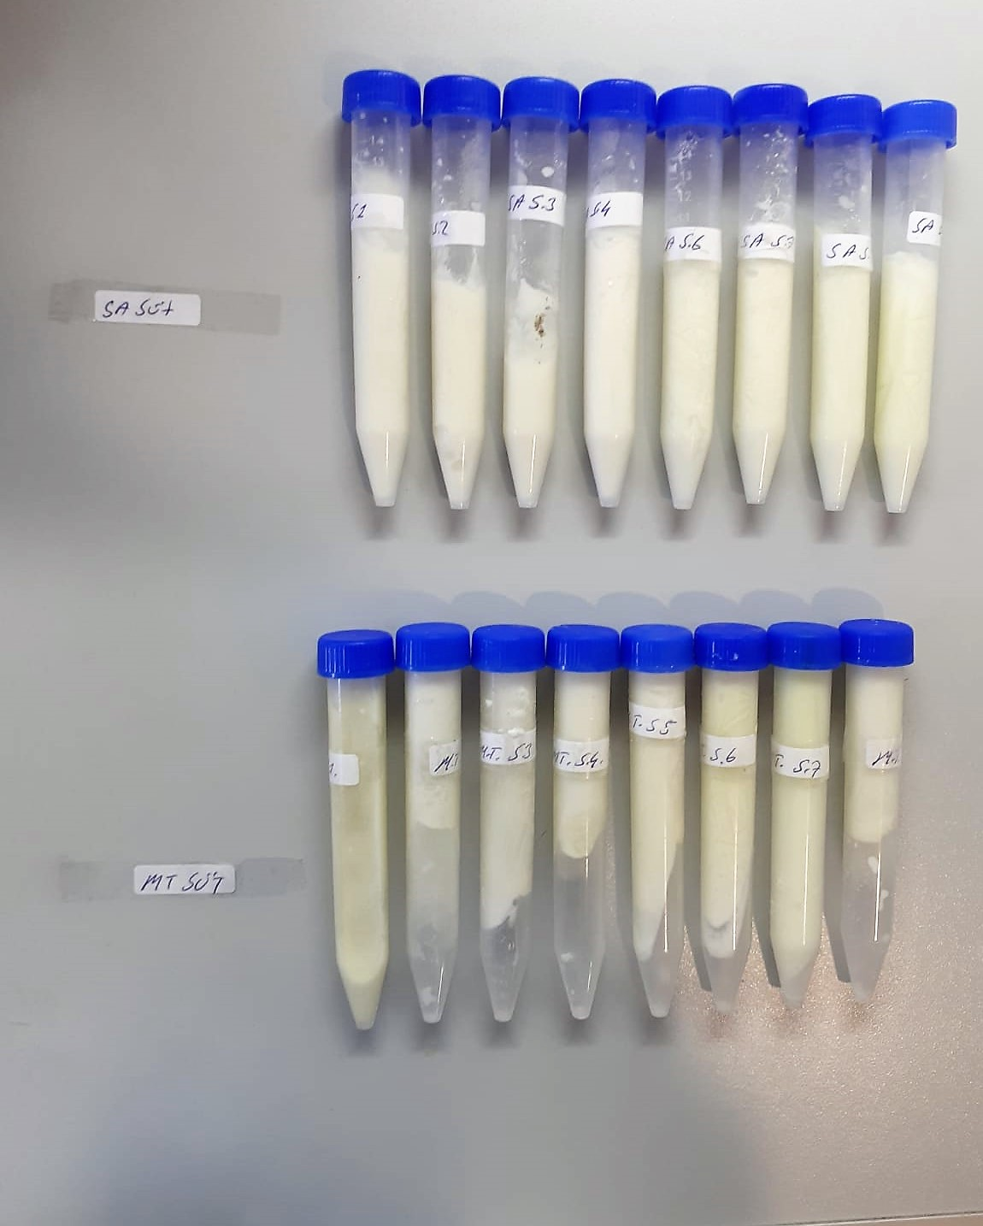
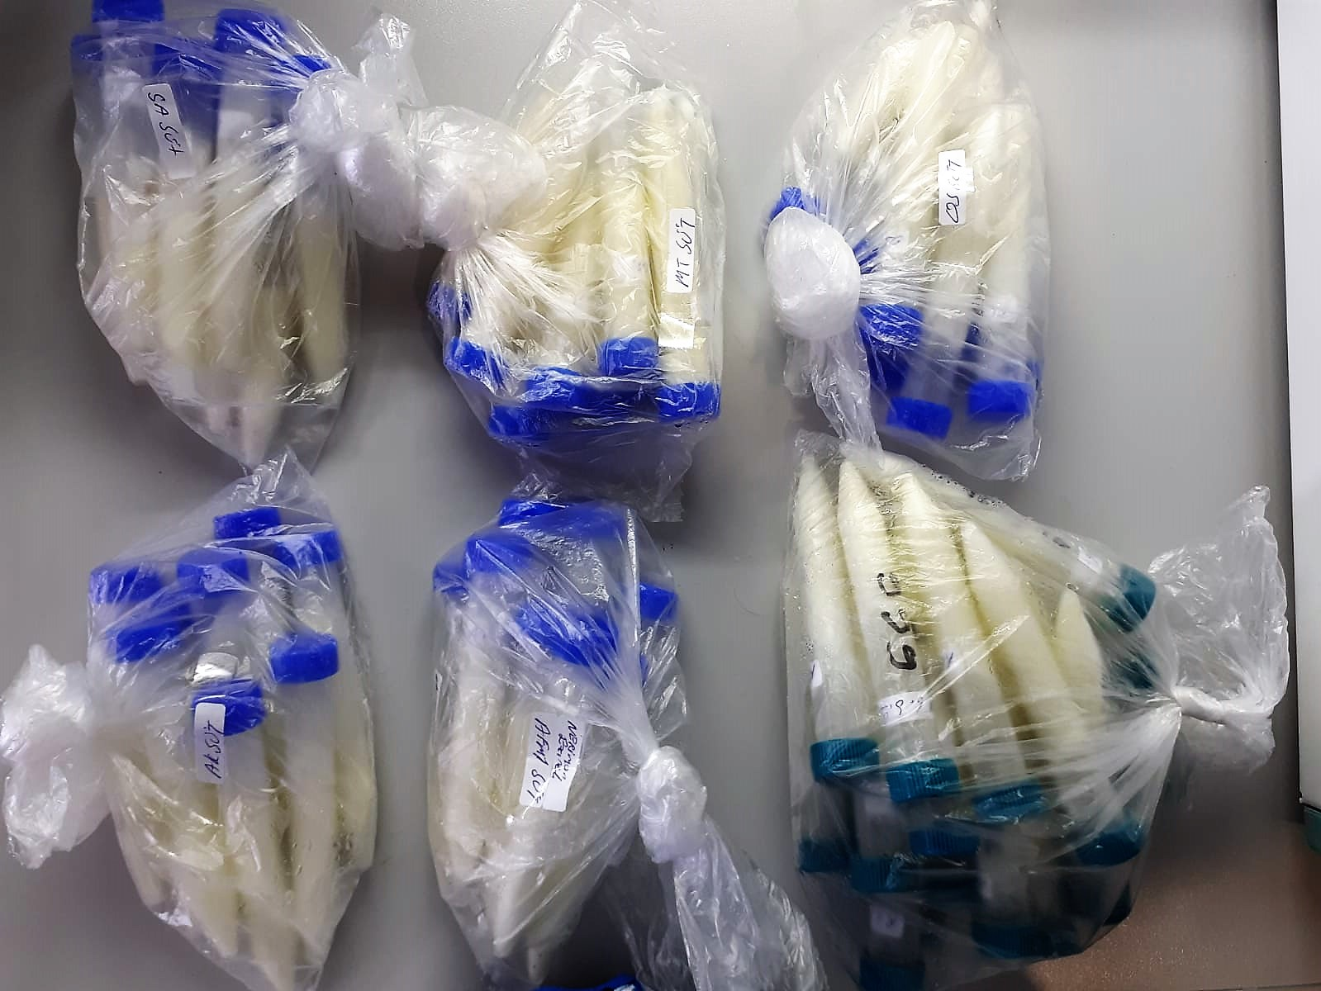
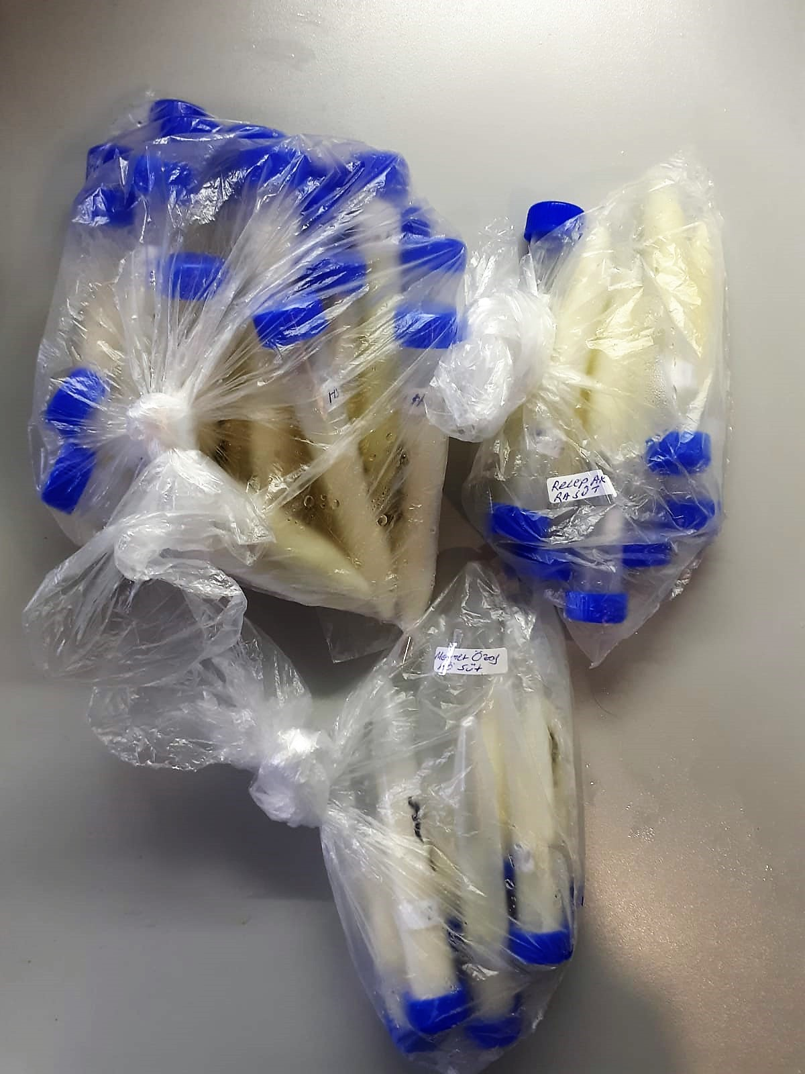
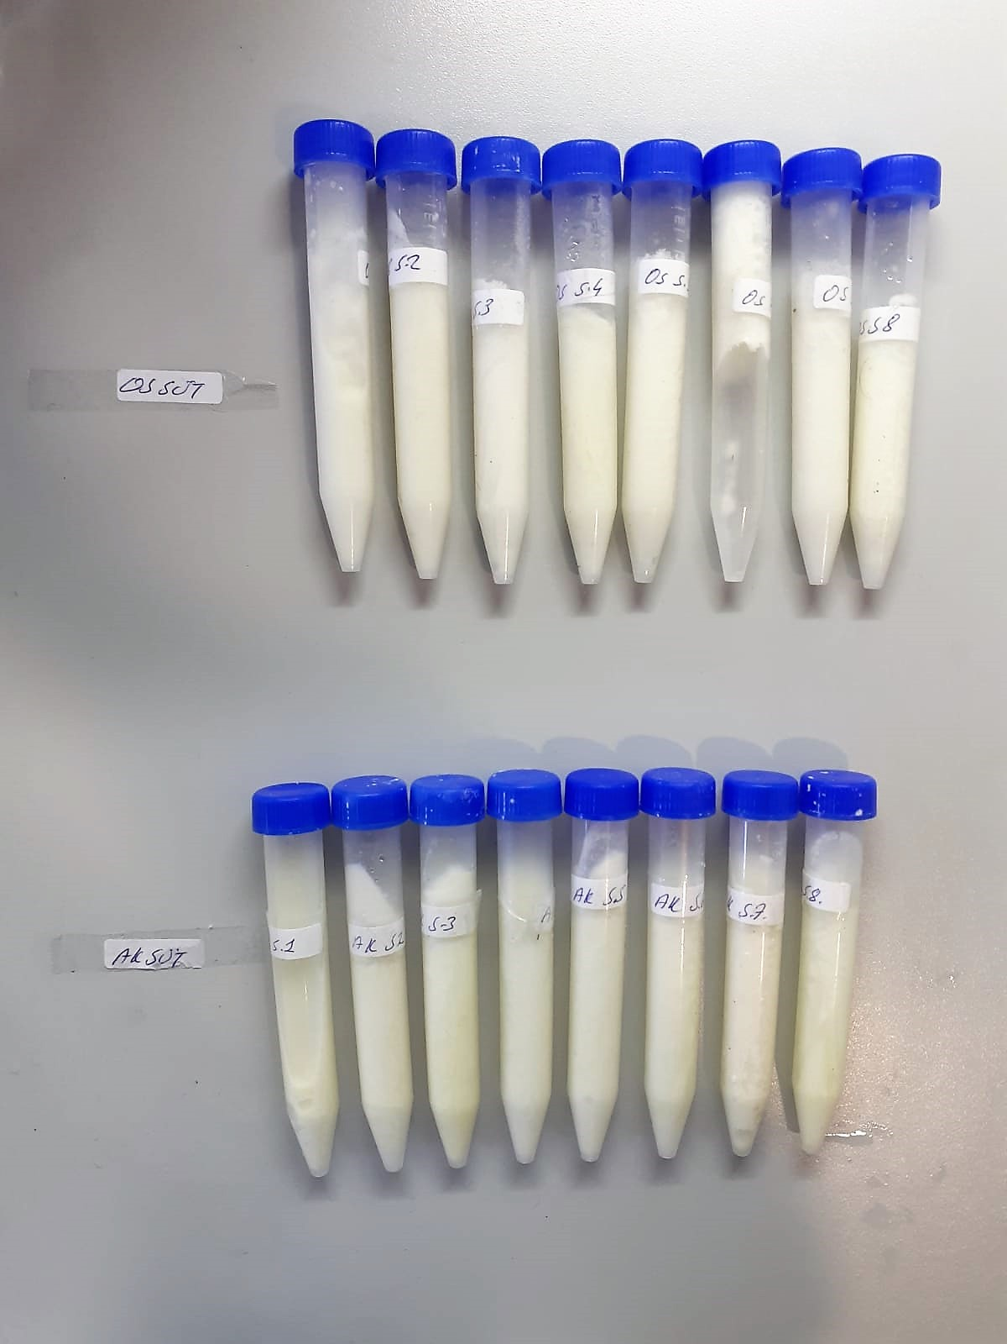
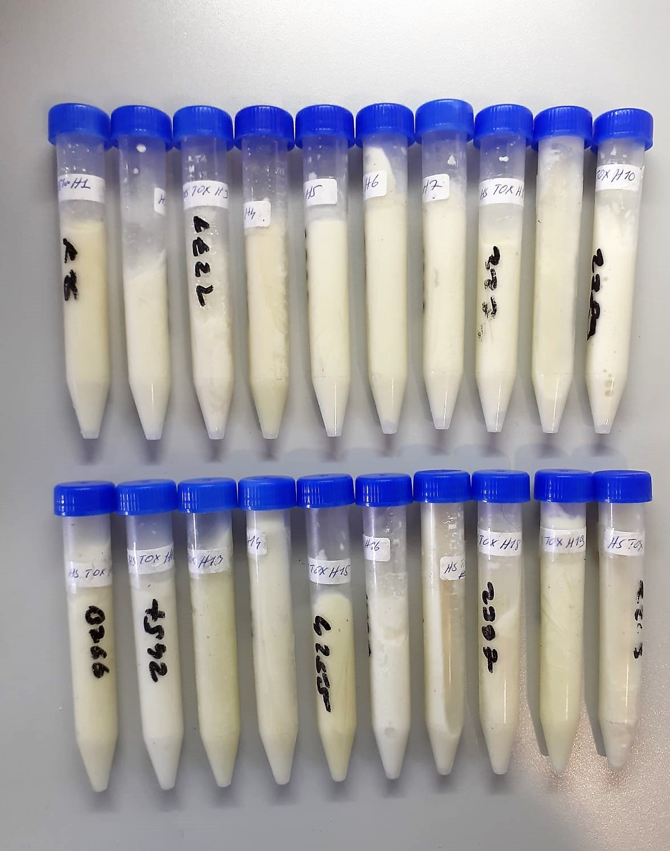
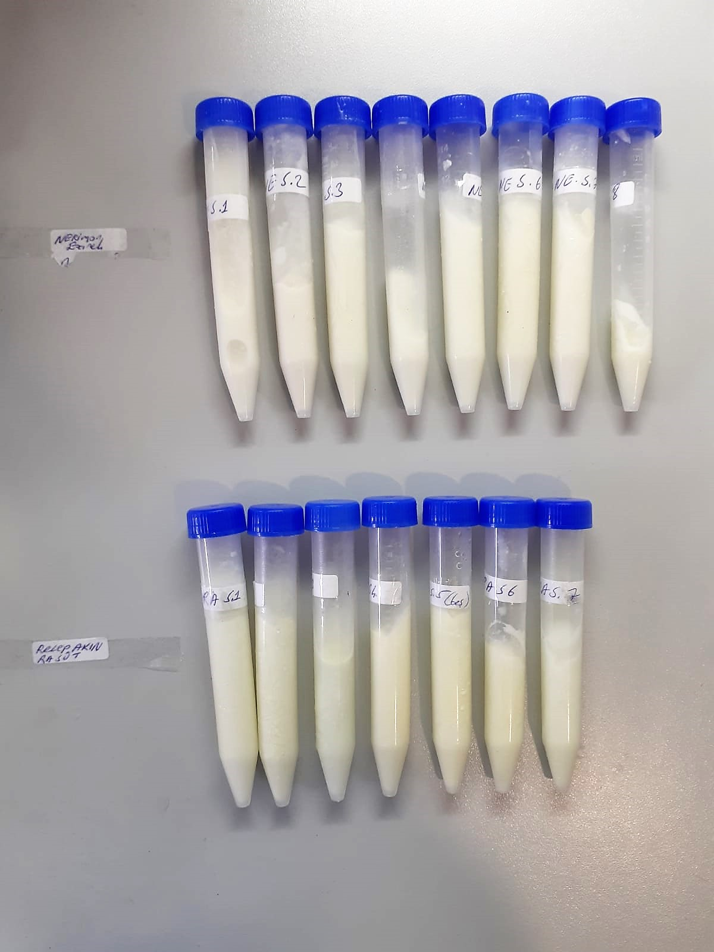
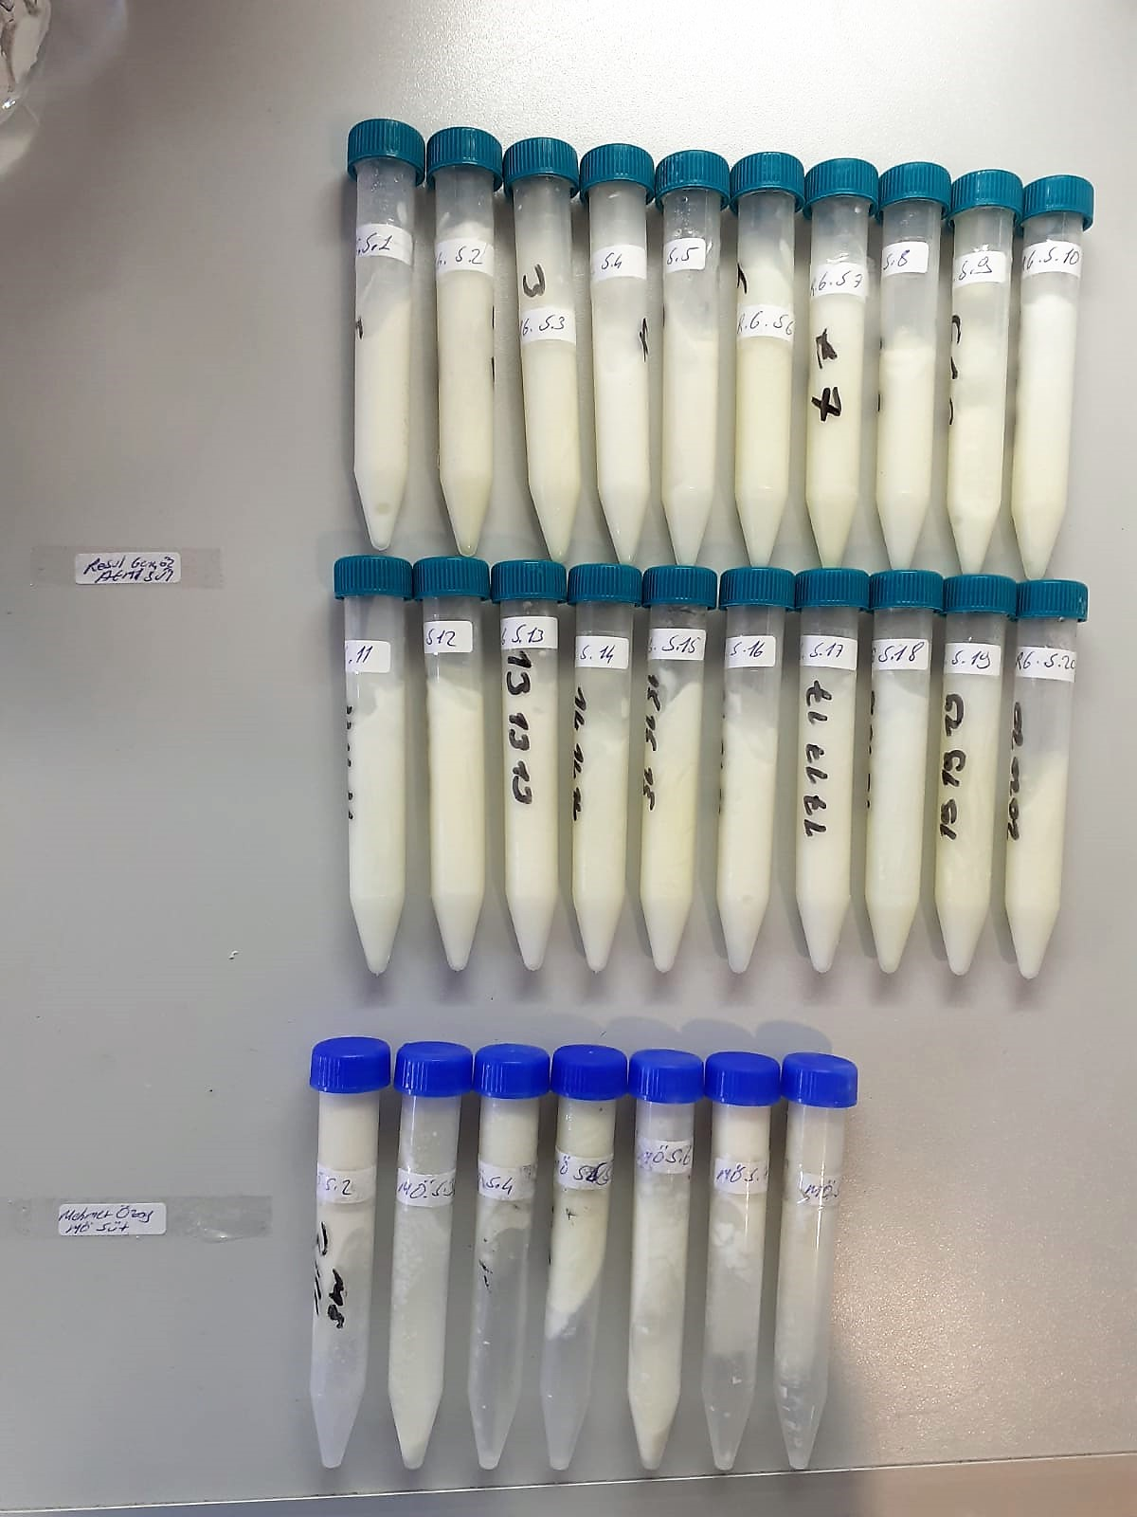
KİT ADI | TÜR | MARKA | LOT | CAT. NO
AFLATOKSİN(AFM1) | Unıversal | ELABSCIENCE | KA36762ETS | E-TO-E007

Centrifuge: HETTICH Mıcro 200-R
Microplate Reader: BIO-TEK EL X 800
Auto Strip Washer: BIO-TEK EL X 50

Test principle
This kit uses Competitive-ELISA as the method. It can detect Aflatoxin M1 (AFM1) in samples, such as milk, milk powder.
This kit is composed of ELISA Microtiter plate, HRP conjugate, antibody working solution, standard and other supplementary reagents.
The microtiter plate in this kit has been pre-coated with coupled antigen. During the reaction, AFM1 in the samples or standard competes
with coupled antigen on the solid phase supporter for sites of anti-AFM1 antibody. Then Horseradish Peroxidase (HRP)
conjugate is added to each microtiter plate well, and substrate reagent is added for color development.
There is a negative correlation between the OD value of samples and the concentration of AFM1. The concentration of AFM1
in the samples can be calculated by comparing the OD of the samples to the standard curve.

