25OH Vitamin D Total
2.368 | 0.614 | 0.87 | 0.549 | 1.071 | 0.944 | 1.205
1.207 | 0.699 | 0.513 | 0.631 | 1.107 | 1.356 | 1.355
1.003 | 0.731 | 0.509 | 1.349 | 1.048 | 1.315 | 1.345
0.83 | 0.76 | 0.589 | 1.305 | 1.366 | 1.324 | 1.312
0.424 | 0.723 | 0.445 | 1.318 | 1.34 | 1.233 | 1.318
0.192 | 0.614 | 0.431 | 1.271 | 1.32 | 1.235
0.749 | 0.608 | 0.411 | 1.235 | 1.002 | 1.24
0.645 | 0.591 | 0.469 | 1.193 | 0.867 | 1.198

25OH Vitamin D Total

 | abs | expected | result
std1 | 2.69 | 0 | 1.36
std2 | 2.38 | 4.9 | 4.28
std3 | 2.13 | 10.5 | 8.57
std4 | 1.48 | 27 | 27.81
std5 | 0.79 | 60 | 61.02
std6 | 0.14 | 105 | 104.35

 |  |  |  |  |  |  | concentration (ng/ml)

Numune | absorbans | Result (ng/ml)
Kontrol Rat-1 | 0.614 | 71.60
Kontrol Rat-1 | 0.699 | 66.38
Kontrol Rat-1 | 0.731 | 64.47
Kontrol Rat-2 | 0.76 | 62.76
Kontrol Rat-2 | 0.723 | 64.95
Kontrol Rat-2 | 0.614 | 71.60
Kontrol Rat-3 | 0.608 | 71.97
Kontrol Rat-3 | 0.591 | 73.04
Kontrol Rat-3 | 0.87 | 56.49
Kontrol Rat-4 | 0.513 | 78.06
Kontrol Rat-4 | 0.509 | 78.32
Kontrol Rat-4 | 0.589 | 73.17
Kontrol Rat-5 | 0.445 | 82.56
Kontrol Rat-5 | 0.431 | 83.51
Kontrol Rat-5 | 0.411 | 84.86
Kontrol Rat-6 | 0.469 | 80.96
Kontrol Rat-6 | 0.549 | 75.72
Kontrol Rat-6 | 0.631 | 70.54
D1R1 | 1.349 | 33.10
D1R1 | 1.305 | 34.99
D1R1 | 1.318 | 34.42
D1R2 | 1.271 | 36.48
D1R2 | 1.235 | 38.09
D1R2 | 1.193 | 40.02
D1R3 | 1.071 | 45.91
D1R3 | 1.107 | 44.13
D1R3 | 1.048 | 47.06
D1R4 | 1.366 | 32.39
D1R4 | 1.34 | 33.48
D1R4 | 1.32 | 34.34
D1R5 | 1.002 | 49.41
D1R5 | 0.867 | 56.66
D1R5 | 0.944 | 52.47
D2R1 | 1.356 | 32.81
D2R1 | 1.315 | 34.55
D2R1 | 1.324 | 34.17
D2R2 | 1.233 | 38.18
D2R2 | 1.235 | 38.09
D2R2 | 1.24 | 37.87
D2R3 | 1.198 | 39.79
D2R3 | 1.205 | 39.47
D2R3 | 1.355 | 32.85
D2R5 | 1.345 | 33.27
D2R5 | 1.312 | 34.68
D2R5 | 1.318 | 34.42

Materyal-metod
KİT ADI | TÜR | MARKA | CAT. NO | Yöntem | Kullanılan Cihaz
250H Vitamin D Total | Universal | DIAsource | KAP1971-F1 | ELİSA | Mıcroplate reader: BIO-TEK EL X 800-Aotu strıp washer:BIO TEK EL X 50

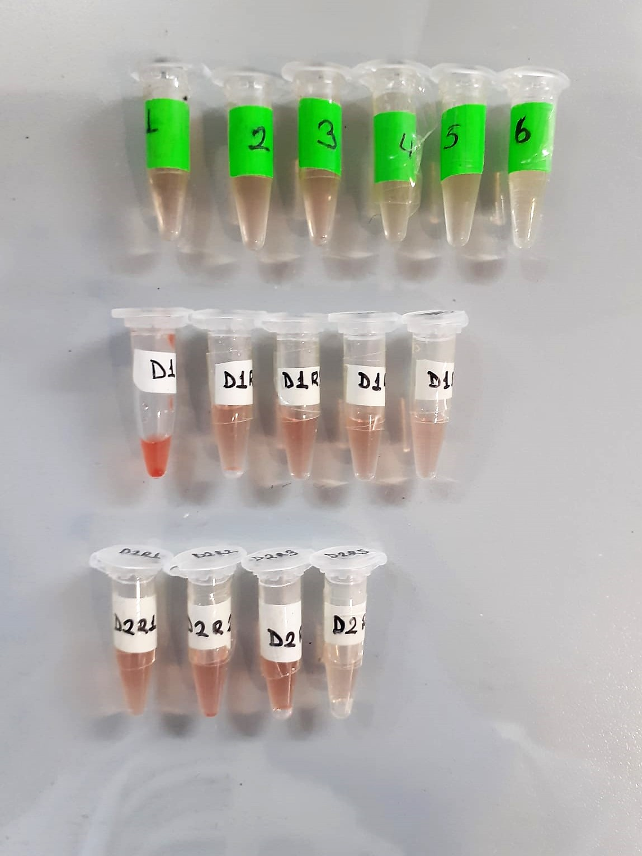

Test Principles of the method
The DIAsource 250H Vitamin D Total ELISA 90' is a solid phase Enyzme Linked Immunosorbent Assay performed on microtiterplates.
During a first 1 hour incubation step, at room temperature, total 25OH Vitamin D(D2-D3) present in calibrators, controls and samples is dissociated from binding serum proteins to fix on binding sites of specific monoclonal antibody.
After 1 washing step, a fixed amount of 25OH Vitamin D-labelled with biotin in presence of horseradish peroxidase, cpmpete with unlabelled 25OH Vitamin D2 and 25OH Vitamin D3 present on the binding sites of the specific monoclonal antibody.
After a 15 minutes incubation at room temperature, the microtiterplate is washed to stop the competition reaction.
The Chromogenic solution is added and incubated for 15 minutes. The reaction is stopped with the additiıon of Stop solution and the microtiterplate is then read at the appropriate wavelength.
The amount of substrate turnover is determined colourimetrically by measuring the absorbance, which is inversely proportional to the total 25OH Vitamin D concentration.

