Biyokimya
Numune Adı | GLU (mg/dl) | UREA (mg/dl) | CREA (mg/L) | CHOL (mg/dl) | TG (mg/dl) | AST (U/L) | ALT (U/L) | HDL (mg/dl) | LP (U/l) | AMY (U/l)
KONTROL | 170 | 35.4 | 0.23 | 42 | 77 | 193 | 36 | 48.4 | 27.2 | 234
HASTA | 161 | 23.8 | 0.67 | 106 | 39 | 177 | 461 | 60 | 53.8 | 288

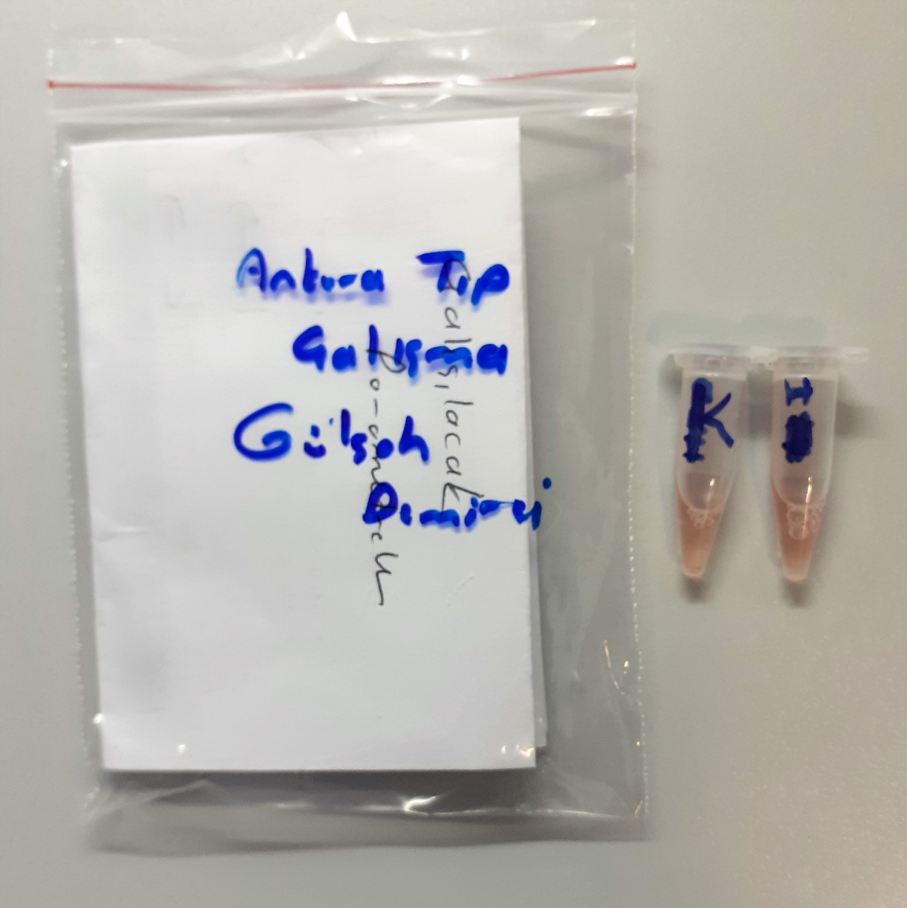

 |  |  |  |  |  | GLU: Glucose
 |  |  |  |  |  | UREA: Üre
 |  |  |  |  |  | CREA: Creatinine
 |  |  |  |  |  | CHOL: Cholesterol
 |  |  |  |  |  | TG: Triglycerides
 |  |  |  |  |  | AST: Aspartat Aminotransferaz
 |  |  |  |  |  | ALT: Alanin Aminotransferaz
 |  |  |  |  |  | HDL: HDL Cholesterol
 |  |  |  |  |  | LP: Lipase
 |  |  |  |  |  | AMY: Amilase

