DR.NEVAL
2.509 | 2.146 | 2.898 | 1.059 | 2.343 | 1.254 | 0.451 | 2.562 | 2.133 | 2.651 | 0.213 | 2.052
1.418 | 0.266 | 2.876 | 1.78 | 1.071 | 1.788 | 1.43 | 2.612 | 0.439 | 2.688 | 2.474 | 2.947
0.757 | 1.172 | 0.445 | 1.819 | 0.301 | 1.877 | 0.239 | 0.764 | 0.968 | 2.794 | 2.79 | 0.707
0.405 | 2.471 | 1.74 | 1.523 | 2.498 | 0.583 | 0.43 | 1.868 | 2.738 | 2.418 | 2.797 | 2.629
0.286 | 0.723 | 2.34 | 1.584 | 2.012 | 1.864 | 0.558 | 1.354 | 2.784 | 2.495 | 2.755 | 1.961
0.161 | 2.155 | 1.633 | 2.266 | 2.344 | 1.635 | 0.093 | 2.458 | 2.896 | 2.519 | 2.752 | 2.8
0.113 | 0.598 | 2.567 | 1.829 | 0.79 | 0.567 | 0.129 | 2.563 | 2.679 | 0.954 | 2.525 | 1.992
0.088 | 0.538 | 1.676 | 1.701 | 0.607 | 0.635 | 0.548 | 1.475 | 0.693 | 2.459 | 1.019 | 0.887

CALP
 | abs | abs-blank | expected | result
std1 | 2.509 | 2.421 | 100 | 99.85
std2 | 1.418 | 1.33 | 50 | 50.68
std3 | 0.757 | 0.669 | 25 | 24.39
std4 | 0.405 | 0.317 | 12.5 | 11.47
std5 | 0.286 | 0.198 | 6.25 | 7.28
std6 | 0.161 | 0.073 | 3.13 | 2.96
std7 | 0.113 | 0.025 | 1.56 | 1.33
blank | 0.088 | 0 | 0 | 0.48

 |  |  |  |  |  |  |  |  | concentratıon (ng/ml)

Numune | absorbans | blank | abs-blank | Result(ng/ml)
KONTROL-1 | 2.146 | 0.088 | 2.058 | 82.69
KONTROL-2 | 0.266 | 0.088 | 0.178 | 6.58
KONTROL-3 | 1.172 | 0.088 | 1.084 | 40.59
KONTROL-4 | 2.471 | 0.088 | 2.383 | 98.02
KONTROL-5 | 0.723 | 0.088 | 0.635 | 23.11
KONTROL-6 | 2.155 | 0.088 | 2.067 | 83.11
KONTROL-7 | 0.598 | 0.088 | 0.51 | 18.46
KONTROL-8 | 0.538 | 0.088 | 0.45 | 16.27
KONTROL-9 | 2.898 | 0.088 | 2.81 | 119.13
KONTROL-10 | 2.876 | 0.088 | 2.788 | 118.01
KONTROL-11 | 0.445 | 0.088 | 0.357 | 12.90
KONTROL-12 | 1.74 | 0.088 | 1.652 | 64.44
KONTROL-13 | 2.34 | 0.088 | 2.252 | 91.76
KONTROL-14 | 1.633 | 0.088 | 1.545 | 59.80
KONTROL-15 | 2.567 | 0.088 | 2.479 | 102.67
KONTROL-16 | 1.676 | 0.088 | 1.588 | 61.66
KONTROL-17 | 1.059 | 0.088 | 0.971 | 36.08
KONTROL-18 | 1.78 | 0.088 | 1.692 | 66.20
KONTROL-19 | 1.819 | 0.088 | 1.731 | 67.92
KONTROL-20 | 1.523 | 0.088 | 1.435 | 55.10
KONTROL-21 | 1.584 | 0.088 | 1.496 | 57.70
KONTROL-22 | 2.266 | 0.088 | 2.178 | 88.28
KONTROL-23 | 1.829 | 0.088 | 1.741 | 68.36
KONTROL-24 | 1.701 | 0.088 | 1.613 | 62.74
KONTROL-25 | 2.343 | 0.088 | 2.255 | 91.91
KONTROL-26 | 1.071 | 0.088 | 0.983 | 36.55
KONTROL-27 | 0.301 | 0.088 | 0.213 | 7.80
KONTROL-28 | 2.498 | 0.088 | 2.41 | 99.32
KONTROL-29 | 2.012 | 0.088 | 1.924 | 76.56
KONTROL-30 | 2.344 | 0.088 | 2.256 | 91.95
KONTROL-31 | 0.79 | 0.088 | 0.702 | 25.64
KONTROL-32 | 0.607 | 0.088 | 0.519 | 18.80
KONTROL-33 | 1.254 | 0.088 | 1.166 | 43.91
KONTROL-34 | 1.788 | 0.088 | 1.7 | 66.55
KONTROL-35 | 1.877 | 0.088 | 1.789 | 70.49
KONTROL-36 | 0.583 | 0.088 | 0.495 | 17.91
KONTROL-37 | 1.864 | 0.088 | 1.776 | 69.91
KONTROL-38 | 1.635 | 0.088 | 1.547 | 59.89
KONTROL-39 | 0.567 | 0.088 | 0.479 | 17.33
KONTROL-40 | 0.635 | 0.088 | 0.547 | 19.83
KONTROL-41 | 0.451 | 0.088 | 0.363 | 13.12
KONTROL-42 | 1.43 | 0.088 | 1.342 | 51.18
KONTROL-43 | 0.239 | 0.088 | 0.151 | 5.64
KONTROL-44 | 0.43 | 0.088 | 0.342 | 12.37
KONTROL-45 | 0.558 | 0.088 | 0.47 | 17.00
KONTROL-46 | 0.093 | 0.088 | 0.005 | 0.65
KONTROL-47 | 0.129 | 0.088 | 0.041 | 1.87
KONTROL-48 | 0.548 | 0.088 | 0.46 | 16.63
DR.NEVAL-1 | 2.562 | 0.088 | 2.474 | 102.43
DR.NEVAL-2 | 2.612 | 0.088 | 2.524 | 104.87
DR.NEVAL-3 | 0.764 | 0.088 | 0.676 | 24.66
DR.NEVAL-4 | 1.868 | 0.088 | 1.78 | 70.09
DR.NEVAL-5 | 1.354 | 0.088 | 1.266 | 48.02
DR.NEVAL-6 | 2.458 | 0.088 | 2.37 | 97.39
DR.NEVAL-7 | 2.563 | 0.088 | 2.475 | 102.47
DR.NEVAL-8 | 1.475 | 0.088 | 1.387 | 53.07
DR.NEVAL-9 | 2.133 | 0.088 | 2.045 | 82.09
DR.NEVAL-10 | 0.439 | 0.088 | 0.351 | 12.69
DR.NEVAL-11 | 0.968 | 0.088 | 0.88 | 32.50
DR.NEVAL-12 | 2.738 | 0.088 | 2.65 | 111.09
DR.NEVAL-13 | 2.784 | 0.088 | 2.696 | 113.38
DR.NEVAL-14 | 2.896 | 0.088 | 2.808 | 119.03
DR.NEVAL-15 | 2.679 | 0.088 | 2.591 | 108.16
DR.NEVAL-16 | 0.693 | 0.088 | 0.605 | 21.99
DR.NEVAL-17 | 2.651 | 0.088 | 2.563 | 106.78
DR.NEVAL-18 | 2.688 | 0.088 | 2.6 | 108.61
DR.NEVAL-19 | 2.794 | 0.088 | 2.706 | 113.88
DR.NEVAL-20 | 2.418 | 0.088 | 2.33 | 95.48
DR.NEVAL-21 | 2.495 | 0.088 | 2.407 | 99.18
DR.NEVAL-22 | 2.519 | 0.088 | 2.431 | 100.34
DR.NEVAL-23 | 0.954 | 0.088 | 0.866 | 31.95
DR.NEVAL-24 | 2.459 | 0.088 | 2.371 | 97.44
DR.NEVAL-25 | 0.213 | 0.088 | 0.125 | 4.74
DR.NEVAL-26 | 2.474 | 0.088 | 2.386 | 98.16
DR.NEVAL-27 | 2.79 | 0.088 | 2.702 | 113.68
DR.NEVAL-28 | 2.797 | 0.088 | 2.709 | 114.04
DR.NEVAL-29 | 2.755 | 0.088 | 2.667 | 111.94
DR.NEVAL-30 | 2.752 | 0.088 | 2.664 | 111.79
DR.NEVAL-31 | 2.525 | 0.088 | 2.437 | 100.63
DR.NEVAL-32 | 1.019 | 0.088 | 0.931 | 34.50

DR.ÖZGÜR
2.546 | 2.052 | 0.442 | 2.817 | 1.116 | 2.44 | 0.223 | 0.145 | 0.458 | 1.808 | 0.219 | 1.688 | 1.289
1.467 | 2.947 | 0.981 | 0.929 | 0.589 | 1.106 | 0.144 | 2.595 | 2.26 | 1.086 | 0.769 | 1.456 | 2.03
0.725 | 0.707 | 2.632 | 2.858 | 1.06 | 0.723 | 1.224 | 0.571 | 0.081 | 2.088 | 0.347 | 2.099 | 0.404
0.556 | 2.629 | 1.259 | 2.201 | 0.324 | 1.691 | 1.276 | 0.082 | 0.052 | 1.656 | 1.156 | 1.686 | 2.999
0.322 | 1.961 | 2.004 | 0.402 | 0.455 | 0.924 | 0.641 | 0.399 | 0.062 | 1.983 | 1.297 | 2.973 | 2.511
0.209 | 2.8 | 1.831 | 1.392 | 0.57 | 0.826 | 0.731 | 0.06 | 0.053 | 0.137 | 1.51 | 2.671 | 1.095
0.194 | 1.992 | 0.187 | 1.429 | 0.141 | 0.81 | 1.331 | 0.074 | 0.339 | 0.788 | 2.277 | 2.759 | 1.667
0.072 | 0.887 | 0.323 | 0.679 | 0.351 | 2.763 | 0.363 | 0.92 | 0.057 | 2.888 | 2.884 | 1.964 | 0.632

CALP
 | abs | abs-blank | expected | result
std1 | 2.546 | 2.474 | 100 | 99.92
std2 | 1.467 | 1.395 | 50 | 50.70
std3 | 0.725 | 0.653 | 25 | 21.36
std4 | 0.556 | 0.484 | 12.5 | 15.19
std5 | 0.322 | 0.25 | 6.25 | 6.96
std6 | 0.209 | 0.137 | 3.13 | 3.12
std7 | 0.194 | 0.122 | 1.56 | 2.62
blank | 0.072 | 0 | 0 | -1.42

 |  |  |  |  |  |  |  |  | concentratıon (ng/ml)

Numune | absorbans | blank | abs-blank | Result(ng/ml)
KONTROL-1 | 2.146 | 0.088 | 2.058 | 82.69
KONTROL-2 | 0.266 | 0.088 | 0.178 | 6.58
KONTROL-3 | 1.172 | 0.088 | 1.084 | 40.59
KONTROL-4 | 2.471 | 0.088 | 2.383 | 98.02
KONTROL-5 | 0.723 | 0.088 | 0.635 | 23.11
KONTROL-6 | 2.155 | 0.088 | 2.067 | 83.11
KONTROL-7 | 0.598 | 0.088 | 0.51 | 18.46
KONTROL-8 | 0.538 | 0.088 | 0.45 | 16.27
KONTROL-9 | 2.898 | 0.088 | 2.81 | 119.13
KONTROL-10 | 2.876 | 0.088 | 2.788 | 118.01
KONTROL-11 | 0.445 | 0.088 | 0.357 | 12.90
KONTROL-12 | 1.74 | 0.088 | 1.652 | 64.44
KONTROL-13 | 2.34 | 0.088 | 2.252 | 91.76
KONTROL-14 | 1.633 | 0.088 | 1.545 | 59.80
KONTROL-15 | 2.567 | 0.088 | 2.479 | 102.67
KONTROL-16 | 1.676 | 0.088 | 1.588 | 61.66
KONTROL-17 | 1.059 | 0.088 | 0.971 | 36.08
KONTROL-18 | 1.78 | 0.088 | 1.692 | 66.20
KONTROL-19 | 1.819 | 0.088 | 1.731 | 67.92
KONTROL-20 | 1.523 | 0.088 | 1.435 | 55.10
KONTROL-21 | 1.584 | 0.088 | 1.496 | 57.70
KONTROL-22 | 2.266 | 0.088 | 2.178 | 88.28
KONTROL-23 | 1.829 | 0.088 | 1.741 | 68.36
KONTROL-24 | 1.701 | 0.088 | 1.613 | 62.74
KONTROL-25 | 2.343 | 0.088 | 2.255 | 91.91
KONTROL-26 | 1.071 | 0.088 | 0.983 | 36.55
KONTROL-27 | 0.301 | 0.088 | 0.213 | 7.80
KONTROL-28 | 2.498 | 0.088 | 2.41 | 99.32
KONTROL-29 | 2.012 | 0.088 | 1.924 | 76.56
KONTROL-30 | 2.344 | 0.088 | 2.256 | 91.95
KONTROL-31 | 0.79 | 0.088 | 0.702 | 25.64
KONTROL-32 | 0.607 | 0.088 | 0.519 | 18.80
KONTROL-33 | 1.254 | 0.088 | 1.166 | 43.91
KONTROL-34 | 1.788 | 0.088 | 1.7 | 66.55
KONTROL-35 | 1.877 | 0.088 | 1.789 | 70.49
KONTROL-36 | 0.583 | 0.088 | 0.495 | 17.91
KONTROL-37 | 1.864 | 0.088 | 1.776 | 69.91
KONTROL-38 | 1.635 | 0.088 | 1.547 | 59.89
KONTROL-39 | 0.567 | 0.088 | 0.479 | 17.33
KONTROL-40 | 0.635 | 0.088 | 0.547 | 19.83
KONTROL-41 | 0.451 | 0.088 | 0.363 | 13.12
KONTROL-42 | 1.43 | 0.088 | 1.342 | 51.18
KONTROL-43 | 0.239 | 0.088 | 0.151 | 5.64
KONTROL-44 | 0.43 | 0.088 | 0.342 | 12.37
KONTROL-45 | 0.558 | 0.088 | 0.47 | 17.00
KONTROL-46 | 0.093 | 0.088 | 0.005 | 0.65
KONTROL-47 | 0.129 | 0.088 | 0.041 | 1.87
KONTROL-48 | 0.548 | 0.088 | 0.46 | 16.63
DR.ÖZGÜR-1 | 2.052 | 0.072 | 1.98 | 76.42
DR.ÖZGÜR-2 | 2.947 | 0.072 | 2.875 | 120.20
DR.ÖZGÜR-3 | 0.707 | 0.072 | 0.635 | 20.69
DR.ÖZGÜR-4 | 2.629 | 0.072 | 2.557 | 104.03
DR.ÖZGÜR-5 | 1.961 | 0.072 | 1.889 | 72.27
DR.ÖZGÜR-6 | 2.8 | 0.072 | 2.728 | 112.64
DR.ÖZGÜR-7 | 1.992 | 0.072 | 1.92 | 73.68
DR.ÖZGÜR-8 | 0.887 | 0.072 | 0.815 | 27.45
DR.ÖZGÜR-9 | 0.442 | 0.072 | 0.37 | 11.14
DR.ÖZGÜR-10 | 0.981 | 0.072 | 0.909 | 31.06
DR.ÖZGÜR-11 | 2.632 | 0.072 | 2.56 | 104.18
DR.ÖZGÜR-12 | 1.259 | 0.072 | 1.187 | 42.10
DR.ÖZGÜR-13 | 2.004 | 0.072 | 1.932 | 74.22
DR.ÖZGÜR-14 | 1.831 | 0.072 | 1.759 | 66.43
DR.ÖZGÜR-15 | 0.187 | 0.072 | 0.115 | 2.38
DR.ÖZGÜR-16 | 0.323 | 0.072 | 0.251 | 7.00
DR.ÖZGÜR-17 | 2.817 | 0.072 | 2.745 | 113.51
DR.ÖZGÜR-18 | 0.929 | 0.072 | 0.857 | 29.06
DR.ÖZGÜR-19 | 2.858 | 0.072 | 2.786 | 115.60
DR.ÖZGÜR-20 | 2.201 | 0.072 | 2.129 | 83.34
DR.ÖZGÜR-21 | 0.402 | 0.072 | 0.33 | 9.73
DR.ÖZGÜR-22 | 1.392 | 0.072 | 1.32 | 47.56
DR.ÖZGÜR-23 | 1.429 | 0.072 | 1.357 | 49.10
DR.ÖZGÜR-24 | 0.679 | 0.072 | 0.607 | 19.66
DR.ÖZGÜR-25 | 1.116 | 0.072 | 1.044 | 36.36
DR.ÖZGÜR-26 | 0.589 | 0.072 | 0.517 | 16.38
DR.ÖZGÜR-27 | 1.06 | 0.072 | 0.988 | 34.15
DR.ÖZGÜR-28 | 0.324 | 0.072 | 0.252 | 7.03
DR.ÖZGÜR-29 | 0.455 | 0.072 | 0.383 | 11.59
DR.ÖZGÜR-30 | 0.57 | 0.072 | 0.498 | 15.69
DR.ÖZGÜR-31 | 0.141 | 0.072 | 0.069 | 0.85
DR.ÖZGÜR-32 | 0.351 | 0.072 | 0.279 | 7.96
DR.ÖZGÜR-33 | 2.44 | 0.072 | 2.368 | 94.74
DR.ÖZGÜR-34 | 1.106 | 0.072 | 1.034 | 35.96
DR.ÖZGÜR-35 | 0.723 | 0.072 | 0.651 | 21.28
DR.ÖZGÜR-36 | 1.691 | 0.072 | 1.619 | 60.28
DR.ÖZGÜR-37 | 0.924 | 0.072 | 0.852 | 28.86
DR.ÖZGÜR-38 | 0.826 | 0.072 | 0.754 | 25.13
DR.ÖZGÜR-39 | 0.81 | 0.072 | 0.738 | 24.53
DR.ÖZGÜR-40 | 2.763 | 0.072 | 2.691 | 110.76
DR.ÖZGÜR-41 | 0.223 | 0.072 | 0.151 | 3.59
DR.ÖZGÜR-42 | 0.144 | 0.072 | 0.072 | 0.95
DR.ÖZGÜR-43 | 1.224 | 0.072 | 1.152 | 40.68
DR.ÖZGÜR-44 | 1.276 | 0.072 | 1.204 | 42.79
DR.ÖZGÜR-45 | 0.641 | 0.072 | 0.569 | 18.27
DR.ÖZGÜR-46 | 0.731 | 0.072 | 0.659 | 21.58
DR.ÖZGÜR-47 | 1.331 | 0.072 | 1.259 | 45.04

DR.MEHMET
2.546 | 2.052 | 0.442 | 2.817 | 1.116 | 2.44 | 0.223 | 0.145 | 0.458 | 1.808 | 0.219 | 1.688 | 1.289
1.467 | 2.947 | 0.981 | 0.929 | 0.589 | 1.106 | 0.144 | 2.595 | 2.26 | 1.086 | 0.769 | 1.456 | 2.03
0.725 | 0.707 | 2.632 | 2.858 | 1.06 | 0.723 | 1.224 | 0.571 | 0.281 | 2.088 | 0.347 | 2.099 | 0.404
0.556 | 2.629 | 1.259 | 2.201 | 0.324 | 1.691 | 1.276 | 0.282 | 0.252 | 1.656 | 1.156 | 1.686 | 2.999
0.322 | 1.961 | 2.004 | 0.402 | 0.455 | 0.924 | 0.641 | 0.399 | 0.262 | 1.983 | 1.297 | 2.973 | 2.511
0.209 | 2.8 | 1.831 | 1.392 | 0.57 | 0.826 | 0.731 | 0.206 | 0.353 | 0.137 | 1.51 | 2.671 | 1.095
0.194 | 1.992 | 0.187 | 1.429 | 0.141 | 0.81 | 1.331 | 0.274 | 0.339 | 0.788 | 2.277 | 2.759 | 1.667
0.072 | 0.887 | 0.323 | 0.679 | 0.351 | 2.763 | 0.363 | 0.92 | 0.357 | 2.888 | 2.884 | 1.964 | 0.632

CALP
2.474 | 100
1.395 | 50
0.653 | 25
0.484 | 12.5
0.25 | 6.25
0.137 | 3.13
0.122 | 1.56
0 | 0
 | abs | abs-blank | expected | result
std1 | 2.546 | 2.474 | 100 | 99.92
std2 | 1.467 | 1.395 | 50 | 50.70
std3 | 0.725 | 0.653 | 25 | 21.36
std4 | 0.556 | 0.484 | 12.5 | 15.19
std5 | 0.322 | 0.25 | 6.25 | 6.96
std6 | 0.209 | 0.137 | 3.13 | 3.12
std7 | 0.194 | 0.122 | 1.56 | 2.62
blank | 0.072 | 0 | 0 | -1.42

 |  |  |  |  |  |  |  |  | concentratıon (ng/ml)

Numune | absorbans | blank | abs-blank | Result(ng/ml)
KONTROL-1 | 2.146 | 0.088 | 2.058 | 82.69
KONTROL-2 | 0.266 | 0.088 | 0.178 | 6.58
KONTROL-3 | 1.172 | 0.088 | 1.084 | 40.59
KONTROL-4 | 2.471 | 0.088 | 2.383 | 98.02
KONTROL-5 | 0.723 | 0.088 | 0.635 | 23.11
KONTROL-6 | 2.155 | 0.088 | 2.067 | 83.11
KONTROL-7 | 0.598 | 0.088 | 0.51 | 18.46
KONTROL-8 | 0.538 | 0.088 | 0.45 | 16.27
KONTROL-9 | 2.898 | 0.088 | 2.81 | 119.13
KONTROL-10 | 2.876 | 0.088 | 2.788 | 118.01
KONTROL-11 | 0.445 | 0.088 | 0.357 | 12.90
KONTROL-12 | 1.74 | 0.088 | 1.652 | 64.44
KONTROL-13 | 2.34 | 0.088 | 2.252 | 91.76
KONTROL-14 | 1.633 | 0.088 | 1.545 | 59.80
KONTROL-15 | 2.567 | 0.088 | 2.479 | 102.67
KONTROL-16 | 1.676 | 0.088 | 1.588 | 61.66
KONTROL-17 | 1.059 | 0.088 | 0.971 | 36.08
KONTROL-18 | 1.78 | 0.088 | 1.692 | 66.20
KONTROL-19 | 1.819 | 0.088 | 1.731 | 67.92
KONTROL-20 | 1.523 | 0.088 | 1.435 | 55.10
KONTROL-21 | 1.584 | 0.088 | 1.496 | 57.70
KONTROL-22 | 2.266 | 0.088 | 2.178 | 88.28
KONTROL-23 | 1.829 | 0.088 | 1.741 | 68.36
KONTROL-24 | 1.701 | 0.088 | 1.613 | 62.74
KONTROL-25 | 2.343 | 0.088 | 2.255 | 91.91
KONTROL-26 | 1.071 | 0.088 | 0.983 | 36.55
KONTROL-27 | 0.301 | 0.088 | 0.213 | 7.80
KONTROL-28 | 2.498 | 0.088 | 2.41 | 99.32
KONTROL-29 | 2.012 | 0.088 | 1.924 | 76.56
KONTROL-30 | 2.344 | 0.088 | 2.256 | 91.95
KONTROL-31 | 0.79 | 0.088 | 0.702 | 25.64
KONTROL-32 | 0.607 | 0.088 | 0.519 | 18.80
KONTROL-33 | 1.254 | 0.088 | 1.166 | 43.91
KONTROL-34 | 1.788 | 0.088 | 1.7 | 66.55
KONTROL-35 | 1.877 | 0.088 | 1.789 | 70.49
KONTROL-36 | 0.583 | 0.088 | 0.495 | 17.91
KONTROL-37 | 1.864 | 0.088 | 1.776 | 69.91
KONTROL-38 | 1.635 | 0.088 | 1.547 | 59.89
KONTROL-39 | 0.567 | 0.088 | 0.479 | 17.33
KONTROL-40 | 0.635 | 0.088 | 0.547 | 19.83
KONTROL-41 | 0.451 | 0.088 | 0.363 | 13.12
KONTROL-42 | 1.43 | 0.088 | 1.342 | 51.18
KONTROL-43 | 0.239 | 0.088 | 0.151 | 5.64
KONTROL-44 | 0.43 | 0.088 | 0.342 | 12.37
KONTROL-45 | 0.558 | 0.088 | 0.47 | 17.00
KONTROL-46 | 0.093 | 0.088 | 0.005 | 0.65
KONTROL-47 | 0.129 | 0.088 | 0.041 | 1.87
KONTROL-48 | 0.548 | 0.088 | 0.46 | 16.63
DR.MEHMET-1 | 0.363 | 0.072 | 0.291 | 8.38
DR.MEHMET-2 | 0.145 | 0.072 | 0.073 | 0.98
DR.MEHMET-3 | 2.595 | 0.072 | 2.523 | 102.34
DR.MEHMET-4 | 0.571 | 0.072 | 0.499 | 15.73
DR.MEHMET-5 | 0.282 | 0.072 | 0.21 | 5.59
DR.MEHMET-6 | 0.399 | 0.072 | 0.327 | 9.63
DR.MEHMET-7 | 0.206 | 0.072 | 0.134 | 3.02
DR.MEHMET-8 | 0.274 | 0.072 | 0.202 | 5.32
DR.MEHMET-9 | 0.92 | 0.072 | 0.848 | 28.71
DR.MEHMET-10 | 0.458 | 0.072 | 0.386 | 11.70
DR.MEHMET-11 | 2.26 | 0.072 | 2.188 | 86.12
DR.MEHMET-12 | 0.281 | 0.072 | 0.209 | 5.56
DR.MEHMET-13 | 0.252 | 0.072 | 0.18 | 4.57
DR.MEHMET-14 | 0.262 | 0.072 | 0.19 | 4.91
DR.MEHMET-15 | 0.353 | 0.072 | 0.281 | 8.03
DR.MEHMET-16 | 0.339 | 0.072 | 0.267 | 7.55
DR.MEHMET-17 | 0.357 | 0.072 | 0.285 | 8.17
DR.MEHMET-18 | 1.808 | 0.072 | 1.736 | 65.41
DR.MEHMET-19 | 1.086 | 0.072 | 1.014 | 35.17
DR.MEHMET-20 | 2.088 | 0.072 | 2.016 | 78.08
DR.MEHMET-21 | 1.656 | 0.072 | 1.584 | 58.76
DR.MEHMET-22 | 1.983 | 0.072 | 1.911 | 73.27
DR.MEHMET-23 | 0.137 | 0.072 | 0.065 | 0.72
DR.MEHMET-24 | 0.788 | 0.072 | 0.716 | 23.70
DR.MEHMET-25 | 2.888 | 0.072 | 2.816 | 117.15
DR.MEHMET-26 | 0.219 | 0.072 | 0.147 | 3.46
DR.MEHMET-27 | 0.769 | 0.072 | 0.697 | 22.99
DR.MEHMET-28 | 0.347 | 0.072 | 0.275 | 7.82
DR.MEHMET-29 | 1.156 | 0.072 | 1.084 | 37.95
DR.MEHMET-30 | 1.297 | 0.072 | 1.225 | 43.65
DR.MEHMET-31 | 1.51 | 0.072 | 1.438 | 52.51
DR.MEHMET-32 | 2.277 | 0.072 | 2.205 | 86.92
DR.MEHMET-33 | 2.884 | 0.072 | 2.812 | 116.94
DR.MEHMET-34 | 1.688 | 0.072 | 1.616 | 60.14
DR.MEHMET-35 | 1.456 | 0.072 | 1.384 | 50.23
DR.MEHMET-36 | 2.099 | 0.072 | 2.027 | 78.58
DR.MEHMET-37 | 1.686 | 0.072 | 1.614 | 60.06
DR.MEHMET-38 | 2.973 | 0.072 | 2.901 | 121.55
DR.MEHMET-39 | 2.671 | 0.072 | 2.599 | 106.13
DR.MEHMET-40 | 2.759 | 0.072 | 2.687 | 110.56
DR.MEHMET-41 | 1.964 | 0.072 | 1.892 | 72.40
DR.MEHMET-42 | 1.289 | 0.072 | 1.217 | 43.32
DR.MEHMET-43 | 2.03 | 0.072 | 1.958 | 75.41
DR.MEHMET-44 | 0.404 | 0.072 | 0.332 | 9.80
DR.MEHMET-45 | 2.999 | 0.072 | 2.927 | 122.90
DR.MEHMET-46 | 2.511 | 0.072 | 2.439 | 98.20
DR.MEHMET-47 | 1.095 | 0.072 | 1.023 | 35.53
DR.MEHMET-48 | 1.667 | 0.072 | 1.595 | 59.23
DR.MEHMET-49 | 0.632 | 0.072 | 0.56 | 17.94

Materyal-metod
KİT ADI | TÜR | MARKA | CAT. NO | Yöntem | Kullanılan Cihaz
Calprotectin | Human | Elabscıence | E-EL-H2357 | ELİSA | Mıcroplate reader: BIO-TEK EL X 800-Aotu strıp washer:BIO TEK EL X 50

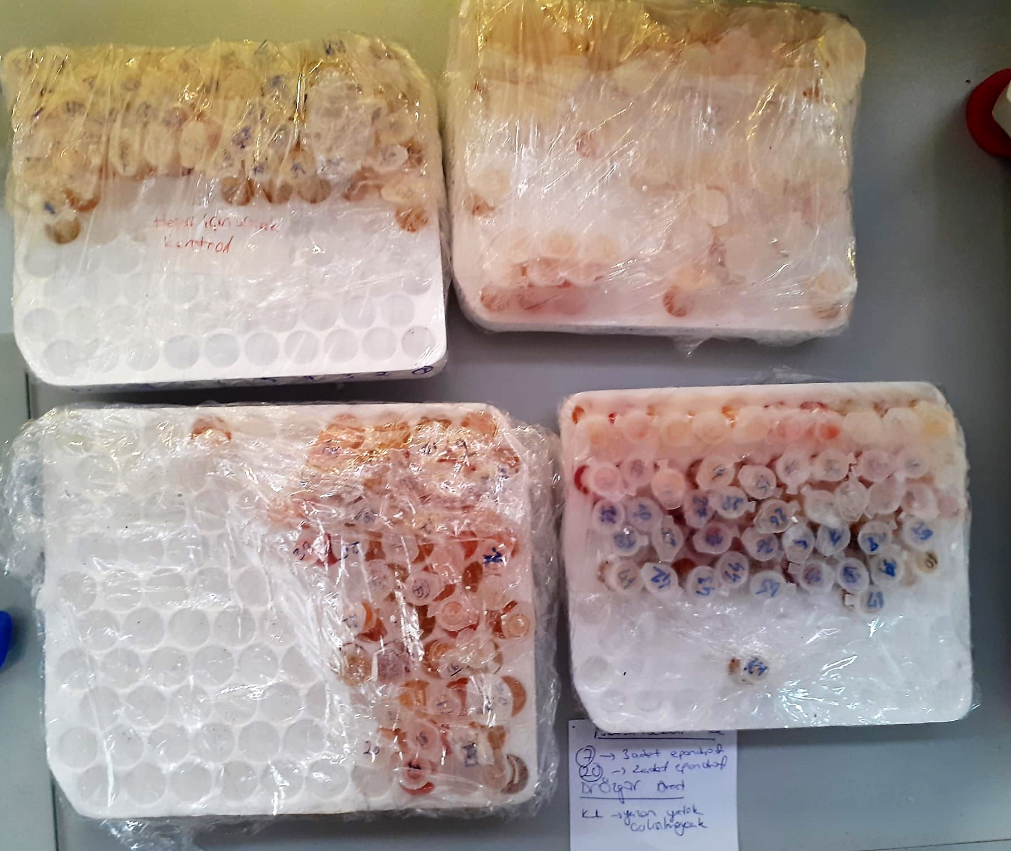
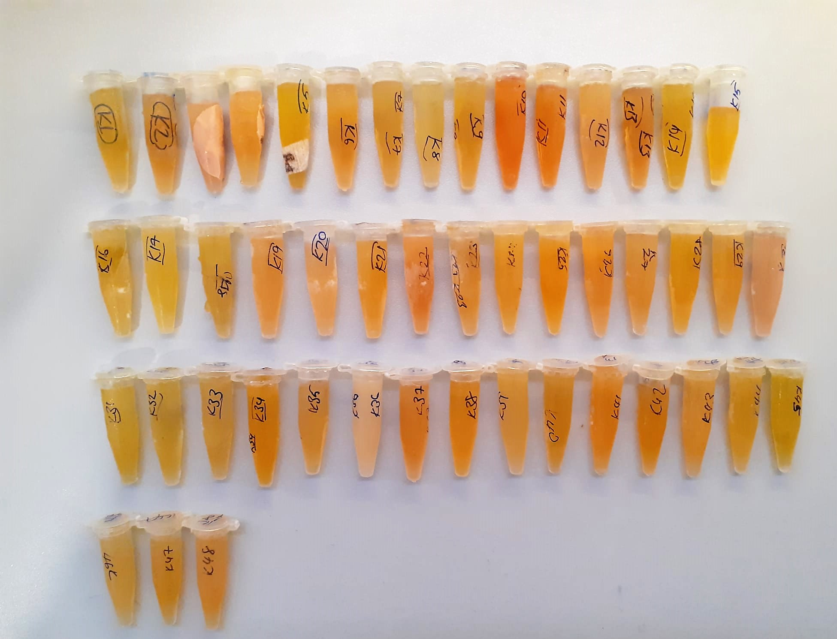

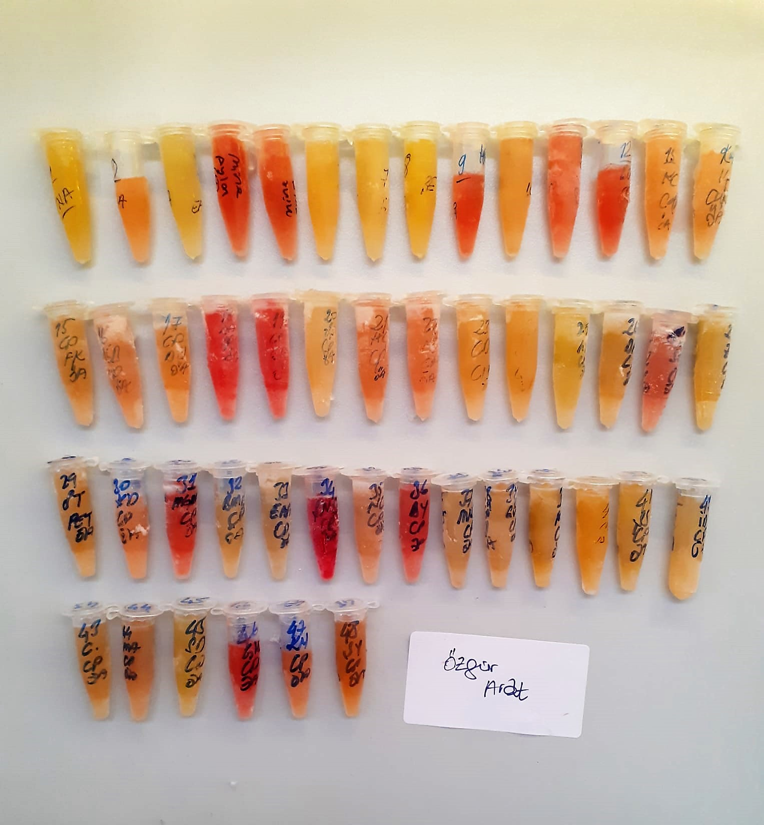
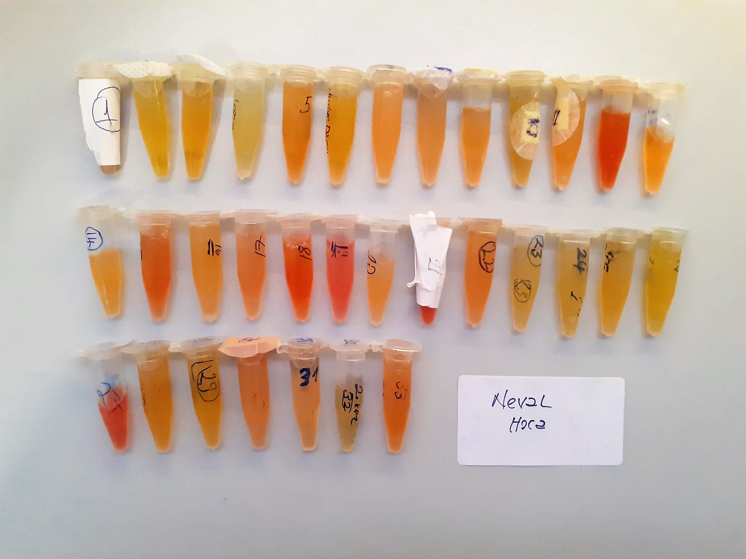

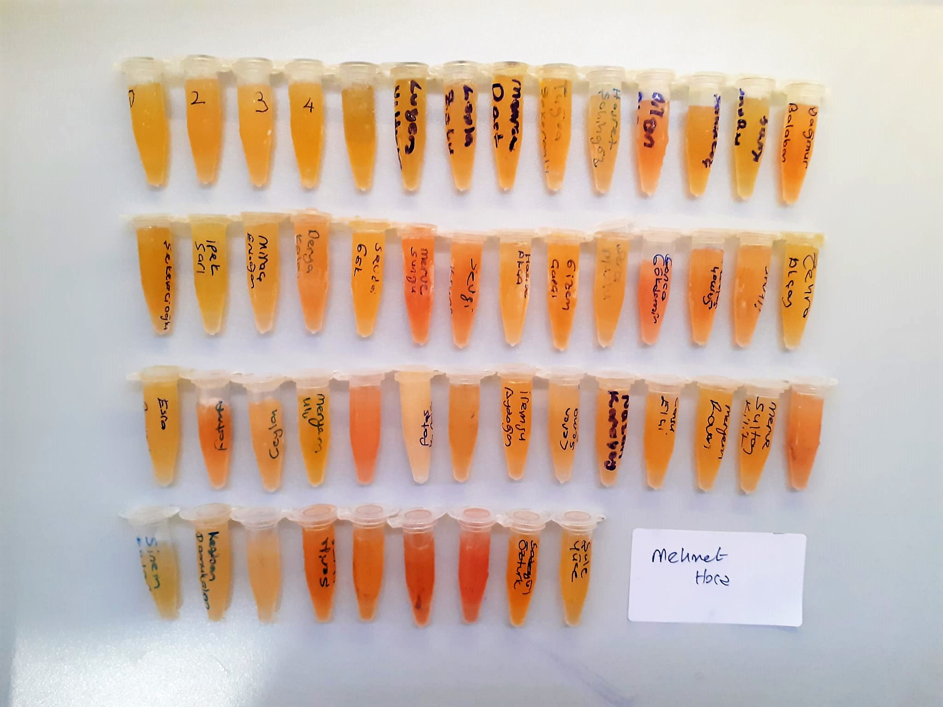

Calprotectin Test Principle
This ELISA kit uses the Sandwich-ELISA principle. The micro ELISA plate provided in this kit has been pre-coated with an antibody specific to Human CALP.
Samples (or Standards) are added to the micro ELISA plate wells and combined with the specific antibody. Then a biotinylated detection antibody specific for Human CALP and Avidin-Horseradish Peroxidase (HRP) conjugate are added successively to each micro plate well and incubated.
Free components are washed away. The substrate solution is added to each well. Only those wells that contain Human CALP, biotinylated detection antibody and Avidin-HRP conjugate will appear blue in color.
The enzyme-substrate reaction is terminated by the addition of stop solution and the color turns yellow. The optical density (OD) is measured spectrophotometrically at a wavelength of 450 nm ± 2 nm. The OD value is proportional to the concentration of Human CALP
You can calculate the concentration of Human CALP in the samples by comparing the OD of the samples to the standard curve.

