TIMP-1
2.597 | 1.267 | 1.235 | 1.073 | 1.524
2.008 | 1.493 | 1.755 | 1.762 | 1.586
1.653 | 1.619 | 1.724 | 1.807 | 1.586
1.127 | 1.577 | 1.605 | 1.712 | 1.503
0.708 | 1.84 | 1.839 | 1.269 | 1.487
0.552 | 1.835 | 1.679 | 1.82 | 1.482
TIMP-1
0.326 | 1.832 | 1.563 | 1.376 | 1.437
0.117 | 1.031 | 1.275 | 1.816 | 0.135

 | abs | abs-blank | expected | result
std1 | 2.597 | 2.48 | 10 | 9.764
std2 | 2.008 | 1.891 | 5 | 5.143
std3 | 1.653 | 1.536 | 2.5 | 3.077
std4 | 1.127 | 1.01 | 1.25 | 1.012
std5 | 0.708 | 0.591 | 0.63 | 0.216
std6 | 0.552 | 0.435 | 0.31 | 0.113
std7 | 0.326 | 0.209 | 0.16 | 0.148
blank | 0.117 | 0 | 0 | 0.376

 |  |  |  |  | concentratıon (ng/ml)

Numune | absorbans | blank | abs-blank | result
1.hafta-SVF-1 | 1.267 | 0.117 | 1.15 | 1.445
1.hafta-SVF-2 | 1.493 | 0.117 | 1.376 | 2.323
1.hafta-SVF-3 | 1.619 | 0.117 | 1.502 | 2.908
1.hafta-SVF-4 | 1.577 | 0.117 | 1.46 | 2.705
1.hafta-SVF-5 | 1.84 | 0.117 | 1.723 | 4.098
1.hafta-SVF-6 | 1.835 | 0.117 | 1.718 | 4.069
1.hafta-SVF-7 | 1.832 | 0.117 | 1.715 | 4.051
1.hafta-SVF-8 | 1.031 | 0.117 | 0.914 | 0.763
1.hafta-SVF-9 | 1.235 | 0.117 | 1.118 | 1.339
1.hafta-serum fizy.-1 | 1.755 | 0.117 | 1.638 | 3.615
1.hafta-serum fizy.-2 | 1.724 | 0.117 | 1.607 | 3.447
1.hafta-serum fizy.-3 | 1.605 | 0.117 | 1.488 | 2.840
1.hafta-serum fizy.-4 | 1.839 | 0.117 | 1.722 | 4.092
1.hafta-serum fizy.-5 | 1.679 | 0.117 | 1.562 | 3.210
1.hafta-serum fizy.-6 | 1.563 | 0.117 | 1.446 | 2.640
1.hafta-serum fizy.-7 | 1.275 | 0.117 | 1.158 | 1.473
1.hafta-serum fizy.-8 | 1.073 | 0.117 | 0.956 | 0.867
1.hafta-serum fizy.-9 | 1.762 | 0.117 | 1.645 | 3.654
5.hafta-SVF-1 | 1.807 | 0.117 | 1.69 | 3.907
5.hafta-SVF-2 | 1.712 | 0.117 | 1.595 | 3.383
5.hafta-SVF-3 | 1.269 | 0.117 | 1.152 | 1.452
5.hafta-SVF-4 | 1.82 | 0.117 | 1.703 | 3.982
5.hafta-SVF-5 | 1.376 | 0.117 | 1.259 | 1.841
5.hafta-SVF-6 | 1.816 | 0.117 | 1.699 | 3.959
5.hafta-SVF-7 | 1.524 | 0.117 | 1.407 | 2.461
5.hafta-Serum fizy.-1 | 1.586 | 0.117 | 1.469 | 2.748
5.hafta-Serum fizy.-2 | 1.586 | 0.117 | 1.469 | 2.748
5.hafta-Serum fizy.-3 | 1.503 | 0.117 | 1.386 | 2.367
5.hafta-Serum fizy.-4 | 1.487 | 0.117 | 1.37 | 2.297
5.hafta-Serum fizy.-5 | 1.482 | 0.117 | 1.365 | 2.275
5.hafta-Serum fizy.-6 | 1.437 | 0.117 | 1.32 | 2.085

MMP-13
1.664 | 0.333 | 0.336 | 0.346 | 0.314
1.185 | 0.306 | 0.302 | 0.622 | 0.283
0.788 | 0.275 | 0.373 | 0.319 | 0.347
0.509 | 0.322 | 0.465 | 0.351 | 0.254
0.337 | 0.333 | 0.323 | 0.289 | 0.452
0.228 | 0.799 | 0.281 | 0.302 | 0.289
0.149 | 0.351 | 0.292 | 0.26 | 0.241
0.059 | 0.87 | 0.409 | 0.322 | 0.111

MMP-13

 | abs | abs-blank | expected | result
std1 | 1.664 | 1.605 | 10 | 9.918
std2 | 1.185 | 1.126 | 5 | 5.210
std3 | 0.788 | 0.729 | 2.5 | 2.449
std4 | 0.509 | 0.45 | 1.25 | 1.129
std5 | 0.337 | 0.278 | 0.63 | 0.570
std6 | 0.228 | 0.169 | 0.31 | 0.316
std7 | 0.149 | 0.09 | 0.16 | 0.181
blank | 0.059 | 0 | 0 | 0.077

 |  |  |  |  | concentratıon (ng/ml)

Numune | absorbans | blank | abs-blank | result
1.hafta-SVF-1 | 0.333 | 0.059 | 0.274 | 0.559
1.hafta-SVF-2 | 0.306 | 0.059 | 0.247 | 0.490
1.hafta-SVF-3 | 0.275 | 0.059 | 0.216 | 0.416
1.hafta-SVF-4 | 0.322 | 0.059 | 0.263 | 0.530
1.hafta-SVF-5 | 0.333 | 0.059 | 0.274 | 0.559
1.hafta-SVF-6 | 0.799 | 0.059 | 0.74 | 2.512
1.hafta-SVF-7 | 0.351 | 0.059 | 0.292 | 0.608
1.hafta-SVF-8 | 0.87 | 0.059 | 0.811 | 2.935
1.hafta-SVF-9 | 0.336 | 0.059 | 0.277 | 0.567
1.hafta-serum fizy.-1 | 0.302 | 0.059 | 0.243 | 0.480
1.hafta-serum fizy.-2 | 0.373 | 0.059 | 0.314 | 0.671
1.hafta-serum fizy.-3 | 0.465 | 0.059 | 0.406 | 0.967
1.hafta-serum fizy.-4 | 0.323 | 0.059 | 0.264 | 0.533
1.hafta-serum fizy.-5 | 0.281 | 0.059 | 0.222 | 0.430
1.hafta-serum fizy.-6 | 0.292 | 0.059 | 0.233 | 0.456
1.hafta-serum fizy.-7 | 0.409 | 0.059 | 0.35 | 0.780
1.hafta-serum fizy.-8 | 0.346 | 0.059 | 0.287 | 0.594
1.hafta-serum fizy.-9 | 0.622 | 0.059 | 0.563 | 1.602
5.hafta-SVF-1 | 0.319 | 0.059 | 0.26 | 0.522
5.hafta-SVF-2 | 0.351 | 0.059 | 0.292 | 0.608
5.hafta-SVF-3 | 0.289 | 0.059 | 0.23 | 0.448
5.hafta-SVF-4 | 0.302 | 0.059 | 0.243 | 0.480
5.hafta-SVF-5 | 0.26 | 0.059 | 0.201 | 0.382
5.hafta-SVF-6 | 0.322 | 0.059 | 0.263 | 0.530
5.hafta-SVF-7 | 0.314 | 0.059 | 0.255 | 0.510
5.hafta-Serum fizy.-1 | 0.283 | 0.059 | 0.224 | 0.434
5.hafta-Serum fizy.-2 | 0.347 | 0.059 | 0.288 | 0.597
5.hafta-Serum fizy.-3 | 0.254 | 0.059 | 0.195 | 0.369
5.hafta-Serum fizy.-4 | 0.452 | 0.059 | 0.393 | 0.922
5.hafta-Serum fizy.-5 | 0.289 | 0.059 | 0.23 | 0.448
5.hafta-Serum fizy.-6 | 0.241 | 0.059 | 0.182 | 0.342

MMP-3
2.462 | 1.885 | 2.234 | 2.359 | 2.187
1.642 | 2.053 | 1.541 | 1.781 | 2.198
1.049 | 1.862 | 2.108 | 1.818 | 1.781
0.543 | 1.879 | 1.96 | 1.918 | 1.517
0.266 | 2.094 | 1.821 | 1.868 | 1.83
0.189 | 1.897 | 1.871 | 2.001 | 2.11
0.132 | 1.985 | 1.788 | 1.723 | 1.966
0.078 | 1.916 | 2.313 | 2.164 | 0.092

MMP-3

 | abs | abs-blank | expected | result
std1 | 2.462 | 2.384 | 10 | 9.949
std2 | 1.642 | 1.564 | 5 | 5.111
std3 | 1.049 | 0.971 | 2.5 | 2.573
std4 | 0.543 | 0.465 | 1.25 | 1.044
std5 | 0.266 | 0.188 | 0.63 | 0.456
std6 | 0.189 | 0.111 | 0.31 | 0.324
std7 | 0.132 | 0.054 | 0.16 | 0.235
blank | 0.078 | 0 | 0 | 0.157

 |  |  |  |  | concentratıon (ng/ml)

Numune | absorbans | blank | abs-blank | result
1.hafta-SVF-1 | 1.885 | 0.078 | 1.807 | 6.384
1.hafta-SVF-2 | 2.053 | 0.078 | 1.975 | 7.343
1.hafta-SVF-3 | 1.862 | 0.078 | 1.784 | 6.258
1.hafta-SVF-4 | 1.879 | 0.078 | 1.801 | 6.351
1.hafta-SVF-5 | 2.094 | 0.078 | 2.016 | 7.587
1.hafta-SVF-6 | 1.897 | 0.078 | 1.819 | 6.450
1.hafta-SVF-7 | 1.985 | 0.078 | 1.907 | 6.947
1.hafta-SVF-8 | 1.916 | 0.078 | 1.838 | 6.556
1.hafta-SVF-9 | 2.234 | 0.078 | 2.156 | 8.449
1.hafta-serum fizy.-1 | 1.541 | 0.078 | 1.463 | 4.622
1.hafta-serum fizy.-2 | 2.108 | 0.078 | 2.03 | 7.671
1.hafta-serum fizy.-3 | 1.96 | 0.078 | 1.882 | 6.804
1.hafta-serum fizy.-4 | 1.821 | 0.078 | 1.743 | 6.035
1.hafta-serum fizy.-5 | 1.871 | 0.078 | 1.793 | 6.307
1.hafta-serum fizy.-6 | 1.788 | 0.078 | 1.71 | 5.860
1.hafta-serum fizy.-7 | 2.313 | 0.078 | 2.235 | 8.955
1.hafta-serum fizy.-8 | 2.359 | 0.078 | 2.281 | 9.257
1.hafta-serum fizy.-9 | 1.781 | 0.078 | 1.703 | 5.823
5.hafta-SVF-1 | 1.818 | 0.078 | 1.74 | 6.019
5.hafta-SVF-2 | 1.918 | 0.078 | 1.84 | 6.567
5.hafta-SVF-3 | 1.868 | 0.078 | 1.79 | 6.290
5.hafta-SVF-4 | 2.001 | 0.078 | 1.923 | 7.039
5.hafta-SVF-5 | 1.723 | 0.078 | 1.645 | 5.520
5.hafta-SVF-6 | 2.164 | 0.078 | 2.086 | 8.012
5.hafta-SVF-7 | 2.187 | 0.078 | 2.109 | 8.155
5.hafta-Serum fizy.-1 | 2.198 | 0.078 | 2.12 | 8.223
5.hafta-Serum fizy.-2 | 1.781 | 0.078 | 1.703 | 5.823
5.hafta-Serum fizy.-3 | 1.517 | 0.078 | 1.439 | 4.509
5.hafta-Serum fizy.-4 | 1.83 | 0.078 | 1.752 | 6.084
5.hafta-Serum fizy.-5 | 2.11 | 0.078 | 2.032 | 7.683
5.hafta-Serum fizy.-6 | 1.966 | 0.078 | 1.888 | 6.838

MMP-9
2.562 | 1.239 | 1.74 | 1.697 | 1.657
1.442 | 1.572 | 1.122 | 2.348 | 1.918
1.019 | 0.927 | 1.839 | 1.72 | 1.909
0.543 | 1.359 | 2.665 | 2.308 | 1.318
0.266 | 2.026 | 1.677 | 1.671 | 2.401
0.189 | 2.231 | 1.266 | 1.367 | 1.432
0.132 | 0.901 | 1.026 | 1.027 | 0.798
0.078 | 2.175 | 1.638 | 1.544 | 0.157

MMP-9

 | abs | abs-blank | expected | result
std1 | 2.562 | 2.484 | 500 | 503.002
std2 | 1.442 | 1.364 | 250 | 229.645
std3 | 1.019 | 0.941 | 125 | 146.359
std4 | 0.543 | 0.465 | 62.5 | 65.721
std5 | 0.266 | 0.188 | 31.25 | 25.173
std6 | 0.189 | 0.111 | 15.63 | 14.734
std7 | 0.132 | 0.054 | 7.81 | 7.241
blank | 0.078 | 0 | 0 | 0.325

 |  |  |  |  | concentratıon (ng/ml)

Numune | absorbans | blank | abs-blank | result
1.hafta-SVF-1 | 1.239 | 0.078 | 1.161 | 188.310
1.hafta-SVF-2 | 1.572 | 0.078 | 1.494 | 257.439
1.hafta-SVF-3 | 0.927 | 0.078 | 0.849 | 129.693
1.hafta-SVF-4 | 1.359 | 0.078 | 1.281 | 212.440
1.hafta-SVF-5 | 2.026 | 0.078 | 1.948 | 362.610
1.hafta-SVF-6 | 2.231 | 0.078 | 2.153 | 414.230
1.hafta-SVF-7 | 0.901 | 0.078 | 0.823 | 125.077
1.hafta-SVF-8 | 2.175 | 0.078 | 2.097 | 399.874
1.hafta-SVF-9 | 1.74 | 0.078 | 1.662 | 294.888
1.hafta-serum fizy.-1 | 1.122 | 0.078 | 1.044 | 165.631
1.hafta-serum fizy.-2 | 1.839 | 0.078 | 1.761 | 317.764
1.hafta-serum fizy.-3 | 2.665 | 0.078 | 2.587 | 531.992
1.hafta-serum fizy.-4 | 1.677 | 0.078 | 1.599 | 280.642
1.hafta-serum fizy.-5 | 1.266 | 0.078 | 1.188 | 193.662
1.hafta-serum fizy.-6 | 1.026 | 0.078 | 0.948 | 147.648
1.hafta-serum fizy.-7 | 1.638 | 0.078 | 1.56 | 271.945
1.hafta-serum fizy.-8 | 1.697 | 0.078 | 1.619 | 285.138
1.hafta-serum fizy.-9 | 2.348 | 0.078 | 2.27 | 444.843
5.hafta-SVF-1 | 1.72 | 0.078 | 1.642 | 290.339
5.hafta-SVF-2 | 2.308 | 0.078 | 2.23 | 434.283
5.hafta-SVF-3 | 1.671 | 0.078 | 1.593 | 279.298
5.hafta-SVF-4 | 1.367 | 0.078 | 1.289 | 214.080
5.hafta-SVF-5 | 1.027 | 0.078 | 0.949 | 147.833
5.hafta-SVF-6 | 1.544 | 0.078 | 1.466 | 251.365
5.hafta-SVF-7 | 1.657 | 0.078 | 1.579 | 276.171
5.hafta-Serum fizy.-1 | 1.918 | 0.078 | 1.84 | 336.449
5.hafta-Serum fizy.-2 | 1.909 | 0.078 | 1.831 | 334.301
5.hafta-Serum fizy.-3 | 1.318 | 0.078 | 1.24 | 204.096
5.hafta-Serum fizy.-4 | 2.401 | 0.078 | 2.323 | 458.986
5.hafta-Serum fizy.-5 | 1.432 | 0.078 | 1.354 | 227.549
5.hafta-Serum fizy.-6 | 0.798 | 0.078 | 0.72 | 107.197

Materyal-metod
KİT ADI | TÜR | MARKA | LOT | CAT. NO | Yöntem | Kullanılan Cihaz
Tıssue Inhibitors of Metalloproteinase 1 | Rat | ELABSCIENCE | EDZP11G3XA | E-EL-R0540 | ELİSA | Mıcroplate reader: BIO-TEK EL X 800-Aotu strıp washer:BIO TEK EL X 50
Matrix Metalloproteinase 13 | Rat | ELABSCIENCE | JWRZDQDSMV | E-EL-R0045 | ELİSA | Mıcroplate reader: BIO-TEK EL X 800-Aotu strıp washer:BIO TEK EL X 50
Matrix Metalloproteinase 3 | Rat | ELABSCIENCE | FRYB2WG4F5 | E-EL-R0619 | ELİSA | Mıcroplate reader: BIO-TEK EL X 800-Aotu strıp washer:BIO TEK EL X 50
Matrix Metalloproteinase 9 | Rat | ELABSCIENCE | PFJ9PEBIDF | E-EL-R3021 | ELİSA | Mıcroplate reader: BIO-TEK EL X 800-Aotu strıp washer:BIO TEK EL X 50

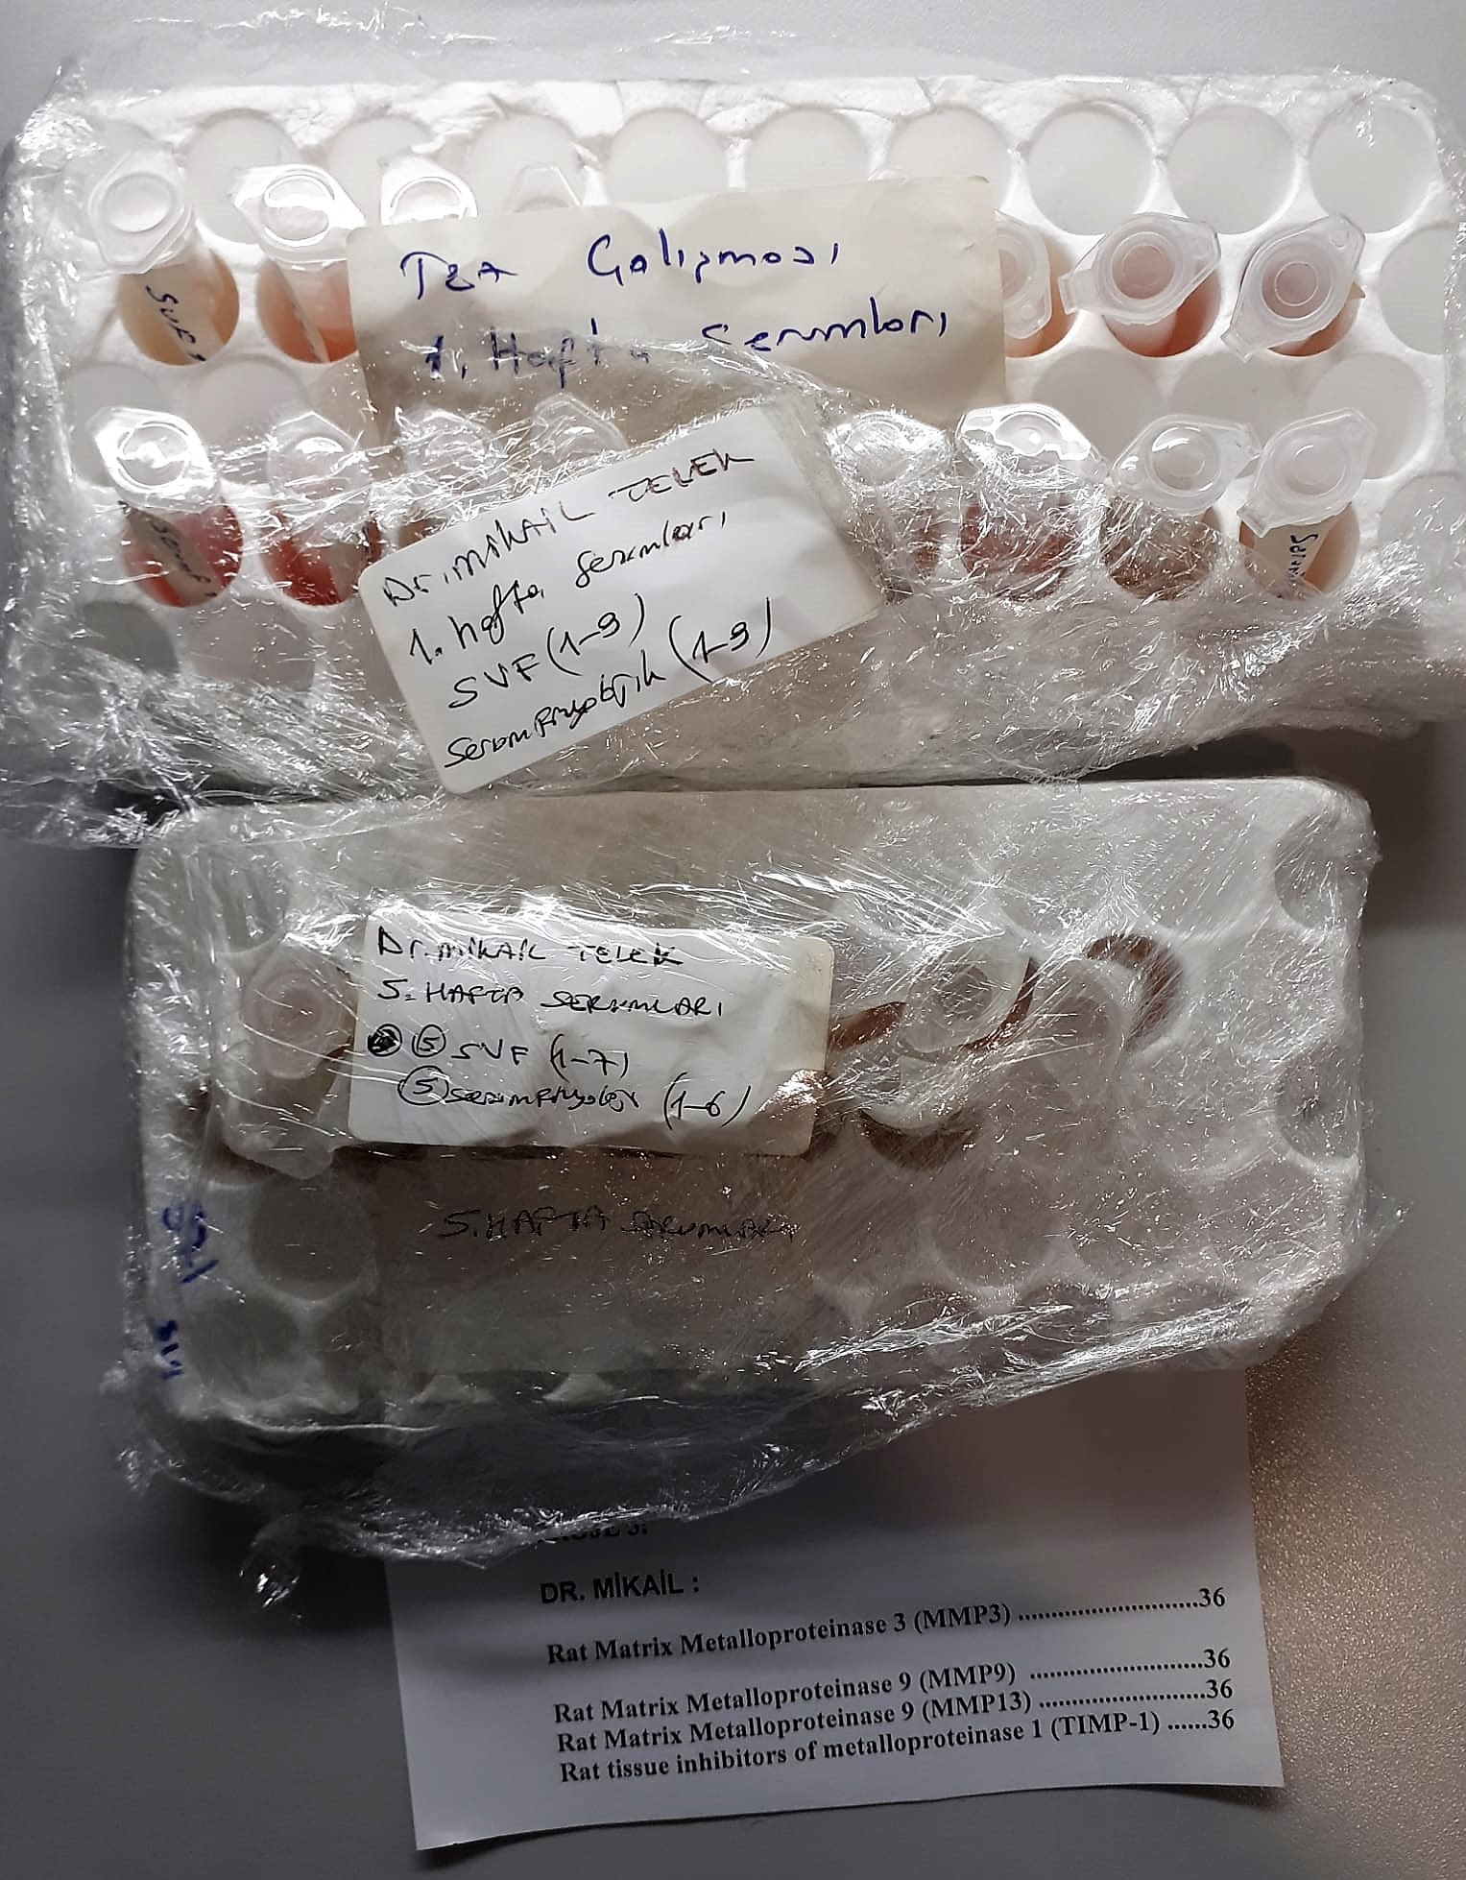
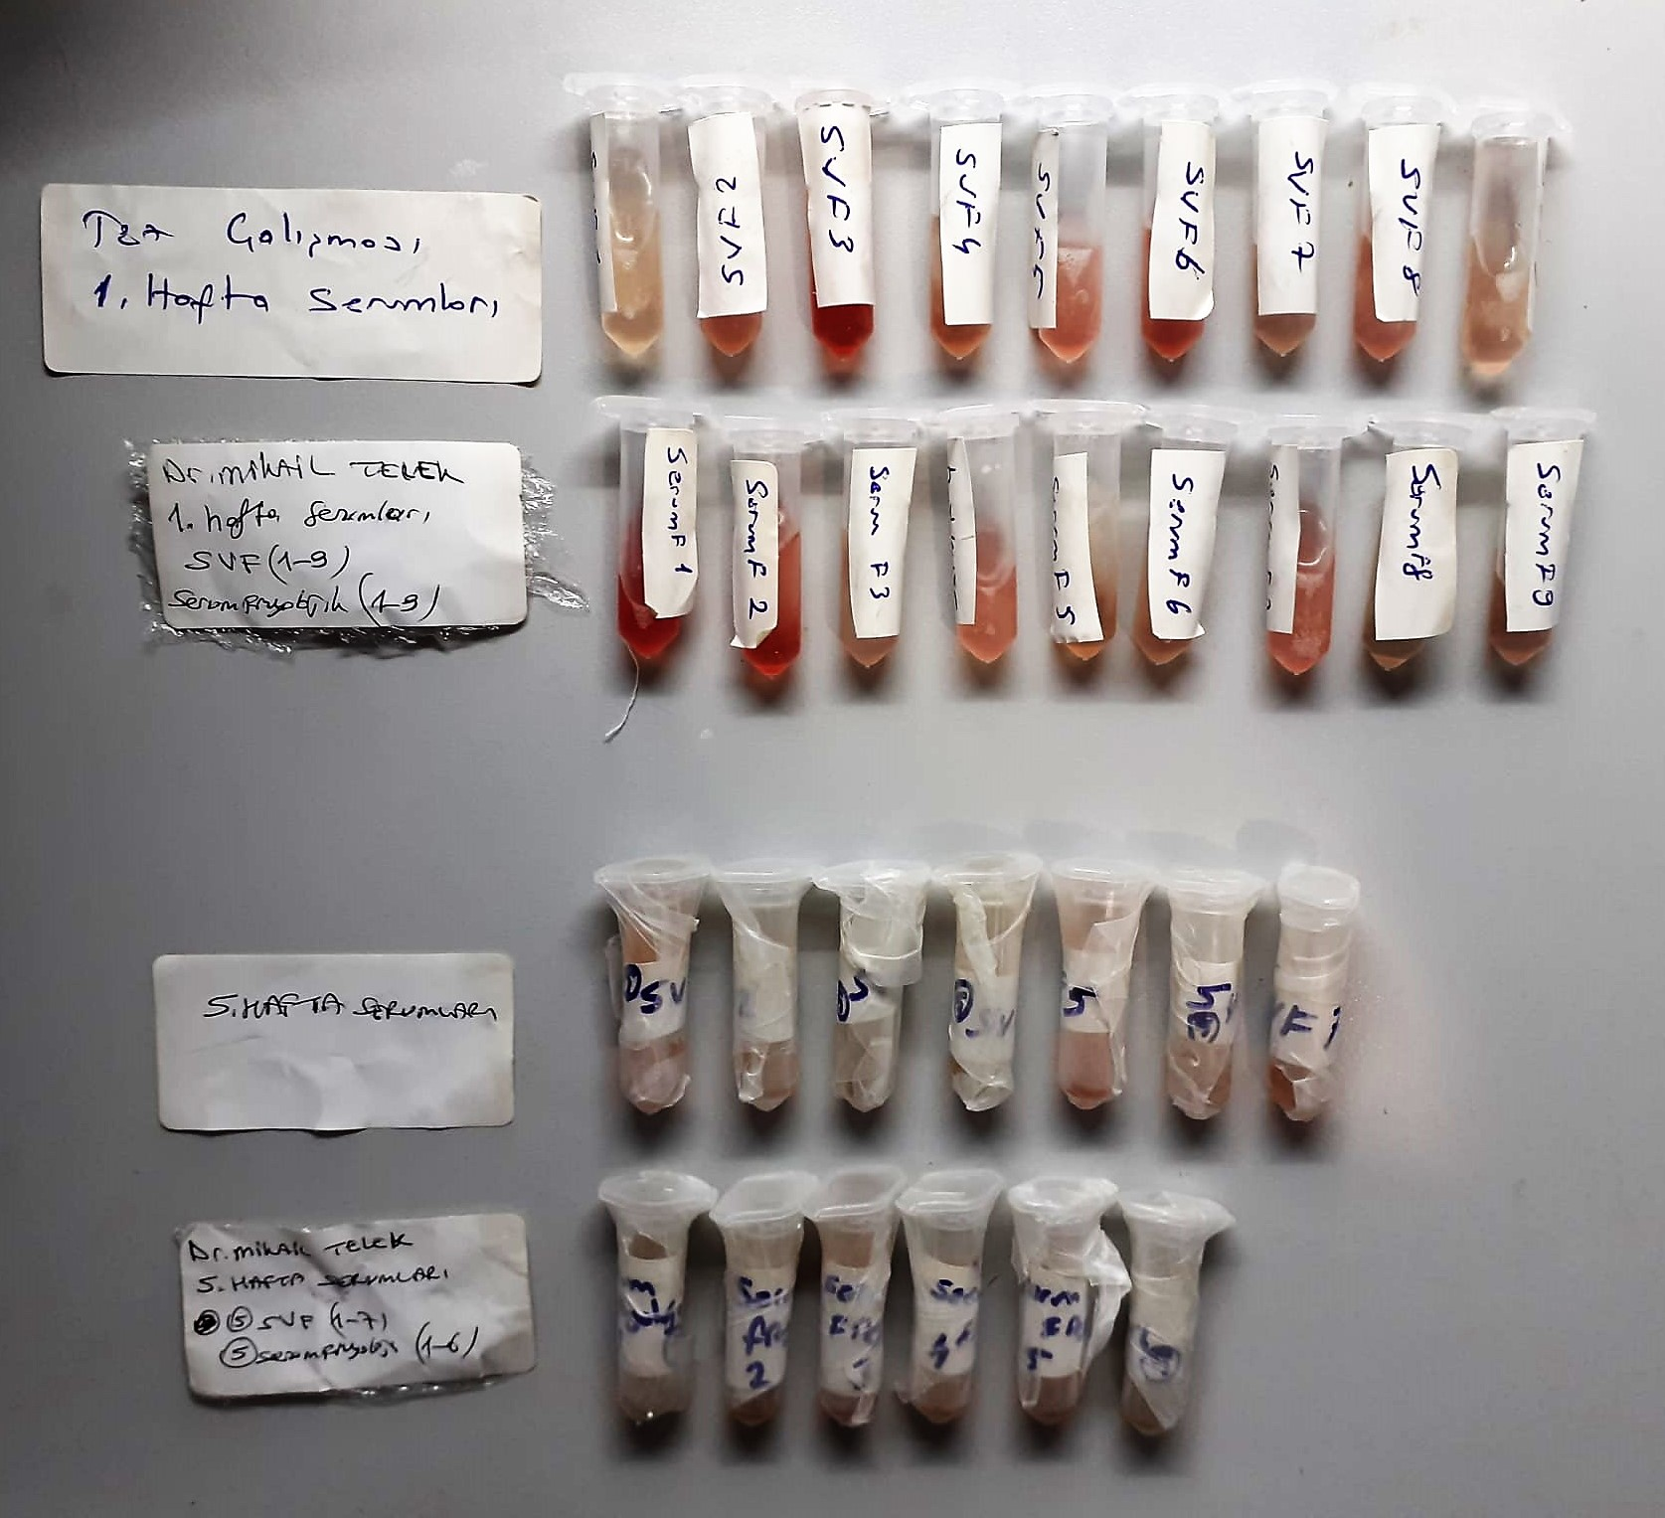

TIMP-1 Assay Priciple
This ELISA kit uses the Sandwich-ELISA principle. The micro ELISA plate provided in this kit has been pre-coated with an antibody specific to Rat TIMP-1.
Samples (or Standards) are added to the micro ELISA plate wells and combined with the specific antibody. Then a biotinylated detection antibody specific for Rat TIMP-1 and Avidin-Horseradish Peroxidase (HRP) conjugate are added successively to each micro plate well and incubated.
Free components are washed away. The substrate solution is added to each well. Only those wells that contain Rat TIMP-1, biotinylated detection antibody and Avidin-HRP conjugate will appear blue in color.
The enzyme-substrate reaction is terminated by the addition of stop solution and the color turns yellow. The optical density (OD) is measured spectrophotometrically at a wavelength of 450 nm ± 2 nm.
The OD value is proportional to the concentration of Rat TIMP-1. You can calculate the concentration of Rat TIMP-1 in the samples by comparing the OD of the samples to the standard curve.

MMP-13 Assay Principle
This ELISA kit uses the Sandwich-ELISA principle. The micro ELISA plate provided in this kit has been pre-coated with an antibody specific to Rat MMP-13.
Samples (or Standards) are added to the micro ELISA plate wells and combined with the specific antibody. Then a biotinylated detection antibody specific for Rat MMP-13 and Avidin-Horseradish Peroxidase (HRP) conjugate are added successively to each micro plate well and incubated.
Free components are washed away. The substrate solution is added to each well. Only those wells that contain Rat MMP-13, biotinylated detection antibody and Avidin-HRP conjugate will appear blue in color.
The enzyme-substrate reaction is terminated by the addition of stop solution and the color turns yellow. The optical density (OD) is measured spectrophotometrically at a wavelength of 450 nm ± 2 nm.
The OD value is proportional to the concentration of Rat MMP-13. You can calculate the concentration of Rat MMP-13 in the samples by comparing the OD of the samples to the standard curve.

MMP-3 Assay Principle
This ELISA kit uses the Sandwich-ELISA principle. The micro ELISA plate provided in this kit has been pre-coated with an antibody specific to Rat MMP-3.
Samples (or Standards) are added to the micro ELISA plate wells and combined with the specific antibody. Then a biotinylated detection antibody specific for Rat MMP-3 and Avidin-Horseradish Peroxidase (HRP) conjugate are added successively to each micro plate well and incubated.
Free components are washed away. The substrate solution is added to each well. Only those wells that contain Rat MMP-3, biotinylated detection antibody and Avidin-HRP conjugate will appear blue in color.
The enzyme-substrate reaction is terminated by the addition of stop solution and the color turns yellow. The optical density (OD) is measured spectrophotometrically at a wavelength of 450 nm ± 2 nm.
The OD value is proportional to the concentration of Rat MMP-3. You can calculate the concentration of Rat MMP-3 in the samples by comparing the OD of the samples to the standard curve.

MMP-9 Assay Principle
This ELISA kit uses the Sandwich-ELISA principle. The micro ELISA plate provided in this kit has been pre-coated with an antibody specific to Rat MMP-9.
Samples (or Standards) are added to the micro ELISA plate wells and combined with the specific antibody. Then a biotinylated detection antibody specific for Rat MMP-9 and Avidin-Horseradish Peroxidase (HRP) conjugate are added successively to each micro plate well and incubated.
Free components are washed away. The substrate solution is added to each well. Only those wells that contain Rat MMP-9, biotinylated detection antibody and Avidin-HRP conjugate will appear blue in color.
The enzyme-substrate reaction is terminated by the addition of stop solution and the color turns yellow. The optical density (OD) is measured spectrophotometrically at a wavelength of 450 ± 2 nm.
The OD value is proportional to the concentration of Rat MMP-9. You can calculate the concentration of Rat MMP-9 in the samples by comparing the OD of the samples to the standard curve.

