Serum-FSH
2.291 | 1.116 | 0.959 | 1.458 | 1.993 | 1.392 | 1.376 | 1.21 | 0.915
1.396 | 1.341 | 1.032 | 1.426 | 1.618 | 1.336 | 1.589 | 1.401 | 0.993
0.784 | 1.364 | 1.579 | 1.251 | 1.1 | 1.101 | 1.784 | 0.842 | 0.931
0.403 | 1.218 | 1.809 | 1.25 | 1.45 | 1.595 | 1.715 | 0.898 | 1.147
0.204 | 1.279 | 1.508 | 1.471 | 1.714 | 1.466 | 1.28 | 1.154
0.137 | 1.314 | 1.252 | 1.57 | 1.578 | 1.294 | 1.248 | 0.867
0.104 | 2.377 | 2.006 | 1.736 | 1.567 | 1.194 | 1.07 | 0.967
0.086 | 1.352 | 1.455 | 1.261 | 1.415 | 1.109 | 1.328 | 1.264

FSH
 | abs | abs-blank | expected | result
std1 | 2.291 | 2.205 | 200 | 199.32
std2 | 1.396 | 1.31 | 100 | 102.22
std3 | 0.784 | 0.698 | 50 | 49.57
std4 | 0.403 | 0.317 | 25 | 22.43
std5 | 0.204 | 0.118 | 12.5 | 9.98
std6 | 0.137 | 0.051 | 6.25 | 6.05
std7 | 0.104 | 0.018 | 3.13 | 4.17
blank | 0.086 | 0 | 0 | 3.15

 |  |  |  |  |  |  |  |  | concentratıon (ng/ml)

Numune | absorbans | blank | abs-blank | result
Kontrol-K7K1 | 1.116 | 0.086 | 1.03 | 76.74
Kontrol-K8Y2 | 1.341 | 0.086 | 1.255 | 97.03
Kontrol-K19S2 | 1.364 | 0.086 | 1.278 | 99.19
Kontrol-K19K2 | 1.218 | 0.086 | 1.132 | 85.75
Kontrol-K20S4 | 1.279 | 0.086 | 1.193 | 91.29
Kontrol-K8Y3 | 1.314 | 0.086 | 1.228 | 94.51
Kontrol-K8Y1 | 2.377 | 0.086 | 2.291 | 209.91
Kontrol-K7S2 | 1.352 | 0.086 | 1.266 | 98.06
Kontrol-K20S2 | 0.959 | 0.086 | 0.873 | 63.48
Kontrol-K20S3 | 1.032 | 0.086 | 0.946 | 69.56
Kontrol-K20S4 | 1.579 | 0.086 | 1.493 | 120.13
Kontrol-K20S5 | 1.809 | 0.086 | 1.723 | 144.06
Kontrol-K20S4 | 1.508 | 0.086 | 1.422 | 113.06
Kontrol-K20S1 | 1.252 | 0.086 | 1.166 | 88.82
Kontrol-K7S3 | 2.006 | 0.086 | 1.92 | 165.81
Egzersiz-K5K3 | 1.455 | 0.086 | 1.369 | 107.88
Egzersiz-K19S4 | 1.458 | 0.086 | 1.372 | 108.17
Egzersiz-K18K1 | 1.426 | 0.086 | 1.34 | 105.08
Egzersiz-K18K4 | 1.251 | 0.086 | 1.165 | 88.73
Egzersiz-K19S3 | 1.25 | 0.086 | 1.164 | 88.64
Egzersiz-K6M3 | 1.471 | 0.086 | 1.385 | 109.44
Egzersiz-K5K4 | 1.57 | 0.086 | 1.484 | 119.22
Egzersiz-K6M1 | 1.736 | 0.086 | 1.65 | 136.29
Egzersiz-K6M2 | 1.261 | 0.086 | 1.175 | 89.64
Egzersiz-K10M1 | 1.993 | 0.086 | 1.907 | 164.34
Egzersiz-K12Y1 | 1.618 | 0.086 | 1.532 | 124.08
Egzersiz-K12Y2 | 1.1 | 0.086 | 1.014 | 75.36
Egzersiz-K10M2 | 1.45 | 0.086 | 1.364 | 107.40
Egzersiz-K10M3 | 1.714 | 0.086 | 1.628 | 133.98
Egzersiz-K5K2 | 1.578 | 0.086 | 1.492 | 120.03
PCOS-K17M1 | 1.567 | 0.086 | 1.481 | 118.92
PCOS-K17M3 | 1.415 | 0.086 | 1.329 | 104.03
PCOS-K1K3 | 1.392 | 0.086 | 1.306 | 101.84
PCOS-K3S2 | 1.336 | 0.086 | 1.25 | 96.56
PCOS-K1K4 | 1.101 | 0.086 | 1.015 | 75.44
PCOS-K3Y3 | 1.595 | 0.086 | 1.509 | 121.74
PCOS-K1M3 | 1.466 | 0.086 | 1.38 | 108.95
PCOS-K2M2 | 1.294 | 0.086 | 1.208 | 92.67
PCOS-K3Y1 | 1.194 | 0.086 | 1.108 | 83.60
PCOS-K1K1 | 1.109 | 0.086 | 1.023 | 76.13
PCOS-K3S1 | 1.376 | 0.086 | 1.29 | 100.32
PCOS-K3Y3 | 1.589 | 0.086 | 1.503 | 121.14
PCOS-K17M1 | 1.784 | 0.086 | 1.698 | 141.38
PCOS-K17M2 | 1.715 | 0.086 | 1.629 | 134.09
PCOS-K17M4 | 1.28 | 0.086 | 1.194 | 91.38
PE-K15Y3 | 1.248 | 0.086 | 1.162 | 88.46
PE-K13K2 | 1.07 | 0.086 | 0.984 | 72.78
PE-K16S3 | 1.328 | 0.086 | 1.242 | 95.81
PE-K13K3 | 1.21 | 0.086 | 1.124 | 85.03
PE-K13K1 | 1.401 | 0.086 | 1.315 | 102.69
PE-K16S2 | 0.842 | 0.086 | 0.756 | 54.08
PE-K16Y2 | 0.898 | 0.086 | 0.812 | 58.53
PE-Y4 | 1.154 | 0.086 | 1.068 | 80.06
PE-K15Y4 | 0.867 | 0.086 | 0.781 | 56.05
PE-K14S1 | 0.967 | 0.086 | 0.881 | 64.14
PE-K15Y2 | 1.264 | 0.086 | 1.178 | 89.92
PE-K14S1 | 0.915 | 0.086 | 0.829 | 59.90
PE-K14S2 | 0.993 | 0.086 | 0.907 | 66.29
PE-K14S3 | 0.931 | 0.086 | 0.845 | 61.19
PE-K14S4 | 1.147 | 0.086 | 1.061 | 79.45

Serum-LH
2.413 | 0.566 | 0.876 | 0.587 | 0.862 | 0.789 | 0.69 | 0.177 | 0.348
1.614 | 0.531 | 1.09 | 0.385 | 0.639 | 0.403 | 0.902 | 0.479 | 0.822
0.882 | 0.622 | 0.732 | 0.597 | 0.861 | 0.674 | 1.157 | 0.249 | 0.709
0.476 | 1.385 | 0.986 | 0.596 | 1.178 | 0.888 | 0.868 | 0.786 | 0.786
0.243 | 1.351 | 0.617 | 1.17 | 1.011 | 0.187 | 0.43 | 0.885
0.169 | 1.047 | 0.517 | 0.94 | 0.968 | 0.604 | 0.408 | 0.58
0.122 | 1.061 | 0.659 | 0.965 | 0.862 | 0.115 | 0.559 | 0.243
0.074 | 1.104 | 0.353 | 0.542 | 0.784 | 0.2 | 0.175 | 0.66

LH
 | abs | abs-blank | expected | result
std1 | 2.413 | 2.339 | 100 | 98.81
std2 | 1.614 | 1.54 | 50 | 53.46
std3 | 0.882 | 0.808 | 25 | 22.97
std4 | 0.476 | 0.402 | 12.5 | 10.63
std5 | 0.243 | 0.169 | 6.25 | 5.01
std6 | 0.169 | 0.095 | 3.13 | 3.45
std7 | 0.122 | 0.048 | 1.56 | 2.52
blank | 0.074 | 0 | 0 | 1.61

 |  |  |  |  |  |  |  |  | concentratıon (mlU/ml)

Numune | absorbans | blank | abs-blank | result
Kontrol-K7K1 | 0.566 | 0.074 | 0.492 | 13.08
Kontrol-K8Y2 | 0.531 | 0.074 | 0.457 | 12.11
Kontrol-K19S2 | 0.622 | 0.074 | 0.548 | 14.69
Kontrol-K19K2 | 1.385 | 0.074 | 1.311 | 42.78
Kontrol-K20S4 | 1.351 | 0.074 | 1.277 | 41.29
Kontrol-K8Y3 | 1.047 | 0.074 | 0.973 | 28.92
Kontrol-K8Y1 | 1.061 | 0.074 | 0.987 | 29.45
Kontrol-K7S2 | 1.104 | 0.074 | 1.03 | 31.10
Kontrol-K20S2 | 0.876 | 0.074 | 0.802 | 22.77
Kontrol-K20S3 | 1.09 | 0.074 | 1.016 | 30.56
Kontrol-K20S4 | 0.732 | 0.074 | 0.658 | 18.03
Kontrol-K20S5 | 0.986 | 0.074 | 0.912 | 26.66
Kontrol-K20S4 | 0.617 | 0.074 | 0.543 | 14.54
Kontrol-K20S1 | 0.517 | 0.074 | 0.443 | 11.72
Kontrol-K7S3 | 0.659 | 0.074 | 0.585 | 15.79
Egzersiz-K5K3 | 0.353 | 0.074 | 0.279 | 7.53
Egzersiz-K19S4 | 0.587 | 0.074 | 0.513 | 13.68
Egzersiz-K18K1 | 0.385 | 0.074 | 0.311 | 8.30
Egzersiz-K18K4 | 0.597 | 0.074 | 0.523 | 13.96
Egzersiz-K19S3 | 0.596 | 0.074 | 0.522 | 13.94
Egzersiz-K6M3 | 1.17 | 0.074 | 1.096 | 33.70
Egzersiz-K5K4 | 0.94 | 0.074 | 0.866 | 25.00
Egzersiz-K6M1 | 0.965 | 0.074 | 0.891 | 25.90
Egzersiz-K6M2 | 0.542 | 0.074 | 0.468 | 12.41
Egzersiz-K10M1 | 0.862 | 0.074 | 0.788 | 22.29
Egzersiz-K12Y1 | 0.639 | 0.074 | 0.565 | 15.19
Egzersiz-K12Y2 | 0.861 | 0.074 | 0.787 | 22.25
Egzersiz-K10M2 | 1.178 | 0.074 | 1.104 | 34.02
Egzersiz-K10M3 | 1.011 | 0.074 | 0.937 | 27.58
Egzersiz-K5K2 | 0.968 | 0.074 | 0.894 | 26.00
PCOS-K17M1 | 0.862 | 0.074 | 0.788 | 22.29
PCOS-K17M3 | 0.784 | 0.074 | 0.71 | 19.69
PCOS-K1K3 | 0.789 | 0.074 | 0.715 | 19.86
PCOS-K3S2 | 0.403 | 0.074 | 0.329 | 8.75
PCOS-K1K4 | 0.674 | 0.074 | 0.6 | 16.24
PCOS-K3Y3 | 0.888 | 0.074 | 0.814 | 23.18
PCOS-K1M3 | 0.187 | 0.074 | 0.113 | 3.82
PCOS-K2M2 | 0.604 | 0.074 | 0.53 | 14.17
PCOS-K3Y1 | 0.115 | 0.074 | 0.041 | 2.38
PCOS-K1K1 | 0.2 | 0.074 | 0.126 | 4.09
PCOS-K3S1 | 0.69 | 0.074 | 0.616 | 16.73
PCOS-K3Y3 | 0.902 | 0.074 | 0.828 | 23.66
PCOS-K17M1 | 1.157 | 0.074 | 1.083 | 33.18
PCOS-K17M2 | 0.868 | 0.074 | 0.794 | 22.49
PCOS-K17M4 | 0.43 | 0.074 | 0.356 | 9.43
PE-K15Y3 | 0.408 | 0.074 | 0.334 | 8.88
PE-K13K2 | 0.559 | 0.074 | 0.485 | 12.88
PE-K16S3 | 0.175 | 0.074 | 0.101 | 3.57
PE-K13K3 | 0.177 | 0.074 | 0.103 | 3.61
PE-K13K1 | 0.479 | 0.074 | 0.405 | 10.70
PE-K16S2 | 0.249 | 0.074 | 0.175 | 5.14
PE-K16Y2 | 0.786 | 0.074 | 0.712 | 19.76
PE-Y4 | 0.885 | 0.074 | 0.811 | 23.07
PE-K15Y4 | 0.58 | 0.074 | 0.506 | 13.48
PE-K14S1 | 0.243 | 0.074 | 0.169 | 5.01
PE-K15Y2 | 0.66 | 0.074 | 0.586 | 15.82
PE-K14S1 | 0.348 | 0.074 | 0.274 | 7.41
PE-K14S2 | 0.822 | 0.074 | 0.748 | 20.94
PE-K14S3 | 0.709 | 0.074 | 0.635 | 17.31
PE-K14S4 | 0.786 | 0.074 | 0.712 | 19.76

Serum-INS
2.504 | 0.948 | 0.664 | 0.771 | 0.753 | 0.769 | 0.856 | 0.549 | 1.599
1.495 | 0.923 | 0.664 | 1.154 | 0.729 | 0.792 | 1.215 | 0.932 | 1.153
0.784 | 0.932 | 0.584 | 0.73 | 0.729 | 0.646 | 1.404 | 0.927 | 1.558
0.453 | 0.915 | 0.643 | 1.456 | 0.588 | 1.258 | 1.142 | 1.147 | 0.951
0.203 | 0.661 | 0.652 | 0.924 | 1.032 | 0.73 | 0.62 | 0.996
0.15 | 1.321 | 1.371 | 0.852 | 0.739 | 0.711 | 1.307 | 1.135
0.126 | 1.127 | 1.083 | 0.775 | 0.347 | 0.705 | 0.691 | 1.62
0.063 | 1.139 | 0.881 | 0.932 | 1.08 | 0.869 | 1.772 | 0.811

INSULİN
 | abs | abs-blank | expected | result
std1 | 2.504 | 2.441 | 400 | 398.57
std2 | 1.495 | 1.432 | 200 | 205.60
std3 | 0.784 | 0.721 | 100 | 94.55
std4 | 0.453 | 0.39 | 50 | 49.88
std5 | 0.203 | 0.14 | 25 | 19.11
std6 | 0.15 | 0.087 | 12.5 | 12.91
std7 | 0.126 | 0.063 | 6.25 | 10.14
blank | 0.063 | 0 | 0 | 2.99

 |  |  |  |  |  |  |  |  | concentratıon (pg/ml)

Numune | absorbans | blank | abs-blank | result
Kontrol-K7K1 | 0.948 | 0.063 | 0.885 | 118.33
Kontrol-K8Y2 | 0.923 | 0.063 | 0.86 | 114.64
Kontrol-K19S2 | 0.932 | 0.063 | 0.869 | 115.97
Kontrol-K19K2 | 0.915 | 0.063 | 0.852 | 113.46
Kontrol-K20S4 | 0.661 | 0.063 | 0.598 | 77.43
Kontrol-K8Y3 | 1.321 | 0.063 | 1.258 | 176.52
Kontrol-K8Y1 | 1.127 | 0.063 | 1.064 | 145.55
Kontrol-K7S2 | 1.139 | 0.063 | 1.076 | 147.42
Kontrol-K20S2 | 0.664 | 0.063 | 0.601 | 77.84
Kontrol-K20S3 | 0.664 | 0.063 | 0.601 | 77.84
Kontrol-K20S4 | 0.584 | 0.063 | 0.521 | 67.03
Kontrol-K20S5 | 0.643 | 0.063 | 0.58 | 74.98
Kontrol-K20S4 | 0.652 | 0.063 | 0.589 | 76.20
Kontrol-K20S1 | 1.371 | 0.063 | 1.308 | 184.75
Kontrol-K7S3 | 1.083 | 0.063 | 1.02 | 138.74
Egzersiz-K5K3 | 0.881 | 0.063 | 0.818 | 108.48
Egzersiz-K19S4 | 0.771 | 0.063 | 0.708 | 92.71
Egzersiz-K18K1 | 1.154 | 0.063 | 1.091 | 149.76
Egzersiz-K18K4 | 0.73 | 0.063 | 0.667 | 86.96
Egzersiz-K19S3 | 1.456 | 0.063 | 1.393 | 198.97
Egzersiz-K6M3 | 0.924 | 0.063 | 0.861 | 114.78
Egzersiz-K5K4 | 0.852 | 0.063 | 0.789 | 104.28
Egzersiz-K6M1 | 0.775 | 0.063 | 0.712 | 93.28
Egzersiz-K6M2 | 0.932 | 0.063 | 0.869 | 115.97
Egzersiz-K10M1 | 0.753 | 0.063 | 0.69 | 90.18
Egzersiz-K12Y1 | 0.729 | 0.063 | 0.666 | 86.82
Egzersiz-K12Y2 | 0.729 | 0.063 | 0.666 | 86.82
Egzersiz-K10M2 | 0.588 | 0.063 | 0.525 | 67.56
Egzersiz-K10M3 | 1.032 | 0.063 | 0.969 | 130.94
Egzersiz-K5K2 | 0.739 | 0.063 | 0.676 | 88.21
PCOS-K17M1 | 0.347 | 0.063 | 0.284 | 36.52
PCOS-K17M3 | 1.08 | 0.063 | 1.017 | 138.28
PCOS-K1K3 | 0.769 | 0.063 | 0.706 | 92.43
PCOS-K3S2 | 0.792 | 0.063 | 0.729 | 95.68
PCOS-K1K4 | 0.646 | 0.063 | 0.583 | 75.38
PCOS-K3Y3 | 1.258 | 0.063 | 1.195 | 166.29
PCOS-K1M3 | 0.73 | 0.063 | 0.667 | 86.96
PCOS-K2M2 | 0.711 | 0.063 | 0.648 | 84.31
PCOS-K3Y1 | 0.705 | 0.063 | 0.642 | 83.48
PCOS-K1K1 | 0.869 | 0.063 | 0.806 | 106.74
PCOS-K3S1 | 0.856 | 0.063 | 0.793 | 104.86
PCOS-K3Y3 | 1.215 | 0.063 | 1.152 | 159.40
PCOS-K17M1 | 1.404 | 0.063 | 1.341 | 190.23
PCOS-K17M2 | 1.142 | 0.063 | 1.079 | 147.89
PCOS-K17M4 | 0.62 | 0.063 | 0.557 | 71.86
PE-K15Y3 | 1.307 | 0.063 | 1.244 | 174.23
PE-K13K2 | 0.691 | 0.063 | 0.628 | 81.55
PE-K16S3 | 1.772 | 0.063 | 1.709 | 254.44
PE-K13K3 | 0.549 | 0.063 | 0.486 | 62.38
PE-K13K1 | 0.932 | 0.063 | 0.869 | 115.97
PE-K16S2 | 0.927 | 0.063 | 0.864 | 115.23
PE-K16Y2 | 1.147 | 0.063 | 1.084 | 148.67
PE-Y4 | 0.996 | 0.063 | 0.933 | 125.50
PE-K15Y4 | 1.135 | 0.063 | 1.072 | 146.79
PE-K14S1 | 1.62 | 0.063 | 1.557 | 227.25
PE-K15Y2 | 0.811 | 0.063 | 0.748 | 98.39
PE-K14S1 | 1.599 | 0.063 | 1.536 | 223.57
PE-K14S2 | 1.153 | 0.063 | 1.09 | 149.61
PE-K14S3 | 1.558 | 0.063 | 1.495 | 216.43
PE-K14S4 | 0.951 | 0.063 | 0.888 | 118.78

Doku-IL-6
2.369 | 2.341 | 1.683 | 2.329 | 2.548 | 2.519
1.554 | 0.35 | 0.338 | 1.958 | 2.21 | 2.239
1.009 | 1.861 | 1.41 | 1.858 | 2.314 | 2.452
0.622 | 1.758 | 1.759 | 1.904 | 1.977 | 2.198
0.344 | 2.029 | 2.095 | 2.229 | 1.834 | 2.591
0.269 | 2.344 | 2.125 | 0.418 | 2.204 | 2.596
0.155 | 1.741 | 2.644 | 1.645 | 2.385 | 2.477
0.057 | 2.102 | 2.611 | 2.131 | 2.169 | 2.235

IL-6
 | abs | abs-blank | expected | result
std1 | 2.369 | 2.312 | 800 | 800.08
std2 | 1.554 | 1.497 | 400 | 398.86
std3 | 1.009 | 0.952 | 200 | 203.03
std4 | 0.622 | 0.565 | 100 | 99.25
std5 | 0.344 | 0.287 | 50 | 42.78
std6 | 0.269 | 0.212 | 25 | 30.14
std7 | 0.155 | 0.098 | 12.5 | 13.02
blank | 0.057 | 0 | 0 | 0.34

 |  |  |  |  |  | concentratıon (pg/ml)

Numune | absorbans | blank | abs-blank | result
PE-K14S1 | 2.341 | 0.057 | 2.284 | 784.14
PE-K14S2 | 0.35 | 0.057 | 0.293 | 43.84
PE-Y4 | 1.861 | 0.057 | 1.804 | 534.74
PE-K13K1 | 1.758 | 0.057 | 1.701 | 487.10
PE-Y2 | 2.029 | 0.057 | 1.972 | 616.91
PE-K14S3 | 2.344 | 0.057 | 2.287 | 785.84
PE-K2 | 1.741 | 0.057 | 1.684 | 479.43
PE-K15Y3 | 2.102 | 0.057 | 2.045 | 654.33
PE-K16S2 | 1.683 | 0.057 | 1.626 | 453.71
PE-K13K2 | 0.338 | 0.057 | 0.281 | 41.73
CTR-K7S2 | 1.41 | 0.057 | 1.353 | 341.47
CTR-K19S1 | 1.759 | 0.057 | 1.702 | 487.55
CTR-K20S2 | 2.095 | 0.057 | 2.038 | 650.69
CTR-K20S5 | 2.125 | 0.057 | 2.068 | 666.33
CTR-K9K2 | 2.644 | 0.057 | 2.587 | 964.77
CTR-K20S1 | 2.611 | 0.057 | 2.554 | 944.23
CTR-K20S3 | 2.329 | 0.057 | 2.272 | 777.36
CTR-K20S4 | 1.958 | 0.057 | 1.901 | 581.51
K19S2 | 1.858 | 0.057 | 1.801 | 533.32
CTR-K7S1 | 1.904 | 0.057 | 1.847 | 555.25
EGZ.-K5K3 | 2.229 | 0.057 | 2.172 | 721.92
EGZ.-K5K4 | 0.418 | 0.057 | 0.361 | 56.34
EGZ.-K6M1 | 1.645 | 0.057 | 1.588 | 437.21
EGZ.-K10M2 | 2.131 | 0.057 | 2.074 | 669.48
EGZ.-K10M1 | 2.548 | 0.057 | 2.491 | 905.60
EGZ.-K6M3 | 2.21 | 0.057 | 2.153 | 711.60
EGZ.-K18K4 | 2.314 | 0.057 | 2.257 | 768.92
EGZ.-K19S4 | 1.977 | 0.057 | 1.92 | 590.88
EGZ.-K12Y2 | 1.834 | 0.057 | 1.777 | 522.05
EGZ.-K12Y1 | 2.204 | 0.057 | 2.147 | 708.36
PKOS-K3S1 | 2.385 | 0.057 | 2.328 | 809.26
PKOS-K3Y3 | 2.169 | 0.057 | 2.112 | 689.59
PKOS-K17M3 | 2.519 | 0.057 | 2.462 | 888.08
PKOS-K4S2 | 2.239 | 0.057 | 2.182 | 727.37
PKOS-K3Y1 | 2.452 | 0.057 | 2.395 | 848.23
PKOS-K1M3 | 2.198 | 0.057 | 2.141 | 705.13
PKOS-K3S2 | 2.591 | 0.057 | 2.534 | 931.88
PKOS-K17M2 | 2.596 | 0.057 | 2.539 | 934.96
PKOS-K17M1 | 2.477 | 0.057 | 2.42 | 863.00
PKOS-K1K1 | 2.235 | 0.057 | 2.178 | 725.19

Doku-ANGPTL4
2.334 | 2.859 | 1.728 | 2.339 | 2.768 | 2.911
1.515 | 0.457 | 0.157 | 2.952 | 2.902 | 2.807
0.931 | 2.677 | 1.259 | 2.614 | 2.348 | 2.748
0.542 | 2.544 | 1.782 | 2.095 | 2.171 | 2.455
0.292 | 2.509 | 2.371 | 2.762 | 2.827 | 2.624
0.185 | 2.877 | 2.5 | 0.682 | 2.897 | 2.816
0.137 | 2.206 | 2.543 | 2.005 | 2.547 | 2.973
0.087 | 2.818 | 2.378 | 2.666 | 2.911 | 2.756

ANGPTL4

 | abs | abs-blank | expected | result
std1 | 2.334 | 2.247 | 10 | 9.97
std2 | 1.515 | 1.428 | 5 | 5.08
std3 | 0.931 | 0.844 | 2.5 | 2.50
std4 | 0.542 | 0.455 | 1.25 | 1.19
std5 | 0.292 | 0.205 | 0.63 | 0.53
std6 | 0.185 | 0.098 | 0.32 | 0.29
std7 | 0.137 | 0.05 | 0.16 | 0.19
blank | 0.087 | 0 | 0 | 0.10

 |  |  |  |  |  | concentratıon (ng/ml)

Numune | absorbans | blank | abs-blank | result
PE-K14S1 | 2.859 | 0.087 | 2.772 | 13.89
PE-K14S2 | 0.457 | 0.087 | 0.37 | 0.95
PE-Y4 | 2.677 | 0.087 | 2.59 | 12.46
PE-K13K1 | 2.544 | 0.087 | 2.457 | 11.47
PE-Y2 | 2.509 | 0.087 | 2.422 | 11.21
PE-K14S3 | 2.877 | 0.087 | 2.79 | 14.03
PE-K2 | 2.206 | 0.087 | 2.119 | 9.11
PE-K15Y3 | 2.818 | 0.087 | 2.731 | 13.56
PE-K16S2 | 1.728 | 0.087 | 1.641 | 6.21
PE-K13K2 | 0.157 | 0.087 | 0.07 | 0.24
CTR-K7S2 | 1.259 | 0.087 | 1.172 | 3.85
CTR-K19S1 | 1.782 | 0.087 | 1.695 | 6.51
CTR-K20S2 | 2.371 | 0.087 | 2.284 | 10.23
CTR-K20S5 | 2.5 | 0.087 | 2.413 | 11.14
CTR-K9K2 | 2.543 | 0.087 | 2.456 | 11.46
CTR-K20S1 | 2.378 | 0.087 | 2.291 | 10.28
CTR-K20S3 | 2.339 | 0.087 | 2.252 | 10.01
CTR-K20S4 | 2.952 | 0.087 | 2.865 | 14.65
K19S2 | 2.614 | 0.087 | 2.527 | 11.98
CTR-K7S1 | 2.095 | 0.087 | 2.008 | 8.39
EGZ.-K5K3 | 2.762 | 0.087 | 2.675 | 13.12
EGZ.-K5K4 | 0.682 | 0.087 | 0.595 | 1.62
EGZ.-K6M1 | 2.005 | 0.087 | 1.918 | 7.83
EGZ.-K10M2 | 2.666 | 0.087 | 2.579 | 12.38
EGZ.-K10M1 | 2.768 | 0.087 | 2.681 | 13.17
EGZ.-K6M3 | 2.902 | 0.087 | 2.815 | 14.24
EGZ.-K18K4 | 2.348 | 0.087 | 2.261 | 10.07
EGZ.-K19S4 | 2.171 | 0.087 | 2.084 | 8.88
EGZ.-K12Y2 | 2.827 | 0.087 | 2.74 | 13.63
EGZ.-K12Y1 | 2.897 | 0.087 | 2.81 | 14.20
PKOS-K3S1 | 2.547 | 0.087 | 2.46 | 11.49
PKOS-K3Y3 | 2.911 | 0.087 | 2.824 | 14.31
PKOS-K17M3 | 2.911 | 0.087 | 2.824 | 14.31
PKOS-K4S2 | 2.807 | 0.087 | 2.72 | 13.47
PKOS-K3Y1 | 2.748 | 0.087 | 2.661 | 13.01
PKOS-K1M3 | 2.455 | 0.087 | 2.368 | 10.82
PKOS-K3S2 | 2.624 | 0.087 | 2.537 | 12.06
PKOS-K17M2 | 2.816 | 0.087 | 2.729 | 13.54
PKOS-K17M1 | 2.973 | 0.087 | 2.886 | 14.82
PKOS-K1K1 | 2.756 | 0.087 | 2.669 | 13.07

Doku-FGF21
2.475 | 0.832 | 0.645 | 0.486 | 0.837 | 0.685
1.443 | 0.287 | 0.099 | 0.488 | 0.675 | 0.466
0.823 | 0.664 | 0.201 | 0.499 | 0.598 | 0.611
0.429 | 0.517 | 0.287 | 0.225 | 0.523 | 0.537
0.277 | 0.592 | 0.35 | 0.636 | 0.398 | 0.598
0.176 | 0.485 | 0.475 | 0.281 | 0.485 | 0.634
0.122 | 0.54 | 0.668 | 0.626 | 0.556 | 0.574
0.073 | 0.677 | 0.575 | 0.618 | 0.626 | 0.662

FGF21
 | abs | abs-blank | expected | result
std1 | 2.475 | 2.402 | 2000 | 1998.62
std2 | 1.443 | 1.37 | 1000 | 1003.85
std3 | 0.823 | 0.75 | 500 | 505.91
std4 | 0.429 | 0.356 | 250 | 228.36
std5 | 0.277 | 0.204 | 125 | 129.36
std6 | 0.176 | 0.103 | 62.5 | 66.07
std7 | 0.122 | 0.049 | 31.25 | 33.04
blank | 0.073 | 0 | 0 | 3.56

 |  |  |  |  |  | concentratıon (pg/ml)

Numune | absorbans | blank | abs-blank | result
PE-K14S1 | 0.832 | 0.073 | 0.759 | 512.60
PE-K14S2 | 0.287 | 0.073 | 0.214 | 135.74
PE-Y4 | 0.664 | 0.073 | 0.591 | 390.27
PE-K13K1 | 0.517 | 0.073 | 0.444 | 287.73
PE-Y2 | 0.592 | 0.073 | 0.519 | 339.52
PE-K14S3 | 0.485 | 0.073 | 0.412 | 265.97
PE-K2 | 0.54 | 0.073 | 0.467 | 303.50
PE-K15Y3 | 0.677 | 0.073 | 0.604 | 399.54
PE-K16S2 | 0.645 | 0.073 | 0.572 | 376.78
PE-K13K2 | 0.099 | 0.073 | 0.026 | 19.15
CTR-K7S2 | 0.201 | 0.073 | 0.128 | 81.55
CTR-K19S1 | 0.287 | 0.073 | 0.214 | 135.74
CTR-K20S2 | 0.35 | 0.073 | 0.277 | 176.34
CTR-K20S5 | 0.475 | 0.073 | 0.402 | 259.21
CTR-K9K2 | 0.668 | 0.073 | 0.595 | 393.12
CTR-K20S1 | 0.575 | 0.073 | 0.502 | 327.68
CTR-K20S3 | 0.486 | 0.073 | 0.413 | 266.64
CTR-K20S4 | 0.488 | 0.073 | 0.415 | 268.00
K19S2 | 0.499 | 0.073 | 0.426 | 275.46
CTR-K7S1 | 0.225 | 0.073 | 0.152 | 96.53
EGZ.-K5K3 | 0.636 | 0.073 | 0.563 | 370.41
EGZ.-K5K4 | 0.281 | 0.073 | 0.208 | 131.91
EGZ.-K6M1 | 0.626 | 0.073 | 0.553 | 363.36
EGZ.-K10M2 | 0.618 | 0.073 | 0.545 | 357.73
EGZ.-K10M1 | 0.837 | 0.073 | 0.764 | 516.33
EGZ.-K6M3 | 0.675 | 0.073 | 0.602 | 398.11
EGZ.-K18K4 | 0.598 | 0.073 | 0.525 | 343.71
EGZ.-K19S4 | 0.523 | 0.073 | 0.45 | 291.83
EGZ.-K12Y2 | 0.398 | 0.073 | 0.325 | 207.80
EGZ.-K12Y1 | 0.485 | 0.073 | 0.412 | 265.97
PKOS-K3S1 | 0.556 | 0.073 | 0.483 | 314.52
PKOS-K3Y3 | 0.626 | 0.073 | 0.553 | 363.36
PKOS-K17M3 | 0.685 | 0.073 | 0.612 | 405.26
PKOS-K4S2 | 0.466 | 0.073 | 0.393 | 253.14
PKOS-K3Y1 | 0.611 | 0.073 | 0.538 | 352.81
PKOS-K1M3 | 0.537 | 0.073 | 0.464 | 301.43
PKOS-K3S2 | 0.598 | 0.073 | 0.525 | 343.71
PKOS-K17M2 | 0.634 | 0.073 | 0.561 | 369.00
PKOS-K17M1 | 0.574 | 0.073 | 0.501 | 326.99
PKOS-K1K1 | 0.662 | 0.073 | 0.589 | 388.84

Doku-Meteorin-like
1.491 | 0.363 | 0.45 | 0.537 | 0.613 | 0.577 | 0.553 | 0.545 | 0.626 | 0.596 | 0.559 | 0.551
1.037 | 0.062 | 0.491 | 0.471 | 0.704 | 0.574 | 0.547 | 0.612 | 0.624 | 0.497 | 0.522 | 0.522
0.721 | 0.063 | 0.459 | 0.487 | 0.556 | 0.475 | 0.511 | 0.537 | 0.495 | 0.46 | 0.675 | 0.589
0.502 | 0.061 | 0.511 | 0.587 | 0.578 | 0.475 | 0.538 | 0.512 | 0.489 | 0.597 | 0.546 | 0.543

Meteorin-like protein
 | abs | abs-blank | expected | result
std1 | 1.491 | 1.429 | 8 | 8.01
std2 | 1.037 | 0.975 | 4 | 3.98
std3 | 0.721 | 0.659 | 2 | 1.99
std4 | 0.502 | 0.44 | 1 | 1.00
std5 | 0.363 | 0.301 | 0.5 | 0.54
blank | 0.062 | 0 | 0 | -0.02

 |  |  |  |  |  |  |  | concentratıon (ng/ml)

Numune | absorbans | blank | abs-blank | result
PE-K14S1 | 0.45 | 0.062 | 0.388 | 0.81
PE-K14S2 | 0.491 | 0.062 | 0.429 | 0.96
PE-Y4 | 0.459 | 0.062 | 0.397 | 0.84
PE-K13K1 | 0.511 | 0.062 | 0.449 | 1.03
PE-Y2 | 0.537 | 0.062 | 0.475 | 1.14
PE-K14S3 | 0.471 | 0.062 | 0.409 | 0.89
PE-K2 | 0.487 | 0.062 | 0.425 | 0.94
PE-K15Y3 | 0.587 | 0.062 | 0.525 | 1.35
PE-K16S2 | 0.613 | 0.062 | 0.551 | 1.46
PE-K13K2 | 0.704 | 0.062 | 0.642 | 1.90
CTR-K7S2 | 0.556 | 0.062 | 0.494 | 1.21
CTR-K19S1 | 0.578 | 0.062 | 0.516 | 1.31
CTR-K20S2 | 0.577 | 0.062 | 0.515 | 1.30
CTR-K20S5 | 0.574 | 0.062 | 0.512 | 1.29
CTR-K9K2 | 0.475 | 0.062 | 0.413 | 0.90
CTR-K20S1 | 0.475 | 0.062 | 0.413 | 0.90
CTR-K20S3 | 0.553 | 0.062 | 0.491 | 1.20
CTR-K20S4 | 0.547 | 0.062 | 0.485 | 1.18
K19S2 | 0.511 | 0.062 | 0.449 | 1.03
CTR-K7S1 | 0.538 | 0.062 | 0.476 | 1.14
EGZ.-K5K3 | 0.545 | 0.062 | 0.483 | 1.17
EGZ.-K5K4 | 0.612 | 0.062 | 0.55 | 1.46
EGZ.-K6M1 | 0.537 | 0.062 | 0.475 | 1.14
EGZ.-K10M2 | 0.512 | 0.062 | 0.45 | 1.04
EGZ.-K10M1 | 0.626 | 0.062 | 0.564 | 1.52
EGZ.-K6M3 | 0.624 | 0.062 | 0.562 | 1.51
EGZ.-K18K4 | 0.495 | 0.062 | 0.433 | 0.97
EGZ.-K19S4 | 0.489 | 0.062 | 0.427 | 0.95
EGZ.-K12Y2 | 0.596 | 0.062 | 0.534 | 1.39
EGZ.-K12Y1 | 0.497 | 0.062 | 0.435 | 0.98
PKOS-K3S1 | 0.46 | 0.062 | 0.398 | 0.85
PKOS-K3Y3 | 0.597 | 0.062 | 0.535 | 1.39
PKOS-K17M3 | 0.559 | 0.062 | 0.497 | 1.23
PKOS-K4S2 | 0.522 | 0.062 | 0.46 | 1.08
PKOS-K3Y1 | 0.675 | 0.062 | 0.613 | 1.76
PKOS-K1M3 | 0.546 | 0.062 | 0.484 | 1.17
PKOS-K3S2 | 0.551 | 0.062 | 0.489 | 1.19
PKOS-K17M2 | 0.522 | 0.062 | 0.46 | 1.08
PKOS-K17M1 | 0.589 | 0.062 | 0.527 | 1.36
PKOS-K1K1 | 0.543 | 0.062 | 0.481 | 1.16

Serum-MDA
MDA
2.481 | 100
1.673 | 50
0.994 | 25
0.513 | 12.5
0.288 | 6.25
0.122 | 3.125
0 | 0
 | absorbans | abs-blank | expected | result
std1 | 2.511 | 2.481 | 100 | 99.11157344
std2 | 1.703 | 1.673 | 50 | 52.40258016
std3 | 1.024 | 0.994 | 25 | 24.29762944
std4 | 0.543 | 0.513 | 12.5 | 10.54810976
std5 | 0.318 | 0.288 | 6.25 | 5.87012576
std6 | 0.152 | 0.122 | 3.125 | 3.13537536
blank | 0.03 | 0 | 0 | 1.5134

 |  |  |  |  | concentratıon (mmol/L)

Numune | absorbans | blank | abs-blank | result
Kontrol-K7K1 | 1.457 | 0.03 | 1.427 | 41.044
Kontrol-K8Y2 | 0.993 | 0.03 | 0.963 | 23.257
Kontrol-K19S2 | 0.311 | 0.03 | 0.281 | 5.743
Kontrol-K19K2 | 0.512 | 0.03 | 0.482 | 9.837
Kontrol-K20S4 | 1.723 | 0.03 | 1.693 | 53.385
Kontrol-K8Y3 | 1.866 | 0.03 | 1.836 | 60.665
Kontrol-K8Y1 | 2.107 | 0.03 | 2.077 | 73.955
Kontrol-K7S2 | 1.883 | 0.03 | 1.853 | 61.560
Kontrol-K20S2 | 0.897 | 0.03 | 0.867 | 20.171
Kontrol-K20S3 | 1.331 | 0.03 | 1.301 | 35.744
Kontrol-K20S4 | 1.842 | 0.03 | 1.812 | 59.411
Kontrol-K20S5 | 1.632 | 0.03 | 1.602 | 48.987
Kontrol-K20S4 | 1.852 | 0.03 | 1.822 | 59.932
Kontrol-K20S1 | 1.752 | 0.03 | 1.722 | 54.825
Kontrol-K7S3 | 1.762 | 0.03 | 1.732 | 55.325
Egzersiz-K5K3 | 1.65 | 0.03 | 1.62 | 49.843
Egzersiz-K19S4 | 1.713 | 0.03 | 1.683 | 52.893
Egzersiz-K18K1 | 2.22 | 0.03 | 2.19 | 80.628
Egzersiz-K18K4 | 1.85 | 0.03 | 1.82 | 59.828
Egzersiz-K19S3 | 2.107 | 0.03 | 2.077 | 73.955
Egzersiz-K6M3 | 1.193 | 0.03 | 1.163 | 30.341
Egzersiz-K5K4 | 1.123 | 0.03 | 1.093 | 27.761
Egzersiz-K6M1 | 1.383 | 0.03 | 1.353 | 37.889
Egzersiz-K6M2 | 1.806 | 0.03 | 1.776 | 57.555
Egzersiz-K10M1 | 0.518 | 0.03 | 0.488 | 9.973
Egzersiz-K12Y1 | 1.705 | 0.03 | 1.675 | 52.500
Egzersiz-K12Y2 | 1.927 | 0.03 | 1.897 | 63.907
Egzersiz-K10M2 | 1.81 | 0.03 | 1.78 | 57.760
Egzersiz-K10M3 | 1.53 | 0.03 | 1.5 | 44.275
Egzersiz-K5K2 | 2.006 | 0.03 | 1.976 | 68.229
PCOS-K17M1 | 1.774 | 0.03 | 1.744 | 55.929
PCOS-K17M3 | 1.627 | 0.03 | 1.597 | 48.751
PCOS-K1K3 | 1.269 | 0.03 | 1.239 | 33.265
PCOS-K3S2 | 1.434 | 0.03 | 1.404 | 40.051
PCOS-K1K4 | 1.938 | 0.03 | 1.908 | 64.501
PCOS-K3Y3 | 1.312 | 0.03 | 1.282 | 34.975
PCOS-K1M3 | 0.704 | 0.03 | 0.674 | 14.582
PCOS-K2M2 | 0.912 | 0.03 | 0.882 | 20.640
PCOS-K3Y1 | 0.761 | 0.03 | 0.731 | 16.147
PCOS-K1K1 | 0.694 | 0.03 | 0.664 | 14.314
PCOS-K3S1 | 0.977 | 0.03 | 0.947 | 22.729
PCOS-K3Y3 | 1.124 | 0.03 | 1.094 | 27.798
PCOS-K17M1 | 0.617 | 0.03 | 0.587 | 12.331
PCOS-K17M2 | 0.812 | 0.03 | 0.782 | 17.608
PCOS-K17M4 | 0.912 | 0.03 | 0.882 | 20.640
PE-K15Y3 | 0.552 | 0.03 | 0.522 | 10.758
PE-K13K2 | 0.452 | 0.03 | 0.422 | 8.522
PE-K16S3 | 1.226 | 0.03 | 1.196 | 31.595
PE-K13K3 | 0.726 | 0.03 | 0.696 | 15.177
PE-K13K1 | 0.663 | 0.03 | 0.633 | 13.500
PE-K16S2 | 0.967 | 0.03 | 0.937 | 22.401
PE-K16Y2 | 0.668 | 0.03 | 0.638 | 13.630
PE-Y4 | 1.872 | 0.03 | 1.842 | 60.980
PE-K15Y4 | 0.736 | 0.03 | 0.706 | 15.451
PE-K14S1 | 1.355 | 0.03 | 1.325 | 36.727
PE-K15Y2 | 1.119 | 0.03 | 1.089 | 27.617
PE-K14S1 | 0.705 | 0.03 | 0.675 | 14.608
PE-K14S2 | 1.272 | 0.03 | 1.242 | 33.383
PE-K14S3 | 0.612 | 0.03 | 0.582 | 12.207
PE-K14S4 | 0.589 | 0.03 | 0.559 | 11.642

Materyal-metod
KİT ADI | TÜR | MARKA | CAT. NO | Yöntem
TAS(Total Antioxidant Status) | Universal | REL ASSAY | RL0017 | Kolorimetrik
TOS(Total Oxidant Status) | Universal | REL ASSAY | RL0024 | Kolorimetrik
TTL(Total Thıol) | Universal | REL ASSAY | RL0178 | Kolorimetrik
NTL(Natıve Thıol) | Universal | REL ASSAY | RL0179 | Kolorimetrik
FSH(Follıcle Stimulating Hormone) | Rat | Elabscience | E-EL-R0391 | Elisa
LH(Luteinizing Hormone) | Rat | Elabscience | E-EL-R0026 | Elisa
IL-6(Interleukin 6) | Rat | Elabscience | E-EL-R0015 | Elisa
INS(Insulin) | Rat | Elabscience | E-EL-R3034 | Elisa
ANGPTL4(Angiopoietin Like Protein 4) | Mouse | Elabscience | E-EL-M0093 | Elisa
FGF21(Fibroblast Growth Factor 21) | Rat | Elabscience | E-EL-R2408 | Elisa
Meteorin-Like Protein | Rat | BT | E1436Ra | Elisa
Malondialdehyde (MDA) | Universal | Otto Scientific | Otto1001 | Kolorimetrik
Glucose | Universal | Otto Scientific | OttoBC142 | Kolorimetrik
Centrifuge: HETTICH Mıcro 200-R
Microplate Reader: BIO-TEK EL X 800
Auto Strip Washer: BIO-TEK EL X 50
MINDRAY BS-300 Tam Otomatik Analizör
NOT: Dokular 1/9 oranında( 0,1 gr doku: 0,9ml 50 mmol. lık pH:7.40 fosfat tamponu) fosfat tamponu ile homojenize edildikten sonra 7000 rpm + 4' de 5 dk santrifüj edildi.

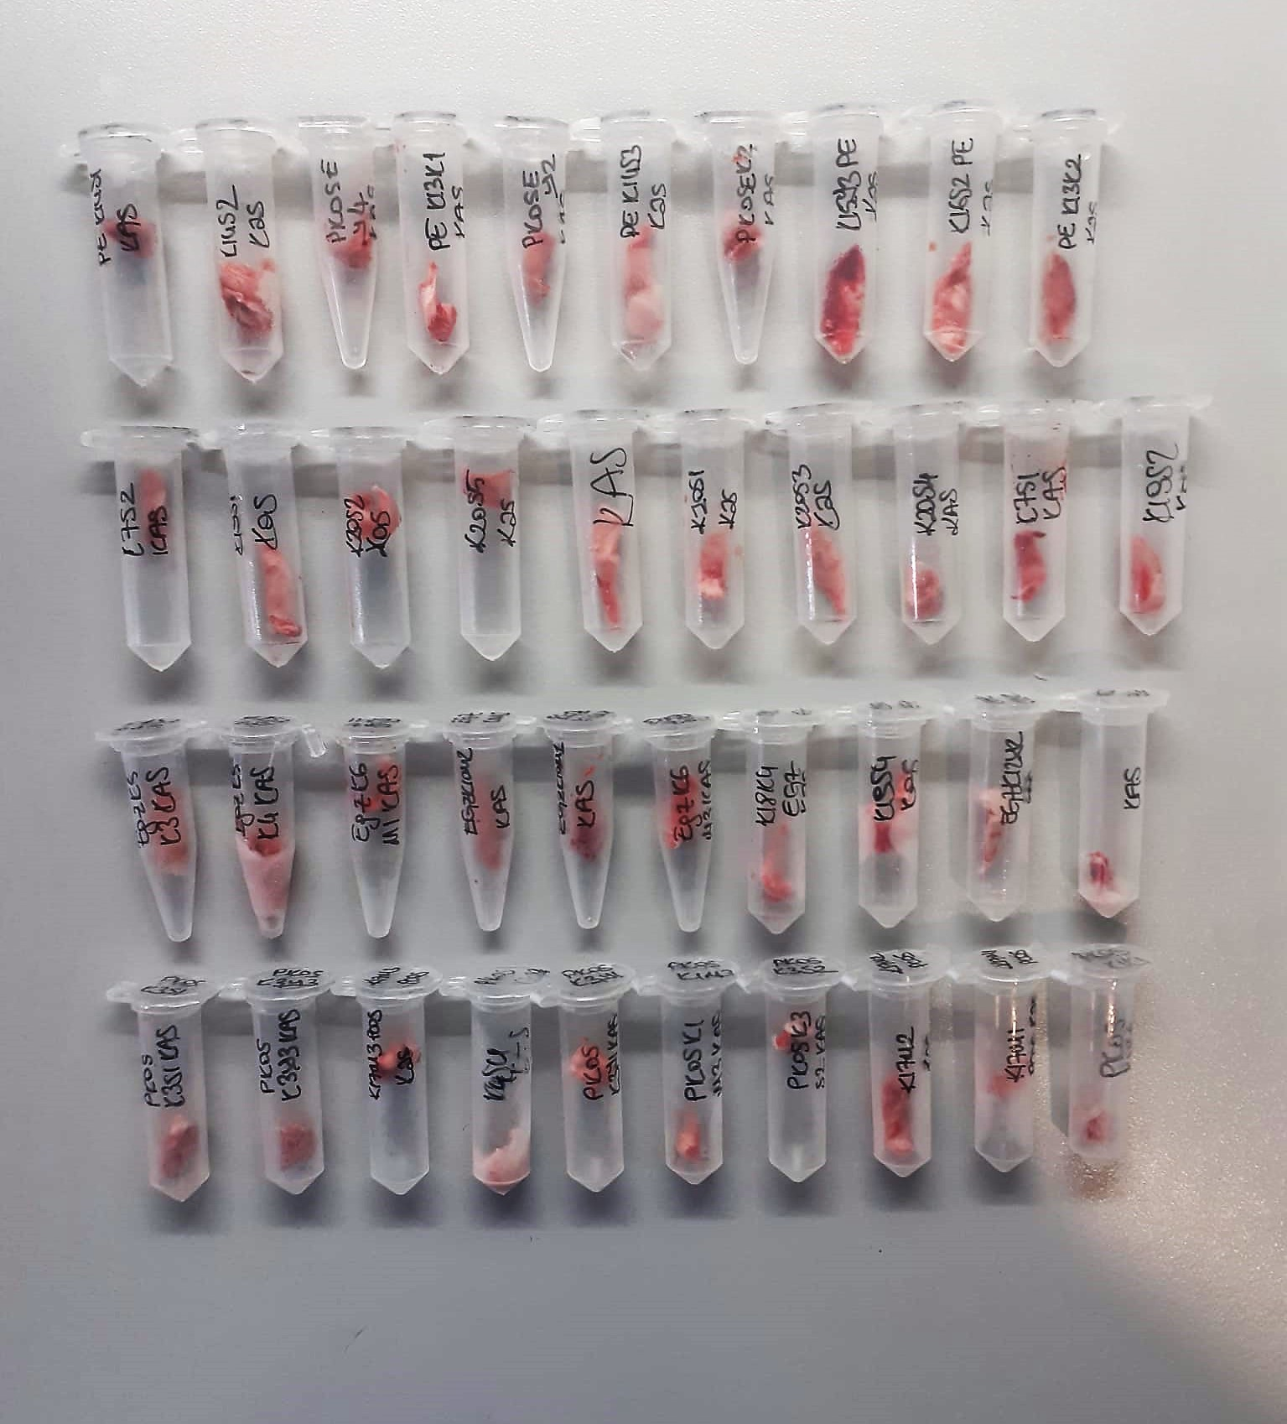
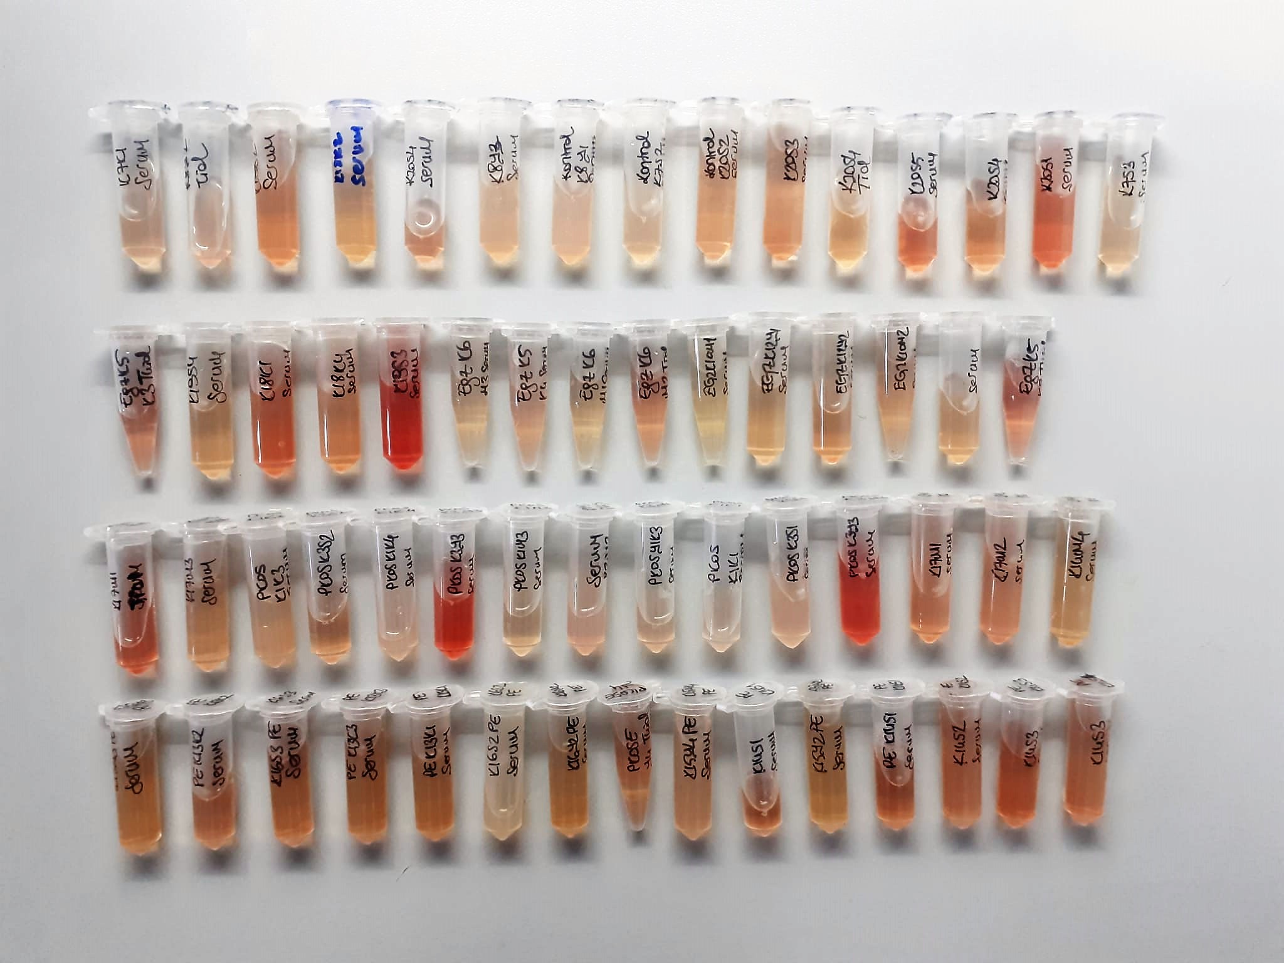

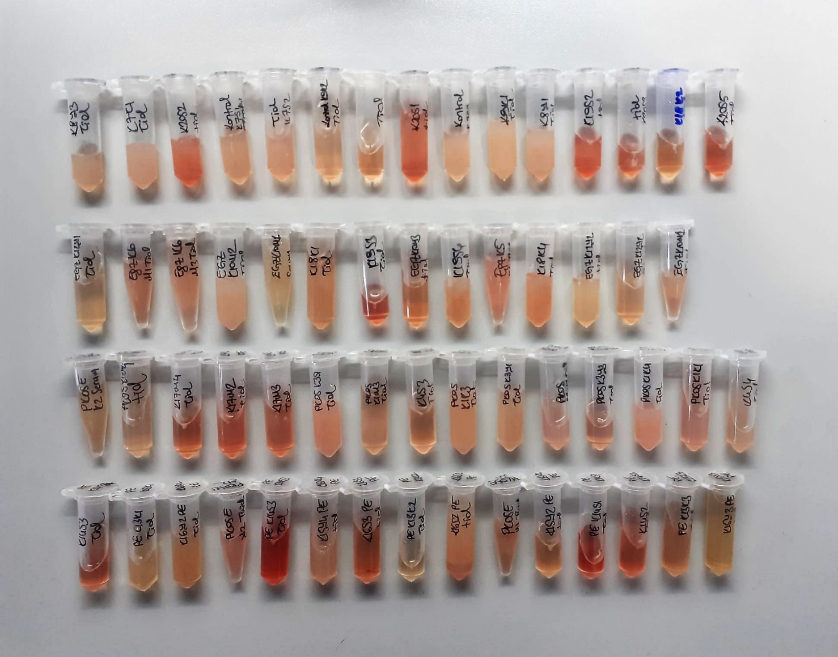

FSH Test Principle
This ELISA kit uses the Sandwich-ELISA principle. The micro ELISA plate provided in this kit has been pre-coated with an antibody specific to Rat FSH.
Standards or samples are added to the micro ELISA plate wells and combined with the specific antibody.
Then a biotinylated detection antibody specific for Rat FSH and Avidin-Horseradish Peroxidase (HRP) conjugate are added successively to each micro plate well and incubated. Free components are washed away
The substrate solution is added to each well. Only those wells that contain Rat FSH, biotinylated detection antibody and Avidin-HRP conjugate will appear blue in color. The enzyme-substrate reaction is terminated by the addition of stop solution and the color turns yellow
The optical density (OD) is measured spectrophotometrically at a wavelength of 450 nm ± 2 nm. The OD value is proportional to the concentration of Rat FSH. You can calculate the concentration of Rat FSH in the samples by comparing the OD of the samples to the standard curve.

LH Test Principle
This ELISA kit uses the Sandwich-ELISA principle. The micro ELISA plate provided in this kit has been pre-coated with an antibody specific to Rat LH.
Standards or samples are added to the micro ELISA plate wells and combined with the specific antibody.
Then a biotinylated detection antibody specific for Rat LH and Avidin-Horseradish Peroxidase (HRP) conjugate are added successively to each micro plate well and incubated. Free components are washed away.
The substrate solution is added to each well. Only those wells that contain Rat LH, biotinylated detection antibody and Avidin-HRP conjugate will appear blue in color. The enzyme-substrate reaction is terminated by the addition of stop solution and the color turns yellow.
he optical density (OD) is measured spectrophotometrically at a wavelength of 450 nm ± 2 nm. The OD value is proportional to the concentration of Rat LH. You can calculate the concentration of Rat LH in the samples by comparing the OD of the samples to the standard curve.

INSULİN Test Principle
This ELISA kit uses the Sandwich-ELISA principle. The micro ELISA plate provided in this kit has been pre-coated with an antibody specific to Rat INS.
Standards or samples are added to the micro ELISA plate wells and combined with the specific antibody.
Then a biotinylated detection antibody specific for Rat INS and Avidin-Horseradish Peroxidase (HRP) conjugate are added successively to each micro plate well and incubated. Free components are washed away. The substrate solution is added to each well.
Only those wells that contain Rat INS, biotinylated detection antibody and Avidin-HRP conjugate will appear blue in color. The enzyme-substrate reaction is terminated by the addition of stop solution and the color turns yellow
he optical density (OD) is measured spectrophotometrically at a wavelength of 450 nm ± 2 nm. The OD value is proportional to the concentration of Rat INS
You can calculate the concentration of Rat INS in the samples by comparing the OD of the samples to the standard curve

IL-6 Test Principle
This ELISA kit uses the Sandwich-ELISA principle. The micro ELISA plate provided in this kit has been pre-coated with an antibody specific to Rat IL-6. Standards or samples are added to the micro ELISA plate wells and combined with the specific antibody
Then a biotinylated detection antibody specific for Rat IL-6 and Avidin-Horseradish Peroxidase (HRP) conjugate are added successively to each micro plate well and incubated. Free components are washed away
The substrate solution is added to each well. Only those wells that contain Rat IL-6, biotinylated detection antibody and Avidin-HRP conjugate will appear blue in color
The enzyme-substrate reaction is terminated by the addition of stop solution and the color turns yellow. The optical density (OD) is measured spectrophotometrically at a wavelength of 450 nm ± 2 nm. The OD value is proportional to the concentration of Rat IL-6.
The OD value is proportional to the concentration of Rat IL-6. You can calculate the concentration of Rat IL-6 in the samples by comparing the OD of the samples to the standard curve.

ANGPTL4 Test Principle
This ELISA kit uses the Sandwich-ELISA principle. The micro ELISA plate provided in this kit has been pre-coated with an antibody specific to Mouse ANGPTL4.
Standards or samples are added to the micro ELISA plate wells and combined with the specific antibody.
Then a biotinylated detection antibody specific for Mouse ANGPTL4 and Avidin-Horseradish Peroxidase (HRP) conjugate are added successively to each micro plate well and incubated. Free components are washed away.
The substrate solution is added to each well. Only those wells that contain Mouse ANGPTL4, biotinylated detection antibody and Avidin-HRP conjugate will appear blue in color.
The enzyme-substrate reaction is terminated by the addition of stop solution and the color turns yellow. The optical density (OD) is measured spectrophotometrically at a wavelength of 450 nm ± 2 nm.
The OD value is proportional to the concentration of Mouse ANGPTL4. You can calculate the concentration of Mouse ANGPTL4 in the samples by comparing the OD of the samples to the standard curve.

FGF21 Test Principle
This ELISA kit uses the Sandwich-ELISA principle. The micro ELISA plate provided in this kit has been pre-coated with an antibody specific to Mouse FGF21.
Standards or samples are added to the micro ELISA plate wells and combined with the specific antibody.
Then a biotinylated detection antibody specific for Mouse FGF21 and Avidin-Horseradish Peroxidase (HRP) conjugate are added successively to each micro plate well and incubated. Free components are washed away.
The substrate solution is added to each well. Only those wells that contain Mouse FGF21, biotinylated detection antibody and Avidin-HRP conjugate will appear blue in color
The enzyme-substrate reaction is terminated by the addition of stop solution and the color turns yellow. The optical density (OD) is measured spectrophotometrically at a wavelength of 450 nm ± 2 nm. The OD value is proportional to the concentration of Mouse FGF21.
You can calculate the concentration of Mouse FGF21 in the samples by comparing the OD of the samples to the standard curve.

Meteorin-Like Protein Test Principle
This kit is an Enzyme-Linked Immunosorbent Assay (ELISA). The plate has been pre-coated with Rat METRNL antibody.
METRNL present in the sample is added and binds to antibodies coated on the wells. And then biotinylated Rat METRNL Antibody is added and binds to METRNL in the sample.
Then Streptavidin-HRP is added and binds to the Biotinylated METRNL antibody. After incubation unbound Streptavidin-HRP is washed away during a washing step.
Substrate solution is then added and color develops in proportion to the amount of Rat METRNL. The reaction is terminated by addition of acidic stop solution and absorbance is measured at 450 nm.

Malondialdehyde (MDA) nmol/L
The MDA level was determined by a method based
on the reaction with thiobarbituric acid (TBA) at 90–100_C
. In the TBA test reaction, MDA or MDA-like
substances and TBA react with the production of a pink
pigment with a maximum absorption at 532 nm. The
reaction was performed at pH 2–3 at 90_C for 15 min. The
sample was mixed with two volumes of cold 10% (w/v)
trichloroacetic acid for the precipitation of protein. The
precipitate was pelleted by centrifugation, and an aliquot of
the supernatant was reacted with an equal volume of 0.67%
(w/v) TBA in a boiling water bath for 10 min. After
cooling, the absorbance was read at 532 nm.

Glucose mg/dl
Enzymatic colorimetric test on basis of Trinder – Reaction:
Glucose oxidase Glucose + O2 Gluconic acid + H2O2
Peroxidase
2H2O2 + Phenol + 4–Aminoantipyrine Red Quinoneimine + 4H2O

TOTAL ANTIOXDANT STATUS (TAS) (mmol/L)
TAS levels were measured using commercially available kits (Relassay, Turkey). The novel
automated method is based on the bleaching of characteristic color of a more stable ABTS
(2,2 ′ - Azino-bis(3-ethylbenzothiazoline-6-sulfonic acid)) radical cation by antioxidants. The
assay has excellent precision values, which are lower than 3%. The results were expressed as
mmol Trolox equivalent/L (Erel O. A novel automated direct measurement method for total
antioxidant capacity using a new generation, more stable ABTS radicalcation. Clin Biochem
2004;37:277-85.)
(Relassay,Turkey)

TOTAL OXIDANT STATUS (TOS) (µmol/L)
TOS levels were measured using commercially available kits (Relassay, Turkey. In the new
method, oxidants present in the sample oxidized the ferrous ion-o-dianisidine complex to
ferric ion. The oxidation reaction was enhanced by glycerol molecules abundantly present in
the reaction medium. The ferric ion produced a colored complex with xylenol orange in an
acidic medium. The color intensity, which could be measured spectrophotometrically, was
related to the total amount of oxidant molecules present in the sample. The assay was
calibrated with hydrogen peroxide and the results were expressed in terms of
micromolar hydrogen peroxide equivalent per liter (μmol H2O2 equivalent/L). ( Erel O. A
new automated colorimetric method for measuringtotal oxidant status. Clin Biochem
2005;38:1103-11. ).
(Relassay,Turkey)

OXIDATIVE STRESS INDEX (OSI)
The ratio of TOS to TAS was accepted as the oxidative stress index (OSI). For calculation, the
resulting unit of TAS was converted to μmol/L, and the OSI value was calculated according to
the following Formula : OSI (arbitrary unit) =
TOS (μmol H2O2 equivalent/L) / TAC (μmol Trolox equivalent/L). (1-3).
1. Yumru M, Savas HA, Kalenderoglu A, Bulut M, Celik H, Erel O. Oxidative imbalance in
bipolar disorder subtypes: a comparative study. Prog Neuropsychopharmacol Biol Psychiatry.
2009 Aug 31;33(6):1070-4.
2. Kosecik M, Erel O, Sevinc E, Selek S. Increased oxidative stress in children exposed to
passive smoking. Int J Cardiol 2005;100:61–4.
3. (Harma M, Harma M, Erel O (2003) Increased oxidative stress in patients with
hydatidiform mole. Swiss Med Wkly 133:563-536).

Thiol/Disulfide Homeostasis (µmol/L)
Tests were measured using a novel automatic and spectrophotometric method developed by Erel and Neselioglu*
which is avaliable commercially (Rel Assay Diagnostics, Turkey) In this method, dynamic and reducible disulfide bonds
in the samples were reduced to free functional thiol groups by using sodium borohydride. In order to prevent the reduction
of unused reduced sodium borohydride to dithionite-2 nitrobenzoic (DTNB), NaBH4 was removed with formaldehyde. Native thiol (NT) and total thiol (TT)
levels were determined after reaction with DTNB and their levels were measured ultimately. Half of the difference of the result obtained
by the subtraction of native thiol amount from total thiol content indicated the disulfide (DS) level.
(Relassay, Turkey)

