Cihaz bilgisi
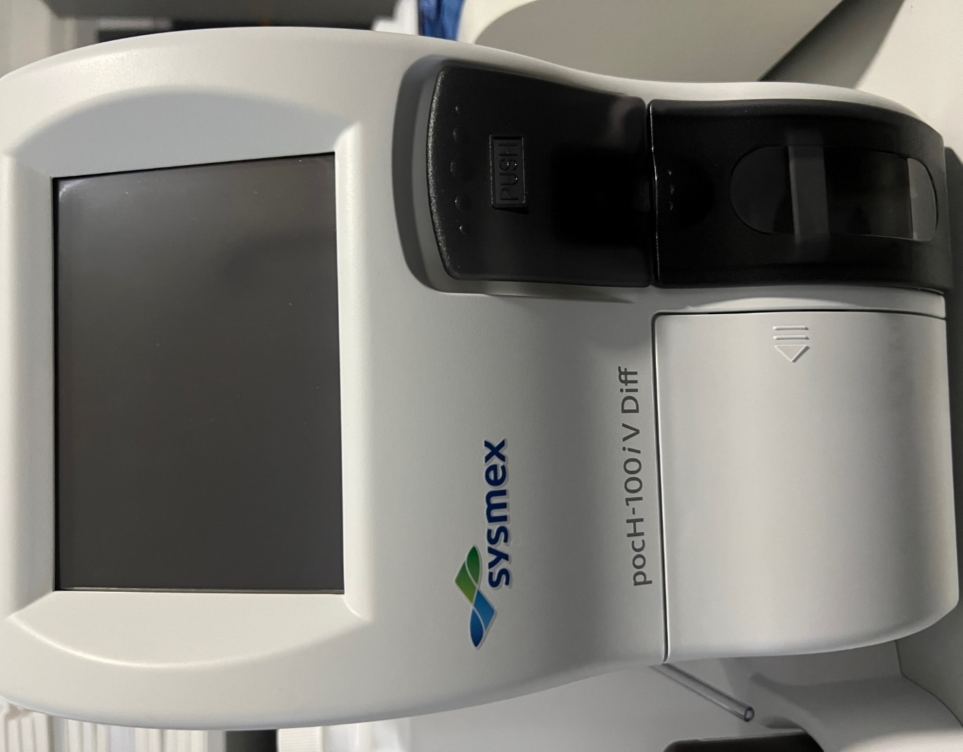
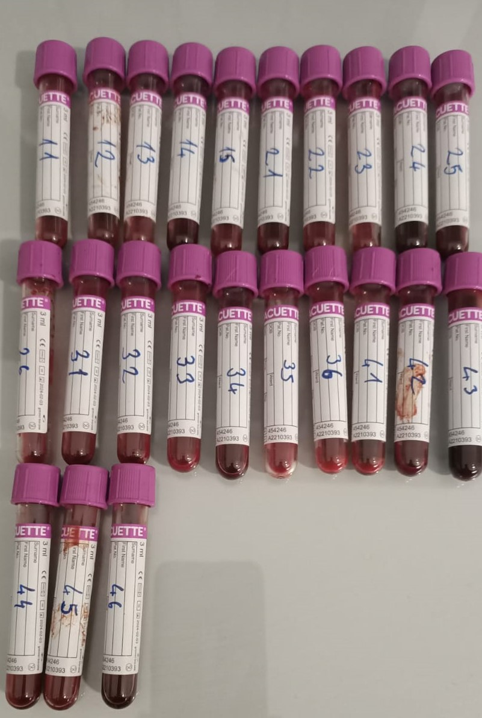
Mark: Sysmex Model: pocH-100iV Diff

