Materyal-metod
KİT ADI | TÜR | MARKA | Yöntem | Kullanılan Cihaz
TAS(Total Antioxidant Status) | Universal | REL ASSAY | Kolorimetrik | MINDRAY-BS400
MPO: Myeloperoxidase | Universal | REL ASSAY | Kolorimetrik | MINDRAY-BS400

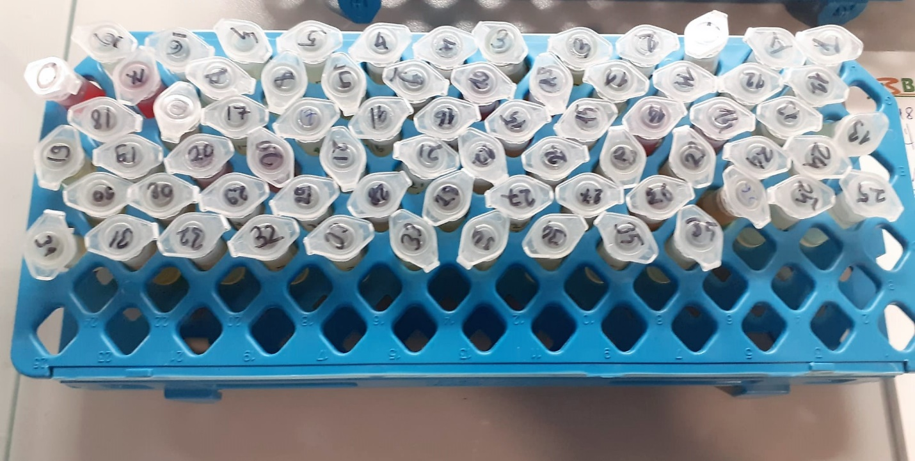
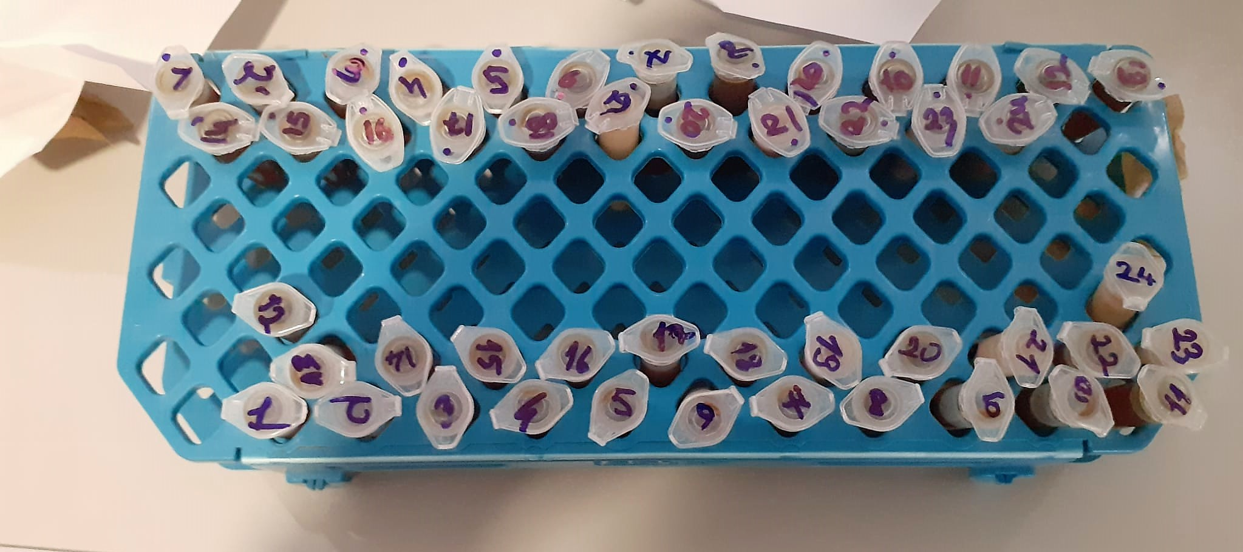

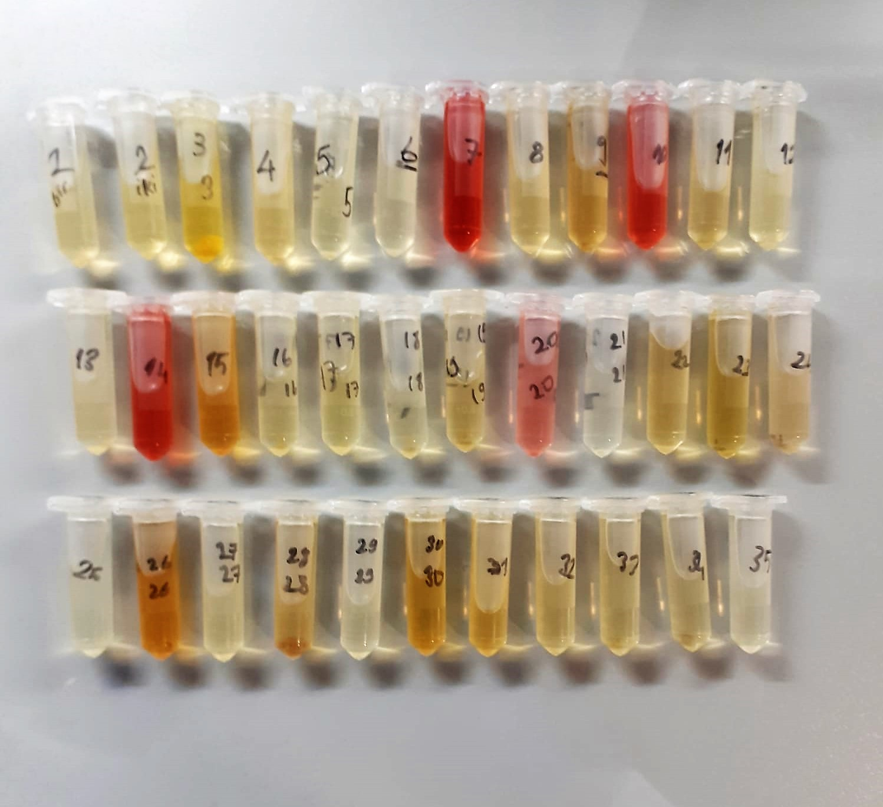
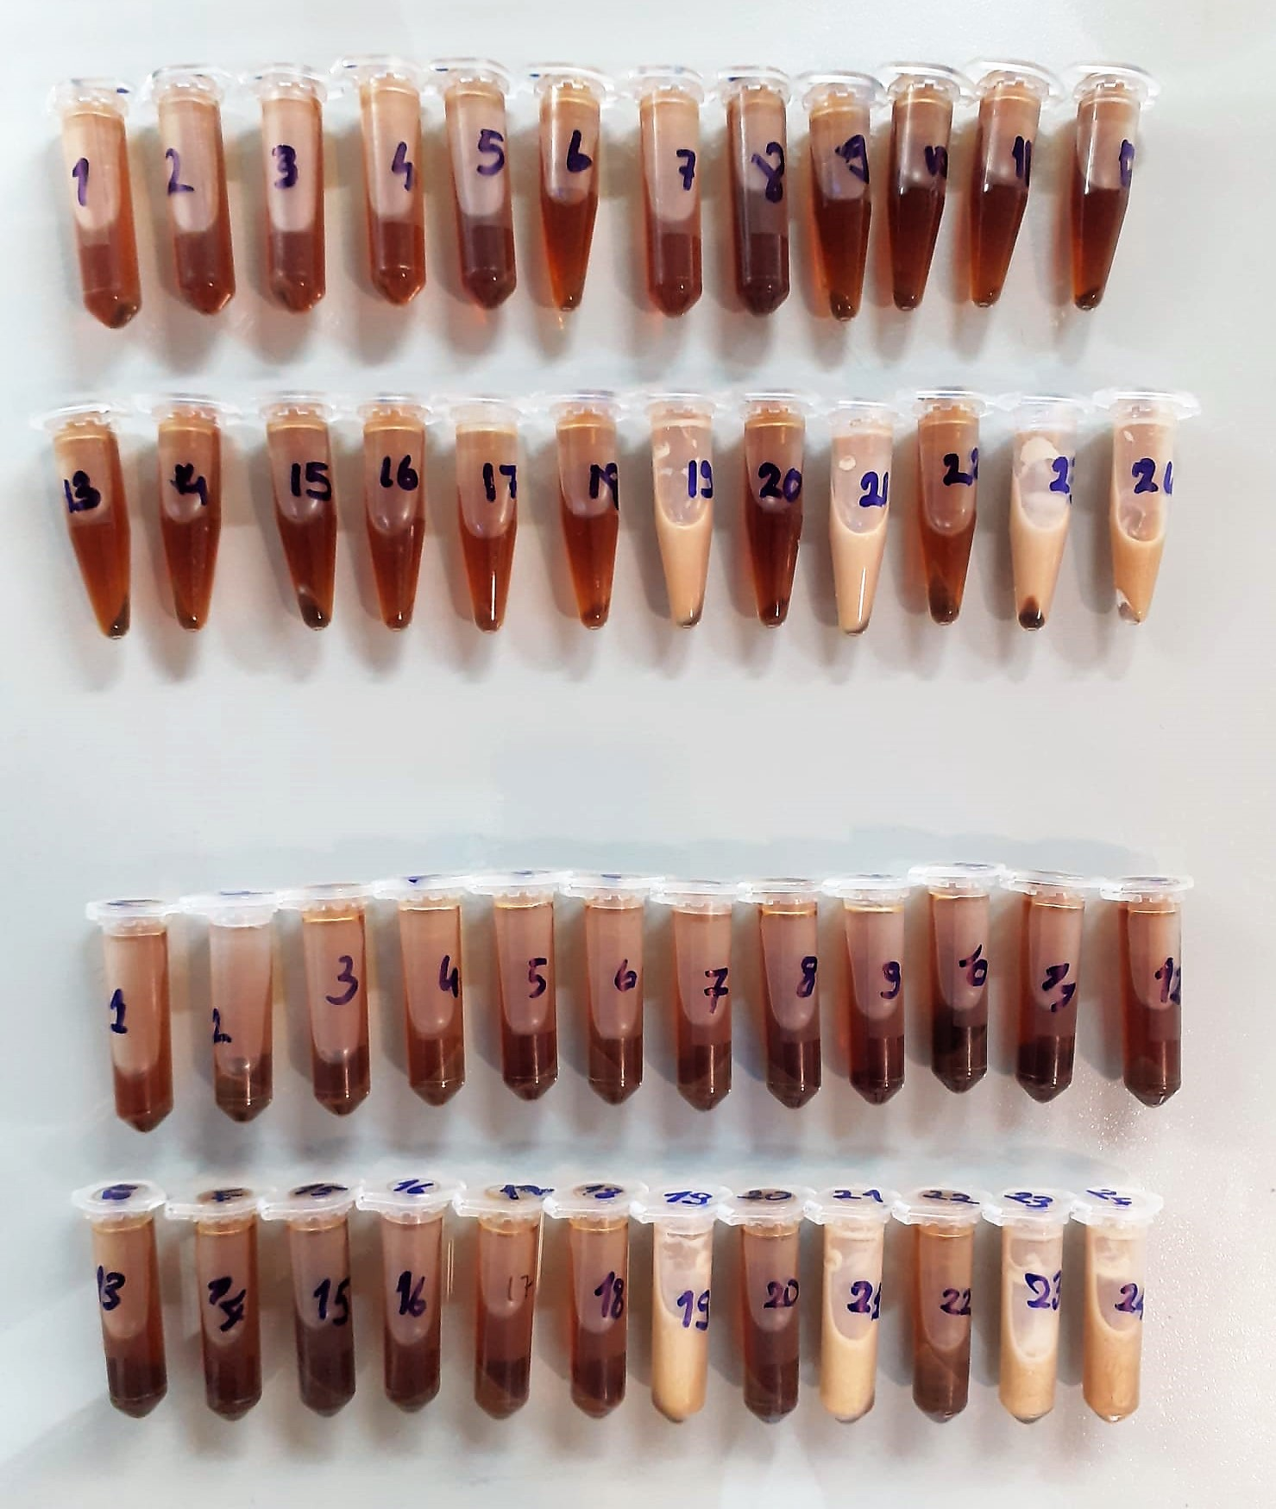

TOTAL ANTIOXDANT STATUS (TAS) (mmol/L)
TAS levels were measured using commercially available kits (Relassay, Turkey). The novel
automated method is based on the bleaching of characteristic color of a more stable ABTS
(2,2 ′ - Azino-bis(3-ethylbenzothiazoline-6-sulfonic acid)) radical cation by antioxidants. The
assay has excellent precision values, which are lower than 3%. The results were expressed as
mmol Trolox equivalent/L (Erel O. A novel automated direct measurement method for total
antioxidant capacity using a new generation, more stable ABTS radicalcation. Clin Biochem
2004;37:277-85.)
(Relassay,Turkey)

Myeloperoxidase (MPO) U/L
MPO posseses various catalytical activities. It exhibits the main catalytical activity by the
production of hypochlorous acid (HClO) from hydrogen peroxide (H2O2) and chloride anion,
Cl- (or halide). MPO also exhibits peroxidase activity that catalyzes oxidation of a number of
substrates by H2O2. These reactions categories have been widely used to assess the
activities of MPO.
The Relassay Myeloperoxidase Chlorination Activity Assay Kit and The Relassay
Myeloperoxidase Peroxidation Activity Assay Kit are quantitative and colorimetric assay kits
for measuring the myeloperoxidase activity within a sample. In the The Relassay
Myeloperoxidase Chlorination Activity Assay Kit, MPO catalyzes the formation of
hypochlorous acid, which reacts with taurine to form taurine chloroamine. Taurine chloroamine reacts with the chromophore TNB, resulting in the formation of the colorless
product DTNB. One unit of MPO activity is defined as the amount of enzyme that hydrolyzes
the substrate and generates taurine chloramine to consume 1.0 μmole of TNB per minute.In
the The Relassay Myeloperoxidase Peroxidation Activity Assay Kit, MPO catalyzes odianisidine
to colored o-dianisidyl radical using H2O2. The increasing absorbance is
monitored at 412 nm and the activity is measured kinetically. This kit can be used manually
and easily adapted to automated analyzers.

