CALPROTECTİN-1.PLATE
2.488 | 0.192 | 0.194 | 0.122 | 0.156 | 0.173 | 0.165 | 0.158 | 0.155 | 0.192 | 0.183 | 0.153
1.573 | 0.113 | 0.106 | 0.169 | 0.117 | 0.427 | 0.199 | 0.152 | 0.12 | 0.209 | 0.11 | 0.128
1.171 | 0.111 | 0.14 | 0.152 | 0.126 | 0.703 | 0.15 | 0.197 | 0.178 | 0.146 | 0.211 | 0.163
0.658 | 0.25 | 0.148 | 0.188 | 0.183 | 0.142 | 0.137 | 0.202 | 0.231 | 0.143 | 0.146 | 0.11
0.35 | 0.121 | 0.128 | 0.177 | 0.127 | 0.162 | 0.154 | 0.218 | 0.195 | 0.192 | 0.121 | 0.231
0.211 | 0.126 | 0.109 | 0.189 | 0.259 | 0.174 | 0.148 | 0.186 | 0.13 | 0.146 | 0.281 | 0.458
0.159 | 0.108 | 0.174 | 0.163 | 0.168 | 0.156 | 0.138 | 0.172 | 0.213 | 0.16 | 0.129 | 0.401
0.071 | 0.148 | 0.133 | 0.233 | 0.148 | 0.227 | 0.162 | 0.111 | 0.13 | 0.202 | 0.205 | 0.161

CALP

 | abs | abs-blank | expected | result
std1 | 2.488 | 2.417 | 100 | 100.73
std2 | 1.573 | 1.502 | 50 | 46.06
std3 | 1.171 | 1.1 | 25 | 28.49
std4 | 0.658 | 0.658 | 12.5 | 13.71
std5 | 0.35 | 0.279 | 6.25 | 4.82
std6 | 0.211 | 0.14 | 3.13 | 2.44
std7 | 0.159 | 0.088 | 1.56 | 1.67
blank | 0.071 | 0 | 0 | 0.51

 |  |  |  |  |  |  |  |  |  | concentratıon (ng/ml)

Numune | absorbans | blank | abs-blank | result(ng/ml)
KONTROL
ENES ASLANMİRZA | 0.192 | 0.071 | 0.121 | 2.15
YUSUF ŞİMŞEK | 0.113 | 0.071 | 0.042 | 1.04
İLKER YASİN KAYA | 0.111 | 0.071 | 0.04 | 1.02
CEMAL KAAN ALTINSOY | 0.25 | 0.071 | 0.179 | 3.06
ALPAY KARABATAK | 0.121 | 0.071 | 0.05 | 1.15
FURKAN ALTUNTEPE | 0.126 | 0.071 | 0.055 | 1.21
İSMET DÖLEK | 0.108 | 0.071 | 0.037 | 0.98
MEHMET YAVUZ | 0.148 | 0.071 | 0.077 | 1.51
EMİRHAN KAVUK | 0.194 | 0.071 | 0.123 | 2.18
MAHMUT CAN DENGİZ | 0.106 | 0.071 | 0.035 | 0.95
KATARAKT-AMELİYAT ÖNCESİ
ABİDİN TAYLAN | 0.14 | 0.071 | 0.069 | 1.40
FADEN KOÇ | 0.148 | 0.071 | 0.077 | 1.51
MEHMET KARİP | 0.128 | 0.071 | 0.057 | 1.24
YAKUP AYHAN | 0.109 | 0.071 | 0.038 | 0.99
MÜRÜVVET BOZDEMİR | 0.174 | 0.071 | 0.103 | 1.88
TAYFUR ÇETİNER | 0.133 | 0.071 | 0.062 | 1.31
CELİL GÜVEN | 0.122 | 0.071 | 0.051 | 1.16
NAFİYE ALP | 0.169 | 0.071 | 0.098 | 1.81
MUSTAFA UYGUR | 0.152 | 0.071 | 0.081 | 1.57
AHMET ALTINIŞIK | 0.188 | 0.071 | 0.117 | 2.09
HATİCE YILMAZ | 0.177 | 0.071 | 0.106 | 1.93
BEDRİYE DİNÇ | 0.189 | 0.071 | 0.118 | 2.11
AHMET BALKIR | 0.163 | 0.071 | 0.092 | 1.73
NASİBE KIZIL | 0.233 | 0.071 | 0.162 | 2.79
RAMAZAN BEKTAŞ | 0.156 | 0.071 | 0.085 | 1.63
MEHEMT CANDAN | 0.117 | 0.071 | 0.046 | 1.09
YUSUF AZLAĞ | 0.126 | 0.071 | 0.055 | 1.21
FADİMANA KÖKSAL | 0.183 | 0.071 | 0.112 | 2.02
SEYRAN GÖK | 0.127 | 0.071 | 0.056 | 1.23
KEMAL EN | 0.259 | 0.071 | 0.188 | 3.21
DURSUN ALİ UĞURLU | 0.168 | 0.071 | 0.097 | 1.80
SAMİ YAR | 0.148 | 0.071 | 0.077 | 1.51
YUSUF GÜRSOY | 0.173 | 0.071 | 0.102 | 1.87
SANİYE ŞAHİN | 0.427 | 0.071 | 0.356 | 6.35
ELMAS GÖKER | 0.703 | 0.071 | 0.632 | 12.99
HATİCE ŞAHİN | 0.142 | 0.071 | 0.071 | 1.43
SÜLEYMAN DİNÇ | 0.162 | 0.071 | 0.091 | 1.71
HATİCE ULU | 0.174 | 0.071 | 0.103 | 1.88
HAYAT APAYDIN | 0.156 | 0.071 | 0.085 | 1.63
BAHTİYAR BAYRAK | 0.227 | 0.071 | 0.156 | 2.69
KATARAKT-AMELİYAT SONRASI
ABİDİN TAYLAN | 0.165 | 0.071 | 0.094 | 1.75
FADEN KOÇ | 0.199 | 0.071 | 0.128 | 2.26
MEHMET KARİP | 0.15 | 0.071 | 0.079 | 1.54
YAKUP AYHAN | 0.137 | 0.071 | 0.066 | 1.36
MÜRÜVVET BOZDEMİR | 0.154 | 0.071 | 0.083 | 1.60
TAYFUR ÇETİNER | 0.148 | 0.071 | 0.077 | 1.51
CELİL GÜVEN | 0.138 | 0.071 | 0.067 | 1.38
NAFİYE ALP | 0.162 | 0.071 | 0.091 | 1.71
MUSTAFA UYGUR | 0.158 | 0.071 | 0.087 | 1.65
AHMET ALTINIŞIK | 0.152 | 0.071 | 0.081 | 1.57
HATİCE YILMAZ | 0.197 | 0.071 | 0.126 | 2.23
BEDRİYE DİNÇ | 0.202 | 0.071 | 0.131 | 2.30
AHMET BALKIR | 0.218 | 0.071 | 0.147 | 2.55
NASİBE KIZIL | 0.186 | 0.071 | 0.115 | 2.06
RAMAZAN BEKTAŞ | 0.172 | 0.071 | 0.101 | 1.86
MEHEMT CANDAN | 0.111 | 0.071 | 0.04 | 1.02
YUSUF AZLAĞ | 0.155 | 0.071 | 0.084 | 1.61
FADİMANA KÖKSAL | 0.12 | 0.071 | 0.049 | 1.13
SEYRAN GÖK | 0.178 | 0.071 | 0.107 | 1.94
KEMAL EN | 0.231 | 0.071 | 0.16 | 2.75
DURSUN ALİ UĞURLU | 0.195 | 0.071 | 0.124 | 2.20
SAMİ YAR | 0.13 | 0.071 | 0.059 | 1.27
YUSUF GÜRSOY | 0.213 | 0.071 | 0.142 | 2.47
SANİYE ŞAHİN | 0.13 | 0.071 | 0.059 | 1.27
ELMAS GÖKER | 0.192 | 0.071 | 0.121 | 2.15
HATİCE ŞAHİN | 0.209 | 0.071 | 0.138 | 2.41
SÜLEYMAN DİNÇ | 0.146 | 0.071 | 0.075 | 1.49
HATİCE ULU | 0.143 | 0.071 | 0.072 | 1.45
HAYAT APAYDIN | 0.192 | 0.071 | 0.121 | 2.15
BAHTİYAR BAYRAK | 0.146 | 0.071 | 0.075 | 1.49
PİTERJUM
CEMİL TOPAL | 0.16 | 0.071 | 0.089 | 1.68
NURCAN KARAKAŞ | 0.202 | 0.071 | 0.131 | 2.30
İRFAN DİK | 0.183 | 0.071 | 0.112 | 2.02
NERİMAN YAYATAN | 0.11 | 0.071 | 0.039 | 1.00
SELÇUK GEÇGEL | 0.211 | 0.071 | 0.14 | 2.44
CELAL OKŞAŞ | 0.146 | 0.071 | 0.075 | 1.49
ELİF AYHAN | 0.121 | 0.071 | 0.05 | 1.15
ŞABAN BAYSAL | 0.281 | 0.071 | 0.21 | 3.58
MUSTAFA KONUKCU | 0.129 | 0.071 | 0.058 | 1.25
ALİ ÇİÇEK | 0.205 | 0.071 | 0.134 | 2.35
FADİME KOKAL | 0.153 | 0.071 | 0.082 | 1.58
FERDİ KARAKAYA | 0.128 | 0.071 | 0.057 | 1.24
BEHZAT DAĞ | 0.163 | 0.071 | 0.092 | 1.73
FADİME AKBULUT | 0.11 | 0.071 | 0.039 | 1.00
NİMET SARIAY | 0.231 | 0.071 | 0.16 | 2.75
GÜLBEYAZ MUTLU | 0.458 | 0.071 | 0.387 | 7.00
EŞE UĞURLU | 0.401 | 0.071 | 0.33 | 5.82
RESUL İLİK | 0.161 | 0.071 | 0.09 | 1.70

CALPROTECTİN-2.PLATE
2.466 | 0.15 | 0.14 | 0.219 | 0.197 | 0.117 | 0.125 | 0.145 | 0.203 | 0.525 | 0.17
1.642 | 0.112 | 0.09 | 0.113 | 0.19 | 0.123 | 0.157 | 0.131 | 0.235 | 0.134 | 0.188
1.21 | 0.119 | 0.133 | 0.195 | 0.119 | 0.643 | 0.125 | 0.094 | 0.164 | 0.353 | 0.132
0.75 | 0.308 | 0.193 | 0.142 | 0.119 | 0.203 | 0.13 | 0.095 | 0.115 | 0.115 | 0.358
0.561 | 0.257 | 0.145 | 0.136 | 0.169 | 0.155 | 0.169 | 0.358 | 0.117 | 0.17
0.227 | 0.182 | 0.107 | 0.166 | 0.121 | 0.182 | 0.127 | 0.123 | 0.133 | 0.238
0.144 | 0.16 | 0.116 | 0.189 | 0.2 | 0.333 | 0.141 | 0.271 | 0.227 | 0.096
0.081 | 0.198 | 0.152 | 0.289 | 0.245 | 0.153 | 0.142 | 0.176 | 0.158 | 0.105

CALP

 | abs | abs-blank | expected | result
std1 | 2.466 | 2.385 | 100 | 100.81
std2 | 1.642 | 1.561 | 50 | 46.91
std3 | 1.21 | 1.129 | 25 | 26.72
std4 | 0.75 | 0.75 | 12.5 | 13.59
std5 | 0.561 | 0.48 | 6.25 | 6.83
std6 | 0.327 | 0.246 | 3.13 | 2.73
std7 | 0.144 | 0.063 | 1.56 | 0.66
blank | 0.081 | 0 | 0 | 0.18

 |  |  |  |  |  |  |  |  |  | concentratıon (ng/ml)

Numune | absorbans | blank | abs-blank | result(ng/ml)
PEX
İHSAN KASIMOĞLU | 0.15 | 0.081 | 0.069 | 0.71
CEMİL TOPAL | 0.112 | 0.081 | 0.031 | 0.40
KEZİBAN TASALI | 0.119 | 0.081 | 0.038 | 0.46
ABDULLAH SAVAŞ | 0.308 | 0.081 | 0.227 | 2.47
SEBAHAT GÜMÜŞŞOY | 0.257 | 0.081 | 0.176 | 1.82
RAMAZAN SAĞDIÇ | 0.182 | 0.081 | 0.101 | 1.01
SAMİYE YAŞAR | 0.16 | 0.081 | 0.079 | 0.80
DÖNDÜ ÇETİNKAYA | 0.198 | 0.081 | 0.117 | 1.17
MÜRÜVVET BOZDEMİR | 0.14 | 0.081 | 0.059 | 0.63
HANİFİ KÜTÜK | 0.09 | 0.081 | 0.009 | 0.24
RAMAZAN YILDIRIM | 0.133 | 0.081 | 0.052 | 0.57
MEHMET KOÇAK | 0.193 | 0.081 | 0.112 | 1.12
EMİNE SÜTMEN | 0.145 | 0.081 | 0.064 | 0.67
SULTAN KILIÇ | 0.107 | 0.081 | 0.026 | 0.36
SULTAN BELGE | 0.116 | 0.081 | 0.035 | 0.43
FATMA ALTINPINAR | 0.152 | 0.081 | 0.071 | 0.73
ŞEVKİ YILDIRIM | 0.219 | 0.081 | 0.138 | 1.39
FAZLI MUTLU | 0.113 | 0.081 | 0.032 | 0.41
HÜSEYİN TAŞKIN | 0.195 | 0.081 | 0.114 | 1.14
MEHMET ŞAHİN AKYOL | 0.142 | 0.081 | 0.061 | 0.64
MEHMET ÜNAL | 0.136 | 0.081 | 0.055 | 0.59
HASAN PINARBAŞI | 0.166 | 0.081 | 0.085 | 0.86
SÜLEYMAN ALTUNGÖLLER | 0.189 | 0.081 | 0.108 | 1.08
MEHMET UYSAL | 0.289 | 0.081 | 0.208 | 2.22
HATİCE ŞAHİN | 0.197 | 0.081 | 0.116 | 1.16
GÜLÜZAR YILMAZ | 0.19 | 0.081 | 0.109 | 1.09
HASAN ÇOŞAR | 0.119 | 0.081 | 0.038 | 0.46
YUSUF GÜRSOY | 0.119 | 0.081 | 0.038 | 0.46
BEKİR GÜÇLÜ | 0.169 | 0.081 | 0.088 | 0.89
RAMAZAN KOÇAK | 0.121 | 0.081 | 0.04 | 0.47
YAŞAR KARACAN | 0.2 | 0.081 | 0.119 | 1.19
FADEN KOÇ | 0.245 | 0.081 | 0.164 | 1.68
ŞAKİRE ABAY | 0.117 | 0.081 | 0.036 | 0.44
HASAN KILIÇ | 0.123 | 0.081 | 0.042 | 0.49
REMZİ ÇOŞKUNER | 0.643 | 0.081 | 0.562 | 8.65
GÜLTEN ÖZMARSALI | 0.203 | 0.081 | 0.122 | 1.22
MÜZEYYEN GÜRSES | 0.155 | 0.081 | 0.074 | 0.76
MEHMET KARİP | 0.182 | 0.081 | 0.101 | 1.01
NASİBE KIZIL | 0.333 | 0.081 | 0.252 | 2.82
NACİYE EROĞLU | 0.153 | 0.081 | 0.072 | 0.74
MUSTAFA EKECİK | 0.125 | 0.081 | 0.044 | 0.50
EMEL YAVUZTÜRK | 0.157 | 0.081 | 0.076 | 0.78
HÜSEYİN ERDOĞAN | 0.125 | 0.081 | 0.044 | 0.50
HALİL DİNÇ | 0.13 | 0.081 | 0.049 | 0.54
YAŞAR KARACAN | 0.169 | 0.081 | 0.088 | 0.89
PİNGEKULA
ERDOĞAN YAŞAR | 0.127 | 0.081 | 0.046 | 0.52
DİLEK YAŞAR | 0.141 | 0.081 | 0.06 | 0.64
AHMET ERDOĞAN | 0.142 | 0.081 | 0.061 | 0.64
EMİR İRK | 0.145 | 0.081 | 0.064 | 0.67
ENİSHAN ÇAM | 0.131 | 0.081 | 0.05 | 0.55
HÜRÜ SARAÇ | 0.094 | 0.081 | 0.013 | 0.27
MENEVŞE AYHAN | 0.095 | 0.081 | 0.014 | 0.28
YAHYA AŞÇI | 0.358 | 0.081 | 0.277 | 3.18
SEVGİ AYHAN | 0.123 | 0.081 | 0.042 | 0.49
BATUHAN AYTEKİN | 0.271 | 0.081 | 0.19 | 1.99
AHMET AYDOĞDU | 0.176 | 0.081 | 0.095 | 0.95
ABDULAKDİR DERİN | 0.203 | 0.081 | 0.122 | 1.22
UGUR AKKURT | 0.235 | 0.081 | 0.154 | 1.57
UMUT ÇİMEN | 0.164 | 0.081 | 0.083 | 0.84
İSMAİL KES | 0.115 | 0.081 | 0.034 | 0.42
AHMET KURT | 0.117 | 0.081 | 0.036 | 0.44
ALİŞAN ÇELEN | 0.133 | 0.081 | 0.052 | 0.57
MUSTAFA KEMAL KARA | 0.227 | 0.081 | 0.146 | 1.48
DERVİŞ BOZLAK | 0.158 | 0.081 | 0.077 | 0.78
AYDOĞAN EVLENDİ | 0.525 | 0.081 | 0.444 | 6.10
CANER BAŞŞOY | 0.134 | 0.081 | 0.053 | 0.58
CEMAL ÖMÜR KARAOĞLAN | 0.353 | 0.081 | 0.272 | 3.11
EMRE ERGİN | 0.115 | 0.081 | 0.034 | 0.42
MEMDUH GÖK | 0.17 | 0.081 | 0.089 | 0.90
RECEP KAN | 0.238 | 0.081 | 0.157 | 1.60
RAMAZAN ÖZTÜRK | 0.096 | 0.081 | 0.015 | 0.28
BÜNYAMİN AKBULUT | 0.105 | 0.081 | 0.024 | 0.35
GÜLÜZAR KOYUNCU | 0.17 | 0.081 | 0.089 | 0.90
ARİF ANAZ | 0.188 | 0.081 | 0.107 | 1.07
MURAT CİRİT | 0.132 | 0.081 | 0.051 | 0.56
GÖKHAN ŞAKAR | 0.358 | 0.081 | 0.277 | 3.18

Materyal-metod
KİT ADI | TÜR | MARKA | CAT. NO | Yöntem | Kullanılan Cihaz
CALPROTECTIN | Human | Elabscience | E-EL-H2357 | ELİSA | Mıcroplate reader: BIO-TEK EL X 800-Aotu strıp washer:BIO TEK EL X 50
TTL(Total Thıol) | Universal | REL ASSAY | RL0185 | Kolorimetrik | MINDRAY BS-400
NTL(Natıve Thıol) | Universal | REL ASSAY | RL0185 | Kolorimetrik | MINDRAY BS-400

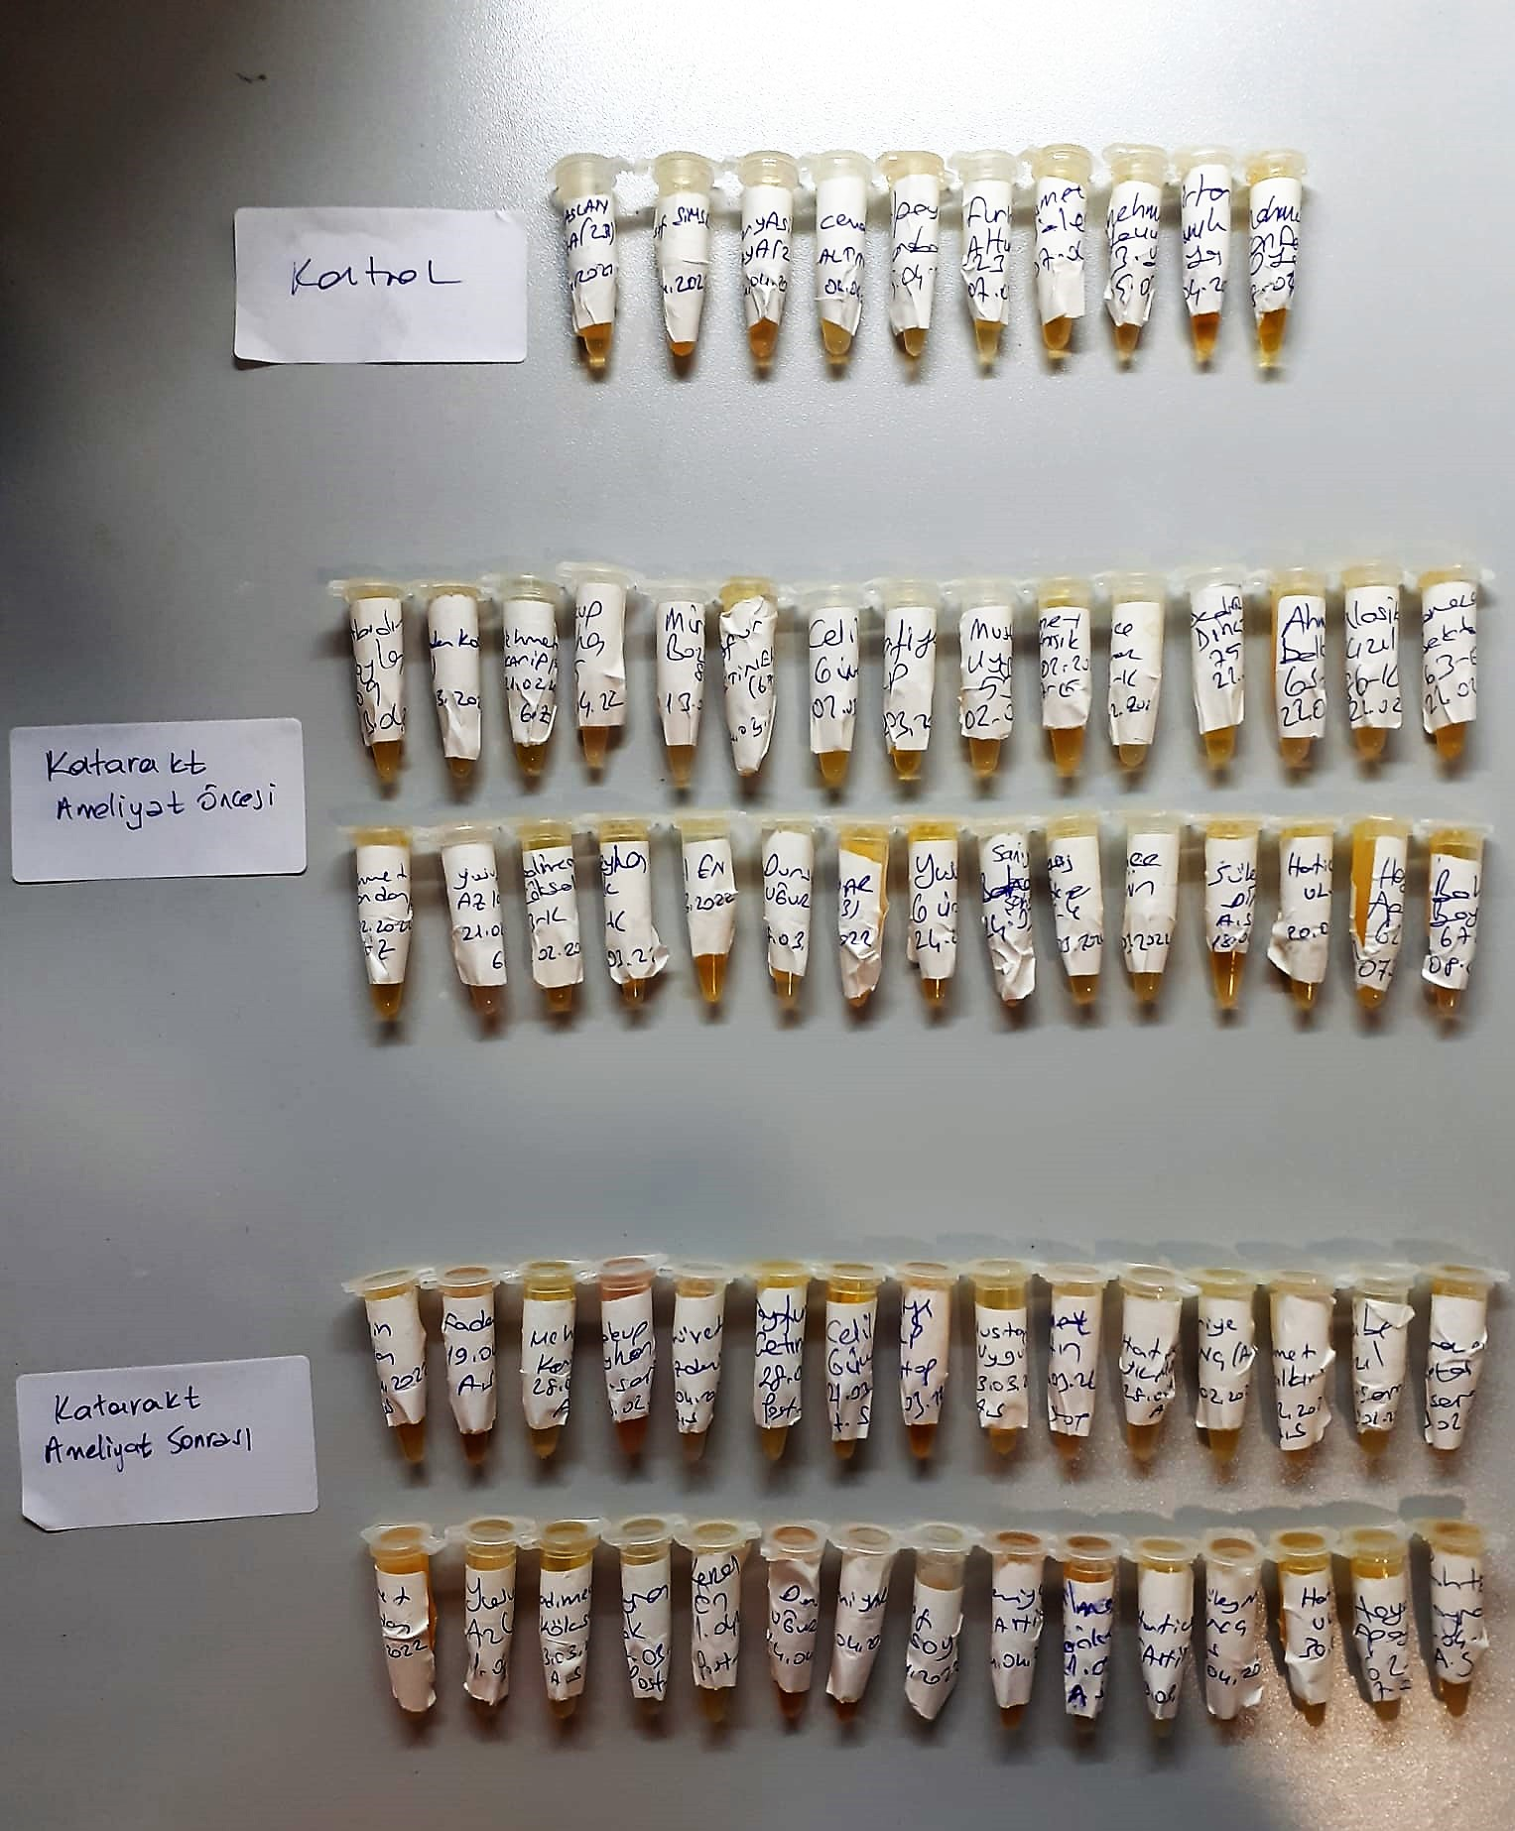

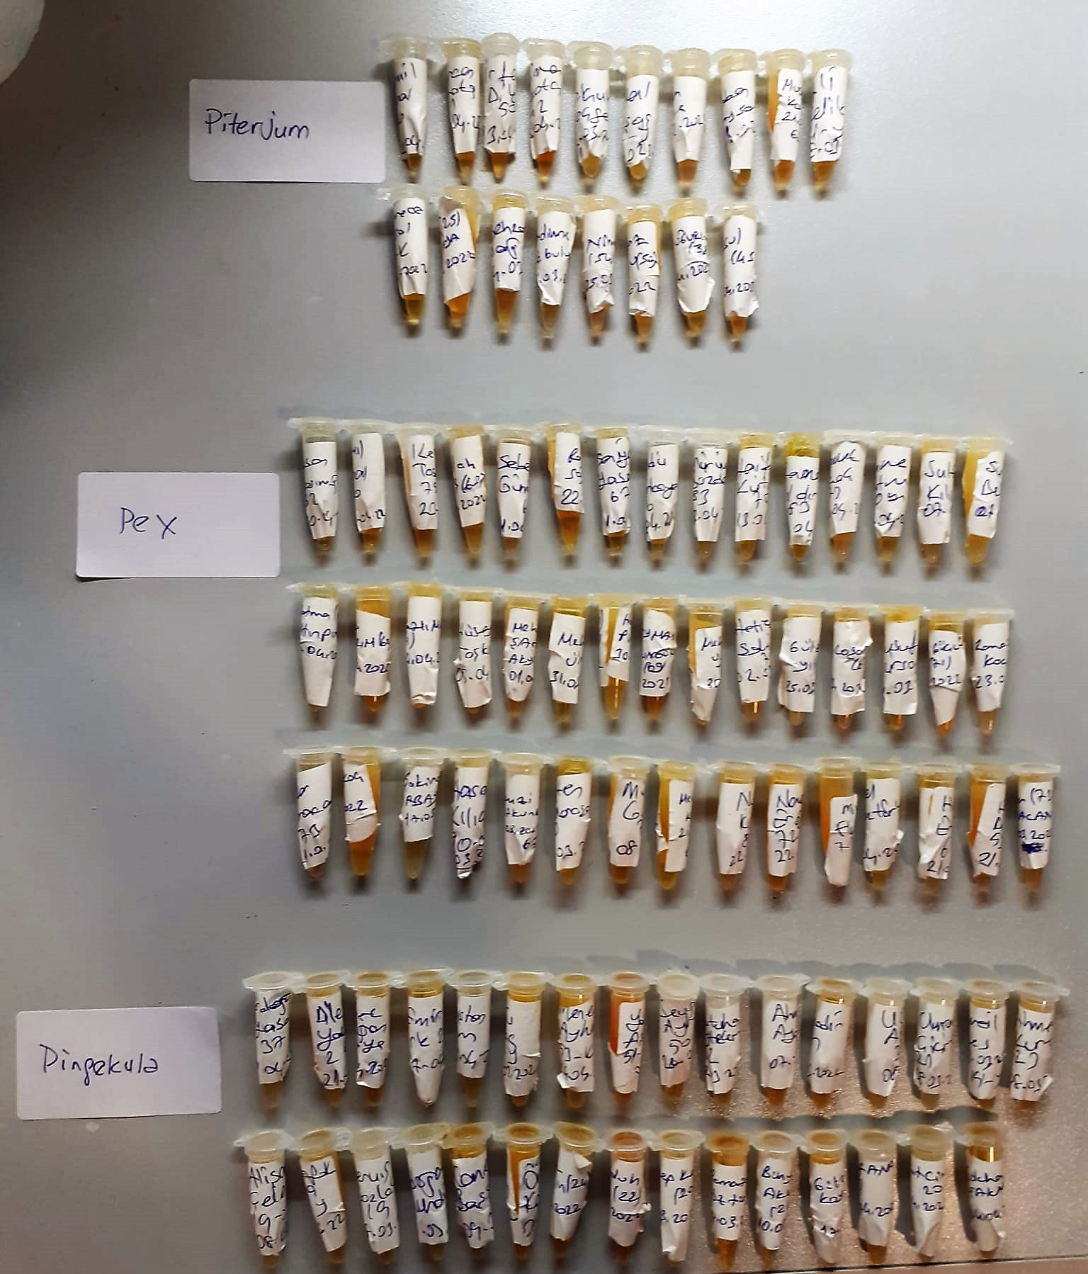

Human CALP Test Principle
This ELISA kit uses the Sandwich-ELISA principle. The micro ELISA plate provided in this kit has been pre-coated with an antibody specific to Human CALP.
Samples (or Standards) are added to the micro ELISA plate wells and combined with the specific antibody.
Then a biotinylated detection antibody specific for Human CALP and Avidin-Horseradish Peroxidase (HRP) conjugate are added successively to each micro plate well and incubated.
Free components are washed away. The substrate solution is added to each well.
Only those wells that contain Human CALP, biotinylated detection antibody and Avidin HRP conjugate will appear blue in color.
The enzyme-substrate reaction is terminated by the addition of stop solution and the color turns yellow. The optical density (OD) is measured spectrophotometrically at a wavelength of 450 nm ± 2 nm.
The OD value is proportional to the concentration of Human CALP. You can calculate the concentration of Human CALP in the samples by comparing the OD of the samples to the standard curve.

Thiol/Disulfide Homeostasis
Tests were measured using a novel automatic and spectrophotometric method developed by Erel and Neselioglu*
which is avaliable commercially (Rel Assay Diagnostics, Turkey) In this method, dynamic and reducible disulfide bonds
in the samples were reduced to free functional thiol groups by using sodium borohydride. In order to prevent the reduction
of unused reduced sodium borohydride to dithionite-2 nitrobenzoic (DTNB), NaBH4 was removed with formaldehyde. Native thiol (NT) and total thiol (TT)
levels were determined after reaction with DTNB and their levels were measured ultimately. Half of the difference of the result obtained
by the subtraction of native thiol amount from total thiol content indicated the disulfide (DS) level.
(Relassay, Turkey)

