AMH
2.726 | 1.335 | 1.94 | 1.429 | 1.66 | 1.686 | 1.332 | 1.678 | 0.937 | 1.854 | 1.91 | 1.009
1.893 | 0.868 | 1.664 | 1.918 | 2.542 | 1.341 | 1.804 | 1.106 | 1.359 | 1.304 | 1.514 | 2.109
1.189 | 0.552 | 1.783 | 1.047 | 1.296 | 1.64 | 1.866 | 1.99 | 1.261 | 1.168 | 0.946 | 1.683
0.832 | 0.177 | 1.623 | 1.054 | 2.112 | 1.994 | 1.776 | 0.89 | 2.322 | 1.008 | 1.852 | 1.328
0.548 | 1.828 | 1.808 | 2.623 | 2.348 | 2.04 | 1.903 | 1.752 | 2.527 | 1.544 | 2.261 | 1.458
0.143 | 1.333 | 2.338 | 1.972 | 1.405 | 1.379 | 2.665 | 2.01 | 0.923 | 1.142 | 2.52 | 1.476
2.761 | 1.532 | 2.556 | 1.33 | 1.681 | 1.472 | 0.87 | 1.171 | 2.612 | 0.909 | 2.737 | 1.03
1.823 | 1.058 | 1.305 | 1.422 | 2.469 | 0.935 | 0.855 | 1.797 | 1.72 | 1.125 | 1.693 | 1.259

AMH

 | abs.ort. | abs-blank | expected | result
std1 | 2.743 | 2.583 | 32 | 32.03
std2 | 1.858 | 1.698 | 16 | 15.90
std3 | 1.262 | 1.102 | 8 | 8.07
std4 | 0.85 | 0.69 | 4 | 4.08
std5 | 0.55 | 0.39 | 2 | 1.91
blank | 0.16 | 0 | 0 | 0.01

 |  |  |  |  |  |  |  |  | concentratıon (ng/ml)

Numune | absorbans | blank | abs-blank | result(ng/ml)
O.SAAT-1 | 1.828 | 0.16 | 1.668 | 15.45
O.SAAT-2 | 1.333 | 0.16 | 1.173 | 8.88
O.SAAT-3 | 1.532 | 0.16 | 1.372 | 11.32
O.SAAT-4 | 1.058 | 0.16 | 0.898 | 5.95
O.SAAT-5 | 1.94 | 0.16 | 1.78 | 17.17
O.SAAT-6 | 1.664 | 0.16 | 1.504 | 13.09
O.SAAT-7 | 1.783 | 0.16 | 1.623 | 14.78
3 GÜN-MG-1 | 1.623 | 0.16 | 1.463 | 12.52
3 GÜN-MG-2 | 1.808 | 0.16 | 1.648 | 15.15
3 GÜN-MG-3 | 2.338 | 0.16 | 2.178 | 23.98
3 GÜN-MG-4 | 2.556 | 0.16 | 2.396 | 28.17
3 GÜN-MG-5 | 1.305 | 0.16 | 1.145 | 8.55
3 GÜN-MG-6 | 1.429 | 0.16 | 1.269 | 10.02
3 GÜN-MG-7 | 1.918 | 0.16 | 1.758 | 16.83
7 GÜN-MG-1 | 1.047 | 0.16 | 0.887 | 5.84
7 GÜN-MG-2 | 1.054 | 0.16 | 0.894 | 5.91
7 GÜN-MG-3 | 2.623 | 0.16 | 2.463 | 29.52
7 GÜN-MG-4 | 1.972 | 0.16 | 1.812 | 17.68
7 GÜN-MG-5 | 1.33 | 0.16 | 1.17 | 8.84
7 GÜN-MG-6 | 1.422 | 0.16 | 1.262 | 9.93
7 GÜN-MG-7 | 1.66 | 0.16 | 1.5 | 13.03
14 GÜN-MG-1 | 2.542 | 0.16 | 2.382 | 27.89
14 GÜN-MG-2 | 1.296 | 0.16 | 1.136 | 8.45
14 GÜN-MG-3 | 2.112 | 0.16 | 1.952 | 19.98
14 GÜN-MG-4 | 2.348 | 0.16 | 2.188 | 24.17
14 GÜN-MG-5 | 1.405 | 0.16 | 1.245 | 9.73
14 GÜN-MG-6 | 1.681 | 0.16 | 1.521 | 13.32
14 GÜN-MG-8 | 2.469 | 0.16 | 2.309 | 26.46
21 GÜN-MG-1 | 1.686 | 0.16 | 1.526 | 13.39
21 GÜN-MG-2 | 1.341 | 0.16 | 1.181 | 8.97
21 GÜN-MG-3 | 1.64 | 0.16 | 1.48 | 12.76
21 GÜN-MG-4 | 1.994 | 0.16 | 1.834 | 18.03
21 GÜN-MG-5 | 2.04 | 0.16 | 1.88 | 18.78
21 GÜN-MG-6 | 1.379 | 0.16 | 1.219 | 9.42
21 GÜN-MG-7 | 1.472 | 0.16 | 1.312 | 10.55
ABORT-RA-1 | 0.935 | 0.16 | 0.775 | 4.81
ABORT-RA-2 | 1.332 | 0.16 | 1.172 | 8.86
ABORT-RA-3 | 1.804 | 0.16 | 1.644 | 15.09
ABORT-RA-4 | 1.866 | 0.16 | 1.706 | 16.02
ABORT-RA-5 | 1.776 | 0.16 | 1.616 | 14.68
ABORT-RA-6 | 1.903 | 0.16 | 1.743 | 16.59
ABORT-RA-7 | 2.665 | 0.16 | 2.505 | 30.39
ABORT-RA-8 | 0.87 | 0.16 | 0.71 | 4.25
ABORT-RA-9 | 0.855 | 0.16 | 0.695 | 4.12
ABORT-RA-10 | 1.678 | 0.16 | 1.518 | 13.28
ABORT-RA-11 | 1.106 | 0.16 | 0.946 | 6.42
ABORT-MT-1 | 1.99 | 0.16 | 1.83 | 17.97
ABORT-MT-2 | 0.89 | 0.16 | 0.73 | 4.42
ABORT-MT-3 | 1.752 | 0.16 | 1.592 | 14.33
ABORT-MT-4 | 2.01 | 0.16 | 1.85 | 18.29
ABORT-MT-5 | 1.171 | 0.16 | 1.011 | 7.09
ABORT-MT-6 | 1.797 | 0.16 | 1.637 | 14.99
ABORT-MT-7 | 0.937 | 0.16 | 0.777 | 4.83
ABORT-MT-8 | 1.359 | 0.16 | 1.199 | 9.18
NORMAL-RA-12 | 1.261 | 0.16 | 1.101 | 8.06
NORMAL-RA-13 | 2.322 | 0.16 | 2.162 | 23.69
NORMAL-RA-14 | 2.527 | 0.16 | 2.367 | 27.59
NORMAL-RA-15 | 0.923 | 0.16 | 0.763 | 4.70
NORMAL-RA-16 | 2.612 | 0.16 | 2.452 | 29.30
NORMAL-RA-17 | 1.72 | 0.16 | 1.56 | 13.87
NORMAL-RA-18 | 1.854 | 0.16 | 1.694 | 15.84
NORMAL-RA-19 | 1.304 | 0.16 | 1.144 | 8.54
NORMAL-RA-20 | 1.168 | 0.16 | 1.008 | 7.06
NORMAL-MT-9 | 1.008 | 0.16 | 0.848 | 5.47
NORMAL-MT-10 | 1.544 | 0.16 | 1.384 | 11.47
NORMAL-MT-11 | 1.142 | 0.16 | 0.982 | 6.79
NORMAL-MT-12 | 0.909 | 0.16 | 0.749 | 4.58
NORMAL-MT-13 | 1.125 | 0.16 | 0.965 | 6.62
NORMAL-MT-14 | 1.91 | 0.16 | 1.75 | 16.70
NORMAL-MT-15 | 1.514 | 0.16 | 1.354 | 11.09
NORMAL-MT-16 | 0.946 | 0.16 | 0.786 | 4.91
NORMAL-MT-17 | 1.852 | 0.16 | 1.692 | 15.81
NORMAL-MT-18 | 2.261 | 0.16 | 2.101 | 22.58
NORMAL-MT-19 | 2.52 | 0.16 | 2.36 | 27.46
AK-1 | 2.737 | 0.16 | 2.577 | 31.90
AK-2 | 1.693 | 0.16 | 1.533 | 13.49
AK-3 | 1.009 | 0.16 | 0.849 | 5.48
AK-4 | 2.109 | 0.16 | 1.949 | 19.93
AK-5 | 1.683 | 0.16 | 1.523 | 13.35
AK-6 | 1.328 | 0.16 | 1.168 | 8.82
AK-7 | 1.458 | 0.16 | 1.298 | 10.38
AK-8 | 1.476 | 0.16 | 1.316 | 10.60
AK-9 | 1.03 | 0.16 | 0.87 | 5.68
AK-10 | 1.259 | 0.16 | 1.099 | 8.04

Materyal-metod
KİT ADI | TÜR | Numune Türü | MARKA | CAT. NO | Yöntem | Kullanılan Cihaz
Anti-Mullerian Hormone (AMH) | Goat | Serum | BT-lab | E0156GO | ELİSA | Mıcroplate reader: BIO-TEK EL X 800-Aotu strıp washer:BIO TEK EL X 50

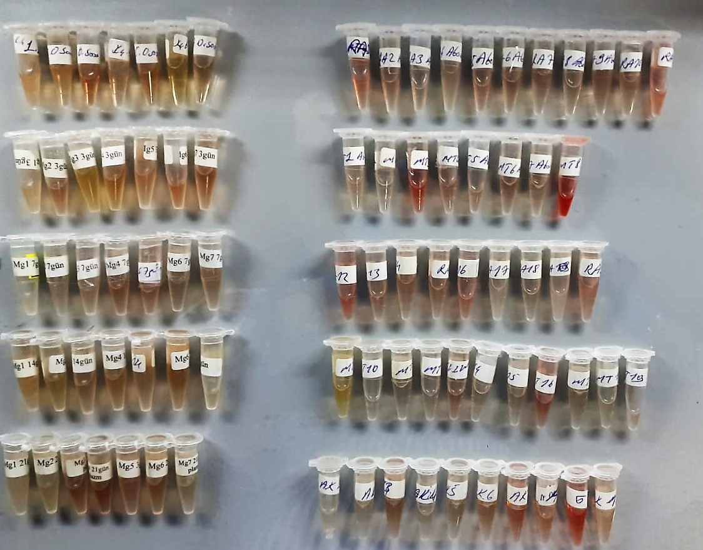

AMH Assay Principle
This kit is an Enzyme-Linked Immunosorbent Assay (ELISA). The plate has been pre-coated with Goat AMH antibody. Goat AMH present in the sample is added and binds to antibodies coated on the wells.
And then biotinylated Goat AMH Antibody is added and binds to Goat AMH in the sample. Then Streptavidin-HRP is added and binds to the Biotinylated Goat AMH antibody.
After incubation unbound Streptavidin-HRP is washed away during a washing step. Substrate solution is then added and color develops in proportion to the amount of Goat AMH.
The reaction is terminated by addition of acidic stop solution and absorbance is measured at 450 nm.

