Insulin
2.985 | 0.373 | 0.232 | 0.25 | 0.305 | 0.321 | 0.374
1.892 | 0.336 | 0.264 | 0.251 | 0.339 | 0.406 | 0.497
1.36 | 0.348 | 0.315 | 0.408 | 0.314 | 0.387 | 0.477
0.834 | 0.346 | 0.334 | 0.269 | 0.404 | 0.286 | 0.415
0.525 | 0.378 | 0.301 | 0.344 | 0.27 | 0.349 | 0.225
0.351 | 0.389 | 0.283 | 0.352 | 0.274 | 0.423
Insulin
0.069 | 0.317 | 0.288 | 0.349 | 0.257 | 0.347
0.071 | 0.349 | 0.287 | 0.284 | 0.335 | 0.395

 | abs | abs-blank | expected | result
std1 | 2.985 | 2.915 | 48 | 48.32
std2 | 1.892 | 1.822 | 24 | 22.52
std3 | 1.36 | 1.29 | 12 | 13.24
std4 | 0.834 | 0.764 | 6 | 6.18
std5 | 0.525 | 0.455 | 3 | 3.01
std6 | 0.351 | 0.281 | 1.5 | 1.55
blank | 0.07 | 0 | 0 | -0.33

 |  |  |  |  |  |  | concentratıon (mlU/L)

Numune | absorbans | blank | abs-blank | Sonuç(mlU/L)
1-(1) | 0.373 | 0.07 | 0.303 | 1.72
1-(2) | 0.336 | 0.07 | 0.266 | 1.44
1-(3) | 0.348 | 0.07 | 0.278 | 1.53
1-(4) | 0.346 | 0.07 | 0.276 | 1.51
1-(5) | 0.378 | 0.07 | 0.308 | 1.76
1-(6) | 0.389 | 0.07 | 0.319 | 1.85
1-(7) | 0.317 | 0.07 | 0.247 | 1.29
1-(8) | 0.349 | 0.07 | 0.279 | 1.54
1-(10) | 0.232 | 0.07 | 0.162 | 0.68
1-(11) | 0.264 | 0.07 | 0.194 | 0.91
2-(1) | 0.315 | 0.07 | 0.245 | 1.28
2-(2) | 0.334 | 0.07 | 0.264 | 1.42
2-(3) | 0.301 | 0.07 | 0.231 | 1.17
2-(4) | 0.283 | 0.07 | 0.213 | 1.04
2-(5) | 0.288 | 0.07 | 0.218 | 1.08
2-(6) | 0.287 | 0.07 | 0.217 | 1.07
2-(7) | 0.25 | 0.07 | 0.18 | 0.81
2-(8) | 0.251 | 0.07 | 0.181 | 0.81
2-(9) | 0.408 | 0.07 | 0.338 | 2.01
2-(10) | 0.269 | 0.07 | 0.199 | 0.94
2-(11) | 0.344 | 0.07 | 0.274 | 1.50
2-(12) | 0.352 | 0.07 | 0.282 | 1.56
3-(1) | 0.349 | 0.07 | 0.279 | 1.54
3-(2) | 0.284 | 0.07 | 0.214 | 1.05
3-(3) | 0.305 | 0.07 | 0.235 | 1.20
3-(4) | 0.339 | 0.07 | 0.269 | 1.46
3-(5) | 0.314 | 0.07 | 0.244 | 1.27
3-(6) | 0.404 | 0.07 | 0.334 | 1.97
3-(7) | 0.27 | 0.07 | 0.2 | 0.95
3-(8) | 0.274 | 0.07 | 0.204 | 0.98
3-(9) | 0.257 | 0.07 | 0.187 | 0.86
3-(10) | 0.335 | 0.07 | 0.265 | 1.43
3-(11) | 0.321 | 0.07 | 0.251 | 1.32
3-(12) | 0.406 | 0.07 | 0.336 | 1.99
4-(1) | 0.387 | 0.07 | 0.317 | 1.83
4-(2) | 0.286 | 0.07 | 0.216 | 1.06
4-(3) | 0.349 | 0.07 | 0.279 | 1.54
4-(5) | 0.423 | 0.07 | 0.353 | 2.13
4-(6) | 0.347 | 0.07 | 0.277 | 1.52
4-(7) | 0.395 | 0.07 | 0.325 | 1.90
4-(8) | 0.374 | 0.07 | 0.304 | 1.73
4-(9) | 0.497 | 0.07 | 0.427 | 2.76
4-(10) | 0.477 | 0.07 | 0.407 | 2.59
4-(11) | 0.415 | 0.07 | 0.345 | 2.06
4-(12) | 0.225 | 0.07 | 0.155 | 0.63

Materyal-metod
KİT ADI | TÜR | MARKA | CAT. NO | Yöntem | Kullanılan Cihaz
Insulin | Rat | BT | E0707Ra | ELİSA | Mıcroplate reader: BIO-TEK EL X 800-Aotu strıp washer:BIO TEK EL X 50
AST: Aspartat Aminotransferaz | Universal | Otto Scientific | OttoBC127 | Kolorimetrik | MINDRAY-BS400
ALT: Alanin aminotransferaz | Universal | Otto Scientific | OttoBC128 | Kolorimetrik | MINDRAY-BS400
UREA: Üre | Universal | Otto Scientific | OttoBC157 | Kolorimetrik | MINDRAY-BS400
GLU: Glucose | Universal | Otto Scientific | OttoBC142 | Kolorimetrik | MINDRAY-BS400
CHOL: Total Cholesterol | Universal | Otto Scientific | OttoBC135 | Kolorimetrik | MINDRAY-BS400
TG: Triglycerides | Universal | Otto Scientific | OttoBC155 | Kolorimetrik | MINDRAY-BS400
CREA: Creatinine | Universal | Otto Scientific | OttoBC139 | Kolorimetrik | MINDRAY-BS400
LDL: LDL Cholesterol | Universal | Otto Scientific | OttoBC145 | Kolorimetrik | MINDRAY BS-400
HDL: HDL Cholesterol | Universal | Otto Scientific | OttoBC144 | Kolorimetrik | MINDRAY BS-400
HbA1C(Hemoglobin A1C) | Universal | Otto Scientific | OttoBC143 | Kolorimetrik | MINDRAY-BS400
Ketone | Universal | ACON |  | Electromagnetic Current | On Call GK Dual ( Kan glikoz ve ketone takip sistemi)

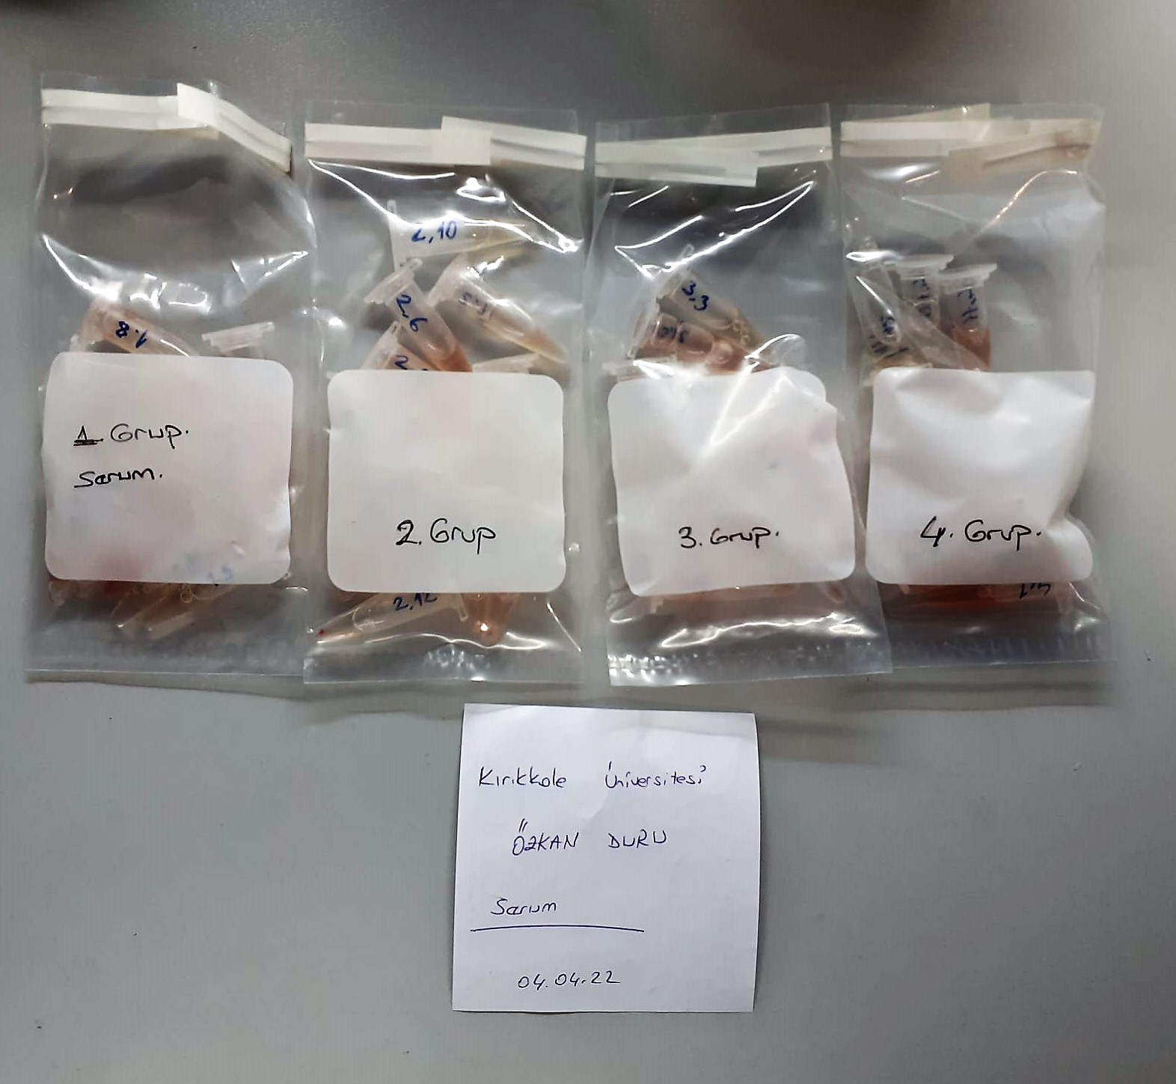
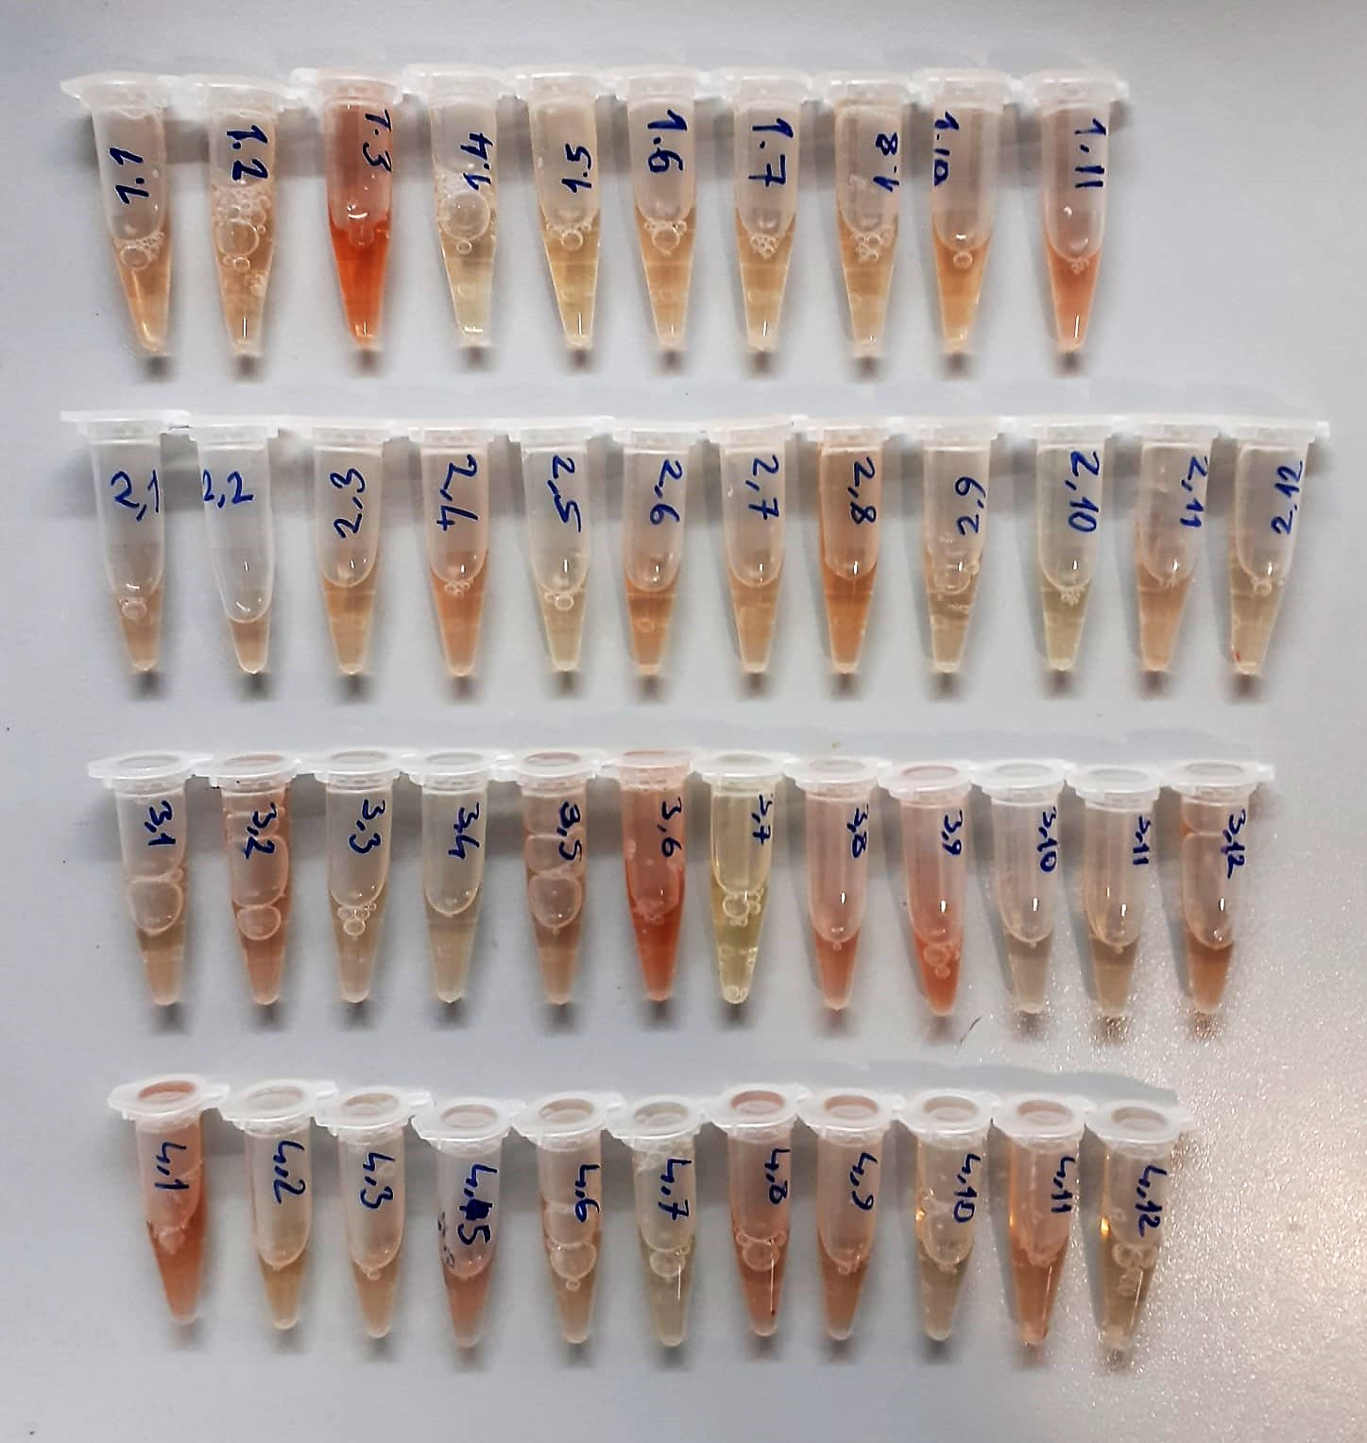

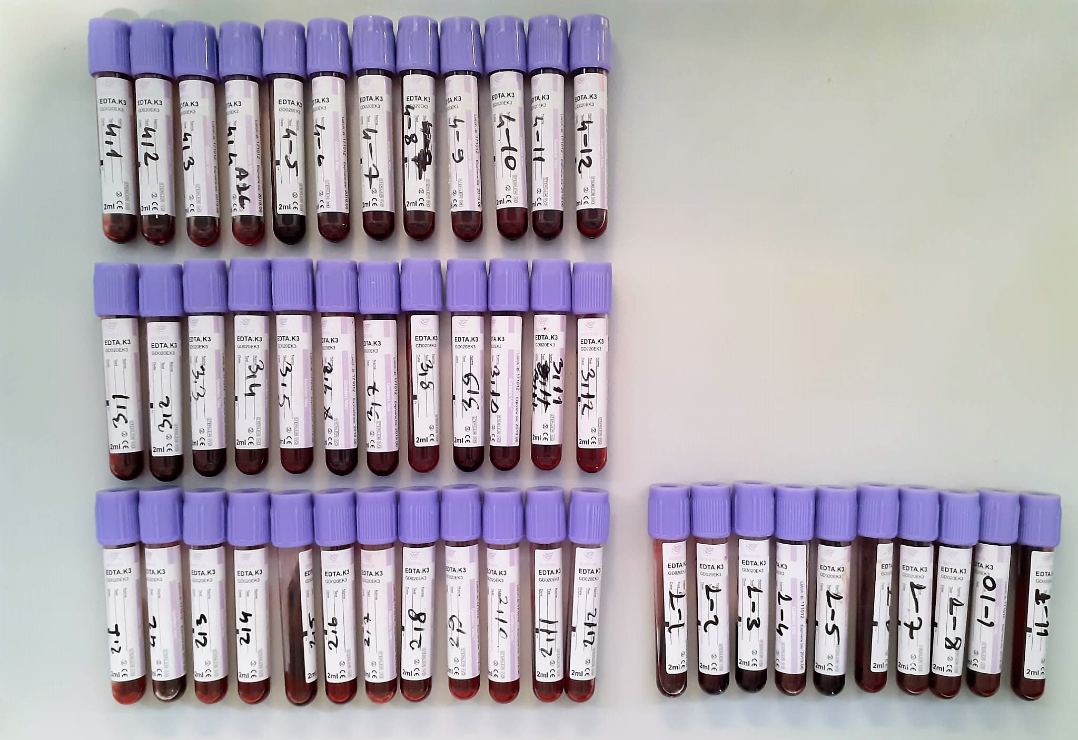

Cholesterol Total mg/dl
Cholesterol ester + H2O Cholesterol + fatty acids
Cholesterol esters are ceaved by the action of choesterol esterase to yield free
choesterol and fatty acids Cholesterol oxidase Cholesterol + O2 Cholesten-3-on + H2O2
Peroxidase
2H2O2 + Phenol + 4-Aminoantipyrine Quinoneimine dye + 4 H2O
Cholesterol is converted by oxygen with the aid of cholesterol oxidase to A4- Cholestenone and hydrogen peroxide.
Hydrogen peroxide created forms a red dyestuff by reacting with 4-aminoantipyrine and phenol under the catalytic action of peroxidase.
The color intensity is directly proportional to the concentration of cholesterol and can be determined photometrically.

Triglycerides mg/dl
Triglycerides in the sample originates, by means of the coupled reactions described below, acoloured complex that can be measured by spectrophotometry.
Triglycerides + H2O lipase Glycerol + Fatty acids
Glycerol + ATP glycerol kinase Glycerol – 3 – P + ADP
Glycerol – 3 –P + O2 G-3-P-oxidase Dihidroxyacetone – P +H2O2
2 H2O2 + 4 – Aminoantipyrine + 4 – Chlorophenol G-3-P-oxidas Quinoneimine + 4 H2O

Rat Insulin Assay Principle
This kit is an Enzyme-Linked Immunosorbent Assay (ELISA). The plate has been pre-coated with Rat INS antibody. Rat INS present in the sample is added and binds to antibodies coated on the wells.
And then biotinylated Rat INS Antibody is added and binds to Rat INS in the sample. Then Streptavidin-HRP is added and binds to the Biotinylated Rat INS antibody
After incubation unbound Streptavidin-HRP is washed away during a washing step. Substrate solution is then added and color develops in proportion to the amount of Rat INS.

HbA1C Test Principle
The principle of the test is latex agglutination method that measures the ratio of hemoglobin A1C that occupy in total hemoglobin in the whole blood.
The sample is added to the swnsitized latex particles, and the surface of the latex adsorbs total hemoglobin in the sample.
Anti-human HbA1C Mouse monoclonal antibody complex agglutination by anti-mouse IgG antibody.
At this time, the amount of agglutination caused depends on the amount of HbA1C that adsorbs the surface of the latex, this agglutination is measured as a turbidity.
The concentration of HbA1C(%) in the sample is determined by referring to the calibration curve obtained by the same test of diluted standard solutions.

HDL Cholesterol mg/dl
Enzymatic colorimetric test
• Sample and addition of R1
• Addition of R2 and start of reaction
In the first step LDL, VLDL and Chylomicrons are eliminated and transformed to
non reactive compounds and specific condition for the reaction. By the second
reagent only the HDL-Cholesterol is subject to color reaction
Cholesterol Esterase
Cholesterol ester + H2O Cholesterol + fatty acid
Cholesterol Oxidase
Cholesterol + O2 Cholesten-3-on + H2O2
Peroxidase
H2O2 + phenol + 4-aminoantipyrine quinoneimine dye+4 H2O

LDL Cholesterol mg/dl
İlk adımda, HDL, VLDL ve Şilomikronlar elimine edilir ve reaksiyon için özel koşulda reaktif olmayan bileşiklere dönüştürülür. İkinci reaktif sadece LDL-kolesterol renk reaksiyonudur.
Kolesterol esteraz
Kolesterol ester + H2O kolesterol + yağ asidi
Kolesterol Oksidaz
Kolesterol + O2 kolesten-3-on + H2O2
peroksidaz
H2O2 + fenol + 4- aminoantipirin kinon boyası +4 H2O

Glucose mg/dl
Enzymatic colorimetric test on basis of Trinder – Reaction:
Glucose oxidase Glucose + O2 Gluconic acid + H2O2
Peroxidase
2H2O2 + Phenol + 4–Aminoantipyrine Red Quinoneimine + 4H2O

Creatinine mg/L
Immunoturbidimetric assay
Anti-CRP antibodies react with antigen in the sample to form an ntigen/antibody complex. Following agglutination, this is measured turbidimetrically.
Addition of PEG allows the reaction to progress rapidly to the end point,increases sensitivity, and reduces the risk of samples containing excess antigen
producing false negative results.

Urea (BUN) mg/dl
Urea is hydrolysed in presence of urease to produce ammonia and CO2. The ammonia produced combines with 2 – oxoglutarate and NADH in presence of GLDH to yield glutamate and NAD.
urease
Urea+H2O+2H+ 2 NH4+ + 2+ CO2
GLDH
2 NH4+ + 2-Oxoglutarate + 2 NADH H2O + 2 NAD+ + Gl utamate The decrease in absorbance due to consumption of NADH is measured kinetically.

AST U/L
UV test according to a standarrized method
Sample and addition of R1 (buffer)
Addition of R2 and start of reaction: AST
α-ketoglutarate + L-aspartate L- glutamate + oxaloasetate
AST is the enzyme which catalyzes this equilibrium reaction. The oxaloacetate in- crease is measured in a subsequent indicator reaction which is catalyzed by malate dehydrogenase.
MDH
oxalacetate + NADH + H+ L-Malate + NAD+
In the second reaction, NADH is oxidized to NAD. The rate of decrease in NADH
(Measured photometrically) is directly proportional to the rate of formation of
oxaloasetate, and thus the AST activity.

ALT U/L
UV test according to the IFCC method.
ALT
L-Alanin + 2-Oxoglutarate ⎯⎯ L-Glutamate + Pyruvat

On Call Kan Keton Ölçüm Çubukları
Tam kandaki kan β-keton konsantrasyonunu ölçmek için On Call GK Dual Kan glikoz ve Keton Ölçüm Aleti ile birlikte çalışabilen ve kimyasal belirteç sistemine sahip olan ince çubuklardır.
Çubuk ölçüm aletine yerleştirildikten sonra ölçüm çubuğunun örnek ucuna kan uygulanır.Kan daha sonra otomatil olarak tepkime hücresine emilir.
Burada bir tepkime gerçekleşir ve geçici bir elektrik akımı oluşur. Kandaki β-keton konsantrasyonu ölçüm alti tarafından algılanan elektrik akımına bağlı olarak hesaplanır.

