MDA
MDA
2.481 | 100
1.673 | 50
0.994 | 25
0.513 | 12.5
0.288 | 6.25
0.122 | 3.125
0 | 0
 | absorbans | abs-blank | expected | result
std1 | 2.511 | 2.481 | 100 | 99.11
std2 | 1.703 | 1.673 | 50 | 52.40
std3 | 1.024 | 0.994 | 25 | 24.30
std4 | 0.543 | 0.513 | 12.5 | 10.55
std5 | 0.318 | 0.288 | 6.25 | 5.87
std6 | 0.152 | 0.122 | 3.125 | 3.14
blank | 0.03 | 0 | 0 | 1.51

 |  |  |  |  | concentratıon (nmol/L)

Numune | absorbans | blank | abs-blank | result(nmol/L)
SÜMEYRA
KONTROL-AC-1 | 0.902 | 0.03 | 0.872 | 20.33
KONTROL-AC-2 | 1.491 | 0.03 | 1.461 | 42.53
KONTROL-AC-3 | 0.923 | 0.03 | 0.893 | 20.99
KONTROL-AC-4 | 1.537 | 0.03 | 1.507 | 44.59
KONTROL-AC-5 | 1.516 | 0.03 | 1.486 | 43.65
KONTROL-AC-6 | 1.83 | 0.03 | 1.8 | 58.79
KONTROL-AC-7 | 1.819 | 0.03 | 1.789 | 58.22
KONTROL-AC-8 | 1.891 | 0.03 | 1.861 | 61.98
KONTROL-AC-9 | 1.75 | 0.03 | 1.72 | 54.72
KONTROL-AC-10 | 2.199 | 0.03 | 2.169 | 79.37
PATOLOJİ-AC-1 | 1.735 | 0.03 | 1.705 | 53.98
PATOLOJİ-AC-2 | 2.015 | 0.03 | 1.985 | 68.73
PATOLOJİ-AC-3 | 1.873 | 0.03 | 1.843 | 61.03
PATOLOJİ-AC-4 | 1.639 | 0.03 | 1.609 | 49.32
PATOLOJİ-AC-5 | 2.268 | 0.03 | 2.238 | 83.55
PATOLOJİ-AC-6 | 1.649 | 0.03 | 1.619 | 49.79
PATOLOJİ-AC-7 | 0.907 | 0.03 | 0.877 | 20.48
PATOLOJİ-AC-8 | 1.71 | 0.03 | 1.68 | 52.75
PATOLOJİ-AC-9 | 1.763 | 0.03 | 1.733 | 55.38
PATOLOJİ-AC-10 | 1.83 | 0.03 | 1.8 | 58.79
TEDAVİ-AC-1 | 2.056 | 0.03 | 2.026 | 71.04
TEDAVİ-AC-2 | 1.749 | 0.03 | 1.719 | 54.67
TEDAVİ-AC-3 | 2.074 | 0.03 | 2.044 | 72.06
TEDAVİ-AC-4 | 2.145 | 0.03 | 2.115 | 76.17
TEDAVİ-AC-5 | 0.311 | 0.03 | 0.281 | 5.74
TEDAVİ-AC-6 | 1.811 | 0.03 | 1.781 | 57.81
TEDAVİ-AC-7 | 2.01 | 0.03 | 1.98 | 68.45
TEDAVİ-AC-8 | 2.287 | 0.03 | 2.257 | 84.72
TEDAVİ-AC-9 | 1.732 | 0.03 | 1.702 | 53.83
TEDAVİ-AC-10 | 1.035 | 0.03 | 1.005 | 24.67
KONTROL-PANKREAS-1 | 1.309 | 0.03 | 1.279 | 34.85
KONTROL-PANKREAS-2 | 1.784 | 0.03 | 1.754 | 56.43
KONTROL-PANKREAS-3 | 0.467 | 0.03 | 0.437 | 8.84
KONTROL-PANKREAS-4 | 2.035 | 0.03 | 2.005 | 69.85
KONTROL-PANKREAS-5 | 1.461 | 0.03 | 1.431 | 41.22
KONTROL-PANKREAS-6 | 2.402 | 0.03 | 2.372 | 91.97
KONTROL-PANKREAS-7 | 1.474 | 0.03 | 1.444 | 41.79
KONTROL-PANKREAS-8 | 0.78 | 0.03 | 0.75 | 16.68
KONTROL-PANKREAS-9 | 1.057 | 0.03 | 1.027 | 25.43
KONTROL-PANKREAS-10 | 2.402 | 0.03 | 2.372 | 91.97
PATOLOJİ-PANKREAS-1 | 1.47 | 0.03 | 1.44 | 41.61
PATOLOJİ-PANKREAS-2 | 2.651 | 0.03 | 2.621 | 108.67
PATOLOJİ-PANKREAS-3 | 1.997 | 0.03 | 1.967 | 67.73
PATOLOJİ-PANKREAS-4 | 2.171 | 0.03 | 2.141 | 77.70
PATOLOJİ-PANKREAS-5 | 1.691 | 0.03 | 1.661 | 51.82
PATOLOJİ-PANKREAS-6 | 1.798 | 0.03 | 1.768 | 57.15
PATOLOJİ-PANKREAS-7 | 1.292 | 0.03 | 1.262 | 34.17
PATOLOJİ-PANKREAS-8 | 0.827 | 0.03 | 0.797 | 18.05
PATOLOJİ-PANKREAS-9 | 1.005 | 0.03 | 0.975 | 23.66
PATOLOJİ-PANKREAS-10 | 1.643 | 0.03 | 1.613 | 49.51
TEDAVİ-PANKREAS-1 | 0.987 | 0.03 | 0.957 | 23.06
TEDAVİ-PANKREAS-2 | 2.056 | 0.03 | 2.026 | 71.04
TEDAVİ-PANKREAS-3 | 1.811 | 0.03 | 1.781 | 57.81
TEDAVİ-PANKREAS-4 | 2.447 | 0.03 | 2.417 | 94.89
TEDAVİ-PANKREAS-5 | 1.515 | 0.03 | 1.485 | 43.60
TEDAVİ-PANKREAS-6 | 1.83 | 0.03 | 1.8 | 58.79
TEDAVİ-PANKREAS-7 | 1.956 | 0.03 | 1.926 | 65.48
TEDAVİ-PANKREAS-8 | 1.944 | 0.03 | 1.914 | 64.83
TEDAVİ-PANKREAS-9 | 2.042 | 0.03 | 2.012 | 70.24
TEDAVİ-PANKREAS-10 | 1.982 | 0.03 | 1.952 | 66.90
YUSUF
KONTROL-AC-1 | 1.581 | 0.03 | 1.551 | 46.60
KONTROL-AC-2 | 2.013 | 0.03 | 1.983 | 68.62
KONTROL-AC-3 | 2.05 | 0.03 | 2.02 | 70.70
KONTROL-AC-4 | 1.974 | 0.03 | 1.944 | 66.46
KONTROL-AC-5 | 2.034 | 0.03 | 2.004 | 69.79
KONTROL-AC-6 | 1.845 | 0.03 | 1.815 | 59.57
KONTROL-AC-7 | 1.981 | 0.03 | 1.951 | 66.85
KONTROL-AC-8 | 1.954 | 0.03 | 1.924 | 65.37
KONTROL-AC-9 | 1.789 | 0.03 | 1.759 | 56.69
KONTROL-AC-10 | 1.83 | 0.03 | 1.8 | 58.79
PATOLOJİ-ANTU-AC-1 | 1.752 | 0.03 | 1.722 | 54.82
PATOLOJİ-ANTU-AC-2 | 2.038 | 0.03 | 2.008 | 70.02
PATOLOJİ-ANTU-AC-3 | 1.134 | 0.03 | 1.104 | 28.16
PATOLOJİ-ANTU-AC-4 | 1.47 | 0.03 | 1.44 | 41.61
PATOLOJİ-ANTU-AC-5 | 1.711 | 0.03 | 1.681 | 52.79
PATOLOJİ-ANTU-AC-6 | 1.441 | 0.03 | 1.411 | 40.35
PATOLOJİ-ANTU-AC-7 | 1.948 | 0.03 | 1.918 | 65.04
PATOLOJİ-ANTU-AC-8 | 1.411 | 0.03 | 1.381 | 39.07
PATOLOJİ-ANTU-AC-9 | 1.649 | 0.03 | 1.619 | 49.79
PATOLOJİ-ANTU-AC-10 | 0.976 | 0.03 | 0.946 | 22.70
PATOLOJİ-LPS-AC-1 | 1.889 | 0.03 | 1.859 | 61.88
PATOLOJİ-LPS-AC-2 | 1.631 | 0.03 | 1.601 | 48.94
PATOLOJİ-LPS-AC-3 | 1.88 | 0.03 | 1.85 | 61.40
PATOLOJİ-LPS-AC-4 | 2.078 | 0.03 | 2.048 | 72.29
PATOLOJİ-LPS-AC-5 | 2.109 | 0.03 | 2.079 | 74.07
PATOLOJİ-LPS-AC-6 | 1.396 | 0.03 | 1.366 | 38.43
PATOLOJİ-LPS-AC-7 | 1.676 | 0.03 | 1.646 | 51.09
PATOLOJİ-LPS-AC-8 | 1.73 | 0.03 | 1.7 | 53.73
PATOLOJİ-LPS-AC-9 | 1.644 | 0.03 | 1.614 | 49.56
PATOLOJİ-LPS-AC-10 | 1.139 | 0.03 | 1.109 | 28.34
TEDAVİ-ANTU-AC-1 | 0.519 | 0.03 | 0.489 | 10.00
TEDAVİ-ANTU-AC-2 | 1.869 | 0.03 | 1.839 | 60.82
TEDAVİ-ANTU-AC-3 | 1.711 | 0.03 | 1.681 | 52.79
TEDAVİ-ANTU-AC-4 | 1.965 | 0.03 | 1.935 | 65.97
TEDAVİ-ANTU-AC-5 | 0.6 | 0.03 | 0.57 | 11.91
TEDAVİ-ANTU-AC-6 | 1.771 | 0.03 | 1.741 | 55.78
TEDAVİ-ANTU-AC-7 | 1.745 | 0.03 | 1.715 | 54.48
TEDAVİ-ANTU-AC-8 | 1.984 | 0.03 | 1.954 | 67.01
TEDAVİ-ANTU-AC-9 | 1.743 | 0.03 | 1.713 | 54.38
TEDAVİ-ANTU-AC-10 | 2.012 | 0.03 | 1.982 | 68.56
TEDAVİ-LPS-AC-1 | 2.073 | 0.03 | 2.043 | 72.00
TEDAVİ-LPS-AC-2 | 1.439 | 0.03 | 1.409 | 40.27
TEDAVİ-LPS-AC-3 | 1.321 | 0.03 | 1.291 | 35.34
TEDAVİ-LPS-AC-4 | 0.473 | 0.03 | 0.443 | 8.97
TEDAVİ-LPS-AC-5 | 1.559 | 0.03 | 1.529 | 45.59
TEDAVİ-LPS-AC-6 | 1.33 | 0.03 | 1.3 | 35.70
TEDAVİ-LPS-AC-7 | 1.817 | 0.03 | 1.787 | 58.12
TEDAVİ-LPS-AC-8 | 1.77 | 0.03 | 1.74 | 55.73
TEDAVİ-LPS-AC-9 | 1.84 | 0.03 | 1.81 | 59.31
TEDAVİ-LPS-AC-10 | 1.654 | 0.03 | 1.624 | 50.03
DİLARA
KONTROL-PANKREAS-1 | 2.041 | 0.03 | 2.011 | 70.19
KONTROL-PANKREAS-2 | 0.137 | 0.03 | 0.107 | 2.92
KONTROL-PANKREAS-3 | 1.808 | 0.03 | 1.778 | 57.66
KONTROL-PANKREAS-4 | 1.547 | 0.03 | 1.517 | 45.04
KONTROL-PANKREAS-5 | 1.939 | 0.03 | 1.909 | 64.55
KONTROL-PANKREAS-6 | 0.749 | 0.03 | 0.719 | 15.81
KONTROL-PANKREAS-7 | 1.839 | 0.03 | 1.809 | 59.26
KONTROL-PANKREAS-8 | 1.226 | 0.03 | 1.196 | 31.60
KONTROL-PANKREAS-9 | 1.139 | 0.03 | 1.109 | 28.34
KONTROL-PANKREAS-10 | 1.551 | 0.03 | 1.521 | 45.23
KONTROL-KARACİĞER-1 | 0.23 | 0.03 | 0.2 | 4.34
KONTROL-KARACİĞER-2 | 1.788 | 0.03 | 1.758 | 56.64
KONTROL-KARACİĞER-3 | 1.629 | 0.03 | 1.599 | 48.85
KONTROL-KARACİĞER-4 | 1.695 | 0.03 | 1.665 | 52.01
KONTROL-KARACİĞER-5 | 1.425 | 0.03 | 1.395 | 39.66
KONTROL-KARACİĞER-6 | 1.704 | 0.03 | 1.674 | 52.45
KONTROL-KARACİĞER-7 | 2.028 | 0.03 | 1.998 | 69.46
KONTROL-KARACİĞER-8 | 1.642 | 0.03 | 1.612 | 49.46
KONTROL-KARACİĞER-9 | 1.801 | 0.03 | 1.771 | 57.30
KONTROL-KARACİĞER-10 | 1.689 | 0.03 | 1.659 | 51.72
PATOLOJİ-PANKREAS-1 | 1.432 | 0.03 | 1.402 | 39.96
PATOLOJİ-PANKREAS-2 | 0.964 | 0.03 | 0.934 | 22.30
PATOLOJİ-PANKREAS-3 | 1.268 | 0.03 | 1.238 | 33.23
PATOLOJİ-PANKREAS-4 | 1.81 | 0.03 | 1.78 | 57.76
PATOLOJİ-PANKREAS-5 | 1.649 | 0.03 | 1.619 | 49.79
PATOLOJİ-PANKREAS-6 | 0.549 | 0.03 | 0.519 | 10.69
PATOLOJİ-PANKREAS-7 | 1.718 | 0.03 | 1.688 | 53.14
PATOLOJİ-PANKREAS-8 | 2.008 | 0.03 | 1.978 | 68.34
PATOLOJİ-PANKREAS-9 | 2.054 | 0.03 | 2.024 | 70.92
PATOLOJİ-PANKREAS-10 | 1.701 | 0.03 | 1.671 | 52.30
PATOLOJİ-KARACİĞER-1 | 1.981 | 0.03 | 1.951 | 66.85
PATOLOJİ-KARACİĞER-2 | 1.615 | 0.03 | 1.585 | 48.19
PATOLOJİ-KARACİĞER-3 | 1.883 | 0.03 | 1.853 | 61.56
PATOLOJİ-KARACİĞER-4 | 1.579 | 0.03 | 1.549 | 46.51
PATOLOJİ-KARACİĞER-5 | 0.879 | 0.03 | 0.849 | 19.61
PATOLOJİ-KARACİĞER-6 | 1.415 | 0.03 | 1.385 | 39.24
PATOLOJİ-KARACİĞER-7 | 1.234 | 0.03 | 1.204 | 31.90
PATOLOJİ-KARACİĞER-8 | 0.717 | 0.03 | 0.687 | 14.93
PATOLOJİ-KARACİĞER-9 | 0.897 | 0.03 | 0.867 | 20.17
PATOLOJİ-KARACİĞER-10 | 0.603 | 0.03 | 0.573 | 11.98
TEDAVİ-PANKREAS-1 | 0.871 | 0.03 | 0.841 | 19.37
TEDAVİ-PANKREAS-2 | 0.629 | 0.03 | 0.599 | 12.63
TEDAVİ-PANKREAS-3 | 1.355 | 0.03 | 1.325 | 36.73
TEDAVİ-PANKREAS-4 | 1.059 | 0.03 | 1.029 | 25.50
TEDAVİ-PANKREAS-5 | 1.767 | 0.03 | 1.737 | 55.58
TEDAVİ-PANKREAS-6 | 1.44 | 0.03 | 1.41 | 40.31
TEDAVİ-PANKREAS-7 | 1.766 | 0.03 | 1.736 | 55.53
TEDAVİ-PANKREAS-8 | 1.752 | 0.03 | 1.722 | 54.82
TEDAVİ-KARACİĞER-1 | 1.86 | 0.03 | 1.83 | 60.35
TEDAVİ-KARACİĞER-2 | 1.188 | 0.03 | 1.158 | 30.15
TEDAVİ-KARACİĞER-3 | 0.914 | 0.03 | 0.884 | 20.70
TEDAVİ-KARACİĞER-4 | 1.495 | 0.03 | 1.465 | 42.71
TEDAVİ-KARACİĞER-5 | 0.775 | 0.03 | 0.745 | 16.54
TEDAVİ-KARACİĞER-6 | 1.593 | 0.03 | 1.563 | 47.16
TEDAVİ-KARACİĞER-7 | 0.782 | 0.03 | 0.752 | 16.74
TEDAVİ-KARACİĞER-8 | 0.501 | 0.03 | 0.471 | 9.59

GSH-1.PLATE
0.124 | 1.388 | 1.38 | 1.461 | 1.415 | 0.225 | 0.97 | 0.476 | 1.051 | 1.191 | 1.201 | 1.121
0.597 | 1.15 | 1.274 | 1.261 | 1.256 | 0.25 | 0.177 | 0.453 | 0.401 | 0.878 | 1.083 | 0.848
0.893 | 1.362 | 1.298 | 1.375 | 1.314 | 0.147 | 0.192 | 0.955 | 0.465 | 1.091 | 1.03 | 1.131
1.188 | 1.389 | 1.217 | 1.181 | 1.171 | 0.16 | 0.81 | 0.996 | 0.172 | 0.95 | 1.114 | 1.064
1.424 | 1.472 | 1.356 | 1.422 | 1.361 | 0.216 | 0.454 | 0.157 | 0.885 | 1.185 | 1.245 | 1.512
1.754 | 1.48 | 1.588 | 1.261 | 1.354 | 0.784 | 0.285 | 0.23 | 1.008 | 1.03 | 1.316 | 1.153
0.05 | 1.346 | 1.526 | 1.338 | 0.434 | 0.716 | 0.198 | 0.168 | 1.139 | 1.228 | 1.338 | 1.506
 | 1.403 | 1.56 | 1.462 | 1.216 | 0.451 | 0.402 | 0.356 | 1.14 | 1.311 | 1.288 | 1.298

GSH

 | abs | abs-blank | expected | result
std1 | 0.124 | 0.074 | 2000 | 2000.25
std2 | 0.597 | 0.547 | 1000 | 983.33
std3 | 0.893 | 0.843 | 500 | 537.36
std4 | 1.188 | 1.138 | 250 | 238.74
std5 | 1.424 | 1.374 | 125 | 104.67
std6 | 1.754 | 1.704 | 62.5 | 73.45
blank | 0.05 | 0 | 0 | 2193.20

 |  |  |  |  |  |  |  |  | concentratıon (mg/L)

Numune | absorbans | blank | abs-blank | result(mg/L)
SÜMEYRA
KONTROL-AC-1 | 1.388 | 0.05 | 1.338 | 119.10
KONTROL-AC-2 | 1.15 | 0.05 | 1.1 | 269.04
KONTROL-AC-3 | 1.362 | 0.05 | 1.312 | 130.87
KONTROL-AC-4 | 1.389 | 0.05 | 1.339 | 118.67
KONTROL-AC-5 | 1.472 | 0.05 | 1.422 | 88.81
KONTROL-AC-6 | 1.48 | 0.05 | 1.43 | 86.54
KONTROL-AC-7 | 1.346 | 0.05 | 1.296 | 138.67
KONTROL-AC-8 | 1.403 | 0.05 | 1.353 | 112.82
KONTROL-AC-9 | 1.38 | 0.05 | 1.33 | 122.60
KONTROL-AC-10 | 1.274 | 0.05 | 1.224 | 179.09
PATOLOJİ-AC-1 | 1.298 | 0.05 | 1.248 | 164.66
PATOLOJİ-AC-2 | 1.217 | 0.05 | 1.167 | 217.24
PATOLOJİ-AC-3 | 1.356 | 0.05 | 1.306 | 133.75
PATOLOJİ-AC-4 | 1.588 | 0.05 | 1.538 | 66.38
PATOLOJİ-AC-5 | 1.526 | 0.05 | 1.476 | 75.57
PATOLOJİ-AC-6 | 1.56 | 0.05 | 1.51 | 69.73
PATOLOJİ-AC-7 | 1.461 | 0.05 | 1.411 | 92.10
PATOLOJİ-AC-8 | 1.261 | 0.05 | 1.211 | 187.32
PATOLOJİ-AC-9 | 1.375 | 0.05 | 1.325 | 124.84
PATOLOJİ-AC-10 | 1.181 | 0.05 | 1.131 | 244.14
TEDAVİ-AC-1 | 1.422 | 0.05 | 1.372 | 105.42
TEDAVİ-AC-2 | 1.261 | 0.05 | 1.211 | 187.32
TEDAVİ-AC-3 | 1.338 | 0.05 | 1.288 | 142.74
TEDAVİ-AC-4 | 1.462 | 0.05 | 1.412 | 91.79
TEDAVİ-AC-5 | 1.415 | 0.05 | 1.365 | 108.08
TEDAVİ-AC-6 | 1.256 | 0.05 | 1.206 | 190.55
TEDAVİ-AC-7 | 1.314 | 0.05 | 1.264 | 155.57
TEDAVİ-AC-8 | 1.171 | 0.05 | 1.121 | 252.00
TEDAVİ-AC-9 | 1.361 | 0.05 | 1.311 | 131.34
TEDAVİ-AC-10 | 1.354 | 0.05 | 1.304 | 134.72
KONTROL-PANKREAS-1 | 0.434 | 0.05 | 0.384 | 1291.50
KONTROL-PANKREAS-2 | 1.216 | 0.05 | 1.166 | 217.96
KONTROL-PANKREAS-3 | 0.225 | 0.05 | 0.175 | 1751.67
KONTROL-PANKREAS-4 | 0.25 | 0.05 | 0.2 | 1692.78
KONTROL-PANKREAS-5 | 0.147 | 0.05 | 0.097 | 1942.14
KONTROL-PANKREAS-6 | 0.16 | 0.05 | 0.11 | 1909.69
KONTROL-PANKREAS-7 | 0.216 | 0.05 | 0.166 | 1773.13
KONTROL-PANKREAS-8 | 0.784 | 0.05 | 0.734 | 684.54
KONTROL-PANKREAS-9 | 0.716 | 0.05 | 0.666 | 786.42
KONTROL-PANKREAS-10 | 0.451 | 0.05 | 0.401 | 1257.28
PATOLOJİ-PANKREAS-1 | 0.97 | 0.05 | 0.92 | 445.37
PATOLOJİ-PANKREAS-2 | 0.177 | 0.05 | 0.127 | 1867.68
PATOLOJİ-PANKREAS-3 | 0.192 | 0.05 | 0.142 | 1831.01
PATOLOJİ-PANKREAS-4 | 0.81 | 0.05 | 0.76 | 647.62
PATOLOJİ-PANKREAS-5 | 0.454 | 0.05 | 0.404 | 1251.29
PATOLOJİ-PANKREAS-6 | 0.285 | 0.05 | 0.235 | 1612.09
PATOLOJİ-PANKREAS-7 | 0.198 | 0.05 | 0.148 | 1816.45
PATOLOJİ-PANKREAS-8 | 0.402 | 0.05 | 0.352 | 1357.22
PATOLOJİ-PANKREAS-9 | 0.476 | 0.05 | 0.426 | 1207.84
PATOLOJİ-PANKREAS-10 | 0.453 | 0.05 | 0.403 | 1253.29
TEDAVİ-PANKREAS-1 | 0.955 | 0.05 | 0.905 | 462.52
TEDAVİ-PANKREAS-2 | 0.996 | 0.05 | 0.946 | 416.55
TEDAVİ-PANKREAS-3 | 0.157 | 0.05 | 0.107 | 1917.15
TEDAVİ-PANKREAS-4 | 0.23 | 0.05 | 0.18 | 1739.81
TEDAVİ-PANKREAS-5 | 0.168 | 0.05 | 0.118 | 1889.86
TEDAVİ-PANKREAS-6 | 0.356 | 0.05 | 0.306 | 1454.69
TEDAVİ-PANKREAS-7 | 1.051 | 0.05 | 1.001 | 359.31
TEDAVİ-PANKREAS-8 | 0.401 | 0.05 | 0.351 | 1359.30
TEDAVİ-PANKREAS-9 | 0.465 | 0.05 | 0.415 | 1229.47
TEDAVİ-PANKREAS-10 | 0.172 | 0.05 | 0.122 | 1879.98
YUSUF
KONTROL-AC-1 | 0.885 | 0.05 | 0.835 | 547.49
KONTROL-AC-2 | 1.008 | 0.05 | 0.958 | 403.63
KONTROL-AC-3 | 1.139 | 0.05 | 1.089 | 278.26
KONTROL-AC-4 | 1.14 | 0.05 | 1.09 | 277.41
KONTROL-AC-5 | 1.191 | 0.05 | 1.141 | 236.45
KONTROL-AC-6 | 0.878 | 0.05 | 0.828 | 556.43
KONTROL-AC-7 | 1.091 | 0.05 | 1.041 | 320.86
KONTROL-AC-8 | 0.95 | 0.05 | 0.9 | 468.31
KONTROL-AC-9 | 1.185 | 0.05 | 1.135 | 241.04
KONTROL-AC-10 | 1.03 | 0.05 | 0.98 | 380.57
PATOLOJİ-ANTU-AC-1 | 1.228 | 0.05 | 1.178 | 209.46
PATOLOJİ-ANTU-AC-2 | 1.311 | 0.05 | 1.261 | 157.24
PATOLOJİ-ANTU-AC-3 | 1.201 | 0.05 | 1.151 | 228.93
PATOLOJİ-ANTU-AC-4 | 1.083 | 0.05 | 1.033 | 328.34
PATOLOJİ-ANTU-AC-5 | 1.03 | 0.05 | 0.98 | 380.57
PATOLOJİ-ANTU-AC-6 | 1.114 | 0.05 | 1.064 | 299.97
PATOLOJİ-ANTU-AC-7 | 1.245 | 0.05 | 1.195 | 197.82
PATOLOJİ-ANTU-AC-8 | 1.316 | 0.05 | 1.266 | 154.46
PATOLOJİ-ANTU-AC-9 | 1.338 | 0.05 | 1.288 | 142.74
PATOLOJİ-ANTU-AC-10 | 1.288 | 0.05 | 1.238 | 170.55
PATOLOJİ-LPS-AC-1 | 1.121 | 0.05 | 1.071 | 293.78
PATOLOJİ-LPS-AC-2 | 0.848 | 0.05 | 0.798 | 595.71
PATOLOJİ-LPS-AC-3 | 1.131 | 0.05 | 1.081 | 285.09
PATOLOJİ-LPS-AC-4 | 1.064 | 0.05 | 1.014 | 346.52
PATOLOJİ-LPS-AC-5 | 1.512 | 0.05 | 1.462 | 78.53
PATOLOJİ-LPS-AC-6 | 1.153 | 0.05 | 1.103 | 266.56
PATOLOJİ-LPS-AC-7 | 1.506 | 0.05 | 1.456 | 79.90
PATOLOJİ-LPS-AC-8 | 1.298 | 0.05 | 1.248 | 164.66

GSH-2.PLATE
0.122 | 1.26 | 1.1 | 0.246 | 0.195 | 0.409 | 0.442 | 0.406 | 0.393 | 0.399 | 0.468
0.583 | 1.048 | 1.028 | 0.339 | 0.165 | 0.47 | 0.499 | 0.521 | 0.454 | 0.499 | 0.466
0.889 | 1.612 | 0.871 | 0.557 | 0.195 | 0.473 | 0.413 | 0.508 | 0.458 | 0.388 | 0.525
1.191 | 1.028 | 0.701 | 0.521 | 0.471 | 0.982 | 0.5 | 0.519 | 0.832 | 0.536 | 0.442
1.419 | 1.645 | 0.662 | 0.455 | 0.381 | 0.832 | 0.412 | 0.65 | 0.763 | 0.507 | 0.561
1.763 | 1.636 | 0.621 | 0.327 | 0.409 | 0.682 | 0.458 | 0.618 | 0.653 | 0.388 | 0.379
0.053 | 1.632 | 0.583 | 0.319 | 0.409 | 0.562 | 0.327 | 0.49 | 0.508 | 0.502
 | 1.276 | 0.605 | 0.284 | 0.427 | 0.543 | 0.36 | 0.344 | 0.357 | 0.496

GSH

 | abs | abs-blank | expected | result
std1 | 0.122 | 0.069 | 2000 | 1994.79
std2 | 0.583 | 0.53 | 1000 | 997.92
std3 | 0.889 | 0.836 | 500 | 533.88
std4 | 1.191 | 1.138 | 250 | 230.55
std5 | 1.419 | 1.366 | 125 | 103.32
std6 | 1.763 | 1.71 | 62.5 | 77.08
blank | 0.053 | 0 | 0 | 2174.80

 |  |  |  |  |  |  |  |  | concentratıon (mg/L)

Numune | absorbans | blank | abs-blank | result(mg/L)
YUSUF
PATOLOJİ-LPS-AC-9 | 1.26 | 0.053 | 1.207 | 182.81
PATOLOJİ-LPS-AC-10 | 1.048 | 0.053 | 0.995 | 355.03
TEDAVİ-ANTU-AC-1 | 1.612 | 0.053 | 1.559 | 64.05
TEDAVİ-ANTU-AC-2 | 1.028 | 0.053 | 0.975 | 375.19
TEDAVİ-ANTU-AC-3 | 1.645 | 0.053 | 1.592 | 63.62
TEDAVİ-ANTU-AC-4 | 1.636 | 0.053 | 1.583 | 63.56
TEDAVİ-ANTU-AC-5 | 1.632 | 0.053 | 1.579 | 63.57
TEDAVİ-ANTU-AC-6 | 1.276 | 0.053 | 1.223 | 172.88
TEDAVİ-ANTU-AC-7 | 1.1 | 0.053 | 1.047 | 305.78
TEDAVİ-ANTU-AC-8 | 1.028 | 0.053 | 0.975 | 375.19
TEDAVİ-ANTU-AC-9 | 0.871 | 0.053 | 0.818 | 556.81
TEDAVİ-ANTU-AC-10 | 0.701 | 0.053 | 0.648 | 800.29
TEDAVİ-LPS-AC-1 | 0.662 | 0.053 | 0.609 | 863.01
TEDAVİ-LPS-AC-2 | 0.621 | 0.053 | 0.568 | 931.71
TEDAVİ-LPS-AC-3 | 0.583 | 0.053 | 0.53 | 997.92
TEDAVİ-LPS-AC-4 | 0.605 | 0.053 | 0.552 | 959.29
TEDAVİ-LPS-AC-5 | 0.246 | 0.053 | 0.193 | 1691.46
TEDAVİ-LPS-AC-6 | 0.339 | 0.053 | 0.286 | 1480.96
TEDAVİ-LPS-AC-7 | 0.557 | 0.053 | 0.504 | 1044.61
TEDAVİ-LPS-AC-8 | 0.521 | 0.053 | 0.468 | 1111.15
TEDAVİ-LPS-AC-9 | 0.455 | 0.053 | 0.402 | 1238.81
TEDAVİ-LPS-AC-10 | 0.327 | 0.053 | 0.274 | 1507.30
DİLARA
KONTROL-PANKREAS-1 | 0.319 | 0.053 | 0.266 | 1525.00
KONTROL-PANKREAS-2 | 0.284 | 0.053 | 0.231 | 1603.69
KONTROL-PANKREAS-3 | 0.195 | 0.053 | 0.142 | 1813.08
KONTROL-PANKREAS-4 | 0.165 | 0.053 | 0.112 | 1886.67
KONTROL-PANKREAS-5 | 0.195 | 0.053 | 0.142 | 1813.08
KONTROL-PANKREAS-6 | 0.471 | 0.053 | 0.418 | 1207.19
KONTROL-PANKREAS-7 | 0.381 | 0.053 | 0.328 | 1390.66
KONTROL-PANKREAS-8 | 0.409 | 0.053 | 0.356 | 1332.12
KONTROL-PANKREAS-9 | 0.409 | 0.053 | 0.356 | 1332.12
KONTROL-PANKREAS-10 | 0.427 | 0.053 | 0.374 | 1295.18
KONTROL-KARACİĞER-1 | 0.409 | 0.053 | 0.356 | 1332.12
KONTROL-KARACİĞER-2 | 0.47 | 0.053 | 0.417 | 1209.15
KONTROL-KARACİĞER-3 | 0.473 | 0.053 | 0.42 | 1203.27
KONTROL-KARACİĞER-4 | 0.982 | 0.053 | 0.929 | 424.10
KONTROL-KARACİĞER-5 | 0.832 | 0.053 | 0.779 | 608.37
KONTROL-KARACİĞER-6 | 0.682 | 0.053 | 0.629 | 830.53
KONTROL-KARACİĞER-7 | 0.562 | 0.053 | 0.509 | 1035.55
KONTROL-KARACİĞER-8 | 0.543 | 0.053 | 0.49 | 1070.23
KONTROL-KARACİĞER-9 | 0.442 | 0.053 | 0.389 | 1264.82
KONTROL-KARACİĞER-10 | 0.499 | 0.053 | 0.446 | 1152.89
PATOLOJİ-PANKREAS-1 | 0.413 | 0.053 | 0.36 | 1323.87
PATOLOJİ-PANKREAS-2 | 0.5 | 0.053 | 0.447 | 1150.97
PATOLOJİ-PANKREAS-3 | 0.412 | 0.053 | 0.359 | 1325.93
PATOLOJİ-PANKREAS-4 | 0.458 | 0.053 | 0.405 | 1232.85
PATOLOJİ-PANKREAS-5 | 0.327 | 0.053 | 0.274 | 1507.30
PATOLOJİ-PANKREAS-6 | 0.36 | 0.053 | 0.307 | 1435.44
PATOLOJİ-PANKREAS-7 | 0.406 | 0.053 | 0.353 | 1338.33
PATOLOJİ-PANKREAS-8 | 0.521 | 0.053 | 0.468 | 1111.15
PATOLOJİ-PANKREAS-9 | 0.508 | 0.053 | 0.455 | 1135.72
PATOLOJİ-PANKREAS-10 | 0.519 | 0.053 | 0.466 | 1114.91
PATOLOJİ-KARACİĞER-1 | 0.65 | 0.053 | 0.597 | 882.83
PATOLOJİ-KARACİĞER-2 | 0.618 | 0.053 | 0.565 | 936.85
PATOLOJİ-KARACİĞER-3 | 0.49 | 0.053 | 0.437 | 1170.20
PATOLOJİ-KARACİĞER-4 | 0.344 | 0.053 | 0.291 | 1470.05
PATOLOJİ-KARACİĞER-5 | 0.393 | 0.053 | 0.34 | 1365.41
PATOLOJİ-KARACİĞER-6 | 0.454 | 0.053 | 0.401 | 1240.80
PATOLOJİ-KARACİĞER-7 | 0.458 | 0.053 | 0.405 | 1232.85
PATOLOJİ-KARACİĞER-8 | 0.832 | 0.053 | 0.779 | 608.37
PATOLOJİ-KARACİĞER-9 | 0.763 | 0.053 | 0.71 | 705.85
PATOLOJİ-KARACİĞER-10 | 0.653 | 0.053 | 0.6 | 877.85
TEDAVİ-PANKREAS-1 | 0.508 | 0.053 | 0.455 | 1135.72
TEDAVİ-PANKREAS-2 | 0.357 | 0.053 | 0.304 | 1441.90
TEDAVİ-PANKREAS-3 | 0.399 | 0.053 | 0.346 | 1352.88
TEDAVİ-PANKREAS-4 | 0.499 | 0.053 | 0.446 | 1152.89
TEDAVİ-PANKREAS-5 | 0.388 | 0.053 | 0.335 | 1375.90
TEDAVİ-PANKREAS-6 | 0.536 | 0.053 | 0.483 | 1083.16
TEDAVİ-PANKREAS-7 | 0.507 | 0.053 | 0.454 | 1137.62
TEDAVİ-PANKREAS-8 | 0.388 | 0.053 | 0.335 | 1375.90
TEDAVİ-KARACİĞER-1 | 0.502 | 0.053 | 0.449 | 1147.15
TEDAVİ-KARACİĞER-2 | 0.496 | 0.053 | 0.443 | 1158.64
TEDAVİ-KARACİĞER-3 | 0.468 | 0.053 | 0.415 | 1213.08
TEDAVİ-KARACİĞER-4 | 0.466 | 0.053 | 0.413 | 1217.02
TEDAVİ-KARACİĞER-5 | 0.525 | 0.053 | 0.472 | 1103.65
TEDAVİ-KARACİĞER-6 | 0.442 | 0.053 | 0.389 | 1264.82
TEDAVİ-KARACİĞER-7 | 0.561 | 0.053 | 0.508 | 1037.36
TEDAVİ-KARACİĞER-8 | 0.379 | 0.053 | 0.326 | 1394.90

Materyal-metod
KİT ADI | TÜR | MARKA | Numune Türü | CAT. NO | Yöntem | Kullanılan Cihaz
CAT( Catalase) | Universal | Elabscience | Doku | E-BC-K031-S | Kolorimetrik | REL BIOCHEM-REL ASSAY
GSH(Glutathione) | Rat | BT-Lab | Doku | EA0113Ra | ELİSA | Mıcroplate reader: BIO-TEK EL X 800-Aotu strıp washer:BIO TEK EL X 50
MDA( Malondialdehyde) | Universal | Otto Scientific | Doku | Otto1001 | Kolorimetrik | REL BIOCHEM-REL ASSAY
SOD( Super Oxıde Dismutase) | Universal | Otto Scientific | Doku | Otto3047 | Kolorimetrik | MINDRAY-BS400
AST( Aspartat Aminotransferaz) | Universal | Otto Scientific | Serum | OttoBC127 | Kolorimetrik | MINDRAY-BS400
LDH( Laktat dehidrogenaz) | Universal | Otto Scientific | Serum | OttoBC129 | Kolorimetrik | MINDRAY-BS400
AMY-a(Alpha Amylase) | Universal | Otto Scientific | Serum | OttoBC125 | Kolorimetrik | MINDRAY-BS400
LIP(Lipase) | Universal | Otto Scientific | Serum | OttoBC150 | Kolorimetrik | MINDRAY-BS400
NOT: Dokular 1/9 oranında( 0,1 gr doku: 0,9ml 140 mmol. lık KCl) Potasyum Klorür tamponu ile homojenize edildikten sonra 7000 rpm + 4' de 5 dk santrifüj edildi.

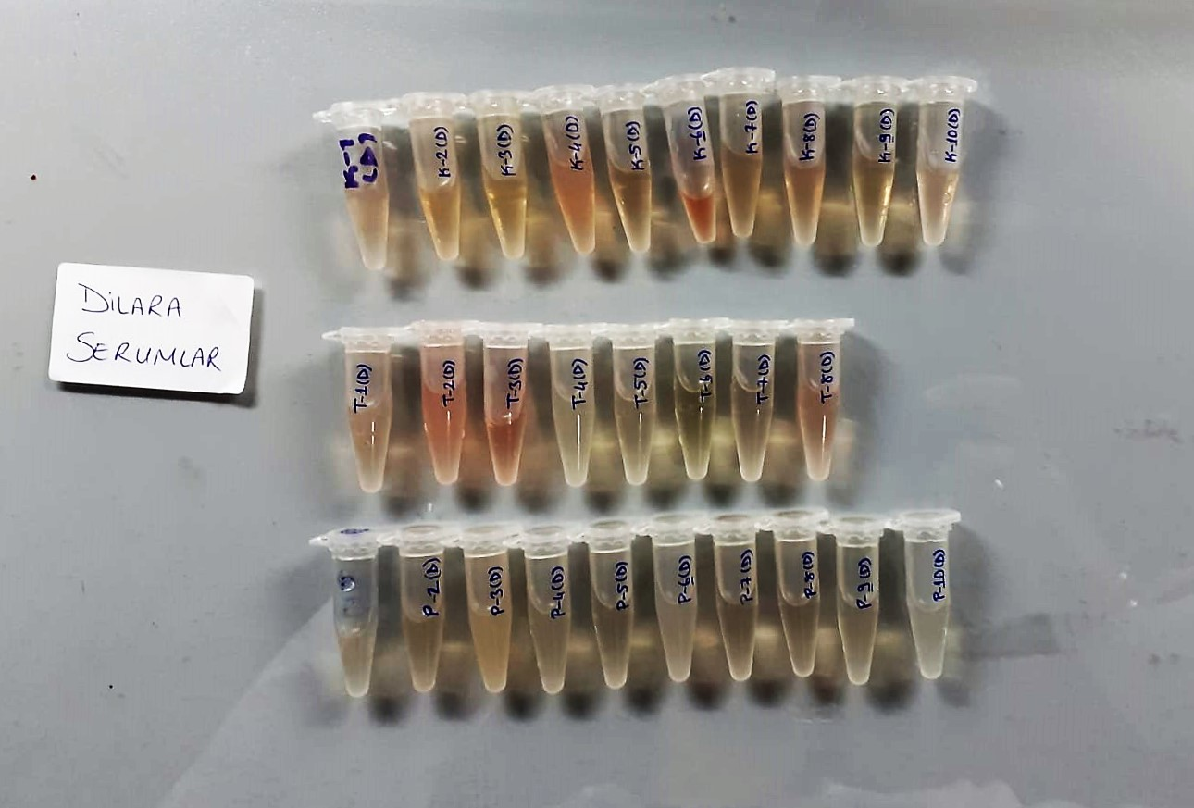

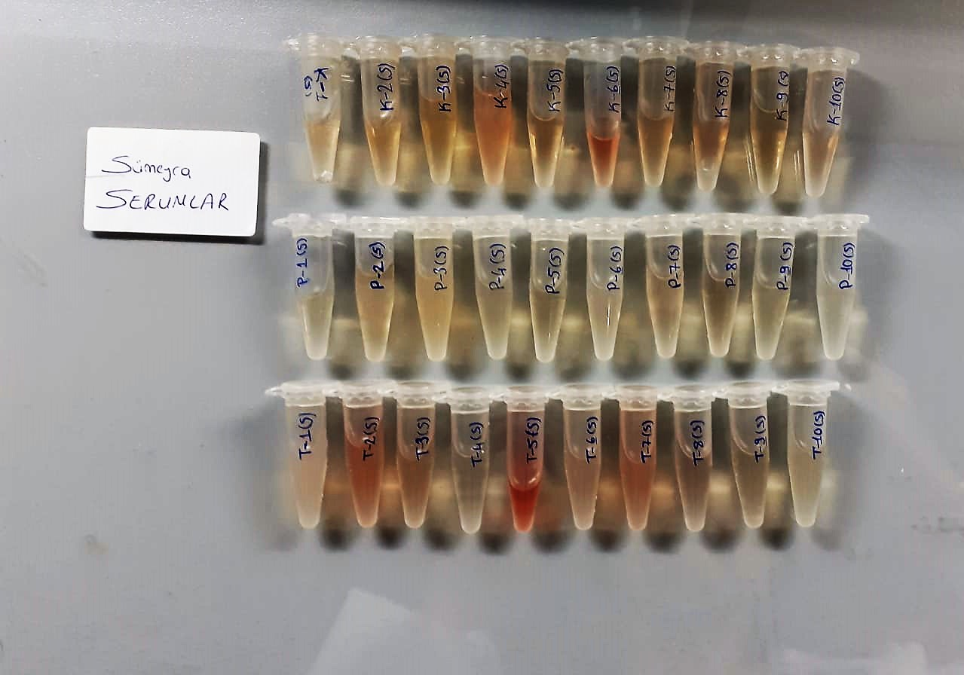

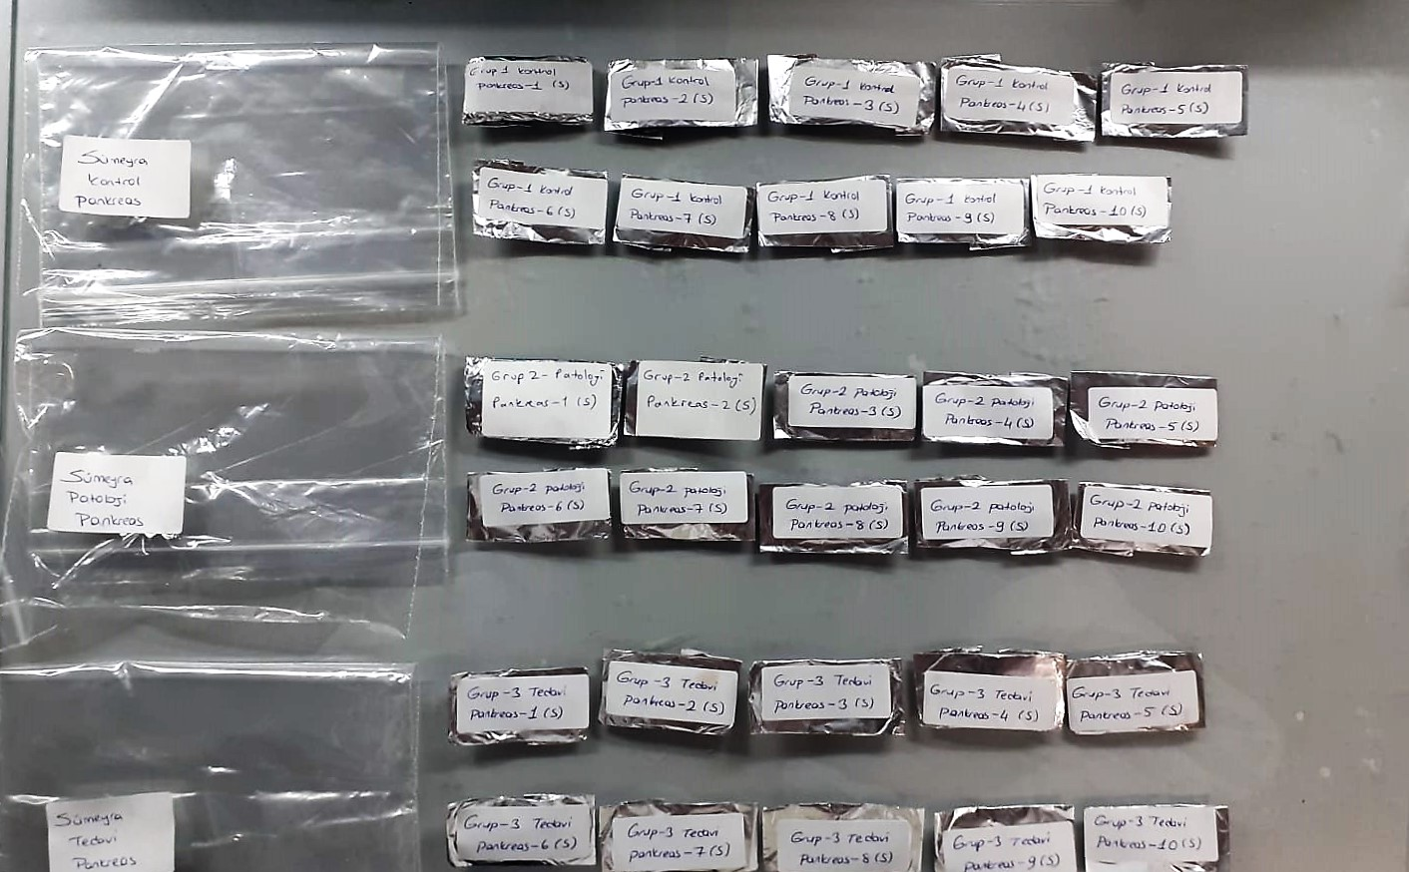

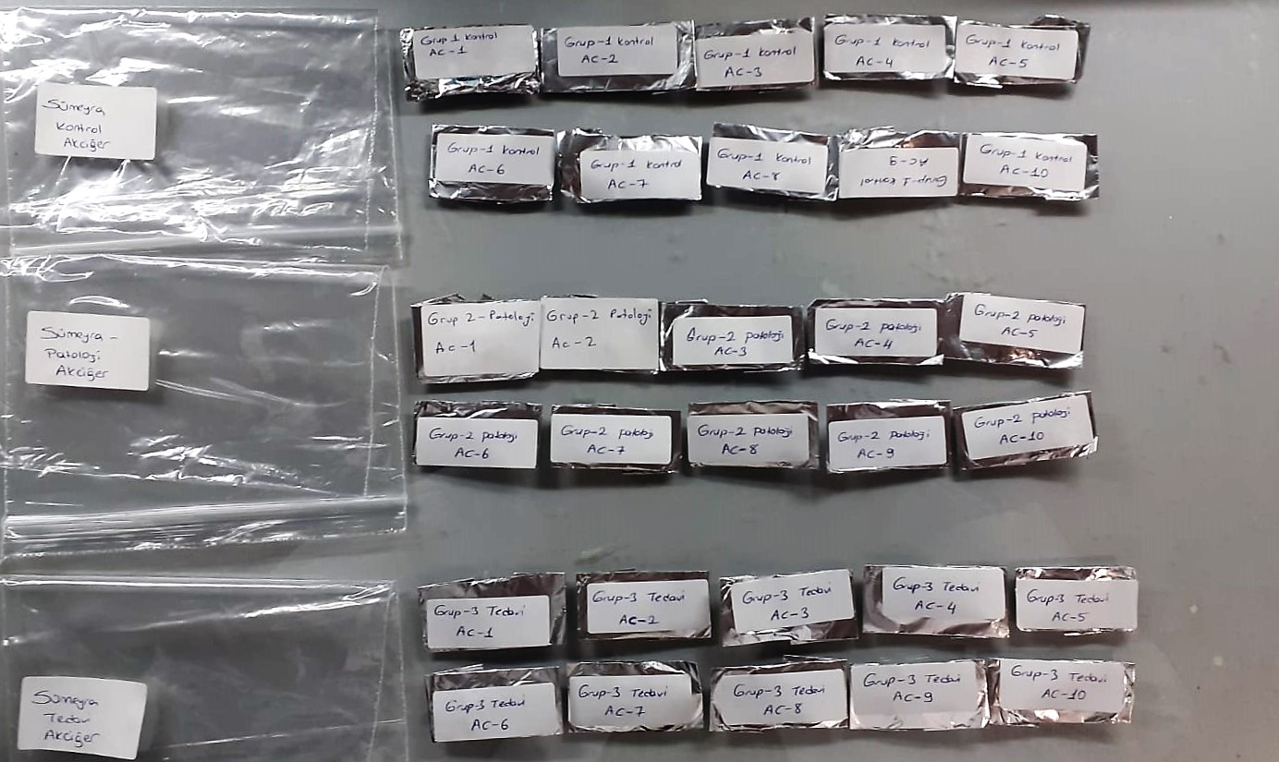

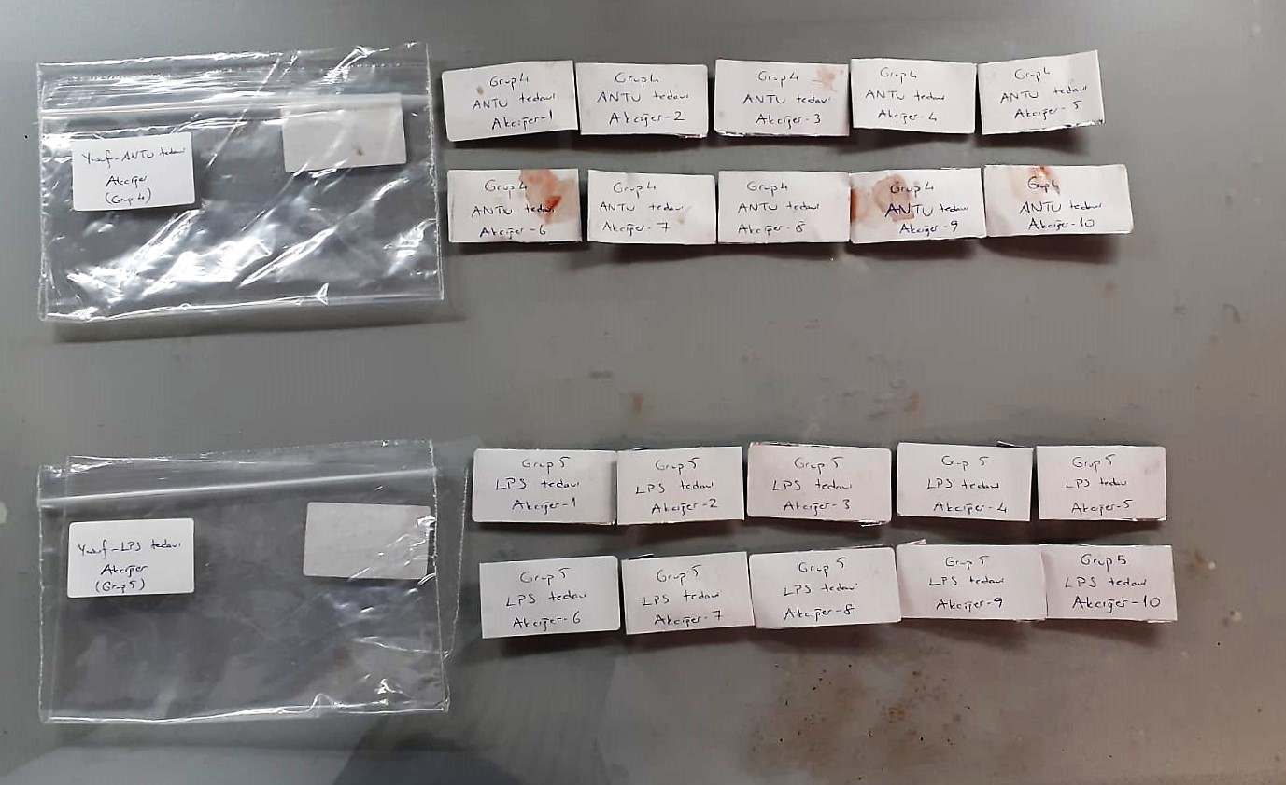

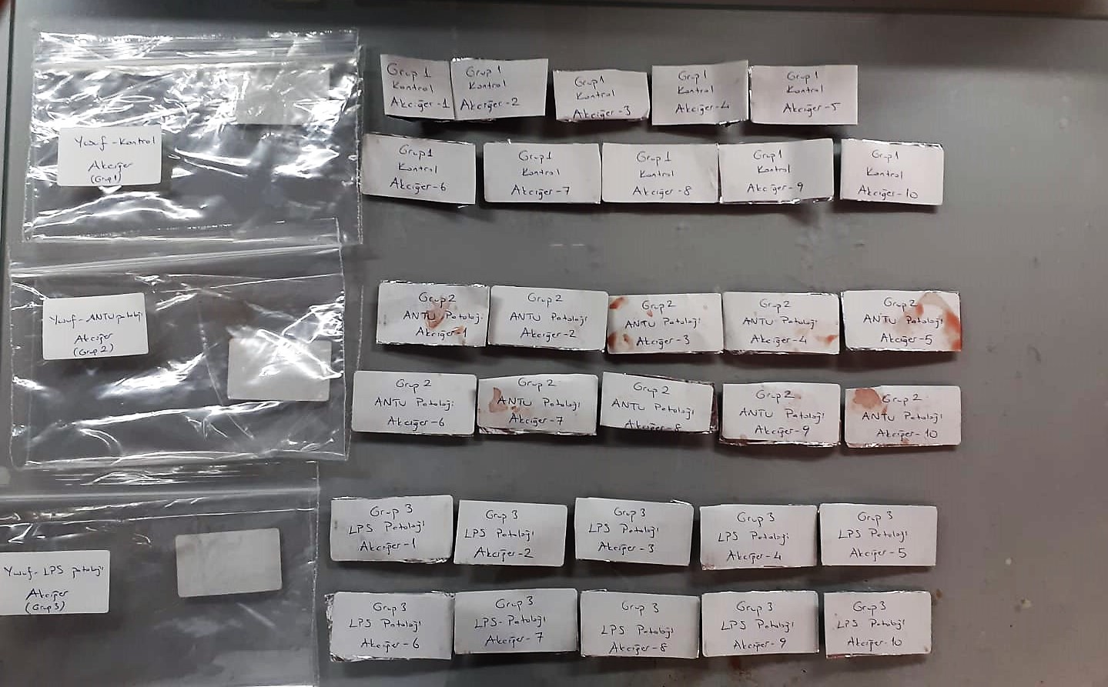

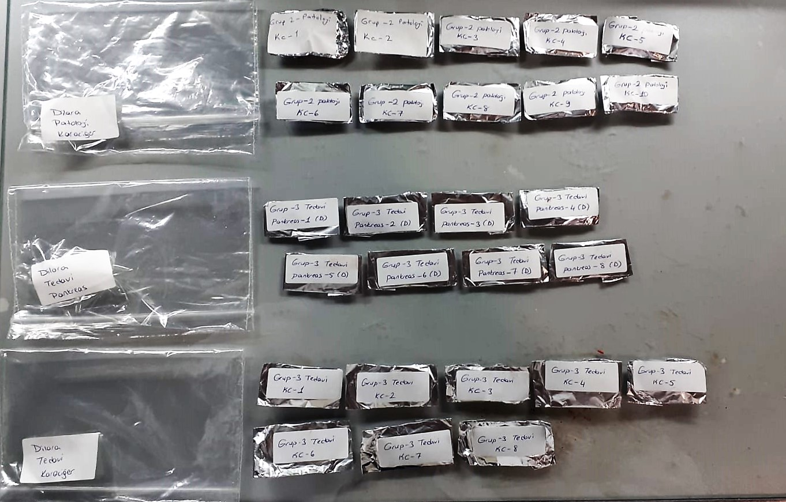

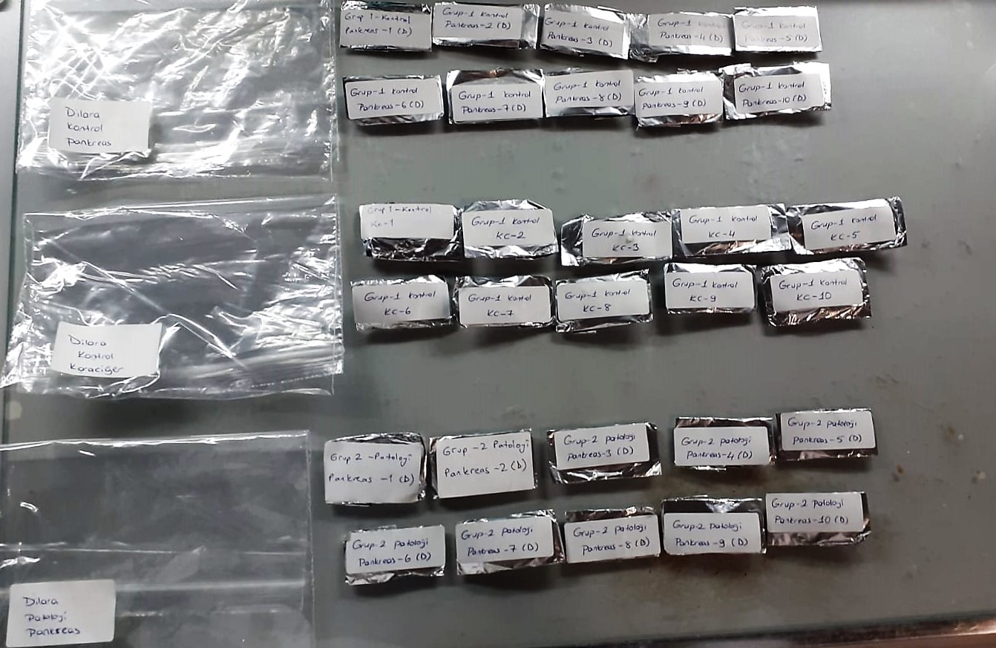

Malondialdehyde (MDA) nmol/L
The MDA level was determined by a method based
on the reaction with thiobarbituric acid (TBA) at 90–100_C
. In the TBA test reaction, MDA or MDA-like
substances and TBA react with the production of a pink
pigment with a maximum absorption at 532 nm. The
reaction was performed at pH 2–3 at 90_C for 15 min. The
sample was mixed with two volumes of cold 10% (w/v)
trichloroacetic acid for the precipitation of protein. The
precipitate was pelleted by centrifugation, and an aliquot of
the supernatant was reacted with an equal volume of 0.67%
(w/v) TBA in a boiling water bath for 10 min. After
cooling, the absorbance was read at 532 nm.

Super Oxide Dismutase (SOD) U/ml
The role of speroxide dismutase is to accelerate the dismutation of the toxic radical, produced
during oxidative energy processes to hydrogen peroxide and molecular oxygen. This method
employs xanthine and xanthine oxidase to generate superoxide radicals which react with 2-(4-
iodophenyl)-3-(4-nitrophenol)-5-phenyltetrazolium chloride to form a red formazan dye.. the
superoxide dismutase activity is then measured by the degree of inhibiton of this reaction

Catalase Assay Principle
The reaction that catalase (CAT) decomposes H2O2 can be quickly stopped by ammonium molybdate. The residual H2O2 reacts with ammonium molybdate to generate a yellowish complex.
CAT activity can be calculated by production of the yellowish complex at 405 nm.

Rat Glutathione Assay Principle
This kit is an enzyme -linked ımmunosorbent assay.(elisa).COR standards or samples are added to the wells pre-coated with a monoclonal antibody.
Then biotin-conjugated target antigen are added to the wells. The antigens in the standards or sample compete with the biotin-conjugated antigen to the bind to the capture antibody and incubate.
Unbound antigen is washed away during a washing step.An avidin-HRP is then added and then incubate.Unbound avidin hrp is washed away during a washing step.TMB Subsrate is then added and color develops.
The reaction is stopped by addition of acidic stop solution and color changes into yellow that can be measured at 450 nm. The intensity of the color developed in inversely proportional to the concentration of GSH in the sample.
The concentratıon of GSH in the sample is then determined by comparing the O.D of the samples to the standard curve.

AST U/L
UV test according to a standarrized method
Sample and addition of R1 (buffer)
Addition of R2 and start of reaction: AST
α-ketoglutarate + L-aspartate L- glutamate + oxaloasetate
AST is the enzyme which catalyzes this equilibrium reaction. The oxaloacetate in- crease is measured in a subsequent indicator reaction which is catalyzed by malate dehydrogenase.
MDH
oxalacetate + NADH + H+ L-Malate + NAD+
In the second reaction, NADH is oxidized to NAD. The rate of decrease in NADH
(Measured photometrically) is directly proportional to the rate of formation of
oxaloasetate, and thus the AST activity.

Alpha Amylase
Colorimetric test with 2-chloro-4-nitrophenyl-a-D-maltotriose (CNP-G3) as direct substrate. Colour is released directly as a result of a cleavage at the a-glycone:
CNP - G3 a-amylase CNP + G3
(CNP = chloro-nitrophenol; G = glucose)
The increase of absorption of chloro-nitrophenol is directly proportional to the a- amylase concentration. The hydrolysis pattern in the formulation of the reagent show about less than 10 % CNP-G2 and less than 1% CNP-G4 as by products.

Lipase U/l
Enzymatic colorimetric assay;
• Sample and addition of R1 (buffer/colipase/cholate)
• Addition of R2 (emulsion/chromogenic substrate/cholate) and start of reaction:
lipase
1,2-O-dilauryl-rac-glycero-3- 1,2-O-dilauryl-rac-glycerol +
glutaric acid-(6-methylresorufin)ester glutaric acid-(6-methylresorufin)ester
spontaneous
glutaric acid- glutaric acid + methylresorufin
(6-methylresorufin) ester decomposition
The chromogenic lipase substrate 1,2-O-dilauryl-rac-glycero-3-glutaric acid-(6-
methylresorufin) ester is cleaved by the catalytic action of alkaline lipase solution to form 1,2-O-dilauryl-rac-glycerol and an unstable intermediate,
glutaric acid-(6- methylresorufin) ester. This decomposes spontaneously in alkaline solution to form glutaric acid and methylresorufin.
The colour intensity of the red dye formed is directly proportional to the lipase activity and can be determined photometrically.

LDH
Pyruvat + NADH + H+ ⎯⎯ D-Lactate+ NAD+
The enzyme alanine aminotransferase (EC 2.6.1.2; L-Alanine:2-Oxoglutarate Aminotransferase,
ALT or A1aAT; Glutamate Pyruvate Transaminase, GPT) catalyzes the tran- saminase reaction between L-Alanine and 2-Oxoglutarate.
The pyruvate formed, is reduced to lactate in the presence of LDH. As the reactions proceed,
NADH is oxidized to NAD+. The disappearance of NADH per unit time is followed by measuring the decrease in absorbance at 340 nm.

