Zonulin
2.546 | 0.322 | 0.737 | 0.761 | 0.824 | 0.563 | 0.644 | 0.689 | 0.799 | 0.805 | 0.79 | 1.064
1.608 | 0.06 | 0.709 | 0.692 | 0.766 | 0.611 | 0.877 | 0.817 | 0.915 | 0.816 | 0.806 | 0.926
1.005 | 0.059 | 0.744 | 0.708 | 0.816 | 0.746 | 0.942 | 0.799 | 0.866 | 0.876 | 0.91 | 0.878
0.523 | 0.065 | 0.833 | 0.688 | 0.694 | 0.767 | 0.764 | 0.854 | 0.775 | 0.713 | 0.793

ZONULİN
 | abs | abs-blank | expected | result
std1 | 2.546 | 2.486 | 320 | 319.70
std2 | 1.608 | 1.548 | 160 | 160.07
std3 | 1.005 | 0.945 | 80 | 82.92
std4 | 0.523 | 0.463 | 40 | 35.58
std5 | 0.322 | 0.262 | 20 | 19.61
blank | 0.06 | 0 | 0 | 2.10

 |  |  |  |  |  |  |  |  | concentratıon (µ g/ml)

Numune | absorbans | blank | abs-blank | result
1-(2) | 0.737 | 0.06 | 0.677 | 55.03
1-(3) | 0.709 | 0.06 | 0.649 | 52.34
1-(4) | 0.744 | 0.06 | 0.684 | 55.71
1-(5) | 0.833 | 0.06 | 0.773 | 64.57
1-(6) | 0.761 | 0.06 | 0.701 | 57.37
1-(7) | 0.692 | 0.06 | 0.632 | 50.73
1-(8) | 0.708 | 0.06 | 0.648 | 52.25
2-(1) | 0.688 | 0.06 | 0.628 | 50.36
2-(2) | 0.824 | 0.06 | 0.764 | 63.65
2-(3) | 0.766 | 0.06 | 0.706 | 57.86
2-(4) | 0.816 | 0.06 | 0.756 | 62.84
2-(5) | 0.694 | 0.06 | 0.634 | 50.92
2-(6) | 0.563 | 0.06 | 0.503 | 39.03
2-(7) | 0.611 | 0.06 | 0.551 | 43.28
2-(8) | 0.746 | 0.06 | 0.686 | 55.90
3-(1) | 0.767 | 0.06 | 0.707 | 57.96
3-(2) | 0.644 | 0.06 | 0.584 | 46.27
3-(3) | 0.877 | 0.06 | 0.817 | 69.11
3-(4) | 0.942 | 0.06 | 0.882 | 76.01
3-(5) | 0.764 | 0.06 | 0.704 | 57.66
3-(6) | 0.689 | 0.06 | 0.629 | 50.45
3-(7) | 0.817 | 0.06 | 0.757 | 62.94
3-(8) | 0.799 | 0.06 | 0.739 | 61.13
4-(1) | 0.854 | 0.06 | 0.794 | 66.72
4-(2) | 0.799 | 0.06 | 0.739 | 61.13
4-(3) | 0.915 | 0.06 | 0.855 | 73.12
4-(4) | 0.866 | 0.06 | 0.806 | 67.96
4-(5) | 0.775 | 0.06 | 0.715 | 58.74
4-(6) | 0.805 | 0.06 | 0.745 | 61.73
4-(7) | 0.816 | 0.06 | 0.756 | 62.84
4-(8) | 0.876 | 0.06 | 0.816 | 69.00
5-(1) | 0.713 | 0.06 | 0.653 | 52.72
5-(2) | 0.79 | 0.06 | 0.73 | 60.23
5-(3) | 0.806 | 0.06 | 0.746 | 61.83
5-(4) | 0.91 | 0.06 | 0.85 | 72.58
5-(5) | 0.793 | 0.06 | 0.733 | 60.53
5-(6) | 1.064 | 0.06 | 1.004 | 89.59
5-(7) | 0.926 | 0.06 | 0.866 | 74.29
5-(8) | 0.878 | 0.06 | 0.818 | 69.21

İnsulin
1.968 | 0.667 | 0.74 | 0.669 | 0.685 | 1.096
1.107 | 0.732 | 0.613 | 0.687 | 1.023 | 0.647
0.635 | 0.569 | 0.477 | 0.671 | 0.089 | 0.443
0.306 | 0.895 | 0.649 | 0.638 | 0.839 | 0.562
0.19 | 0.583 | 0.534 | 0.769 | 0.784 | 0.53
0.121 | 0.457 | 0.699 | 0.629 | 0.68 | 0.402
INSULİN
0.112 | 0.421 | 0.616 | 0.676 | 0.642 | 0.555
0.067 | 0.577 | 0.604 | 0.608 | 0.65

 | abs | abs-blank | expected | result
std1 | 1.968 | 1.901 | 400 | 399.84
std2 | 1.107 | 1.04 | 200 | 199.70
std3 | 0.635 | 0.568 | 100 | 104.11
std4 | 0.306 | 0.239 | 50 | 43.39
std5 | 0.19 | 0.123 | 25 | 23.14
std6 | 0.121 | 0.054 | 12.5 | 11.38
std7 | 0.112 | 0.045 | 6.25 | 9.86
blank | 0.067 | 0 | 0 | 2.33

 |  |  |  |  |  | concentratıon (pg/ml)

Numune | absorbans | blank | abs-blank | result
1-(2) | 0.667 | 0.067 | 0.6 | 110.27
1-(3) | 0.732 | 0.067 | 0.665 | 122.94
1-(4) | 0.569 | 0.067 | 0.502 | 91.54
1-(5) | 0.895 | 0.067 | 0.828 | 155.53
1-(6) | 0.583 | 0.067 | 0.516 | 94.19
1-(7) | 0.457 | 0.067 | 0.39 | 70.65
1-(8) | 0.421 | 0.067 | 0.354 | 64.06
2-(1) | 0.577 | 0.067 | 0.51 | 93.05
2-(2) | 0.74 | 0.067 | 0.673 | 124.51
2-(3) | 0.613 | 0.067 | 0.546 | 99.90
2-(4) | 0.477 | 0.067 | 0.41 | 74.34
2-(5) | 0.649 | 0.067 | 0.582 | 106.80
2-(6) | 0.534 | 0.067 | 0.467 | 84.95
2-(7) | 0.699 | 0.067 | 0.632 | 116.48
2-(8) | 0.616 | 0.067 | 0.549 | 100.47
3-(1) | 0.604 | 0.067 | 0.537 | 98.18
3-(2) | 0.669 | 0.067 | 0.602 | 110.66
3-(3) | 0.687 | 0.067 | 0.62 | 114.15
3-(4) | 0.671 | 0.067 | 0.604 | 111.05
3-(5) | 0.638 | 0.067 | 0.571 | 104.68
3-(6) | 0.769 | 0.067 | 0.702 | 130.23
3-(7) | 0.629 | 0.067 | 0.562 | 102.96
3-(8) | 0.676 | 0.067 | 0.609 | 112.02
4-(1) | 0.608 | 0.067 | 0.541 | 98.94
4-(2) | 0.685 | 0.067 | 0.618 | 113.76
4-(3) | 1.023 | 0.067 | 0.956 | 181.96
4-(4) | 0.089 | 0.067 | 0.022 | 6.00
4-(5) | 0.839 | 0.067 | 0.772 | 144.20
4-(6) | 0.784 | 0.067 | 0.717 | 133.20
4-(7) | 0.68 | 0.067 | 0.613 | 112.79
4-(8) | 0.642 | 0.067 | 0.575 | 105.45
5-(1) | 0.65 | 0.067 | 0.583 | 106.99
5-(2) | 1.096 | 0.067 | 1.029 | 197.36
5-(3) | 0.647 | 0.067 | 0.58 | 106.41
5-(4) | 0.443 | 0.067 | 0.376 | 68.08
5-(5) | 0.562 | 0.067 | 0.495 | 90.22
5-(6) | 0.53 | 0.067 | 0.463 | 84.20
5-(7) | 0.402 | 0.067 | 0.335 | 60.61
5-(8) | 0.555 | 0.067 | 0.488 | 88.90

IL-6
1.944 | 0.111 | 0.215 | 0.253 | 0.246 | 0.232 | 0.233 | 0.233 | 0.275 | 0.268 | 0.264 | 0.264
0.959 | 0.075 | 0.196 | 0.174 | 0.198 | 0.186 | 0.199 | 0.246 | 0.282 | 0.235 | 0.265 | 0.264
0.542 | 0.081 | 0.199 | 0.23 | 0.271 | 0.229 | 0.227 | 0.263 | 0.326 | 0.289 | 0.286 | 0.346
0.23 | 0.064 | 0.209 | 0.173 | 0.19 | 0.197 | 0.242 | 0.238 | 0.253 | 0.228 | 0.233

IL-6
 | abs | abs-blank | expected | result
std1 | 1.944 | 1.869 | 24 | 24.02
std2 | 0.959 | 0.884 | 12 | 11.78
std3 | 0.542 | 0.467 | 6 | 6.52
std4 | 0.23 | 0.155 | 3 | 2.56
std5 | 0.111 | 0.036 | 1.5 | 1.04
blank | 0.075 | 0 | 0 | 0.58

 |  |  |  |  |  |  |  |  | concentratıon (ng/L)

Numune | absorbans | blank | abs-blank | result
1-(2) | 0.215 | 0.075 | 0.14 | 2.37
1-(3) | 0.196 | 0.075 | 0.121 | 2.13
1-(4) | 0.199 | 0.075 | 0.124 | 2.16
1-(5) | 0.209 | 0.075 | 0.134 | 2.29
1-(6) | 0.253 | 0.075 | 0.178 | 2.85
1-(7) | 0.174 | 0.075 | 0.099 | 1.84
1-(8) | 0.23 | 0.075 | 0.155 | 2.56
2-(1) | 0.173 | 0.075 | 0.098 | 1.83
2-(2) | 0.246 | 0.075 | 0.171 | 2.76
2-(3) | 0.198 | 0.075 | 0.123 | 2.15
2-(4) | 0.271 | 0.075 | 0.196 | 3.08
2-(5) | 0.19 | 0.075 | 0.115 | 2.05
2-(6) | 0.232 | 0.075 | 0.157 | 2.58
2-(7) | 0.186 | 0.075 | 0.111 | 2.00
2-(8) | 0.229 | 0.075 | 0.154 | 2.55
3-(1) | 0.197 | 0.075 | 0.122 | 2.14
3-(2) | 0.233 | 0.075 | 0.158 | 2.60
3-(3) | 0.199 | 0.075 | 0.124 | 2.16
3-(4) | 0.227 | 0.075 | 0.152 | 2.52
3-(5) | 0.242 | 0.075 | 0.167 | 2.71
3-(6) | 0.233 | 0.075 | 0.158 | 2.60
3-(7) | 0.246 | 0.075 | 0.171 | 2.76
3-(8) | 0.263 | 0.075 | 0.188 | 2.98
4-(1) | 0.238 | 0.075 | 0.163 | 2.66
4-(2) | 0.275 | 0.075 | 0.2 | 3.13
4-(3) | 0.282 | 0.075 | 0.207 | 3.22
4-(4) | 0.326 | 0.075 | 0.251 | 3.78
4-(5) | 0.253 | 0.075 | 0.178 | 2.85
4-(6) | 0.268 | 0.075 | 0.193 | 3.04
4-(7) | 0.235 | 0.075 | 0.16 | 2.62
4-(8) | 0.289 | 0.075 | 0.214 | 3.31
5-(1) | 0.228 | 0.075 | 0.153 | 2.53
5-(2) | 0.264 | 0.075 | 0.189 | 2.99
5-(3) | 0.265 | 0.075 | 0.19 | 3.00
5-(4) | 0.286 | 0.075 | 0.211 | 3.27
5-(5) | 0.233 | 0.075 | 0.158 | 2.60
5-(6) | 0.264 | 0.075 | 0.189 | 2.99
5-(7) | 0.264 | 0.075 | 0.189 | 2.99
5-(8) | 0.346 | 0.075 | 0.271 | 4.03

Melatonin
0.079 | 0.582 | 0.738 | 0.742 | 0.717 | 0.627
0.579 | 0.634 | 0.564 | 0.742 | 0.697 | 0.749
0.951 | 0.653 | 0.611 | 0.446 | 0.66 | 0.755
1.249 | 0.657 | 0.595 | 0.74 | 0.755 | 0.534
1.441 | 0.631 | 0.671 | 0.755 | 0.714 | 0.728
1.544 | 0.577 | 0.705 | 0.823 | 0.746 | 0.749
1.637 | 0.597 | 0.668 | 0.831 | 0.685 | 0.721
2.034 | 0.737 | 0.955 | 0.917 | 0.83

MELATONİN
 | absorbans | expected | result
std1 | 0.079 | 1000 | 992.516
std2 | 0.579 | 500 | 513.346
std3 | 0.951 | 250 | 258.085
std4 | 1.249 | 125 | 115.915
std5 | 1.441 | 62.5 | 53.678
std6 | 1.544 | 31.25 | 29.774
std7 | 1.637 | 15.63 | 13.879
blank | 2.034 | 0 | 6.741

 |  |  |  |  |  | concentratıon (pg/ml)

Numune | absorbans | result
1-(2) | 0.582 | 510.942
1-(3) | 0.634 | 470.165
1-(4) | 0.653 | 455.686
1-(5) | 0.657 | 452.667
1-(6) | 0.631 | 472.471
1-(7) | 0.577 | 514.952
1-(8) | 0.597 | 499.006
2-(1) | 0.737 | 394.376
2-(2) | 0.738 | 393.673
2-(3) | 0.564 | 525.451
2-(4) | 0.611 | 487.993
2-(5) | 0.595 | 500.590
2-(6) | 0.671 | 442.178
2-(7) | 0.705 | 417.213
2-(8) | 0.668 | 444.415
3-(1) | 0.955 | 255.810
3-(2) | 0.742 | 390.866
3-(3) | 0.742 | 390.866
3-(4) | 0.446 | 625.571
3-(5) | 0.74 | 392.268
3-(6) | 0.755 | 381.811
3-(7) | 0.823 | 336.169
3-(8) | 0.831 | 330.989
4-(1) | 0.917 | 277.829
4-(2) | 0.717 | 408.574
4-(3) | 0.697 | 423.022
4-(4) | 0.66 | 450.409
4-(5) | 0.755 | 381.811
4-(6) | 0.714 | 410.726
4-(7) | 0.746 | 388.068
4-(8) | 0.685 | 431.811
5-(1) | 0.83 | 331.635
5-(2) | 0.627 | 475.556
5-(3) | 0.749 | 385.977
5-(4) | 0.755 | 381.811
5-(5) | 0.534 | 550.081
5-(6) | 0.728 | 400.734
5-(7) | 0.749 | 385.977
5-(8) | 0.721 | 405.715

IL-1B
2.413 | 0.153 | 0.136 | 0.156 | 0.209 | 0.257
1.476 | 0.157 | 0.154 | 0.174 | 0.206 | 0.244
0.943 | 0.154 | 0.155 | 0.156 | 0.257 | 0.234
0.509 | 0.153 | 0.173 | 0.168 | 0.195 | 0.264
0.248 | 0.156 | 0.156 | 0.159 | 0.167 | 0.306
0.16 | 0.143 | 0.154 | 0.163 | 0.254 | 0.237
0.112 | 0.163 | 0.164 | 0.169 | 0.266 | 0.268
0.065 | 0.155 | 0.146 | 0.189 | 0.195

IL-1BETA

 | abs | abs-blank | expected | result
std1 | 2.413 | 2.348 | 2000 | 2003.25
std2 | 1.476 | 1.411 | 1000 | 979.24
std3 | 0.943 | 0.878 | 500 | 533.36
std4 | 0.509 | 0.444 | 250 | 243.47
std5 | 0.248 | 0.183 | 125 | 100.77
std6 | 0.16 | 0.095 | 62.5 | 58.01
std7 | 0.112 | 0.047 | 31.25 | 35.82
blank | 0.065 | 0 | 0 | 0.00

 |  |  |  |  |  | concentratıon (pg/ml)

Numune | absorbans | blank | abs-blank | result
1-(2) | 0.153 | 0.065 | 0.088 | 54.72
1-(3) | 0.157 | 0.065 | 0.092 | 56.60
1-(4) | 0.154 | 0.065 | 0.089 | 55.19
1-(5) | 0.153 | 0.065 | 0.088 | 54.72
1-(6) | 0.156 | 0.065 | 0.091 | 56.13
1-(7) | 0.143 | 0.065 | 0.078 | 50.06
1-(8) | 0.163 | 0.065 | 0.098 | 59.42
2-(1) | 0.155 | 0.065 | 0.09 | 55.66
2-(2) | 0.136 | 0.065 | 0.071 | 46.81
2-(3) | 0.154 | 0.065 | 0.089 | 55.19
2-(4) | 0.155 | 0.065 | 0.09 | 55.66
2-(5) | 0.173 | 0.065 | 0.108 | 64.15
2-(6) | 0.156 | 0.065 | 0.091 | 56.13
2-(7) | 0.154 | 0.065 | 0.089 | 55.19
2-(8) | 0.164 | 0.065 | 0.099 | 59.89
3-(1) | 0.146 | 0.065 | 0.081 | 51.45
3-(2) | 0.156 | 0.065 | 0.091 | 56.13
3-(3) | 0.174 | 0.065 | 0.109 | 64.63
3-(4) | 0.156 | 0.065 | 0.091 | 56.13
3-(5) | 0.168 | 0.065 | 0.103 | 61.78
3-(6) | 0.159 | 0.065 | 0.094 | 57.54
3-(7) | 0.163 | 0.065 | 0.098 | 59.42
3-(8) | 0.169 | 0.065 | 0.104 | 62.26
4-(1) | 0.189 | 0.065 | 0.124 | 71.80
4-(2) | 0.209 | 0.065 | 0.144 | 81.48
4-(3) | 0.206 | 0.065 | 0.141 | 80.02
4-(4) | 0.257 | 0.065 | 0.192 | 105.29
4-(5) | 0.195 | 0.065 | 0.13 | 74.69
4-(6) | 0.167 | 0.065 | 0.102 | 61.31
4-(7) | 0.254 | 0.065 | 0.189 | 103.78
4-(8) | 0.266 | 0.065 | 0.201 | 109.85
5-(1) | 0.195 | 0.065 | 0.13 | 74.69
5-(2) | 0.257 | 0.065 | 0.192 | 105.29
5-(3) | 0.244 | 0.065 | 0.179 | 98.77
5-(4) | 0.234 | 0.065 | 0.169 | 93.78
5-(5) | 0.264 | 0.065 | 0.199 | 108.83
5-(6) | 0.306 | 0.065 | 0.241 | 130.43
5-(7) | 0.237 | 0.065 | 0.172 | 95.27
5-(8) | 0.268 | 0.065 | 0.203 | 110.86

Materyal-metod
KİT ADI | TÜR | MARKA | CAT. NO | Yöntem
SOD: Super Oxıde Dismutase | Universal | REL ASSAY | RLD0123 | Kolorimetrik
CAT: Catalase | Universal | REL ASSAY | RL0604 | Kolorimetrik
GPx: Glutathione Peroxidase | Universal | REL ASSAY | RLD3465 | Kolorimetrik
Zonulin | Rat | BT | E2457Ra | ELİSA
İnsulin | Rat | ELABSCIENCE | E-EL-R3034 | ELİSA
Interleukin 6(IL-6) | Rat | BT | E0135Ra | ELİSA
Melatonin | Rat | ELABSCIENCE | E-EL-R0031 | ELİSA
Interleukin-1 beta(IL-1B) | Rat | ELABSCIENCE | E-EL-R0012 | ELİSA
Centrifuge: HETTICH Mıcro 200-R
Microplate Reader: BIO-TEK EL X 800
Auto Strip Washer: BIO-TEK EL X 50
MINDRAY BS-300 Tam Otomatik Analizör
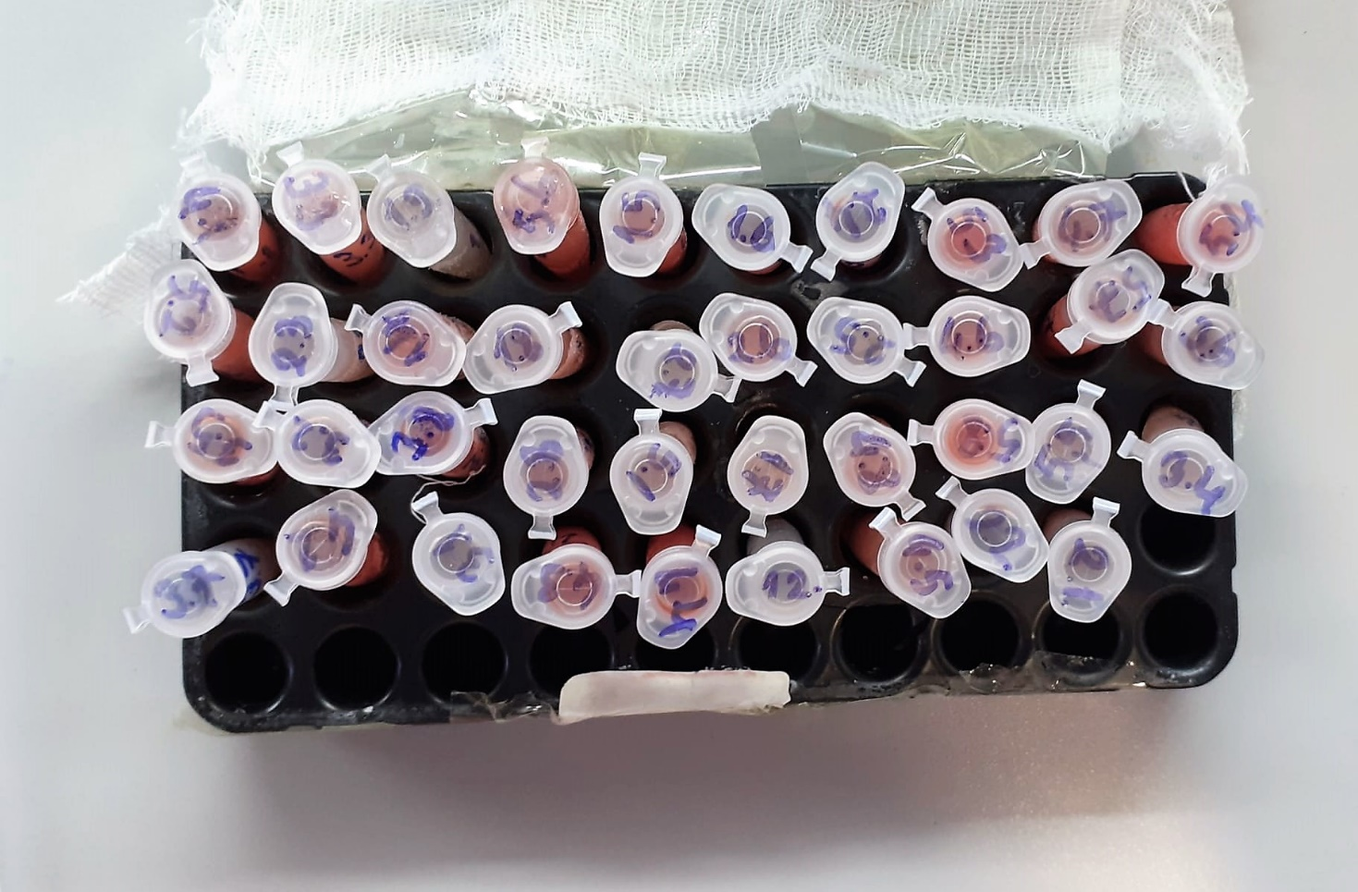
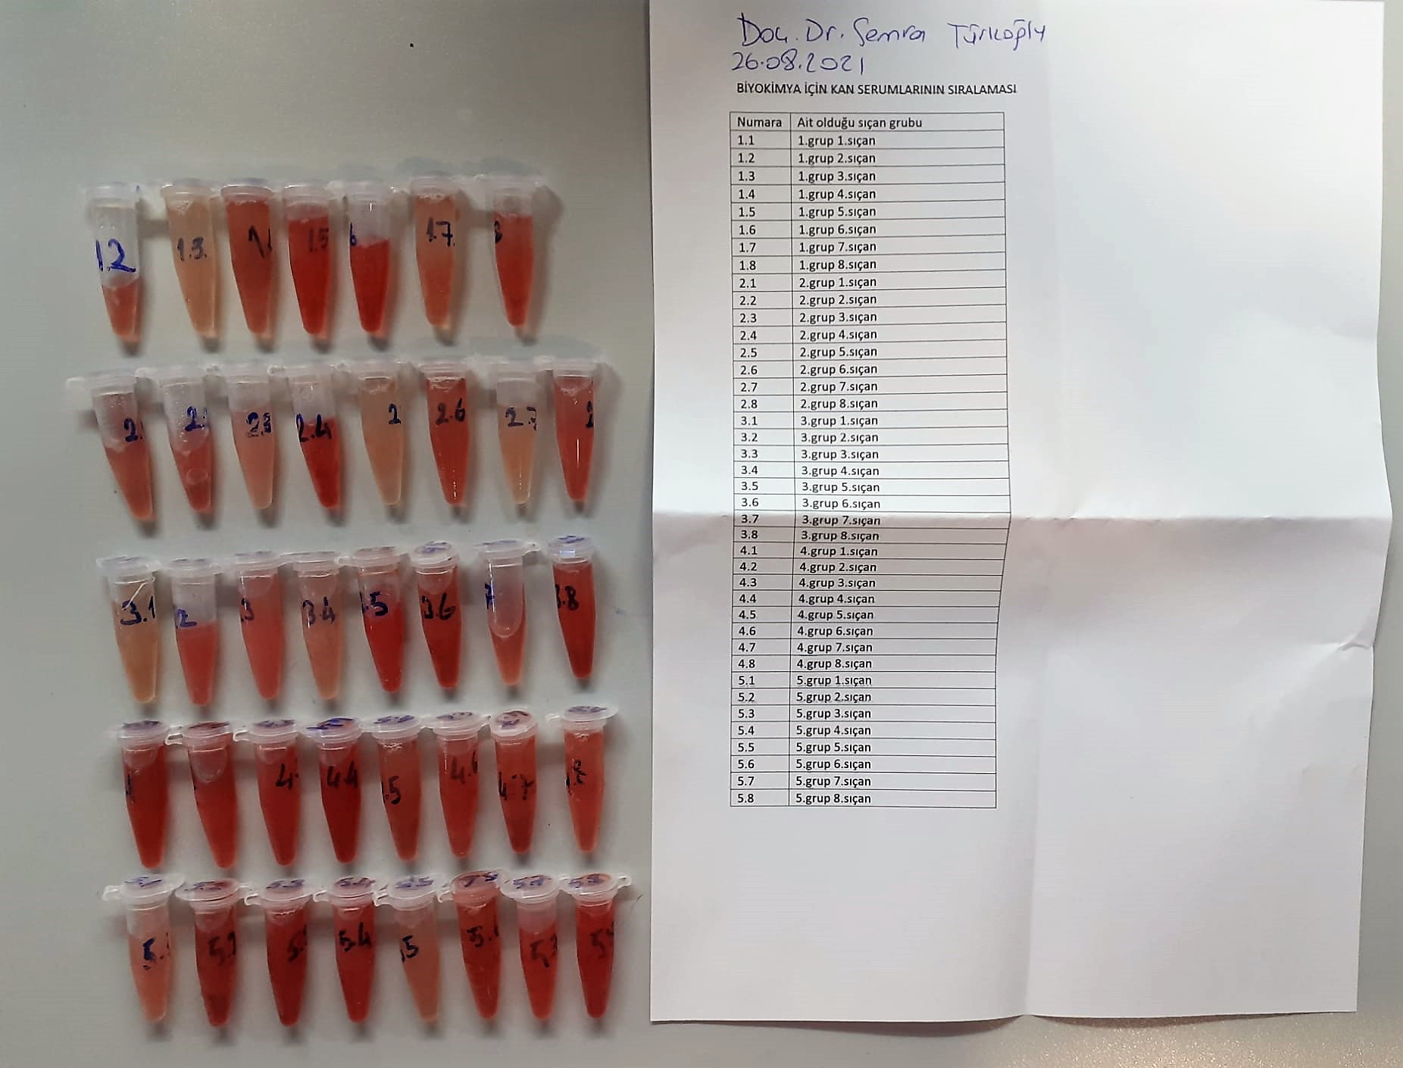

Super Oxide Dismutase (SOD) U/ml
The role of speroxide dismutase is to accelerate the dismutation of the toxic radical, produced
during oxidative energy processes to hydrogen peroxide and molecular oxygen. This method
employs xanthine and xanthine oxidase to generate superoxide radicals which react with 2-(4-
iodophenyl)-3-(4-nitrophenol)-5-phenyltetrazolium chloride to form a red formazan dye.. the
superoxide dismutase activity is then measured by the degree of inhibiton of this reaction
(Relassay, Turkey)

Catalase (CAT) U/L
This colorimetric assay involves two steps. Sample is first incubated with a known amount of
hydrogen peroxide. Sample converts hydrogen peroxide to water and oxygen. The ratio is
proportional to the concentration of catalase. The enzyme is stopped and the remaining
hydrogen peroxide, following a fixed incubation period, is determined using a chromogen.
The resulting absorbance is measured at 405 nm and the obtained results are expressed as U/L.
(Relassay, Turkey)

GPx (U/L)
This method is based on that of Paglia and Valentine. Glutathione Peroxidase (GPx) catalses of the
oxidation of glutathione by cumene hydroperoxide. In the presence of glutathione (GSSG) is
immediately converted to the reduced form with a concomitant oxidation of NADPH to NADP. The decrease in absorbance at 340 nm is measured
Referanslar
Paglia, D.E. and Valentine, W.N., J. Lab. Clin. Med., 1967; 70: 158.
Prohaska, J.R., Oh, S.H., Hoekstra, W.G. & Ganther,
H.E. Biochem. & Biophys. Res. Comm. 1977; 74: 64.
Kraus, R.J. & Ganther, H. E. Biochem. & Biophys. Res. Comm 1980; 96: 1116.
(Relassay, Turkey)

Rat IL-6 Assay Principle
This kit is an Enzyme-Linked Immunosorbent Assay (ELISA). The plate has been pre-coated with Rat IL-6 antibody.
IL-6 present in the sample is added and binds to antibodies coated on the wells. And then biotinylated Rat IL-6 Antibody is added and binds to IL-6 in the sample.
Then Streptavidin-HRP is added and binds to the Biotinylated IL-6 antibody. After incubation unbound Streptavidin-HRP is washed away during a washing step.
Substrate solution is then added and color develops in proportion to the amount of Rat IL-6. The reaction is terminated by addition of acidic stop solution and absorbance is measured at 450 nm.

Rat Zonulin Assay Principle
This kit is an Enzyme-Linked Immunosorbent Assay (ELISA). The plate has been pre-coated with Rat zonulin antibody.
Zonulin present in the sample is added and binds to antibodies coated on the wells. And then biotinylated Rat zonulin Antibody is added and binds to zonulin in the sample.
Then Streptavidin-HRP is added and binds to the Biotinylated zonulin antibody. After incubation unbound Streptavidin-HRP is washed away during a washing step.
Substrate solution is then added and color develops in proportion to the amount of Rat zonulin. The reaction is terminated by addition of acidic stop solution and absorbance is measured at 450 nm.

Rat IL-1BETA Assay Principle
This ELISA kit uses the Sandwich-ELISA principle. The micro ELISA plate provided in this kit has been pre-coated with an antibody specific to Rat IL-1β.
Samples (or Standards) are added to the micro ELISA plate wells and combined with the specific antibody.
Then a biotinylated detection antibody specific for Rat IL-1β and Avidin--Horseradish Peroxidase (HRP) conjugate are added successively to each micro plate well and incubated. Free components are washed away. The substrate solution is added to each well.
Only those wells that contain Rat IL-1β, biotinylated detection antibody and Avidin-HRP conjugate will appear blue in color. The enzyme-substrate reaction is terminated by the addition of stop solution and the color turns yellow.
The optical density (OD) is measured spectrophotometrically at a wavelength of 450 nm ± 2 nm. The OD value is proportional to the concentration of Rat IL-1β.
You can calculate the concentration of Rat IL-1β in the samples by comparing the OD of the samples to the standard curve.

Rat Melatonin Assay Principle
This ELISA kit uses the Competitive-ELISA principle. The micro ELISA plate provided in this kit has been pre-coated with Rat MT.
During the reaction, Rat MT in samples or Standard competes with a fixed amount of Rat MT on the solid phase supporter for sites on the Biotinylated Detection Ab specific to Rat MT.
Excess conjugate and unbound sample or standard are washed from the plate, and Avidin conjugated to Horseradish Peroxidase (HRP) are added to each microplate well and incubated.
Then a TMB substrate solution is added to each well. The enzyme-substrate reaction is terminated by the addition of stop solution and the color change is measured spectrophotometrically at a wavelength of 450±2 nm.
The concentration of Rat MT in the samples is then determined by comparing the OD of the samples to the standard curve.

Rat Insulin Assay Principle
This ELISA kit uses the Sandwich-ELISA principle. The micro ELISA plate provided in this kit has been pre-coated with an antibody specific to Rat INS.
Samples (or Standards) are added to the micro ELISA plate wells and combined with the specific antibody.
Then a biotinylated detection antibody specific for Rat INS and Avidin-Horseradish Peroxidase (HRP) conjugate are added successively to each micro plate well and incubated. Free components are washed away.
The substrate solution is added to each well. Only those wells that contain Rat INS, biotinylated detection antibody and Avidin-HRP conjugate will appear blue in color.
The enzyme-substrate reaction is terminated by the addition of stop solution and the color turns yellow. The optical density (OD) is measured spectrophotometrically at a wavelength of 450 ± 2 nm.
The OD value is proportional to the concentration of Rat INS. You can calculate the concentration of Rat INS in the samples by comparing the OD of the samples to the standard curve.

