NİTRİC OXİDE
Numune Adı | NO (µmol/L) | NOT
KONTROL-1 | 17.14 |  | NO: Nitric Oxide
KONTROL-2 | 8.57 |  | MDA: Malondialdehit
KONTROL-3 | 11.42
KONTROL-4 | 15.51
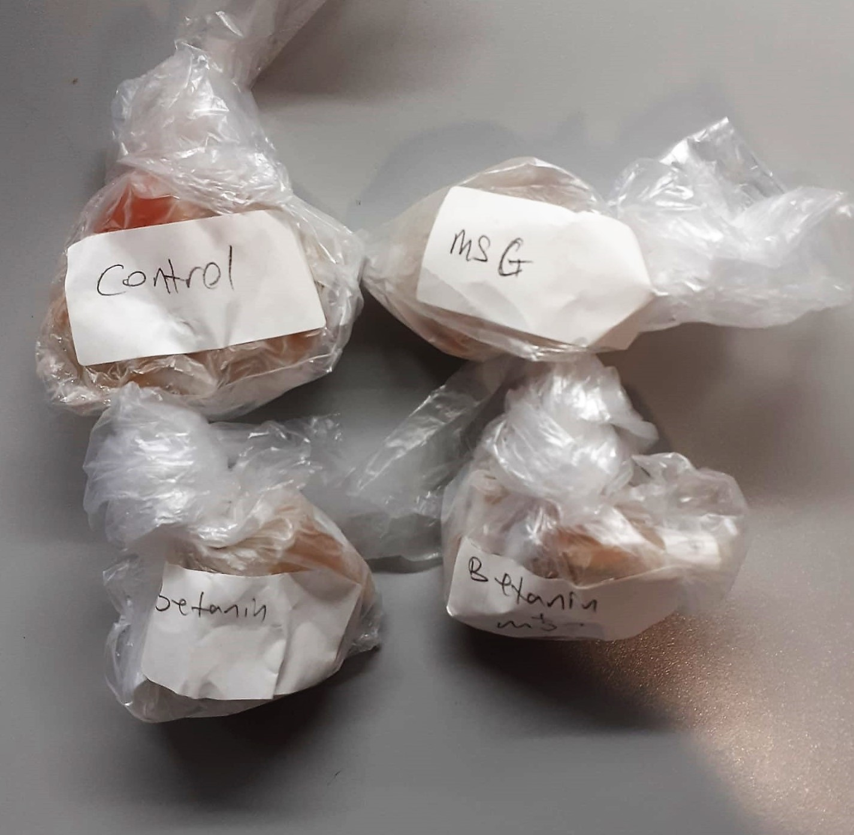
KONTROL-5 | 8.16 | hemolizli
KONTROL-6 | 13.87
KONTROL-7 | 18.77
KONTROL-8 | 9.79
KONTROL-9 | 16.32
KONTROL-10 | 22.04
KONTROL-11 | 8.97
KONTROL-12 | 12.24 | hemolizli
BETANİN-1 | 16.28
BETANİN-2 | 26.12
BETANİN-3 | 14.69
BETANİN-4 | 16.24
BETANİN-5 | 17.95
BETANİN-6 | 6.53
BETANİN-7 | 23.67
BETANİN-8 | 22.91
BETANİN-9 | 17.82
BETANİN-10 | 22.85
MSG-1 | 4.89
MSG-2 | 7.34
MSG-3 | 14.71
MSG-4 | 13.06
MSG-5 | 22.01
MSG-6 | 19.59
MSG-7 | 18.78
MSG-8 | 13.04 | hemolizli
MSG-9 | 22.85
MSG-10 | 32.65
BETANİN+MSG-1 | 25.3
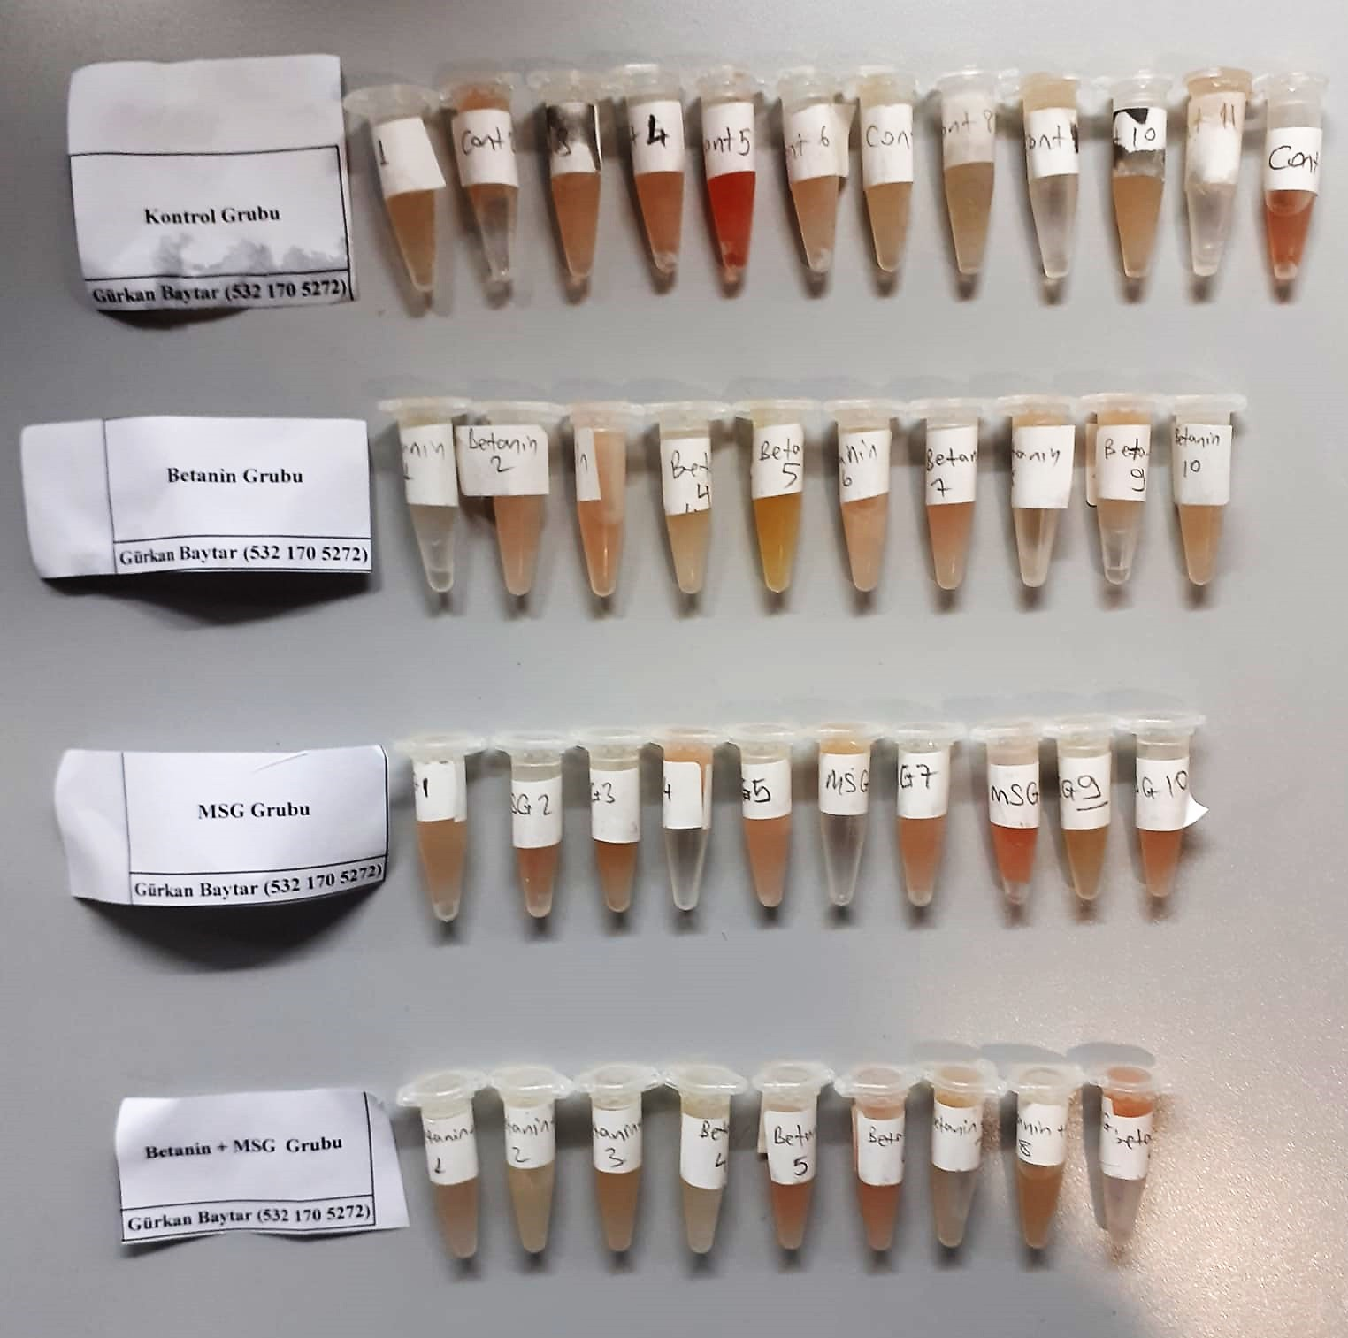
BETANİN+MSG-2 | 20.4
BETANİN+MSG-3 | 18.61
BETANİN+MSG-4 | 21.22
BETANİN+MSG-5 | 27.75 | hemolizli
BETANİN+MSG-6 | 16.24 | hemolizli
BETANİN+MSG-7 | 17.14
BETANİN+MSG-8 | 22.07 | hemolizli
BETANİN+MSG-9 | 8.96 | hemolizli

MDA
MDA
2.481 | 100
1.673 | 50
0.994 | 25
0.513 | 12.5
0.288 | 6.25
0.122 | 3.125
0 | 0
 | absorbans | abs-blank | expected | result
std1 | 2.511 | 2.481 | 100 | 99.11157344
std2 | 1.703 | 1.673 | 50 | 52.40258016
std3 | 1.024 | 0.994 | 25 | 24.29762944
std4 | 0.543 | 0.513 | 12.5 | 10.54810976
std5 | 0.318 | 0.288 | 6.25 | 5.87012576
std6 | 0.152 | 0.122 | 3.125 | 3.13537536
blank | 0.03 | 0 | 0 | 1.5134

Numune | absorbans | abs-blank | result | Not
KONTROL-1 | 0.47 | 0.44 | 8.907864 |  | concentratıon (mmol/L)
KONTROL-2 | 0.215 | 0.185 | 4.101624
KONTROL-3 | 0.366 | 0.336 | 6.77429984
KONTROL-4 | 0.195 | 0.165 | 3.785384
KONTROL-5 | 0.225 | 0.195 | 4.263056 | hemolizli
KONTROL-6 | 0.166 | 0.136 | 3.34252384
KONTROL-7 | 0.168 | 0.138 | 3.37246976
KONTROL-8 | 0.188 | 0.158 | 3.67678656
KONTROL-9 | 0.267 | 0.237 | 4.96518176
KONTROL-10 | 0.201 | 0.171 | 3.87932864
KONTROL-11 | 0.19 | 0.16 | 3.707704
KONTROL-12 | 0.24 | 0.21 | 4.509344 | hemolizli
BETANİN-1 | 0.211 | 0.181 | 4.03766944
BETANİN-2 | 0.15 | 0.12 | 3.106136
BETANİN-3 | 0.224 | 0.194 | 4.24681344
BETANİN-4 | 0.231 | 0.201 | 4.36097504
BETANİN-5 | 0.221 | 0.191 | 4.19821824
BETANİN-6 | 0.322 | 0.292 | 5.94353056
BETANİN-7 | 0.246 | 0.216 | 4.60925024
BETANİN-8 | 0.294 | 0.264 | 5.43711584
BETANİN-9 | 0.203 | 0.173 | 3.91082016
BETANİN-10 | 0.241 | 0.211 | 4.52593984
MSG-1 | 0.182 | 0.152 | 3.58456416
MSG-2 | 0.16 | 0.13 | 3.253216
MSG-3 | 0.241 | 0.211 | 4.52593984
MSG-4 | 0.232 | 0.202 | 4.37737216
MSG-5 | 0.187 | 0.157 | 3.66136096
MSG-6 | 0.153 | 0.123 | 3.15002816
MSG-7 | 0.178 | 0.148 | 3.52352416
MSG-8 | 0.215 | 0.185 | 4.101624 | hemolizli
MSG-9 | 1.053 | 1.023 | 25.28988416
MSG-10 | 0.253 | 0.223 | 4.72681216
BETANİN+MSG-1 | 0.475 | 0.445 | 9.016456
BETANİN+MSG-2 | 0.223 | 0.193 | 4.23059296
BETANİN+MSG-3 | 0.235 | 0.205 | 4.426696
BETANİN+MSG-4 | 0.255 | 0.225 | 4.7606
BETANİN+MSG-5 | 0.219 | 0.189 | 4.16593184 | hemolizli
BETANİN+MSG-6 | 0.203 | 0.173 | 3.91082016 | hemolizli
BETANİN+MSG-7 | 0.169 | 0.139 | 3.38747584
BETANİN+MSG-8 | 0.379 | 0.349 | 7.02793504 | hemolizli
BETANİN+MSG-9 | 0.299 | 0.269 | 5.52627744 | hemolizli

