MDA
MDA
2.481 | 100
1.673 | 50
0.994 | 25
0.513 | 12.5
0.288 | 6.25
0.122 | 3.125
0 | 0
 | absorbans | abs-blank | expected | result
std1 | 2.511 | 2.481 | 100 | 99.11
std2 | 1.703 | 1.673 | 50 | 52.40
std3 | 1.024 | 0.994 | 25 | 24.30
std4 | 0.543 | 0.513 | 12.5 | 10.55
std5 | 0.318 | 0.288 | 6.25 | 5.87
std6 | 0.152 | 0.122 | 3.125 | 3.14
blank | 0.03 | 0 | 0

 |  |  |  |  | concentratıon (mmol/L)

Numune | absorbans | blank | abs-blank | result
YE-1 | 1.017 | 0.03 | 0.987 | 24.06
YE-2 | 0.57 | 0.03 | 0.54 | 11.18
YE-3 | 0.517 | 0.03 | 0.487 | 9.95
YE-5 | 0.256 | 0.03 | 0.226 | 4.78
YE-6 | 0.302 | 0.03 | 0.272 | 5.58
YE-7 | 0.45 | 0.03 | 0.42 | 8.48
GDT-1 | 0.381 | 0.03 | 0.351 | 7.07
GDT-2 | 0.196 | 0.03 | 0.166 | 3.80
GDT-3 | 0.284 | 0.03 | 0.254 | 5.26
GDT-5 | 0.158 | 0.03 | 0.128 | 3.22
GDT-8 | 0.151 | 0.03 | 0.121 | 3.12
GDT-9 | 0.389 | 0.03 | 0.359 | 7.23

Materyal-metod
KİT ADI | TÜR | MARKA | Yöntem
MDA: Malondialdehit | Universal | REL ASSAY | Kolorimetrik
Centrifuge: HETTICH Mıcro 200-R
MINDRAY BS-300 Tam Otomatik Analizör

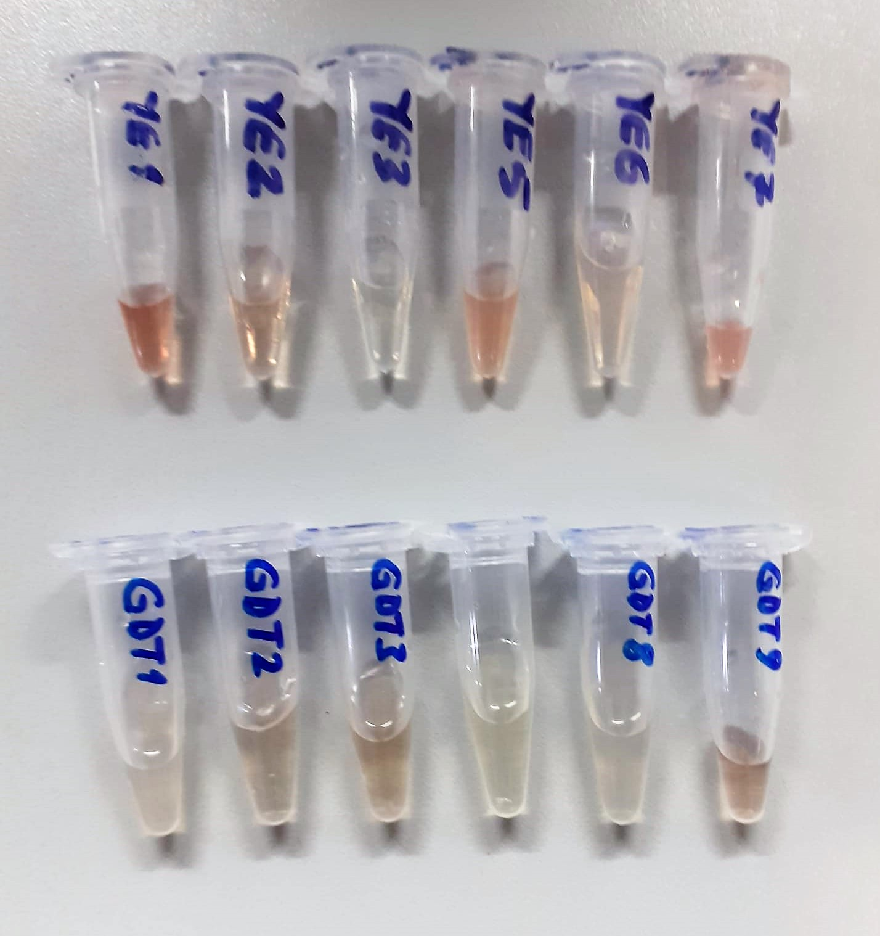

Malondialdehyde (MDA) nmol/L
The MDA level was determined by a method based
on the reaction with thiobarbituric acid (TBA) at 90–100_C
. In the TBA test reaction, MDA or MDA-like
substances and TBA react with the production of a pink
pigment with a maximum absorption at 532 nm. The
reaction was performed at pH 2–3 at 90_C for 15 min. The
sample was mixed with two volumes of cold 10% (w/v)
trichloroacetic acid for the precipitation of protein. The
precipitate was pelleted by centrifugation, and an aliquot of
the supernatant was reacted with an equal volume of 0.67%
(w/v) TBA in a boiling water bath for 10 min. After
cooling, the absorbance was read at 532 nm.

