Materyal-metod
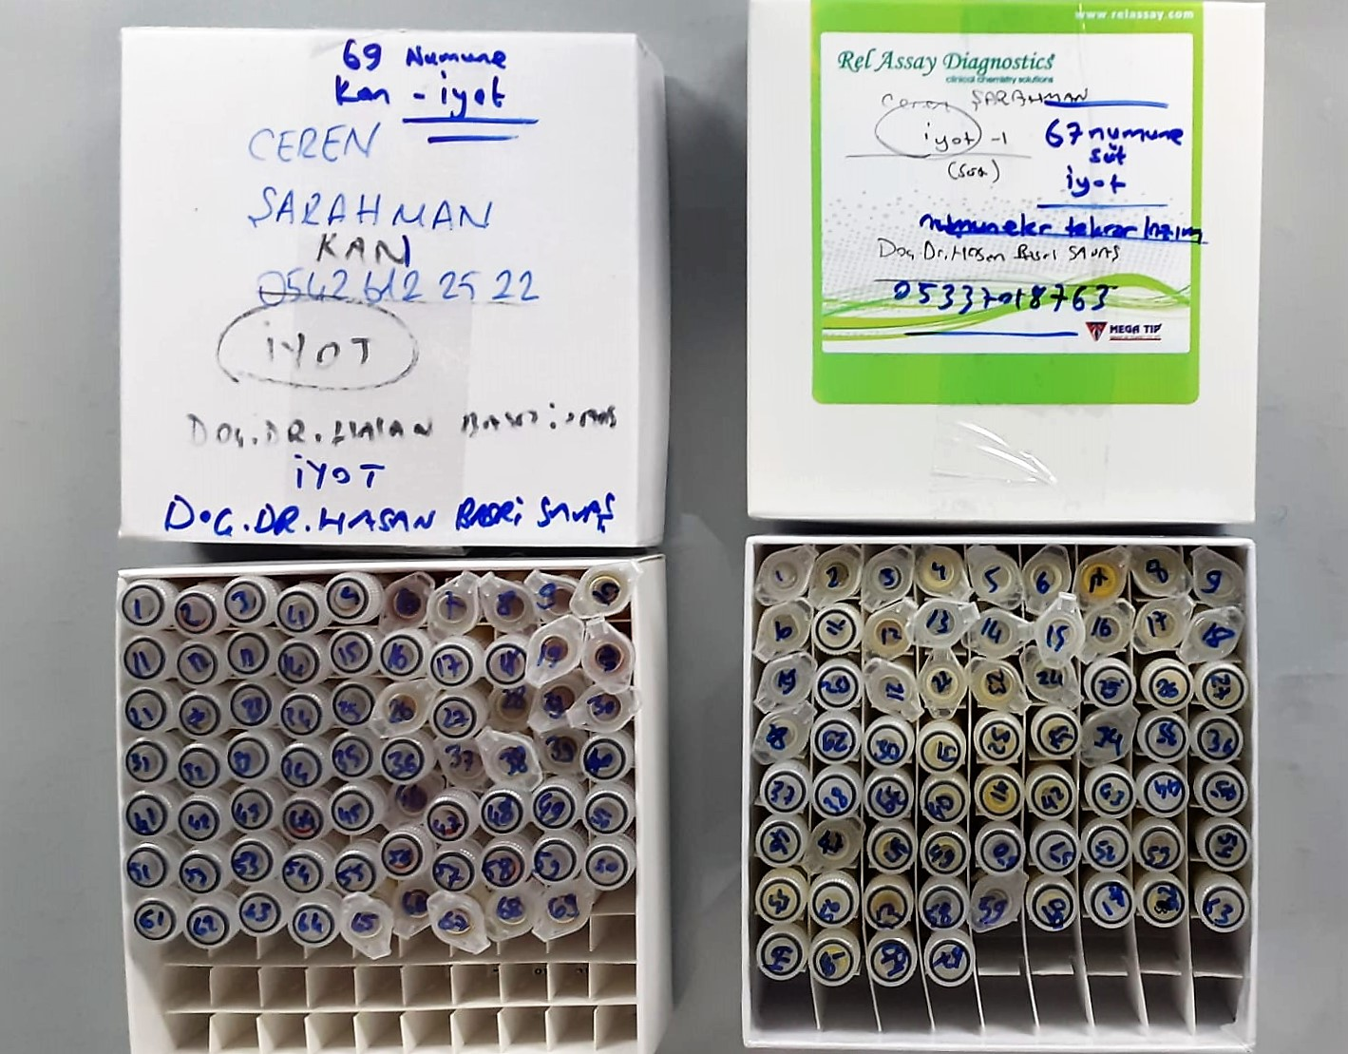
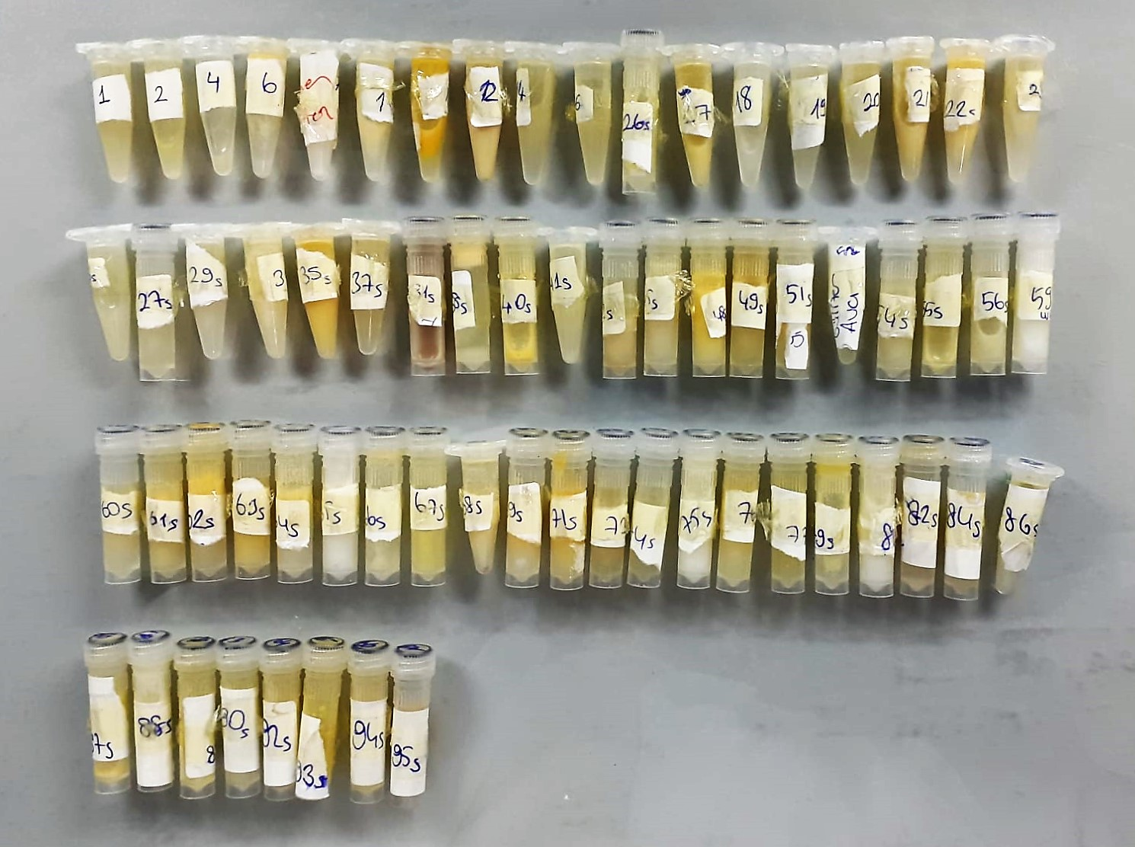
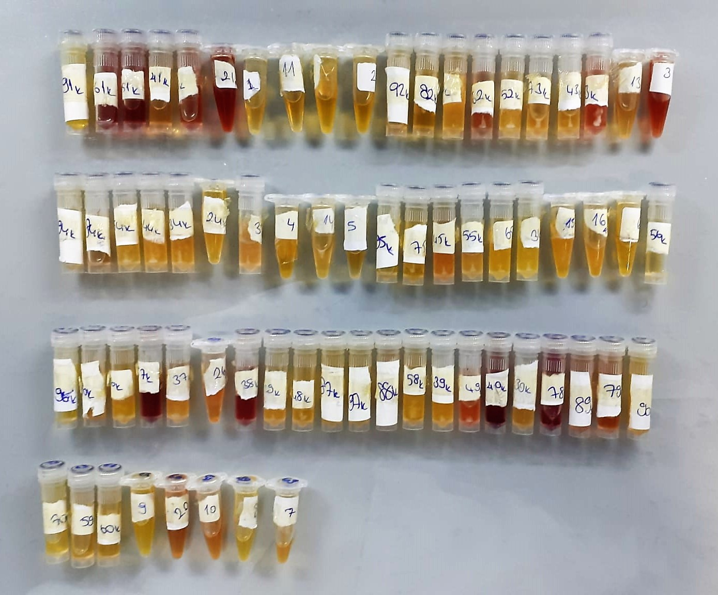
KİT ADI | TÜR | Numune Türü | Yöntem | Kullanılan Cihaz
IODIDE | Universal | Serum-Süt | Kolorimetrik | MINDRAY-BS400

