Rat Tnf-Alfa
2.43 | 1.057 | 1.251 | 0.89 | 1.137 | 1.014 | 0.987 | 1.078 | 1.173 | 1.135
1.522 | 0.958 | 0.917 | 0.912 | 0.889 | 1.02 | 0.833 | 0.923 | 0.954 | 0.858
0.914 | 1.051 | 1.051 | 1.006 | 1.02 | 0.94 | 1.055 | 1.248 | 1.294 | 0.994
0.573 | 1.012 | 1.412 | 0.867 | 0.921 | 0.644 | 0.667 | 0.756 | 0.988 | 0.93
0.311 | 0.905 | 1.495 | 0.91 | 1.024 | 0.921 | 1.065 | 1.08 | 0.927 | 0.958
0.205 | 0.821 | 0.884 | 0.821 | 0.961 | 0.807 | 0.819 | 0.965 | 0.96 | 0.881
0.116 | 1.097 | 0.993 | 0.905 | 1.024 | 0.965 | 0.928 | 1.031 | 1.257 | 1.267
0.057 | 1.003 | 0.881 | 0.779 | 0.855 | 1.015 | 1.036 | 0.944 | 1.265 | 1.064

TNF-ALFA
 | abs | abs-blank | expected | result
std1 | 2.43 | 2.373 | 1000 | 1000.39
std2 | 1.522 | 1.465 | 500 | 499.48
std3 | 0.914 | 0.857 | 250 | 245.97
std4 | 0.573 | 0.516 | 125 | 132.55
std5 | 0.311 | 0.254 | 62.5 | 59.44
std6 | 0.205 | 0.148 | 31.2 | 33.32
std7 | 0.116 | 0.059 | 15.6 | 12.94
blank | 0.057 | 0 | 0 | 0.20

 |  |  |  |  |  |  |  |  | concentratıon (pg/ml)

Numune | absorbans | blank | abs-blank | result
1 | 1.057 | 0.057 | 1 | 299.69
1 | 0.958 | 0.057 | 0.901 | 262.12
2 | 1.051 | 0.057 | 0.994 | 297.36
2 | 1.012 | 0.057 | 0.955 | 282.39
3 | 0.905 | 0.057 | 0.848 | 242.72
3 | 0.821 | 0.057 | 0.764 | 212.99
4 | 1.097 | 0.057 | 1.04 | 315.37
4 | 1.003 | 0.057 | 0.946 | 278.98
5 | 1.251 | 0.057 | 1.194 | 378.37
5 | 0.917 | 0.057 | 0.86 | 247.06
6 | 1.051 | 0.057 | 0.994 | 297.36
6 | 1.412 | 0.057 | 1.355 | 448.75
7 | 1.495 | 0.057 | 1.438 | 486.83
7 | 0.884 | 0.057 | 0.827 | 235.17
8 | 0.993 | 0.057 | 0.936 | 275.20
8 | 0.881 | 0.057 | 0.824 | 234.09
9 | 0.89 | 0.057 | 0.833 | 237.32
9 | 0.912 | 0.057 | 0.855 | 245.25
10 | 1.006 | 0.057 | 0.949 | 280.12
10 | 0.867 | 0.057 | 0.81 | 229.11
11 | 0.91 | 0.057 | 0.853 | 244.52
11 | 0.821 | 0.057 | 0.764 | 212.99
12 | 0.905 | 0.057 | 0.848 | 242.72
12 | 0.779 | 0.057 | 0.722 | 198.60
13 | 1.137 | 0.057 | 1.08 | 331.33
13 | 0.889 | 0.057 | 0.832 | 236.96
14 | 1.02 | 0.057 | 0.963 | 285.44
14 | 0.921 | 0.057 | 0.864 | 248.52
15 | 1.024 | 0.057 | 0.967 | 286.97
15 | 0.961 | 0.057 | 0.904 | 263.23
16 | 1.024 | 0.057 | 0.967 | 286.97
16 | 0.855 | 0.057 | 0.798 | 224.87
17 | 1.014 | 0.057 | 0.957 | 283.16
17 | 1.02 | 0.057 | 0.963 | 285.44
18 | 0.94 | 0.057 | 0.883 | 255.47
18 | 0.644 | 0.057 | 0.587 | 154.46
19 | 0.921 | 0.057 | 0.864 | 248.52
19 | 0.807 | 0.057 | 0.75 | 208.16
20 | 0.965 | 0.057 | 0.908 | 264.71
20 | 1.015 | 0.057 | 0.958 | 283.54
21 | 0.987 | 0.057 | 0.93 | 272.94
21 | 0.833 | 0.057 | 0.776 | 217.16
22 | 1.055 | 0.057 | 0.998 | 298.91
22 | 0.667 | 0.057 | 0.61 | 161.75
23 | 1.065 | 0.057 | 1.008 | 302.80
23 | 0.819 | 0.057 | 0.762 | 212.30
24 | 0.928 | 0.057 | 0.871 | 251.07
24 | 1.036 | 0.057 | 0.979 | 291.57
F1 | 1.078 | 0.057 | 1.021 | 307.88
F1 | 0.923 | 0.057 | 0.866 | 249.25
F2 | 1.248 | 0.057 | 1.191 | 377.11
F2 | 0.756 | 0.057 | 0.699 | 190.85
F3 | 1.08 | 0.057 | 1.023 | 308.67
F3 | 0.965 | 0.057 | 0.908 | 264.71
F4 | 1.031 | 0.057 | 0.974 | 289.65
F4 | 0.944 | 0.057 | 0.887 | 256.94
F5 | 1.173 | 0.057 | 1.116 | 345.93
F5 | 0.954 | 0.057 | 0.897 | 260.63
F6 | 1.294 | 0.057 | 1.237 | 396.72
F6 | 0.988 | 0.057 | 0.931 | 273.32
M1 | 0.927 | 0.057 | 0.87 | 250.71
M1 | 0.96 | 0.057 | 0.903 | 262.86
M2 | 1.257 | 0.057 | 1.2 | 380.91
M2 | 1.265 | 0.057 | 1.208 | 384.31
M3 | 1.135 | 0.057 | 1.078 | 330.52
M3 | 0.858 | 0.057 | 0.801 | 225.93
M4 | 0.994 | 0.057 | 0.937 | 275.58
M4 | 0.93 | 0.057 | 0.873 | 251.80
M5 | 0.958 | 0.057 | 0.901 | 262.12
M5 | 0.881 | 0.057 | 0.824 | 234.09
M6 | 1.267 | 0.057 | 1.21 | 385.16
M6 | 1.064 | 0.057 | 1.007 | 302.41

Rat IL-1 Beta
2.54 | 0.412 | 0.322 | 0.437 | 0.377 | 0.218 | 0.315 | 0.363 | 0.51 | 0.484
1.634 | 0.406 | 0.299 | 0.437 | 0.339 | 0.232 | 0.327 | 0.374 | 0.482 | 0.493
1.019 | 0.321 | 0.36 | 0.344 | 0.355 | 0.277 | 0.292 | 0.395 | 0.466 | 0.441
0.585 | 0.309 | 0.389 | 0.326 | 0.333 | 0.287 | 0.287 | 0.34 | 0.487 | 0.502
0.362 | 0.367 | 0.302 | 0.311 | 0.288 | 0.455 | 0.296 | 0.388 | 0.496 | 0.503
0.224 | 0.356 | 0.297 | 0.345 | 0.301 | 0.412 | 0.302 | 0.389 | 0.448 | 0.488
0.137 | 0.278 | 0.323 | 0.326 | 0.293 | 0.301 | 0.399 | 0.409 | 0.584 | 0.446
0.052 | 0.298 | 0.305 | 0.348 | 0.295 | 0.285 | 0.431 | 0.485 | 0.585 | 0.493

IL-1 BETA

 | abs | abs-blank | expected | result
std1 | 2.54 | 2.488 | 2000 | 1998.12
std2 | 1.634 | 1.582 | 1000 | 1004.62
std3 | 1.019 | 0.967 | 500 | 504.27
std4 | 0.585 | 0.533 | 250 | 235.88
std5 | 0.362 | 0.31 | 125 | 125.24
std6 | 0.224 | 0.172 | 62.5 | 66.04
std7 | 0.137 | 0.085 | 31.2 | 32.36
blank | 0.052 | 0 | 0 | 2.17

 |  |  |  |  |  |  |  |  |  | concentratıon (pg/ml)

Numune | absorbans | blank | abs-blank | result
1 | 0.412 | 0.052 | 0.36 | 148.44
1 | 0.406 | 0.052 | 0.354 | 145.61
2 | 0.321 | 0.052 | 0.269 | 106.91
2 | 0.309 | 0.052 | 0.257 | 101.67
3 | 0.367 | 0.052 | 0.315 | 127.52
3 | 0.356 | 0.052 | 0.304 | 122.52
4 | 0.278 | 0.052 | 0.226 | 88.36
4 | 0.298 | 0.052 | 0.246 | 96.90
5 | 0.322 | 0.052 | 0.27 | 107.35
5 | 0.299 | 0.052 | 0.247 | 97.34
6 | 0.36 | 0.052 | 0.308 | 124.33
6 | 0.389 | 0.052 | 0.337 | 137.65
7 | 0.302 | 0.052 | 0.25 | 98.63
7 | 0.297 | 0.052 | 0.245 | 96.47
8 | 0.323 | 0.052 | 0.271 | 107.79
8 | 0.305 | 0.052 | 0.253 | 99.93
9 | 0.437 | 0.052 | 0.385 | 160.39
9 | 0.437 | 0.052 | 0.385 | 160.39
10 | 0.344 | 0.052 | 0.292 | 117.12
10 | 0.326 | 0.052 | 0.274 | 109.11
11 | 0.311 | 0.052 | 0.259 | 102.54
11 | 0.345 | 0.052 | 0.293 | 117.56
12 | 0.326 | 0.052 | 0.274 | 109.11
12 | 0.348 | 0.052 | 0.296 | 118.91
13 | 0.377 | 0.052 | 0.325 | 132.10
13 | 0.339 | 0.052 | 0.287 | 114.88
14 | 0.355 | 0.052 | 0.303 | 122.07
14 | 0.333 | 0.052 | 0.281 | 112.21
15 | 0.288 | 0.052 | 0.236 | 92.61
15 | 0.301 | 0.052 | 0.249 | 98.20
16 | 0.293 | 0.052 | 0.241 | 94.75
16 | 0.295 | 0.052 | 0.243 | 95.61
17 | 0.218 | 0.052 | 0.166 | 63.63
17 | 0.232 | 0.052 | 0.18 | 69.28
18 | 0.277 | 0.052 | 0.225 | 87.94
18 | 0.287 | 0.052 | 0.235 | 92.19
19 | 0.455 | 0.052 | 0.403 | 169.13
19 | 0.412 | 0.052 | 0.36 | 148.44
20 | 0.301 | 0.052 | 0.249 | 98.20
20 | 0.285 | 0.052 | 0.233 | 91.33
21 | 0.315 | 0.052 | 0.263 | 104.28
21 | 0.327 | 0.052 | 0.275 | 109.56
22 | 0.292 | 0.052 | 0.24 | 94.33
22 | 0.287 | 0.052 | 0.235 | 92.19
23 | 0.296 | 0.052 | 0.244 | 96.04
23 | 0.302 | 0.052 | 0.25 | 98.63
24 | 0.399 | 0.052 | 0.347 | 142.32
24 | 0.431 | 0.052 | 0.379 | 157.50
F1 | 0.363 | 0.052 | 0.311 | 125.70
F1 | 0.374 | 0.052 | 0.322 | 130.72
F2 | 0.395 | 0.052 | 0.343 | 140.45
F2 | 0.34 | 0.052 | 0.288 | 115.33
F3 | 0.388 | 0.052 | 0.336 | 137.19
F3 | 0.389 | 0.052 | 0.337 | 137.65
F4 | 0.409 | 0.052 | 0.357 | 147.02
F4 | 0.485 | 0.052 | 0.433 | 183.98
F5 | 0.51 | 0.052 | 0.458 | 196.61
F5 | 0.482 | 0.052 | 0.43 | 182.48
F6 | 0.466 | 0.052 | 0.414 | 174.54
F6 | 0.487 | 0.052 | 0.435 | 184.98
M1 | 0.496 | 0.052 | 0.444 | 189.51
M1 | 0.448 | 0.052 | 0.396 | 165.72
M2 | 0.584 | 0.052 | 0.532 | 235.35
M2 | 0.585 | 0.052 | 0.533 | 235.88
M3 | 0.484 | 0.052 | 0.432 | 183.48
M3 | 0.493 | 0.052 | 0.441 | 187.99
M4 | 0.441 | 0.052 | 0.389 | 162.32
M4 | 0.502 | 0.052 | 0.45 | 192.54
M5 | 0.503 | 0.052 | 0.451 | 193.05
M5 | 0.488 | 0.052 | 0.436 | 185.48
M6 | 0.446 | 0.052 | 0.394 | 164.75
M6 | 0.493 | 0.052 | 0.441 | 187.99

Materyal-metod
KİT ADI | TÜR | MARKA | LOT | CAT. NO | Yöntem | Kullanılan Cihaz
TNF -ALFA | Rat | Boster | 24016127224 | EK0526 | ELİSA | Mıcroplate reader: BIO-TEK EL X 800-Aotu strıp washer:BIO TEK EL X 50
INTERLEUKIN-1 BETA | Rat | Boster | 11516129223 | EK0393 | ELİSA | Mıcroplate reader: BIO-TEK EL X 800-BIO-Aotu strıp washer: TEK EL X 51

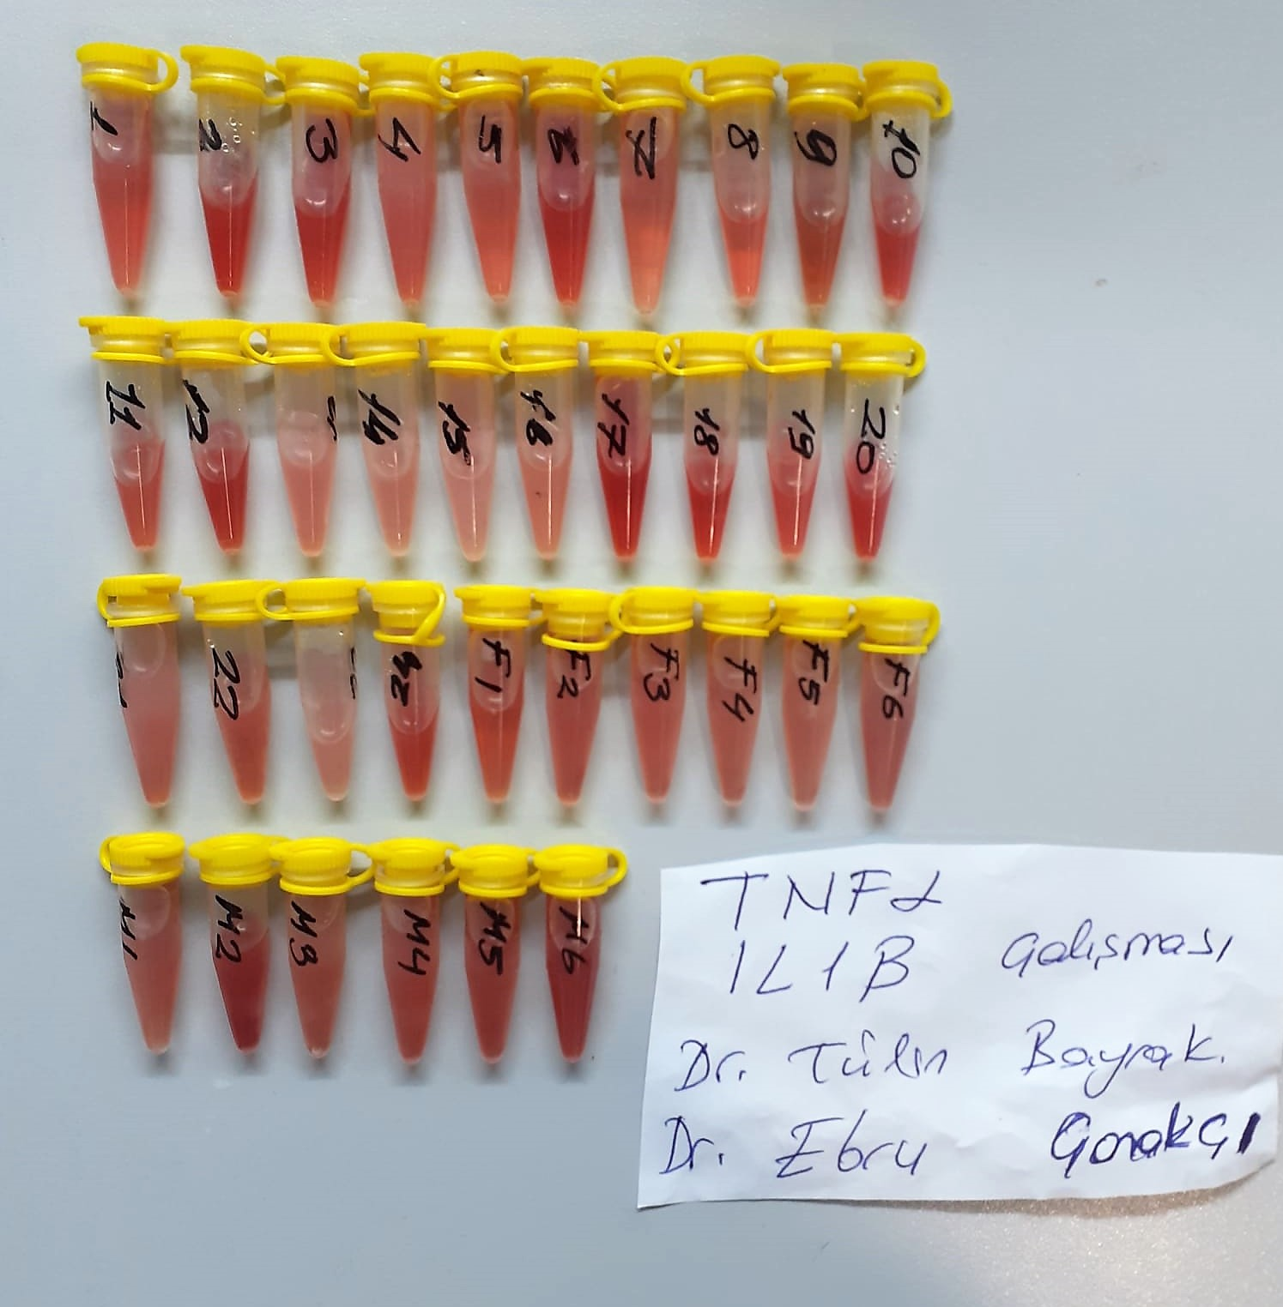
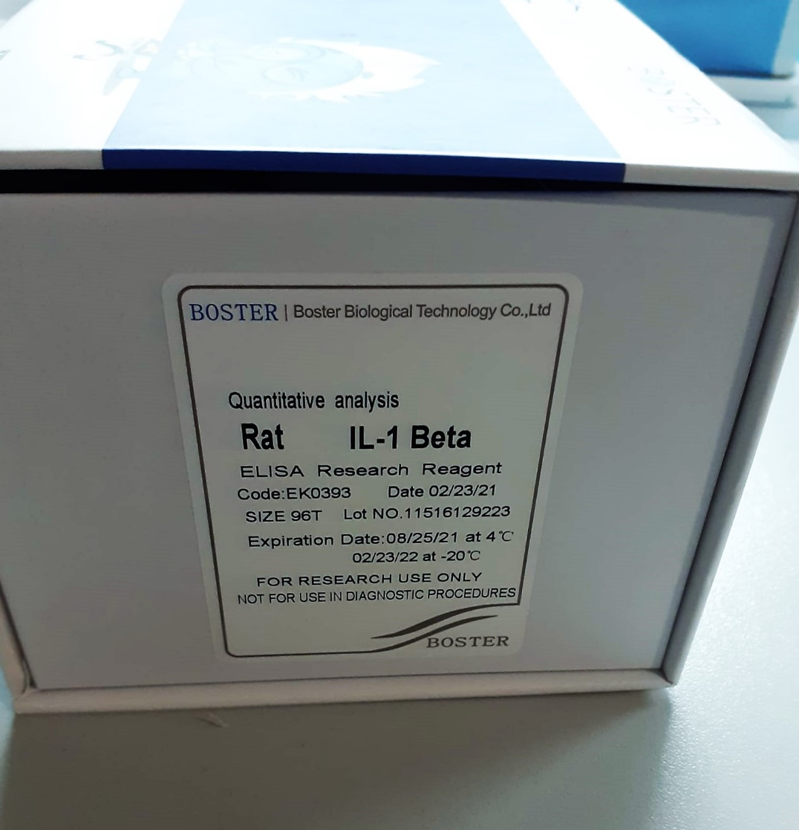

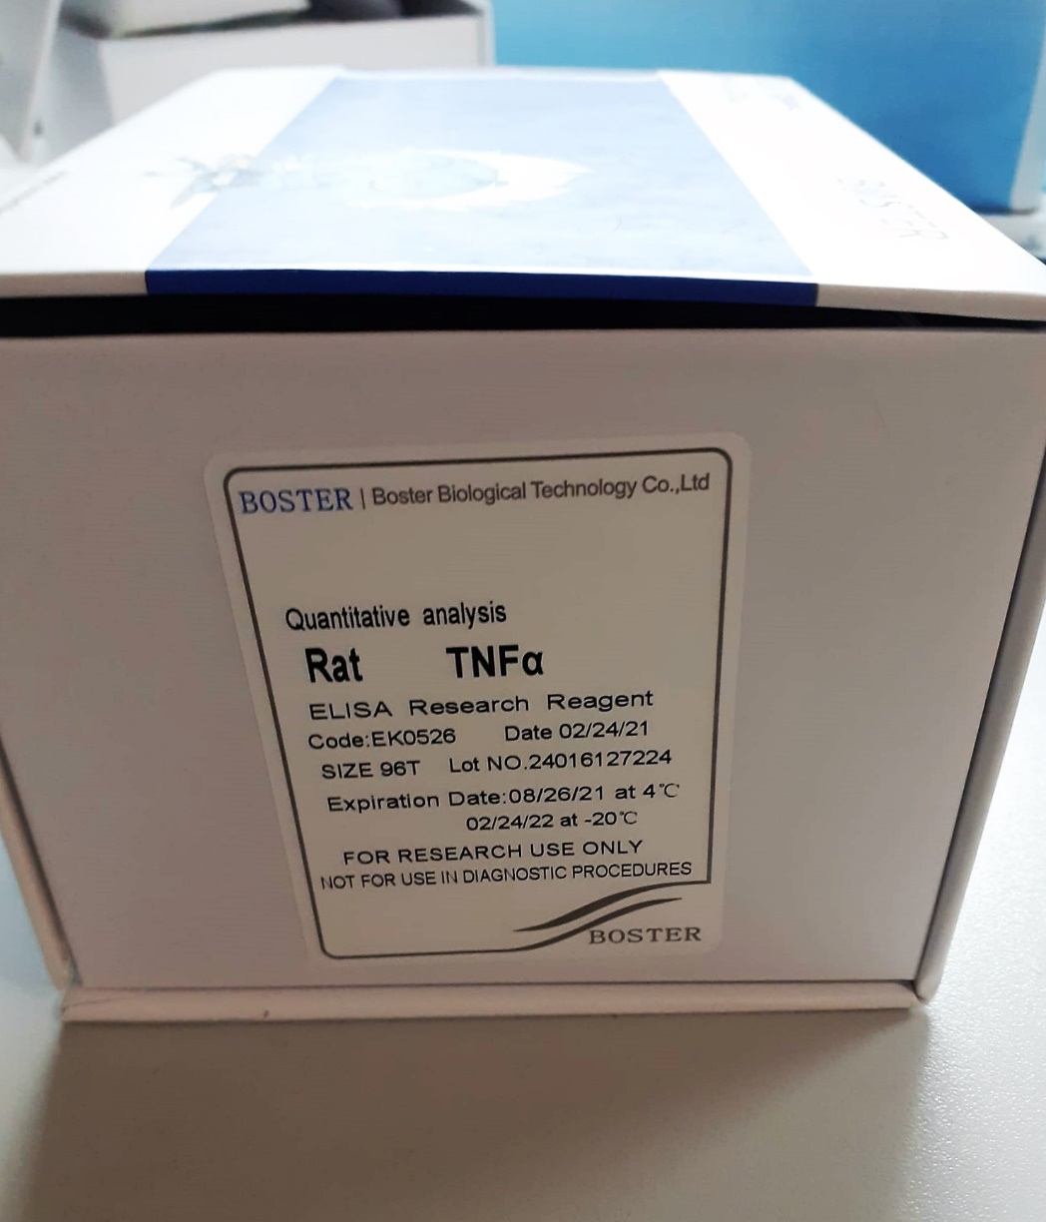

Rat TNF-ALFA Assay Priciple
The Boster Picokine™ Rat Tnf Pre-Coated ELISA (Enzyme-Linked Immunosorbent Assay) kit is a solid-phase immunoassay specially designed to measure Rat Tnf with a 96-well strip plate that is pre-coated with antibody specific for Tnf.
The detection antibody is a biotinylated antibody specific for Tnf. The capture antibody is monoclonal antibody from mouse and the detection antibody is polyclonal antibody from goat.
The kit contains recombinant Rat Tnf with immunogen: Expression system for standard: E.coli; Immunogen sequence: L80-L235. The kit is analytically validated with ready-to-use reagents.
To measure Rat Tnf, add standards and samples to the wells, then add the biotinylated detection antibody. Wash the wells with PBS or TBS buffer, and add Avidin-Biotin-Peroxidase Complex (ABC-HRP).
Wash away the unbounded ABC-HRP with PBS or TBS buffer and add TMB. TMB is an HRP substrate and will be catalyzed to produce a blue color product, which changes into yellow after adding the acidic stop solution.
The absorbance of the yellow product at 450nm is linearly proportional to Rat Tnf in the sample. Read the absorbance of the yellow product in each well using a plate reader, and benchmark the sample wells' readings against the standard curve to determine the concentration of Rat Tnf in the sample.
For more information on assay principle, protocols, and troubleshooting tips, see Boster's ELISA Resource Center at https://www.bosterbio.com/elisa-technical-resource-center.

Rat Interleukin-1 Beta Assay Priciple
The Boster Picokine™ Rat Il1b Pre-Coated ELISA (Enzyme-Linked Immunosorbent Assay) kit is a solid-phase immunoassay specially designed to measure Rat Il1b with a 96-well strip plate that is pre-coated with antibody specific for Il1b.
The detection antibody is a biotinylated antibody specific for Il1b. The capture antibody is monoclonal antibody from mouse and the detection antibody is polyclonal antibody from goat
The kit contains recombinant Rat Il1b with immunogen: Expression system for standard: E.coli; Immunogen sequence: V117-S268. The kit is analytically validated with ready-to-use reagents.
To measure Rat Il1b, add standards and samples to the wells, then add the biotinylated detection antibody. Wash the wells with PBS or TBS buffer, and add Avidin-Biotin-Peroxidase Complex (ABC-HRP).
Wash away the unbounded ABC-HRP with PBS or TBS buffer and add TMB. TMB is an HRP substrate and will be catalyzed to produce a blue color product, which changes into yellow after adding the acidic stop solution.
The absorbance of the yellow product at 450nm is linearly proportional to Rat Il1b in the sample. Read the absorbance of the yellow product in each well using a plate reader, and benchmark the sample wells' readings against the standard curve to determine the concentration of Rat Il1b in the sample.
For more information on assay principle, protocols, and troubleshooting tips, see Boster's ELISA Resource Center at https://www.bosterbio.com/elisa-technical-resource-center.

