Materyal- Metod
KİT ADI | TÜR | MARKA | LOT | CAT. NO | Yöntem | Kullanılan Cihaz
TG: Triglycerides | Universal | REL ASSAY |  |  | Kolorimetrik | MINDRAY BS-400
LDL: LDL Cholesterol | Universal | REL ASSAY |  |  | Kolorimetrik | MINDRAY BS-400
HDL: HDL Cholesterol | Universal | REL ASSAY |  |  | Kolorimetrik | MINDRAY BS-400
CHOL: Total Cholesterol | Universal | REL ASSAY |  |  | Kolorimetrik | MINDRAY BS-400
GLU: Glucose | Universal | REL ASSAY |  |  | Kolorimetrik | MINDRAY BS-400

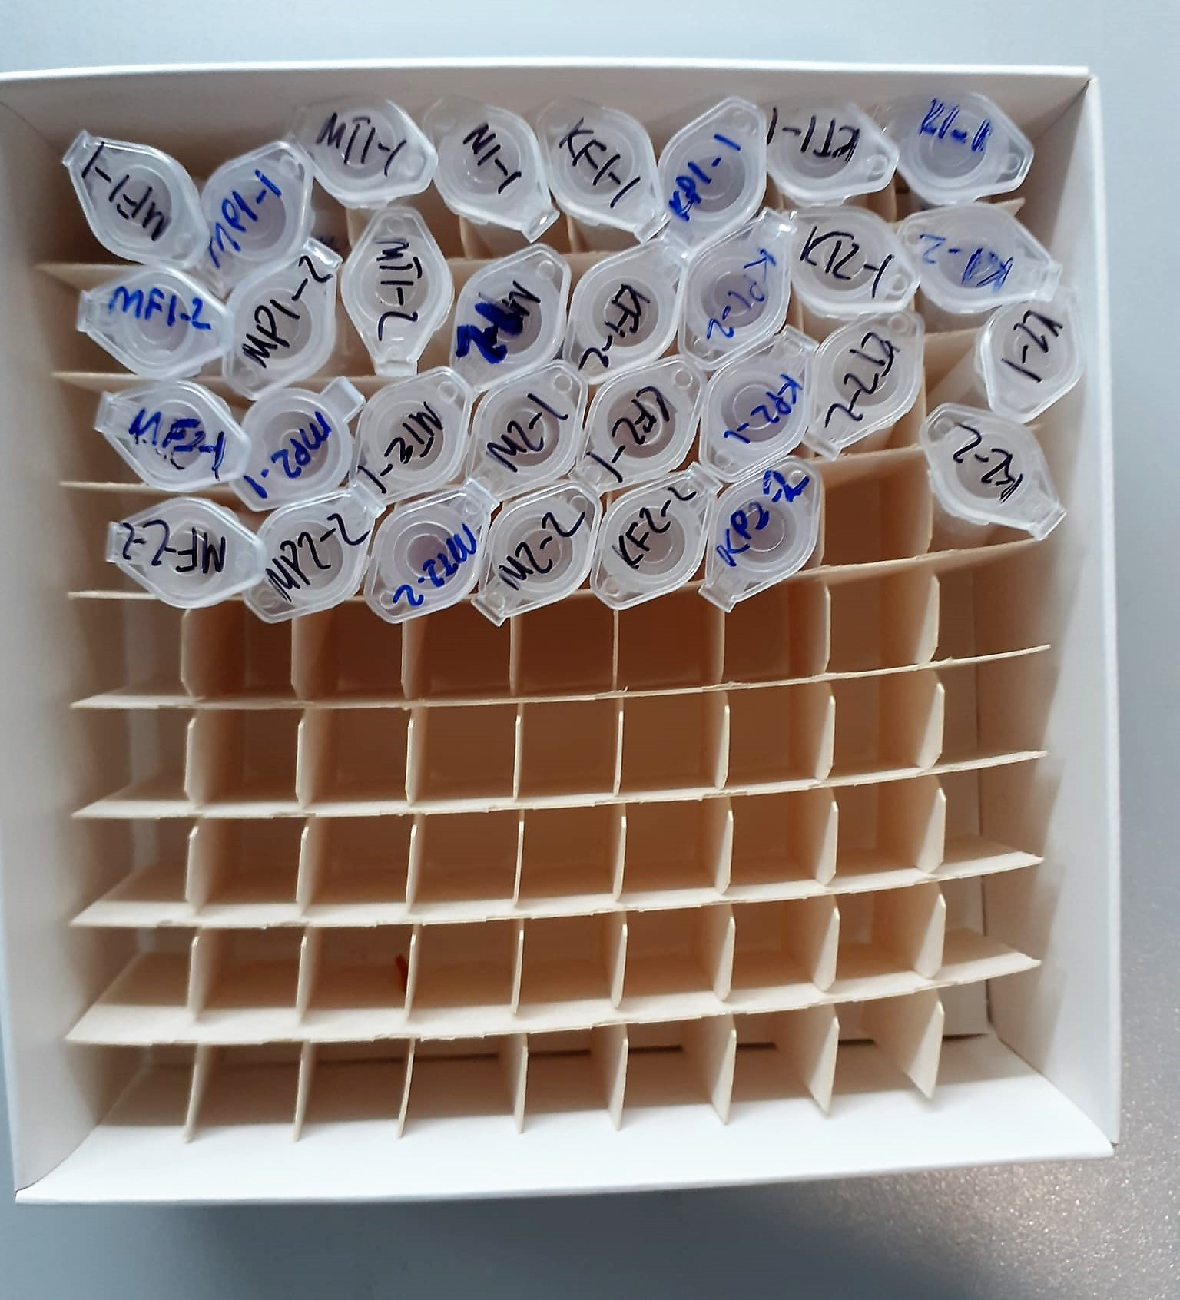
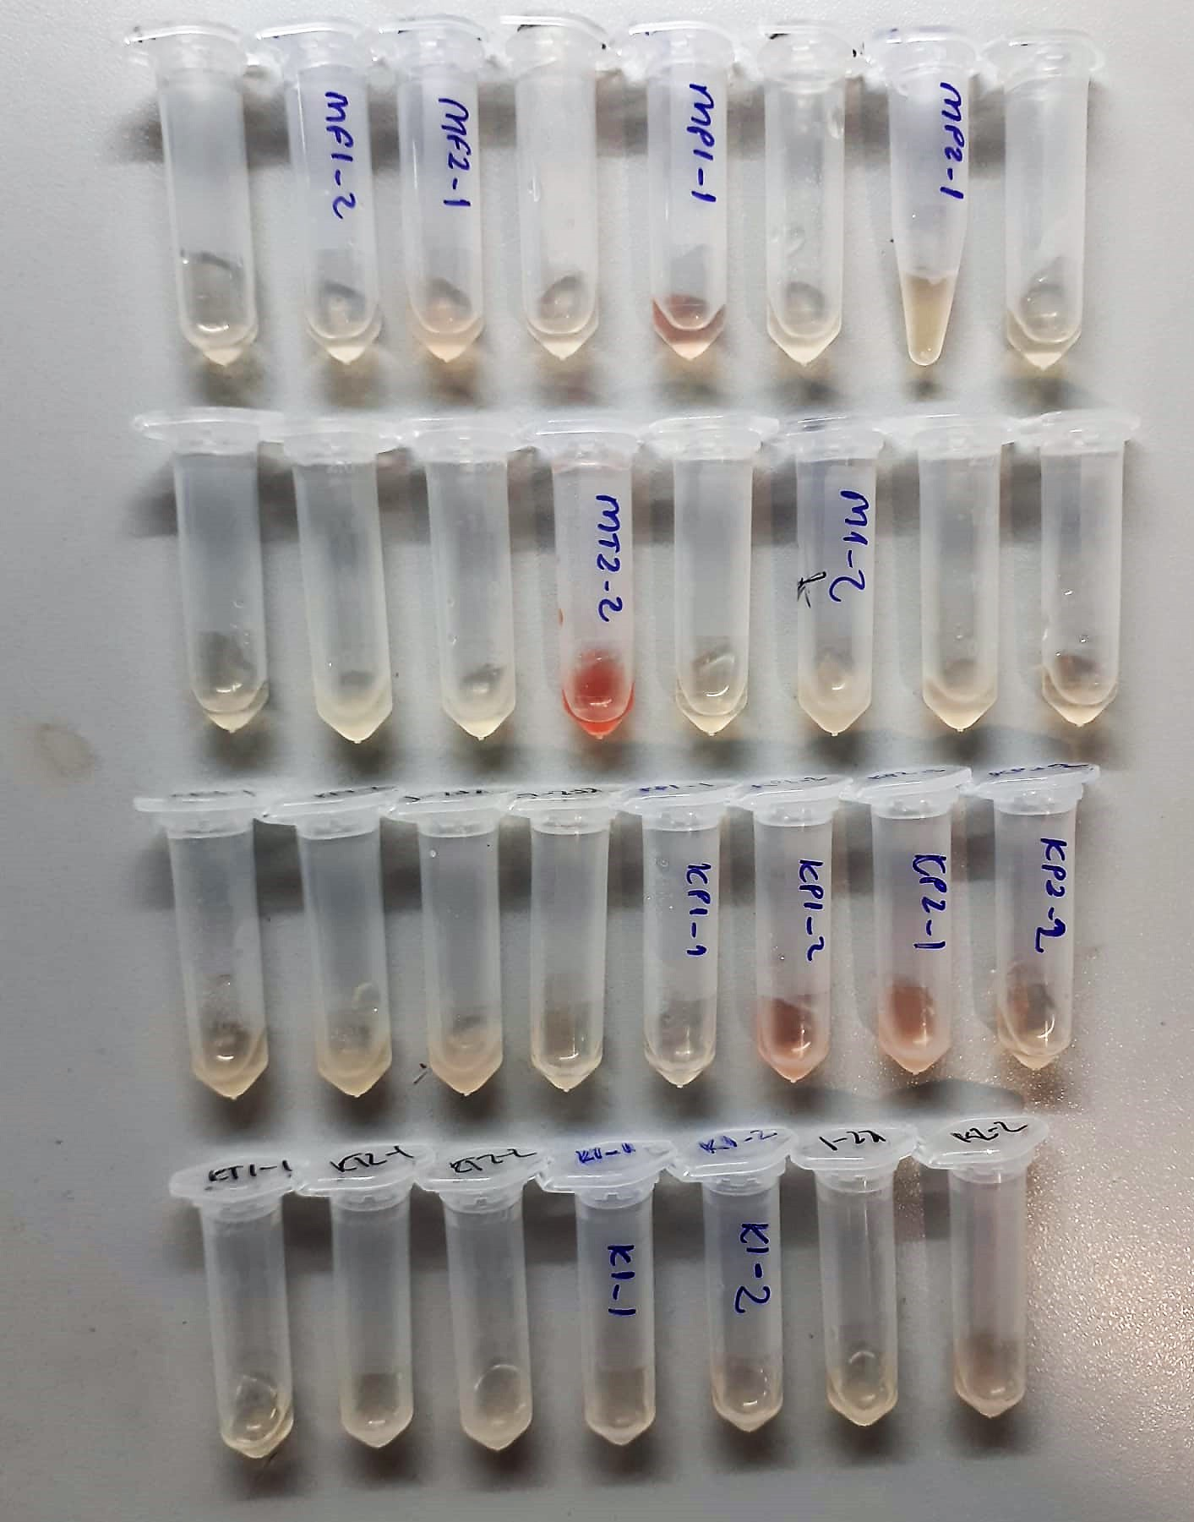

Clolesterol Total mg/dl
Cholesterol ester + H2O Cholesterol + fatty acids
Cholesterol esters are ceaved by the action of choesterol esterase to yield free
choesterol and fatty acids Cholesterol oxidase Cholesterol + O2 Cholesten-3-on + H2O2
Peroxidase
2H2O2 + Phenol + 4-Aminoantipyrine Quinoneimine dye + 4 H2O
Cholesterol is converted by oxygen with the aid of cholesterol oxidase to A4- Cholestenone and hydrogen peroxide.
Hydrogen peroxide created forms a red dyestuff by reacting with 4-aminoantipyrine and phenol under the catalytic action of peroxidase.
The color intensity is directly proportional to the concentration of cholesterol and can be determined photometrically.

HDL Cholesterol mg/dl
Enzymatic colorimetric test
• Sample and addition of R1
• Addition of R2 and start of reaction
In the first step LDL, VLDL and Chylomicrons are eliminated and transformed to
non reactive compounds and specific condition for the reaction. By the second
reagent only the HDL-Cholesterol is subject to color reaction
Cholesterol Esterase
Cholesterol ester + H2O Cholesterol + fatty acid
Cholesterol Oxidase
Cholesterol + O2 Cholesten-3-on + H2O2
Peroxidase
H2O2 + phenol + 4-aminoantipyrine quinoneimine dye+4 H2O

LDL Cholesterol mg/dl
İlk adımda, HDL, VLDL ve Şilomikronlar elimine edilir ve reaksiyon için özel koşulda reaktif olmayan bileşiklere dönüştürülür. İkinci reaktif sadece LDL-kolesterol renk reaksiyonudur.
Kolesterol esteraz
Kolesterol ester + H2O kolesterol + yağ asidi
Kolesterol Oksidaz
Kolesterol + O2 kolesten-3-on + H2O2
peroksidaz
H2O2 + fenol + 4- aminoantipirin kinon boyası +4 H2O

Triglycerides mg/dl
Triglycerides in the sample originates, by means of the coupled reactions described below, acoloured complex that can be measured by spectrophotometry.
Triglycerides + H2O lipase Glycerol + Fatty acids
Glycerol + ATP glycerol kinase Glycerol – 3 – P + ADP
Glycerol – 3 –P + O2 G-3-P-oxidase Dihidroxyacetone – P +H2O2
2 H2O2 + 4 – Aminoantipyrine + 4 – Chlorophenol G-3-P-oxidas Quinoneimine + 4 H2O

Glucose mg/dl
Enzymatic colorimetric test on basis of Trinder – Reaction:
Glucose oxidase Glucose + O2 Gluconic acid + H2O2
Peroxidase
2H2O2 + Phenol + 4–Aminoantipyrine Red Quinoneimine + 4H2O

