Materyal-metod
KİT ADI | TÜR | MARKA | CAT. NO | Yöntem | Kullanılan Cihaz
Alpha Amylase | Universal | Otto Scientific | OttoBC125 | Kolorimetrik | MINDRAY-BS400
Lipase | Universal | Otto Scientific | OttoBC150 | Kolorimetrik | MINDRAY-BS400

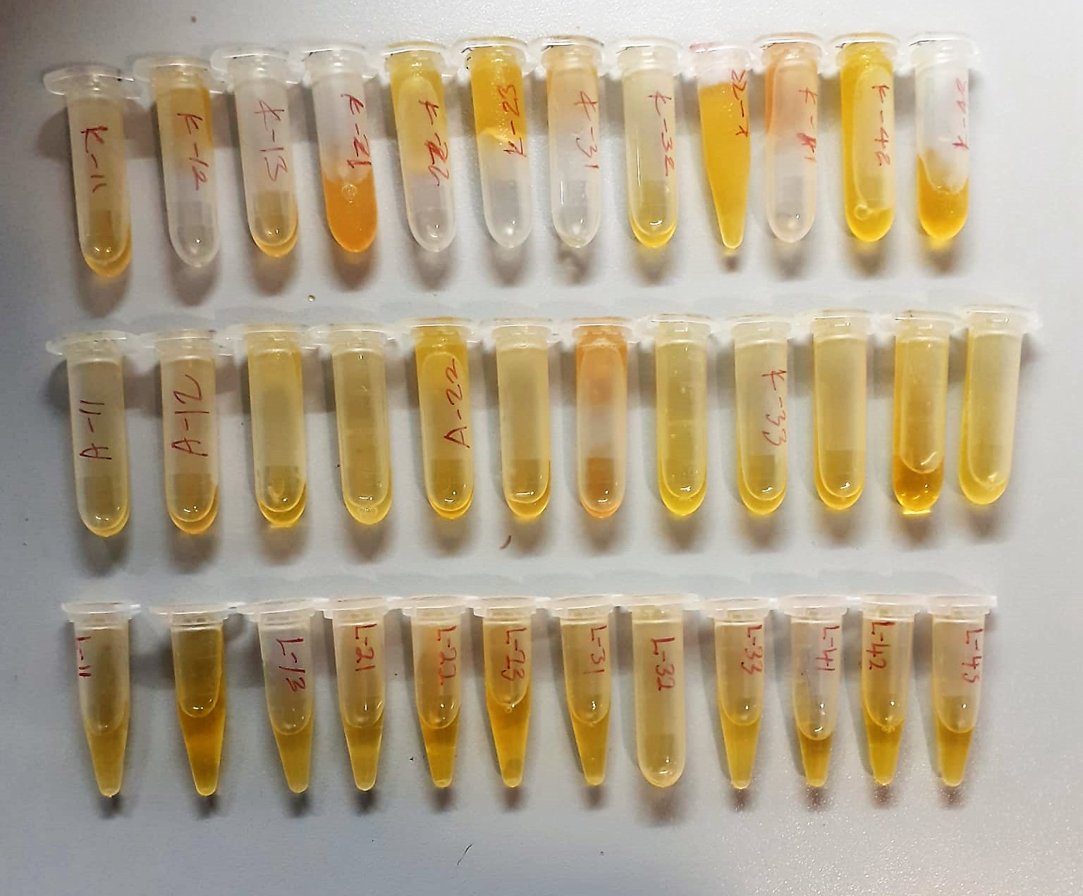

Alpha Amylase
Colorimetric test with 2-chloro-4-nitrophenyl-a-D-maltotriose (CNP-G3) as direct substrate. Colour is released directly as a result of a cleavage at the a-glycone:
CNP - G3 a-amylase CNP + G3
(CNP = chloro-nitrophenol; G = glucose)
The increase of absorption of chloro-nitrophenol is directly proportional to the a- amylase concentration. The hydrolysis pattern in the formulation of the reagent show about less than 10 % CNP-G2 and less than 1% CNP-G4 as by products.

Lipase U/l
Enzymatic colorimetric assay;
• Sample and addition of R1 (buffer/colipase/cholate)
• Addition of R2 (emulsion/chromogenic substrate/cholate) and start of reaction:
lipase
1,2-O-dilauryl-rac-glycero-3- 1,2-O-dilauryl-rac-glycerol +
glutaric acid-(6-methylresorufin)ester glutaric acid-(6-methylresorufin)ester
spontaneous
glutaric acid- glutaric acid + methylresorufin
(6-methylresorufin) ester decomposition
The chromogenic lipase substrate 1,2-O-dilauryl-rac-glycero-3-glutaric acid-(6-
methylresorufin) ester is cleaved by the catalytic action of alkaline lipase solution to form 1,2-O-dilauryl-rac-glycerol and an unstable intermediate,
glutaric acid-(6- methylresorufin) ester. This decomposes spontaneously in alkaline solution to form glutaric acid and methylresorufin.
The colour intensity of the red dye formed is directly proportional to the lipase activity and can be determined photometrically.
(Otto Scientific)

