Materyal-metod
KİT ADI | TÜR | MARKA | CAT. NO | Yöntem | Kullanılan Cihaz
CRP: C- Reactive Protein | Universal | Otto Scientific | OttoBC138 | Kolorimetrik | MINDRAY-BS400

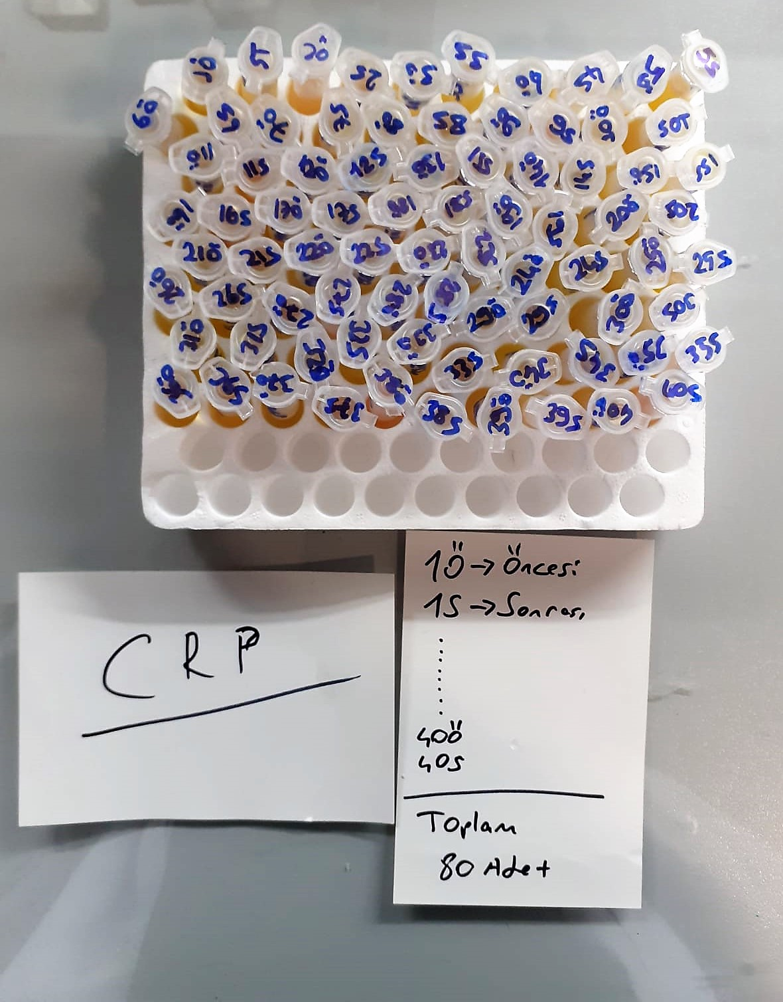
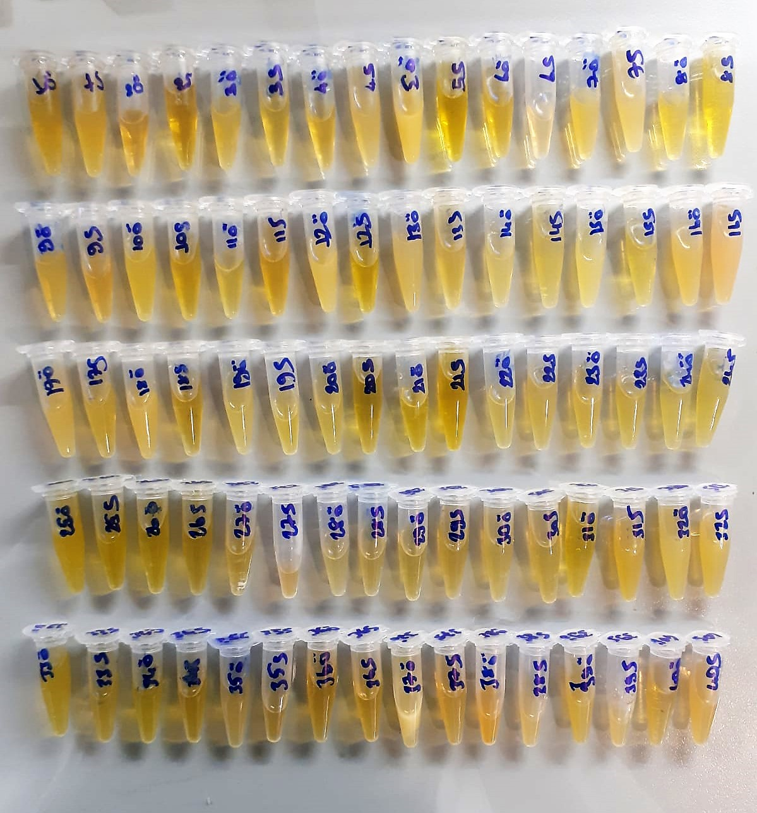

CRP (C-Reactive Protein) mg/L
Immunoturbidimetric assay
Anti-CRP antibodies react with antigen in the sample to form an ntigen/antibody complex. Following agglutination, this is measured turbidimetrically.
Addition of PEG allows the reaction to progress rapidly to the end point,increases sensitivity, and reduces the risk of samples containing excess antigen producing false negative results.

